Q3
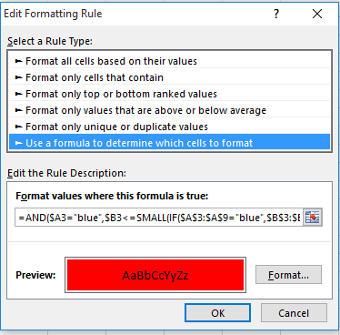
Highlight 3 smallest values with criteria with blue color

Color | amount
blue | 10 | 10 | TRUE | FALSE | FALSE | 10 | 10
red | 23 | 23 | FALSE | TRUE | FALSE | 23 | 23
blue | 45 | 45 | FALSE | FALSE | FALSE | 45 | 45
blue | 34 | 34 | FALSE | FALSE | TRUE | 34 | 34
red | 67 | 67 | FALSE | FALSE | FALSE | 67 | 67
green | 98 | 98 | FALSE | FALSE | FALSE | 98 | 98
blue | 42 | 42 | FALSE | FALSE | FALSE | 42 | 42

