Summary
Category | Count
Passed | 0
Failed | 0
Skipped | 1
Total | 1
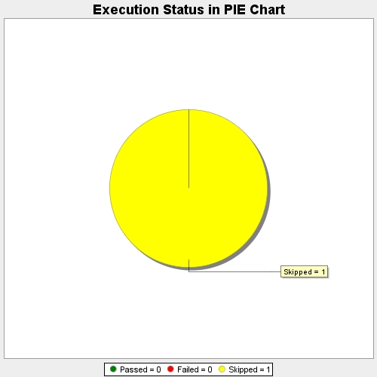
Start Time | 2018-11-13T07:31:42Z
End Time | 2018-11-13T07:31:43Z
Duration | 1898 ms

