QUESTIONS
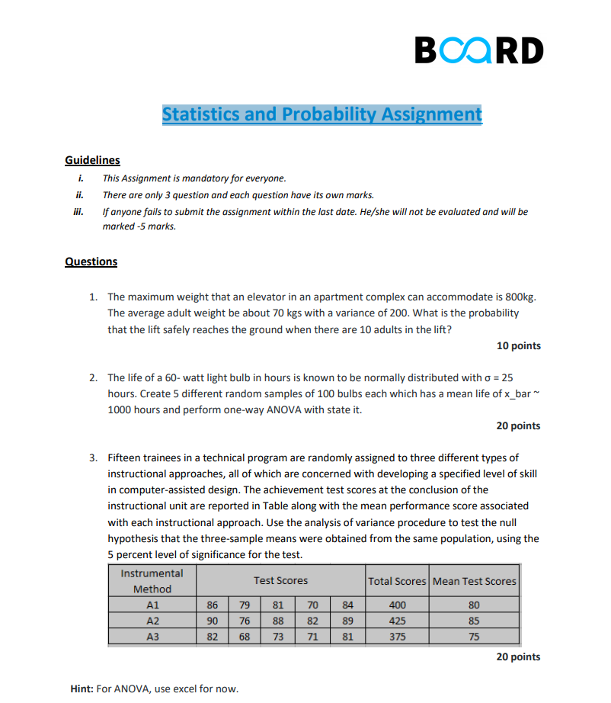

SOLUTIONS
BOARD INFINITY

Statistics and Probability Assignment

1

1. The maximum weight that an elevator in an apartment complex can accommodate is 800kg. The average adult weight be about 70 kgs with a variance of 200. What is the probability that the lift safely reaches the ground when there are 10 adults in the lift?

ANS :- | null hypothesis |  | The weight of adults in the lift is >800
 | alternate hypothesis |  | The weight of adults in the lift is <=800

 | GIVEN:
 |  | Sample size= |  | 10
 |  | avg adult weight = |  | 70
 |  | varience = |  | 200
 |  | mean= |  | 800

 | For 10 adults
 |  | mean weight=70*10 |  | 700
 |  | varience =200*10 |  | 2000

 | from varience
 |  | Standard deviation=sqrt(varirnce) |  |  | 44.72135955

 | BY DOING Z-TEST
 | To find Z-Value |  | Z=(pop mean-sample mean)/standard deviation

 | Z= | 2.2360679775

 | Here Z-value is positive so we get p-value by substracting the value of norm.dist function from 1.

 | p-value
 | 0.98732634066 |  | this is the value from norm.dist function

 | 0.012673659339 | This is real p-value

 | we take the value of alpha as 0.05(significance value)
 | pvalue<alpha
 | so we reject null hypothesis and accept alternate hypothesis .

 | Now ,we can say that the weight of adults in the lift is less than or equal to 800 , and the lift will reach the ground safely.

 | To find probability:-

 | we got z value as 2.236
 | so by using z table we can find the probability as 0.98713

 | Therefore the probability is |  |  | = 98.71%

2

2. The life of a 60- watt light bulb in hours is known to be normally distributed with σ = 25 hours. Create 5 different random samples of 100 bulbs each which has a mean life of x_bar ~ 1000 hours and perform one-way ANOVA with state it.

ANS:-
 | NULL HYPOTHESIS |  | Mean life of all bulbs are same .
 | ALTERNATE HYPOTHESIS |  | Mean life of atleast one bulb is different .

BY USING THIS FORMULA WE CAN GET THE VALUES OF BULBS(LIFE) |  |  |  |  |  | =NORMINV(RAND(),$B$79,$C$79)

GIVEN: | MEAN | SD
 | 1000 | 25 |  |  |  |  | MEAN |  | STANDARD DEVIATION

S.NO | A | B | C | D | E |  |  | Anova: Single Factor
1 | 983.70984025 | 973.09370289 | 992.35337187 | 961.19821629 | 963.94619549
2 | 1020.3107734 | 1011.5971982 | 998.61546519 | 1026.3215719 | 998.20309796 |  |  | SUMMARY
3 | 1045.0814953 | 1006.586404 | 993.69860161 | 987.20366001 | 993.54690901 |  |  | Groups | Count | Sum | Average | Variance
4 | 991.57371326 | 1028.5599151 | 1030.2764175 | 997.57946193 | 977.2512346 |  |  | A | 100 | 99809.882314 | 998.09882314 | 634.65548426
5 | 977.47802599 | 1033.3978947 | 1012.5444412 | 1007.0164824 | 1010.1460861 |  |  | B | 100 | 100398.22761 | 1003.9822761 | 536.35892664
6 | 1001.184532 | 1006.1291299 | 962.11479855 | 942.3655638 | 960.77170537 |  |  | C | 100 | 99540.601932 | 995.40601932 | 852.45147971
7 | 990.71532573 | 1009.7188645 | 960.7966419 | 999.6212925 | 995.72760599 |  |  | D | 100 | 99999.578839 | 999.99578839 | 522.35245868
8 | 982.44257307 | 1024.1077664 | 993.05836861 | 970.92311546 | 1031.77356 |  |  | E | 100 | 99688.522353 | 996.88522353 | 631.44595839
9 | 972.73807305 | 1012.6868959 | 969.07567119 | 1024.8526368 | 983.81301951
10 | 1004.6069098 | 1001.2941799 | 998.18980966 | 978.49620239 | 1010.2266618
11 | 963.13138636 | 995.32911627 | 992.92437175 | 1027.9502823 | 1031.3600049 |  |  | ANOVA
12 | 1003.0285113 | 994.44661774 | 1010.8404283 | 1002.2270545 | 1041.083476 |  |  | Source of Variation | SS | df | MS | F | P-value | F crit
13 | 1013.6670181 | 1055.2398554 | 966.76850484 | 990.27470251 | 990.6109872 |  |  | Between Groups | 4393.5914216 | 4 | 1098.3978554 | 1.728527672 | 0.14236118551 | 2.3899478445
14 | 1017.8455321 | 1018.6759677 | 1013.3367457 | 994.42801842 | 973.86999833 |  |  | Within Groups | 314549.16646 | 495 | 635.45286154
15 | 1025.4013912 | 1013.8186294 | 980.2029975 | 1018.82405 | 1003.9915764
16 | 1000.9721875 | 985.87330186 | 996.93947928 | 952.36343844 | 984.53504339 |  |  | Total | 318942.75788 | 499
17 | 1006.2507922 | 1030.5623881 | 998.73881088 | 992.78177239 | 987.20015195
18 | 990.08117974 | 972.2738037 | 995.01558334 | 1034.5421597 | 981.73974078
19 | 956.72487132 | 997.26434548 | 1045.5081034 | 989.81825677 | 986.66210177
20 | 1015.3420748 | 967.70882901 | 942.77410109 | 1003.0072236 | 954.15706673 |  |  | The value of alpha is =0.05 (Significance value)
21 | 1031.9779811 | 1033.8430854 | 980.28324103 | 1018.0694185 | 1008.6474628
22 | 995.65153909 | 987.31244519 | 988.91458029 | 1020.3976766 | 989.88637273 |  |  | From single factor annova we got the value of p as 0.14
23 | 962.33149274 | 1009.9914273 | 937.25593157 | 968.30435117 | 975.84459587
24 | 957.39561708 | 986.22090601 | 987.30065772 | 981.87310342 | 987.65518811 |  |  | so p-value>alpha
25 | 977.63047355 | 1003.2937205 | 996.77460328 | 1015.9258613 | 954.71432797
26 | 1010.566616 | 989.44042446 | 993.86559222 | 1019.796961 | 1027.5994496 |  |  | Therefore we cann't reject null hypothesis.
27 | 993.5585276 | 1022.6247584 | 969.79222438 | 991.97009752 | 1002.87309
28 | 973.67905504 | 1014.5834401 | 955.91172947 | 1005.8407328 | 994.90372285 |  |  | Finally,we can conclude that we don't have enough evidence to prove that the mean life of all bulbs are not equal.
29 | 994.22125871 | 1010.6923211 | 993.62652546 | 987.6029029 | 1034.3305283 |  |  | So,we should accept that the mean life of all bulbs are same.
30 | 994.83857884 | 1006.854758 | 951.24162345 | 975.86777745 | 975.41163745
31 | 965.26735536 | 1017.3422293 | 961.70963213 | 1000.0538706 | 998.8451044
32 | 979.66528512 | 1000.4551227 | 987.8230738 | 977.76658345 | 984.97670826
33 | 1020.5440492 | 1008.6408355 | 1018.4427629 | 981.18216692 | 1032.8616693
34 | 1054.4397532 | 1024.9814836 | 1044.6907456 | 1021.5662451 | 1019.0064713
35 | 981.56212713 | 999.09794235 | 1001.9237117 | 1033.4704448 | 957.9417402
36 | 1003.210666 | 976.26048833 | 1007.901887 | 1019.116809 | 992.55153379
37 | 1012.2605594 | 981.22916411 | 1000.2112557 | 1002.7045887 | 993.53106595
38 | 1034.4491385 | 985.91179395 | 1018.5348244 | 965.83922151 | 997.11515477
39 | 1017.252795 | 970.92882796 | 957.72158791 | 944.06264473 | 1019.8952806
40 | 977.66700175 | 1016.2097023 | 1050.3794975 | 980.31409596 | 1030.5054789
41 | 1004.3771584 | 992.67018992 | 1010.9380961 | 964.37787049 | 1042.9244003
42 | 1021.2704003 | 1038.795553 | 957.62213661 | 972.40393902 | 996.54263822
43 | 1024.8039486 | 1012.5824697 | 1018.7331696 | 987.15316323 | 985.09200077
44 | 1006.7719984 | 991.27090056 | 998.49693594 | 989.6088358 | 979.25868545
45 | 1005.5568775 | 989.58386416 | 1023.6781456 | 1031.9379921 | 1041.1146077
46 | 949.52357873 | 1005.6711978 | 978.80528674 | 1032.5340808 | 1017.8068129
47 | 1013.6751815 | 1004.4317944 | 958.90164836 | 988.85069111 | 1025.9471286
48 | 1002.7893097 | 1064.4860831 | 1049.1725073 | 971.82534395 | 975.82140491
49 | 978.67630088 | 1032.5765441 | 1007.5765373 | 1000.6093375 | 938.25211329
50 | 957.01391243 | 1013.1032081 | 935.42926191 | 1000.2463135 | 983.57699148
51 | 1010.0916914 | 985.67102221 | 992.76647539 | 1002.8902203 | 1025.4000923
52 | 1008.9654916 | 965.98576939 | 1022.3051289 | 992.4373524 | 972.29097716
53 | 971.72413844 | 1005.7841483 | 1007.1742238 | 995.84617738 | 1001.8187285
54 | 1001.8368015 | 967.35738712 | 997.6626586 | 1016.0548899 | 985.37090931
55 | 956.69062849 | 1003.9974451 | 920.68902999 | 1023.1783878 | 1007.1952526
56 | 1021.0687748 | 1020.0787646 | 1003.2162305 | 1022.194716 | 1012.9423477
57 | 1009.1576283 | 1006.7990841 | 990.0234759 | 1024.0819535 | 1010.3694633
58 | 1003.680031 | 966.53075512 | 1041.4562946 | 1026.4549752 | 1024.352285
59 | 947.27249294 | 998.34380847 | 1037.1798677 | 987.48217893 | 1001.6739674
60 | 1011.5443668 | 1008.0971986 | 1033.6022487 | 1014.7989657 | 982.56086124
61 | 961.17730617 | 979.05834802 | 981.75890582 | 1003.5029191 | 995.51092734
62 | 1018.5312254 | 985.77737457 | 1000.4737315 | 988.53595934 | 1001.3055741
63 | 1011.6780558 | 991.78101116 | 1066.7250287 | 997.94244255 | 969.50194735
64 | 976.88130442 | 1005.3436444 | 994.15220903 | 997.41927456 | 944.38462939
65 | 970.16287469 | 1024.4139186 | 960.66932765 | 1001.1198128 | 1045.6293048
66 | 960.09392395 | 980.05033714 | 1049.0382028 | 1038.129477 | 984.27075378
67 | 995.56747631 | 1038.0619756 | 998.09298101 | 1049.0417912 | 1021.649918
68 | 1009.9248705 | 1043.8497488 | 1019.5701084 | 968.25010873 | 1013.4277779
69 | 966.89652277 | 1046.5445304 | 1042.5809692 | 1010.1073589 | 997.62966019
70 | 974.19493744 | 961.42472983 | 1059.4546843 | 1074.4153329 | 1043.8773838
71 | 994.88380049 | 1017.0367125 | 989.78387066 | 977.3741532 | 980.21914534
72 | 1032.8527525 | 962.7030393 | 946.8286975 | 977.58953357 | 992.04870997
73 | 1009.8199016 | 990.68966795 | 1004.864675 | 979.38600594 | 1058.8574624
74 | 999.32573683 | 1002.5659611 | 996.27641412 | 968.88838845 | 1018.8804805
75 | 1015.2882357 | 973.75037402 | 999.18067425 | 1007.6657818 | 955.69156015
76 | 983.81413981 | 1005.3606946 | 972.015931 | 1029.5142067 | 1011.1814318
77 | 963.72580039 | 1009.6284527 | 998.81259085 | 1017.2076051 | 955.59641314
78 | 988.26260477 | 999.16918776 | 953.31575132 | 1018.2965384 | 1000.3965134
79 | 970.98008555 | 975.54505542 | 951.15748418 | 1004.6746232 | 959.76126108
80 | 1015.5960887 | 1046.6908756 | 985.64927875 | 994.50650807 | 994.70351762
81 | 988.24530464 | 965.07999559 | 988.39192311 | 1003.0815079 | 1017.1683972
82 | 1014.3954386 | 966.51794193 | 964.98760728 | 1009.1841583 | 963.31806234
83 | 1029.6055168 | 1003.9960499 | 956.08053031 | 1036.3821962 | 1010.0641869
84 | 1034.59458 | 1049.6771952 | 1042.3442407 | 999.48392188 | 1012.3453237
85 | 978.18567916 | 1009.2769738 | 1003.186576 | 1017.8410559 | 1005.4844478
86 | 1022.1237378 | 1006.8510566 | 990.96741803 | 1015.2536879 | 982.23316077
87 | 960.97822359 | 1035.2454634 | 989.63231268 | 1002.0711667 | 986.11289864
88 | 1059.1897378 | 1016.7713564 | 1003.2304654 | 1017.7173078 | 968.68477814
89 | 986.56092974 | 975.94012689 | 1007.0730432 | 977.35582151 | 987.98095627
90 | 1053.878096 | 1018.2924561 | 992.39785639 | 976.72475537 | 1002.3161928
91 | 995.03327286 | 1062.3924607 | 986.37934401 | 992.11811806 | 1030.6876537
92 | 1009.7626011 | 997.68084771 | 969.14021432 | 1019.7298266 | 979.67256715
93 | 1024.8711973 | 1010.3050869 | 993.38253581 | 996.57772965 | 1023.6982751
94 | 1000.8366432 | 1005.4688604 | 1004.7594248 | 1014.0538406 | 1011.7272206
95 | 1010.8208299 | 994.90173583 | 1012.2009793 | 1016.5285806 | 1015.0834416
96 | 1008.4758137 | 992.96311042 | 972.8544775 | 988.88948271 | 983.63954003
97 | 1024.1109648 | 1015.3901548 | 986.45147123 | 979.20249286 | 973.0934563
98 | 944.29018359 | 977.61813303 | 1015.1604224 | 986.14766313 | 953.74662253
99 | 1032.0444738 | 1017.1790873 | 1040.880029 | 991.56413677 | 1015.6942953
100 | 1005.2746575 | 979.13700778 | 1007.1917839 | 997.615467 | 971.22202985

3

3. Fifteen trainees in a technical program are randomly assigned to three different types of instructional approaches, all of which are concerned with developing a specified level of skill in computer-assisted design.
The achievement test scores at the conclusion of the instructional unit are reported in Table along with the mean performance score associated with each instructional approach
Use the analysis of variance procedure to test the null hypothesis that the three-sample means were obtained from the same population, using the 5 percent level of significance for the test.

ANS:-
 | NULL HYPOTHEIS |  |  | MEAN OF ALL THREE SAMPLES ARE SAME.
 | ALTERNATE HYPOTHESIS |  |  | ATLEAST ONE MEAN IS DIFFER FROM ANOTHER .

GIVEN:
METHOD | SCORE-1 | SCORE-2 | SCORE-3 | SCORE-4 | SCORE-5
A1 | 86 | 79 | 81 | 70 | 84
A2 | 90 | 76 | 88 | 82 | 89
A3 | 82 | 68 | 73 | 71 | 81

Anova: Single Factor

SUMMARY
Groups | Count | Sum | Average | Variance
A1 | 5 | 400 | 80 | 38.5
A2 | 5 | 425 | 85 | 35
A3 | 5 | 375 | 75 | 38.5

ANOVA
Source of Variation | SS | df | MS | F | P-value | F crit
Between Groups | 250 | 2 | 125 | 3.3482142857 | 0.069909395727 | 3.8852938347
Within Groups | 448 | 12 | 37.333333333

Total | 698 | 14

BY SINGLE FACTOR ANNOVA WE FOUND THAT THE VALUE OF P IS |  |  |  | 0.0699
GIVEN ALPHA = | 0.05

SINCE | P-VALUE IS >ALPHA
WE ACCEPT NULL HYPOTHESIS AND WE CAN SAY THAT THE MEAN OF GIVEN SAMPLES ARE SAME .

DONE BY:
M.GURUPRASAD REDDY

 |  |  |  |  |  |  |  | THE END

THANK YOU

