Player_Dashboard
REGULAR SEASON STATS
Player Name: | JaVale McGee

 | 64.20%
 | 35.80%
PLAYER BOX STATS vs team avg
REBOUNDS | 5.7 | 3.2
ASSISTS | 0.5 | 1.7
STEAL | 0.5 | 0.6
BLOCK | 1.4 | 0.4
TURNOVER | 0.8 | 1.0

PLAYER SHOOTING STATS vs team avg
2P ATTEMPTS | 4.4 | 4.2
2P MADE | 2.8 | 2.3
3P ATTEMPTS | 0.1 | 2.4
3P MADE | 0 | 0.8
FT ATTEMPTS | 1.2 | 1.5
FT MADE | 0.8 | 1.1
SEASON
2019 - 20
eFG% =
64.2%
= PLAYER STATS
= PLAYER STATS

= TEAM AVERAGE
= TEAM AVERAGE
JERSEY NO: | 7 | HEIGHT: | 7 feet

POSITION: | C | WEIGHT: | 270

BIRTH DATE: | January 19, 1988 | EXPERIENCE: | 11

COLLEGE: | Nevada

PLAYOFF STATS



PLAYER SHOOTING STATS vs team avg
2P ATTEMPTS | 2.1 | 3.8
2P MADE | 1.4 | 2.2
3P ATTEMPTS | 0.1 | 2.7
3P MADE | 0 | 0.9
FT ATTEMPTS | 0.1 | 1.7
FT MADE | 0.1 | 1.3
 | 62.50%
 | 37.50%
PLAYER BOX STATS vs team avg
POINTS | 2.9 | 8.5
REBOUNDS | 3.1 | 3.3
ASSISTS | 0.5 | 1.9
STEAL | 0.1 | 0.7
BLOCK | 0.7 | 0.4
TURNOVER | 0.6 | 1.1

62.5%

= PLAYER STATS
= PLAYER STATS

= TEAM AVERAGE
= TEAM AVERAGE

TEAM DASHBOARD

LA LAKERS VS OPPONENT MATCH STATS

LA FIELD GOAL
 | Total
FGA. | 88
FGM. | 35
 | 40%
 | 61%
 | 29%
 | 71%
 | 68%
 | 32%
LAL SEASON 2019 - 20
LA 3 POINTERS
 | Total
3PA. | 40
3PM. | 10
LA FREE THROWS
 | Total
FTA. | 26.0
FTM. | 18.0
FG% =
40%
3PT% =
29%
FT% =
68%

 | 37%
 | 63%
 | 78%
 | 22%
OPP FIELD GOAL
 | Total
Opp.FGA. | 87
Opp.FGM. | 39
 | 45%
 | 55%
OPP 3 POINTERS
 | Total
Opp.3PA. | 35
Opp.3PM. | 13
OPP FREE THROWS
 | Total
Opp.FTA. | 24.0
Opp.FTM. | 19.0
FG% =
45%
3PT% =
37%
FT% =
78%

lAL STATS
 | Total
POINTS | 98
REBOUNDS | 46
ASSISTS | 24
STEAL | 7
BLOCKS | 10
TOV. | 15
OPP STATS
 | Total
POINTS | 110
REBOUNDS | 47
ASSISTS | 25
STEALS | 7
BLOCKS | 7
TOV. | 14

PLAYER STATS
REGULAR SEASON PER GAME STATS
Rk | Player | AGE | G | GS | MP | FG | FGA | FG% | 3PM | 3PA | 3PMISS | 3P% | 2PM | 2PA | 2PMISS | 2P% | eFG% | FT | FTA | FT% | ORB | DRB | TRB | AST | STL | BLK | TOV | PF | PTS/G | Photo | Jersey No. | Position | Height | Weight | Birth Date | Experience | College | P.Age | P.G | P.GS | P.MP | P.FG | P.FGA | P.FG% | P.3PM | P.3PA | P.3PMISS | P.3P% | P.2PM | P.2PA | P.2PMISS | P.2P% | P.eFG% | P.FT | P.FTA | P.FT% | P.ORB | P.DRB | P.TRB | P.AST | P.STL | P.BLK | P.TOV | P.PF | P.PTS/G
10 | Alex Caruso | 25 | 64 | 2 | 18.4 | 1.9 | 4.5 | 0.412 | 0.6 | 1.9 | 1.3 | 33.3% | 1.3 | 2.7 | 1.4 | 46.8% | 0.481 | 1.1 | 1.5 | 73.4% | 0.3 | 1.7 | 1.9 | 1.9 | 1.1 | 0.3 | 0.8 | 1.5 | 5.5 |  | 4 | PG | 6 feet 4 inches | 186 | February 28, 1994 | 2 | Texas A&M | 25 | 21 | 1 | 24.3 | 2.3 | 5.4 | 0.425 | 0.8 | 2.9 | 1.3 | 0.279 | 1.5 | 2.5 | 1.4 | 0.596 | 0.5 | 1.1 | 1.4 | 0.8 | 0.7 | 1.6 | 2.3 | 2.8 | 1.1 | 0.6 | 1.5 | 2.6 | 6.5
2 | Anthony Davis | 26 | 62 | 62 | 34.4 | 8.9 | 17.7 | 0.503 | 1.2 | 3.5 | 2.3 | 33.0% | 7.7 | 14.2 | 6.5 | 54.6% | 0.536 | 7.2 | 8.5 | 84.6% | 2.3 | 7 | 9.3 | 3.2 | 1.5 | 2.3 | 2.5 | 2.5 | 26.1 |  | 3 | PF | 6 feet 10 inches | 253 | March 11, 1993 | 7 | Kentucky | 26 | 21 | 21 | 36.6 | 9.8 | 17.1 | 0.571 | 1.1 | 2.9 | 2.3 | 0.383 | 8.7 | 14.2 | 6.5 | 0.609 | 0.603 | 7.1 | 8.5 | 0.832 | 2.6 | 7.1 | 9.7 | 3.5 | 1.2 | 1.4 | 2.5 | 2.7 | 27.7
6 | Avery Bradley | 29 | 49 | 44 | 24.2 | 3.5 | 7.8 | 0.444 | 1.3 | 3.5 | 2.2 | 36.4% | 2.2 | 4.3 | 2.1 | 51.0% | 0.526 | 0.4 | 0.5 | 83.3% | 0.4 | 2 | 2.3 | 1.3 | 0.9 | 0.1 | 1 | 2.2 | 8.6 | 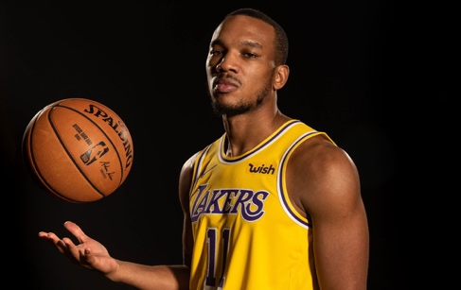 | 11 | SG | 6 feet 3 inches | 180 | November 26, 1990 | 9 | Texas | - | - | - | - | - | - | - | - | - | - | - | - | - | - | - | - | - | - | - | - | - | - | - | - | - | - | - | --
5 | Danny Green | 32 | 68 | 68 | 24.8 | 2.9 | 7 | 0.416 | 1.8 | 4.8 | 3 | 36.7% | 1.1 | 2.2 | 1.1 | 52.4% | 0.542 | 0.5 | 0.7 | 68.8% | 0.8 | 2.6 | 3.3 | 1.3 | 1.3 | 0.5 | 0.9 | 2 | 8 | 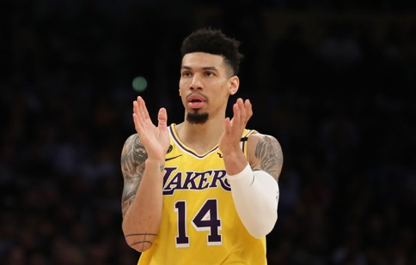 | 14 | SG | 6 feet 6 inches | 215 | June 22, 1987 | 10 | UNC | 32 | 21 | 21 | 25 | 2.8 | 8.1 | 0.347 | 1.9 | 5.5 | 3 | 0.339 | 1 | 2.6 | 1.1 | 0.364 | 0.462 | 0.5 | 0.7 | 0.667 | 1.2 | 2 | 3.1 | 1.2 | 1 | 0.8 | 0.6 | 2.3 | 8
17 | Devontae Cacok | 23 | 1 | 0 | 9 | 3 | 6 | 0.5 | 0 | 0 | 0 | 0.0% | 3 | 6 | 3 | 50.0% | 0.5 | 0 | 0 |  | 2 | 3 | 5 | 1 | 0 | 0 | 0 | 0 | 6 | 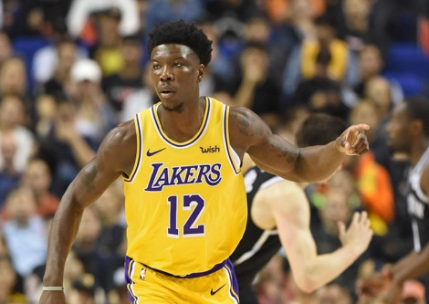 | 12 | C | 6 feet 7 inches | 240 | October 8, 1996 | R | UNC Wilmington | - | - | - | - | - | - | - | - | - | - | - | - | - | - | - | - | - | - | - | - | - | - | - | - | - | - | - | --
7 | Dion Waiters | 28 | 7 | 0 | 23.6 | 4.4 | 10.4 | 0.425 | 1 | 4.3 | 3.3 | 23.3% | 3.4 | 6.1 | 2.7 | 55.8% | 0.473 | 2 | 2.3 | 87.5% | 0.3 | 1.6 | 1.9 | 2.4 | 0.6 | 0.6 | 1.9 | 2.3 | 11.9 | 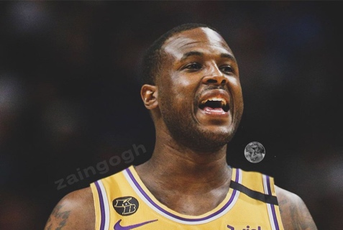 | 18 | SG | 6 feet 4 inches | 215 | December 10, 1991 | 7 | Syracuse | 28 | 5 | 0 | 7.6 | 0.8 | 2.4 | 0.333 | 0 | 0.8 | 3.3 | 0 | 0.8 | 1.6 | 2.7 | 0.5 | 0.333 | 0.4 | 0.4 | 1 | 0 | 0.4 | 0.4 | 0.4 | 0.2 | 0.2 | 0.2 | 0.4 | 2
9 | Dwight Howard | 34 | 69 | 2 | 18.9 | 2.9 | 4 | 0.729 | 0 | 0.1 | 0.1 | 60.0% | 2.9 | 3.9 | 1 | 73.2% | 0.735 | 1.6 | 3.1 | 51.4% | 2.5 | 4.9 | 7.3 | 0.7 | 0.4 | 1.1 | 1.2 | 3.2 | 7.5 |  | 39 | C | 6 feet 10 inches | 265 | December 8, 1985 | 15 |  | 34 | 18 | 7 | 15.7 | 2.2 | 3.2 | 0.684 | 0.1 | 0.1 | 0.1 | 0.5 | 2.1 | 3.1 | 1 | 0.691 | 0.693 | 1.4 | 2.5 | 0.556 | 1.8 | 2.8 | 4.6 | 0.5 | 0.4 | 0.4 | 0.9 | 3.1 | 5.8
14 | J.R. Smith | 34 | 6 | 0 | 13.2 | 1.2 | 3.7 | 0.318 | 0.2 | 1.8 | 1.6 | 9.1% | 1 | 1.8 | 0.8 | 54.5% | 0.341 | 0.3 | 0.3 | 100.0% | 0 | 0.8 | 0.8 | 0.5 | 0.2 | 0 | 0.7 | 0.8 | 2.8 |  | 21 | SG | 6 feet 6 inches | 225 | September 9, 1985 | 15 | No college experience | 34 | 10 | 0 | 7.5 | 0.7 | 2.6 | 0.269 | 0.6 | 2.2 | 1.6 | 0.273 | 0.1 | 0.4 | 0.8 | 0.25 | 0.385 | 0 | 0 | 0 | 0 | 0.3 | 0.3 | 0.3 | 0.2 | 0 | 0.7 | 1.1 | 2
18 | Jared Dudley | 34 | 45 | 1 | 8.1 | 0.5 | 1.3 | 0.4 | 0.4 | 0.9 | 0.5 | 42.9% | 0.1 | 0.4 | 0.3 | 33.3% | 0.55 | 0 | 0 | 1 | 0.1 | 1 | 1.2 | 0.6 | 0.3 | 0.1 | 0.2 | 0.9 | 1.5 | 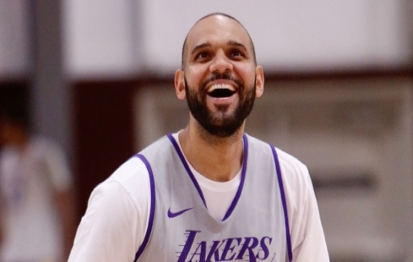 | 10 | PF | 6 feet 6 inches | 237 | July 10, 1985 | 12 | Boston College | 34 | 9 | 0 | 3.4 | 0 | 0.4 | 0 | 0 | 0.3 | 0.5 | 0 | 0 | 0.1 | 0.3 | 0 | 0 | 0 | 0 | 0 | 0 | 0.2 | 0.2 | 0 | 0.4 | 0.1 | 0.2 | 0.2 | 0
11 | JaVale McGee | 32 | 68 | 68 | 16.6 | 2.9 | 4.5 | 0.637 | 0 | 0.1 | 0.1 | 50.0% | 2.8 | 4.4 | 1.6 | 64.0% | 0.642 | 0.8 | 1.2 | 64.6% | 1.8 | 3.9 | 5.7 | 0.5 | 0.5 | 1.4 | 0.8 | 2.3 | 6.6 | 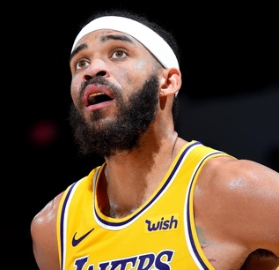 | 7 | C | 7 feet | 270 | January 19, 1988 | 11 | Nevada | 32 | 14 | 11 | 9.6 | 1.4 | 2.3 | 0.625 | 0 | 0.1 | 0.1 | 0 | 1.4 | 2.1 | 1.6 | 0.667 | 0.625 | 0.1 | 0.1 | 0.5 | 1.1 | 2 | 3.1 | 0.5 | 0.1 | 0.7 | 0.6 | 1.6 | 2.9
3 | Kentavious Caldwell-Pope | 26 | 69 | 26 | 25.5 | 3.4 | 7.3 | 0.467 | 1.3 | 3.5 | 2.2 | 38.5% | 2.1 | 3.9 | 1.8 | 54.1% | 0.558 | 1.1 | 1.5 | 77.5% | 0.6 | 1.5 | 2.1 | 1.6 | 0.8 | 0.2 | 0.9 | 1.9 | 9.3 | 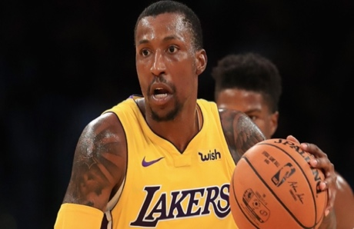 | 1 | SG | 6 feet 5 inches | 204 | February 18, 1993 | 6 | Georgia | 26 | 21 | 21 | 29 | 3.8 | 9 | 0.418 | 2.1 | 5.7 | 2.2 | 0.378 | 1.6 | 3.3 | 1.8 | 0.486 | 0.537 | 1 | 1.3 | 0.815 | 0.4 | 1.7 | 2.1 | 1.3 | 1 | 0.2 | 0.7 | 1.9 | 10.7
19 | Kostas Antetokounmpo | 22 | 5 | 0 | 4 | 0.6 | 0.6 | 1 | 0 | 0 | 0 | 0.0% | 0.6 | 0.6 | 0 | 100.0% | 1 | 0.2 | 0.4 | 0.5 | 0.4 | 0.2 | 0.6 | 0.4 | 0 | 0 | 0.2 | 0.4 | 1.4 | 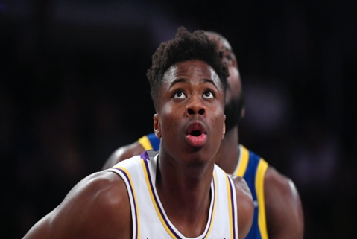 | 37 | PF | 6 feet 10 inches | 200 | November 20, 1997 | 1 | Dayton | - | - | - | - | - | - | - | - | - | - | - | - | - | - | - | - | - | - | - | - | - | - | - | - | - | - | - | --
4 | Kyle Kuzma | 24 | 61 | 9 | 25 | 4.8 | 11 | 0.436 | 1.4 | 4.5 | 3.1 | 31.6% | 3.4 | 6.5 | 3.1 | 51.8% | 0.5 | 1.9 | 2.5 | 73.5% | 0.9 | 3.6 | 4.5 | 1.3 | 0.5 | 0.4 | 1.5 | 2.1 | 12.8 | 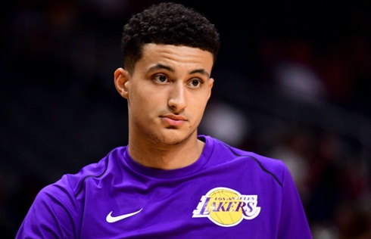 | 0 | PF | 6 feet 9 inches | 221 | July 24, 1995 | 2 | Utah | 24 | 21 | 0 | 23 | 3.7 | 8.5 | 0.43 | 1.2 | 4 | 3.1 | 0.313 | 2.4 | 4.6 | 3.1 | 0.531 | 0.503 | 1.4 | 1.8 | 0.784 | 0.9 | 2.2 | 3.1 | 0.8 | 0.3 | 0.3 | 1 | 2.4 | 10
1 | LeBron James | 35 | 67 | 67 | 34.6 | 9.6 | 19.4 | 0.493 | 2.2 | 6.3 | 4.1 | 34.8% | 7.4 | 13.1 | 5.7 | 56.4% | 0.55 | 3.9 | 5.7 | 69.3% | 1 | 6.9 | 7.8 | 10.2 | 1.2 | 0.5 | 3.9 | 1.8 | 25.3 | 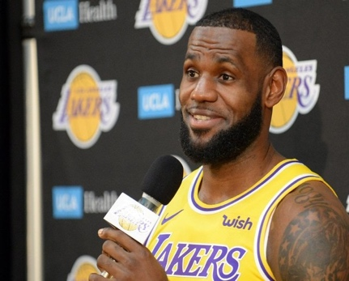 | 23 | PG | 6 feet 8 inches | 250 | December 30, 1984 | 16 | No college experience | 35 | 21 | 21 | 36.3 | 10.2 | 18.2 | 0.56 | 2.1 | 5.7 | 4.1 | 0.37 | 8.1 | 12.5 | 5.7 | 0.646 | 0.618 | 5.1 | 7.1 | 0.72 | 1.3 | 9.4 | 10.8 | 8.8 | 1.2 | 0.9 | 4 | 1.9 | 27.6
12 | Markieff Morris | 30 | 14 | 1 | 14.2 | 2 | 4.9 | 0.406 | 0.9 | 2.8 | 1.9 | 33.3% | 1.1 | 2.1 | 1 | 50.0% | 0.5 | 0.4 | 0.4 | 83.3% | 1.1 | 2.1 | 3.2 | 0.6 | 0.4 | 0.4 | 0.4 | 2.1 | 5.3 | 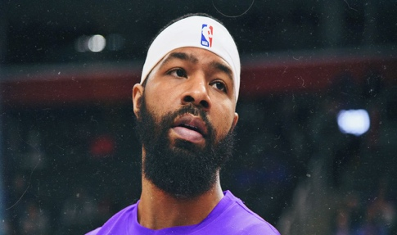 | 88 | PF | 6 feet 9 inches | 245 | September 2, 1989 | 8 | Kansas | 30 | 21 | 2 | 18.3 | 2.1 | 4.7 | 0.449 | 1.4 | 3.3 | 1.9 | 0.42 | 0.7 | 1.4 | 1 | 0.517 | 0.597 | 0.3 | 0.4 | 0.778 | 0.6 | 2.5 | 3 | 1 | 0.3 | 0.1 | 0.8 | 2.6 | 5.9
15 | Quinn Cook | 26 | 44 | 1 | 11.5 | 2.1 | 4.9 | 0.425 | 0.7 | 1.9 | 1.2 | 36.5% | 1.4 | 2.9 | 1.5 | 46.5% | 0.498 | 0.3 | 0.3 | 78.6% | 0.3 | 0.9 | 1.2 | 1.1 | 0.3 | 0 | 0.8 | 0.6 | 5.1 | 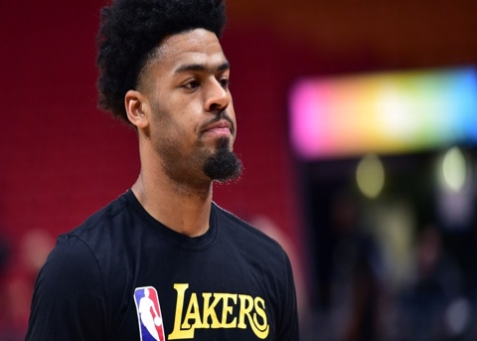 | 2, 28 | PG | 6 feet 1 inch | 180 | March 23, 1993 | 3 | Duke | 26 | 6 | 0 | 4 | 0.8 | 1.7 | 0.5 | 0.3 | 0.7 | 1.2 | 0.5 | 0.5 | 1 | 1.5 | 0.5 | 0.6 | 0.2 | 0.2 | 1 | 0 | 0.2 | 0.2 | 0.8 | 0 | 0 | 0.2 | 0.2 | 2.2
8 | Rajon Rondo | 33 | 48 | 3 | 20.5 | 2.9 | 6.8 | 0.418 | 0.9 | 2.6 | 1.7 | 32.8% | 2 | 4.2 | 2.2 | 47.3% | 0.48 | 0.6 | 0.9 | 65.9% | 0.5 | 2.5 | 3 | 5 | 0.8 | 0 | 1.9 | 1.2 | 7.1 |  | 9 | PG | 6 feet 1 inch | 180 | February 22, 1986 | 13 | Kentucky | 33 | 16 | 0 | 24.7 | 3.4 | 7.6 | 0.455 | 1.3 | 3.1 | 1.7 | 0.4 | 2.2 | 4.4 | 2.2 | 0.493 | 0.537 | 0.8 | 1.2 | 0.684 | 0.8 | 3.5 | 4.3 | 6.6 | 1.4 | 0.1 | 2.1 | 2.3 | 8.9
13 | Talen Horton-Tucker | 19 | 6 | 1 | 13.5 | 2.3 | 5 | 0.467 | 0.7 | 2.2 | 1.5 | 30.8% | 1.7 | 2.8 | 1.1 | 58.8% | 0.533 | 0.3 | 0.7 | 50.0% | 0.3 | 0.8 | 1.2 | 1 | 1.3 | 0.2 | 1 | 1.7 | 5.7 | 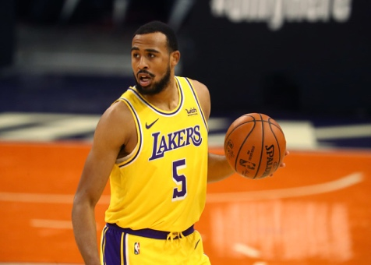 | 5 | SG | 6 feet 4 inches | 234 | November 25, 2000 | R | Iowa State | 19 | 2 | 0 | 8.5 | 3 | 6 | 0.5 | 1 | 2.5 | 1.5 | 0.4 | 2 | 3.5 | 1.1 | 0.571 | 0.583 | 0 | 0 | 0 | 0 | 2.5 | 2.5 | 0 | 1 | 0 | 0 | 2 | 7
16 | Troy Daniels | 28 | 41 | 0 | 11.1 | 1.5 | 3.9 | 0.392 | 1 | 2.7 | 1.7 | 35.7% | 0.5 | 1.1 | 0.6 | 47.8% | 0.519 | 0.2 | 0.4 | 62.5% | 0.3 | 0.8 | 1.1 | 0.3 | 0.2 | 0.1 | 0.2 | 0.7 | 4.2 | 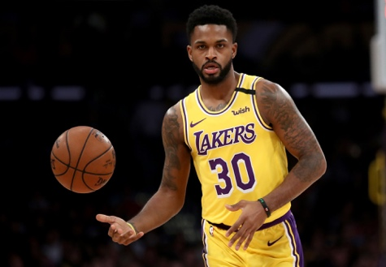 | 30 | SG | 6 feet 4 inches | 200 | July 15, 1991 | 6 | VCU | - | - | - | - | - | - | - | - | - | - | - | - | - | - | - | - | - | - | - | - | - | - | - | - | - | - | - | --
20 | Zach Norvell | 22 | 2 | 0 | 2.5 | 0 | 0.5 | 0 | 0 | 0 | 0 | 0.0% | 0 | 0.5 | 0.5 | 0.0% | 0 | 0 | 0 | 0 | 0 | 0.5 | 0.5 | 0 | 0 | 0 | 0 | 0 | 0 | 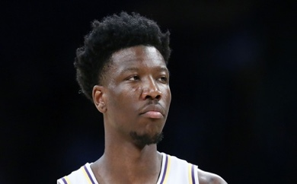 | 21 | SG | 6 feet 5 inches | 206 | December 9, 1997 | R | Gonzaga | - | - | - | - | - | - | - | - | - | - | - | - | - | - | - | - | - | - | - | - | - | - | - | - | - | - | - | --

 | AVERAGE |  | 39.8 | 17.75 | 17.68 | 3.065 | 6.56 | 0.4644 | 0.78 | 2.37 | 1.59 | 0.29935 | 2.285 | 4.185 | 1.9 | 0.52415 | 0.5232 | 1.14 | 1.545 | 69.69% | 0.795 | 2.415 | 3.195 | 1.745 | 0.615 | 0.41 | 1.04 | 1.51 | 8.035 | #DIV/0! | 18.578947368 | #DIV/0! | #DIV/0! | 18.578947368 | #DIV/0! | #DIV/0! | 0 | 29.2 | 15.133333333 | 7 | 18.233333333 | 3.1333333333 | 6.48 | 0.43773333333 | 0.92666666667 | 2.6533333333 | 1.86 | 0.30366666667 | 2.2066666667 | 3.82 | 2.12 | 0.49473333333 | 0.50506666667 | 1.2933333333 | 1.7066666667 | 0.60906666667 | 0.76 | 2.56 | 3.3133333333 | 1.9 | 0.65333333333 | 0.38666666667 | 1.0666666667 | 1.82 | 8.48

PLAYOFFS PER GAME STATS
Rk | Player | P.Age | P.G | P.GS | P.MP | P.FG | P.FGA | P.FG% | P.3PM | P.3PA | P.3PMISS | P.3P% | P.2PM | P.2PA | P.2PMISS | P.2P% | P.eFG% | P.FT | P.FTA | P.FT% | P.ORB | P.DRB | P.TRB | P.AST | P.STL | P.BLK | P.TOV | P.PF | P.PTS/G |  |  |  | Jersey No. | Player | Position | Height | Weight | College
6 | Alex Caruso | 25 | 21 | 1 | 24.3 | 2.3 | 5.4 | 0.425 | 0.8 | 2.9 | 2.1 | 0.279 | 1.5 | 2.5 | 1 | 0.596 | 0.5 | 1.1 | 1.4 | 0.8 | 0.7 | 1.6 | 2.3 | 2.8 | 1.1 | 0.6 | 1.5 | 2.6 | 6.5 |  |  |  | 4 | Alex Caruso | PG | 2023-04-06 | 186 | Texas A&M
1 | Anthony Davis | 26 | 21 | 21 | 36.6 | 9.8 | 17.1 | 0.571 | 1.1 | 2.9 | 1.8 | 0.383 | 8.7 | 14.2 | 5.5 | 0.609 | 0.603 | 7.1 | 8.5 | 0.832 | 2.6 | 7.1 | 9.7 | 3.5 | 1.2 | 1.4 | 2.5 | 2.7 | 27.7 |  |  |  | 3 | Anthony Davis | PF | 2023-10-06 | 253 | Kentucky
 | Avery Bradley | - | - | - | - | - | - | - | - | - | - | - | - | - | - | - | - | - | - | - | - | - | - | - | - | - | - | - | -- |  |  |  | 11 | Avery Bradley | SG | 2023-03-06 | 180 | Texas
4 | Danny Green | 32 | 21 | 21 | 25 | 2.8 | 8.1 | 0.347 | 1.9 | 5.5 | 3.6 | 0.339 | 1 | 2.6 | 1.6 | 0.364 | 0.462 | 0.5 | 0.7 | 0.667 | 1.2 | 2 | 3.1 | 1.2 | 1 | 0.8 | 0.6 | 2.3 | 8 |  |  |  | 14 | Danny Green | SG | 2023-06-06 | 215 | UNC
 | Devontae Cacok | - | - | - | - | - | - | - | - | - | - | - | - | - | - | - | - | - | - | - | - | - | - | - | - | - | - | - | -- |  |  |  | 12 | Devontae Cacok | C | 2023-07-06 | 240 | UNC Wilmington
12 | Dion Waiters | 28 | 5 | 0 | 7.6 | 0.8 | 2.4 | 0.333 | 0 | 0.8 | 0.8 | 0 | 0.8 | 1.6 | 0.8 | 0.5 | 0.333 | 0.4 | 0.4 | 1 | 0 | 0.4 | 0.4 | 0.4 | 0.2 | 0.2 | 0.2 | 0.4 | 2 |  |  |  | 18 | Dion Waiters | SG | 2023-03-06 | 215 | Syracuse
9 | Dwight Howard | 34 | 18 | 7 | 15.7 | 2.2 | 3.2 | 0.684 | 0.1 | 0.1 | 0 | 0.5 | 2.1 | 3.1 | 1 | 0.691 | 0.693 | 1.4 | 2.5 | 0.556 | 1.8 | 2.8 | 4.6 | 0.5 | 0.4 | 0.4 | 0.9 | 3.1 | 5.8 |  |  |  | 39 | Dwight Howard | C | 2023-10-06 | 265
13 | J.R. Smith | 34 | 10 | 0 | 7.5 | 0.7 | 2.6 | 0.269 | 0.6 | 2.2 | 1.6 | 0.273 | 0.1 | 0.4 | 0.3 | 0.25 | 0.385 | 0 | 0 | 0 | 0 | 0.3 | 0.3 | 0.3 | 0.2 | 0 | 0.7 | 1.1 | 2 |  |  |  | 21 | J.R. Smith | SG | 2023-06-06 | 225
15 | Jared Dudley | 34 | 9 | 0 | 3.4 | 0 | 0.4 | 0 | 0 | 0.3 | 0.3 | 0 | 0 | 0.1 | 0.1 | 0 | 0 | 0 | 0 | 0 | 0 | 0.2 | 0.2 | 0 | 0.4 | 0.1 | 0.2 | 0.2 | 0 |  |  |  | 10 | Jared Dudley | PF | 2023-06-06 | 237 | Boston College
10 | JaVale McGee | 32 | 14 | 11 | 9.6 | 1.4 | 2.3 | 0.625 | 0 | 0.1 | 0.1 | 0 | 1.4 | 2.1 | 0.7 | 0.667 | 0.625 | 0.1 | 0.1 | 0.5 | 1.1 | 2 | 3.1 | 0.5 | 0.1 | 0.7 | 0.6 | 1.6 | 2.9 |  |  |  | 7 | JaVale McGee | C | 7-0 | 270 | Nevada
3 | Kentavious Caldwell-Pope | 26 | 21 | 21 | 29 | 3.8 | 9 | 0.418 | 2.1 | 5.7 | 3.6 | 0.378 | 1.6 | 3.3 | 1.7 | 0.486 | 0.537 | 1 | 1.3 | 0.815 | 0.4 | 1.7 | 2.1 | 1.3 | 1 | 0.2 | 0.7 | 1.9 | 10.7 |  |  |  | 1 | Kentavious Caldwell-Pope | SG | 2023-05-06 | 204 | Georgia
 | Kostas Antetokounmpo | - | - | - | - | - | - | - | - | - | - | - | - | - | - | - | - | - | - | - | - | - | - | - | - | - | - | - | -- |  |  |  | 37 | Kostas Antetokounmpo | PF | 2023-10-06 | 200 | Dayton
7 | Kyle Kuzma | 24 | 21 | 0 | 23 | 3.7 | 8.5 | 0.43 | 1.2 | 4 | 2.8 | 0.313 | 2.4 | 4.6 | 2.2 | 0.531 | 0.503 | 1.4 | 1.8 | 0.784 | 0.9 | 2.2 | 3.1 | 0.8 | 0.3 | 0.3 | 1 | 2.4 | 10 |  |  |  | 0 | Kyle Kuzma | PF | 2023-09-06 | 221 | Utah
2 | LeBron James | 35 | 21 | 21 | 36.3 | 10.2 | 18.2 | 0.56 | 2.1 | 5.7 | 3.6 | 0.37 | 8.1 | 12.5 | 4.4 | 0.646 | 0.618 | 5.1 | 7.1 | 0.72 | 1.3 | 9.4 | 10.8 | 8.8 | 1.2 | 0.9 | 4 | 1.9 | 27.6 |  |  |  | 23 | LeBron James | PG | 2023-09-06 | 250
8 | Markieff Morris | 30 | 21 | 2 | 18.3 | 2.1 | 4.7 | 0.449 | 1.4 | 3.3 | 1.9 | 0.42 | 0.7 | 1.4 | 0.7 | 0.517 | 0.597 | 0.3 | 0.4 | 0.778 | 0.6 | 2.5 | 3 | 1 | 0.3 | 0.1 | 0.8 | 2.6 | 5.9 |  |  |  | 88 | Markieff Morris | PF | 2023-09-06 | 245 | Kansas
14 | Quinn Cook | 26 | 6 | 0 | 4 | 0.8 | 1.7 | 0.5 | 0.3 | 0.7 | 0.4 | 0.5 | 0.5 | 1 | 0.5 | 0.5 | 0.6 | 0.2 | 0.2 | 1 | 0 | 0.2 | 0.2 | 0.8 | 0 | 0 | 0.2 | 0.2 | 2.2 |  |  |  | 2, 28 | Quinn Cook | PG | 2023-01-06 | 180 | Duke
5 | Rajon Rondo | 33 | 16 | 0 | 24.7 | 3.4 | 7.6 | 0.455 | 1.3 | 3.1 | 1.8 | 0.4 | 2.2 | 4.4 | 2.2 | 0.493 | 0.537 | 0.8 | 1.2 | 0.684 | 0.8 | 3.5 | 4.3 | 6.6 | 1.4 | 0.1 | 2.1 | 2.3 | 8.9 |  |  |  | 9 | Rajon Rondo | PG | 2023-01-06 | 180 | Kentucky
11 | Talen Horton-Tucker | 19 | 2 | 0 | 8.5 | 3 | 6 | 0.5 | 1 | 2.5 | 1.5 | 0.4 | 2 | 3.5 | 1.5 | 0.571 | 0.583 | 0 | 0 | 0 | 0 | 2.5 | 2.5 | 0 | 1 | 0 | 0 | 2 | 7 |  |  |  | 5 | Talen Horton-Tucker | SG | 2023-04-06 | 234 | Iowa State
 | Troy Daniels | - | - | - | - | - | - | - | - | - | - | - | - | - | - | - | - | - | - | - | - | - | - | - | - | - | - | - | -- |  |  |  | 30 | Troy Daniels | SG | 2023-04-06 | 200 | VCU
 | Zach Norvell | - | - | - | - | - | - | - | - | - | - | - | - | - | - | - | - | - | - | - | - | - | - | - | - | - | - | - | -- |  |  |  | 21 | Zach Norvell | SG | 2023-05-06 | 206 | Gonzaga

