Scrum
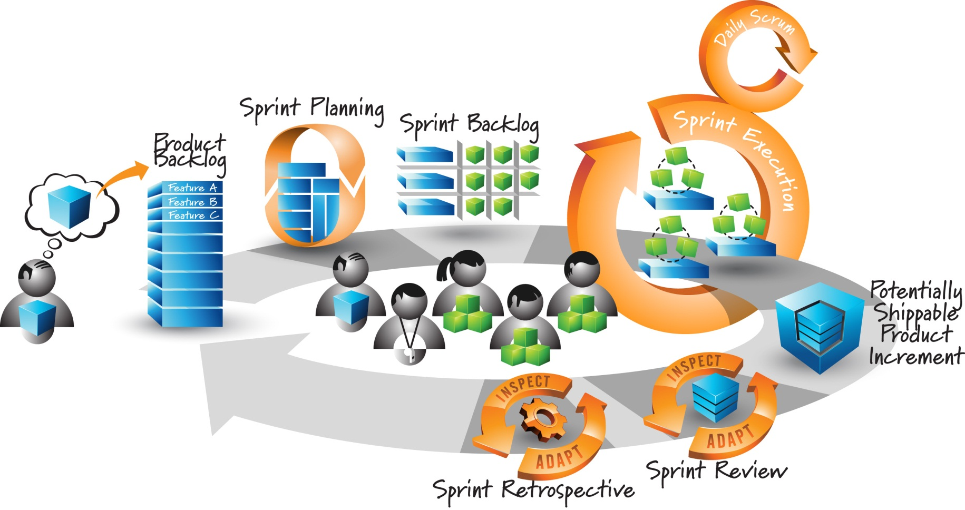

Release Plan
Development Velocity
 | Planned |  | Realized |  | Average Realized
1 | 7 | 1 | 7 | 0 | 6
2 | 5 | 2 | 5 | 1 | 6
3 | 8 | 3 | 0
4 | 0 | 4 | 0
5 | 0 | 5 | 0
6 | 0 | 6 | 0
Release Plan

Release | Start | Days | End | Points | Status | Release Date
2.0 | 2013-01-28 | 42 | 2013-03-10 | 20 | In progress
2.1 | 2013-03-11 | 0 | 2013-03-11 | 0
2.2 | 2013-03-11 | 0 | 2013-03-11 | 0

Sprint Plan

Sprint | Start | Days | End | Points | Status | Release | Actual Average
1 | 2013-01-28 | 14 | 2013-02-10 | 7 | Done | 2.0 | 0 | 6
2 | 2013-02-11 | 14 | 2013-02-24 | 5 | Done | 2.0 | 1 | 6
3 | 2013-02-25 | 14 | 2013-03-10 | 8 | In progress | 2.0
4 | 2013-03-11 | 14 | 2013-03-24 | 0
5 | 2013-03-25 | 14 | 2013-04-07 | 0
6 | 2013-04-08 | 14 | 2013-04-21 | 0

Sprint 1
Sprint | 1 |  | Goal: This is the goal for the sprint

Days |  |  | 0 | 1 | 2 | 3 | 4 | 5 | 6 | 7 | 8 | 9 | 10 | 11 | 12 | 13 | 14
Points Completed |  |  | N/A | 1 | 0 | 0 | 1 | 0 | 1 | 1 | 0 | 0 | 1 | 0 | 0 | 1 | 1
Actual Trend |  |  | 7 | 6 | 6 | 6 | 5 | 5 | 4 | 3 | 3 | 3 | 2 | 2 | 2 | 1 | 0

 | Points Completed | Actual Trend | Ideal Trend
0 | 0 | 7 | 7.00
1 | 1 | 6 | 6.50
2 | 0 | 6 | 6.00
3 | 0 | 6 | 5.50
4 | 1 | 5 | 5.00
5 | 0 | 5 | 4.50
6 | 1 | 4 | 4.00
7 | 1 | 3 | 3.50
8 | 0 | 3 | 3.00
9 | 0 | 3 | 2.50
10 | 1 | 2 | 2.00
11 | 0 | 2 | 1.50
12 | 0 | 2 | 1.00
13 | 1 | 1 | 0.50
14 | 1 | 0 | 0.00
Total points: |  | 7
Sprint days: |  | 14
Points per day: |  | 0.5

