Sheet1
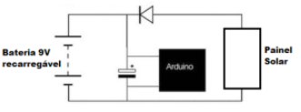
Equipment | Power | Current
AHT10 | 3.3uW | 23uA
Reed Switch | 0 | 0
LDR 5mm | 7.5mW | 1.5mA
SD Card | 16mW | 3.2mA
RTC DS1307 | 7.5mW | 1.5mA
Arduino Uno | 378mW | 42mA
Total | 409mW | 48.223mA

Working 24h Power Required -> | 9.8 Wh/dia
Minimum plain sun hours | 4.14 h/day
Panel Having 75% yield -> | 3.1561996779 | Wp and 0.48A minimum and 9V
Rechargable battery -> | 0.002454 | kWh | or | 0.27266666667 | Ah
Capacitor of 100uF and 16V

 | Circuit

