A̳ssets
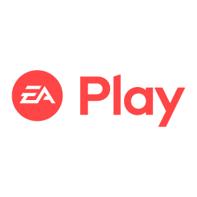
Paleta de Cores

# 9BC848 | Xbox Color | # E8E6E9 | negative zone
# 22C55E | Xbox Color
# 2AE6B1 | Menus
# 5BF6A8 | Menus

Logos |  |  |  | ícones

D̳ashboard
XBOX GAME PASS — SUBSCRIPTIONS SALES DASHBOARD
Análise de Vendas de Assinaturas | Ano 2024

TOTAL SUBSCRIBERS | FATURAMENTO TOTAL |  | TICKET MÉDIO
295 | $7,633 |  | $25.87

CUPONS APLICADOS | % AUTO RENEWAL |  | FATURAMENTO ANUAL (Annual)
$2,122 | 50.2% |  | $1,754

📊 SUBSCRIBERS POR PLANO |  | 💰 FATURAMENTO POR PLANO
 | Subscribers
Core | 101
Standard | 96
Ultimate | 98
Core | $444
Standard | $1,801
Ultimate | $5,388

📈 FATURAMENTO POR TIPO DE ASSINATURA |  | 📅 EVOLUÇÃO MENSAL DO FATURAMENTO
 | Faturamento
Monthly | $3,571
Quarterly | $2,308
Annual | $1,754
 | Faturamento
Jan | $65
Fev | $82
Mar | $801
Abr | $782
Mai | $777
Jun | $770
Jul | $784
Ago | $787
Set | $780
Out | $832
Nov | $784
Dez | $389

📌 RESPOSTAS DAS PERGUNTAS DE NEGÓCIO

P1: Faturamento Total de Planos Anuais |  | P2: Annual + Auto Renewal = Yes
$1,754 |  | $1,537

P3: Total Vendas EA Play |  | P4: Total Vendas Minecraft Season Pass
$2,940 |  | $3,880

