roster
Last Name | First Name | Badge # | Gender | Division | Ethnicity | Height | Weight | RankTitle | Year of Hire | Photo
Achutegui | Maira | 3678 | Female | Patrol | Hispanic | 505 | 135 | Police Officer | 2019 | 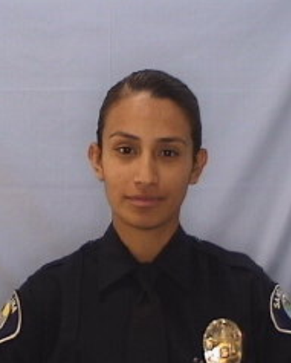
Achziger | Clinton | 2978 | Male | Patrol | Caucasian | 509 | 190 | Police Sergeant | 2005 | 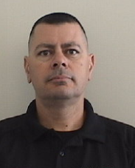
Acosta | Victor | 3710 | Male | Patrol | Hispanic | 511 | 190 | Police Officer | 2019 | 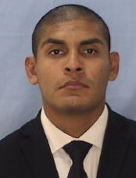
Aguilar | Kenney | 3024 | Male | Criminal Investigations | Hispanic | 510 | 200 | Police Officer (Detective) | 2005 | 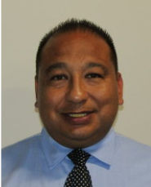
Ahearn | Connor | 3451 | Male | Patrol | Caucasian | 506 | 140 | Police Officer (Corporal) | 2015 | 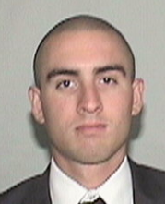
Alcala | Daniel | 3226 | Male | Chief's Office | Hispanic | 510 | 170 | Police Sergeant | 2010 | 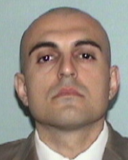
Alcantar | Abel | 2580 | Male | Human Resources | Hispanic | 506 | 180 | Police Sergeant | 1998 | 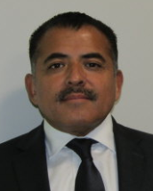
Alquisiras | Ivan | 4011 | Male | Patrol | Hispanic | 505 | 110 | Police Officer | 2024 | 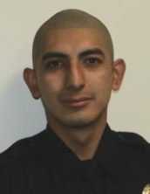
Alvaradejo | Jonathan | 3535 | Male | North Area Command | Hispanic | 508 | 164 | Police Officer | 2017 | 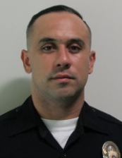
Alvarez | Mariel | 3458 | Female | North Area Command | Hispanic | 506 | 160 | Police Officer | 2016 | 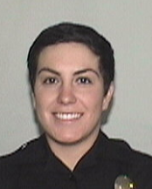
Andrade | Roland | 2941 | Male | Field Operations | Hispanic | 506 | 155 | Police Captain (Deputy Chief) | 2004 | 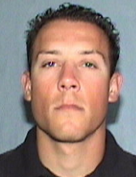
Angel | David | 2962 | Male | Patrol | Hispanic | 603 | 230 | Police Sergeant | 2004 | 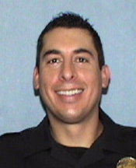
Anthis | Sean | 3708 | Male | Patrol | Caucasian | 600 | 170 | Police Officer | 2019 | 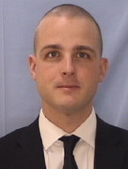
Aparicio | Armando | 3322 | Male | Patrol | Hispanic | 600 | 190 | Police Sergeant | 2013 | 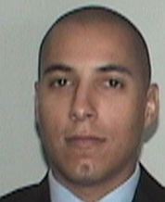
Argersinger | Samuel | R398 | Male | Academy | Caucasian | 508 | 185 | Police Recruit | 2025 | 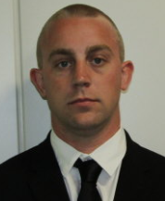
Arias | Jose | 3531 | Male | Criminal Investigations | Hispanic | 511 | 215 | Police Officer (Detective) | 2017 | 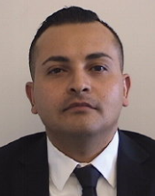
Arroyo | Jorge | 3083 | Male | Patrol | Hispanic | 509 | 200 | Police Officer (Corporal) | 2--7 | 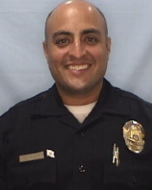
Ayala | Gary | 3294 | Male | Patrol | Hispanic | 510 | 180 | Police Sergeant | 2012 | 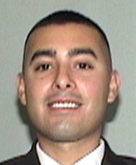
Baek | Dan | 3132 | Male | Human Resources | Asian | 508 | 170 | Police Sergeant | 2007 | 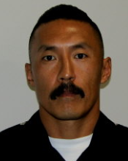
Belizario | Joey | R415 | Male | Academy | Pacific Islander | 506 | 160 | Police Recruit | 2025
Benavides | Marco | 3766 | Male | Patrol | Hispanic | 601 | 210 | Police Officer | 2021 | 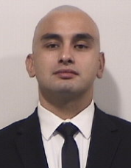
Biebrich | Joseph | 3570 | Male | Patrol | Caucasian | 510 | 200 | Police Officer (Corporal) | 2017 | 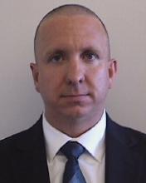
Black | Jeremy | 3758 | Male | North Area Command | Caucasian | 602 | 205 | Police Officer | 2020 | 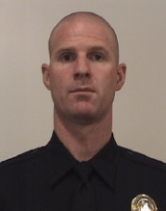
Blake | Kanan | 2943 | Male | Patrol | Asian | 510 | 190 | Police Sergeant | 2004 | 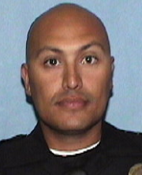
Bland | Darren | 3753 | Male | Patrol | Caucasian | 511 | 170 | Police Officer | 2020 | 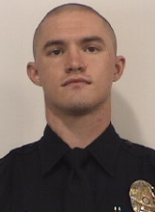
Bodnar | George | 3337 | Male | Crimes Against Persons | Caucasian | 511 | 160 | Police Officer (Detective) | 2008 | 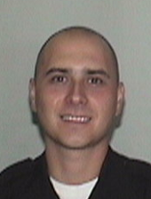
Bonilla | Rene | 2307 | Male | Patrol | Hispanic | 505 | 175 | Police Sergeant | 1994 | 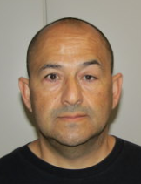
Booth | Amber | 3800 | Female | Patrol | Hispanic | 508 | 140 | Police Officer | 2022 | 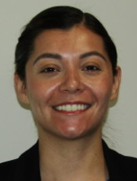
Booth | Travis | 3729 | Male | North Area Command | Caucasian | 603 | 235 | Police Officer | 2019 | 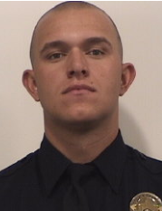
Booth | Tyler | 3707 | Male | Patrol | Caucasian | 602 | 225 | Police Officer (Corporal) | 2020 | 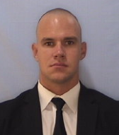
Briley | Keith | 3692 | Male | Traffic | Caucasian | 600 | 205 | Police Officer | 2020 | 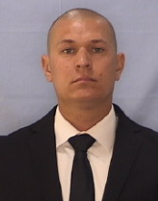
Brodeur | Matthew | 3700 | Male | Patrol | Caucasian | 602 | 185 | Police Officer | 2019 | 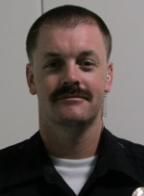
Bruns | Jason | 2973 | Male | Crimes Against Persons | Caucasian | 601 | 185 | Police Officer (Detective Corporal) | 2005 | 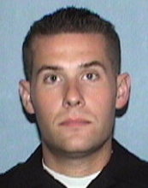
Burkey | Eric | 3792 | Male | Patrol | Caucasian | 600 | 220 | Police Officer | 2021 | 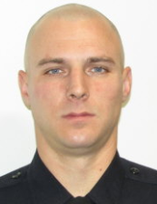
Bustos | Jaylani | R406 | Female | Academy | Hispanic | 502 | 135 | Police Recruit | 2025 | 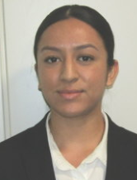
Caceres | Scott | 3576 | Male | Human Resources | Caucasian | 602 | 220 | Police Officer | 2017 | 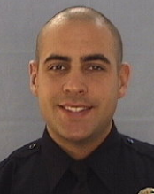
Cacho | Daniel | 3897 | Male | Patrol | Hispanic | 508 | 180 | Police Officer | 2022 | 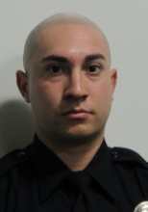
Calles | Axel | 3388 | Male | Patrol | Hispanic | 601 | 200 | Police Officer (Corporal) | 2014 | 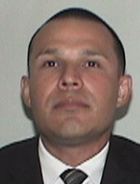
Camacho | Bernardo | 3639 | Male | Crimes Against Persons | Hispanic | 509 | 200 | Police Officer (Detective) | 2019 | 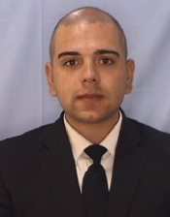
Cardenal | Anthony | 3229 | Male | Patrol | Hispanic | 604 | 185 | Police Officer | 2009 | 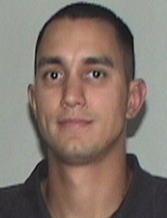
Cardona | Gabriel | 3860 | Male | Patrol | Hispanic | 511 | 225 | Police Officer | 2022 | 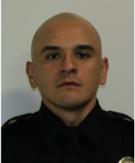
Caro | Sergio | 3134 | Male | Patrol | Hispanic | 509 | 190 | Police Officer (Corporal Lead) | 2007 | 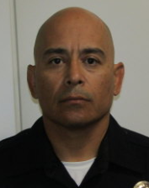
Carrillo | Antonio | 3424 | Male | Patrol | Hispanic | 507 | 175 | Police Officer | 2015 | 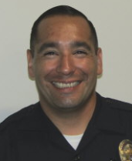
Carrillo | Daniel | 3155 | Male | South Area Command | Hispanic | 510 | 165 | Police Officer (Corporal Lead) | 2007 | 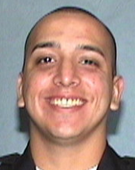
Casillas | Luis | 3755 | Male | Crimes Against Persons | Hispanic | 506 | 170 | Police Officer | 2020 | 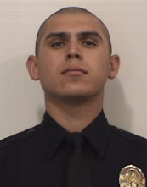
Casillas | Maribel | 3585 | Female | Patrol | Hispanic | 505 | 135 | Sergeant (Acting) | 2018 | 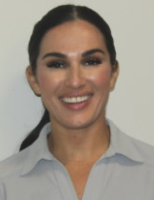
Castillo | Christopher | 3947 | Male | Patrol | Hispanic | 509 | 165 | Police Officer | 2022 | 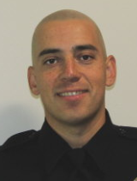
Castro | Alfredo | 2991 | Male | Criminal Investigations | Hispanic | 510 | 170 | Police Officer (Detective) | 2005 | 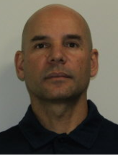
Castro | Joshua | 3892 | Male | Patrol | Hispanic | 510 | 200 | Police Officer | 2023 | 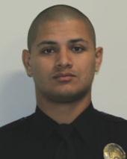
Castro Jr. | Jorge | 3942 | Male | Patrol | Hispanic | 505 | 190 | Police Officer | 2023 | 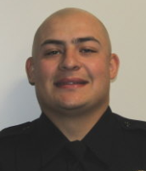
Catlin | Kelvin | 3439 | Male | Traffic | Caucasian | 600 | 195 | Police Officer | 2015 | 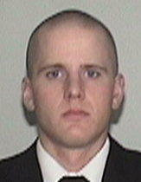
Cavanaugh | Joseph | 3965 | Male | Patrol | Caucasian | 600 | 200 | Police Officer | 2024 | 
Cavendish | Nickolas | 3664 | Male | Patrol | Caucasian | 511 | 194 | Police Officer | 2019 | 
Chitjian | Matthew | 3165 | Male | Patrol | Caucasian | 600 | 210 | Police Sergeant | 2008 | 
Choi | John | 3631 | Male | Human Resources | Asian | 505 | 180 | Police Officer | 2018 | 
Cisneros | Isaac | 3730 | Male | North Area Command | Hispanic | 511 | 215 | Police Officer | 2019 | 
Clear | Matthew | 3192 | Male | Chief's Office | Caucasian | 511 | 190 | Police Sergeant | 2008 | 
Coleman | Joshua | 3489 | Male | North Area Command | Caucasian | 511 | 183 | Police Officer | 2016 | 
Coleman | Michael | 3767 | Male | Patrol | Caucasian | 510 | 200 | Police Officer | 2020 | 
Collins | Justin | 3411 | Male | South Area Command | Caucasian | 510 | 199 | Police Officer (Corporal Lead) | 2015 | 
Contreras | Adrian | 3677 | Male | Patrol | Hispanic | 505 | 174 | Police Officer | 2019 | 
Corona | Gerardo | 3319 | Male | Crimes Against Persons | Hispanic | 603 | 220 | Police Officer (Detective) | 2013 | 
Corpus | Frank | 3721 | Male | Patrol | Pacific Islander | 603 | 225 | Police Officer | 2020 | 
Correa | Carlos | 3614 | Male | Patrol | Hispanic | 511 | 200 | Police Officer | 2019 | 
Correal | Jimmy | 3177 | Male | Patrol | Hispanic | 509 | 165 | Police Sergeant | 2007 | 
Cortes | Kevin | R409 | Male | Academy | Hispanic | 509 | 145 | Police Recruit | 2025
Cortina | Jorge | 3980 | Male | Patrol | Hispanic | 509 | 185 | Police Officer | 2024 | 
Couso | Garry | 2867 | Male | Patrol | Hispanic | 509 | 195 | Police Lieutenant (Commander) | 2002 | 
Cruz | John | R401 | Male | Academy | Hispanic | 510 | 185 | Police Recruit | 2025 | 
Cuevas | Manlio | 3479 | Male | Crimes Against Persons | Hispanic | 511 | 195 | Police Officer (Detective) | 2016 | 
Dang | Brandon | 3982 | Male | Patrol | Asian | 509 | 180 | Police Officer | 2024 | 
Dawis | Makai | 4037 | Male | Training | Asian | 509 | 170 | Police Officer | 2025 | 
Delgadillo | Manuel | 2322 | Male | North Area Command | Hispanic | 511 | 310 | Police Officer | 1995 | 
Diaz | Ricardo | 2567 | Male | Traffic | Hispanic | 510 | 200 | Police Sergeant (Detective Sergeant) | 1998 | 
Diaz | Santiago | 3147 | Male | Operations Support Division | Hispanic | 508 | 160 | Police Officer | 2000 | 
Dominguez | Dominic | 3655 | Male | Crimes Against Persons | Hispanic | 600 | 185 | Police Officer (Detective) | 2019 | 
Donaldson | Kyle | 3569 | Male | South Area Command | Caucasian | 603 | 300 | Police Officer | 2017 | 
Driscoll | James | 3791 | Male | Patrol | Caucasian | 506 | 175 | Police Officer | 2021 | 
Duarte | Blake | 3492 | Male | Human Resources | Hispanic | 600 | 150 | Police Officer | 2017 | 
Egg | Jackson | 3929 | Male | Patrol | Caucasian | 606 | 225 | Police Officer | 2023 | 
Elms | Charles | 2616 | Male | Administration | Caucasian | 510 | 200 | Police Captain (Deputy Chief) | 1998 | 
Engle | Thomas | 3629 | Male | Traffic | Caucasian | 600 | 215 | Police Officer (Corporal) | 2019 | 
Enriquez | David | 3082 | Male | Operations Support Division | Hispanic | 509 | 188 | Police Officer (Corporal Lead) | 2006 | 
Esparza | Mario | 3609 | Male | Patrol | Hispanic | 511 | 225 | Police Officer | 2018 | 
Esparza | Samuel | 3757 | Male | Patrol | Hispanic | 606 | 205 | Police Officer | 2020 | 
Espinoza II | Roberto | 3770 | Male | Patrol | Hispanic | 511 | 230 | Police Officer | 2020 | 
Esquerra | Zachary | 3454 | Male | Operations Support Division | Hispanic | 604 | 215 | Police Officer | 2016 | 
Esquivel | Saul | 3295 | Male | Traffic | Hispanic | 511 | 185 | Police Officer (Corporal) | 2012 | 
Fahrney | Scott | 3197 | Male | North Area Command | Caucasian | 511 | 220 | Police Officer | 2008 | 
Fasciano | Riley | 4021 | Male | Patrol | Caucasian | 601 | 185 | Police Officer | 2024 | 
Flemister | Charles | 3752 | Male | North Area Command | Hispanic | 603 | 260 | Police Officer | 2020 | 
Fraijo | Frankie | 4009 | Male | Patrol | Hispanic | 507 | 110 | Police Officer | 2024 | 
Franco | Alan | 3968 | Male | Patrol | Hispanic | 510 | 160 | Police Officer | 2024 | 
Galeana | Luis | 2933 | Male | Patrol | Hispanic | 590 | 170 | Police Sergeant | 2004 | 
Gallardo | Julio | 3523 | Male | Patrol | Hispanic | 510 | 172 | Police Officer (Corporal) | 2008 | 
Galstian | Renald | 3789 | Male | Patrol | Caucasian | 603 | 230 | Police Officer | 2022 | 
Garcia | Andy | 3233 | MALE | Patrol | Hispanic | 510 | 180 | Police Sergeant | 2009 | 
Garcia | Anthony | 3734 | Male | Patrol | Hispanic | 511 | 170 | Police Officer | 2019 | 
Garcia | David | 3231 | MALE | Crimes Against Persons | Hispanic | 508 | 178 | Police Sergeant (Detective Sergeant) | 2009 | 
Garcia | Favian | 4023 | Male | Patrol | Hispanic | 510 | 155 | Police Officer | 2022 | 
Garcia | Jason | 3030 | Male | Patrol | Hispanic | 600 | 230 | Police Lieutenant (Commander) | 2009 | 
Garcia | Jeremy | 3589 | Male | Patrol | Hispanic | 508 | 185 | Police Officer | 2018 | 
Garcia | Jorge | 3956 | MALE | Patrol | Hispanic | 511 | 199 | Police Officer (Corporal) | 2006 | 
Garcia | Joshua | 3784 | Male | Patrol | Hispanic | 505 | 155 | Police Officer | 2021 | 
Garcia | Mario | R400 | Male | Academy | Hispanic | 510 | 170 | Police Recruit | 2025 | 
Garcia | Natalie | 3627 | Female | Chief's Office | Hispanic | 503 | 150 | Police Officer | 2019 | 
Garcia Beltran | Yazmin | 3577 | Female | North Area Command | Hispanic | 506 | 124 | Police Officer | 2017 | 
Gibbons | Mike | 2990 | Male | Crimes Against Persons | Caucasian | 509 | 175 | Police Officer (Detective) | 2005 | 
Gil | Andres | 3516 | Male | Patrol | Hispanic | 510 | 220 | Police Officer | 2016 | 
Gilbertson | Danny | R407 | Male | Academy | Caucasian | 509 | 160 | Police Recruit | 2025 | 
Goens | Broderick | 3720 | Male | Patrol | Caucasian | 600 | 195 | Police Officer (Corporal) | 2020 | 
Gomez | Alex | 3568 | Male | Criminal Investigations | Hispanic | 510 | 165 | Police Officer (Detective) | 2018 | 
Gomez | Francisco | 2706 | Male | Crimes Against Persons | Hispanic | 511 | 170 | Police Officer (Detective) | 1997 | 
Gonzales | Steven | 3829 | Male | Patrol | Hispanic | 510 | 190 | Police Officer | 2018 | 
Gonzalez | Jenny | 3970 | Female | Patrol | Hispanic | 503 | 120 | Police Officer | 2023 | 
Gonzalez | Jeremy | 3769 | Male | North Area Command | Hispanic | 508 | 170 | Police Officer | 2020 | 
Gonzalez | Julian | 3592 | Male | South Area Command | Hispanic | 508 | 180 | Police Officer | 2018 | 
Gonzalez | Leonardo | 3450 | Male | Crimes Against Persons | Hispanic | 600 | 220 | Police Officer (Detective) | 2015 | 
Gonzalez | Oscar | R405 | Male | Academy | Hispanic | 511 | 150 | Police Recruit | 2022 | 
Graham | Antonio | 2965 | Male | North Area Command | Black | 600 | 200 | Police Officer (Corporal Lead) | 2005 | 
Granados | Elizabeth | 3166 | Female | Patrol | Hispanic | 503 | 115 | Police Sergeant | 2006 | 
Grant | Jeffrey | 3550 | Male | Traffic | Caucasian | 510 | 180 | Police Officer | 2017 | 
Griffith | Michael | 3422 | Male | Patrol | Black | 701 | 185 | Police Officer (Corporal) | 2015 | 
Gripentrog | Joshua | 3014 | Male | Operations Support Division | Caucasian | 510 | 180 | Police Sergeant | 2005 | 
Guerrero | Rene | 3444 | Male | North Area Command | Hispanic | 510 | 205 | Police Officer (Corporal Lead) | 2016 | 
Guerrero | Steven | 3621 | Male | Crimes Against Persons | Hispanic | 504 | 155 | Police Officer (Detective) | 2019 | 
Guidry | Bob | 3199 | Male | Patrol | Caucasian | 511 | 185 | Police Officer (Corporal) | 2008 | 
Guidry | Donovan | 3908 | Male | Patrol | Caucasian | 509 | 150 | Police Officer | 2023 | 
Guidry | Jessica | 2877 | Female | Criminal Investigations | Hispanic | 507 | 155 | Police Officer (Detective) | 2002 | 
Guijarro | Nicholas | 3482 | Male | Chief's Office | Hispanic | 509 | 210 | Police Officer (Corporal) | 2016 | 
Guillen | Esteban | 3549 | Male | Patrol | Hispanic | 508 | 155 | Police Officer | 2016 | 
Gutierrez | Cristal | 3779 | Female | Criminal Investigations | Hispanic | 504 | 132 | Police Officer (Detective) | 2021 | 
Gutierrez | Edward | 2560 | Male | North Area Command | Hispanic | 600 | 215 | Police Officer | 1998 | 
Gutierrez | Frank | 3175 | Male | North Area Command | Hispanic | 508 | 183 | Police Lieutenant (Commander) | 2007 | 
Gutierrez | Gabriel | 3252 | Male | Patrol | Hispanic | 600 | 240 | Police Officer (Corporal) | 2011 | 
Guzman | Jesus | 3931 | Male | Patrol | Hispanic | 511 | 230 | Police Officer | 2023 | 
Guzman-Orozco | Kevin | 3838 | Male | Patrol | Hispanic | 511 | 200 | Police Officer | 2022 | 
Hamlin | Joseph | 3025 | Male | Chief's Office | Hispanic | 510 | 185 | Police Sergeant | 2005 | 
Hatziefstratiou | Joanna | 3735 | Female | Patrol | Caucasian | 508 | 130 | Police Officer | 2019 | 
Hawkins | Cassandra | 3179 | Female | Patrol | Caucasian | 506 | 160 | Police Sergeant | 2007 | 
Henderson | Kameron | 3518 | Male | Human Resources | Black | 602 | 270 | Police Officer | 2016 | 
Hernandez | Gilbert | 2901 | Male | Crimes Against Persons | Hispanic | 510 | 200 | Police Lieutenant (Commander) | 2003 | 
Hernandez | Jesse | 3716 | Male | Traffic | Hispanic | 508 | 175 | Police Officer | 2020 | 
Herrera | Cesar | 4040 | Male | Training | Hispanic | 511 | 190 | Police Officer | 2025 | 
Herring | Corey | 4042 | Male | Training | Black | 600 | 225 | Police Officer | 2025 | 
Holt | Timothy | 3788 | Male | Patrol | Caucasian | 602 | 210 | Police Officer | 2021 | 
Ibarra | Isaac | 3178 | Male | North Area Command | Hispanic | 510 | 185 | Police Officer | 2007 | 
Ixta | Alan | 3983 | Male | Patrol | Hispanic | 509 | 180 | Police Officer | 2024 | 
Jezulin | Zachary | 3477 | Male | Training | Hispanic | 602 | 225 | Police Officer (Corporal) | 2016 | 
Jimenez | Kevin | 3837 | Male | Patrol | Hispanic | 600 | 190 | Police Officer | 2021 | 
Jimenez | Manuel | R399 | Male | Academy | Hispanic | 510 | 190 | Police Recruit | 2025 | 
Jimenez | Moises | 3234 | Male | Training | Hispanic | 507 | 180 | Police Officer (Corporal Lead) | 2009 | 
Johnson | Ryan | 3445 | Male | Operations Support Division | Caucasian | 510 | 185 | Police Officer (Corporal) | 2016 | 
Johnson | Travis | 3369 | Male | Traffic | Hispanic | 511 | 215 | Police Sergeant | 2015 | 
Juarez | David | 3194 | Male | Training | Hispanic | 510 | 175 | Police Officer (Corporal) | 2008 | 
Jurado | Daniel | 3930 | Male | Patrol | Hispanic | 509 | 210 | Police Officer | 2023 | 
Kachirisky | John | 3150 | Male | POA | Caucasian | 510 | 200 | Police Sergeant | 2008 | 
Kelly | Blake | 3378 | Male | Patrol | Caucasian | 511 | 205 | Police Officer (Corporal) | 2015 | 
Kelly | Brent | 4022 | Male | Patrol | Caucasian | 509 | 175 | Police Officer | 2024 | 
Kien | Jonathan | 3440 | Male | Crimes Against Persons | Asian | 602 | 220 | Police Officer (Detective) | 2015 | 
Kim | Camillo | 3198 | Male | Patrol | Asian | 510 | 170 | Police Sergeant | 2008 | 
Kim | Harris | 3891 | Male | Patrol | Asian | 510 | 216 | Police Officer | 2020 | 
Knigge | Brady | R395 | Male | Academy | Caucasian | 510 | 165 | Police Recruit | 2025 | 
Le | Dangkhoi | 4038 | Male | Training | Asian | 507 | 155 | Police Officer | 2025 | 
Leal | Eros | 3793 | Male | Patrol | Hispanic | 509 | 200 | Police Officer | 2019 | 
Lee | Jaekwang | 3879 | Male | Patrol | Asian | 600 | 195 | Police Officer | 2022 | 
Lee | Timothy | 4036 | Male | Training | Asian | 504 | 138 | Police Officer | 2025 | 
Lemmon | Matthew | 3174 | Male | Patrol | Caucasian | 600 | 168 | Police Lieutenant (Commander) | 2007 | 
Lim | Sonny | 2984 | Male | Criminal Investigations | Asian | 505 | 160 | Police Officer (Detective) | 2005 | 
Lizardi | Johanna | 3120 | Female | Criminal Investigations | Hispanic | 505 | 125 | Police Sergeant (Detective Sergeant) | 2006 | 
Lizardi | Oscar | 2629 | Male | Training | Hispanic | 508 | 170 | Police Lieutenant (Commander) | 1999 | 
Lomeli | Juan | 3955 | Male | Patrol | Hispanic | 509 | 210 | Police Officer | 2024 | 
Lopez | Alexander | 4010 | Male | Patrol | Hispanic | 510 | 170 | Police Officer | 2024 | 
Lopez | Eva | 2456 | Female | Criminal Investigations | Hispanic | 504 | 123 | Police Officer (Detective) | 1997 | 
Lopez | Jaime | 3449 | Male | Traffic | Hispanic | 600 | 200 | Police Officer | 2015 | 
Lopez | Jorge | 3029 | Male | Chief's Office | Hispanic | 511 | 185 | Police Lieutenant (Commander) | 2006 | 
Lopez | Maria | 3200 | Female | South Area Command | Hispanic | 501 | 110 | Police Lieutenant (Commander) | 2008 | 
Lopez | Mario | 3266 | Male | Patrol | Hispanic | 510 | 165 | Police Sergeant | 2011 | 
Lopez | Nicholas | 3296 | Male | Homeland Security | Hispanic | 511 | 165 | Police Sergeant | 2012 | 
Lopez | Salvador | 3230 | Male | Training | Hispanic | 506 | 170 | Police Sergeant | 2009 | 
Lozada | Edgar | 3776 | Male | North Area Command | Hispanic | 510 | 170 | Police Officer | 2021 | 
Luevano | Carlos | 3324 | Male | Crimes Against Persons | Hispanic | 509 | 160 | Police Officer (Detective Corporal) | 2013 | 
Luna | Maria | 3957 | Female | Patrol | Hispanic | 505 | 130 | Police Officer | 2023 | 
Lynch | Ryan | 4024 | Male | Patrol | Caucasian | 509 | 155 | Police Officer | 2024 | 
Maietta | Ethan | 3370 | Male | Operations Support Division | Caucasian | 600 | 178 | Police Officer | 2014 | 
Marin | Cesare | 3781 | Male | Patrol | Hispanic | 507 | 185 | Police Officer | 2021 | 
Martinez | Adrian | 3701 | Male | South Area Command | Hispanic |  |  | Police Officer | 2019 | 
Martinez | Elias | 3349 | Male | Patrol | Hispanic | 600 | 250 | Police Officer (Corporal Lead) | 2014 | 
Martinez | Jake | 3702 | Male | Traffic | Caucasian | 508 | 150 | Police Officer | 2019 | 
Martinez | Sergio | 3267 | Male | Operations Support Division | Hispanic | 600 | 185 | Police Officer (Corporal) | 2011 | 
Marty | Joseph | 2942 | Male | Traffic | Caucasian | 505 | 160 | Police Lieutenant (Commander) | 2004 | 
McClaskey | Paul | 3110 | Male | Crimes Against Persons | Caucasian | 600 | 190 | Police Sergeant (Detective Sergeant) | 2007 | 
McFall | Jason | 3613 | Male | Operations Support Division | Caucasian | 602 | 220 | Police Officer | 2019 | 
McKee | Jonathan | 3467 | Male | Training | Caucasian | 511 | 185 | Police Officer | 2016 | 
Mendez | Vincent | 3859 | Male | Patrol | Hispanic | 600 | 210 | Police Officer | 2022 | 
Mendoza | Adam | 4008 | Male | Patrol | Hispanic | 508 | 140 | Police Officer | 2024 | 
Mendoza | Jose | 2934 | Male | Criminal Investigations | Hispanic | 506 | 155 | Police Sergeant (Detective Sergeant) | 2004 | 
Mercado | Bryan | 3927 | Male | Patrol | Asian | 506 | 160 | Police Officer | 2023 | 
Mercer | Brian | 3077 | Male | Patrol | Caucasian | 509 | 185 | Police Sergeant | 2006 | 
Mikles | Dana | 3491 | Male | Patrol | Hispanic | 510 | 210 | Police Officer | 2017 | 
Miller | Amanda | 3423 | Female | Criminal Investigations | Caucasian | 504 | 130 | Police Officer (Detective) | 2015 | 
Miller | Robert | 3410 | Male | Patrol | Hispanic | 510 | 195 | Police Officer (Corporal) | 2015 | 
Miranda | Christian | 3528 | Male | Criminal Investigations | Hispanic | 508 | 170 | Police Officer (Detective Corporal) | 2017 | 
Monaco | Gabriella | 3996 | Female | Patrol | Caucasian | 505 | 185 | Police Officer | 2024 | 
Mondragon | Emilio | 3659 | Male | Patrol | Hispanic | 507 | 180 | Police Officer | 2019 | 
Mondragon | Jonathan | 3893 | Male | Patrol | Hispanic | 508 | 152 | Police Officer | 2022 | 
Monroe | Jared | 3530 | Male | Patrol | Black | 601 | 200 | Police Officer (Corporal) | 2017 | 
Mora | Zachary | 3675 | Male | Patrol | Hispanic | 511 | 250 | Police Officer | 2019 | 
Moreno | Damian | 3196 | Male | Traffic | Hispanic | 600 | 212 | Police Officer | 2008 | 
Moreno | Manuel | 2837 | Male | Special Investigations | Hispanic | 509 | 195 | Police Lieutenant (Commander) | 2002 | 
Moyao | Victor | 3727 | Male | Patrol | Hispanic | 508 | 180 | Police Officer | 2018 | 
Mun | Michael | R411 | Male | Academy | Asian | 600 | 182 | Police Recruit | 2025
Murillo | Lysette | 3603 | Female | Patrol | Hispanic | 504 | 135 | Police Officer | 2018 | 
Murray | Madison | R412 | Female | Academy | Caucasian | 505 | 135 | Police Recruit | 2025
Nevarez | Robert | 3673 | Male | Patrol | Hispanic | 507 | 165 | Police Officer | 2019 | 
Nguyen | Francois | 3151 | Male | Patrol | Asian | 510 | 195 | Police Officer (Corporal Lead) | 2008 | 
Nolan | Michael | 3583 | Male | Patrol | Caucasian | 507 | 170 | Police Officer (Corporal) | 2018 | 
Nunez | Eddie | 2564 | Male | Crimes Against Persons | Hispanic | 507 | 183 | Police Officer (Detective) | 1998 | 
Nunez | Matthew | 3457 | Male | South Area Command | Hispanic | 601 | 174 | Police Officer | 2016 | 
O'Connell | Matthew | R408 | Male | Academy | Caucasian | 601 | 250 | Police Recruit | 2025
Ojeda Romero | Ricardo | R404 | Male | Academy | Hispanic | 510 | 136 | Police Recruit | 2025 | 
O'Neil | Jonathan | 3575 | Male | Patrol | Caucasian | 511 | 165 | Police Officer | 2017 | 
O'Rourke | Eric | 3537 | Male | Criminal Investigations | Caucasian | 602 | 215 | Police Officer (Detective) | 2017 | 
Pace | John | 3359 | Male | Patrol | Caucasian | 602 | 200 | Police Sergeant | 2015 | 
Pacheco | Anthony | 3384 | Male | North Area Command | Hispanic | 510 | 220 | Police Officer (Corporal Lead) | 2015 | 
Padilla | Dominick | 2769 | Male | Criminal Investigations | Hispanic | 510 | 195 | Police Sergeant (Detective Sergeant) | 2001 | 
Padron | Dan | 2936 | Male | Patrol | Hispanic | 510 | 157 | Police Sergeant | 1999 | 
Pardo | Manuel | 3425 | Male | Traffic | Hispanic | 507 | 175 | Police Officer (Detective Corporal) | 2015 | 
Park | Daniel | 2790 | Male | Patrol | Caucasian | 602 | 220 | Police Sergeant | 2001 | 
Park | Joshua | 3476 | Male | South Area Command | Asian | 510 | 200 | Police Officer | 2016 | 
Park | Sarah | 2874 | Female | Criminal Investigations | Caucasian | 502 | 130 | Police Officer (Detective) | 2002 | 
Partida | Alejandro | 3149 | Male | Criminal Investigations | Hispanic | 507 | 160 | Police Officer (Detective) | 2008 | 
Pedraza | Joshua | R396 | Male | Academy | Hispanic | 510 | 185 | Police Officer | 2025 | 
Peralta | Johnny | 3602 | Male | Patrol | Hispanic | 509 | 170 | Police Officer | 2018 | 
Pereira | Jordan | 3749 | Male | Patrol | Hispanic | 508 | 210 | Police Officer | 2021 | 
Perez | Carlos | 3984 | Male | Patrol | Hispanic | 508 | 175 | Police Officer | 2024 | 
Perez | Jonathon | 3409 | Male | North Area Command | Hispanic | 505 | 170 | Police Officer (Corporal Lead) | 2015 | 
Perez | Omar | 4041 | Male | Training | Hispanic | 600 | 295 | Police Officer | 2019 | 
Petry | Daniel | R417 | Male | Academy | Caucasian | 511 | 225 | Police Recruit | 2025
Phan | Anh Tu | 3414 | Male | Patrol | Asian | 508 | 160 | Police Officer | 2015 | 
Phillips | Jared | 3812 | Male | Patrol | Caucasian | 510 | 200 | Police Officer | 2021 | 
Picard | Jared | 3697 | Male | Patrol | Caucasian | 704 | 220 | Police Officer | 2019 | 
Poling | Brian | 3504 | Male | Patrol | Caucasian | 510 | 190 | Police Sergeant | 2017 | 
Ponce | William | 3736 | Male | Patrol | Hispanic | 600 | 200 | Police Officer | 2019 | 
Ponce De Leon | Rosa | 2866 | Female | Criminal Investigations | Hispanic | 506 | 150 | Police Lieutenant (Commander) | 2002 | 
Poti | Simon | 3886 | Male | North Area Command | Pacific Islander | 600 | 230 | Police Officer | 2019 | 
Preciado | Israel | 3995 | Male | Patrol | Hispanic | 506 | 140 | Police Officer | 2021 | 
Preston | Jasem | 3827 | Male | Patrol | Caucasian | 602 | 220 | Police Officer | 2022 | 
Prieto | Ricky | 3483 | Male | Patrol | Hispanic | 507 | 170 | Police Officer (Corporal) | 2016 | 
Quijas | Nicole | 2958 | Female | Patrol | Hispanic | 506 | 155 | Police Sergeant | 2004 | 
Quinones | Nicholas | 3317 | Male | Chief's Office | Hispanic | 509 | 200 | Police Sergeant | 2012 | 
Raabe | Zalani | R402 | Male | Academy | Pacific Islander | 511 | 160 | Police Recruit | 2025 | 
Ramirez | Chelsea | 3830 | Female | Patrol | Hispanic | 504 | 145 | Police Officer | 2015 | 
Raya | Gerardo | 3345 | Male | Patrol | Hispanic | 511 | 225 | Police Officer (Corporal) | 2014 | 
Raygoza | Tatiana | 3733 | Female | Patrol | Hispanic | 504 | 145 | Police Officer | 2020 | 
Reedy | Collin | 3346 | Male | Patrol | Caucasian | 603 | 180 | Police Officer (Corporal) | 2014 | 
Reguerin | Jeremy | 3590 | Male | Patrol | Hispanic | 506 | 160 | Police Officer | 2018 | 
Rocheford | Mark | 3823 | Male | Patrol | Caucasian | 509 | 170 | Police Officer | 2022 | 
Rodarte Jr. | Gerardo | 3737 | Male | Traffic | Hispanic | 507 | 220 | Police Officer | 2020 | 
Rodriguez | Francisco | 3967 | Male | Patrol | Hispanic | 601 | 185 | Police Officer | 2024 | 
Rodriguez | Julian | 2836 | Male | Investigations | Hispanic | 511 | 190 | Police Captain (Deputy Chief) | 2002 | 
Rodriguez | Robert | 2755 | Male | Chief's Office | Hispanic | 600 | 200 | Police Chief | 2000 | 
Rodriguez | Victor | R394 | Male | Academy | Hispanic | 509 | 195 | Police Officer | 2025 | 
Roelofs | Gavin | 3514 | Male | North Area Command | Caucasian | 508 | 160 | Police Officer (Corporal Lead) | 2016 | 
Rojo | Sonia | 3241 | Female | Patrol | Hispanic | 502 | 135 | Police Officer (Corporal Lead) | 2010 | 
Romero | Nicholas | 3503 | Male | Human Resources | Hispanic | 506 | 155 | Police Officer | 2017 | 
Rosales | Jose | 3691 | Male | Criminal Investigations | Hispanic | 600 | 200 | Police Officer (Detective Corporal) | 2020 | 
Rubalcava-Delgadillo | Maria | 3992 | Female | Criminal Investigations | Hispanic | 507 | 130 | Police Officer | 2024 | 
Salas | Danny | R410 | Male | Academy | Hispanic | 601 | 250 | Police Recruit | 2025
Salas | Ricardo | 3591 | Male | Operations Support Division | Hispanic | 600 | 205 | Police Officer | 2018 | 
Salo | Tyler | 2896 | Male | Patrol | Caucasian | 508 | 165 | Police Lieutenant (Commander) | 2003 | 
Sanchez | Eric | 3465 | Male | North Area Command | Hispanic | 510 | 175 | Police Officer | 2016 | 
Sanchez | Otilio | 2703 | Male | Patrol | Hispanic | 507 | 182 | Police Sergeant | 2000 | 
Sanchez Mendez | Giovanni | 3910 | Male | Patrol | Hispanic | 511 | 240 | Police Officer | 2023 | 
Sandoval | Ronald | 3466 | Male | Crimes Against Persons | Hispanic | 510 | 180 | Police Officer (Detective) | 2016 | 
Sanudo | Arleen | 3538 | Female | Patrol | Hispanic | 501 | 135 | Police Officer | 2016 | 
Sattar | Adam | 3548 | Male | Crimes Against Persons | Middle Eastern | 509 | 170 | Police Officer (Detective) | 2017 | 
Schoch | Jake | R393 | Male | Academy | Caucasian | 507 | 182 | Police Officer | 2025 | 
Selevos | Alexander | 3928 | Male | Patrol | Caucasian | 509 | 185 | Police Officer | 2022 | 
Serna | Daniel | 3201 | Male | Traffic | Hispanic | 600 | 195 | Police Officer | 2006 | 
Sharp | Bradley | 3327 | Male | Patrol | Caucasian | 511 | 205 | Police Officer | 2014 | 
Shifflett | Mark | 3264 | Male | Operations Support Division | Caucasian | 601 | 220 | Police Officer | 2011 | 
Silva | Adrian | 2668 | Male | Patrol | Hispanic | 601 | 220 | Police Sergeant | 1999 | 
Singh | Sahil | 4025 | Male | Patrol | Asian | 601 | 205 | Police Officer | 2022 | 
Small | Kevin | 3811 | Male | Patrol | Caucasian | 508 | 180 | Police Officer | 2021 | 
Smith | Joshua | 3732 | Male | South Area Command | Caucasian | 601 | 175 | Police Officer | 2019 | 
Smith | Michael | 3456 | Male | South Area Command | Caucasian | 508 | 195 | Police Officer | 2016 | 
Solorio | Ernesto | 3249 | Male | North Area Command | Hispanic | 600 | 195 | Police Officer (Corporal Lead) | 2007 | 
Sorenson | Mathew | 2700 | Male | Operations Support Division | Caucasian | 510 | 195 | Police Lieutenant (Commander) | 2000 | 
Speakman | Britain | 3360 | Male | Crimes Against Persons | Caucasian | 600 | 220 | Police Officer (Detective Corporal) | 2015 | 
Staggs | Ian | 3991 | Male | Patrol | Hispanic | 508 | 160 | Police Officer | 2023 | 
Stuczynski | Steven | 3371 | Male | North Area Command | Caucasian | 510 | 180 | Police Officer | 2014 | 
Sullivan | Asher | 3969 | Male | Patrol | Hispanic | 600 | 185 | Police Officer | 2024 | 
Tapia | Giovanni | 3502 | Male | Criminal Investigations | Hispanic | 507 | 211 | Sergeant (Acting) | 2017 | 
Tapia | Miguel | 3726 | Male | Criminal Investigations | Hispanic | 508 | 215 | Police Officer (Detective) | 2020 | 
Taroy | David | 3756 | Male | Patrol | Asian | 510 | 195 | Police Officer | 2020 | 
Taylor | Jeffrey | 3551 | Male | Operations Support Division | Caucasian | 602 | 185 | Police Officer | 2017 | 
Taylor | Jessica | 3554 | Female | Criminal Investigations | Hispanic | 505 | 125 | Police Officer (Detective) | 2016 | 
Thaete | Bryan | 3545 | Male | Patrol | Caucasian | 510 | 220 | Police Officer (Corporal) | 2018 | 
Thomas | Matthew | 3524 | Male | Criminal Investigations | Hispanic |  | 217 | Police Officer (Detective) | 2017 | 
Tran | Kevin | R414 | Male | Academy | Asian | 511 | 169 | Police Recruit | 2025
Tucker | Zachary | R397 | Male | Academy | Caucasian | 511 | 220 | Police Recruit | 2025 | 
Uriarte | Jose | 3814 | Male | Patrol | Hispanic | 601 | 207 | Police Officer | 2021 | 
Valdenor | Nikko | 3849 | Male | Patrol | Asian | 506 | 175 | Police Officer | 2022 | 
Valenzuela | Alexis | 3941 | Male | Patrol | Hispanic | 511 | 200 | Police Officer | 2023 | 
Van Luven | Kevin | 3698 | Male | Traffic | Hispanic | 509 | 190 | Police Officer | 2019 | 
Vargas | Fernando | R403 | Male | Academy | Hispanic | 602 | 210 | Police Recruit | 2025 | 
Vega | Alejandra | R416 | Female | Academy | Hispanic | 500 | 137 | Police Recruit | 2025
Vega | Nicolas | 3350 | Male | South Area Command | Hispanic | 509 | 245 | Police Officer (Corporal) | 2014 | 
Velasquez | Ricardo | 3236 | MALE | Chief's Office | Hispanic | 508 | 165 | Police Sergeant | 2010 | 
Vera | Angela | 3778 | Female | Patrol | Hispanic | 507 | 180 | Police Officer | 2019 | 
Vera | Christian | 4020 | Male | Patrol | Hispanic | 511 | 185 | Police Officer | 2025 | 
Vera | Eliezer | 3964 | Male | Patrol | Hispanic | 600 | 190 | Police Officer | 2024 | 
Vera | Ivan | 3325 | Male | North Area Command | Hispanic | 508 | 195 | Police Officer (Corporal Lead) | 2013 | 
Verdugo | Gerardo | 3058 | Male | Patrol | Hispanic | 511 | 220 | Police Officer (Corporal Lead) | 2006 | 
Weber | Richard | 2566 | Male | Administration | Caucasian | 510 | 175 | Police Lieutenant (Commander) | 1998 | 
Wilson | Rashad | 3023 | Male | Criminal Investigations | Black | 510 | 180 | Police Officer (Detective) | 2004 | 
Winchester | Matthew | 3718 | Male | Patrol | Caucasian | 507 | 155 | Police Officer | 2020 | 
Wybaczynsky | Ross | 4039 | Male | Training | Caucasian | 511 | 159 | Police Officer | 2025 | 
XXXXXXX | XXXX | XXXX | Male | Special Investigations | Caucasian | 601 | 210 | Police Officer (Detective) | 2016
XXXXXXX | XXXXXXX | XXXXXXX | Male | Special Investigations | Caucasian | 604 | 180 | Police Officer (Detective) | 2012
XXXXXXX | XXXXXXX | XXXXXXX | Male | Special Investigations | Caucasian | 601 | 185 | Police Officer (Detective) | 2019
XXXXXXX | XXXXXXX | XXXXXXX | Male | Special Investigations | Caucasian | 511 | 155 | Police Officer (Detective) | 2015
XXXXXXX | XXXXXXX | XXXXXXX | Male | Special Investigations | Caucasian | 508 | 160 | Police Officer (Detective) | 2017
XXXXXXX | XXXXXXX | XXXXXXX | Male | Patrol | Hispanic | 508 | 190 | Police Sergeant | 1998
XXXXXXX | XXXXXXX | XXXXXXX | Male | Special Investigations | Hispanic | 508 | 165 | Police Sergeant (Detective Sergeant) | 2004
XXXXXXX | XXXXXXX | XXXXXXX | Male | Special Investigations | Hispanic | 510 | 165 | Police Officer (Detective) | 2015
XXXXXXX | XXXXXXX | XXXXXXX | Male | South Area Command | Caucasian | 605 | 250 | Police Officer | 2019
XXXXXXX | XXXXXXX | XXXXXXX | Male | Special Investigations | Hispanic | 511 | 210 | Police Sergeant (Detective Sergeant) | 2006
XXXXXXX | XXXXXXX | XXXXXXX | Male | Special Investigations | Hispanic | 510 | 170 | Police Officer (Detective) | 2016
XXXXXXX | XXXXXXX | XXXXXXX | Male | Special Investigations | Hispanic | 603 | 205 | Police Officer (Detective Corporal) | 2017
XXXXXXX | XXXXXXX | XXXXXXX | Male | Patrol | Hispanic | 510 | 226 | Police Officer (Corporal Lead) | 2004
XXXXXXX | XXXXXXX | XXXXXXX | Female | Criminal Investigations | Hispanic | 500 | 125 | Police Officer (Detective Corporal) | 2018
XXXXXXX | XXXXXXX | XXXXXXX | Male | Special Investigations | Hispanic | 601 | 200 | Police Officer (Detective Corporal) | 2015
XXXXXXX | XXXXXXX | XXXXXXX | Male | North Area Command | Hispanic | 511 | 210 | Police Officer | 2017
XXXXXXX | XXXXXXX | XXXXXXX | Male | Crimes Against Persons | Caucasian | 602 | 190 | Police Officer (Detective) | 2015
XXXXXXX | XXXXXXX | XXXXXXX | Female | Patrol | Hispanic | 501 | 120 | Police Officer | 2018
XXXXXXX | XXXXXXX | XXXXXXX | Male | Special Investigations | Hispanic | 511 | 200 | Police Officer (Detective) | 2014
XXXXXXX | XXXXXXX | XXXXXXX | Male | Special Investigations | Caucasian | 600 | 190 | Police Officer (Detective Corporal) | 2015
XXXXXXX | XXXXXXX | XXXXXXX | Male | Criminal Investigations | Caucasian | 510 | 190 | Police Officer (Detective) | 2005
XXXXXXX | XXXXXXX | XXXXXXX | Male | Criminal Investigations | Hispanic | 510 | 190 | Police Officer (Detective) | 2004
XXXXXXX | XXXXXXX | XXXXXXX | Male | Patrol | Hispanic | 508 | 190 | Police Officer | 2022
XXXXXXX | XXXXXXX | XXXXXXX | Male | South Area Command | Hispanic | 509 | 200 | Police Officer | 2022
XXXXXXX | XXXXXXX | XXXXXXX | Male | Patrol | Hispanic | 600 | 230 | Police Officer | 2021
XXXXXXX | XXXXXXX | XXXXXXX | Male | Special Investigations | Hispanic | 510 | 165 | Police Officer (Detective) | 2020
XXXXXXX | XXXXXXX | XXXXXXX | Male | Crimes Against Persons | Asian | 509 | 210 | Police Officer (Detective) | 2010
XXXXXXX | XXXXXXX | XXXXXXX | Male | Special Investigations | Chinese | 508 | 170 | Police Officer (Detective) | 2013
XXXXXXX | XXXXXXX | XXXXXXX | Female | Patrol | Hispanic | 506 | 155 | Police Sergeant | 2009
XXXXXXX | XXXXXXX | XXXXXXX | Male | Special Investigations | Asian | 601 | 223 | Police Officer (Detective) | 2010
XXXXXXX | XXXXXXX | XXXXXXX | Male | Special Investigations | Hispanic | 508 | 175 | Police Officer (Detective) | 2007

