Journal Entry Form
JOURNAL ENTRY FORM
Capital & Fixed Asset Accounting

Steps for Manual Journal Requests: |  |  |  |  |  |  |  |  |  | Capital to Expense | The capital spending will be tranferred to an expense cost element.
 |  |  | 1. Requester needs to complete all fields as indicated. |  |  |  |  |  |  | Capital to Capital | The capital spending will be tranferred from a WBS element to another WBS element within the same project.
 |  |  | 2. Requester must obtain the proper approval for the entry according to GAC 2 |  |  |  |  |  |  | Expense to Capital | The expense costs will be tranferred to an AUC into a WBS.
 |  |  | 3. Requester should copy in the e-mail the receiver/ sender person. |  |  |  |  |  |  | Other
 |  |  | 4. Forward an electronic copy of this request to your Capital Accountant for processing in SAP

Requester: |  |  |  | Michael Burke |  |  | Submitted date:
Project Manager / CC owner: |  |  |  | April Hills |  |  | Original Document number (if reverse):
Plant / Company Code: |  |  |  | LE 001, LE005 |  |  | Posting date:
Entry Classification |  |  |  | Expense to Capital |  |  | SAP Document:
 |  |  |  |  |  |  | Total Amount USD |  | Balanced
 |  |  |  |  |  |  | Total Local Curr. |  | Balanced
 | Business Reason: |  |  | R&D Support Services timecard charges to Capital Projects

Line # | Debit /Credit Indicator | LE | Cost Element | Account Description | Amount USD | Local Currency | Cost Center / Profit Center / Internal Order | WBS Element | Text (Insert a short description, 50 characters max)

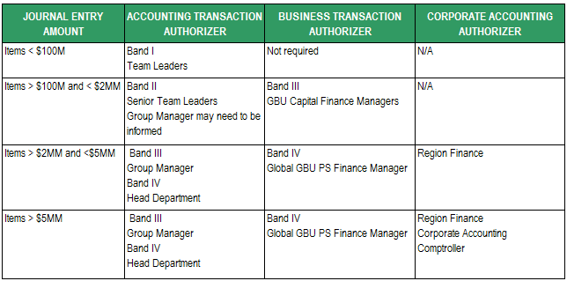
Approver's signature |  |  |  |  |  | Authorization Limits - GAC 2 / Non Routine Entries
The approval can be an e-mail or a hand written note or a signature at the bottom.

Business Transaction Authorizer (Site) |  |  |  | Accounting Transaction Authorizer (GBS)

Plant Finance Manager |  |  |  | C&FA Team Supervisor

Site Capital Manager |  |  |  | C&FA Team Leader |  | Note: The routine entries with a non-routine amount must apply GAC2 policy.

