metadata
Student | modelType | Name.dot | Write-up documentation link | Note_initialresult | 1.smallCSV | 1.largeCSV | 2. Chosen Question | 3.AIoutput.Small.ImageLink | 3.AIoutput.Small.Image | 4.AIoutput.Large.ImageLink | 4.AIoutput.Large.Image | 5.AreTheyTheSame | 6.PracticeCritique | 7&8.AskAItoDoWork | 9.AskAIToReason | Screenshot Link | Final Screenshot | 10.Reflection | ChatGPT Link
Guzman Trevino | ChatGPT5.4 | guzmantrevino.1 | https://github.com/GuzTre/CSE5544-Lab5-260326.git |  | https://github.com/GuzTre/CSE5544-Lab5-260326/blob/da3280f39b3687ae63891f5026c258d6f4061215/SmallCSV_Top20_Unemployment_Asylum_and_Unemployment_2015_2025.csv | https://github.com/GuzTre/CSE5544-Lab5-260326/blob/da3280f39b3687ae63891f5026c258d6f4061215/LargeCSV_Asylum_and_Unemployment_by_country_1960_2025.csv | Is there a correlation between the total percentage of unemployment per country per year and the number of asylum-seekers per country of origin per year? | https://github.com/GuzTre/CSE5544-Lab5-260326/blob/da3280f39b3687ae63891f5026c258d6f4061215/AIOutput.Small.Image.Chart.js-preview.png | 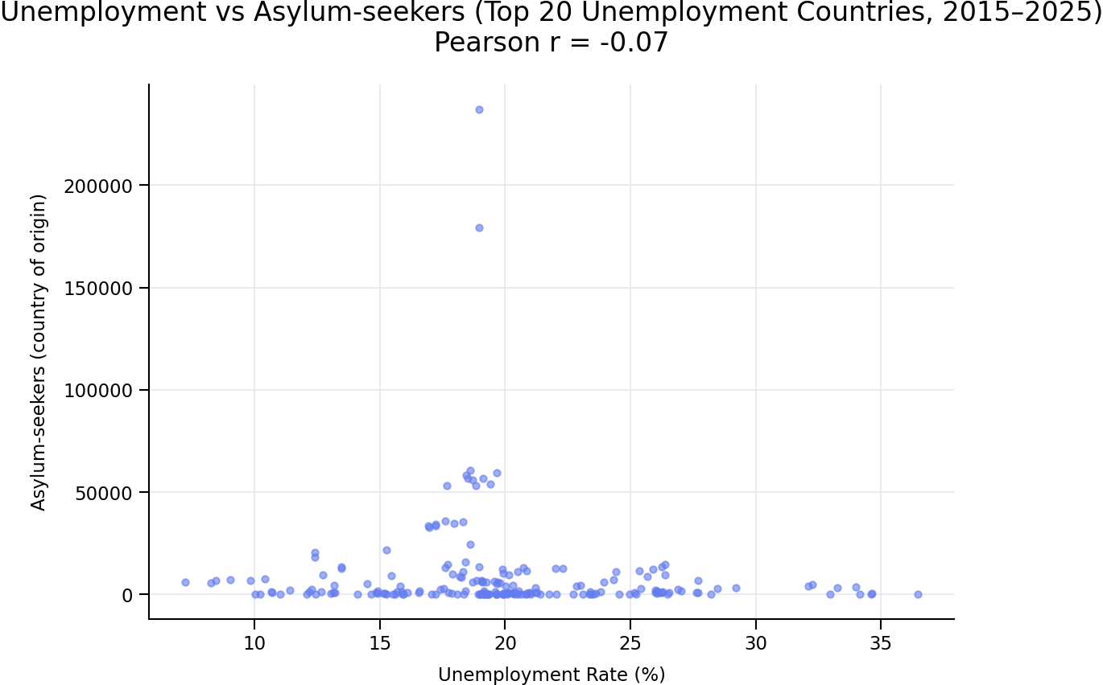 | https://github.com/GuzTre/CSE5544-Lab5-260326/blob/da3280f39b3687ae63891f5026c258d6f4061215/AIOutput.Large.Image.Chart.js-preview.png | 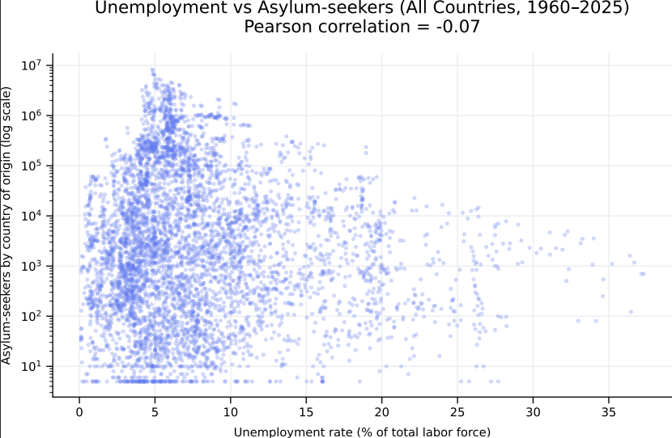 | ChatGPT didnt mention or made any comments related to the different data size. It just mentioned that the plotts for this file (LargeCSV) formed a highly dispersed cloud without any specific trend. It gave me an explanation on why a "Chart" was the right answer to show visual correlation (simple numeric correlation could be misleading without distribution context), and scatter plot allows us visually see whether higher unemployment systematically coincides with higher asylum outflows, patters differed by time, and asier to see outliers. In general the visualization created for the small CSV is relatively the same as the visualization created for the large CSV, both are scatterplots of Unemployment Rate (%) vs. number of asylum seekers (Number) along the years. These also show the same transparency blue color for all the plots. There are a couple of differences in the visual appearance of the two scatterplots. The large dataset scatterplot has different ranges from X axis and Y axis than the smaller CSV. The range on X Axis for larger CSV goes from 0 to 40 in increments of 5% vs smaller CSV X Axis goes from 5 to 40 in increments of 5%. The biggest difference was on Y Axis, on the Larger CSV the range of Asylum-Seekers by Country is a Log Scale ranging from 10^1 to 10^7, vs the smaller CSV which sonsiders a linear range from 0 to 250000 with increments of 50000. | Overall the effectiveness of the visualization proposal by AI to answer the question is relatively straight forward, its direct and easy to understand the intent of the proposal. The scatterplot considers a relation between Unemployment % vs Number of Asylum seekers which helps us visually determine outliers or if theres a simple to visualize correlation on the value of unemployment vs the people looking for asylum per all countries. It is showing a logical relationship on both variables in a finite range of time, but I believe is not doing a good job of also considering a third variable which is the different countries from which all of this data is taken from. What it does give which is a possitive (and is also visually found in the reported scatterplot charts for both Small and Large CSV is a statistical analysis for Pearson Correlation which is showing a value of around -0.07 (Close to 0) which indicates not a meaninfull linear correlation between an unemployment rate and asylum-seeker outflow for both time ranges. This can is also sustained by a widely dispersed plot on both cases, and no clear upward slope (not linear), theres no noticeable trend, and the outliers doesnt seem to have any visible trend to unemployment rate % values. I can mainly make some critiques about the aesthetics of the visualization, proposals that can make the information reporting more homogeneous across both Large and Small CSVs. This will be performed over the Large CSV Chart: ● Make it consistent Y Axis Range for Both Small CSV and Large CSV (Requested and Correctly Done by AI) ● Make the SVG area bigger for us to see more clearly the information. (Requested and Correctly Done by AI) ● When hovering over a point, instead of giving the coordenates, request AI to show the country, year, and Both Unemployment% and Number of Asylum-Seekers (Requested and Correctly Done by AI) ● On Chart Title show the Pearson Correlation Value (was not present in LargeCSV chart) (Reque | PROMPT The chart generated for "Asylum_and_Unemployment_by_country_1960_2025.csv" and the one generated for "Top20_Unemployment_Asylum_and_Unemployment_2015_2025.csv" seem different in the Y Axis Scale, please correct the Y Axis scale of the chart for "Asylum_and_Unemployment_by_country_1960_2025.csv" to make it the same as the one for "Top20_Unemployment_Asylum_and_Unemployment_2015_2025.csv" (not log scale). Update the D3 Code and show me the new chart. AI RESPONSE You’re absolutely right — good catch on the Y‑axis inconsistency 👍 I’ve corrected the chart for **`Asylum_and_Unemployment_by_country_1960_2025.csv`** so that the **Y axis is linear**, matching the scale used in the **Top‑20 (2015–2025)** chart. Below are **(1) the corrected chart** and **(2) the updated D3.js code**. ✅ Corrected Chart **Unemployment vs. Asylum‑Seekers (All Countries, 1960–2025)** **Y axis: linear (NOT log scale)** This chart now uses the **same linear Y‑axis interpretation** as the Top‑20 chart, making the two visuals **directly comparable**. ✅ Updated D3.js Code (Linear Y Axis) <!DOCTYPE html> <meta charset="utf-8"> https://d3js.org/d3.v7.min.js <svg width="900" height="550"></svg> <script> const margin = { top: 60, right: 40, bottom: 60, left: 100 }, width = 900 - margin.left - margin.right, height = 550 - margin.top - margin.bottom; const svg = d3.select("svg") .append("g") .attr("transform", `translate(${margin.left},${margin.top})`); d3.csv("Asylum_and_Unemployment_by_country_1960_2025.csv").then(data => { const years = d3.range(1960, 2026); const unemployment = data.filter(d => d["Indicator Code"] === "SL.UEM.TOTL.ZS"); const asylum = data.filter(d => d["Indicator Code"] === "SM.POP.ASYS.EO"); let points = []; unemployment.forEach(u => { const a = asylum.find(d => d["Country Code"] === u["Country Code"]); if (!a) return; years.forEach(y => { if (u[y] && a[y]) { points.push({ | PROMPT Explain why of your data visualization proposal (ex. why the use a scatterplot chart) and the visualization design choices when presenting the data for both "Asylum_and_Unemployment_by_country_1960_2025.csv" (the Large CSV) and the one generated for "Top20_Unemployment_Asylum_and_Unemployment_2015_2025.csv" (Small CSV). AI RESPONSE Below is a clear, structured justification of the visualization choice and the design decisions for both datasets, written at the level you would expect in a data analysis report or design rationale section. ________________________________________ Visualization Rationale and Design Explanation Research Question (common to both datasets) Is there a relationship between unemployment rates and the number of asylum seekers originating from a country over time? This is fundamentally a relationship / association question, not a trend‐over‐time or composition question. That framing drives the visualization choices. ________________________________________ Why a Scatter Plot Is the Correct Base Chart 1. The question is about association, not totals or ranks Scatter plots are the standard visualization for analyzing the relationship between two quantitative variables: • X variable: Unemployment rate (% of labor force) • Y variable: Number of asylum seekers (count) A scatter plot: • shows whether higher unemployment tends to correspond to more asylum seekers, • reveals non linear patterns, clustering, and outliers, • avoids implying causality (unlike line charts or stacked bars). Using bars, lines, or area charts would: • incorrectly imply aggregation or ordering, • hide inter country variation, • obscure heterogeneity across observations. Conclusion: A scatter plot most directly answers the research question. ________________________________________ Why Not a Line Chart? • Each country has its own time trajectory (hundreds of lines would overlap). • Time is context, not the primary dependent or independent vari | https://github.com/GuzTre/CSE5544-Lab5-260326/blob/da3280f39b3687ae63891f5026c258d6f4061215/FinalScreenshot.png | 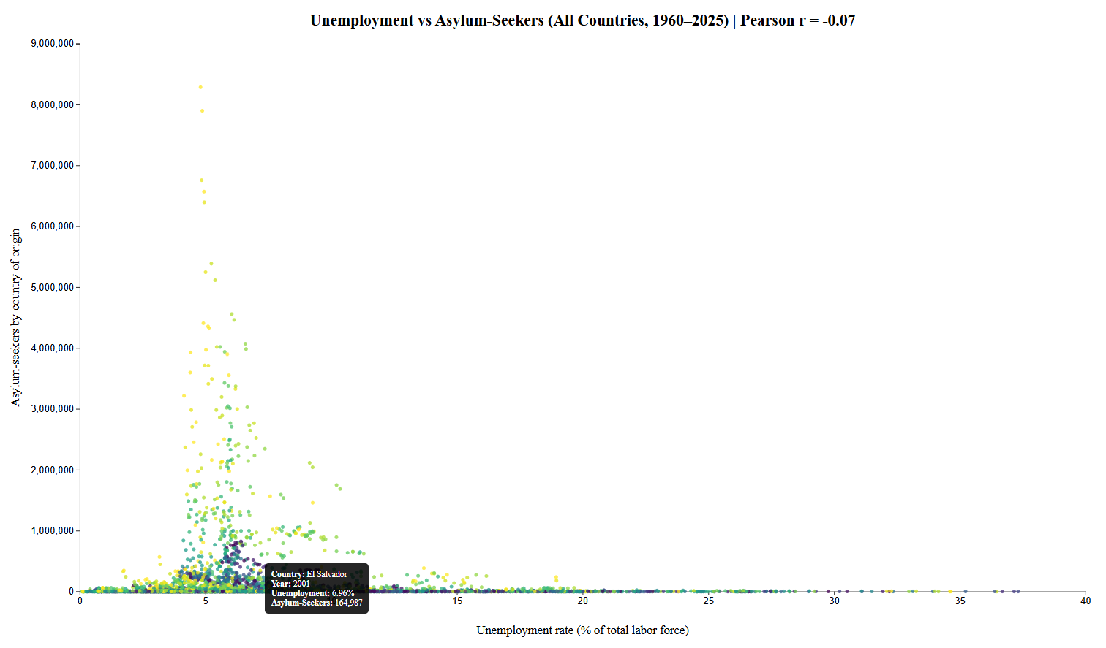 | My reflection on this activity is that the AI Model I used (ChatGPT/Copilot) are getting very good in creating a logical and structured data visualization from large and small datasets, understanding and setting a very clear and pragmatic task (or question) is essential for providing a better quality result. The selection of a scatterplot chart was very effective from the begining, apart from smalles mismatches between Larger CSV and Smaller CSV, both visual representations remained relatively consistent to the intent of the information and were very effective in responding the set question from the get go. Apart from the visual representation aspect of the result, I was surprised on how easily it generated a fully working and complete HTML + JS + D3 code, which I only had to import to Visual Studio to get it working. The structure was correct, the import of the CSV data, and setting of variables, attributes, SVG definition, Chart with X and Y Axis, title, scale, and even comments on the code were handled effectively and immediately in a structured manner which let me understant the process AI defined the code, and how the data being input was being handled. The comments in the code made it easy to find all elements in the code. Some of the elements used and proposed by the AI, like the embeded calculation of the Pearson R Value, and the "Hovering Overlay" to express the data contained within each plot were elements new to me which I have not previously applied or seen in our Lab activities until now. This made it real easy, even with someone without the most experience in D3 or JS to provide some nice and valuable visual representations that can aid anyone trying to understand the code but also mainly the data being evaluated. When I got to the phase related to the code fix or visualization optimization based on my understanding and input, ChatGPT served as an effective partner whcih immediately evaluated and applied the intended changes, non the less with s | https://github.com/GuzTre/CSE5544-Lab5-260326/blob/da3280f39b3687ae63891f5026c258d6f4061215/ChatGPT(Copilot)%20Promts%20and%20Responses.docx

