SheetList
nr | Tab | Name | Field | Group | Project Documentation
0 | LinkingTableNameISO3 | Linking to the map |  |  | https://app.jogl.io/project/73
1 | SH.MED.CMHW.P3_clean | Community health workers (per 1,000 people) | CMHW | Vuln
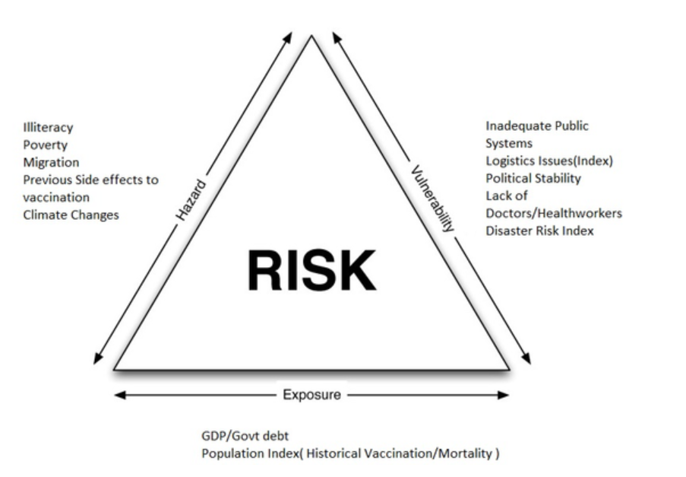
2 | Birth_registration_clean | Birth registration (%)+(2010-2018)* | BREG | Exp
3 | CPI 2015 | Corruption Perceptions Index 2015 | CPI | Vuln
4 | BN.CAB.XOKA.GD.ZS | Current account balance (% of GDP) | pGDP | Exp
5 | EN.CLC.MDAT.ZS | Droughts, floods, extreme temperatures | MDAT | Haz
6 | SH.XPD.GHED.GD.ZS | Domestic general government health expenditure (% of GDP) | GHED | Exp
7 | SE.ADT.LITR.ZS | Literacy rate, adult total (% of people ages 15 and above) | LITR1 | Haz
8 | SE.ADT.1524.LT.ZS | Literacy rate, youth total (% of people ages 15-24) | LITR2 | Haz
9 | LP.LPI.LOGS.XQ | Logistics performance index | LOGS | Vuln
10
11
12
A | WorldCountryList | Combining all data to the country
B | Export | A cleaned list
C | RiskScoring | The risk calculation based on three aspects

Export
NE_ID | SOVEREIGNT | ADM0_A3_US | Risk | Exposure | Hazard | Vulnerbility | Bin
1159320319 | Afghanistan | AFG | 54.851408564 | 62 | 34 | 42 | 0 |  | Bin | Frequency | Cumulative %
1159320323 | Angola | AGO | 50.012591313 | 62 | 22 | 42 | 10 | 0-10 | 0 | 0 | 0.00%
1159320325 | Albania | ALB | 30.806000247 | 36 | 18 | 36 | 20 | 10-20 | 10 | 1 | 0.60%
1159320329 | United Arab Emirates | ARE | 38.954501903 | 61 | 5 | 34 | 30 | 20-30 | 20 | 20 | 12.65%
1159320331 | Argentina | ARG | 21.752728218 | 29 | 1 | 40 | 40 | 30-40 | 30 | 50 | 42.77%
1159320333 | Armenia | ARM | 25.686755005 | 39 | 2 | 34 | 50 | 40-50 | 40 | 26 | 58.43%
1159320355 | Australia | AUS | 53.791420792 | 27 | 44 | 64 | 60 | 50-60 | 50 | 23 | 72.29%
1159320363 | Australia | AUS | 53.791420792 | 27 | 44 | 64 | 70 | 60-70 | 60 | 25 | 87.35%
1159320379 | Austria | AUT | 31.676929534 | 23 | 34 | 35 | 80 | 70-80 | 70 | 17 | 97.59%
1159320381 | Azerbaijan | AZE | 25.267853684 | 37 | 4 | 35 | 90 | 80-90 | 80 | 2 | 98.80%
1159320387 | Burundi | BDI | 55.460050896 | 44 | 22 | 73 | 100 | 90-100 | 90 | 2 | 100.00%
1159320389 | Belgium | BEL | 30.433036393 | 22 | 34 | 34 |  |  | 100 | 0 | 100.00%
1159320399 | Benin | BEN | 44.932292926 | 46 | 35 | 35 |  |  | More | 0 | 100.00%
Global Distribution of Vaccination Risk
1159320405 | Burkina Faso | BFA | 59.968643098 | 44 | 38 | 69
1159320407 | Bangladesh | BGD | 65.844184758 | 67 | 26 | 70
1159320409 | Bulgaria | BGR | 22.948939105 | 31 | 1 | 39
1159320413 | Bahrain | BHR | 29.571257886 | 40 | 1 | 38
1159320417 | Bosnia and Herzegovina | BIH | 16.07372125 | 27 | 3 | 35
1159320427 | Belarus | BLR | 21.526123449 | 32 | 0 | 36
1159320439 | Bolivia | BOL | 40.706050281 | 34 | 7 | 64
1159320441 | Brazil | BRA | 25.820670455 | 33 | 4 | 40
1159320453 | Bhutan | BTN | 41.912121907 | 38 | 14 | 56
1159320461 | Botswana | BWA | 41.96403246 | 38 | 7 | 60
1159320463 | Central African Republic | CAF | 64.650990073 | 53 | 42 | 68
1159320467 | Canada | CAN | 29.004720352 | 24 | 34 | 30
1159320471 | China | CHN | 54.349820815 | 39 | 28 | 71
1159320491 | Switzerland | CHE | 27.718356848 | 22 | 34 | 30
1159320493 | Chile | CHL | 34.627292913 | 30 | 3 | 60
1159320507 | Ivory Coast | CIV | 45.936352528 | 48 | 32 | 38
1159320509 | Cameroon | CMR | 38.313117138 | 51 | 13 | 37
1159320517 | Colombia | COL | 24.439587729 | 34 | 4 | 37
1159320521 | Comoros | COM | 39.136648785 | 43 | 21 | 40
1159320523 | Cabo Verde | CPV | 40.164092517 | 38 | 5 | 57
1159320525 | Costa Rica | CRI | 12.722263498 | 29 | 3 | 29
1159320527 | Cuba | CUB | 24.337651215 | 42 | 3 | 30
1159320531 | Northern Cyprus | CYP | 17.889362876 | 35 | 1 | 29
1159320533 | Cyprus | CYP | 17.889362876 | 35 | 1 | 29
1159320535 | Czechia | CZE | 36.399303848 | 28 | 34 | 38
1159320539 | Germany | DEU | 28.069103753 | 18 | 34 | 34
1159320541 | Djibouti | DJI | 52.014296665 | 43 | 56 | 32
1159320547 | Denmark | DNK | 24.959440761 | 20 | 34 | 28
1159320563 | Dominican Republic | DOM | 28.993998876 | 39 | 3 | 38
1159320565 | Algeria | DZA | 25.811221379 | 33 | 7 | 39
1159320567 | Ecuador | ECU | 28.36500518 | 37 | 4 | 39
1159320575 | Egypt | EGY | 34.158568372 | 38 | 14 | 42
1159320581 | Eritrea | ERI | 47.418939128 | 47 | 34 | 40
1159320587 | Spain | ESP | 17.359986195 | 26 | 3 | 38
1159320615 | Estonia | EST | 34.41527067 | 29 | 0 | 62
1159320617 | Ethiopia | ETH | 68.875602176 | 72 | 36 | 66
1159320623 | Finland | FIN | 28.298984315 | 25 | 34 | 28
1159320637 | France | FRA | 46.061485066 | 19 | 34 | 67
1159320693 | Gabon | GAB | 26.47347445 | 39 | 9 | 33
1159320713 | United Kingdom | GBR | 30.338867919 | 24 | 34 | 32
1159320779 | Georgia | GEO | 16.07372125 | 35 | 3 | 27
1159320793 | Ghana | GHA | 50.926163492 | 47 | 13 | 64
1159320795 | Guinea | GIN | 62.722716164 | 48 | 41 | 69
1159320797 | Gambia | GMB | 56.165149662 | 49 | 28 | 63
1159320799 | Guinea-Bissau | GNB | 60.971650755 | 60 | 33 | 59
1159320811 | Greece | GRC | 19.684771357 | 30 | 1 | 36
1159320815 | Guatemala | GTM | 29.717190485 | 37 | 13 | 37
1159320817 | Guyana | GUY | 54.31954238 | 38 | 30 | 70
1159320827 | Honduras | HND | 26.995980874 | 35 | 10 | 37
1159320833 | Croatia | HRV | 17.689598386 | 28 | 1 | 36
1159320839 | Haiti | HTI | 37.25845748 | 44 | 21 | 36
1159320841 | Hungary | HUN | 20.477458387 | 30 | 1 | 37
1159320845 | Indonesia | IDN | 53.161038471 | 47 | 2 | 73
1159320847 | India | IND | 57.111579291 | 46 | 26 | 71
1159320877 | Ireland | IRL | 32.194099223 | 27 | 34 | 32
1159320881 | Iran | IRN | 42.344561825 | 29 | 16 | 70
1159320887 | Iraq | IRQ | 54.993323581 | 37 | 31 | 72
1159320895 | Israel | ISR | 19.900782813 | 30 | 3 | 36
1159320917 | Iceland | ISL | 27.613753636 | 25 | 34 | 27
1159320919 | Italy | ITA | 19.523189127 | 25 | 0 | 43
1159320931 | Jamaica | JAM | 40.737811154 | 34 | 9 | 63
1159320935 | Jordan | JOR | 40.003971007 | 34 | 2 | 64
1159320937 | Japan | JPN | 29.240180994 | 20 | 34 | 34
1159320967 | Kazakhstan | KAZ | 27.27443846 | 36 | 1 | 39
1159320971 | Kenya | KEN | 50.330521055 | 49 | 32 | 46
1159320977 | Kyrgyzstan | KGZ | 25.164377877 | 37 | 7 | 34
1159320979 | Cambodia | KHM | 60.864322264 | 48 | 31 | 74
1159320985 | South Korea | KOR | 54.751178234 | 36 | 34 | 69
1159321009 | Kuwait | KWT | 22.514578972 | 36 | 2 | 33
1159321011 | Laos | LAO | 38.135614324 | 49 | 17 | 36
1159321013 | Lebanon | LBN | 25.773176179 | 35 | 2 | 38
1159321015 | Liberia | LBR | 66.689263218 | 66 | 38 | 64
1159321017 | Libya | LBY | 34.25141496 | 41 | 5 | 43
1159321025 | Sri Lanka | LKA | 30.652345418 | 38 | 10 | 39
1159321027 | Lesotho | LSO | 37.721605743 | 49 | 24 | 30
1159321029 | Lithuania | LTU | 20.606904483 | 31 | 0 | 36
1159321031 | Luxembourg | LUX | 32.799128473 | 29 | 34 | 31
1159321033 | Latvia | LVA | 21.601423792 | 33 | 0 | 35
1159321035 | Morocco | MAR | 27.755433911 | 37 | 10 | 36
1159321045 | Moldova | MDA | 23.305493804 | 33 | 2 | 37
1159321051 | Madagascar | MDG | 32.03441164 | 40 | 18 | 34
1159321055 | Mexico | MEX | 30.156487744 | 36 | 2 | 43
1159321061 | Macedonia | MKD | 18.228613308 | 32 | 2 | 32
1159321063 | Mali | MLI | 60.748014363 | 44 | 40 | 69
1159321065 | Malta | MLT | 10.384826149 | 26 | 2 | 30
1159321067 | Myanmar | MMR | 52.902437338 | 45 | 14 | 71
1159321069 | Montenegro | MNE | 16.307614003 | 31 | 1 | 31
1159321071 | Mongolia | MNG | 45.600932233 | 39 | 10 | 65
1159321073 | Mozambique | MOZ | 63.752911958 | 55 | 35 | 70
1159321075 | Mauritania | MRT | 60.284819728 | 51 | 38 | 62
1159321079 | Mauritius | MUS | 44.082290039 | 41 | 3 | 61
1159321081 | Malawi | MWI | 72.987766234 | 69 | 51 | 68
1159321083 | Malaysia | MYS | 46.792675777 | 41 | 3 | 67
1159321085 | Namibia | NAM | 42.916475235 | 36 | 45 | 31
1159321087 | Niger | NER | 62.176966882 | 52 | 68 | 36
1159321089 | Nigeria | NGA | 61.569857405 | 57 | 21 | 73
1159321091 | Nicaragua | NIC | 28.04665758 | 34 | 11 | 39
1159321101 | Netherlands | NLD | 28.556851137 | 20 | 34 | 33
1159321109 | Norway | NOR | 23.521274747 | 19 | 34 | 27
1159321121 | Nepal | NPL | 54.431082048 | 53 | 16 | 63
1159321129 | New Zealand | COK | 24.092402839 | 25 | 34 | 22
1159321151 | Oman | OMN | 24.825486069 | 33 | 2 | 39
1159321153 | Pakistan | PAK | 64.971870261 | 62 | 26 | 73
1159321161 | Panama | PAN | 41.815586368 | 33 | 3 | 70
1159321163 | Peru | PER | 27.282356426 | 34 | 9 | 39
1159321169 | Philippines | PHL | 30.562285587 | 41 | 4 | 38
1159321173 | Papua New Guinea | PNG | 51.997590704 | 39 | 26 | 67
1159321179 | Poland | POL | 18.115996703 | 31 | 1 | 33
1159321181 | North Korea | PRK | 47.668566216 | 66 | 8 | 42
1159321187 | Portugal | PRT | 12.416673651 | 27 | 2 | 31
1159321195 | Paraguay | PRY | 33.579305604 | 42 | 5 | 41
1159321197 | Qatar | QAT | 19.43925356 | 33 | 4 | 32
1159321199 | Romania | ROU | 25.707893914 | 38 | 1 | 35
1159321201 | Russia | RUS | 25.489877543 | 33 | 1 | 40
1159321219 | Rwanda | RWA | 50.33025258 | 52 | 18 | 54
1159321225 | Saudi Arabia | SAU | 23.375849297 | 36 | 2 | 34
1159321229 | Sudan | SDN | 62.525064567 | 51 | 31 | 75
1159321235 | South Sudan | SDS | 56.028439494 | 63 | 39 | 39
1159321243 | Senegal | SEN | 55.05942068 | 45 | 28 | 65
1159321247 | Singapore | SGP | 40.534078193 | 37 | 1 | 60
1159321251 | Sierra Leone | SLE | 56.586942313 | 45 | 31 | 66
1159321253 | El Salvador | SLV | 22.409667128 | 32 | 6 | 36
1159321259 | Somaliland | SOM | 81.140543372 | 99 | 76 | 40
1159321261 | Somalia | SOM | 81.140543372 | 99 | 76 | 40
1159321267 | Republic of Serbia | SRB | 20.477458387 | 30 | 1 | 37
1159321273 | S├úo Tom├⌐ and Principe | STP | 41.185990025 | 39 | 3 | 58
1159321281 | Suriname | SUR | 19.43925356 | 33 | 4 | 32
1159321283 | Slovakia | SVK | 50.583260635 | 28 | 34 | 68
1159321285 | Slovenia | SVN | 12.9951107 | 26 | 0 | 33
1159321287 | Sweden | SWE | 27.154281184 | 20 | 34 | 31
1159321291 | Seychelles | SYC | 18.270757989 | 41 | 2 | 25
1159321295 | Syria | SYR | 26.560253519 | 38 | 11 | 33
1159321301 | Chad | TCD | 75.657824526 | 69 | 58 | 70
1159321303 | Togo | TGO | 37.48875878 | 45 | 19 | 37
1159321305 | Thailand | THA | 46.493954434 | 33 | 16 | 73
1159321307 | Tajikistan | TJK | 32.121980276 | 38 | 18 | 36
1159321309 | Turkmenistan | TKM | 43.912263577 | 64 | 0 | 39
1159321313 | East Timor | TLS | 53.839423883 | 51 | 16 | 64
1159321321 | Trinidad and Tobago | TTO | 19.924379188 | 33 | 1 | 33
1159321327 | Tunisia | TUN | 25.083544314 | 34 | 9 | 36
1159321331 | Turkey | TUR | 26.417912129 | 34 | 2 | 40
1159321337 | United Republic of Tanzania | TZA | 47.637745424 | 62 | 17 | 41
1159321343 | Uganda | UGA | 63.560088446 | 63 | 14 | 75
1159321345 | Ukraine | UKR | 26.459454506 | 35 | 1 | 39
1159321353 | Uruguay | URY | 6.2627180988 | 26 | 2 | 26
1159321369 | United States of America | USA | 23.936542297 | 10 | 34 | 34
1159321405 | Uzbekistan | UZB | 27.906499878 | 35 | 1 | 41
1159321411 | Venezuela | VEN | 35.225288836 | 45 | 2 | 41
1159321417 | Vietnam | VNM | 29.915429043 | 36 | 8 | 41
1159321425 | Yemen | YEM | 65.041025935 | 64 | 23 | 73
1159321431 | South Africa | ZAF | 47.308032304 | 35 | 12 | 75
1159321439 | Zambia | ZMB | 62.69943558 | 67 | 21 | 65
1159321441 | Zimbabwe | ZWE | 37.883033205 | 52 | 7 | 38

Histogram
 | Frequency | Cumulative %
 | 1 | 1

