M1L2
M1L2
 | 1. (Ice-breaker) A share price is currently $80. At the end of three months, it will be either $84 or $76. Ignoring interest rates, calculate the value of a three-month European call option with exercise price $79.
 | answer | 2.500000 |  | strike price | 79
 |  |  |  | S | 80
 |  |  |  | Su | 84 |  | V+ | 5
 |  |  |  | Sd | 76 |  | V- | 0
 |  |  |  |  |  |  | delta | 0.625
 |  |  |  |  |  |  | V | 2.5

 | 2. A share price is currently $92. At the end of one year, it will be either $86 or $98. Calculate the value of a one-year European call option with exercise price $90 using a single-step binomial tree. The risk-free interest rate is 2% p.a. with continuous compounding.
 | answer | 5.135276 |  | strike price | 90
 |  |  |  | S | 92
 |  |  |  | Su | 98 |  | V+ | 8
 |  |  |  | Sd | 86 |  | V- | 0
 |  |  |  | rf | 0.02 |  | delta | 0.66666666667
 |  |  |  | t | 1.00 |  | discout rate | 0.98019867331
 |  |  |  |  |  |  | V | 5.135276

 | 3. A share price is currently $15. At the end of three months, it will be either $13 or $17. Interest rates are zero. Calculate the value of a three-month European style power option with payoff max(S2 􀀀 159; 0) where S is the share price at the end of three months.
 | answer | 70.000000 |  | S | 15
 |  |  |  | Su | 17 |  | V+ | 130
 |  |  |  | Sd | 13 |  | V- | 10
 |  |  |  |  |  |  | delta | 30
 |  |  |  |  |  |  | V | 70.000000

 | 4. A share price is currently $75. At the end of three months, it will be either $59 or $92. What are the risk-neutral probabilities that the share price rises or falls? The risk-free interest rate is zero.
 | answer | p' | 0.48484848485 | S | 75 |  |  | 75
 |  | 1-p' | 0.51515151515 | Su | 92 |  | p' | 0.48484848485
 |  |  |  | Sd | 59 |  | 1-p' | 0.51515151515
 | S=p*Su+(1-p)*Sd p = (S-Sd)/(Su-Sd)

 | 5. A binary call option (also called digital option) BC (S; t) has a payoff of one if at expiry it is ITM, i.e. S (T) > E; and zero otherwise

 | A share price is currently £ 80. At the end of three months, it will be either £ 84 or £ 76. Ignoring interest rates, calculate the value of a three-month binary call option with strike price £ 79. Note this is similar to question 1, but with the option now being a digital.
 | answer | 0.5 |  | strike price | 79
 |  |  |  | S | 80
 |  |  |  | Su | 84 |  | V+ | 1
 |  |  |  | Sd | 76 |  | V- | 0
 |  |  |  |  |  |  | delta | 0.125
 |  |  |  |  |  |  | V | 0.5

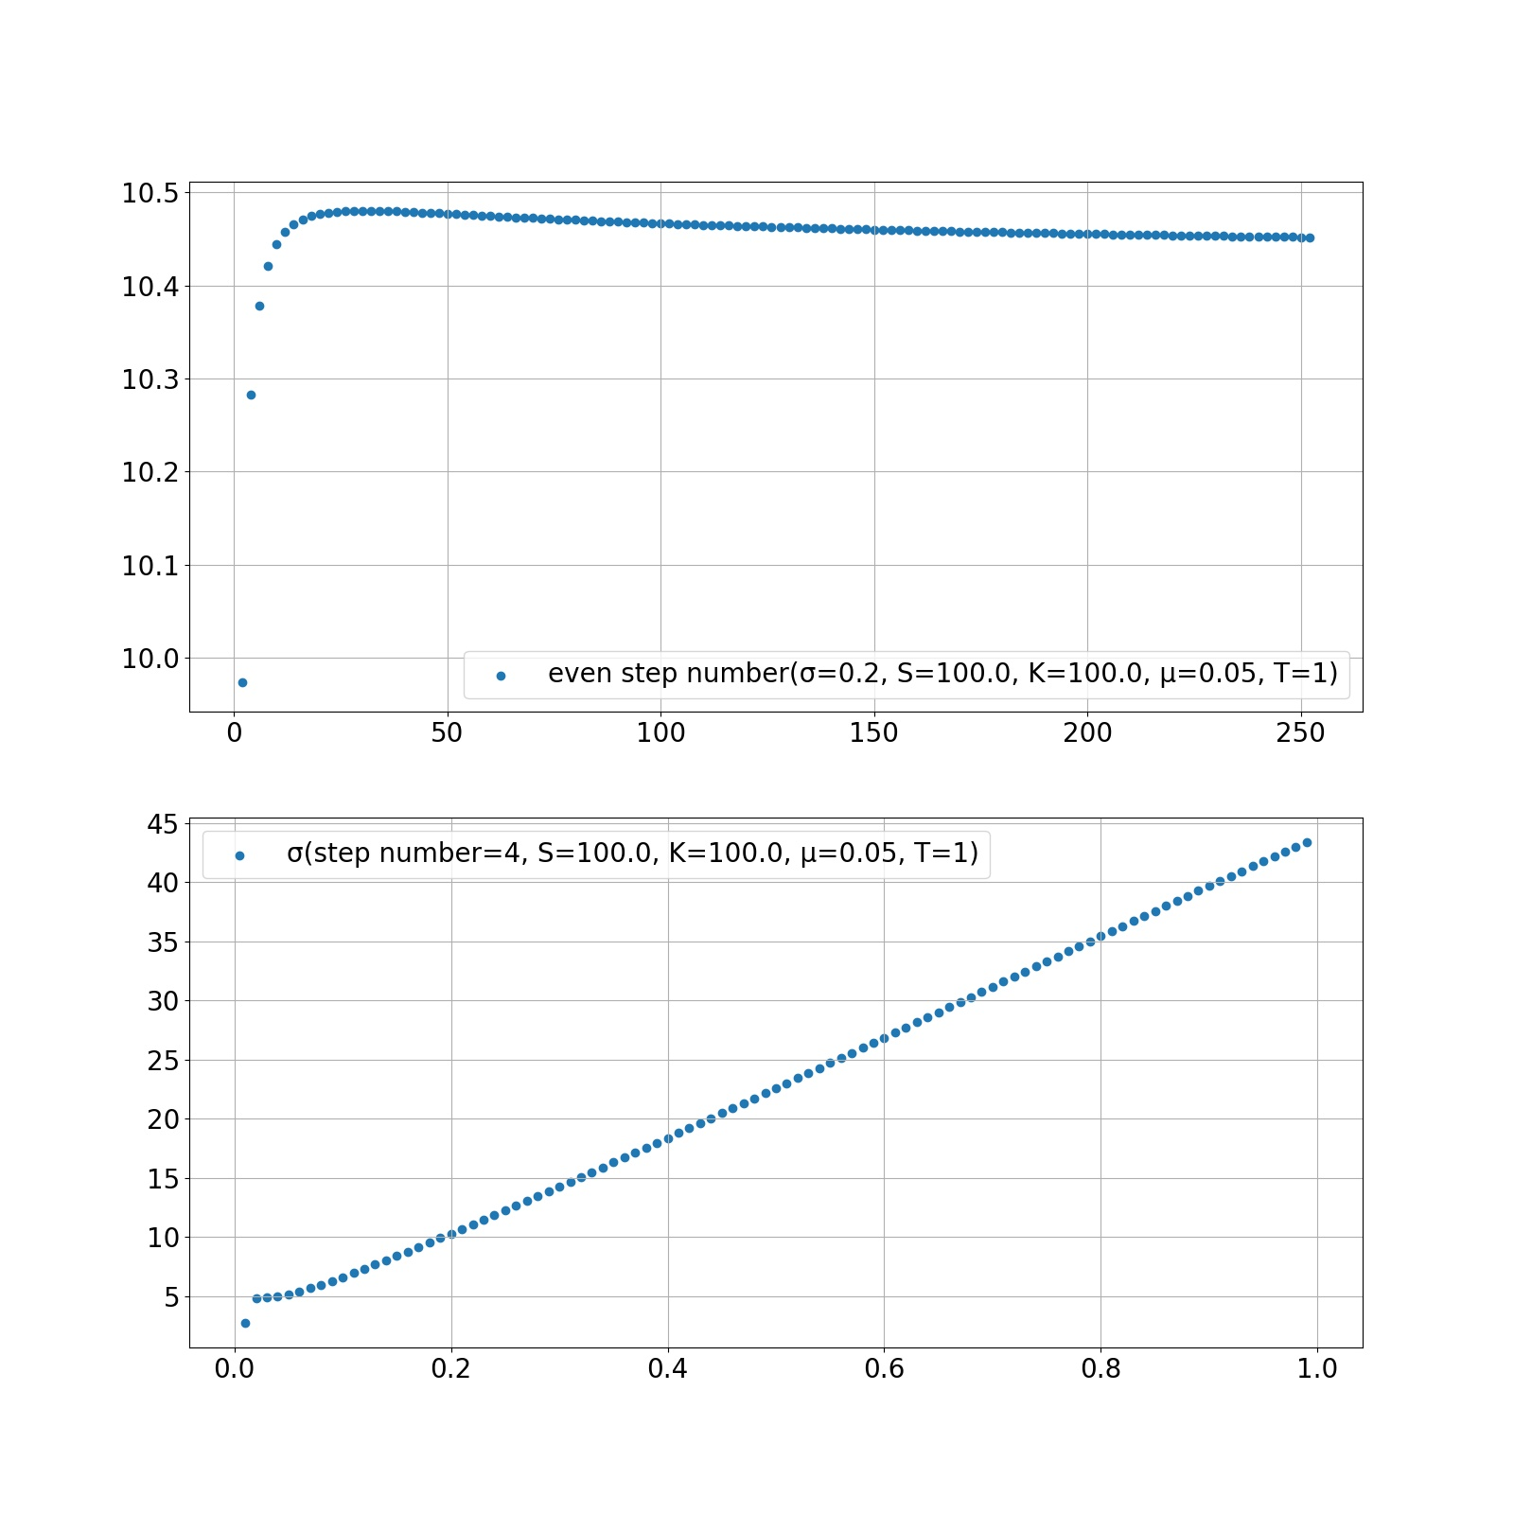
 | 6. Implement the multi-step binomial method as described in the Binomial Method lecture with the following variables and parameters: stock S = 100; interest rate r = 0:05 (continuously compounded) for a call option with strike E = 100, T = 1. Use four time steps. Calculate the value of the option for a range of volatilities and plot the results. Now with volatility sigma = 0:2, plot the value of the call option as the number of time steps increases.
 | answer (by python) |  | https://github.com/tlzjhtlzjh/cqf-notes/blob/master/M1/L2/binomial.py | strike price | 100 |  | step length | 0.25
 |  |  |  | S | 100 |  | discout rate | 0.98757780049
 |  |  |  | μ | 0.05 |  | u | 1.1
 |  |  |  | T | 1 |  | v | 0.9
 |  |  |  | step number | 4 |  | p | 0.5625
 |  |  |  | σ | 0.2 |  | 1-p | 0.4375

 |  |  |  | stock price
 |  |  |  | start | step1 | step2 | step3 | step4
 |  |  |  |  |  |  |  | 146.41
 |  |  |  |  |  |  | 133.1
 |  |  |  |  |  | 121 |  | 119.79
 |  |  |  |  | 100 |  | 108.9
 |  |  |  | 100 |  | 99 |  | 98.01
 |  |  |  |  | 90 |  | 89.1
 |  |  |  |  |  | 81 |  | 80.19
 |  |  |  |  |  |  | 119.79
 |  |  |  |  |  |  |  | 65.61

 |  |  |  | option payoff
 |  |  |  |  |  |  |  | 46.41
 |  |  |  |  |  |  | 34.331907762
 |  |  |  |  |  | 23.821754111 |  | 19.79
 |  |  |  |  | 15.871939013 |  | 10.993592628
 |  |  |  | 10.282867442 |  | 6.1070782652 |  | 0
 |  |  |  |  | 3.3925583928 |  | 0
 | odd and even step number |  |  |  |  | 0 |  | 0
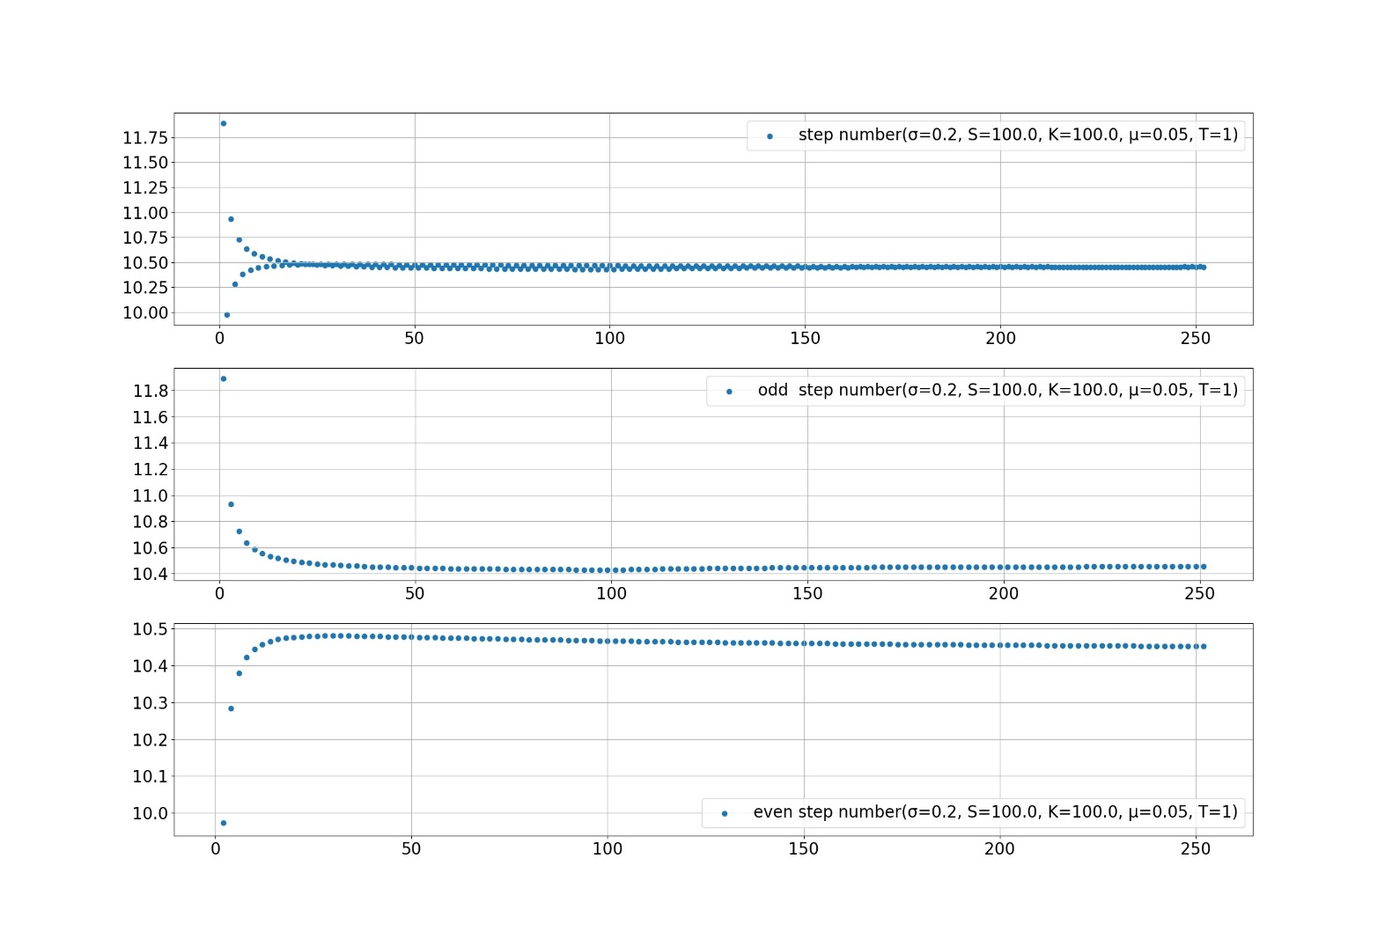
 |  |  |  |  |  |  | 0
 |  |  |  |  |  |  |  | 0

 | 7. A share price is currently £ 63. At the end of each three-month period, it will change by going up £ 3 or going down £ 3. Calculate the value of a six-month European put option with strike price £ 61. The risk-free interest rate is 4% per annum with continuous compounding.
 | answer | 0.6178835347 |  | S | 63 |  | time step | 0.25
 |  |  |  | strike price | 61 |  | discout rate | 0.99004983375
 |  |  |  | μ | 0.04
 |  |  |  | T | 0.5
 |  |  |  | N | 2

 |  |  |  | stock price
 |  |  |  |  |  | 69
 |  |  |  |  | 66
 |  |  |  | 63 |  | 63
 |  |  |  |  | 60
 |  |  |  |  |  | 57
 |  |  |  | option payoff (red cell is Δ for left step)
 |  |  |  |  |  | 0
 |  |  |  |  | 0 | 0
 |  |  |  | 0.6178835347 | -0.26368216958 | 0
 |  |  |  |  | 1.5820930175 | -0.66666666667
 |  |  |  |  |  | 4

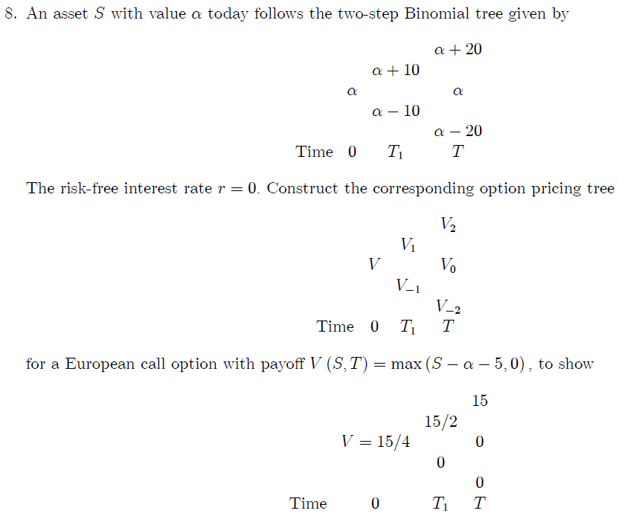
 |  |  |  | S | 100
 |  |  |  | strike price | 105 |  | discout rate | 1
 |  |  |  | N | 2

 |  |  |  | stock price
 |  |  |  |  |  | 120
 |  |  |  |  | 110
 |  |  |  | 100 |  | 100
 |  |  |  |  | 90
 |  |  |  |  |  | 80
 |  |  |  | option payoff (red cell is Δ for left step)
 |  |  |  |  |  | 15
 |  |  |  |  | 7.5 | 0.75
 |  |  |  | 3.75 | 0.375 | 0
 |  |  |  |  | 0 | 0
 |  |  |  |  |  | 0

 | assume spot price α is 100 （same for other value), strike price is α + 5 = 105,

