HR Dashboard
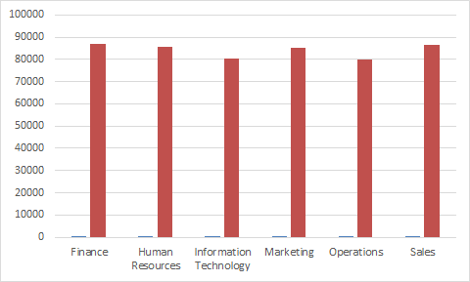
There are a total six departments in the company with a total number of 150 employees.
17 employees work in Finance, 18 employees work in Human Resources, 36 employees work in Information Technology, 19 emloyees work in Marketing, 29 employees work in Operations and 31 employees work in Sales.
To have 150 employees is nice but at a closer glimpse, we saw some exployees had either left or resigned which meant, we had less than 150 employees who were actually working. We decided to compare the percentages and the result of our analysis was, Finance has 82% of their actual staffs working, Human Resources has 83%, IT has 78%, Marketing has 84%, Operations has 62% and Sales has 81%.

 | Active | Left | Resigned
Finance | 82.35% | 17.65% | 0.00%
Human Resources | 83.33% | 11.11% | 5.56%
Information Technology | 77.78% | 16.67% | 5.56%
Marketing | 84.21% | 15.79% | 0.00%
Operations | 62.07% | 20.69% | 17.24%
Sales | 80.65% | 12.90% | 6.45%
Total Number of Employee
 | Total
Finance | 17
Human Resources | 18
Information Technology | 36
Marketing | 19
Operations | 29
Sales | 31

Lastly, we looked at the average salary of each departments and it was calculated to be:Finance-$87,174. Human Resources-85,536. Information Technology-$80,513. Marketing-$85,408. Operations-$80,050. Sales-$86,333.

