고객별
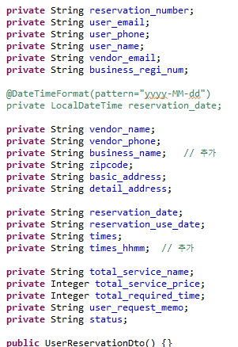

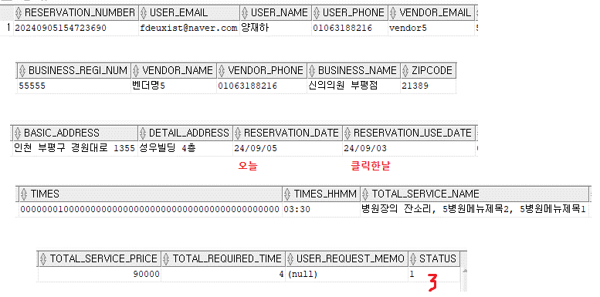

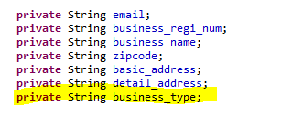
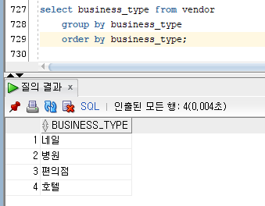

설계
1. 테이블 구성
userReservationDto |  |  | verdorDto
항목 | ID | 고객이름 | 분류 | 샵 이름 | 샵주소1 | 샵주소2 | 우편번호 | 사업자 등록번호 | 상품명 | 예약시간 | 이용금액 | 기간
변수명 | user_email | user_name | business_type | vendor_name | basic_address | detail_address | zipcode | business_regi_num | total_service_name | times_hhmm | total_service_price | reservation_use_date
total | count | count |  | count | count | count | count |  | count | count | sum

chartList
제목 | 사용 항목 | 단위 | 사용 차트
매출액 | 상품 가격 | 원 | 막대그래프 | 선형그래프
 | 샵이름
상품별 매출 비중 | 샵이름 | 백분율 | 원형차트
 | 상품명
시간대별 예약 건수 | 예약시간 | 예약 건 수 | 막대그래프 | 선형그래프
프로그래밍
2.SQL 만들기
userReservationDto
<!-- 대시보드 기능 관련 추가 sql 만든이: 오규원 추가일자:0905-->
<!-- - count -->
<select id="count_email">
select count(user_email) from user_reservation
</select>
<select id="countVendorName">
select count(vendor_name) from user_reservation where vendor_name={vendor_name}
</select>
<select id="countBasicAddress">
select count(basic_address) from user_reservation where basic_address={basic_address}
</select>
<select id="countDetailAddress">
select count(detail_address) from user_reservation where detail_address={detail_address}
</select>
<select id="countServiceName">
select count(service_name) from user_reservation where service_name={service_name}
</select>
<select id="countTimeshhmm">
select count(times_hhmm) from user_reservation where times_hhmm={times_hhmm}
</select>
<!-- - sum -->
<select id="sumServicePrice">
select vendor_name,sum(total_service_price)from user_reservation group by vendor_name
</select>
verdor
<!-- 대시보드 기능 관련 추가 sql 만든이: 오규원 추가일자:0905-->
<select id="countBusinessType">
select count(business_type) from vendor where business_type=${business_type}
</select>
3.dao 만들기
userReservationDto
//대시보드 관련 기능 만든이:오규원 추가일자:0905
public int countEmail() throws Exception;
public int countVendorName(String vendor_name) throws Exception;
public int countBasicAddress(String basic_address) throws Exception;
public int countDetailAddress(String detail_address) throws Exception;
public int countServiceName(String service_name) throws Exception;
public int countTimeshhmm(String times_hhmm ) throws Exception;
public int sumServicePrice(String serviceName) throws Exception;
verdor
//대시보드 관련 기능 만든이:오규원 추가일자:0905
public int countBusinessType(String business_type)throws Exception;
4.service 만들기
//대시보드 관련 기능 만든이:오규원 추가일자:0905
public int countEmail() throws Exception;
public int countVendorName(String vendor_name) throws Exception;
public int countBasicAddress(String basic_address) throws Exception;
public int countDetailAddress(String detail_address) throws Exception;
public int countServiceName(String service_name) throws Exception;
public int countTimeshhmm(String times_hhmm ) throws Exception;
public int sumServicePrice(String serviceName) throws Exception;
5.serviceImpl 만들기
//대시보드 관련 기능 만든이:오규원 추가일자:0905
@Override
public int countEmail() throws Exception {
 | UserReservationDao dao = sqlSession.getMapper(UserReservationDao.class);
 | return dao.countEmail();
}

@Override
public int countVendorName(String vendor_name) throws Exception {
 | UserReservationDao dao = sqlSession.getMapper(UserReservationDao.class);
 | return dao.countVendorName(vendor_name);
}

@Override
public int countBasicAddress(String basic_address) throws Exception {
 | UserReservationDao dao = sqlSession.getMapper(UserReservationDao.class);
 | return dao.countBasicAddress(basic_address);
}

@Override
public int countDetailAddress(String detail_address) throws Exception {
 | UserReservationDao dao = sqlSession.getMapper(UserReservationDao.class);
 | return dao.countDetailAddress(detail_address);
}

@Override
public int countServiceName(String service_name) throws Exception {
 | UserReservationDao dao = sqlSession.getMapper(UserReservationDao.class);
 | return dao.countServiceName(service_name);
}

@Override
public int countTimeshhmm(String times_hhmm) throws Exception {
 | UserReservationDao dao = sqlSession.getMapper(UserReservationDao.class);
 | return dao.countTimeshhmm(times_hhmm);
}

@Override
public int sumServicePrice(String serviceName) throws Exception {
 | UserReservationDao dao = sqlSession.getMapper(UserReservationDao.class);
 | return dao.sumServicePrice(serviceName);
}
6. 화면 구현 manager
예시
<%@ taglib prefix="form" uri="http://www.springframework.org/tags/form" %>
<%@ taglib prefix="sec" uri="http://www.springframework.org/security/tags"%>
<%@ taglib prefix="c" uri="http://java.sun.com/jsp/jstl/core" %>
<%@ page session="true" %>
<%@ include file="../include/header.jsp"%>
<script type="text/javascript" src="https://www.gstatic.com/charts/loader.js"></script>
<script type="text/javascript">
google.charts.load('current', {'packages':['bar']});
google.charts.setOnLoadCallback(drawStuff);

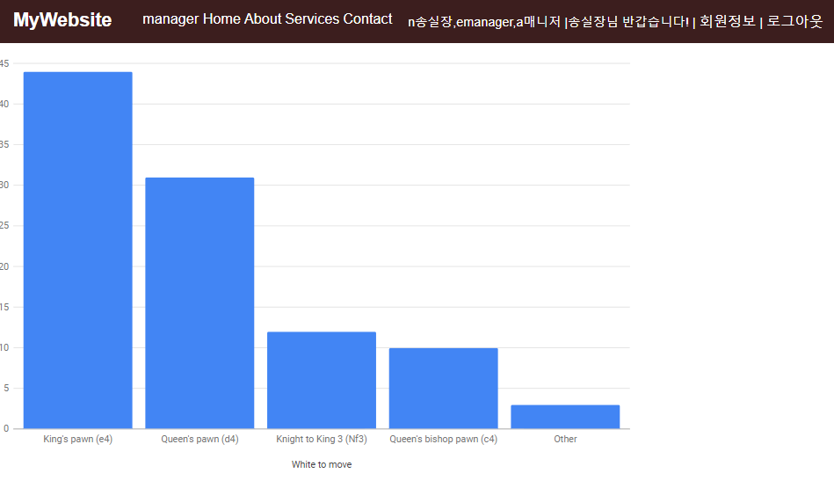
function drawStuff() {
var data = new google.visualization.arrayToDataTable([
['Move', 'Percentage'],
["King's pawn (e4)", 44],
["Queen's pawn (d4)", 31],
["Knight to King 3 (Nf3)", 12],
["Queen's bishop pawn (c4)", 10],
['Other', 3]
]);

var options = {
width: 800,
legend: { position: 'none' },
chart: {
title: 'Chess opening moves',
subtitle: 'popularity by percentage' },
axes: {
x: {
0: { side: 'bottom', label: 'White to move'} // Top x-axis.
}
},
bar: { groupWidth: "90%" }
};

var chart = new google.charts.Bar(document.getElementById('top_x_div'));
// Convert the Classic options to Material options.
chart.draw(data, google.charts.Bar.convertOptions(options));
};
</script>
<div id="top_x_div" style="width: 800px; height: 600px;"></div>
<%@ include file="../include/footer.jsp"%>
7. 실제 구현

