Project Background
You were recently hired as an accounting analytic consultant for a liquor store. The store was recently purchased by new Management group and they are looking for insights into various parts of the business such as their internal controls and overall performance.
The following tab of the workbook outlines the key questions that Management has asked you to handle during your two weeks on the job.
The following guidelines were shared:
1. Management provided the raw data to you in both excel and in an IDEA project. It is your choice which tool to use to answer the questions and you can mix and match accordingly. When you open the IDEA project, remember to import it just like you would a normal homework or demo file. Browse to the "Project - IDEA Project" folder.
2. Management provided you with a data definitions table that outlines the purpose of each field of each table. It is recommended that you review this document before you get started.
3. Management will evaluate the project as follows: There are 5 questions in total, each worth a maximum of 20 points (for a total score of 100). Each question will receive a score of 0, 5, 10, 15 or 20.
0 = No attempt
5 = Novice Attempt and Results
10 = Average Attempt and Results
15 = Proficient Attempt and Results
20 = Advanced Attempt and Results
4. Submissions must be made to 2SU by midnight of the day PRIOR to the week 10 live session. For example, if we meet on a Friday, it must be submitted Thursday evening. All files should be appropriately named ("First Name_Last Name_Project." )
5. This project must be completed individually!

Question 1 Support
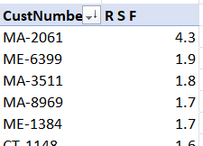
- EMP_1643 has the most sales but also the most discounts |  | Go back to: Project - Questions Tab

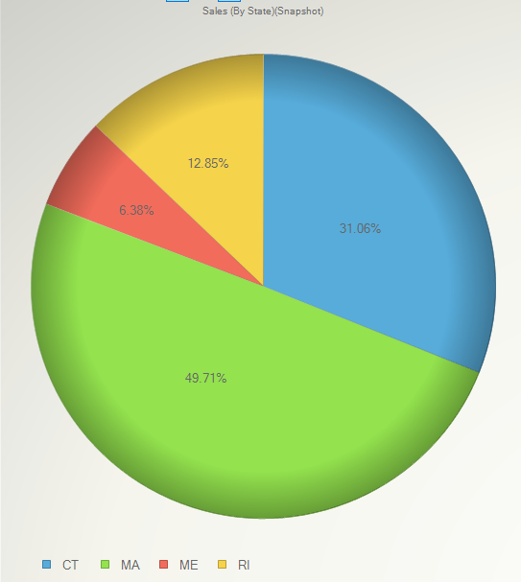
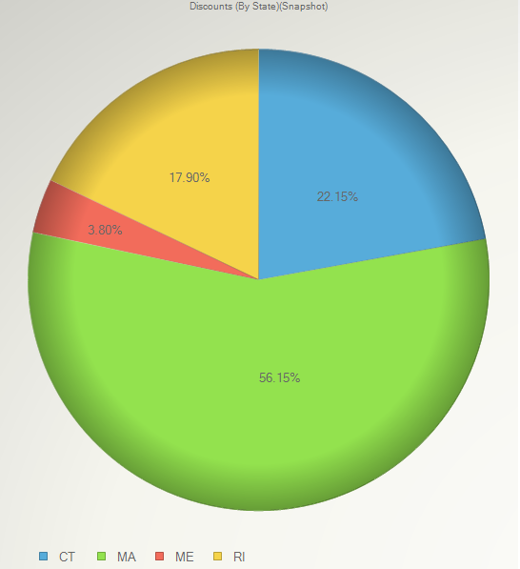
- Sales team sells the most in Massachusetts; each team member sells in each state
- Sales team provides the most discounts in Massachusett
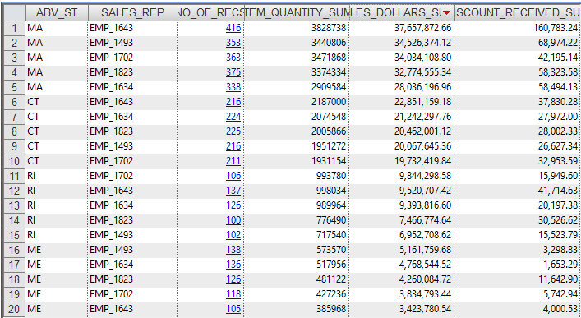

 | DISC_REC_VS_SB_SUM
- Sales employees (EMP-1643 & EMP_1493) overpaid discounts to customers by $73,503.97 | $24,201.66
 | 29,680.16
 | 11,860.74
 | 7,761.41
 | $73,503.97
 |  |  | - This analysis shows the the relationship of EMP_1643 and the companies (MA-2061, MA-9040 & RI-6392)
- Sales employees (EMP-1643) has what appears to be abnormal (excessive) sales to three specific companies (MA-2061, MA-9040 & RI-6392) |  |  | - This analysis also shows the relationship of EMP_1493 and MA-8344.
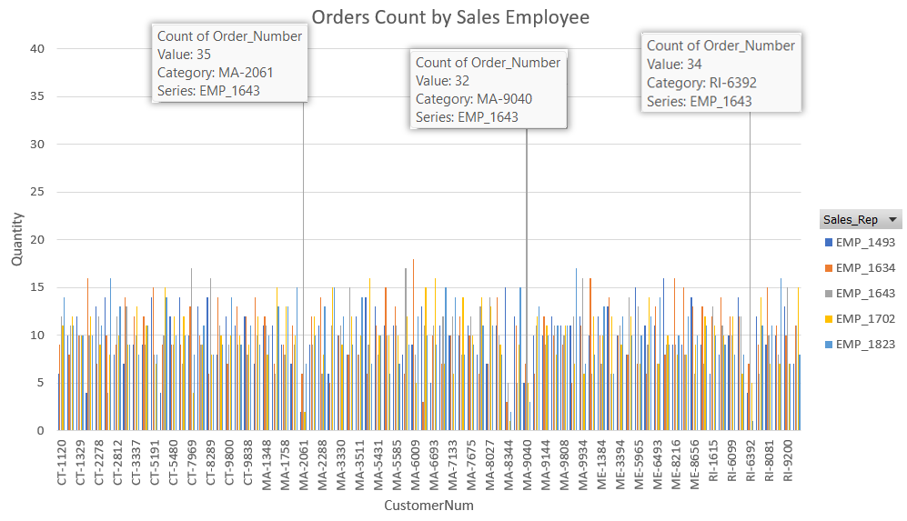
 |  |  | Count of Order_Number | Emp
 |  |  | Companies | EMP_1493 | EMP_1634 | EMP_1643 | EMP_1702 | EMP_1823
 |  |  | MA-2061 | 4% | 12% | 67% | 4% | 13%
 |  |  | MA-8344 | 58% | 12% | 19% | 4% | 8%
 |  |  | MA-9040 | 10% | 13% | 62% | 10% | 6%
 |  |  | RI-6392 | 8% | 14% | 67% | 10% | 2%

- Sales employees (EMP-1643) has what appears to be abnormal (excessive) sales with MA-2061 with a RSF of over 4.

Question 2 Support
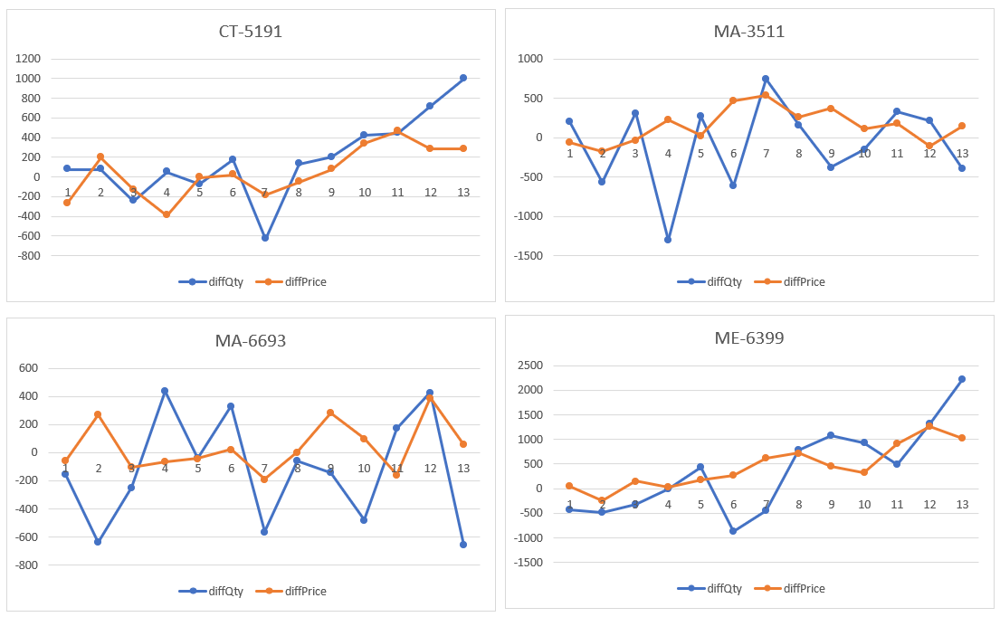
 |  | Comparing Q1 sales data to Q2 sales data (Difference in Qty and Sale Prices) by Week |  |  |  |  | Go back to: Project - Questions Tab |  |  |  | diffPrice
 |  |  |  |  |  |  |  |  |  |  | Weeks | CT-5191 | MA-3511 | MA-6693 | ME-6399 | Grand Total
 |  |  |  |  |  |  |  |  |  |  | 1 | $(269.94) | $(59.24) | $(60.15) | $44.14 | -345.19
 |  |  |  |  |  |  |  |  |  |  | 2 | $195.86 | $(177.56) | $271.92 | $(249.45) | 40.77
 |  |  |  |  |  |  |  |  |  |  | 3 | $(126.20) | $(33.05) | $(101.76) | $147.64 | -113.37
 |  |  |  |  |  |  |  |  |  |  | 4 | $(391.91) | $230.52 | $(68.26) | $34.20 | -195.45
 |  |  |  |  |  |  |  |  |  |  | 5 | $(4.54) | $24.07 | $(43.01) | $169.63 | 146.15
 |  |  |  |  |  |  |  |  |  |  | 6 | $16.24 | $462.52 | $26.82 | $268.42 | 774
 |  |  |  |  |  |  |  |  |  |  | 7 | $(186.72) | $536.47 | $(185.00) | $621.11 | 785.86
 |  |  |  |  |  |  |  |  |  |  | 8 | $(55.08) | $259.74 | $2.75 | $718.85 | 926.26
 |  |  |  |  |  |  |  |  |  |  | 9 | $72.96 | $368.84 | $282.59 | $447.60 | 1171.99
 |  |  |  |  |  |  |  |  |  |  | 10 | $340.19 | $112.05 | $104.57 | $314.75 | 871.56
 |  |  |  |  |  |  |  |  |  |  | 11 | $460.83 | $177.25 | $(158.83) | $918.43 | 1397.68
 |  |  |  |  |  |  |  |  |  |  | 12 | $286.06 | $(105.80) | $389.86 | $1,264.70 | 1834.82
 |  |  |  |  |  |  |  |  |  |  | 13 | $285.00 | $145.77 | $55.60 | $1,019.33 | 1505.7
 |  |  |  |  |  |  |  |  |  |  | Grand Total | 622.75 | 1941.58 | 517.1 | 5719.35 | 8800.78

- ME-6399 had the best gains overall

- Here is the breakdown by customer number and quarters
 | Q1 |  |  | Q2 |  |  | Compare Qtrs
CustNumber | Week of Quarter | Sum of QuantitySold | Sum of SalesPrice | Week of Quarter | Sum of QuantitySold | Sum of SalesPrice | diffQty | diffPrice | WOQ | AvgdiffQty | AvgdiffPrice
CT-5191 | 1 | 504 | $730.63 | 1 | 576 | $460.69 | 72 | $(269.94) | 1 | (77) | (86)
CT-5191 | 2 | 624 | $414.17 | 2 | 702 | $610.03 | 78 | $195.86 | 2 | (404) | 10
CT-5191 | 3 | 660 | $561.58 | 3 | 414 | $435.38 | (246) | $(126.20) | 3 | (127) | (28)
CT-5191 | 4 | 664 | $796.85 | 4 | 708 | $404.94 | 44 | $(391.91) | 4 | (209) | (49)
CT-5191 | 5 | 768 | $492.85 | 5 | 696 | $488.31 | (72) | $(4.54) | 5 | 149 | 37
CT-5191 | 6 | 582 | $642.77 | 6 | 756 | $659.01 | 174 | $16.24 | 6 | (246) | 194
CT-5191 | 7 | 1,146 | $527.97 | 7 | 510 | $341.25 | (636) | $(186.72) | 7 | (228) | 196
CT-5191 | 8 | 706 | $630.45 | 8 | 834 | $575.37 | 128 | $(55.08) | 8 | 253 | 232
CT-5191 | 9 | 732 | $616.79 | 9 | 936 | $689.75 | 204 | $72.96 | 9 | 190 | 293
CT-5191 | 10 | 672 | $593.45 | 10 | 1,098 | $933.64 | 426 | $340.19 | 10 | 180 | 218
CT-5191 | 11 | 498 | $518.57 | 11 | 942 | $979.40 | 444 | $460.83 | 11 | 359 | 349
CT-5191 | 12 | 816 | $620.80 | 12 | 1,530 | $906.86 | 714 | $286.06 | 12 | 669 | 459
CT-5191 | 13 | 438 | $550.03 | 13 | 1,428 | $835.03 | 990 | $285.00 | 13 | 541 | 376
MA-3511 | 1 | 378 | $450.47 | 1 | 582 | $391.23 | 204 | $(59.24)
MA-3511 | 2 | 1,398 | $682.73 | 2 | 828 | $505.17 | (570) | $(177.56)
MA-3511 | 3 | 714 | $968.85 | 3 | 1,026 | $935.80 | 312 | $(33.05)
MA-3511 | 4 | 1,938 | $476.33 | 4 | 636 | $706.85 | (1,302) | $230.52
MA-3511 | 5 | 888 | $447.06 | 5 | 1,158 | $471.13 | 270 | $24.07
MA-3511 | 6 | 1,698 | $447.11 | 6 | 1,086 | $909.63 | (612) | $462.52
MA-3511 | 7 | 456 | $259.93 | 7 | 1,200 | $796.40 | 744 | $536.47
MA-3511 | 8 | 846 | $512.26 | 8 | 1,008 | $772.00 | 162 | $259.74
MA-3511 | 9 | 720 | $446.51 | 9 | 342 | $815.35 | (378) | $368.84
MA-3511 | 10 | 900 | $576.85 | 10 | 750 | $688.90 | (150) | $112.05
MA-3511 | 11 | 786 | $451.38 | 11 | 1,116 | $628.63 | 330 | $177.25
MA-3511 | 12 | 582 | $608.93 | 12 | 792 | $503.13 | 210 | $(105.80)
MA-3511 | 13 | 1,194 | $437.44 | 13 | 804 | $583.21 | (390) | $145.77
MA-6693 | 1 | 1,422 | $952.38 | 1 | 1,266 | $892.23 | (156) | $(60.15)
MA-6693 | 2 | 1,592 | $640.59 | 2 | 954 | $912.51 | (638) | $271.92
MA-6693 | 3 | 886 | $720.24 | 3 | 642 | $618.48 | (244) | $(101.76)
MA-6693 | 4 | 1,272 | $981.69 | 4 | 1,710 | $913.43 | 438 | $(68.26)
MA-6693 | 5 | 1,080 | $719.17 | 5 | 1,038 | $676.16 | (42) | $(43.01)
MA-6693 | 6 | 1,179 | $715.52 | 6 | 1,512 | $742.34 | 333 | $26.82
MA-6693 | 7 | 1,380 | $1,012.08 | 7 | 816 | $827.08 | (564) | $(185.00)
MA-6693 | 8 | 1,492 | $896.69 | 8 | 1,434 | $899.44 | (58) | $2.75
MA-6693 | 9 | 1,440 | $718.82 | 9 | 1,296 | $1,001.41 | (144) | $282.59
MA-6693 | 10 | 1,698 | $782.54 | 10 | 1,218 | $887.11 | (480) | $104.57
MA-6693 | 11 | 870 | $849.93 | 11 | 1,044 | $691.10 | 174 | $(158.83)
MA-6693 | 12 | 660 | $601.39 | 12 | 1,092 | $991.25 | 432 | $389.86
MA-6693 | 13 | 1,349 | $568.62 | 13 | 690 | $624.22 | (659) | $55.60
ME-6399 | 1 | 1,208 | $595.76 | 1 | 780 | $639.90 | (428) | $44.14
ME-6399 | 2 | 1,332 | $608.28 | 2 | 846 | $358.83 | (486) | $(249.45)
ME-6399 | 3 | 1,756 | $693.66 | 3 | 1,428 | $841.30 | (328) | $147.64
ME-6399 | 4 | 1,262 | $614.23 | 4 | 1,248 | $648.43 | (14) | $34.20
ME-6399 | 5 | 946 | $522.42 | 5 | 1,386 | $692.05 | 440 | $169.63
ME-6399 | 6 | 2,404 | $946.21 | 6 | 1,524 | $1,214.63 | (880) | $268.42
ME-6399 | 7 | 2,689 | $664.67 | 7 | 2,232 | $1,285.78 | (457) | $621.11
ME-6399 | 8 | 1,236 | $765.78 | 8 | 2,016 | $1,484.63 | 780 | $718.85
ME-6399 | 9 | 1,128 | $715.32 | 9 | 2,206 | $1,162.92 | 1,078 | $447.60
ME-6399 | 10 | 1,524 | $954.87 | 10 | 2,448 | $1,269.62 | 924 | $314.75
ME-6399 | 11 | 1,626 | $967.03 | 11 | 2,112 | $1,885.46 | 486 | $918.43
ME-6399 | 12 | 864 | $840.98 | 12 | 2,184 | $2,105.68 | 1,320 | $1,264.70
ME-6399 | 13 | 1,128 | $815.54 | 13 | 3,350 | $1,834.87 | 2,222 | $1,019.33

Question 4 Support
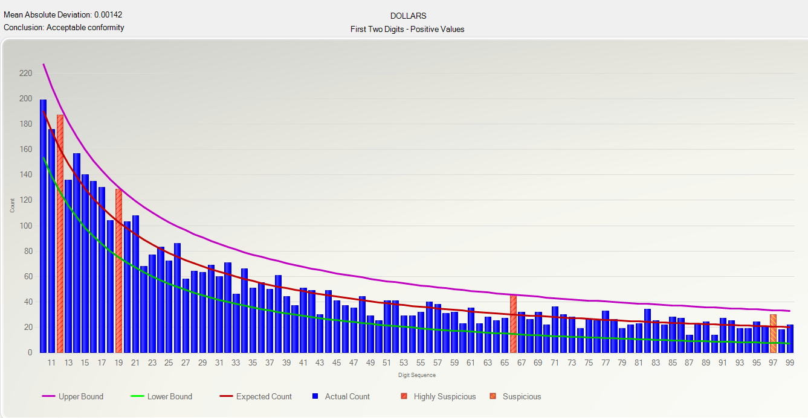
- OVER PAID chart |  |  |  |  | Go back to: Project - Questions Tab
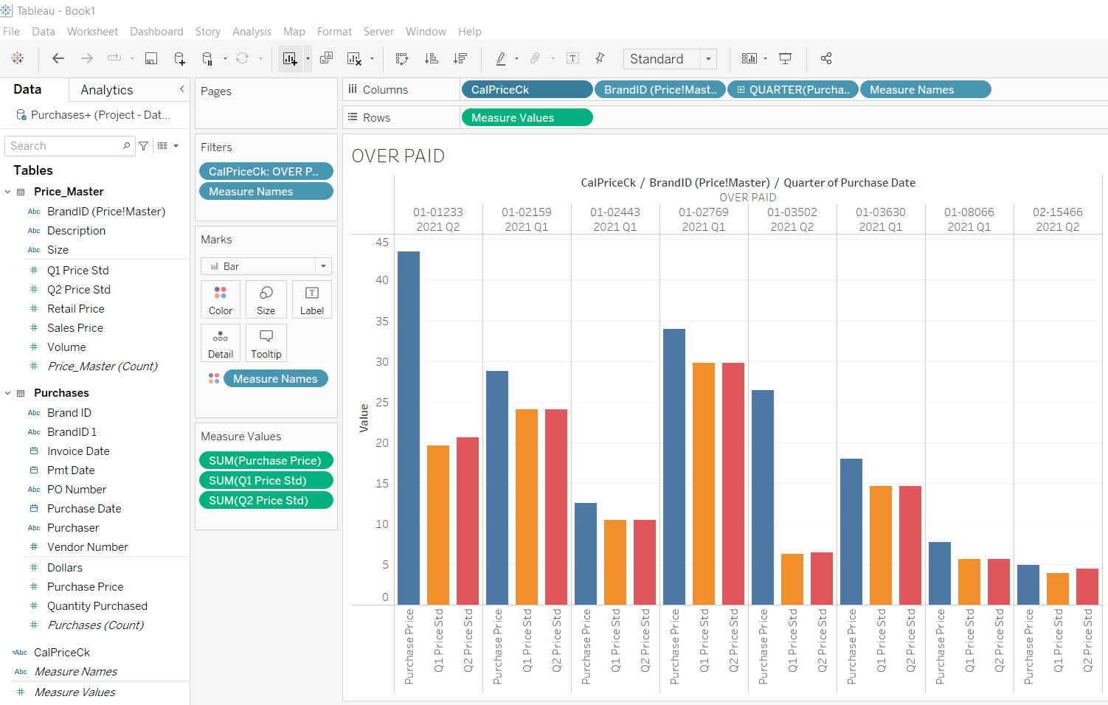

- Overpaid detail report
PurchaseDate | PONumber | VendorNumber | BrandID | QuantityPurchased | InvoiceDate | PmtDate | PurchasePrice | BrandID2 | Dollars | Purchaser | diffpp | Qtr | Q1_Price_Std | Q2_Price_Std | PriceToCompare | OverPaid | TotalOverPaid
2021-01-16 | 7544-014838 | 7544 | 01-02769 | 48 | 2021-01-18 | 2021-03-03 | 33.97 | 01-02769 | 1630.56 | EMP_1892 | 1630.56 | Q1 | 29.77 | 29.77 | 29.77 | 4.2 | 201.6
2021-02-27 | 7744-015163 | 7744 | 01-03630 | 1086 | 2021-03-01 | 2021-04-20 | 17.98 | 01-03630 | 19526.28 | EMP_1892 | 19526.28 | Q1 | 14.58 | 14.58 | 14.58 | 3.4 | 3692.4
2021-02-28 | 7544-015135 | 7544 | 01-08066 | 1080 | 2021-03-03 | 2021-04-25 | 7.68 | 01-08066 | 8294.4 | EMP_1892 | 8294.4 | Q1 | 5.61 | 5.61 | 5.61 | 2.07 | 2235.6
2021-02-28 | 7544-015135 | 7544 | 01-02159 | 36 | 2021-03-03 | 2021-04-25 | 28.76 | 01-02159 | 1035.36 | EMP_1892 | 1035.36 | Q1 | 24.04 | 24.04 | 24.04 | 4.72 | 169.92
2021-03-27 | 4378-015358 | 4378 | 01-02443 | 3486 | 2021-03-29 | 2021-05-17 | 12.56 | 01-02443 | 43784.16 | EMP_1892 | 43784.16 | Q1 | 10.45 | 10.45 | 10.45 | 2.11 | 7355.46
2021-04-10 | 1328-015531 | 1328 | 01-01233 | 3780 | 2021-04-12 | 2021-05-26 | 21.75 | 01-01233 | 82215 | EMP_1269 | 82215 | Q2 | 19.6 | 20.6 | 20.6 | 1.15 | 4347
2021-04-10 | 7544-015532 | 7544 | 01-03502 | 624 | 2021-04-12 | 2021-05-26 | 6.47 | 01-03502 | 4037.28 | EMP_1853 | 4037.28 | Q2 | 6.26 | 6.45 | 6.45 | 0.02 | 12.48
2021-05-08 | 7544-015723 | 7544 | 01-03502 | 300 | 2021-05-10 | 2021-06-27 | 6.95 | 01-03502 | 2085 | EMP_1269 | 2085 | Q2 | 6.26 | 6.45 | 6.45 | 0.5 | 150
2021-05-22 | 1328-015826 | 1328 | 01-01233 | 5640 | 2021-05-24 | 2021-07-10 | 21.75 | 01-01233 | 122670 | EMP_1853 | 122670 | Q2 | 19.6 | 20.6 | 20.6 | 1.15 | 6486
2021-05-23 | 6009-015789 | 6009 | 02-15466 | 120 | 2021-05-26 | 2021-07-21 | 4.89 | 02-15466 | 586.8 | EMP_1892 | 586.8 | Q2 | 3.89 | 4.49 | 4.49 | 0.4 | 48
2021-05-23 | 7544-015808 | 7544 | 01-03502 | 300 | 2021-05-26 | 2021-07-20 | 6.57 | 01-03502 | 1971 | EMP_1892 | 1971 | Q2 | 6.26 | 6.45 | 6.45 | 0.12 | 36
 |  |  |  | 16500 |  |  |  |  |  |  |  |  |  |  |  |  | 24734.46
- Over paid by Qtr
Qtr | Sum of QuantityPurchased | TotalOverPaid |  | - Over paid by vendor 7544 |  |  |  |  |  |  | - Over paid by vendor 1328
OVER PAID - 7544
OVER PAID - 1328
Q1 | 5,736 | $13,654.98
Q2 | 10,764 | $11,079.48
Grand Total | 16,500 | $24,734.46

Purchaser | (Multiple Items) |  |  |  |  |  |  |  |  |  | Purchaser | (Multiple Items)
VendorNumber | 7544 |  |  |  |  |  |  |  |  |  | VendorNumber | 1328

Qtr | QtyPurchased | TotalOverPaid |  |  |  |  |  |  |  |  | Qtr | QtyPurchased | TotalOverPaid
2021-04-10 | 624 | $12.48 |  |  |  |  |  |  |  |  | 2021-04-10 | 3,780 | $4,347.00
2021-05-08 | 300 | $150.00 |  |  |  |  |  |  |  |  | 2021-05-22 | 5,640 | $6,486.00
Grand Total | 924 | $162.48 |  |  |  |  |  |  |  |  | Grand Total | 9,420 | $10,833.00

- Over paid by all over paid vendors

OVER PAID-All
Purchaser | (All)
VendorNumber | (All)

Qtr | QtyPurchased | TotalOverPaid
2021-01-16 | 48 | $201.60
2021-02-27 | 1,086 | $3,692.40
2021-02-28 | 1,116 | $2,405.52
2021-03-27 | 3,486 | $7,355.46
2021-04-10 | 4,404 | $4,359.48
2021-05-08 | 300 | $150.00
2021-05-22 | 5,640 | $6,486.00
2021-05-23 | 420 | $84.00
Grand Total | 16,500 | $24,734.46

- Benford's Law (First Two Digits) Test on purchase dollars

Question 5 Support
- Checked the payment days to see if any employee stood out; nothing suspicious |  |  |  | Go back to: Project - Questions Tab
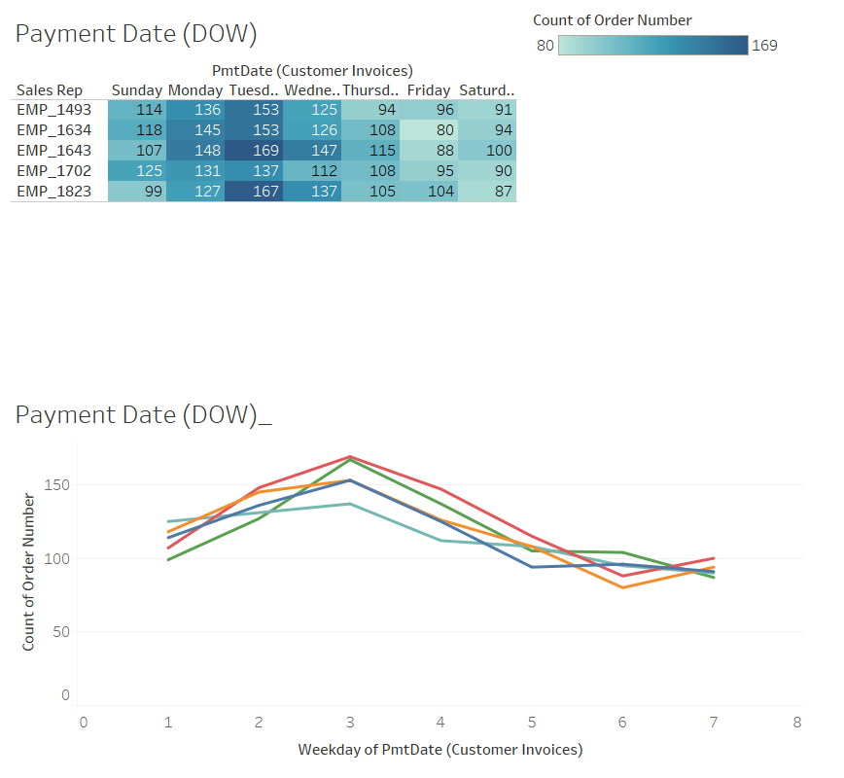

- Customer Invoices - One single payment on Saturday, 13 days after invoice date with EMP_1643 and Customer RI-6392 (Same employee & customer came up as suspicious in Question 1 for overpaying discounts)

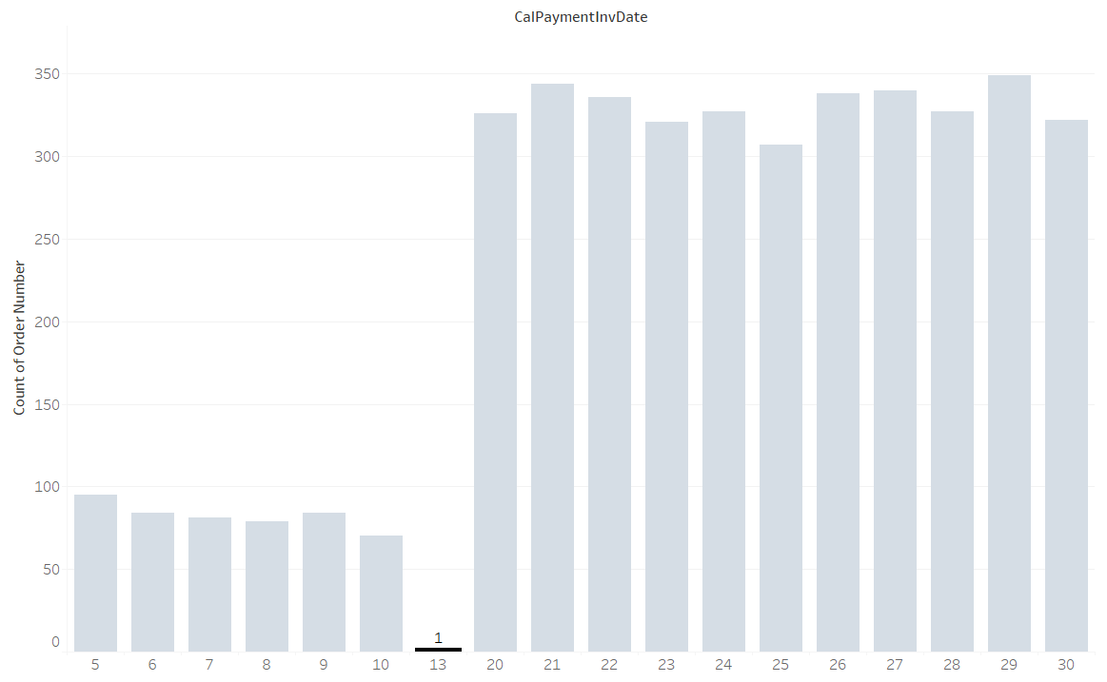

- Looked at the freight costs by state and compared them to the items sold, everything looks proportional; nothing suspicious

 |  |  |  |  | 3% | 97%

- Two entries for possibly the same supplier in the customer table.

- Segregation of Duties (SOD) check by comparing department job titles to employees performing transactions; no issue
Table | Department | Rec_Count | Check
Purchases | Purchasing | 4610 | OK
Customer Invoices | Sales | 4131 | OK
Q1 Sales Detail | Sales | 3035 | OK
Q2 Sales Detail | Sales | 3765 | OK

