Question 2
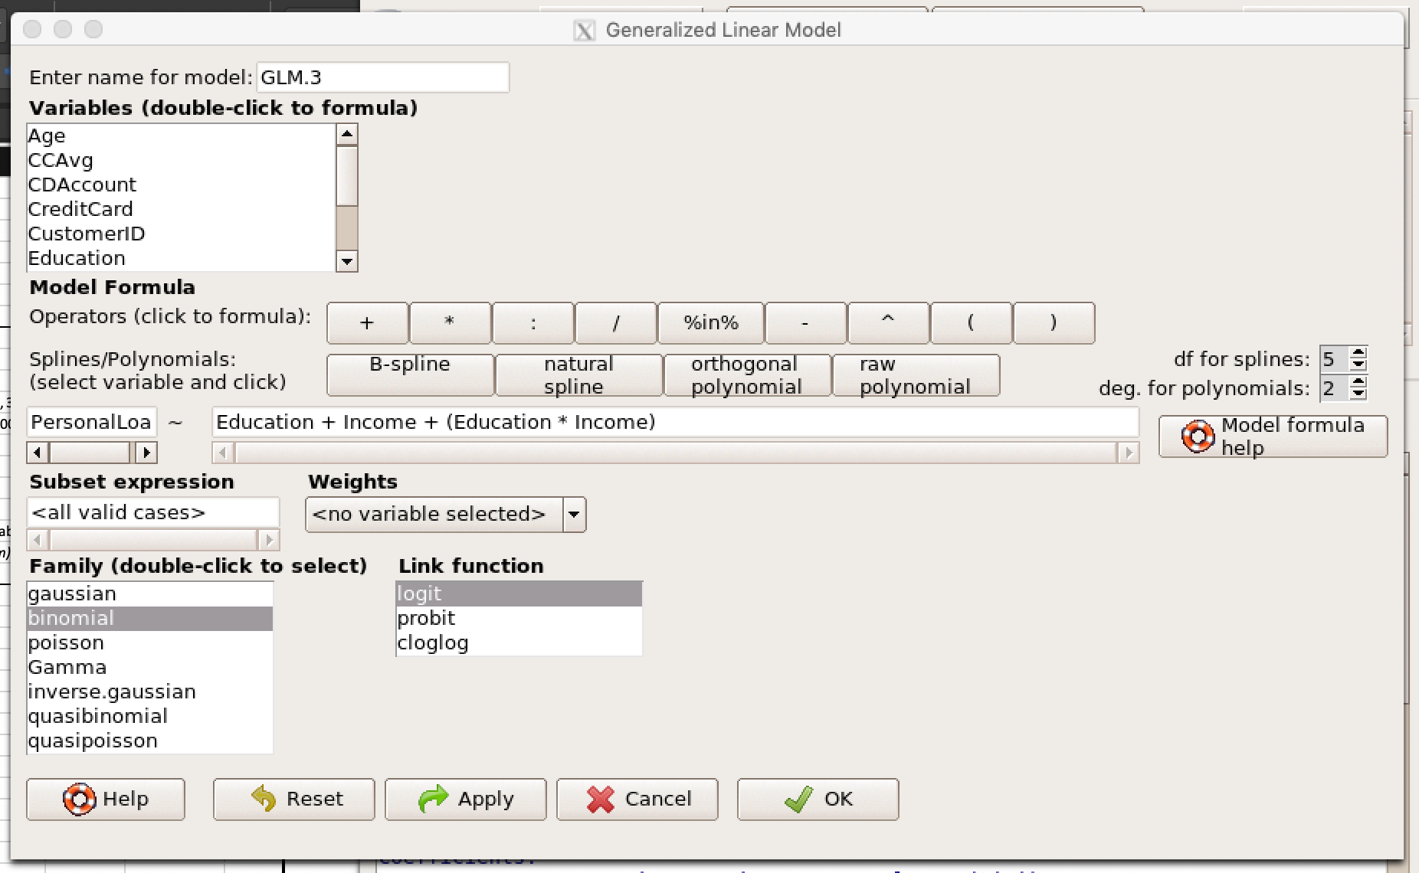
Add moderating effects (interactions of variables). Which interactions make sense |  |  |  |  |  |  |  | Income and Education
conceptually? Which interactions are statistically significant? How do you interpret
the coefficients on these variables?
Create a final regression model with the variables that you feel are important
(interaction terms or moderating effects only). Create a spreadsheet prediction of the model.

Coefficients: | Estimate | Std. Error | z value | Pr(>|z|) |  | Input |  |  | Output |  | Sensitivity Analysis
(Intercept) | 1.905818 | 0.805047 | 2.367 | 0.0179 | * | Variables | Desc | Value | Coeff*Value |  |  | Education
Education | -7.043853 | 0.676857 | -10.407 | <2e-16 | *** | Intercept | Always 1 | 1 | 1.905818 |  |  |  | Undergrad | Grad | ADV/Prof
Income | -0.058799 | 0.007082 | -8.303 | <2e-16 | *** | Education | 1=UNDER, 2=GRAD, 3=ADV/PROF | 0 | 0 | Income | 10% | 0 | 1 | 2 | 3
Education:Income | 0.079411 | 0.00628 | 12.646 | <2e-16 | *** | Income | Annual income in 000s | 70 | -4.11593 |  | 10 | 0.78882011535 | 0.0071610275853 | 1.3927128528E-05 | 2.68929672E-08
 |  |  |  |  |  | Education:Income | Interaction | 0 | 0 |  | 20 | 0.67476972179 | 0.0087857901982 | 3.7865662228E-05 | 1.6177470787E-07
 |  |  |  |  |  |  |  |  |  |  | 30 | 0.53540265892 | 0.010775193698 | 0.00010294651754 | 9.7315547992E-07
 |  |  |  |  |  |  |  | Sum | -2.210112 |  | 40 | 0.39027843068 | 0.013209063202 | 0.00027985249654 | 5.8539913108E-06
 |  |  |  |  |  |  |  | exp(Sum) | 0.10968836273 |  | 50 | 0.26228381435 | 0.016183694105 | 0.00076052709696 | 3.5213669443E-05
 |  |  |  |  |  |  | Probability |  | 10% |  | 60 | 0.16491242833 | 0.019814749506 | 0.0020651028694 | 0.00021179053526
 |  |  |  |  |  |  | expsum/(1+expsum) |  |  |  | 70 | 0.098846096269 | 0.024240413763 | 0.0055949623149 | 0.0012726747571
 |  |  |  |  |  |  |  |  |  |  | 80 | 0.057426826457 | 0.029624683645 | 0.015067277462 | 0.0076072213602
 |  |  |  |  |  |  |  |  |  |  | 90 | 0.032732962819 | 0.036160584487 | 0.039932310834 | 0.044079454865
 |  |  |  |  |  |  |  |  |  |  | 100 | 0.01844975705 | 0.044072966306 | 0.10159852755 | 0.21715199708
 |  |  |  |  |  |  |  |  |  |  | 110 | 0.010332528231 | 0.053620357596 | 0.23516764918 | 0.62527496969
 |  |  |  |  |  |  |  |  |  |  | 120 | 0.0057656101412 | 0.065095132578 | 0.45533735977 | 0.90940067327
 |  |  |  |  |  |  |  |  |  |  | 130 | 0.0032106949809 | 0.078820993648 | 0.69447021404 | 0.98370838599
 |  |  |  |  |  |  |  |  |  |  | 140 | 0.0017859058696 | 0.09514652093 | 0.86072587972 | 0.99725443485
 |  |  |  |  |  |  |  |  |  |  | 150 | 0.00099275639179 | 0.11443336674 | 0.94382993327 | 0.99954253792
 |  |  |  |  |  |  |  |  |  |  | 160 | 0.00055166266375 | 0.1370376923 | 0.97858030443 | 0.9999239238
 |  |  |  |  |  |  |  |  |  |  | 170 | 0.00030649211186 | 0.16328382101 | 0.99201380027 | 0.99998735251
 |  |  |  |  |  |  |  |  |  |  | 180 | 0.0001702619752 | 0.19342999979 | 0.9970478116 | 0.9999978975
 |  |  |  |  |  |  |  |  |  |  | 190 | 9.4577913433E-05 | 0.22762775065 | 0.99891217003 | 0.99999965048
 |  |  |  |  |  |  |  |  |  |  | 200 | 5.2534811275E-05 | 0.26587852122 | 0.9995996264 | 0.9999999419
 |  |  |  |  |  |  |  |  |  |  | 210 | 2.9180753837E-05 | 0.30799385589 | 0.99985270737 | 0.99999999034
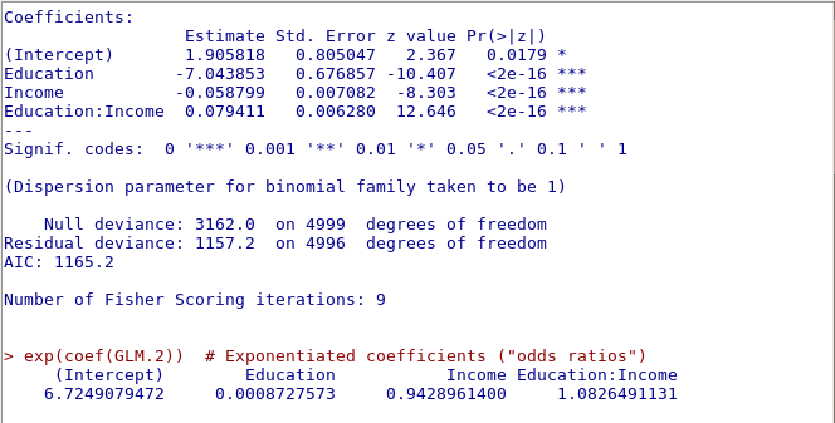
 |  |  |  |  |  |  |  |  |  |  | 220 | 1.6208444136E-05 | 0.35356735593 | 0.99994582149 | 0.99999999839
 |  |  |  |  |  |  |  |  |  |  | 230 | 9.0029252743E-06 | 0.40196722613 | 0.99998007274 | 0.99999999973
 |  |  |  |  |  |  |  |  |  |  | 240 | 5.0006282639E-06 | 0.45235623791 | 0.99999267076 | 0.99999999996
 |  |  |  |  |  |  |  |  |  |  | 250 | 2.7775681547E-06 | 0.50374118018 | 0.99999730433 | 0.99999999999

Question 3
3.Create a final regression model with the variables that you feel are important (both main effects and interaction terms). |  |  |  |  |  |  |  | Income and Education
Create a spreadsheet prediction of the model. Which variables have the greatest influence on the customers’ loan behavior(combined main effects and interaction effects)?
Perform a sensitivity analysis as seen earlier in the semester. Copy screen snapshots of your analysis in R to your report. (20%).

Coefficients: | Estimate | Std. Error | z value | Pr(>|z|) |  | Input |  |  | Output |  | Sensitivity Analysis
(Intercept) | -0.362552 | 0.866264 | -0.419 | 0.676 |  | Variables | Desc | Value | Coeff*Value |  |  | Education
CCAvg | 0.192971 | 0.045686 | 4.224 | 2.40E-05 | *** | Intercept | Always 1 | 1 | -0.362552 | Inc | 7% | 0 | 1 | 2 | 3
Education | -7.674026 | 0.732541 | -10.476 | < 2e-16 | *** | CCAvg | Avg mthly spend ($000) | 2 | 0.385942 |  | 0 | 96.85% | 1.41% | 0.00% | 0.00%
Family | 0.850617 | 0.087149 | 9.76 | < 2e-16 | *** | Education | 0= UNDER, 1 UNDER, 2 GRAD, 3 ADV | 1 | -7.674026 |  | 10 | 94.27% | 1.76% | 0.00% | 0.00%
Income | -0.06249 | 0.007716 | -8.099 | 5.56E-16 | *** | Family | family size | 4 | 3.402468 |  | 20 | 89.81% | 2.20% | 0.01% | 0.00%
Education:Income | 0.085124 | 0.006836 | 12.452 | < 2e-16 | *** | Income | Annual Income ($000) | 75 | -4.68675 |  | 30 | 82.51% | 2.74% | 0.02% | 0.00%
 |  |  |  |  |  | Income: Education |  | 75 | 6.3843 |  | 40 | 71.63% | 3.41% | 0.05% | 0.00%
 |  |  |  |  |  |  |  |  |  |  | 50 | 57.48% | 4.24% | 0.15% | 0.00%
 |  |  |  |  |  |  |  | Sum | -2.550618 |  | 60 | 41.98% | 5.26% | 0.42% | 0.03%
 |  |  |  |  |  |  | Probability | exp(Sum) | 0.078033426439 |  | 70 | 27.92% | 6.51% | 1.24% | 0.23%
 |  |  |  |  |  |  | expsum/(1+expsum) |  | 7.24% |  | 80 | 17.17% | 8.04% | 3.55% | 1.53%
 |  |  |  |  |  |  |  |  |  |  | 90 | 9.99% | 9.88% | 9.76% | 9.65%
 |  |  |  |  |  |  |  |  |  |  | 100 | 5.61% | 12.08% | 24.11% | 42.36%
Variables selected: |  |  |  |  |  |  |  |  |  |  | 110 | 3.08% | 14.70% | 48.28% | 83.49%
CCAvg | As the avg monthly credit card increases, the likelihood the consumer will take a personal loan to reduce the monthly pyment and rate increases. |  |  |  |  |  |  |  |  |  | 120 | 1.67% | 17.77% | 73.28% | 97.21%
Education | As educaton increases, its likely the amount of student debt increases which reduces the likelihood of customer accepting additional debt. |  |  |  |  |  |  |  |  |  | 130 | 0.90% | 21.32% | 88.96% | 99.58%
Family | The larger the family , the less disposable income for emergencies and purchases , therefore customer is more likely to accept a personal loan. |  |  |  |  |  |  |  |  |  | 140 | 0.49% | 25.36% | 95.95% | 99.94%
Income | the higher the annual income the less need for a personal loan and greater financing options such as same as cash and credit card financing. |  |  |  |  |  |  |  |  |  | 150 | 0.26% | 29.88% | 98.58% | 99.99%
Education:Income | Given student loans and in absence of scholarships and corporate support increasing levels of education require increasing debt amounts. |  |  |  |  |  |  |  |  |  | 160 | 0.14% | 34.83% | 99.51% | 100.00%
 | The only variable that can moderate it is income. |  |  |  |  |  |  |  |  |  | 170 | 0.07% | 40.12% | 99.83% | 100.00%
 |  |  |  |  |  |  |  |  |  |  | 180 | 0.04% | 45.66% | 99.94% | 100.00%

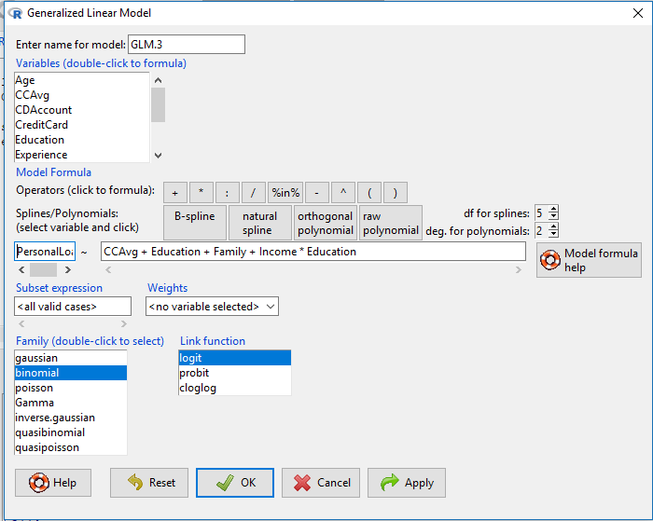
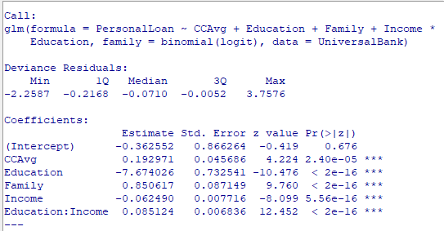

The variables with greatest influence are education , probably the result of the student debt assumed to finance the education.
Its also possible the more educated a person, the more savvy they are regarding their finances and resist the urge go into to debt to finance purchases.
The increase in family size also plays a role. As indicated earlier, the larger the family , the higher family expense for food,health care, clothing and the like.
Finally, income strongly moderates the educational negative affect on personal loans, especially at the $80-$90k annual income levels.
This may be the result of having sufficient income to cover their personal living expenses and student loan payments or a psychological income barrier. The customer feels as if "they have made it",careerwise
and feel freer to spend money.

Question 4 and 5
4. Perform a neural network analysis of the variables found to be significant in the logit and probit analysis above. Copy screen snapshots of your final neural network model in R to your report. |  |  | Income and Education

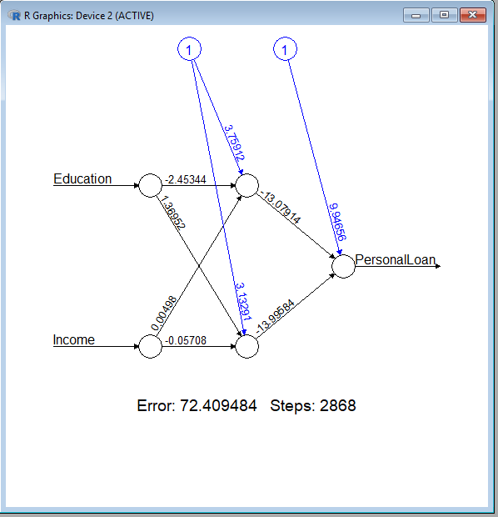
This neural network analysis includes the variables (education and income) found to be significant in the logit and probit analysis.
Steps to Run Neural network Analysis and view the output
Step No | Program to use | Action
Step1 | R commander | Load (import) data into R - make sure to name the dataset
Ubank
Step2 | R Console | Copy the command in red font below to the console (This will load the neural network)
library(neuralnet)

Step2 | Excel Template | Type in values below

 | Description | Value
 | Variable to store Results (any name) | VarResult
 | Dependent variable (what to predict) | PersonalLoan
 | Input Variable 1 | Education
 | Input Variable 2 | Income
 | data for the model (name from step1) | Ubank
 | number of hidden nodes to be used | 2

Step3 | R Console | Copy the command in red font below to the console (This will run the neural network analysis)
VarResult <- neuralnet(PersonalLoan ~ Education+Income,Ubank, hidden=2, lifesign='minimal', linear.output=FALSE, threshold=0.1)

Step4 | R Console | Copy the command in red font below to the console (this will plot the neural diagram in a separate window)
plot(VarResult,rep='best')

Step5 | R Console | Copy the command in red font below to the console (this will display the coefficients of the neural network)
VarResult$result.matrix |  |  |  | error | 72.409484259 | Input |  |  |  | Hidden Node1 |  |  |  | Hidden Node2
 |  |  |  | reached.threshold | 0.092630691 | Variables | Desc | Value |  | Variable | Coefficient | Co-eff*Value |  | Variable | Coefficient | Co-eff*Value
 |  |  |  | steps | 2868 | Intercept | Always 1 | 1 |  | Intercept | 3.759115121 | 3.759115121 |  | Intercept | 3.132908528 | 3.132908528
5. Create a prediction model of the neural network. Using the prediction model, perform a sensitivity analysis for the neural network model similar to the logit and probit sensitivity analysis. |  |  |  | Intercept.to.1layhid1 | 3.759115121 | income | income in euro | 125 |  | income | 0.004981865 | 0.622733125 |  | income | -0.057076515 | -7.134564375
 |  |  |  | Education.to.1layhid1 | -2.453444635 | Education | education level | 3 |  | Education | -2.453444635 | -7.360333905 |  | Education | 1.369524905 | 4.108574715
 |  |  |  | Income.to.1layhid1 | 0.004981865
 |  |  |  | Intercept.to.1layhid2 | 3.132908528 |  |  |  |  |  | Sum | -2.978485659 |  |  | Sum | 0.106918868
This sensitivity analysis shows that individuals with a higher education and income are more likely to open loans. This can be explained in the following ways: |  |  |  | Education.to.1layhid2 | 1.369524905 |  |  |  |  |  | exp(Sum) | 0.050869809805 |  |  | exp(Sum) | 1.1128439636
 |  |  |  | Income.to.1layhid2 | -0.057076515 |  |  |  |  | Probability |  | 5% |  | Probability |  | 53%
● Individuals with higher education need more money to pay for the education. |  |  |  | Intercept.to.PersonalLoan | 9.946562903 |  |  |  |  | expsum/(1+expsum) |  |  |  | expsum/(1+expsum)
● Individuals with higher income will spend more money on average. |  |  |  | 1layhid1.to.PersonalLoan | -13.079137823
● Individuals with higher income and education will take more financial risks. |  |  |  | 1layhid2.to.PersonalLoan | -13.995838203 | Output |  |  |  |  | Sensitivity Analysis
● Individuals with higher income are more likely to be approved for loans. |  |  |  |  |  | Variables | Coefficient | Value | Coeff*Value |  |  | Education
 |  |  |  |  |  | Intercept | 9.946562903 | 1 | 9.95 |  | 87% | 1 | 2 | 3
 |  |  |  |  |  | Hidden1 | -13.079137823 | 5% | (0.63) | INCOME | 50 | 0% | 0% | 1%
 |  |  |  |  |  | Hidden2 | -13.995838203 | 53% | (7.37) |  | 75 | 0% | 0% | 2%
 |  |  |  |  |  |  |  |  |  |  | 100 | 1% | 11% | 11%
 |  |  |  |  |  |  |  | Sum | 1.94 |  | 125 | 8% | 88% | 87%
 |  |  |  |  |  |  |  | exp(Sum) | 6.9710701135 |  | 150 | 13% | 98% | 100%
 |  |  |  |  |  |  | Probability |  | 87% |  | 175 | 13% | 98% | 100%
 |  |  |  |  |  |  | expsum/(1+expsum) |  |  |  | 200 | 12% | 98% | 100%
 |  |  |  |  |  |  |  |  |  |  | 225 | 11% | 97% | 100%

