Sales_share_by_model
Name | Share Worldwide | Share China | Share USA
Tesla Model 3 | 501 |  | 128600
Wuling Mini | 424 | 52798
Tesla Model Y | 411 | 34951 | 172700
VW ID.4 | 122 |  | 16742
BYD Qin Plus PHEV | 112 | 32692
https://www.statista.com/statistics/960121/sales-of-all-electric-vehicles-worldwide-by-model/
China shares (FEB 2022 ytd):
https://insideevs.com/news/576396/china-plugin-car-sales-february2022/#:~:text=The%20top%2Dselling%20models%20in,BYD%20Tang%20PHEV%20(10%2C026).
USA Share of EVs sold:
https://www.caranddriver.com/features/g36278968/best-selling-evs-of-2021/
- chose to only include those in top 5
Li Xiang EREV | 91 | 20682
BYD Han EV | 87 | 18993
BYD Song Pro PHEV | 79 | 35468
Changan Benni EV | 77 | 15412
Volkswagen ID.3 | 76
BYD Dolphin |  | 19167
BYD Tang PHEV |  | 18873
Chery QQ Ice Cream |  | 16426
Leaf |  |  | 14239
Chevrolet Bolt EV |  |  | 24803
Ford Mustang Mach-E |  |  | 27140

Model_specs
Name | KWH | Range (km) | Drive | Notes
Tesla Model 3 | 68.25 | 462 | BEV
Wuling Mini | 11.5 | 145 | BEV
Mostly wikipedia sourced. Intended to be useful for calculating averages so numbers arent intended to be 100% accurate.
Tesla Model Y | 75 | 468.66666667 | BEV
VW ID.4 | 68.5 | 418 | BEV
BYD Qin Plus PHEV | 15 | 82 | PHEV
Li Xiang EREV | 17.875 | 86.25 | PHEV | Assumed only PHEV models
BYD Han EV | 76.9 | 605 | BEV
BYD Song Pro PHEV | 18.3 | 110 | PHEV
Changan Benni EV | 32.2 | 300 | BEV
Volkswagen ID.3 | 66.333333333 | 433.33333333 | BEV | Gross battery capacity
BYD Dolphin | 37 | 350 | BEV
BYD Tang PHEV | 19.96 | 81 | PHEV
Chery QQ Ice Cream | 9.6 | 120 | BEV
Leaf | 426 | 292.33333333 | BEV
Chevrolet Bolt EV | 63 | 417 | BEV
Ford Mustang Mach-E | 78 | 410 | BEV

Battery_cost
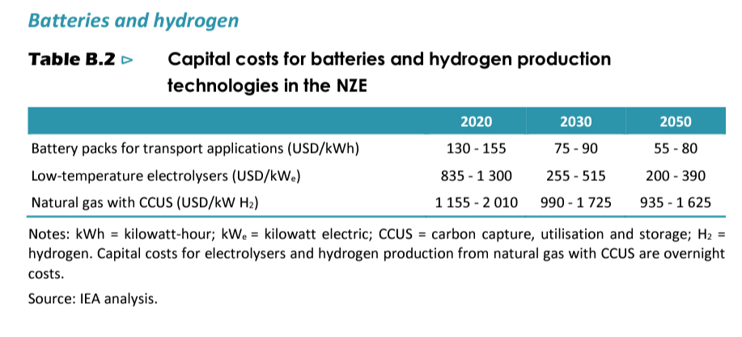
This is from IEA chrome-extension://efaidnbmnnnibpcajpcglclefindmkaj/https://iea.blob.core.windows.net/assets/deebef5d-0c34-4539-9d0c-10b13d840027/NetZeroby2050-ARoadmapfortheGlobalEnergySector_CORR.pdf
PG 203
See the screenshot below
Measure | 2020 | 2030 | 2050 | Type
Battery packs for transport applications (USD/kWh) | 155 | 90 | 80 | Max
Battery packs for transport applications (USD/kWh) | 130 | 75 | 55 | Min

