Questionnaires
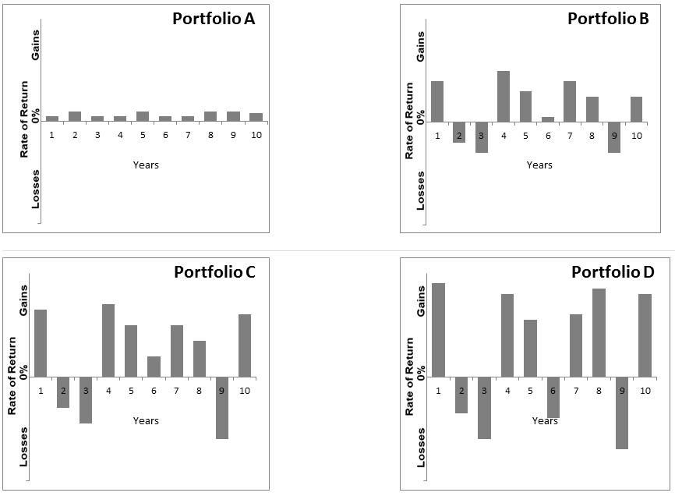
Profiling Questionnaries

A. Investment Time Horizon |  |  | Possible Profile | Score | Investor Profiles and Asset Allocations
1. | As I withdraw money from these investments, I plan to spend it over a period of... |  |  |  |  |  | 1 | 2 | 3
 | a. | 15 years or more | h | 5 |  |  | Low Risk | Medium Risk | High Risk
 | b. | 11-15 years | h | 4 |  | Min. Points | 7 | 22 | 37
 | c. | 6-10 years | h, m | 3 |  | Max. Points | 21 | 36 | 53
 | d. | 3-5 years | l | 2 |  |  | 14 | 14 | 16
 | e. | Less than 2 year | l | 1 |  | Total Points | 7-21 | 22-36 | 37-53
2. | When making a long-term investment, I plan to keep the money invested for...
 | a. | More than 8 years | h | 5
 | b. | 7-8 years | h | 4
 | c. | 5-6 years | h, m | 3
 | d. | 3-4 years | m, l | 2
 | e. | 1-2 years | l | 1

B. Investment Knowlegde
3. | When it comes to investing in stock or bond mutual funds or ETFs - or individual stocks or bonds - I would describe myself as...
 | a. | Very experienced (≥ 10 years) | h | 5
 | b. | Experienced (8 - 10 years) | h | 4
 | c. | Somewhat experienced (4 - 7 years) | h, m | 3
 | d. | Somewhat inexperienced (< 4 years) | m, l | 2
 | e. | Very inexperienced (0) | l | 1

C. Risk Capacity
4. | My purpose of investing money is...
 | a, | For the long term wealth growth | h | 5
 | b. | For the long term revenue and growth | h, m | 4
 | c, | Periodic income | m, l | 3
 | d. | Income and security of investment funds | l | 2
 | e. | Security of investment funds | l | 1
5. | My current and future income sources (for example, salary, social security, pensions) are...
 | a. | Very stable | h | 5
 | b. | Stable | h | 4
 | c. | Somewhat stable | m | 3
 | d. | Unstable | m, l | 2
 | e. | Very unstable | l | 1
6. | How many percent of income that will be invested?
 | a. | > 50% | h | 5
 | b. | > 25% - 50% | h,m | 4
 | c. | > 10% - 25% | m | 3
 | d. | > 0% - 10% | m, l | 2
 | e. | 0% | l | 1
7. | How many percent of loss investment that can be beared?
 | a. | > 50% | h | 5
 | b. | > 25% - ≥ 50% | h,m | 4
 | c. | > 10% - ≥ 25% | m | 3
 | d. | > 0% - ≥ 10% | m, l | 2
 | e. | 0% | l | 1

D. Risk Attitude
8. | From September 2022 through October 2022, bonds lost 4%. If I owned a bond investment that lost 4% in two months, I would...
 | a. | Sell all the remaining investment | l | 0
 | b. | Sell a portion of the remaining investment | l, m | 2
 | c. | Hold onto the investment and sell nothing | m, h | 4
 | d. | Buy more of the remaining investment | h | 6
9. | The chart shows the greatest 1-year loss and the highest 1-year gain on 3 different hypothetical investments of $10,000.* Given the potential gain or loss in any 1 year, I would invest my money in...
 | a. | EITHER a loss of $0 OR a gain of $200 | l | 0
 | b. | EITHER a loss of $200 OR a gain of $500 | l, m | 2
 | c. | EITHER a loss of $800 OR a gain of $1,200 | m, h | 4
 | d. | EITHER a loss of $2,000 OR a gain of $2,500 | h | 6

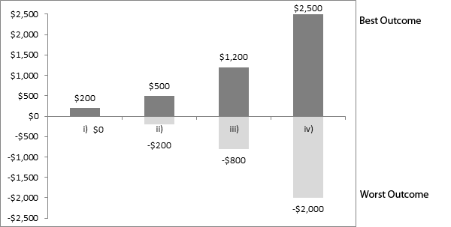

10. | Investments with higher returns typically involve greater risk. The charts below show hypothetical annual returns (annual gains and losses) for four different investment portfolios over a 10 year period. Keeping in mind how the returns fluctuate, which investment portfolio would you be most comfortable holding?
 | a. | Portfolio A | l | 0
 | b. | Portfolio B | l, m | 2
 | c. | Portfolio C | m, h | 4
 | d. | Portfolio D | h | 6

