Tabelle1
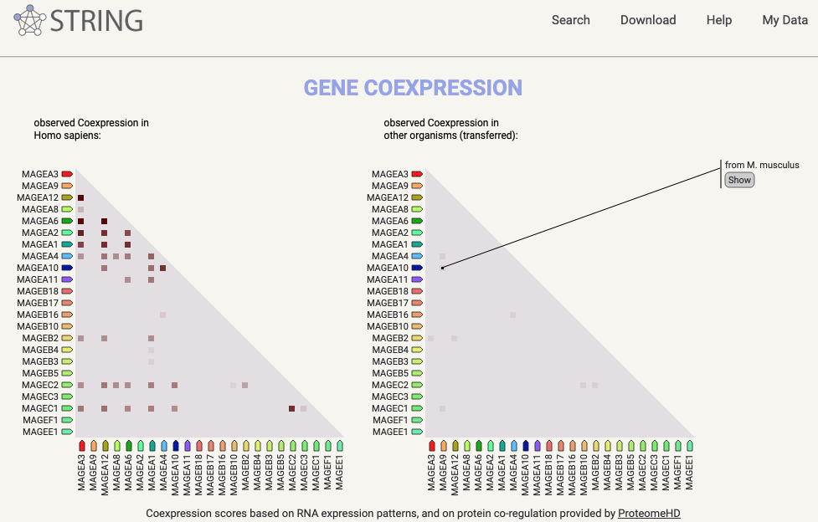
uniprot | Gene Names | peptide | Blosum62 similarity | edit distance | Wildtype | affinity
MAGEA family
P43357 | MAGEA3 | KVAELVHFL | 44 | 0 | Yes | 14.396132902
P43362 | MAGEA9 | KVAELVHFL | 44 | 0 | Yes | 14.396132902
P43365 | MAGEA12 | KMAELVHFL | 41 | 1 | Yes | 10.825037257
P43361 | MAGEA8 | KVAELVRFL | 36 | 1 | Yes | 52.651823243
P43360 | MAGEA6 | KVAKLVHFL | 40 | 1 | Yes | 23.756824237
P43356 | MAGEA2 | KMVELVHFL | 37 | 2 | Yes | 10.885883015
P43355 | MAGEA1 | KVADLVGFL | 31 | 2 | Yes | 36.298448067
P43358 | MAGEA4 | KVDELAHFL | 34 | 2 | Yes | 29.963025588
P43363 | MAGEA10 | KVTDLVQFL | 29 | 3 | Yes | 30.362958848
P43364 | MAGEA11 | KIIDLVHLL | 29 | 4 | Yes | 15.366941533
Q7L5Y9 | MAEA (PIG5) | VVAELEKTL | 14 | 4 | Yes | 1046.1196432
Q7L5Y9 | MAEA (PIG5) | VVAELQKTL | 14 | 4 | No | 967.51418751
MAGEB family
Q96M61 | MAGEB18 | KVVSLVHFL | 35 | 2 | Yes | 19.25214806
A8MXT2 | MAGEB17 | KTGELVQFL | 28 | 3 | Yes | 104.83871889
A2A368 | MAGEB16 | KVAFLVNFM | 27 | 3 | Yes | 1158.7623911
Q96LZ2 | MAGEB10 | KVIILVHYL | 28 | 3 | Yes | 38.806252204
O15479 | MAGEB2 | KSGSLVQFL | 21 | 4 | Yes | 1673.431935
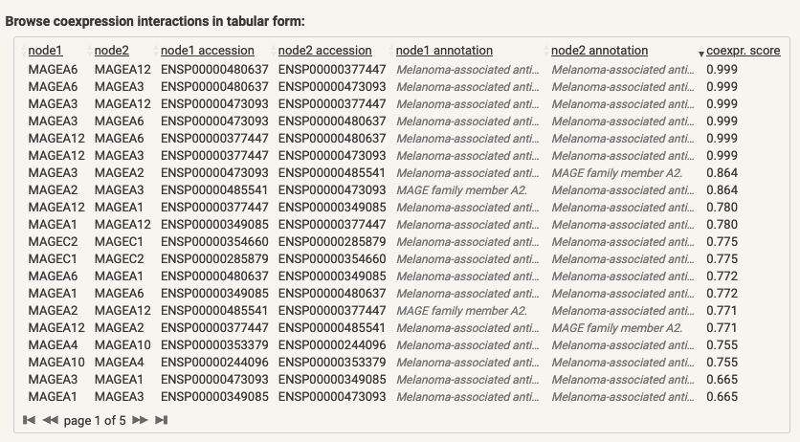
O15481 | MAGEB4 | KTKMLVQFL | 20 | 4 | Yes | 7170.8846608
O15480 | MAGEB3 | KTNMLVQFL | 19 | 4 | Yes | 1665.059115
Q9BZ81 | MAGEB5 | KVGLLEQFL | 18 | 4 | Yes | 2413.869699
A8MXT2 | MAGEB17 | KVLEFVAKL | 16 | 4 | Yes | 20.063044428
MAGEC family
Q9UBF1 | MAGEC2 | KVAELVEFL | 36 | 1 | Yes | 19.868702033
Q8TD91 | MAGEC3 | KVAELVQFL | 36 | 1 | Yes | 20.491033702
O60732 | MAGEC1 | KVDELARFL | 26 | 3 | Yes | 111.87465656
Q8TD91 | MAGEC3 | KVDKLVQFL | 26 | 3 | Yes | 69.340063477
MAGEF family
Q9HAY2 | MAGEF1 | TVAELVQFL | 30 | 2 | Yes | 40.02244153
MAGEE family
Q9HCI5 | MAGEE1 | NVAELLQFL | 28 | 3 | Yes | 57.746984117

