RUTE
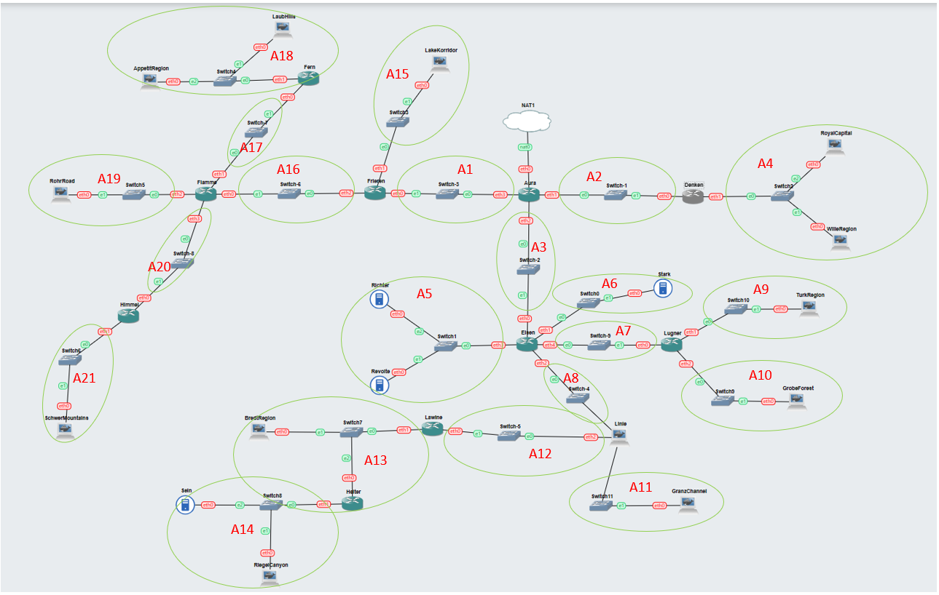
Nama Subnet | Rute | Jumlah IP | Netmask
A1 | Aura-Frieren | 2 | /30
A2 | Aura-Denken | 2 | /30
A3 | Aura-Eisen | 2 | /30
A4 | Denken-Switch2-RoyalCapital-Switch2-WilleRegion | 127 | /24
A5 | Eisen-Switch1-Richter-Switch1-Revolte | 3 | /29
A6 | Eisen-Switch0-Stark | 2 | /30
A7 | Eisen-Lugner | 2 | /30
A8 | Eisen-Linie | 2 | /30
A9 | Lugner-Switch10-TurkRegion | 1001 | /22
A10 | Lugner-Switch9-GrobeForest | 251 | /24
A11 | Linie-Switch11-GranzChannel | 255 | /23
A12 | Linie-Lawine | 2 | /30
A13 | Lawine-Switch7-BredtRegion-Heiter | 31 | /26
A14 | Heiter-Switch8-Sein-RiegelCanyon | 512 | /22
A15 | Frieren-Switch3-LakeKorridor | 25 | /27
A16 | Frieren-Flamme | 2 | /30
A17 | Flamme-Fern | 2 | /30
A18 | Fern-Switch4-LaubHills-Switch4-AppetitRegion | 1023 | /21
A19 | Flamme-Switch5-RohrRoad | 1001 | /22
A20 | Flamme-Himmel | 2 | /30
A21 | Himmel-Switch6-SchwerMountains | 6 | /29
Total |  | 4255 | /19

VLSM
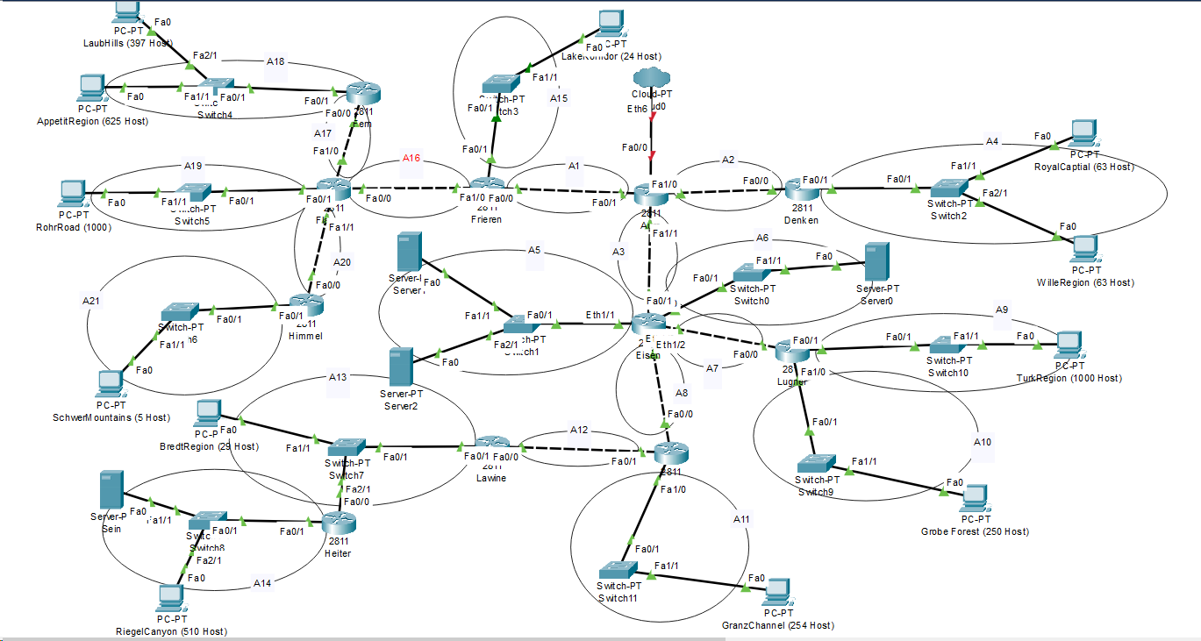
Subnet | Network ID | Netmask | Broadcast
A1 | 10.30.24.112 | 255.255.255.252 | 10.30.24.115
A2 | 10.30.24.132 | 255.255.255.252 | 10.30.24.135
A3 | 10.30.24.128 | 255.255.255.252 | 10.30.24.131
A4 | 10.30.23.0 | 255.255.255.0 | 10.30.23.255
A5 | 10.30.24.104 | 255.255.255.248 | 10.30.24.111
A6 | 10.30.24.148 | 255.255.255.252 | 10.30.24.151
A7 | 10.30.24.136 | 255.255.255.252 | 10.30.24.139
A8 | 10.30.24.140 | 255.255.255.252 | 10.30.24.143
A9 | 10.30.12.0 | 255.255.252.0 | 10.30.15.255
A10 | 10.30.22.0 | 255.255.255.0 | 10.30.22.255
A11 | 10.30.20.0 | 255.255.254.0 | 10.30.21.255
A12 | 10.30.24.144 | 255.255.255.252 | 10.30.24.147
A13 | 10.30.24.0 | 255.255.255.192 | 10.30.24.63
A14 | 10.30.16.0 |  | 10.30.19.255
A15 | 10.30.24.64 | 255.255.255.224 | 10.30.24.95
A16 | 10.30.24.120 | 255.255.255.252 | 10.30.24.123
A17 | 10.30.24.124 | 255.255.255.252 | 10.30.24.127
A18 | 10.30.0.0 | 255.255.248.0 | 10.30.7.255
A19 | 10.30.8.0 | 255.255.252.0 | 10.30.11.255
A20 | 10.30.24.116 | 255.255.255.252 | 10.30.24.119
A21 | 10.30.24.96 | 255.255.255.248 | 10.30.24.103

Pembagian IP CIDR
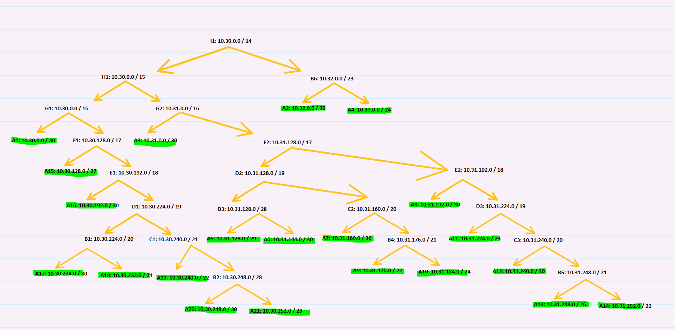
Subnet | Network ID | Netmask | Broadcast
A1 | 10.30.0.0 | 255.255.255.252 | 10.30.0.3
A2 | 10.32.0.0 | 255.255.255.252 | 10.32.0.3
A3 | 10.31.0.0 | 255.255.255.252 | 10.31.0.3
A4 | 10.33.0.0 | 255.255.255.0 | 10.33.0.255
A5 | 10.31.128.0 | 255.255.255.248 | 10.31.128.7
A6 | 10.31.144.0 | 255.255.255.252 | 10.31.144.3
A7 | 10.31.160.0 | 255.255.255.252 | 10.31.160.3
A8 | 10.31.192.0 | 255.255.255.252 | 10.31.192.3
A9 | 10.31.176.0 | 255.255.252.0 | 10.31.179.255
A10 | 10.31.184.0 | 255.255.255.0 | 10.31.184.255
A11 | 10.31.224.0 | 255.255.254.0 | 10.31.225.255
A12 | 10.31.240.0 | 255.255.255.252 | 10.31.240.3
A13 | 10.31.248.0 | 255.255.255.192 | 10.31.248.63
A14 | 10.31.252.0 | 255.255.252.0 | 10.31.255.255
A15 | 10.30.128.0 | 255.255.255.224 | 10.30.128.31
A16 | 10.30.192.0 | 255.255.255.252 | 10.30.192.3
A17 | 10.30.224.0 | 255.255.255.252 | 10.30.224.3
A18 | 10.30.232.0 | 255.255.248.0 | 10.30.239.255
A19 | 10.30.240.0 | 255.255.252.0 | 10.30.243.255
A20 | 10.30.248.0 | 255.255.255.252 | 10.30.248.3
A21 | 10.30.252.0 | 255.255.255.248 | 10.30.252.7

