Matched Packages
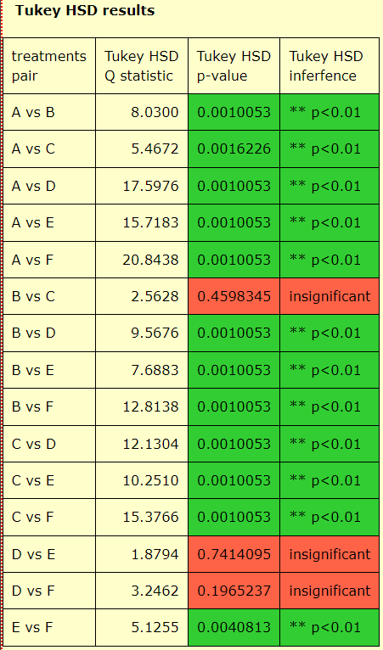
 | One Attempt |  |  | 10 Attempts |  | 10 Attempts |  | Two Models Attempts
Software | Mixtral | GPT4 | Claude 3 | GPT Trials | Success | ClaudeTrials | Success | GPT+C3 | C3+GPT | Success | A: Mixtral
4ti2 | 1 | 1 | 1 | 10 | 0 | 10 | 0 | 20 | 20 | 0 | B: GPT4
R | 1 | 1 | 1 | 1 | 1 | 1 | 1 | 1 | 1 | 1 | C: Claude3
abaqus | 0 | 0 | 0 | 10 | 0 | 2 | 1 | 12 | 2 | 1 | D: GPT Attempts
abinit | 1 | 0 | 1 | 1 | 1 | 2 | 1 | 1 | 2 | 1 | E: Claude3 Attempts
adcirc | 0 | 0 | 0 | 3 | 1 | 10 | 0 | 3 | 13 | 1 | F: GPT+Claude3
anaconda | 0 | 1 | 1 | 10 | 0 | 5 | 1 | 15 | 5 | 1 |  | Success Rate among Approaches
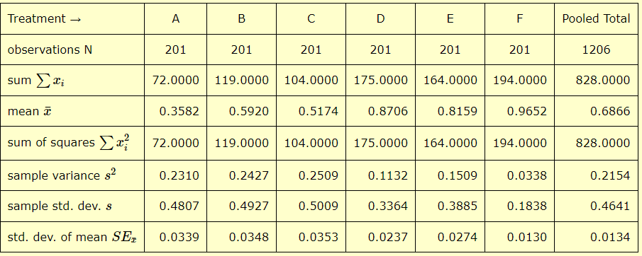
ansys | 0 | 0 | 0 | 10 | 0 | 10 | 0 | 20 | 20 | 0
ansys-fluids | 0 | 0 | 0 | 3 | 1 | 10 | 0 | 3 | 13 | 1
ant | 0 | 1 | 1 | 1 | 1 | 1 | 1 | 1 | 1 | 1
armadillo | 0 | 1 | 0 | 2 | 1 | 1 | 1 | 2 | 1 | 1
arpack | 0 | 1 | 1 | 3 | 1 | 1 | 1 | 3 | 1 | 1
astral | 1 | 1 | 1 | 1 | 1 | 4 | 1 | 1 | 4 | 1
atlas | 0 | 1 | 1 | 1 | 1 | 1 | 1 | 1 | 1 | 1
atompaw | 0 | 0 | 0 | 1 | 1 | 10 | 0 | 1 | 11 | 1
atop | 1 | 1 | 1 | 1 | 1 | 1 | 1 | 1 | 1 | 1
autoconf | 1 | 0 | 1 | 1 | 1 | 1 | 1 | 1 | 1 | 1
automake | 1 | 1 | 1 | 1 | 1 | 1 | 1 | 1 | 1 | 1
bazel | 0 | 0 | 1 | 2 | 1 | 1 | 1 | 2 | 1 | 1
bcftools | 0 | 0 | 1 | 4 | 1 | 1 | 1 | 4 | 1 | 1
beagle | 0 | 1 | 1 | 1 | 1 | 6 | 1 | 1 | 6 | 1
beast | 1 | 1 | 1 | 1 | 1 | 10 | 0 | 1 | 11 | 1
berkeleygw | 0 | 1 | 0 | 10 | 0 | 10 | 0 | 20 | 20 | 0
bigdft | 0 | 1 | 0 | 10 | 0 | 10 | 0 | 20 | 20 | 0
bison | 1 | 1 | 1 | 1 | 1 | 1 | 1 | 1 | 1 | 1
blast | 1 | 1 | 1 | 1 | 1 | 1 | 1 | 1 | 1 | 1
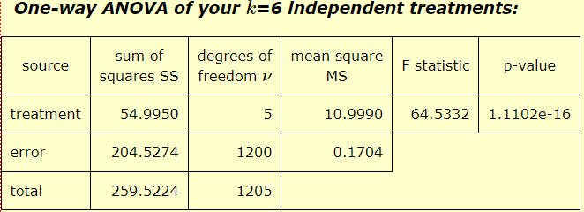
boost | 1 | 1 | 1 | 10 | 0 | 1 | 1 | 11 | 1 | 1
bowtie | 1 | 1 | 1 | 1 | 1 | 3 | 1 | 1 | 3 | 1
bwa | 0 | 1 | 1 | 1 | 1 | 1 | 1 | 1 | 1 | 1
calceph | 0 | 1 | 0 | 7 | 1 | 10 | 0 | 7 | 17 | 1
cddlib | 0 | 0 | 0 | 2 | 1 | 10 | 0 | 2 | 12 | 1
cfitsio | 0 | 1 | 1 | 7 | 1 | 1 | 1 | 7 | 1 | 1
cgal | 0 | 1 | 1 | 9 | 1 | 5 | 1 | 9 | 5 | 1
cgns | 1 | 1 | 1 | 1 | 1 | 1 | 1 | 1 | 1 | 1
charmm | 0 | 0 | 0 | 10 | 0 | 10 | 0 | 20 | 20 | 0
cmake | 1 | 1 | 1 | 10 | 1 | 1 | 1 | 10 | 1 | 1
converge | 0 | 1 | 0 | 3 | 1 | 5 | 1 | 3 | 5 | 1
cp2k | 0 | 0 | 0 | 2 | 1 | 4 | 1 | 2 | 4 | 1
cplex | 0 | 0 | 0 | 1 | 1 | 1 | 1 | 1 | 1 | 1
cst | 1 | 1 | 0 | 10 | 0 | 1 | 1 | 11 | 1 | 1
cuda | 0 | 1 | 0 | 1 | 1 | 1 | 1 | 1 | 1 | 1 | A: GPT Attempts
daal | 0 | 0 | 0 | 10 | 0 | 8 | 1 | 18 | 8 | 1 | B: Claude3 Attempts
dalton | 0 | 1 | 0 | 10 | 0 | 1 | 1 | 11 | 1 | 1 | C: GPT+C3
datamash | 0 | 1 | 1 | 9 | 1 | 1 | 1 | 9 | 1 | 1 | D: C3+GPT | Attempts among Approaches
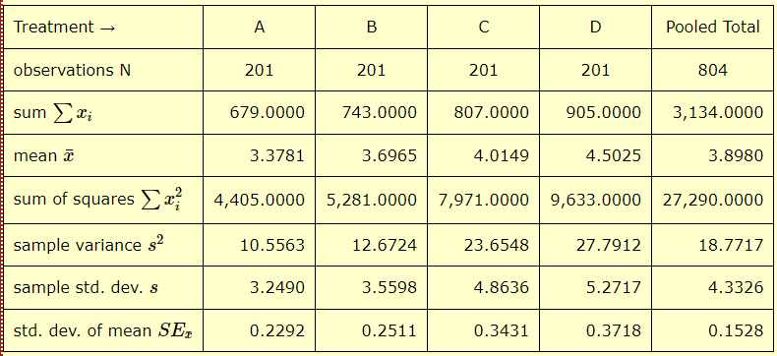
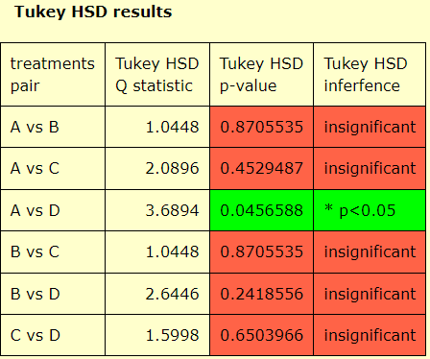
dedisp | 0 | 0 | 0 | 1 | 1 | 8 | 1 | 1 | 8 | 1
dejagnu | 1 | 1 | 1 | 1 | 1 | 1 | 1 | 1 | 1 | 1
delft3d | 1 | 0 | 0 | 4 | 1 | 10 | 0 | 4 | 14 | 1
dialog | 1 | 1 | 1 | 1 | 1 | 1 | 1 | 1 | 1 | 1
dualsphysics | 1 | 1 | 1 | 1 | 1 | 6 | 1 | 1 | 6 | 1
eigen | 1 | 1 | 1 | 1 | 1 | 1 | 1 | 1 | 1 | 1
elasticsearch | 1 | 1 | 0 | 1 | 1 | 1 | 1 | 1 | 1 | 1
elpa | 0 | 0 | 0 | 1 | 1 | 5 | 1 | 1 | 5 | 1
energyplus | 0 | 0 | 1 | 4 | 1 | 10 | 0 | 4 | 14 | 1
erlang | 0 | 0 | 1 | 1 | 1 | 1 | 1 | 1 | 1 | 1
espresso | 0 | 1 | 1 | 4 | 1 | 10 | 0 | 4 | 14 | 1
etsfio | 1 | 0 | 0 | 4 | 1 | 3 | 1 | 4 | 3 | 1
fastqc | 0 | 0 | 1 | 3 | 1 | 6 | 1 | 3 | 6 | 1
fastsimcoal2 | 0 | 0 | 0 | 5 | 1 | 10 | 0 | 5 | 15 | 1
faststructure | 0 | 1 | 1 | 4 | 1 | 8 | 1 | 4 | 8 | 1
fca | 0 | 1 | 0 | 4 | 1 | 1 | 1 | 4 | 1 | 1
febio | 1 | 0 | 1 | 1 | 1 | 1 | 1 | 1 | 1 | 1
ffmpeg | 1 | 1 | 1 | 1 | 1 | 1 | 1 | 1 | 1 | 1
fftw | 0 | 0 | 0 | 3 | 1 | 1 | 1 | 3 | 1 | 1
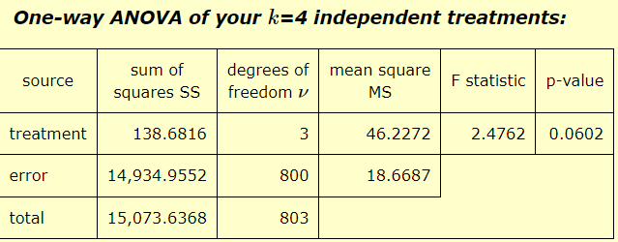
flex | 1 | 1 | 1 | 3 | 1 | 1 | 1 | 3 | 1 | 1
flint | 0 | 1 | 1 | 1 | 1 | 2 | 1 | 1 | 2 | 1
fltk | 0 | 1 | 1 | 3 | 1 | 1 | 1 | 3 | 1 | 1
fmtlib | 1 | 1 | 0 | 1 | 1 | 1 | 1 | 1 | 1 | 1
ftb | 0 | 0 | 0 | 7 | 1 | 6 | 1 | 7 | 6 | 1
fun3d | 0 | 0 | 0 | 3 | 1 | 10 | 0 | 3 | 13 | 1
gamess | 0 | 0 | 0 | 10 | 0 | 10 | 0 | 20 | 20 | 0
garli | 0 | 1 | 0 | 1 | 1 | 2 | 1 | 1 | 2 | 1
gasp | 0 | 1 | 0 | 1 | 1 | 1 | 1 | 1 | 1 | 1
gatk | 0 | 0 | 1 | 10 | 1 | 2 | 1 | 10 | 2 | 1
gaussian | 0 | 1 | 1 | 3 | 1 | 1 | 1 | 3 | 1 | 1
gcc | 1 | 1 | 1 | 1 | 1 | 1 | 1 | 1 | 1 | 1
gdal | 0 | 1 | 0 | 1 | 1 | 1 | 1 | 1 | 1 | 1
geos | 0 | 0 | 0 | 1 | 1 | 1 | 1 | 1 | 1 | 1
gettext | 1 | 0 | 0 | 1 | 1 | 1 | 1 | 1 | 1 | 1
gflags | 0 | 0 | 0 | 1 | 1 | 10 | 1 | 1 | 10 | 1
glog | 0 | 0 | 0 | 1 | 1 | 1 | 1 | 1 | 1 | 1
glpk | 0 | 0 | 1 | 1 | 1 | 1 | 1 | 1 | 1 | 1
gnutls | 0 | 1 | 0 | 1 | 1 | 1 | 1 | 1 | 1 | 1
go | 1 | 0 | 1 | 2 | 1 | 1 | 1 | 2 | 1 | 1
gperftools | 0 | 1 | 1 | 10 | 0 | 3 | 1 | 13 | 3 | 1
graphviz | 1 | 1 | 0 | 1 | 1 | 1 | 1 | 1 | 1 | 1
gsl | 1 | 1 | 0 | 1 | 1 | 1 | 1 | 1 | 1 | 1
gurobi | 0 | 0 | 1 | 8 | 1 | 3 | 1 | 8 | 3 | 1
harminv | 0 | 0 | 0 | 1 | 1 | 1 | 1 | 1 | 1 | 1
haru | 0 | 1 | 0 | 6 | 1 | 8 | 1 | 6 | 8 | 1
hdf5 | 1 | 1 | 0 | 1 | 1 | 1 | 1 | 1 | 1 | 1
heimdall | 1 | 0 | 0 | 1 | 1 | 3 | 1 | 1 | 3 | 1
hg | 1 | 0 | 1 | 4 | 1 | 1 | 1 | 4 | 1 | 1
htop | 1 | 1 | 0 | 6 | 1 | 1 | 1 | 6 | 1 | 1
ic | 0 | 1 | 1 | 7 | 1 | 10 | 0 | 7 | 17 | 1
ima2 | 0 | 0 | 0 | 10 | 0 | 4 | 1 | 14 | 4 | 1
impi | 1 | 0 | 1 | 2 | 1 | 6 | 1 | 2 | 6 | 1
iozone | 0 | 1 | 1 | 1 | 1 | 1 | 1 | 1 | 1 | 1
ipl | 1 | 0 | 0 | 3 | 1 | 10 | 0 | 3 | 13 | 1
ipp | 0 | 1 | 1 | 2 | 1 | 10 | 0 | 2 | 12 | 1
jags | 0 | 0 | 0 | 1 | 1 | 1 | 1 | 1 | 1 | 1
jasper | 0 | 1 | 0 | 3 | 1 | 7 | 1 | 3 | 7 | 1
jdk | 1 | 0 | 1 | 1 | 1 | 1 | 1 | 1 | 1 | 1
julia | 0 | 1 | 1 | 1 | 1 | 5 | 1 | 1 | 5 | 1
kibana | 0 | 1 | 1 | 6 | 1 | 1 | 1 | 6 | 1 | 1
kim | 0 | 1 | 0 | 10 | 0 | 1 | 1 | 11 | 1 | 1
lammps | 0 | 1 | 0 | 2 | 1 | 2 | 1 | 2 | 2 | 1
lapack | 0 | 0 | 1 | 1 | 1 | 4 | 1 | 1 | 4 | 1
launcher | 0 | 0 | 1 | 1 | 1 | 4 | 1 | 1 | 4 | 1
levmar | 0 | 1 | 0 | 1 | 1 | 4 | 1 | 1 | 4 | 1
libdrm | 1 | 0 | 1 | 8 | 1 | 10 | 0 | 8 | 18 | 1
libevent | 0 | 0 | 1 | 1 | 1 | 3 | 1 | 1 | 3 | 1
libgeotiff | 1 | 1 | 1 | 4 | 1 | 10 | 0 | 4 | 14 | 1
libgit2 | 0 | 1 | 0 | 1 | 1 | 4 | 1 | 1 | 4 | 1
libgmp | 0 | 1 | 1 | 10 | 0 | 1 | 1 | 11 | 1 | 1
libint | 0 | 0 | 0 | 1 | 1 | 1 | 1 | 1 | 1 | 1
libjpeg-turbo | 1 | 1 | 1 | 3 | 1 | 1 | 1 | 3 | 1 | 1
libmatheval | 1 | 1 | 1 | 2 | 1 | 1 | 1 | 2 | 1 | 1
libpng | 1 | 1 | 0 | 3 | 1 | 1 | 1 | 3 | 1 | 1
libsodium | 1 | 1 | 0 | 1 | 1 | 1 | 1 | 1 | 1 | 1
libssh2 | 1 | 0 | 0 | 3 | 1 | 1 | 1 | 3 | 1 | 1
libtool | 1 | 1 | 1 | 1 | 1 | 1 | 1 | 1 | 1 | 1
libvdwxc | 0 | 0 | 0 | 3 | 1 | 6 | 1 | 3 | 6 | 1
libxc | 0 | 0 | 0 | 1 | 1 | 2 | 1 | 1 | 2 | 1
libxsmm | 0 | 1 | 0 | 1 | 1 | 2 | 1 | 1 | 2 | 1
libzmq | 1 | 0 | 1 | 2 | 1 | 1 | 1 | 2 | 1 | 1
liggghts | 0 | 1 | 0 | 3 | 1 | 3 | 1 | 3 | 3 | 1
lua | 0 | 1 | 0 | 1 | 1 | 1 | 1 | 1 | 1 | 1
lumerical | 0 | 0 | 0 | 1 | 1 | 10 | 0 | 1 | 11 | 1
lumerical-device | 0 | 0 | 0 | 1 | 1 | 10 | 0 | 1 | 11 | 1
m4 | 0 | 1 | 1 | 1 | 1 | 1 | 1 | 1 | 1 | 1
makedepend | 1 | 1 | 1 | 10 | 0 | 1 | 1 | 11 | 1 | 1
mathematica | 1 | 0 | 0 | 1 | 1 | 3 | 1 | 1 | 3 | 1
matlab | 0 | 0 | 1 | 1 | 1 | 4 | 1 | 1 | 4 | 1
maven | 1 | 1 | 1 | 2 | 1 | 1 | 1 | 2 | 1 | 1
meep | 1 | 1 | 0 | 1 | 1 | 2 | 1 | 1 | 2 | 1
metis | 0 | 1 | 0 | 1 | 1 | 1 | 1 | 1 | 1 | 1
migrate | 1 | 1 | 1 | 1 | 1 | 1 | 1 | 1 | 1 | 1
mkl | 0 | 0 | 0 | 1 | 1 | 1 | 1 | 1 | 1 | 1
mono | 1 | 1 | 1 | 4 | 1 | 1 | 1 | 4 | 1 | 1
mpc | 1 | 0 | 0 | 10 | 0 | 10 | 1 | 20 | 10 | 1
mpest | 0 | 1 | 0 | 2 | 1 | 7 | 1 | 2 | 7 | 1
mpfr | 0 | 1 | 1 | 10 | 0 | 2 | 1 | 12 | 2 | 1
mpiblacs | 1 | 1 | 1 | 6 | 1 | 1 | 1 | 6 | 1 | 1
mpich | 1 | 1 | 1 | 1 | 1 | 1 | 1 | 1 | 1 | 1
mrbayes | 1 | 1 | 0 | 9 | 1 | 1 | 1 | 9 | 1 | 1
muscle | 0 | 1 | 1 | 5 | 1 | 1 | 1 | 5 | 1 | 1
mvapich2 | 0 | 1 | 1 | 1 | 1 | 4 | 1 | 1 | 4 | 1
mvapich2-x | 1 | 1 | 1 | 1 | 1 | 10 | 0 | 1 | 11 | 1
mxm | 1 | 1 | 0 | 2 | 1 | 10 | 0 | 2 | 12 | 1
namd | 0 | 0 | 1 | 7 | 1 | 6 | 1 | 7 | 6 | 1
ncview | 0 | 1 | 1 | 1 | 1 | 10 | 0 | 1 | 11 | 1
neatm | 0 | 0 | 1 | 1 | 1 | 10 | 0 | 1 | 11 | 1
nest | 0 | 0 | 0 | 2 | 1 | 1 | 1 | 2 | 1 | 1
netcdf | 0 | 0 | 1 | 1 | 1 | 1 | 1 | 1 | 1 | 1
netlogo | 0 | 0 | 0 | 1 | 1 | 3 | 1 | 1 | 3 | 1
nettle | 0 | 1 | 1 | 1 | 1 | 1 | 1 | 1 | 1 | 1
ngspice | 0 | 0 | 0 | 1 | 1 | 1 | 1 | 1 | 1 | 1
ninja | 0 | 0 | 0 | 1 | 1 | 1 | 1 | 1 | 1 | 1
ntl | 0 | 1 | 1 | 1 | 1 | 1 | 1 | 1 | 1 | 1
numactl | 1 | 1 | 1 | 1 | 1 | 1 | 1 | 1 | 1 | 1
nupack | 0 | 0 | 0 | 4 | 1 | 7 | 1 | 4 | 7 | 1
nvtop | 1 | 1 | 1 | 5 | 1 | 1 | 1 | 5 | 1 | 1
nx | 0 | 1 | 1 | 1 | 1 | 2 | 1 | 1 | 2 | 1
octave | 0 | 1 | 1 | 1 | 0 | 1 | 1 | 2 | 1 | 1
octopus | 0 | 1 | 1 | 2 | 1 | 2 | 1 | 2 | 2 | 1
ods | 0 | 0 | 0 | 2 | 1 | 1 | 1 | 2 | 1 | 1
oneapi | 0 | 0 | 0 | 1 | 1 | 10 | 0 | 1 | 11 | 1
openbabel | 0 | 0 | 0 | 3 | 1 | 1 | 1 | 3 | 1 | 1
openblas | 0 | 0 | 0 | 1 | 1 | 1 | 1 | 1 | 1 | 1
openbugs | 0 | 1 | 1 | 1 | 1 | 1 | 1 | 1 | 1 | 1
opencv | 0 | 0 | 0 | 1 | 1 | 2 | 1 | 1 | 2 | 1
openfoam | 0 | 0 | 0 | 1 | 1 | 3 | 1 | 1 | 3 | 1
openmpi | 0 | 1 | 1 | 1 | 1 | 1 | 1 | 1 | 1 | 1
optix | 0 | 0 | 0 | 1 | 1 | 1 | 1 | 1 | 1 | 1
orca | 1 | 0 | 1 | 1 | 1 | 1 | 1 | 1 | 1 | 1
ovis | 0 | 1 | 0 | 10 | 0 | 2 | 1 | 12 | 2 | 1
p7zip | 1 | 1 | 1 | 2 | 1 | 1 | 1 | 2 | 1 | 1
paml | 1 | 1 | 1 | 4 | 1 | 10 | 0 | 4 | 14 | 1
parallel | 0 | 0 | 1 | 1 | 1 | 1 | 1 | 1 | 1 | 1
parmetis | 0 | 1 | 0 | 8 | 1 | 3 | 1 | 8 | 3 | 1
partitionfinder | 0 | 1 | 1 | 4 | 1 | 7 | 1 | 4 | 7 | 1
patchelf | 0 | 1 | 1 | 3 | 1 | 1 | 1 | 3 | 1 | 1
paup | 1 | 0 | 0 | 3 | 1 | 6 | 1 | 3 | 6 | 1
pcre | 0 | 0 | 0 | 2 | 1 | 10 | 0 | 2 | 12 | 1
perl | 1 | 1 | 1 | 1 | 1 | 1 | 1 | 1 | 1 | 1
petsc | 0 | 0 | 0 | 8 | 1 | 4 | 1 | 8 | 4 | 1
pfft | 0 | 1 | 1 | 1 | 1 | 10 | 0 | 1 | 11 | 1
phoronix | 0 | 1 | 0 | 1 | 1 | 10 | 0 | 1 | 11 | 1
php | 1 | 0 | 1 | 10 | 0 | 8 | 1 | 18 | 8 | 1
phyml | 0 | 0 | 0 | 9 | 1 | 3 | 1 | 9 | 3 | 1
picard | 0 | 1 | 0 | 10 | 0 | 10 | 0 | 20 | 20 | 0
pin | 0 | 0 | 0 | 4 | 1 | 1 | 1 | 4 | 1 | 1
proj | 1 | 1 | 0 | 2 | 1 | 1 | 1 | 2 | 1 | 1
prolog | 1 | 1 | 0 | 3 | 1 | 10 | 0 | 3 | 13 | 1
protobuf | 1 | 1 | 1 | 1 | 1 | 1 | 1 | 1 | 1 | 1
psrchive | 0 | 1 | 1 | 10 | 0 | 1 | 1 | 11 | 1 | 1
psrdada | 0 | 1 | 1 | 10 | 0 | 1 | 1 | 11 | 1 | 1
psrfits2psrfits | 0 | 1 | 0 | 5 | 1 | 10 | 0 | 5 | 15 | 1
psrfits_utils | 0 | 1 | 1 | 7 | 1 | 10 | 0 | 7 | 17 | 1
putty | 0 | 1 | 1 | 1 | 1 | 1 | 1 | 1 | 1 | 1
python | 1 | 1 | 1 | 1 | 1 | 1 | 1 | 1 | 1 | 1
qiime | 1 | 0 | 0 | 10 | 0 | 5 | 1 | 15 | 5 | 1

