DALI-102_Commands_for_settings
1.1.1 0x0411 - DaliSetDevicesMaxLevel
This telegram sets the common device parameter MAX LEVEL in the database and in all connected control gear on the bus
BLE device -> Sensor
Byte | Field | Field | Example | Example
no. | Size | Description |  | Description
0 | 1 | Protocol Version | 0x01 | Protocol Id
1 | 2 | Telegram Type |  | DaliSetDeviceMaxLevel Id
3 | 2 | Total Length | 0x08 | Total Length of 8 bytes
5 | 2 | CRC16 | 0x0CBE | Calculated value, see section 4.5
7 | 1 | MaxLevel |  | Range: 0x00 – 0xFE ( 0-254 )

1.1.2 0x042E - DaliSetDeviceMaxLevelReply
This telegram is a reply for the DaliSetDeviceMaxLevel telegram
Sensor -> BLE device
Byte | Field | Field | Example | Example
no. | Size | Description |  | Description
0 | 1 | Protocol Version | 0x01 | Protocol Id
1 | 2 | Telegram Type |  | DaliSetDeviceMaxLevelReply Id
3 | 2 | Total Length | 0x09 | Total Length of 9 bytes
5 | 2 | CRC16 | 0xC788 | Calculated value, see section 4.5
7 | 1 | Status | 0x00 | ACK = 0
 |  |  |  | - validated OK.
 |  |  |  | NACK_COMMISSIONING_RUNNING = 3
 |  |  |  | - Commissioning running
8 | 1 | Data | 0x00 | Not used

1.1.3 0x0412 - DaliSetDevicesMinLevel
This datatype sets the common device parameter MIN LEVEL in the database and in all connected control gear on the bus
BLE device -> Sensor
Byte | Field | Field | Example | Example
no. | Size | Description |  | Description
0 | 1 | Protocol Version | 0x01 | Protocol Id
1 | 2 | Telegram Type |  | DaliSetDeviceMinLevel Id
3 | 2 | Total Length | 0x08 | Total Length of 8 bytes
5 | 2 | CRC16 | 0x9762 | Calculated value, see section 4.5
7 | 1 | MinLevel |  | Range: 0x00 – 0xFE ( 0-254 )

1.1.4 0x042F - DaliSetDeviceMinLevelReply
This telegram is a reply for the DaliSetDeviceMinLevel telegram
Sensor -> BLE device
Byte | Field | Field | Example | Example
no. | Size | Description |  | Description
0 | 1 | Protocol Version | 0x01 | Protocol Id
1 | 2 | Telegram Type |  | DaliSetDeviceMinLevelReply Id
3 | 2 | Total Length | 0x09 | Total Length of 9 bytes
5 | 2 | CRC16 | 0xB13C | Calculated value, see section 4.5
7 | 1 | Status | 0x00 | ACK = 0 - validated OK.
 |  |  |  | NACK_COMMISSIONING_RUNNING = 3
 |  |  |  | - Commissioning running
8 | 1 | Data | 0x00 | Not used

1.1.5 0x0413 - DaliSetDevicesPowerOnLevel
This datatype sets the common device parameter POWER ON LEVEL in the database and in all connected control gear on the bus
BLE device -> Sensor
Byte | Field | Field | Example | Example
no. | Size | Description |  | Description
0 | 1 | Protocol Version | 0x01 | Protocol Id
1 | 2 | Telegram Type |  | DaliSetDevicePowerOn Id
3 | 2 | Total Length | 0x08 | Total Length of 8 bytes
5 | 2 | CRC16 | 0xE1D6 | Calculated value, see section 4.5
7 | 1 | PowerOnLevel |  | Range: 0x00 – 0xFF (0-255)
 |  |  |  | 255 = highest lightLevel

1.1.6 0x0430 - DaliSetDevicePowerOnReply
This telegram is a reply for the DaliSetDevicePowerOn telegram
Sensor -> BLE device
Byte | Field | Field | Example | Example
no. | Size | Description |  | Description
0 | 1 | Protocol Version | 0x01 | Protocol Id
1 | 2 | Telegram Type |  | DaliSetDevicePowerOnReply Id
3 | 2 | Total Length | 0x09 | Total Length of 9 bytes
5 | 2 | CRC16 | 0x7E75 | Calculated value, see section 4.5
7 | 1 | Status | 0x00 | ACK = 0
 |  |  |  | - validated OK.
 |  |  |  | NACK_COMMISSIONING_RUNNING = 3
 |  |  |  | - Commissioning running
8 | 1 | Data | 0x00 | Not used

1.1.7 0x0414 - DaliSetDevicesSysFailLevel
This datatype sets the common device parameter SYSTEM FAILURE LEVEL in the database and in all connected control gear on the bus
BLE device -> Sensor
Byte | Field | Field | Example | Example
no. | Size | Description |  | Description
0 | 1 | Protocol Version | 0x01 | Protocol Id
1 | 2 | Telegram Type |  | DaliSetDeviceSysFailLevel Id
3 | 2 | Total Length | 0x08 | Total Length of 8 bytes
5 | 2 | CRC16 | 0xB0FB | Calculated value, see section 4.5
7 | 1 | SysFailLevel |  | Range: 0x00 – 0xFF (0-255)
 |  |  |  | 255 = no change in system level

1.1.8 0x0431 - DaliSetDeviceSysFailLevelReply
This telegram is a reply for the DaliSetDeviceSysFailLevel telegram
Sensor -> BLE device
Byte | Field | Field | Example | Example
no. | Size | Description |  | Description
0 | 1 | Protocol Version | 0x01 | Protocol Id
1 | 2 | Telegram Type |  | DaliSetDeviceSysFailLevelReply Id
3 | 2 | Total Length | 0x09 | Total Length of 9 bytes
5 | 2 | CRC16 | 0x08C1 | Calculated value, see section 4.5
7 | 1 | Status | 0x00 | ACK = 0 - validated OK.
 |  |  |  | NACK_COMMISSIONING_RUNNING = 3
 |  |  |  | - Commissioning running
8 | 1 | Data | 0x00 | Not used

1.1.9 0x0415 - DaliSetDevicesFadeTime
This datatype sets the common device parameter FADE TIME in the database and in all connected control gear on the bus
BLE device -> Sensor
Byte | Field | Field | Example | Example
no. | Size | Description |  | Description
0 | 1 | Protocol Version | 0x01 | Protocol Id
1 | 2 | Telegram Type |  | DaliSetDeviceFadeTime Id
3 | 2 | Total Length | 0x09 | Total Length of 9 bytes
5 | 2 | CRC16 | 0xC64F | Calculated value, see section 4.5
7 | 1 | FadeTime |  | Range: 0x00 – 0x0F (0-15). (See Table 4)
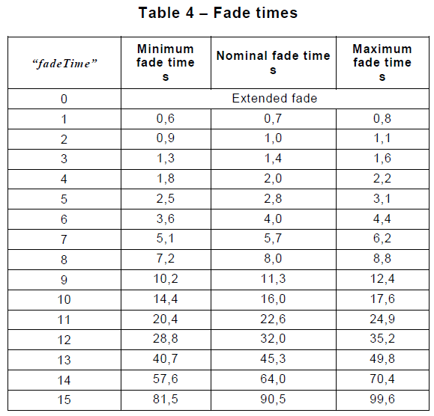 8 | 1 | ExtendedFadeTime |  | Range: 0x00 – 0x4F (0-79)
 |  |  |  | Bitwise: 0YYYAAAAb
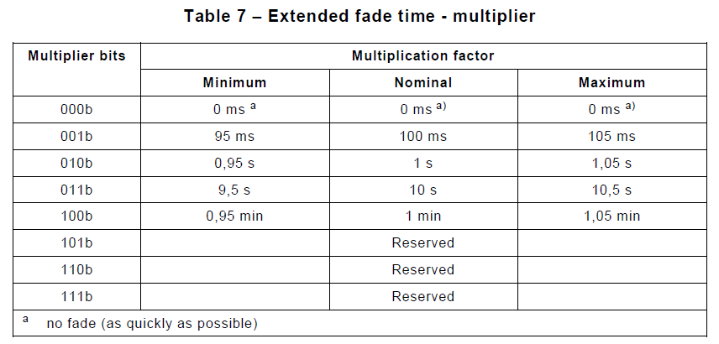
 |  |  |  | YYY = fade time multiplier. (See Table 7)
 |  |  |  | AAAA = fade time base. (See Table 6)

1.1.10 0x0432 - DaliSetDeviceFadeTimeReply
This telegram is a reply for the DaliSetDeviceFadeTime telegram
Sensor -> BLE device
Byte | Field | Field | Example | Example
no. | Size | Description |  | Description
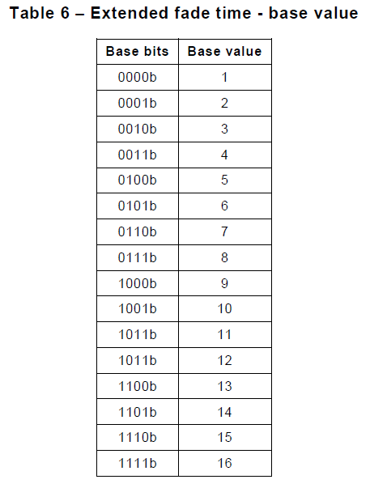
0 | 1 | Protocol Version | 0x01 | Protocol Id
1 | 2 | Telegram Type |  | DaliSetDeviceFadeTimeReply Id
3 | 2 | Total Length | 0x09 | Total Length of 9 bytes
5 | 2 | CRC16 | 0x931D | Calculated value, see section 4.5
7 | 1 | Status | 0x00 | ACK = 0
 |  |  |  | - validated OK.
 |  |  |  | NACK_RANGE_CHECK = 1
 |  |  |  | - parameter has invalid range.
 |  |  |  | NACK_COMMISSIONING_RUNNING = 3
 |  |  |  | - Commissioning running
8 | 1 | Data | 0x00 | Not used
1.1.11 0x0416 - DaliSetDevicesFadeRate
This datatype sets the common device parameter FADE RATE in the database and in all connected control gear on the bus
BLE device -> Sensor
Byte | Field | Field | Example | Example
no. | Size | Description |  | Description
0 | 1 | Protocol Version | 0x01 | Protocol Id
1 | 2 | Telegram Type |  | DaliSetDeviceFadeRate Id
3 | 2 | Total Length | 0x08 | Total Length of 8 bytes
5 | 2 | CRC16 | 0x5D93 | Calculated value, see section 4.5
7 | 1 | FadeRate |  | Range: 0x01 – 0x0F (1-15). (See Table 5)

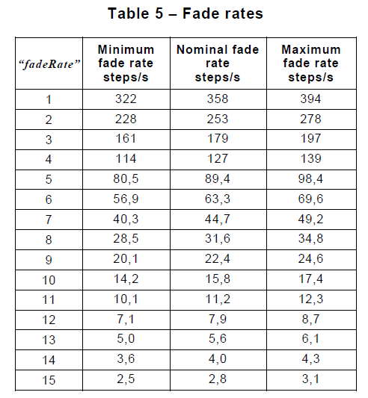

1.1.12 0x0433 - DaliSetDeviceFadeRateReply
This telegram is a reply for the DaliSetDeviceFadeTime telegram
Sensor -> BLE device
Byte | Field | Field | Example | Example
no. | Size | Description |  | Description
0 | 1 | Protocol Version | 0x01 | Protocol Id
1 | 2 | Telegram Type |  | DaliSetDeviceFadeRateReply Id
3 | 2 | Total Length | 0x09 | Total Length of 9 bytes
5 | 2 | CRC16 | 0xE5A9 | Calculated value, see section 4.5
7 | 1 | Status | 0x00 | ACK = 0 - validated OK.
 |  |  |  | NACK_RANGE_CHECK = 1
 |  |  |  | - parameter has invalid range.
 |  |  |  | NACK_COMMISSIONING_RUNNING = 3
 |  |  |  | - Commissioning running
8 | 1 | Data | 0x00 | Not used

