Part1
The following Circuit for Reference (R13 is set at 6k-ohms):
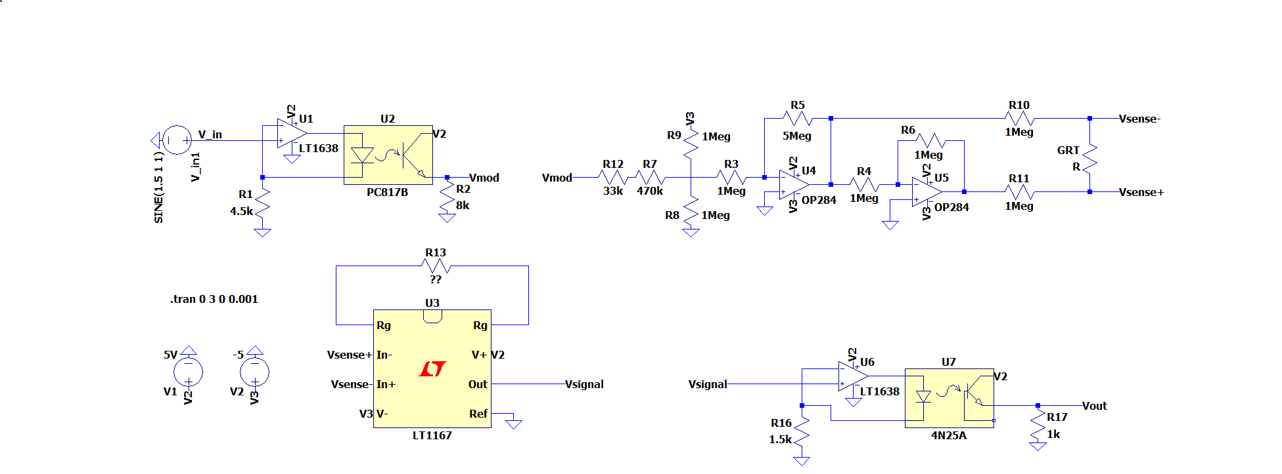

Node: | Expected Description: | Actual Description | Actual Waveform (input as described) | Actual Waveform (Input 2V offset, 500mV amplitude, 1Hz sine wave)
V_in (ref to GND) | NA | 1.5V offset, 1V amplitude, 1Hz sine wave
V_mod (ref to GND) | ?? offset, 1V amplitude, 1Hz sine wave
Pre Vsense+/Pre Vsense- (ref to GND)
V_Sense Differential
V_Sense+/Vsense- (ref to GND)
Inst Amp Output (ref to GND)
Circuit Output (ref to GND) | Rectified sine wave with slight slipping (due to diodes)

Part 4
 | The following Circuit for Reference:

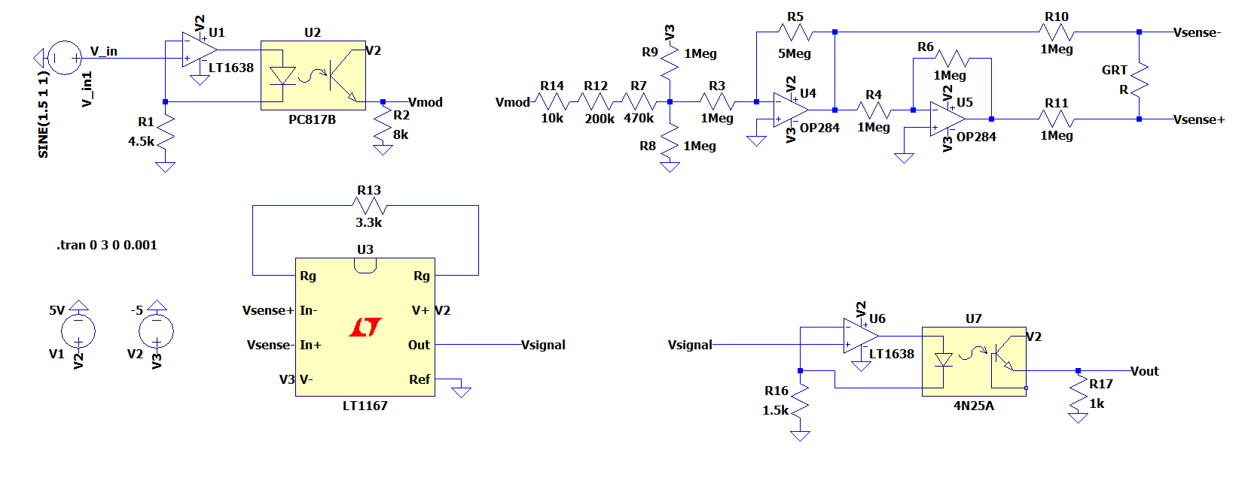

R_Ref used | Node: | Expected Description: | Actual Description | Actual Waveform (input as described)
1Meg | V_in (ref to GND) | NA | 2V offset, 0.5V amplitude, 1Hz sine wave
1Meg | V_mod (ref to GND) | ?? offset, 1V amplitude, 1Hz sine wave
1Meg | V_mod after resistor network (input to 1Meg and opamp network (ref to GND) | 0 offset, 1V amplitude, 1Hz sine wave
1Meg | Pre Vsense+/Pre Vsense- (ref to GND) (output from Op-Amps
1Meg | V_Sense Differential
1Meg | V_Sense+/Vsense- (ref to GND)
100k | Inst Amp Output (ref to GND)
100k | Circuit Output (ref to GND) | Rectified sine wave with slight slipping (due to diodes)

