Assingment Instr.
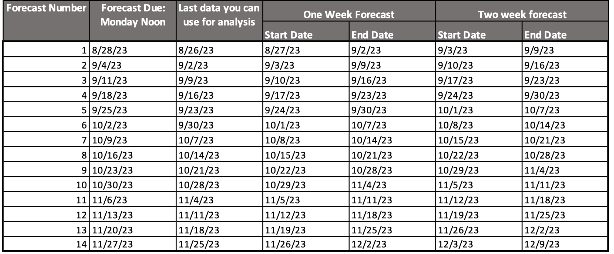
Due date and instructions

Rules

Scoring

Prizes

Forecasts are due each Monday, can only use streamflow observations up to the Saturday before Monday (no Sunday data)
Dates are Sunday to Saturday - make prediction for all 7 days in that week

