chrome
HTTP1.1 | 结果1/s | 结果2/s | 结果3/s | 结果4/s | 结果5/s | 平均结果/s
https://111.229.132.28:80/speed-test-100KB.png | 1.03 | 2.09 | 2.46 | 2.67 | 2.87 | 2.224
https://111.229.132.28:80/speed-test-1MB.png | 30.83 | 29.32 | 22.58 | 34.19 | 27.31 | 28.846 |  | h1.1 | h2 | h3
https://111.229.132.28:80/speed-test-5MB.jpg | 114.00 | 120.00 | 114.00 | 138.00 | 108.00 | 118.800 | 100KB | 2.22 | 2.22 | 0.98
https://111.229.132.28:80/speed-test-small.html | 5.59 | 6.72 | 7.55 | 4.70 | 9.96 | 6.904 | 1MB | 28.85 | 27.97 | 9.48
https://111.229.132.28:80/speed-test-medium.html | 7.99 | 9.42 | 8.63 | 11.75 | 10.51 | 9.660 | 5MB | 118.80 | 129.60 | 42.58
https://111.229.132.28:80/speed-test-large.html | 168.00 | 204.00 | 150.00 | 132.00 | 228.00 | 176.400 | small | 6.90 | 10.76 | 3.56
 |  |  |  |  |  |  | medium | 9.66 | 19.29 | 6.30
HTTP2.0 | 结果1/s | 结果2/s | 结果3/s | 结果4/s | 结果5/s | 平均结果/s | large | 176.40 | 183.60 | 114.00
chrome
https://111.229.132.28:443/speed-test-100KB.png | 2.57 | 1.44 | 1.86 | 1.85 | 3.36 | 2.216
https://111.229.132.28:443/speed-test-1MB.png | 20.77 | 39.57 | 31.28 | 23.36 | 24.86 | 27.968
https://111.229.132.28:443/speed-test-5MB.jpg | 132.00 | 138.00 | 114.00 | 132.00 | 132.00 | 129.600
https://111.229.132.28:443/speed-test-small.html | 10.78 | 12.15 | 11.77 | 8.74 | 10.36 | 10.760
https://111.229.132.28:443/speed-test-medium.html | 21.60 | 17.64 | 19.14 | 18.34 | 19.73 | 19.290
https://111.229.132.28:443/speed-test-large.html | 204.00 | 186.00 | 198 | 162.00 | 168.00 | 183.600

HTTP3.0 | 结果1/s | 结果2/s | 结果3/s | 结果4/s | 结果5/s | 平均结果/s
https://netcomm.aerber.cn:8443/speed-test-100KB.png | 1.28 | 0.86 | 0.62 | 1.31 | 0.85 | 0.984
https://netcomm.aerber.cn:8443/speed-test-1MB.png | 9.17 | 9.13 | 9.40 | 10.68 | 9.01 | 9.478
https://netcomm.aerber.cn:8443/speed-test-5MB.jpg | 42.67 | 42.02 | 42.82 | 42.23 | 43.14 | 42.576
https://netcomm.aerber.cn:8443/speed-test-small.html | 3.59 | 3.42 | 3.79 | 3.39 | 3.63 | 3.564
https://netcomm.aerber.cn:8443/speed-test-medium.html | 6.09 | 6.13 | 6.13 | 6.17 | 7.00 | 6.304
https://netcomm.aerber.cn:8443/speed-test-large.html | 114 | 114 | 114 | 114 | 114 | 114

curl
HTTP1.1 | 结果1/s | 结果2/s | 结果3/s | 结果4/s | 结果5/s | 平均结果/s
curl -k --http1.1 https://111.229.132.28:80/speed-test-100KB.png --output test.png | 0.91 | 0.88 | 0.87 | 0.89 | 0.88 | 0.886
curl -k --http1.1 https://111.229.132.28:80/speed-test-1MB.png --output test.png | 26.78 | 23.05 | 34.32 | 24.23 | 23.63 | 26.402 |  | h1.1 | h2 | h3
curl -k --http1.1 https://111.229.132.28:80/speed-test-5MB.jpg --output test.jpg | 135.96 | 127.19 | 97.19 | 124.44 | 121.68 | 121.292 | 100KB | 0.89 | 3.27 | 1.71
curl -k --http1.1 https://111.229.132.28:80/speed-test-small.html --output test.html | 0.89 | 0.88 | 0.87 | 0.87 | 0.88 | 0.878 | 1MB | 26.40 | 27.28 | 10.69
curl -k --http1.1 https://111.229.132.28:80/speed-test-medium.html --output test.html | 3.00 | 1.28 | 2.11 | 3.06 | 2.04 | 2.298 | 5MB | 121.29 | 121.84 | 44.17
curl -k --http1.1 https://111.229.132.28:80/speed-test-large.html --output test.html | 5.22 | 6.42 | 2.15 | 2.54 | 6.43 | 4.552 | small | 0.88 | 0.83 | 1.76
 |  |  |  |  |  |  | medium | 2.30 | 2.24 | 1.60
 |  |  |  |  |  |  | large | 4.55 | 5.54 | 3.16

curl
HTTP2.0 | 结果1/s | 结果2/s | 结果3/s | 结果4/s | 结果5/s | 平均结果/s
curl -k --http2 https://111.229.132.28:443/speed-test-100KB.png --output test.png | 3.54 | 3.27 | 1.67 | 6.41 | 1.46 | 3.270
curl -k --http2 https://111.229.132.28:443/speed-test-1MB.png --output test.png | 28.78 | 18.38 | 33.59 | 23.59 | 32.07 | 27.282
curl -k --http2 https://111.229.132.28:443/speed-test-5MB.jpg --output test.jpg | 129.37 | 123.99 | 105.23 | 120.20 | 130.40 | 121.838
curl -k --http2 https://111.229.132.28:443/speed-test-small.html --output test.html | 0.83 | 0.83 | 0.83 | 0.83 | 0.84 | 0.832
curl -k --http2 https://111.229.132.28:443/speed-test-medium.html --output test.html | 2.34 | 1.29 | 2.78 | 2.48 | 2.32 | 2.242
curl -k --http2 https://111.229.132.28:443/speed-test-large.html --output test.html | 2.07 | 9.85 | 2.26 | 10.60 | 2.91 | 5.538

HTTP3.0 | 结果1/s | 结果2/s | 结果3/s | 结果4/s | 结果5/s | 平均结果/s
docker run -it --rm ymuski/curl-http3 curl https://netcomm.aerber.cn:8443/speed-test-100KB.png --http3-only --output test.png | 1.58 | 1.34 | 1.87 | 1.92 | 1.83 | 1.708
docker run -it --rm ymuski/curl-http3 curl https://netcomm.aerber.cn:8443/speed-test-1MB.png --http3-only --output test.png | 11.34 | 10.91 | 10.07 | 10.18 | 10.94 | 10.688
docker run -it --rm ymuski/curl-http3 curl https://netcomm.aerber.cn:8443/speed-test-5MB.jpg --http3-only --output test.jpg | 44.77 | 44.45 | 44.45 | 43.39 | 43.80 | 44.172
docker run -it --rm ymuski/curl-http3 curl https://netcomm.aerber.cn:8443/speed-test-small.html --http3-only --output test.html | 1.30 | 1.43 | 1.43 | 2.57 | 2.05 | 1.756
docker run -it --rm ymuski/curl-http3 curl https://netcomm.aerber.cn:8443/speed-test-medium.html --http3-only --output test.html | 1.58 | 1.60 | 1.60 | 1.47 | 1.77 | 1.604
docker run -it --rm ymuski/curl-http3 curl https://netcomm.aerber.cn:8443/speed-test-large.html --http3-only --output test.html | 2.70 | 3.99 | 3.99 | 2.52 | 2.58 | 3.156

HTTP1.1 | curl -k --http1.1 https://111.229.132.28:80/speed-test-100KB.png --head | curl -k --http1.1 https://111.229.132.28:80/speed-test-1MB.png --head | curl -k --http1.1 https://111.229.132.28:80/speed-test-5MB.jpg --head | curl -k --http1.1 https://111.229.132.28:80/speed-test-small.html --head | curl -k --http1.1 https://111.229.132.28:80/speed-test-medium.html --head | curl -k --http1.1 https://111.229.132.28:80/speed-test-large.html --head
 | HTTP/1.1 200 OK | HTTP/1.1 200 OK | HTTP/1.1 200 OK | HTTP/1.1 200 OK | HTTP/1.1 200 OK | HTTP/1.1 200 OK
 | Server: nginx/1.25.2 | Server: nginx/1.25.2 | Server: nginx/1.25.2 | Server: nginx/1.25.2 | Server: nginx/1.25.2 | Server: nginx/1.25.2
 | Date: Thu, 07 Dec 2023 12:15:46 GMT | Date: Thu, 07 Dec 2023 12:15:48 GMT | Date: Thu, 07 Dec 2023 12:15:49 GMT | Date: Thu, 07 Dec 2023 12:15:50 GMT | Date: Thu, 07 Dec 2023 12:15:51 GMT | Date: Thu, 07 Dec 2023 12:15:53 GMT
 | Content-Type: image/png | Content-Type: image/png | Content-Type: image/jpeg | Content-Type: text/html | Content-Type: text/html | Content-Type: text/html
 | Content-Length: 98763 | Content-Length: 1128358 | Content-Length: 5048759 | Content-Length: 5885 | Content-Length: 92550 | Content-Length: 229404
 | Last-Modified: Mon, 23 Oct 2023 07:53:25 GMT | Last-Modified: Mon, 23 Oct 2023 07:53:22 GMT | Last-Modified: Mon, 23 Oct 2023 07:53:25 GMT | Last-Modified: Mon, 23 Oct 2023 08:02:38 GMT | Last-Modified: Mon, 23 Oct 2023 07:55:47 GMT | Last-Modified: Mon, 23 Oct 2023 08:12:02 GMT
 | Connection: keep-alive | Connection: keep-alive | Connection: keep-alive | Connection: keep-alive | Connection: keep-alive | Connection: keep-alive
 | ETag: "65362675-181cb" | ETag: "65362672-1137a6" | ETag: "65362675-4d09b7" | ETag: "6536289e-16fd" | ETag: "65362703-16986" | ETag: "65362ad2-3801c"
 | Accept-Ranges: bytes | Accept-Ranges: bytes | Accept-Ranges: bytes | Accept-Ranges: bytes | Accept-Ranges: bytes | Accept-Ranges: bytes

HTTP2.0 | curl -k --http2 https://111.229.132.28:443/speed-test-100KB.png --head | curl -k --http2 https://111.229.132.28:443/speed-test-1MB.png --head | curl -k --http2 https://111.229.132.28:443/speed-test-5MB.jpg --head | curl -k --http2 https://111.229.132.28:443/speed-test-small.html --head | curl -k --http2 https://111.229.132.28:443/speed-test-medium.html --head | curl -k --http2 https://111.229.132.28:443/speed-test-large.html --head
 | HTTP/2 200 | HTTP/2 200 | HTTP/2 200 | HTTP/2 200 | HTTP/2 200 | HTTP/2 200
 | server: nginx/1.25.2 | server: nginx/1.25.2 | server: nginx/1.25.2 | server: nginx/1.25.2 | server: nginx/1.25.2 | server: nginx/1.25.2
 | date: Thu, 07 Dec 2023 12:15:54 GMT | date: Thu, 07 Dec 2023 12:15:55 GMT | date: Thu, 07 Dec 2023 12:15:56 GMT | date: Thu, 07 Dec 2023 12:15:56 GMT | date: Thu, 07 Dec 2023 12:15:57 GMT | date: Thu, 07 Dec 2023 12:15:58 GMT
 | content-type: image/png | content-type: image/png | content-type: image/jpeg | content-type: text/html | content-type: text/html | content-type: text/html
 | content-length: 98763 | content-length: 1128358 | content-length: 5048759 | content-length: 5885 | content-length: 92550 | content-length: 229404
 | last-modified: Mon, 23 Oct 2023 07:53:25 GMT | last-modified: Mon, 23 Oct 2023 07:53:22 GMT | last-modified: Mon, 23 Oct 2023 07:53:25 GMT | last-modified: Mon, 23 Oct 2023 08:02:38 GMT | last-modified: Mon, 23 Oct 2023 07:55:47 GMT | last-modified: Mon, 23 Oct 2023 08:12:02 GMT
 | etag: "65362675-181cb" | etag: "65362672-1137a6" | etag: "65362675-4d09b7" | etag: "6536289e-16fd" | etag: "65362703-16986" | etag: "65362ad2-3801c"
 | accept-ranges: bytes | accept-ranges: bytes | accept-ranges: bytes | accept-ranges: bytes | accept-ranges: bytes | accept-ranges: bytes

HTTP3.0 | docker run -it --rm ymuski/curl-http3 curl -IL https://netcomm.aerber.cn:8443/speed-test-100KB.png --http3-only --head | docker run -it --rm ymuski/curl-http3 curl -IL https://netcomm.aerber.cn:8443/speed-test-1MB.png --http3-only --head | docker run -it --rm ymuski/curl-http3 curl -IL https://netcomm.aerber.cn:8443/speed-test-5MB.jpg --http3-only --head | docker run -it --rm ymuski/curl-http3 curl -IL https://netcomm.aerber.cn:8443/speed-test-small.html --http3-only --head | docker run -it --rm ymuski/curl-http3 curl -IL https://netcomm.aerber.cn:8443/speed-test-medium.html --http3-only --head | docker run -it --rm ymuski/curl-http3 curl -IL https://netcomm.aerber.cn:8443/speed-test-large.html --http3-only --head
 | HTTP/3 200 | HTTP/3 200 | HTTP/3 200 | HTTP/3 200 | HTTP/3 200 | HTTP/3 200
 | server: nginx/1.25.2 | server: nginx/1.25.2 | server: nginx/1.25.2 | server: nginx/1.25.2 | server: nginx/1.25.2 | server: nginx/1.25.2
 | date: Thu, 07 Dec 2023 12:15:59 GMT | date: Thu, 07 Dec 2023 12:16:01 GMT | date: Thu, 07 Dec 2023 12:16:02 GMT | date: Thu, 07 Dec 2023 12:16:03 GMT | date: Thu, 07 Dec 2023 12:16:04 GMT | date: Thu, 07 Dec 2023 12:16:05 GMT
 | content-type: image/png | content-type: image/png | content-type: image/jpeg | content-type: text/html | content-type: text/html | content-type: text/html
 | content-length: 98763 | content-length: 1128358 | content-length: 5048759 | content-length: 5885 | content-length: 92550 | content-length: 229404
 | last-modified: Mon, 23 Oct 2023 07:53:25 GMT | last-modified: Mon, 23 Oct 2023 07:53:22 GMT | last-modified: Mon, 23 Oct 2023 07:53:25 GMT | last-modified: Mon, 23 Oct 2023 08:02:38 GMT | last-modified: Mon, 23 Oct 2023 07:55:47 GMT | last-modified: Mon, 23 Oct 2023 08:12:02 GMT
 | etag: "65362675-181cb" | etag: "65362672-1137a6" | etag: "65362675-4d09b7" | etag: "6536289e-16fd" | etag: "65362703-16986" | etag: "65362ad2-3801c"
 | alt-svc: h3=":8443"; ma=86400 | alt-svc: h3=":8443"; ma=86400 | alt-svc: h3=":8443"; ma=86400 | alt-svc: h3=":8443"; ma=86400 | alt-svc: h3=":8443"; ma=86400 | alt-svc: h3=":8443"; ma=86400
 | accept-ranges: bytes | accept-ranges: bytes | accept-ranges: bytes | accept-ranges: bytes | accept-ranges: bytes | accept-ranges: bytes

wireshark
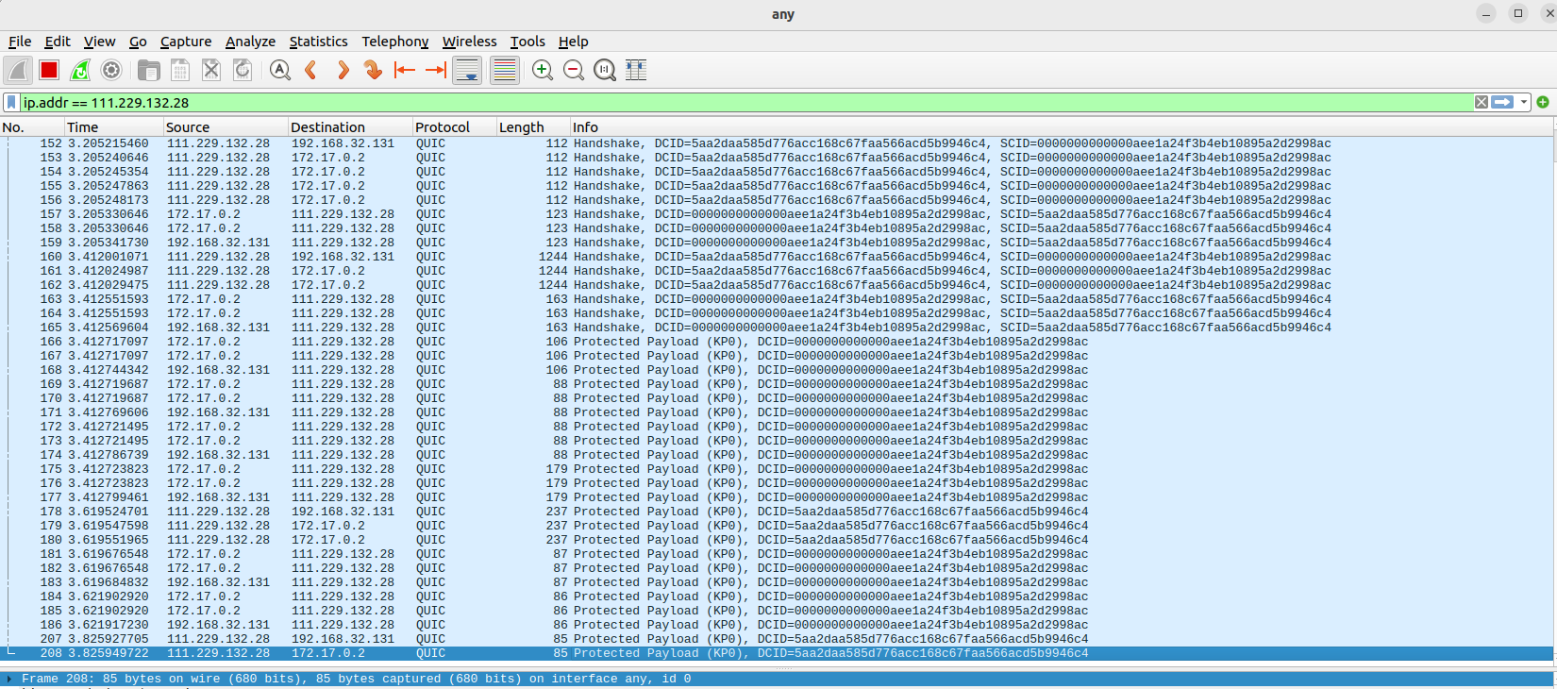
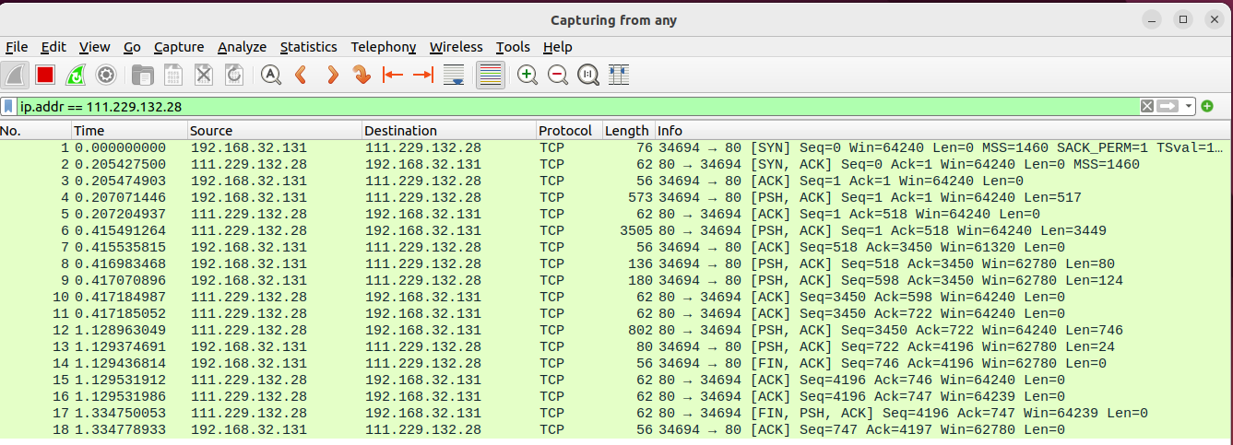
curl -k --http1.1 https://111.229.132.28:80/speed-test-100KB.png --head
 | ip.addr == 111.229.132.28

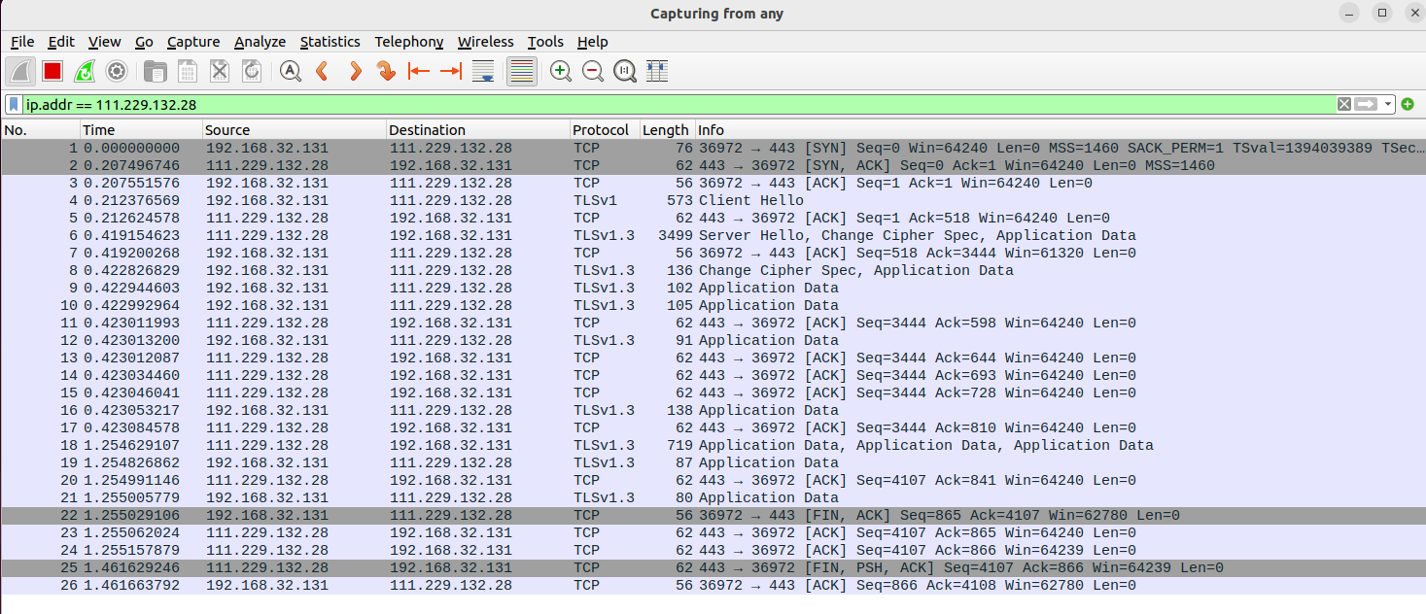
curl -k --http2 https://111.229.132.28:443/speed-test-100KB.png --head

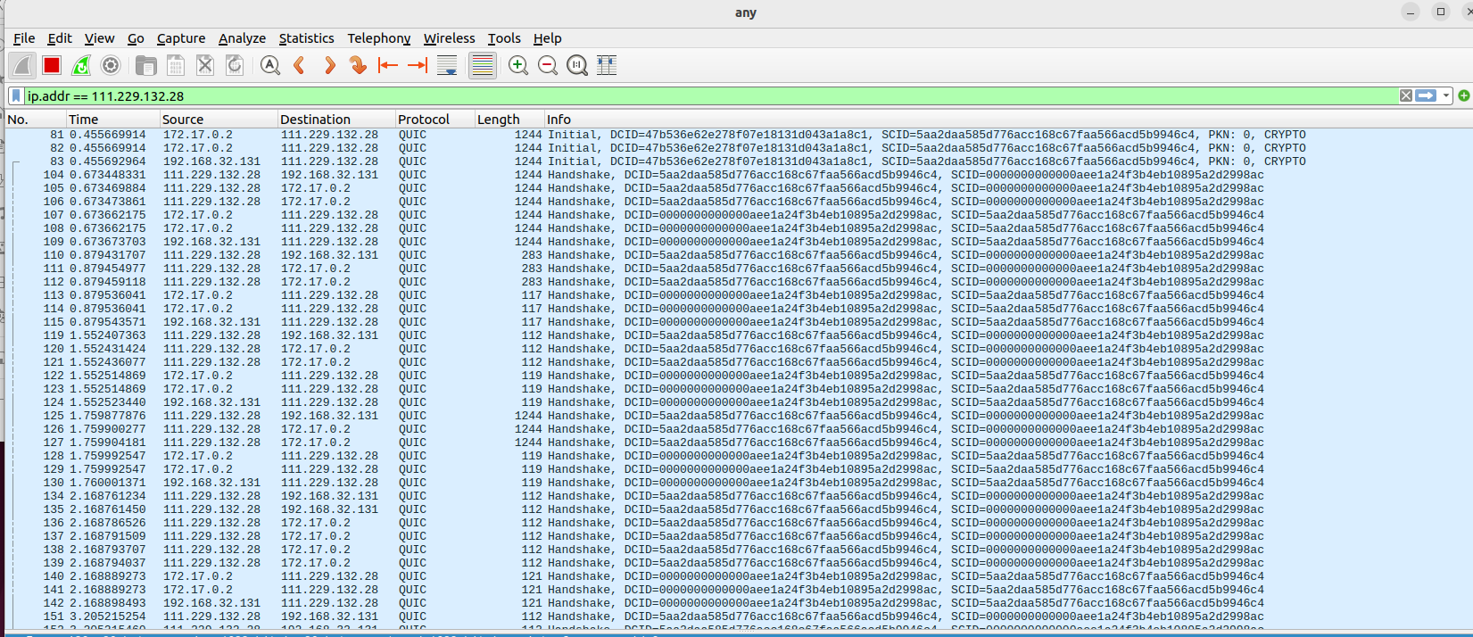
docker run -it --rm ymuski/curl-http3 curl -IL https://netcomm.aerber.cn:8443/speed-test-100KB.png --http3-only --head

using_clumsy
HTTP1.1 | 结果1/s | 结果2/s | 结果3/s | 平均结果/s
normal | 29.96 | 31.54 | 29.93 | 30.48 | https://111.229.132.28:80/speed-test-1MB.png |  | h1.1 | h2 | h3
lag-100ms | 66 | 43.55 | 47.24 | 52.26 |  | normal | 30.48 | 24.05 | 8.91
drop-10% | 120 | 120 | 120 | 120.00 |  | lag-100ms | 52.26 | 39.80 | 9.53
throttle-10% | 52.13 | 50.94 | 38.51 | 47.19 |  | drop-10% | 120.00 | 88.00 | 10.50
duplicate-10% | 45.01 | 41.41 | 35.27 | 40.56 |  | throttle-10% | 47.19 | 34.01 | 9.31
out-of-order-10% | 44.56 | 41.93 | 42.7 | 43.06 |  | duplicate-10% | 40.56 | 30.35 | 9.72
bandwidth-60KB/s | 41.16 | 37.15 | 37.23 | 38.51 |  | out-of-order-10% | 43.06 | 40.32 | 9.40
tamper-10% | 失败 | 失败 | 失败 | #DIV/0! |  | bandwidth-60KB/s | 38.51 | 34.90 | 23.66

clumsy
HTTP2 | 结果1/s | 结果2/s | 结果3/s | 平均结果/s
normal | 22.11 | 25.59 | 24.45 | 24.05 | https://111.229.132.28:443/speed-test-1MB.png
lag-100ms | 41.48 | 41.83 | 36.09 | 39.80
drop-10% | 84 | 90 | 90 | 88.00
throttle-10% | 37.07 | 35.43 | 29.54 | 34.01
duplicate-10% | 31.08 | 31.91 | 28.07 | 30.35
out-of-order-10% | 47.45 | 34.99 | 38.53 | 40.32
bandwidth-60KB/s | 36.57 | 35.53 | 32.59 | 34.90
tamper-10% | 失败 | 失败 | 失败 | #DIV/0!

HTTP3 | 结果1/s | 结果2/s | 结果3/s | 平均结果/s | https://netcomm.aerber.cn:8443/speed-test-small.html
normal | 9.01 | 8.81 | 8.90 | 8.91 | https://netcomm.aerber.cn:8443/speed-test-1MB.png
lag-100ms | 9.11 | 9.89 | 9.59 | 9.53
drop-10% | 10.53 | 10.12 | 10.84 | 10.50
throttle-10% | 9.12 | 9.63 | 9.17 | 9.31
duplicate-10% | 9.21 | 10.89 | 9.06 | 9.72
out-of-order-10% | 9.34 | 9.63 | 9.22 | 9.40
bandwidth-60KB/s | 22.68 | 25.39 | 22.91 | 23.66
tamper-10% | 失败 | 失败 | 失败 | #DIV/0!

inbound and (ip.SrcAddr == 111.229.132.28 )

