Planilha1
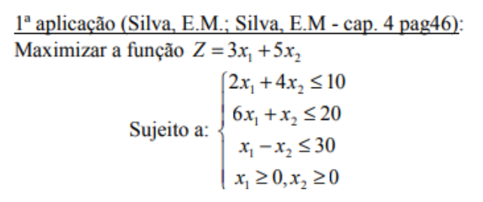

x1 = | 3.1818181818 | r1 = | 10 | x1 = | r1 =
x2 = | 0.90909090909 | r2 = | 20 | x2 = | r2 =
Z = | 14.090909091 | r3 = | 2.2727272727 | Z =

x1 = |  | r1 = |  | x1 = | r1 =
x2 = |  | r2 = |  | x2 = | r2 =
x3 = |  |  |  | x3 = | r3 =
Z = |  |  |  | Z =
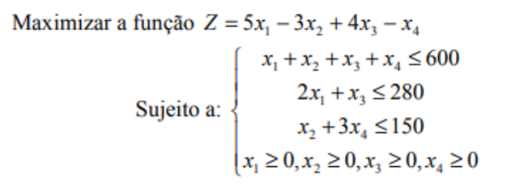

x1 = | 0 | r1 = | 280
x2 = | 0 | r2 = | 280
x3 = | 280 | r3 = | 0
x4 = | 0
Z = | 1120

