Blad1
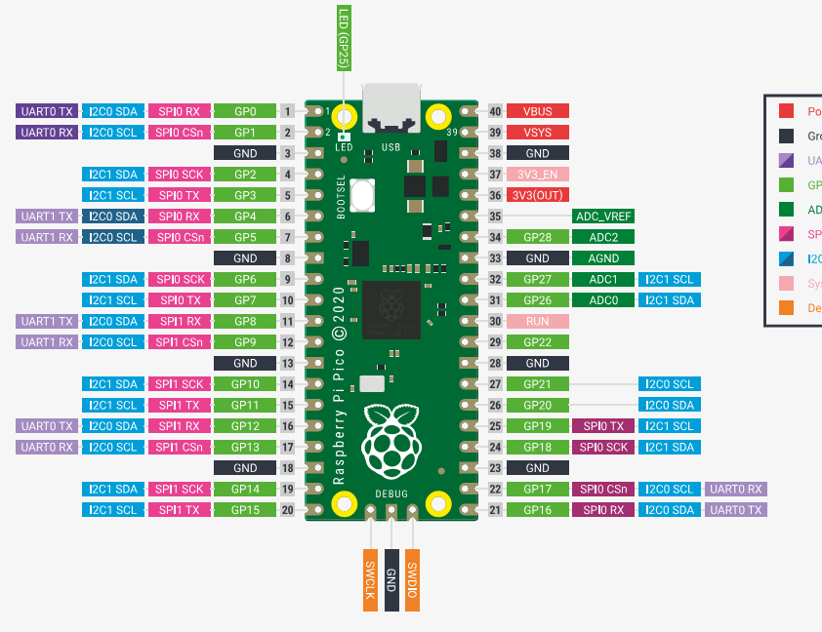
Purpose | Pin | GPIO | Feature |  | Feature | GPIO | Pin | Purpose
 |  |  |  | PICO
RXD_PI4 | 1 | 0 | UART0 TX |  | VBUS | -- | 40
TXD_PI4 | 2 | 1 | UART0 RX |  | VSYS | -- | 39
GND | 3 | -- | GND |  | GND | -- | 38 | GND
LED_Cheeks | 4 | 2 | GPIO |  | 3v3_EN | -- | 37
LED_Mouth | 5 | 3 | GPIO |  | 3v3(OUT) | -- | 36
TX_PICO | 6 | 4 | UART1 TX |  | (ADC_VREF) | -- | 35
RX_PICO | 7 | 5 | UART1 RX |  | (ADC) | 28 | 34
GND | 8 | -- | GND |  | GND |  | 33 | GND
A | 9 | 6 | GPIO |  | (ADC) | 27 | 32
B | 10 | 7 | GPIO |  | (ADC) | 26 | 31
Display_DC | 11 | 8 | GPIO |  | -- | -- | 30
Display1_CS | 12 | 9 | SPI1 CSn |  |  | 22 | 29 | MD1_EN
GND | 13 | -- | GND |  | GND |  | 28 | GND
Display_SDA | 14 | 10 | SPI1 SCK/I2C SDA |  |  | 21 | 27 | MD1_STEP
Display_SCL | 15 | 11 | SPI1 TX/I2C SCL |  |  | 20 | 26 | MD1_DIR
Display_RES | 16 | 12 | SPI1 RX |  |  | 19 | 25 | MD2_EN
Display2_CS | 17 | 13 | SPI1 CSn |  |  | 18 | 24 | MD2_STEP
GND | 18 | -- | GND |  | GND |  | 23 | GND
INH | 19 | 14 | GPIO |  |  | 17 | 22 | MD2_DIR
Ledstrip1_DATA | 20 | 15 | GPIO |  |  | 16 | 21 | Ledstrip2_DATA

