Blad1
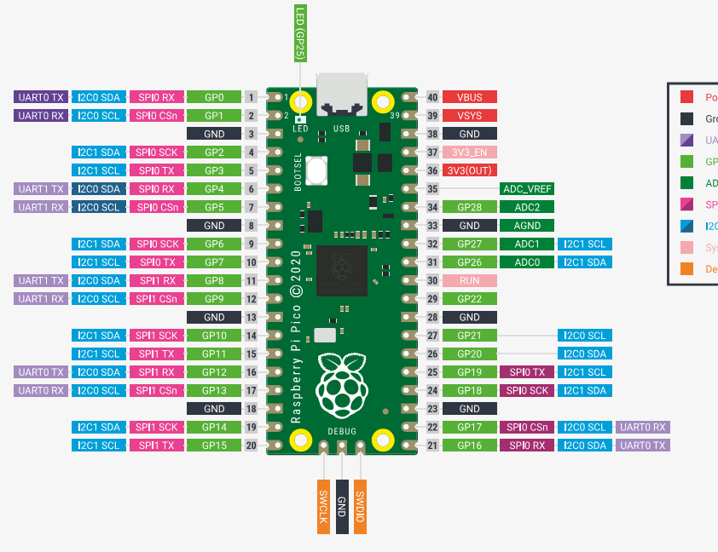
Purpose | Pin | GPIO | Feature |  |  | Feature | GPIO | Pin | Purpose
 |  |  |  | PICO
RXD_PI4 | 1 | 0 | UART0 TX |  |  | VBUS | -- | 40
TXD_PI4 | 2 | 1 | UART0 RX |  |  | VSYS | -- | 39
GND | 3 | -- | GND |  |  | GND | -- | 38 | GND
STOP_PIN1 | 4 | 2 | GPIO |  |  | 3v3_EN | -- | 37
STOP_PIN2 | 5 | 3 | GPIO |  |  | 3v3(OUT) | -- | 36
TX_PICO | 6 | 4 | UART1 TX |  |  | (ADC_VREF) | -- | 35
RX_PICO | 7 | 5 | UART1 RX |  |  | (ADC) | 28 | 34 | IOexp_INT
GND | 8 | -- | GND |  |  | GND |  | 33 | GND
MUX_A | 9 | 6 | GPIO |  |  | I2C SCL | 27 | 32 | IOexp_SCL
MUX_B | 10 | 7 | GPIO |  |  | I2C SDA | 26 | 31 | IOexp_SDA
Display_DC | 11 | 8 | GPIO |  |  | -- | -- | 30
Display1_CS | 12 | 9 | SPI1 CSn |  |  |  | 22 | 29 | MD2_DIR
GND | 13 | -- | GND |  |  | GND |  | 28 | GND
Display_SDA | 14 | 10 | SPI1 SCK/I2C SDA |  |  |  | 21 | 27 | MD2_STEP
Display_SCL | 15 | 11 | SPI1 TX/I2C SCL |  |  |  | 20 | 26 | MD1_DIR
Display_RES | 16 | 12 | SPI1 RX |  |  |  | 19 | 25 | MD1_STEP
Display2_CS | 17 | 13 | SPI1 CSn |  |  |  | 18 | 24 | Radar_RES
GND | 18 | -- | GND |  |  | GND |  | 23 | GND
MUX_INH | 19 | 14 | GPIO |  |  |  | 17 | 22 | Radar_CS
Ledstrip1_DATA | 20 | 15 | GPIO |  |  |  | 16 | 21 | Ledstrip2_DATA

Purpose |  | Pin | Feature |  | Feature | Pin | Purpose
GND |  | 1 | A0 | I/O Expander | VCC | 16 | 3.3V in
GND |  | 2 | A1 |  | SDA | 15 | IOexp_SDA
GND |  | 3 | A2 |  | SCL | 14 | IOexp_SCL
MD1_EN |  | 4 | P0 |  | INT | 13 | IOexp_INT
MD2_EN |  | 5 | P1 |  | P7 | 12
MD_SW1 |  | 6 | P2 |  | P6 | 11
MD_SW2 |  | 7 | P3 |  | P5 | 10 | LED_Cheeks
GND |  | 8 | GND |  | P4 | 9 | LED_Mouth

