Julian Date - analise
2022-01-01
2022-01-02
2022-01-03
2022-01-04
2022-01-05
2022-01-06
2022-01-07
2022-01-08
2022-01-09
2022-01-10
2022-01-11
2022-01-12
2022-01-13
2022-01-14
2022-01-15
2022-01-16
2022-01-17
2022-01-18
2022-01-19
2022-01-20
2022-01-21
2022-01-22
2022-01-23
2022-01-24
2022-01-25
2022-01-26
2022-01-27
2022-01-28
2022-01-29
2022-01-30
2022-01-31
2022-02-01
2022-02-02
2022-02-03
2022-02-04
2022-02-05
2022-02-06
2022-02-07
2022-02-08
2022-02-09
2022-02-10
2022-02-11
2022-02-12
2022-02-13
2022-02-14
2022-02-15
2022-02-16
2022-02-17
2022-02-18
2022-02-19
2022-02-20
2022-02-21
2022-02-22
2022-02-23
2022-02-24
2022-02-25
2022-02-26
2022-02-27
2022-02-28
2022-03-01
2022-03-02
2022-03-03
2022-03-04
2022-03-05
2022-03-06
2022-03-07
2022-03-08
2022-03-09
2022-03-10
2022-03-11
2022-03-12
2022-03-13
2022-03-14
2022-03-15
2022-03-16
2022-03-17
2022-03-18
2022-03-19
2022-03-20
2022-03-21
2022-03-22
2022-03-23
2022-03-24
2022-03-25
2022-03-26
2022-03-27
2022-03-28
2022-03-29
2022-03-30
2022-03-31
2022-04-01
2022-04-02
2022-04-03
2022-04-04
2022-04-05
2022-04-06
2022-04-07
2022-04-08
2022-04-09
2022-04-10
2022-04-11
2022-04-12
2022-04-13
2022-04-14
2022-04-15
2022-04-16
2022-04-17
2022-04-18
2022-04-19
2022-04-20
2022-04-21
2022-04-22
2022-04-23
2022-04-24
2022-04-25
2022-04-26
2022-04-27
2022-04-28
2022-04-29
2022-04-30
2022-05-01
2022-05-02
2022-05-03
2022-05-04
2022-05-05
2022-05-06
2022-05-07
2022-05-08
2022-05-09
2022-05-10
2022-05-11
2022-05-12
2022-05-13
2022-05-14
2022-05-15
2022-05-16
2022-05-17
2022-05-18
2022-05-19
2022-05-20
2022-05-21
2022-05-22
2022-05-23
2022-05-24
2022-05-25
2022-05-26
2022-05-27
2022-05-28
2022-05-29
2022-05-30
2022-05-31
2022-06-01
2022-06-02
2022-06-03
2022-06-04
2022-06-05
2022-06-06
2022-06-07
2022-06-08
2022-06-09
2022-06-10
2022-06-11
2022-06-12
2022-06-13
2022-06-14
2022-06-15
2022-06-16
2022-06-17
2022-06-18
2022-06-19
2022-06-20
2022-06-21
2022-06-22
2022-06-23
2022-06-24
2022-06-25
2022-06-26
2022-06-27
2022-06-28
2022-06-29
2022-06-30
2022-07-01
2022-07-02
2022-07-03
2022-07-04
2022-07-05
2022-07-06
2022-07-07
2022-07-08
2022-07-09
2022-07-10
2022-07-11
2022-07-12
2022-07-13
2022-07-14
2022-07-15
2022-07-16
2022-07-17
2022-07-18
2022-07-19
2022-07-20
2022-07-21
2022-07-22
2022-07-23
2022-07-24
2022-07-25
2022-07-26
2022-07-27
2022-07-28
2022-07-29
2022-07-30
2022-07-31
2022-08-01
2022-08-02
2022-08-03
2022-08-04
2022-08-05
2022-08-06
2022-08-07
2022-08-08
2022-08-09
2022-08-10
2022-08-11
2022-08-12
2022-08-13
2022-08-14
2022-08-15
2022-08-16
2022-08-17
2022-08-18
2022-08-19
2022-08-20
2022-08-21
2022-08-22
2022-08-23
2022-08-24
2022-08-25
2022-08-26
2022-08-27
2022-08-28
2022-08-29
2022-08-30
2022-08-31
2022-09-01
2022-09-02
2022-09-03
2022-09-04
2022-09-05
2022-09-06
2022-09-07
2022-09-08
2022-09-09
2022-09-10
2022-09-11
2022-09-12
2022-09-13
2022-09-14
2022-09-15
2022-09-16
2022-09-17
2022-09-18
2022-09-19
2022-09-20
2022-09-21
2022-09-22
2022-09-23
2022-09-24
2022-09-25
2022-09-26
2022-09-27
2022-09-28
2022-09-29
2022-09-30
2022-10-01
2022-10-02
2022-10-03
2022-10-04
2022-10-05
2022-10-06
2022-10-07
2022-10-08
2022-10-09
2022-10-10
2022-10-11
2022-10-12
2022-10-13
2022-10-14
2022-10-15
2022-10-16
2022-10-17
2022-10-18
2022-10-19
2022-10-20 |  | 2021-10-19 | 2022-01-16
2022-10-21
2022-10-22
2022-10-23
2022-10-24
2022-10-25
2022-10-26
2022-10-27
2022-10-28
2022-10-29
2022-10-30
2022-10-31
2022-11-01
2022-11-02
2022-11-03
2022-11-04
2022-11-05
2022-11-06
2022-11-07
2022-11-08
2022-11-09
2022-11-10
2022-11-11
2022-11-12
2022-11-13
2022-11-14
2022-11-15
2022-11-16
2022-11-17
18/11/2022
2022-11-19
20/11/2022
2022-11-21
2022-11-22
2022-11-23
2022-11-24
2022-11-25
2022-11-26
2022-11-27
2022-11-28
2022-11-29 | Serial Number: JJJ-Serial-CHK (JJJ: Julian Date)
30/11/2022 |  |  |  |  | 48/16=3 record de prémios purgados no upurge.fil
2022-12-01
02/12/2022
2022-12-03
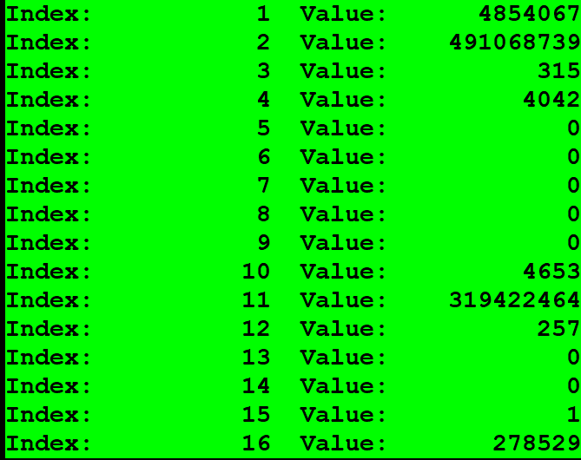
2022-12-04 |  |  |  |  |  | VSCDC 5-6 bytes !WAGER CDC DATE | VWCDC 7-8 bytes !WINSEL CDC | Wager Serial Num
2022-12-05 |  |  |  | X | 491068739 | 1D43=7491 | 1D45=7493 | 4854067 | <32.000.000 | limite maximo do serial interno por maquina
2022-12-06 |  |  |  | - | 491068739 | 1D43=7491 | 1D45=7493 | 2960314
2022-12-07 |  |  |  | - | 491068738 | 1D42=7490 | 1D45=7493 | 3139348
2022-12-08
2022-12-09
2022-12-10
2022-12-11
2022-12-12
2022-12-13
2022-12-14
2022-12-15
2022-12-16
2022-12-17
2022-12-18
2022-12-19
2022-12-20
2022-12-21
2022-12-22
2022-12-23
2022-12-24
2022-12-25
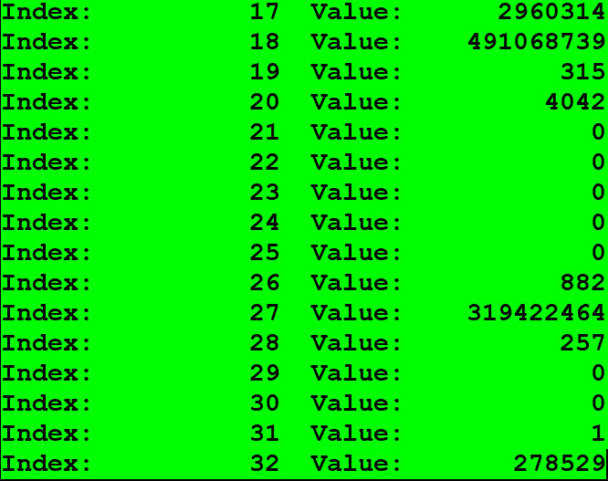
2022-12-26
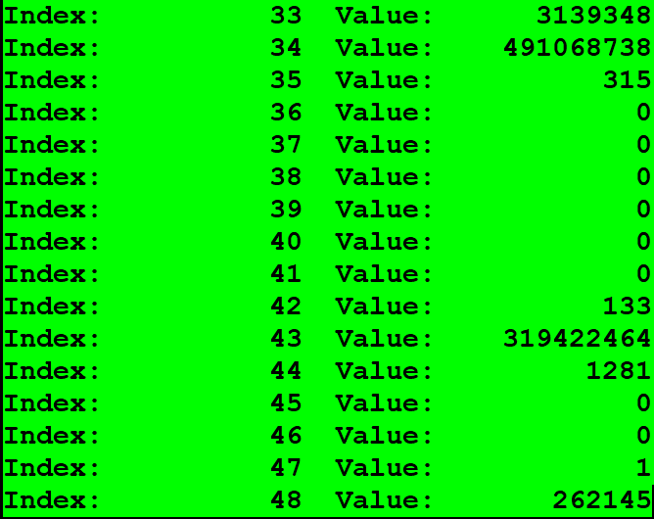
2022-12-27
2022-12-28
2022-12-29
2022-12-30
2022-12-31
2023-01-01

