DataGaps_HG2022
 | Assessment of data in "00_LnYolkVolLifeStage_WorkingFile_HG_2022.xlsx" |  |  |  |  |  |  |  |  |  |  |  |  |  |  |  | DPF | T1 |  | T2 |  | T3 |  | Why is Instantaneous growth data so sparce??
 | Ammonia Toxicity: 7/26/2017 (Kup D43, Sag D42) = first sign of odd behavior, 7/29/2017 (Kup D45, Sag D44) = removed remaining individuals, treated them with formalin bath, cleaned all tanks, chambers, and filters, then replaced surviving individuals. |  |  |  |  |  |  |  |  |  |  |  |  |  |  |  |  | Kup | Sag | Kup | Sag | Kup | Sag
 | O3 never existed - No data for this family |  |  |  |  |  |  |  |  |  |  |  |  |  |  |  | 15 |  |  | 7 | 1 |  | 2
 | O5 in T3 never existed |  |  |  |  |  |  |  |  |  |  |  |  |  |  |  | 20 | 1 |  | 8 | 3 | 6 | 1
 |  |  |  |  |  |  |  |  |  |  |  |  |  |  |  |  | 25 | 15 | 3 |  | 1 | 1
 |  |  |  |  |  |  |  |  |  |  |  |  |  |  |  |  | 30 |  | 2 | 1 |  | 1
 | YOLK VOLUMES |  |  |  |  |  |  |  |  |  |  |  |  |  |  |  | 35
 |  | KUP |  |  | SAG |  |  |  |  |  |  |  |  |  |  |  | 40
June 13-14 | pre-fert eggs wet wt | yes K1-K16, but missing K2 |  |  | yes O2, O5 missing O1, O4, O6
June 13-14 | pre-fert eggs dry wt | dried whole eggs available for all families (Kup and Oks3)
June 13-14 | Post-Fert eggs | have images K1, 3,4,5,6,7,8,9,10,11,12,13,14,15,16 |  |  | have images O2, O3, O5
 | YOLK VOLUMES |  |  |  |  |  |  |  | LARVAL LENGTHS
 | YV | T1 |  | T2 |  | T3 |  |  | Ln | T1 |  | T2 |  | T3
 | DPF | Kup | Sag | Kup | Sag | Kup | Sag |  | DPF | Kup | Sag | Kup | Sag | Kup | Sag
June 13-14 | 0 post-fert Yolk Volume | see above |  |  |  |  |  |  | 0 | eggs | eggs | eggs | eggs | eggs | eggs
June 18-19 | 5 | y | y | y | y | y | y |  | 5 | eggs | eggs | eggs | eggs | eggs | eggs
June 23-24 | 10 | y | y | y | y | y - no K7 | have O1, O4 no O2, O6 |  | 10 | eggs | eggs | eggs | eggs | eggs | eggs
June 28-29 | 15 | y - no K12 | only O6 | no K3 - K16 (have K1, K2) Most have hatched | y Most have hatched | all missing (chambers images K2, K4, K5, K7, K8, K10, K16) | all missing (chamber images O2, O6) | Note: Chamber images only good for non-swimmers | 15 | eggs | eggs | Have lengths for K5, K7, K8, and K11. all missing (Have images K1 eggs, K2 eggs and chambers K1, K2, K3, K4, K5, K7, K8, K9, K10, K11, K12, K13, K14, K15) | all missing (Have images O1, O2, O4, O5, O6 and chambers O1, O2, O4, O6) | all missing (Have chambers images K2, K4, K5, K7, K8, K10, K16) | all missing (Have chamber images O2, O6)
July 3 - 4 | 20 | y | y | eggs hatched | eggs hatched | eggs hatched | eggs hatched |  | 20 | y - K1-K16 - all eggs in images (Began hatching on 7/3/17 D20), K16 only - live photo | y - eggs (began hatching on 7/6/2017 D22 (22 days post-fertilization) | y, no K6 | y, no O5 | y - only K1(2?), K4, K5, K7, K8, K16 (where are K1, K3, K6, K9, K10, K11, K12, K13, K14, and K15?) | no O1, (none left -O4)
July 8 - 9 | 25 | K1 only, Linda has K6 (half eggs half hatched) | y | eggs hatched | eggs hatched | eggs hatched | eggs hatched |  | 25 | y - no K6 half eggs half hatched Linda has photo | y - but no O5 and O6 is all eggs | y | y | y - only K2, K4, K5, K7, K8, K16 | y - no O4, all dead
July 13 - 14 | 30 | no more past here |  |  |  |  |  |  | 30 | y - but no K6, K9, K10, K15 | y - but No O1 (have O2, O4, O5, O6) | (have K1, K2, K3, K6, K7, K8, K9, K10, K11, K12, K13, K14, K15, K16) no K4, K5 | y - have O1, O2 O4, O5 | y - but only have K2, K4, K5, K7, K8, K16 | y - no O4, all dead
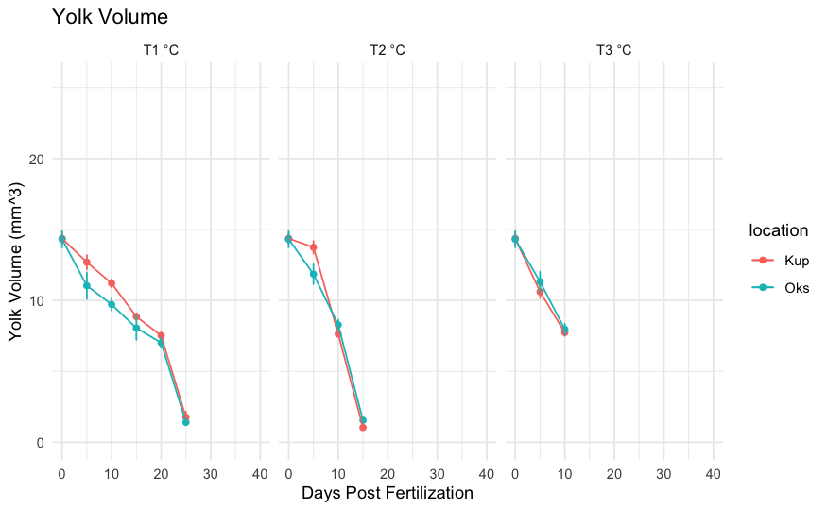
July 18 - 19 |  |  |  |  |  |  |  |  | 35 | y | y - no O5, redo O4 | y - no K1, K10, K2, K3, K5, K9 samples dried out | y | y - only K5, K7, K16 (are missing dead?) | y - no O4, all dead
July 23 - 24 |  |  |  |  |  |  |  |  | 40 | y | y | y - have K6, K10, K12 no K8, | y - have O1, O2, O4, O5, redo O1? | y - have: K2, K4, K5, K7, K8, K16 | y - have: O1, O2, O6 | purple means I need to measure ImageJ photos
 |  |  |  |  |  |  |  |  |  | no more past here - Tank water quality issues at D43. No more data past here |  |  |  | Progressive die-off of families over time?

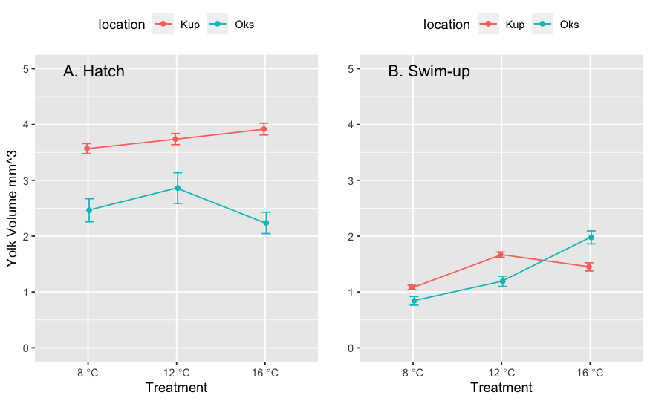

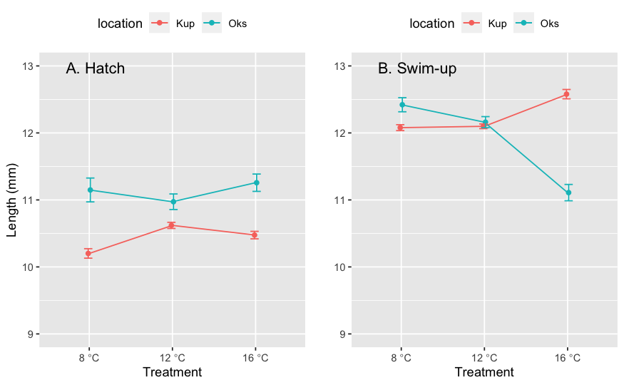

 |  | Kup always has steeper slope (depletion rate) between hatching and swimup comp. to Sag.
 |  | Kup uses yolk faster between hatch and swimup, regardless of temperature.
 |  | But, Sag depletes yolk faster from fert to hatch
 |  | Why??

 |  |  |  |  |  |  |  |  |  | Prior to hatching, Sag depletes yolk faster at all temperatures and grows faster at all temperatures compared to Kup
 |  |  |  |  |  |  |  |  |  | At swimup, Sag grows well using yolk (higher yolk depletion)

 |  |  |  |  |  |  |  |  |  | At 8C, Kup and Sag appear to have similar yolk depletion rates (How to test this?) Kup grows more rapidly between hatch and swim-up, catching up to Sag length.

 |  |  |  |  |  |  |  |  |  | At 12C, Kup yolk vol is larger at hatch and larvae do not grow as rapidly between hatch and swimup compared to Sag.
 |  |  |  |  |  |  |  |  |  | At 12C, Sag are larger at hatch and remain larger at swimup compared to Kup

 |  |  |  |  |  |  |  |  |  | At 16C, Kup uses yolk and grows rapidly between hatch and swimup compared to Sag.
 |  |  |  |  |  |  |  |  |  | At 16C, Sag yolk volume is low at hatch and does not change much between hatch and swimup. Sag length does not change between hatch and swimup.

 |  |  |  |  |  |  |  |  |  | The biggest differences yolk volume and growth at 8 degrees and 16 degrees:
 |  |  |  |  |  |  |  |  |  | Sag uses yolk more efficiently at 8C, converting yolk to biomass better than Kup
 |  |  |  |  |  |  |  |  |  | Kup uses yolk more efficiently at 16C, converting yolk to biomass better than Sag.

