relates to number emploeyees
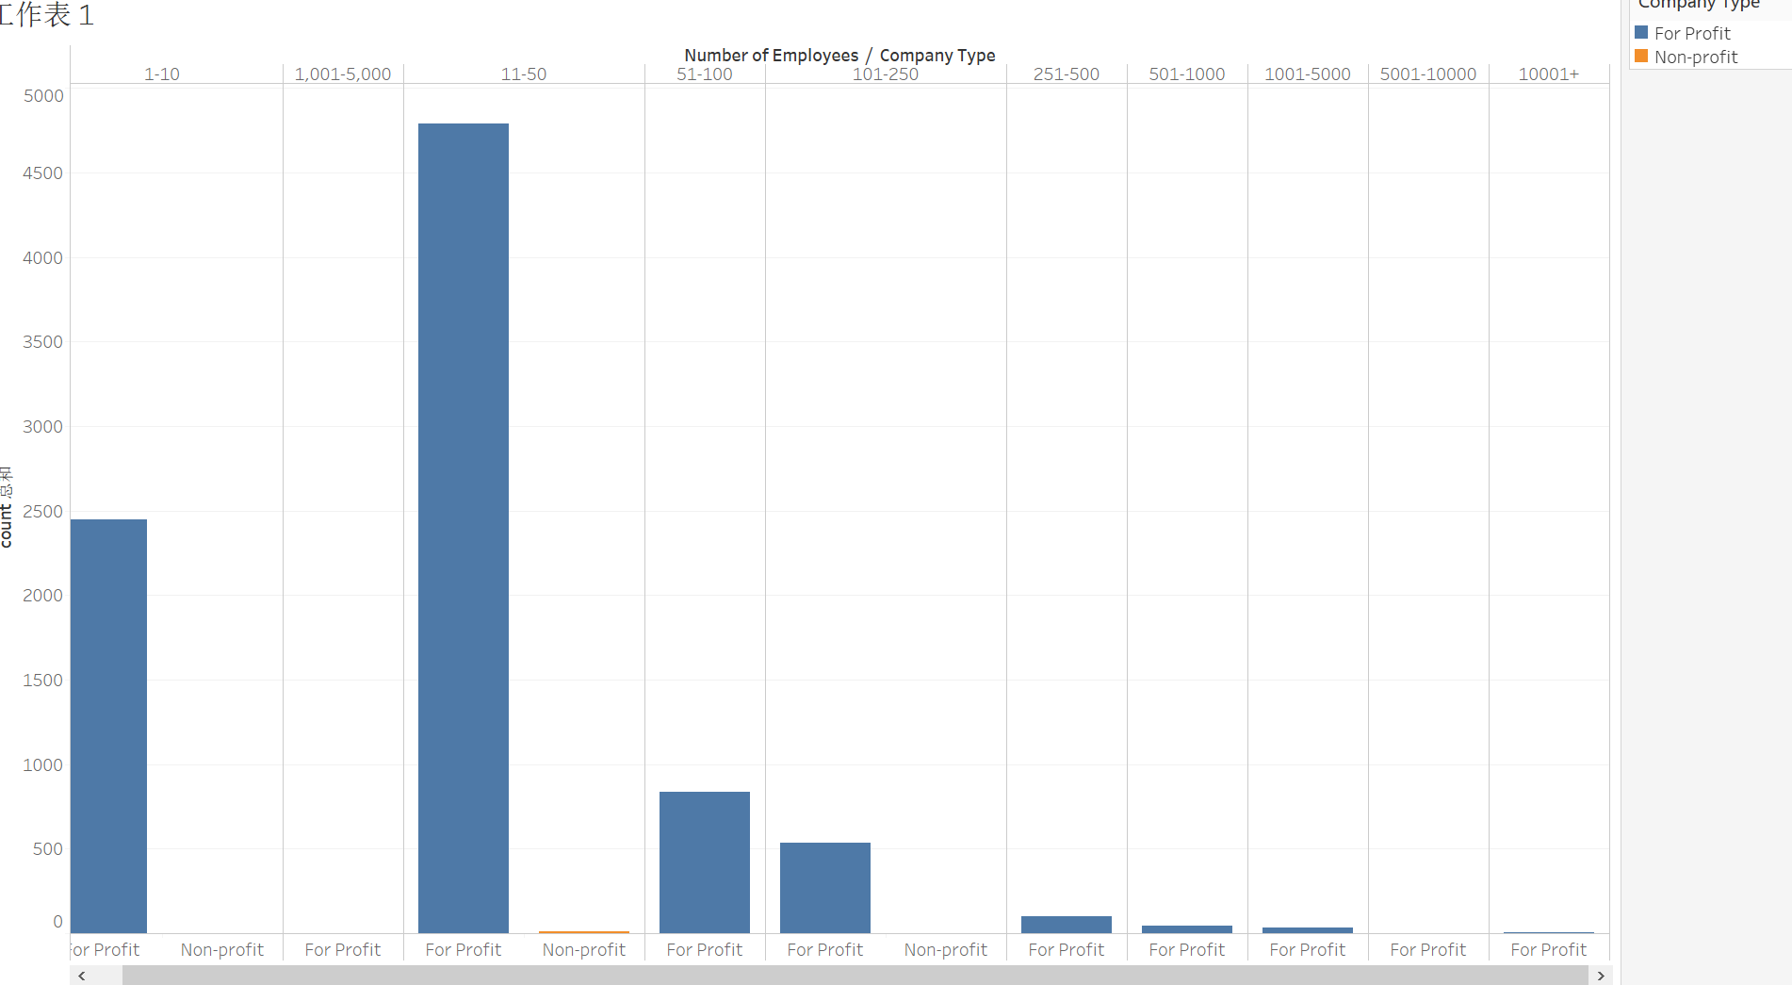
Company Type | Number of Employees | count
For Profit | 51-100 | 835
For Profit | 251-500 | 101
For Profit | 11-50 | 4791
Non-profit | 1-10 | 1
For Profit | 5001-10000 | 1
For Profit | 1-10 | 2447
For Profit | 501-1000 | 42
For Profit | 10001+ | 4
For Profit | 1,001-5,000 | 1
Non-profit | 101-250 | 1
Non-profit | 11-50 | 12
For Profit | 101-250 | 538
For Profit | 1001-5000 | 33

from the query result and data visualization, it can know when number of employees is 11-50, which is the most success startups.

relates to number founders
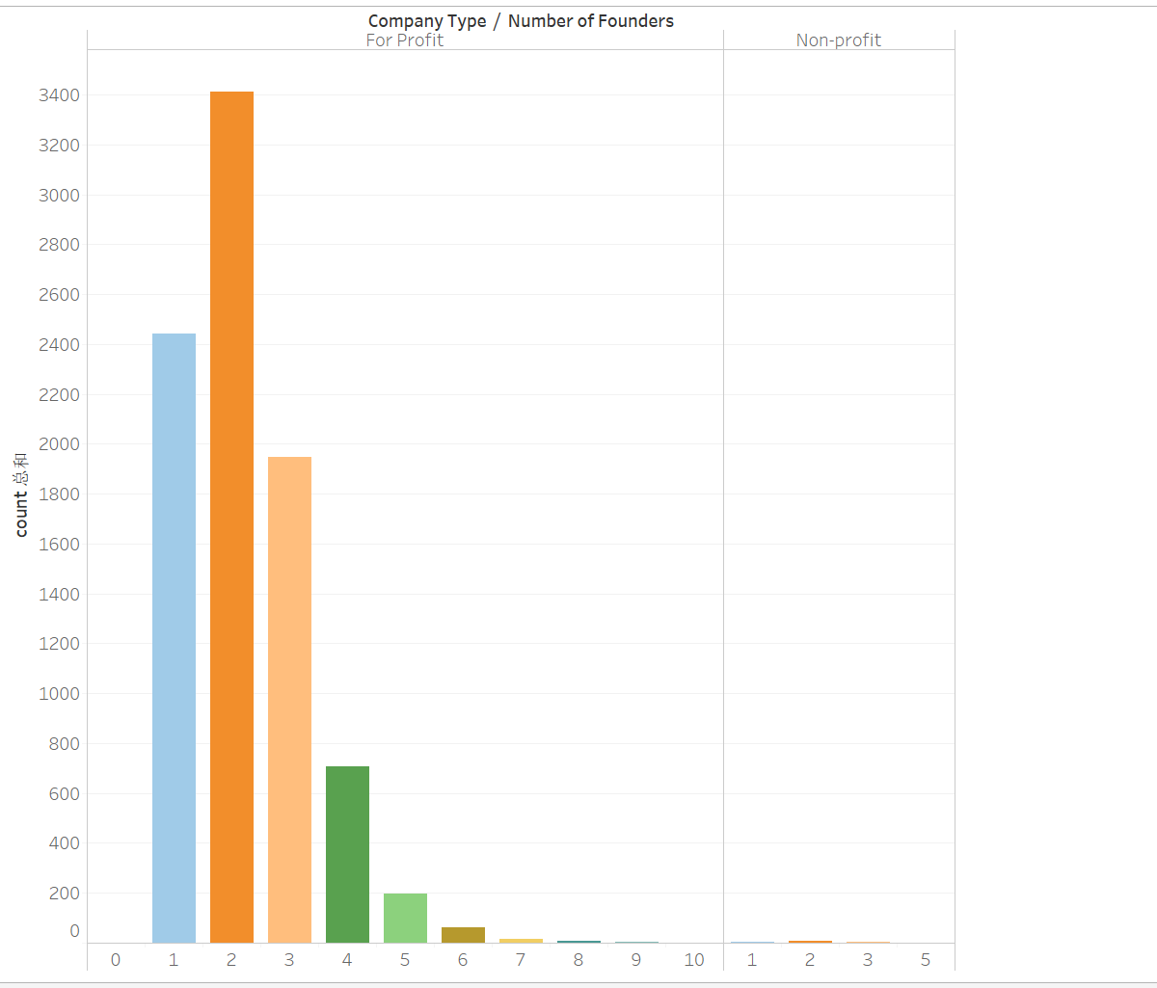
Company Type | Number of Founders | count
Non-profit | 3 | 2
For Profit | 0 | 1
For Profit | 6 | 61
Non-profit | 2 | 6
Non-profit | 5 | 1
For Profit | 8 | 9
For Profit | 1 | 2441
For Profit | 10 | 1
Non-profit | 1 | 5
For Profit | 7 | 16
For Profit | 2 | 3411
For Profit | 5 | 196
For Profit | 9 | 2
For Profit | 4 | 708
For Profit | 3 | 1947

from the query result and data visualization, it can know when number of founders is 2, which is the most success startups.

reates to Number of Funding Rou
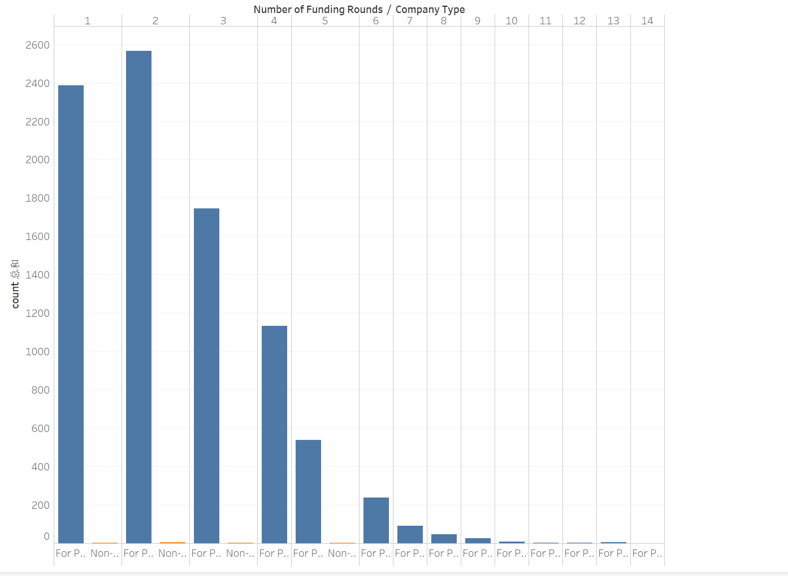
Company Type | Number of Funding Rounds | count
For Profit | 6 | 238
For Profit | 13 | 5
Non-profit | 2 | 5
Non-profit | 5 | 2
For Profit | 12 | 2
For Profit | 14 | 1
For Profit | 8 | 47
For Profit | 1 | 2386
For Profit | 10 | 8
For Profit | 11 | 4
Non-profit | 1 | 3
For Profit | 7 | 90
For Profit | 2 | 2567
For Profit | 5 | 538
For Profit | 9 | 27
For Profit | 3 | 1746
For Profit | 4 | 1134
Non-profit | 3 | 4

from the query result and data visualization, it can know when number of founding rounds is 2, which is the most success startups.

relate toTotal Funding Amount
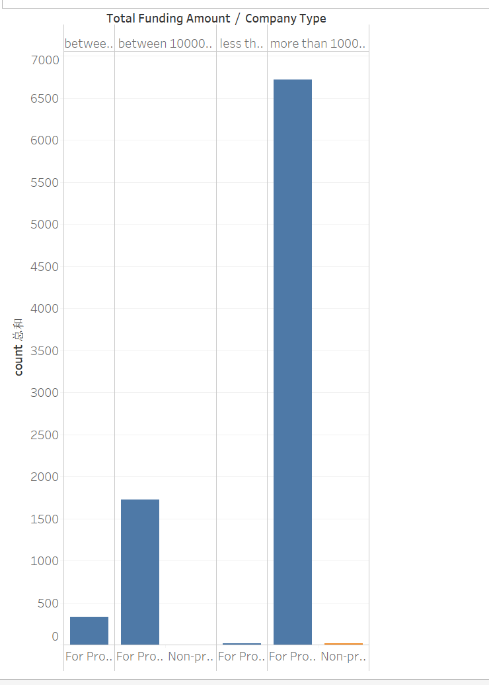
Company Type | Total Funding Amount | count
For Profit | between 10000 to 10000 | 333
For Profit | less than 10000 | 19
Non-profit | more than 1000000 | 12
For Profit | between 100000 to 1000000 | 1721
Non-profit | between 100000 to 1000000 | 2
For Profit | more than 1000000 | 6720

from the query result and data visualization, it can know when total funding amount is more than 1000000, which is the most success startups.

