Cryo-to-CCD_Circuit
 | K | CG low | CG | CG High | A | X | Qty | Gi low | Gi | Gi high | Ri low | Ri | Ri high | Mass | Cp | M*Cp | Q
 | (W/m-K) | (W/m2-K) |  |  | m2 | m | - | W/K | W/K |  | K/W | K/W | K/W | Kg | J/Kg-K | J/K | Watts

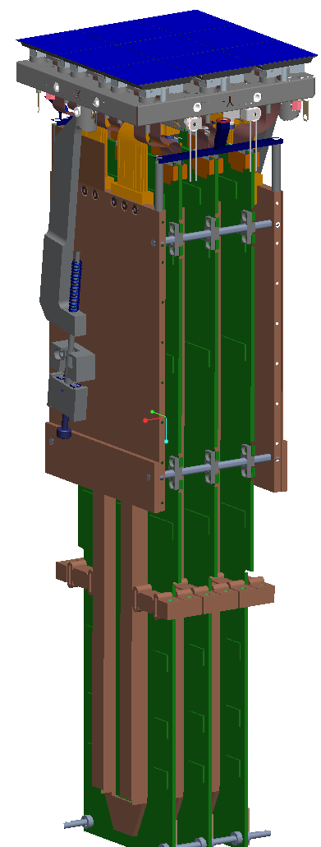
1
1. CCD (Sensor) |  |  | 113.375 |  | 0.001764 |  | 9 |  | 1.80 |  | 0.556 | 0.556 | 0.556 | 0.39124542784 | 237.3 | 92.824049392 | 10.35 | 9 sensors in parallel
(total, all layers and components) |  |  | 113.375 |  | 0.001764 |  | 1 |  | 0.20 |  | 5.000 | 5.000 | 5.000 | 0.043471714204 | 237.3 |  | 1.15 | Single Sensor | LCA-128 spec Allotment is 5.0 / CCD

2
2. Thermal Contact: CCD-to-Raft Baseplate |  | 4000 | 5000 | 6000 | 7.28E-05 | N/A | 27 | 7.86 | 9.83 | 11.80 | 0.127 | 0.102 | 0.085 |  |  |  |  | 27 shims in parallel
(27 in parallel) |  | 4000 | 5000 | 6000 | 7.28E-05 | N/A | 1 | 0.29 | 0.36 | 0.22 | 3.433 | 2.747 | 4.578 |  |  |  |  | 3 shims, single sensor

3

3.SIC baseplate | 145 |  |  |  | 0.01088 | 0.0125 | 1 |  | 125.85 |  | 0.008 | 0.008 | 0.008 | 0.4443345 | 173.2 | 76.9587354 | 0 to 2 | 4 heaters on the baseplate, .5 watts each

4
4. Thermal Contact Sic to Thermal Strap |  | 2500 | 5000 | 7500 | 0.000309373 | N/A | 4 | 3.09 | 6.19 | 9.28 | 0.323 | 0.162 | 0.108

5

5. Thermal Strap | 400 |  |  |  | 3.68E-05 | 0.0679 | 4 |  | 0.87 |  | 1.152 | 1.152 | 1.152 | 0.089610853594 | 342.0 | 30.646911929 |  | 7 x 1050 x 40 AWG braided wire

6

6. Thermal Contact: Thermal Strap - REC Walls |  | 2500 | 5000 | 7500 | 0.000261004 | N/A | 4 | 2.61 | 5.22 | 7.83 | 0.383 | 0.192 | 0.128

7

7. REC Walls | 404 |  | thick |  | 0.0005994 | 0.18 | 2 |  | 2.69 |  | 0.372 | 0.372 | 0.372 | 1.931776 | 342.0
 | 404 |  | thin |  | 0.0000425 | 0.18 | 2 |  | 0.19 |  | 5.242 | 5.242 | 5.242 | 0.193458944 | 342.0
 |  |  |  |  |  |  |  |  |  |  | 0.347 | 0.347 | 0.347 | 2.125234944 | 342.0 | 726.83035085 |  | In parallel

Hold-down mechanisms | 10.1 |  |  |  |  |  |  |  |  |  |  |  |  | 0.4178009 | 316.2 | 132.10864458 |  | Both sides - no thermal conductance contribution

8
8. Thermal Contact: REC walls - Cryo plate |  | 2500 | 5000 | 7500 | 0.000789986 | N/A | 2 | 3.95 | 7.90 | 11.85 | 0.253 | 0.127 | 0.084

Total Contact |  |  |  |  |  |  |  |  |  |  | 1.087 | 0.581 | 0.405
Total Other |  |  |  |  |  |  |  |  |  |  | 2.063 | 2.063 | 2.063
Total |  |  |  |  |  |  |  |  |  |  | 3.15 | 2.64 | 2.47 |  |  | 1028.7217802
 |  |  |  |  |  |  |  |  |  |  | Ri low | Ri | Ri high |  |  | C
 |  |  |  |  |  |  |  |  |  |  | K/W | K/W | K/W |  |  | J/K

Cryo_Lumped Parameters
 | Component | Qty/RTM | Material | Volume | Density | K | Cp | Mass | Mass x Cp | Width | Thick | Length | total R
 |  |  |  | m^3 | Kg/m^3 | W/m-K | J/Kg-K | Kg | J/K | m | m | m | K/Watt
Sensor
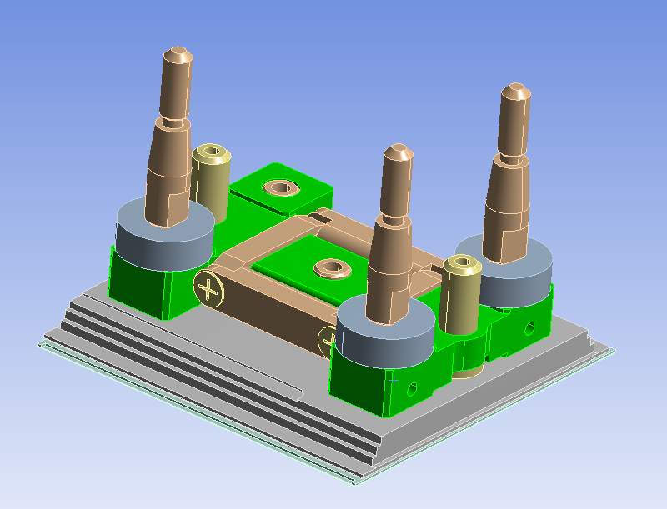
 | H-Frame |  | CeSiC | 2.9280E-06 | 2930 | 118.3 | 173.2 | 8.5790E-03 | 1.4859E+00
 | Package body |  | AlN | 5.3984E-06 | 3260 | 1398.3 | 214.1 | 1.7599E-02 | 3.7679E+00
 | Spacer |  | CE7 | 2.4917E-07 | 2420 | 180 | 579.4 | 6.0299E-04 | 3.4937E-01
 | Mounting Stud |  | Invar | 2.2748E-07 | 8055 | 8.4 | 235.3 | 1.8324E-03 | 4.3115E-01
 | Second siliscon Layer |  | Si | 4.5772E-07 | 2330 | 660.8 | 325.2 | 1.0665E-03 | 3.4682E-01
 | Top Silicon layer |  | Si | 1.6339E-07 | 2330 | 660.8 | 325.2 | 3.8070E-04 | 1.2380E-01
 | Mounting Stud |  | Invar | 2.2748E-07 | 8055 | 8.4 | 235.3 | 1.8324E-03 | 4.3115E-01
 | Mounting Stud |  | Invar | 2.2748E-07 | 8055 | 8.4 | 235.3 | 1.8324E-03 | 4.3115E-01
 | Spacer |  | CE7 | 2.4917E-07 | 2420 | 180 | 579.4 | 6.0299E-04 | 3.4937E-01
 | Spacer |  | CE7 | 2.4917E-07 | 2420 | 180 | 579.4 | 6.0299E-04 | 3.4937E-01
 | Support frame tapped hole |  | Invar | 6.2130E-08 | 8055 | 8.4 | 235.3 | 5.0046E-04 | 1.1776E-01
 | Support frame tapped hole |  | Invar | 6.2130E-08 | 8055 | 8.4 | 235.3 | 5.0046E-04 | 1.1776E-01
 | Insert |  | Invar | 3.7573E-08 | 8055 | 8.4 | 235.3 | 3.0265E-04 | 7.1214E-02
 | Insert |  | Invar | 3.7573E-08 | 8055 | 8.4 | 235.3 | 3.0265E-04 | 7.1214E-02
 | Alignment Pin |  | SS | 1.4844E-07 | 8030 | 10.1 | 316.2 | 1.1920E-03 | 3.7690E-01
 | Alignment Pin |  | SS | 1.4844E-07 | 8030 | 10.1 | 316.2 | 1.1920E-03 | 3.7690E-01
 | Cup |  | Invar | 5.1494E-09 | 8055 | 8.4 | 235.3 | 4.1478E-05 | 9.7599E-03
 | Cup |  | Invar | 5.1494E-09 | 8055 | 8.4 | 235.3 | 4.1478E-05 | 9.7599E-03
 | Support frame clearance hole |  | Invar | 2.4255E-07 | 8055 | 8.4 | 235.3 | 1.9537E-03 | 4.5972E-01
 | Support frame clearance hole |  | Invar | 2.4255E-07 | 8055 | 8.4 | 235.3 | 1.9537E-03 | 4.5972E-01
 | Screw |  | SS | 1.7437E-08 | 8030 | 10.1 | 316.2 | 1.4002E-04 | 4.4274E-02
 | Screw |  | SS | 1.7437E-08 | 8030 | 10.1 | 316.2 | 1.4002E-04 | 4.4274E-02
 | Screw |  | SS | 1.7437E-08 | 8030 | 10.1 | 316.2 | 1.4002E-04 | 4.4274E-02
 | Screw |  | SS | 1.7437E-08 | 8030 | 10.1 | 316.2 | 1.4002E-04 | 4.4274E-02

 | Lumped CCD Sensor | 9 |  |  |  | Avg Cp = | 237.3 | 0.0435 | 10.31 |  |  |  | 5.0000

 | Raft Baseplate | 1 | HB-CeSiC | 1.5165E-04 | 2930 | 118.3 | 173.2 | 0.4443 | 7.6959E+01 | 0.127 | 0.127 | 0.012 | 0.0080

 | Thermal Strap | 4 | Copper | 2.500E-06 | 8960 | 400 | 342.0 | 0.0224 | 7.6617E+00 | 7.987E-05 |  | 0.0679 | 4.6099

 | REC Walls, Thick | 2 | Copper | 1.0780E-04 | 8960 | 400 | 342.0 | 0.9659 | 3.3033E+02 | 0.111 | 0.0054 | 0.18 | 0.7514

 | REC Walls, Thin | 2 | Copper | 1.0796E-05 | 8960 | 400 | 342.0 | 0.0967 | 3.3081E+01 | 0.085 | 0.0005 | 0.2085 | 10.0670

 | Hold-down Mechanism, X- Side | 2 | SS | 2.5410E-05 | 8030 | 10.1 | 316.2 | 0.2040 | 6.4518E+01 |  |  |  | -

 | Hold-down Mechanism, X+ Side | 2 | SS | 2.6620E-05 | 8030 | 10.1 | 316.2 | 0.2138 | 6.7590E+01 |  |  |  | -

Cold-to-CCD_Circuit
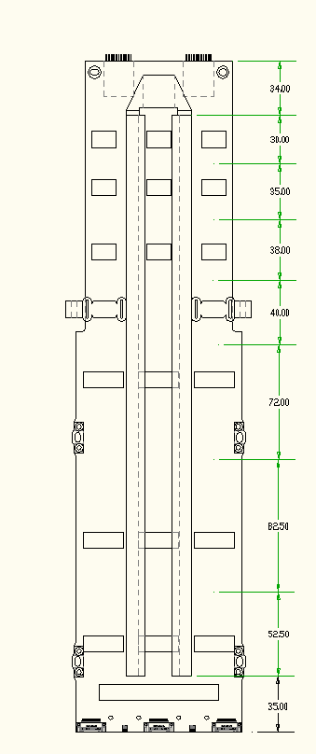
Note: All quantities are per RTM |  |  |  |  |  |  |  |  |  |  |  |  |  |  | Summary for entire RTM
 |  | K | CR | A | X | Qty | Gi | Ri | Volume | Density | Mass | Cp | Mass*Cp | Q | R | Mass | Cp | Mass*Cp | Q
 |  | (W/m-K) | (W/m2-K) | m2 | m | - | W/K | K/W | m3 | Kg/m3 | Kg | J/Kg-K | J/K | Watts | K/W | Kg | J/Kg-K | J/K | Watts

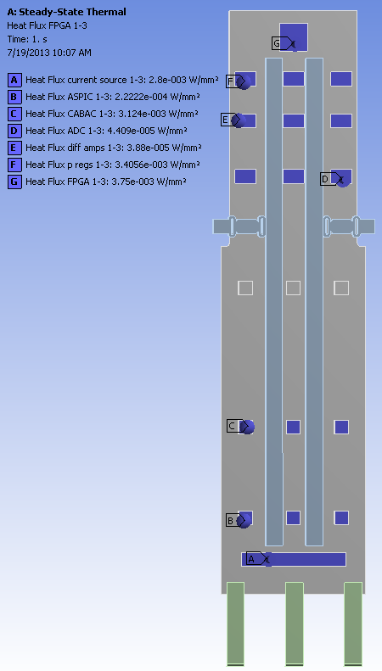
10
 | 10 | 35 |  | 2.17E-04 | 0.034 | 3 | 0.22 | 4.470 | 7.39E-06 | 2500 | 1.85E-02 | 800.0 | 1.48E+01 | 1.50 | 1.5 | 0.055 | 800.0 | 44.3 | 4.50 |  | FPGA

9
8
 | 9 | 400 |  | 0.0004752 | 0.03 | 3 | 6.34 | 0.158 | 1.43E-05 | 8960 | 1.28E-01 | 342.0 | 4.37E+01 | 3.07 | 0.051 | 0.432 | 131.3 | 56.7 | 9.20 |  | p regs
 |  | 35 |  | 2.17E-04 | 0.03 | 3 | 0.25 | 3.944 | 6.52E-06 | 2500 | 1.63E-02 | 800.0 | 1.30E+01
 | 8 | 400 |  | 0.0004752 | 0.035 | 3 | 5.43 | 0.184 | 1.66E-05 | 8960 | 1.49E-01 | 342.0 | 5.10E+01 | 0.03 | 0.176 | 0.496 | 129.1 | 64.0 | 0.10 |  | Differential amps
 |  | 35 |  | 2.17E-04 | 0.03 | 3 | 0.25 | 3.944 | 6.52E-06 | 2500 | 1.63E-02 | 800.0 | 1.30E+01
7
 | 7 | 400 |  | 0.0004752 | 0.038 | 3 | 5.00 | 0.200 | 1.81E-05 | 8960 | 1.62E-01 | 342.0 | 5.53E+01 | 0.04 | 0.190 | 0.534 | 128.0 | 68.4 | 0.12 |  | ADC's
 |  | 35 |  | 2.17E-04 | 0.03 | 3 | 0.25 | 3.944 | 6.52E-06 | 2500 | 1.63E-02 | 800.0 | 1.30E+01
6
 | 6 | 400 |  | 0.0004752 | 0.04 | 3 | 4.75 | 0.210 | 1.90E-05 | 8960 | 1.70E-01 | 342.0 | 5.82E+01 | 0.00 | 0.200 | 0.560 | 127.3 | 71.3 | 0.00
 |  | 35 |  | 2.17E-04 | 0.03 | 3 | 0.25 | 3.944 | 6.52E-06 | 2500 | 1.63E-02 | 800.0 | 1.30E+01
 | 5 | 400 |  | 0.0004752 | 0.0720 | 3 | 2.64 | 0.379 | 3.42E-05 | 8960 | 3.07E-01 | 342.0 | 1.05E+02 | 0.00 | 0.346 | 0.969 | 121.7 | 117.9 | 0.00
 |  | 35 |  | 2.17E-04 | 0.03 | 3 | 0.25 | 3.944 | 6.52E-06 | 2500 | 1.63E-02 | 800.0 | 1.30E+01
5
 | 4 | 400 |  | 0.0004752 | 0.0825 | 3 | 2.30 | 0.434 | 3.92E-05 | 8960 | 3.51E-01 | 342.0 | 1.20E+02 | 3.00 | 0.391 | 1.103 | 120.8 | 133.2 | 9.00 |  | CABAC
 |  | 35 |  | 2.17E-04 | 0.03 | 3 | 0.25 | 3.944 | 6.52E-06 | 2500 | 1.63E-02 | 800.0 | 1.30E+01
 | 3 | 400 |  | 0.0004752 | 0.0525 | 3 | 3.62 | 0.276 | 2.49E-05 | 8960 | 2.24E-01 | 342.0 | 7.64E+01 | 1.44 | 0.258 | 0.719 | 124.4 | 89.5 | 4.32 |  | ASPIC
 |  | 35 |  | 2.17E-04 | 0.03 | 3 | 0.25 | 3.944 | 6.52E-06 | 2500 | 1.63E-02 | 800.0 | 1.30E+01
4
 | 2 | 35 |  | 2.17E-04 | 0.035 | 3 | 0.22 | 4.602 | 7.61E-06 | 8960 | 6.82E-02 | 800.0 | 5.45E+01 | 4.20 | 1.5 | 0.204 | 800.0 | 163.6 | 12.60 |  | Current Sources

 | 1 |  |  |  | 0.068 | 18 |  | 551 |  |  | 0 |  | 0.00E+00 | 0.00 | 30.6 | 0.000 | 0.0 | 0.0 | 0.00 |  | Flex circuit
3
 |  |  |  |  |  |  |  |  |  |  | 1.69E+00 |  | 6.70E+02 | 13.28 |  | 5.073 |  | 808.8 | 39.84 | per RTM
2
1

Cold_Lumped_Parameters
.150 Kapton
12.5
.200 x 35 Cu
.035
(1 oz Cu)
1.8 x 1 Cu GND

Component | Qty/RTM | Material | Volume | Density | K | Cp | Mass | Mass x Cp | Width | Thick | Length | total R
 |  |  | m^3 | Kg/m^3 | W/m-K | J/Kg-K | Kg | J/K | m | m | m | K/Watt

CCD flex circuit, Cu | 9 | Copper | 4.2840E-09 | 8960 | 400 | 342 | 0.000038 | 1.3128E-02 | 0.0018 | 3.5E-05 | 0.068 | 2698

CCD flex circuit, Cu | 9 | Copper | 1.6660E-08 | 8960 | 400 | 342 | 0.000149 | 5.1052E-02 | 0.0002 | 3.5E-05 | 0.068 | 694

CCD flex circuit, Poly | 9 | Polyimide | 1.2750E-07 | 1420 | 0.12 | 1090 | 0.000181 | 1.9734E-01 | 0.0125 | 0.00015 | 0.068 | 302222
 |  |  |  |  |  |  |  |  |  |  |  |  | Kequiv for .22 x 12.5 material
CCD flex circuit Cu + Poly | 9 | Cu+Poly | 1.4416E-07 | - | - | - | 0.00033 | 2.4840E-01 | - | - | - | 551 | 44.88

Circuit Board, Copper Bars | 3 | Copper | 1.848E-04 | 8960 | 400 | 342.0 | 1.6558 | 5.6629E+02 | 1.200E-02 | 0.011 | 0.35 | 1.657

CCD_Flex_Circuit_baseline
.150 Kapton
12.5
.200 x 35 Cu
.035
(1 oz Cu)
1.8 x 1 Cu GND
 |  |  |  |  | 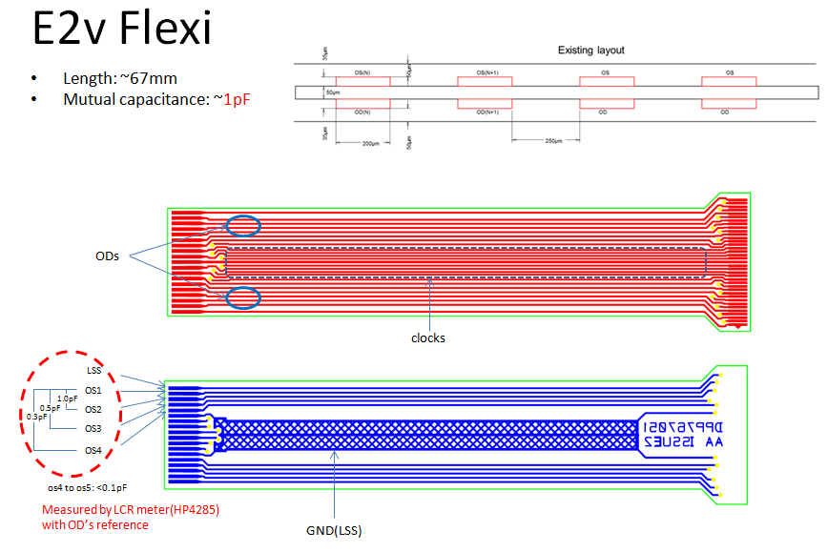

Component | Qty/RTM | Material | Volume | Density | K | Cp | Mass | Mass x Cp | Width | Thick | Length | total R
 |  |  | m^3 | Kg/m^3 | W/m-K | J/Kg-K | Kg | J/K | m | m | m | K/Watt

CCD flex circuit, Cu | 9 | Copper | 4.2840E-09 | 8960 | 400 | 342 | 0.000038 | 1.3128E-02 | 0.0018 | 3.5E-05 | 0.068 | 2698

CCD flex circuit, Cu | 9 | Copper | 1.6660E-08 | 8960 | 400 | 342 | 0.000149 | 5.1052E-02 | 0.0002 | 3.5E-05 | 0.068 | 694

CCD flex circuit, Poly | 9 | Polyimide | 1.2750E-07 | 1420 | 0.12 | 1090 | 0.000181 | 1.9734E-01 | 0.0125 | 0.00015 | 0.068 | 302222
 |  |  |  |  |  |  |  |  |  |  |  |  | Kequiv for .22 x 12.5 material
CCD flex circuit Cu + Poly | 9 | Cu+Poly | 1.4416E-07 | - | - | - | 0.00033 | 2.4840E-01 | - | - | - | 551 | 44.88

Circuit Board, Copper Bars | 3 | Copper | 1.848E-04 | 8960 | 400 | 342.0 | 1.6558 | 5.6629E+02 | 1.200E-02 | 0.011 | 0.35 | 1.657

CCD_Flex_Circuit_alternative
.150 Kapton
12.5
.200 x 35 Cu
.0175
(.5 oz Cu)
1.8 x 1 Cu GND

Component | Qty/RTM | Material | Volume | Density | K | Cp | Mass | Mass x Cp | Width | Thick | Length | total R
 |  |  | m^3 | Kg/m^3 | W/m-K | J/Kg-K | Kg | J/K | m | m | m | K/Watt

CCD flex circuit, Cu | 9 | Copper | 2.1420E-09 | 8960 | 400 | 342 | 0.000019 | 6.5638E-03 | 0.0018 | 1.8E-05 | 0.068 | 5381

CCD flex circuit, Cu | 9 | Copper | 8.3300E-09 | 8960 | 400 | 342 | 0.000075 | 2.5526E-02 | 0.0002 | 1.8E-05 | 0.068 | 1384

CCD flex circuit, Poly | 9 | Polyimide | 1.2750E-07 | 1420 | 0.12 | 1090 | 0.000181 | 1.9734E-01 | 0.0125 | 0.00015 | 0.068 | 302222
 |  |  |  |  |  |  |  |  |  |  |  |  | Kequiv for .22 x 12.5 material
CCD flex circuit Cu + Poly | 9 | Cu+Poly | 1.3583E-07 | - | - | - | 0.00026 | 2.2287E-01 | - | - | - | 1097 | 22.55

Circuit Board, Copper Bars | 3 | Copper | 1.848E-04 | 8960 | 400 | 342.0 | 1.6558 | 5.6629E+02 | 1.200E-02 | 0.011 | 0.35 | 1.657

