Announcement
Announcement
Last updated: unknown

Thing > CreativeWork > Article > NewsArticle
Schema.org | Field Title (ASH) | Field Supporting Text | Required (Y/N) | Allowed | Field Type | Implementation Notes
 | Section | Select the proper editorial group(s) for this content. | Y | Multiple | List | Taxonomy: "Section" taxonomy.
headline | Title | Maximum 65 characters, keyword rich. Used for browser title, breadcrumbs, search results, and social sharing. | Y | 1 | Text
 | Full Title | Unrestricted full title. H1 headline on page. | Y | 1 | Text
description | Description | Maximum 160 characters, written as a complete sentence. Shown on listing pages and used for social media and search. | Y | 1 | WYSIWYG
datePublished | Date Published | Date of the announcement displayed in lists and at the top of a page. | Y | 1 | Date
 | Announcement Type | Select the type of announcement. | Y | 1 | List | Dropdown options: Link to External News Item, Internal Announcement, PDF
about | Topic Category | 1-2 main topic(s) covered in this announcement. May be used to display related content. | Y | Multiple | List | This is the "HHS Category" taxonomy.
audience | Audience | Choose the main target audience from the list (more than one is allowed in case 1-2 are needed). | Y | Multiple | List | This is the "HHS Audiences" taxonomy.
dateCreated | Date Created | Leave the default, which will be today's date. | Y | 1 | Date
dateModified | Last Reviewed | Enter the date this content was most recently reviewed and/or updated. | Y | 1 | Date | This date displays as the "Content Last Reviewed On" date in the page stamp.
sourceOrganization | Created by | Select the office responsible for maintaining this content on HHS.gov. | Y | 1 | List | Taxonomy: "HHS Organization" taxonomy. Displays as "Content Created By" in the page stamp.
 | Subheadline |  | N | 1 | Text
 | Contact | Name or office to contact | N | 1 | Text | Multiple values allowed (CSV)
 | Media Contact Phone | Telephone number for Media contact in format 1-xxx-xxx-xxxx | N | 1 | Text | Multiple values allowed (CSV)
 | Media Contact Email | Email address for media contact | N | 1 | Text | Multiple values allowed (CSV)
 | Link to PDF or External News Announcement | Enter the URL. Start with http:// or https:// | N | 1 | Text
articleBody | Body | Enter the full text of the internal announcement. | N | 1 | WYSIWYG

example: http://www.hhs.gov/ash/about-ash/news/2016/hhs-grants-title-x-family-planning-program-091516.html

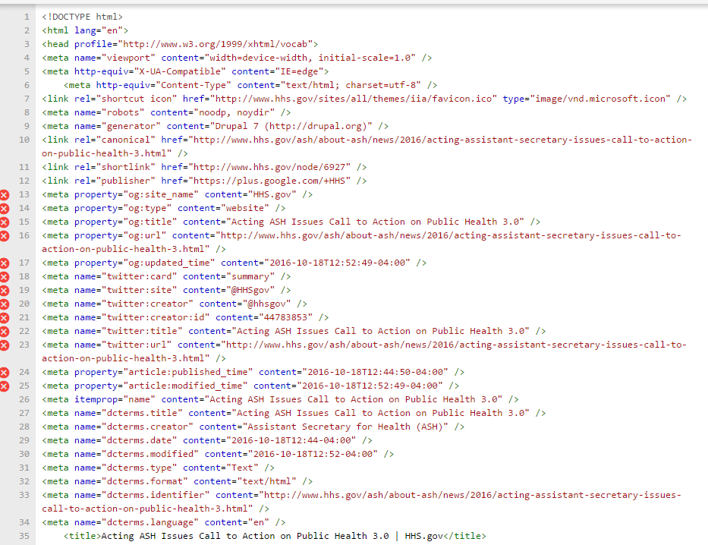
Tested: 10/19/2016 |  | No errors detected

