Internal Blog Post
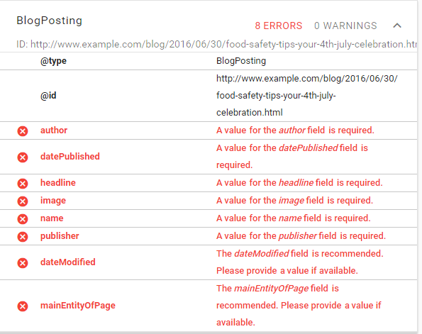
Internal Blog Post
Last updated: 9/2016 SKH

Twitter | Open Graph | Schema.org (itemprop =) | Field Title | Field Supporting Text | Required (Y/N) | Allowed | Field Type | Implementation Notes
 |  |  | Section | Select the proper editorial group(s) for this content. | Y | Multiple | Taxonomy reference | Taxonomy: "Section" taxonomy.
twitter:title | og:title | headline | Title |  | Y | 1 | Text | Limited to 65 characters including spaces. Should be descriptive to communicate what the post is about--this will help with SEO. This is the system title.
 |  | alternativeHeadline | Full Title | Enter long title only if a title longer than 65 characters is needed. | N | 1 | Text | If a long title is entered, then this is the title that shows at the top of the blog post, on listing and tag pages, and on the homepage.
twitter:description | og:description | description | Description & Summary | Limited to 160 characters including spaces. This description could be viewed in search results, on the homepage, and other places on the site, so write it like teaser text. | Y | 1 | Text | The decription would be used on the homepage, blog list pages, and for Open Graph (Facebook).
 |  | thumbnailUrl | Thumbnail Image | Select an image to be featured on the homepage and listing pages. This image will not appear in the body of the blog post. Also include this image in the Meta Tag module field. | N | 1 | Image | Once an image is uploaded, fields for alt text and caption will appear. Complete those as necessary.
twitter:image:src | og:image | image | Image | Add an image to be inserted into the body of the blog post. | N | Multiple | Image | See Digital Strategy's blog post for example. Once an image is uploaded, fields for alt text and caption will appear. Complete those as necessary. [NOTE: Twitter - 4:3 ratio, 120 pixel minimum, 600 pixel width ideal. Facebook - 1.91:1 ratio - recommends 600x312 minimum prefers 1200x630]
 |  | articleBody | Body | Enter the blog post; add links using the link editor tool. | Y | 1 | WYSIWYG | IMAGES: Use the “Image” editor tool to upload and enter an image. LINKS: Use the “Link” editor tool to add the link. Be sure to add the link as an internal path if you are linking to an internal page. VIDEO: Use YouTube embed.
 | og:author | author | Author | Select an author from the list. If no individual author is assigned, select "U.S. Department of Health & Human Services." | Y | 1 | Entity reference | Tied to the Author content type. The author's title will be associated with the author in the list and does not need to be typed in or selected separately. The dropdown should list author's Last Name, First Name.
 |  | contributor | Co-Author | If the post has a co-author, choose their name from the list. | N | 1 | Entity reference | Tied to the Author content type as above.
 |  | contributor | Co-Author | If the post has a co-author, choose their name from the list. | N | 1 | Entity reference | Tied to the Author content type as above. New addition, added 8/2016.
 |  | contributor | Co-Author | If the post has a co-author, choose their name from the list. | N | 1 | Entity reference | Tied to the Author content type as above. New addition, added 8/2016.
 |  | dateCreated | Date Created | Leave the default, which will be today's date. | Y | 1 | Date | The date the post was created in the standard ISO 8061 date format.
 |  | datePublished | Date Posted | Select the date that should appear on the blog post. | Y | 1 | Date | This date will be the one used as the date for "most recent" lists, etc. The date the post was posted in the standard ISO 8061 date format.
 |  | about | Topic Category | What category does this post belong in? Select 1-2 topics. | Y | Multiple | Taxonomy reference | Taxonomy: "HHS Categories." This is the site-wide limited taxonomy also in use for HHS FAQs, News Releases, Speeches, and elsewhere on the site.
 |  | keywords | Topic Tags | What is this post about? Type relevant topic tags. | N | Multiple | Taxonomy reference | Tag taxonomy (free tagging). Predictive type to show what tags have already been used.
 |  |  | Audience | Choose the main target audience from the list (more than one is allowed in case 1-2 are needed). | Y | Multiple | Taxonomy reference | Taxonomy: "HHS Audience" // More than one is allowed in case 1-2 are needed.
 |  | sourceOrganization | Operating Division | Choose the OPDIV associated with this post from the list. | N | Multiple | Taxonomy reference | List of OPDIVs, with STAFFDIVs nested underneath for the Office of the Secretary.

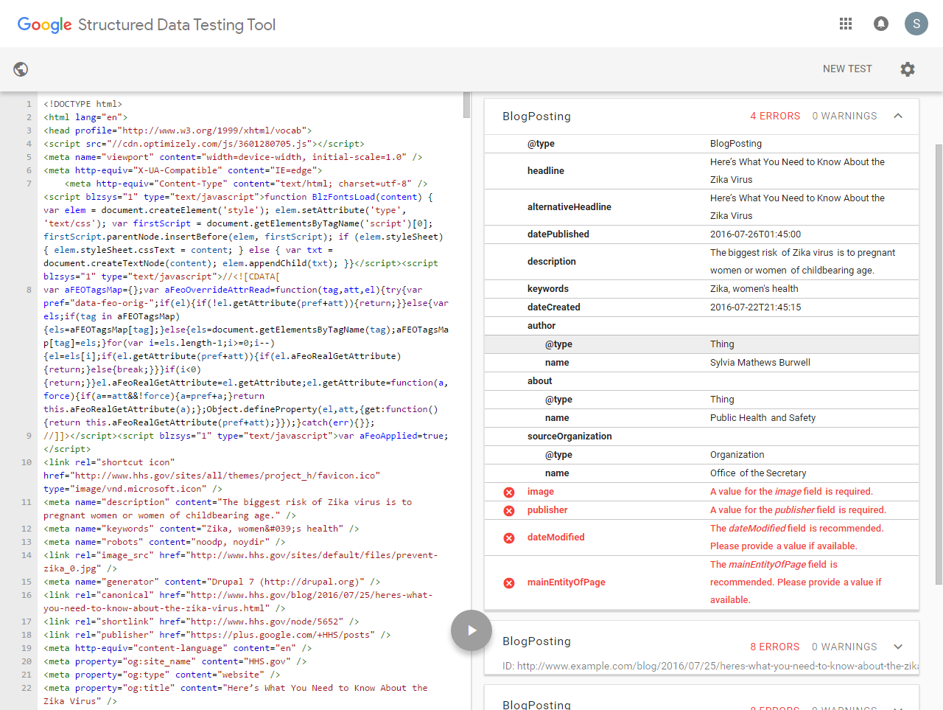
TEST PAGE
http://www.hhs.gov/blog/2016/07/25/heres-what-you-need-to-know-about-the-zika-virus.html
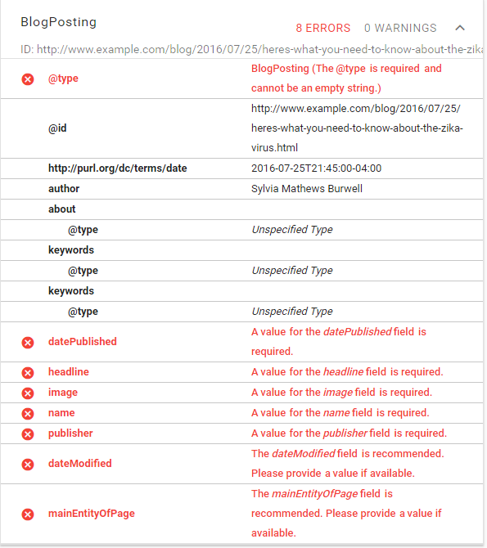

http://www.hhs.gov/blog/2016/07/14/fighting-the-opioid-epidemic-on-jessies-behalf.html |  |  |  | http://www.hhs.gov/blog/2016/07/06/cdc-us-motor-vehicle-crash-fatalities-could-drop-by-half.html
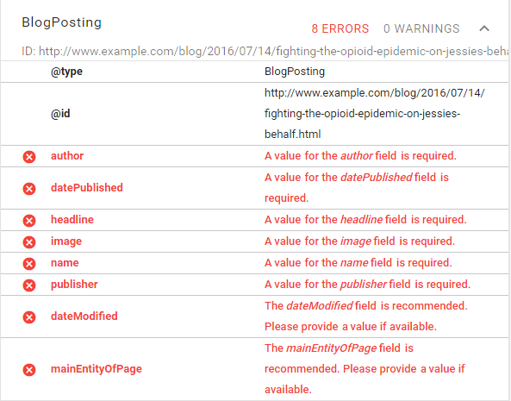
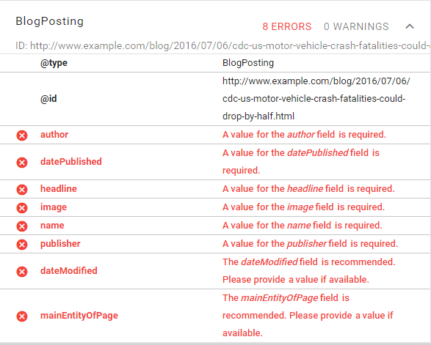

http://www.hhs.gov/blog/2016/06/30/food-safety-tips-your-4th-july-celebration.html

