1. Work Flow Chart
1. Work Flow Chart
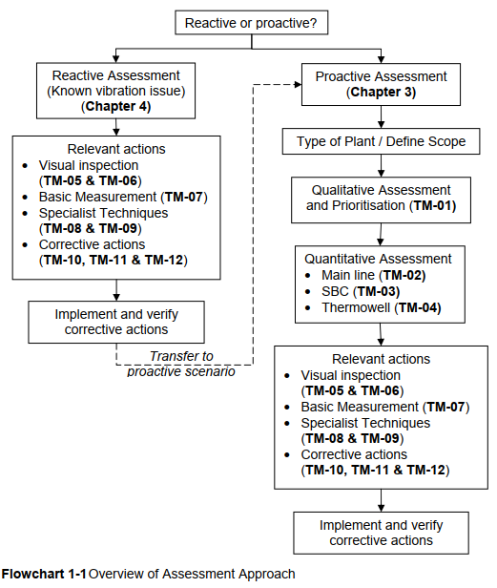

EI Guide에 따른 배관 진동 평가는 대상 배관의 상태에 따라 Reactive Assessment와 Proactive Assessment로 구분된다.
이미 진동 문제가 확인된 배관은 Reactive Assessment를 통해 현장 점검, 진동 측정, 전문 해석 및 개선 조치를 수행한다
신규 설계나 변경 설계 시에는, Proactive Assessment를 적용하여 Plant Type 및 적용 범위를 정의한 후, Qualitative Assessment(TM-01)를 통해 진동 유발 Mechanism을 식별하고 우선순위를 결정한다.
Qualitative Assessment 결과에 따라 Main Line(TM-02), Small Bore Connection(TM-03), Thermowell(TM-04)에 대한 Quantitative Assessment를 수행한다.
평가 결과에 따라 Visual Inspection(TM-05 및 TM-06), Basic Measurement(TM-07), Specialist Techniques(TM-08 및 TM-09), Corrective Actions(TM-10, TM-11 및 TM-12)을 적용한다.

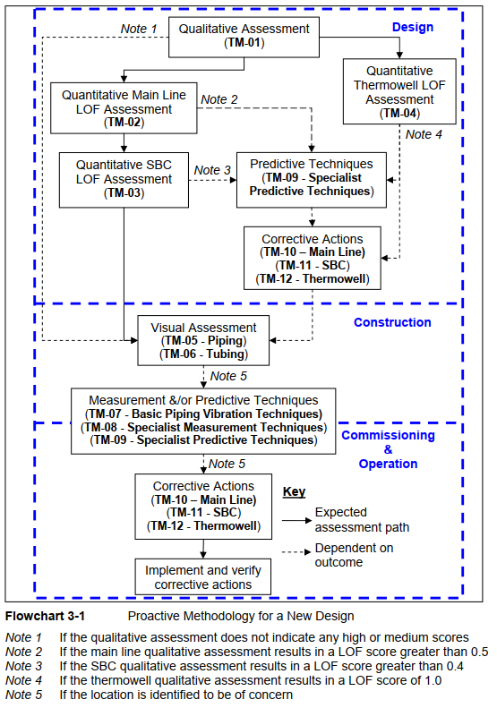

Flowchart 3-1은 신규 설계 배관에 대한 Proactive Vibration Assessment 절차를 나타낸다.
설계 단계에서는 먼저 Qualitative Assessment(TM-01)를 통해 진동 유발 Mechanism을 식별하고, 평가 결과에 따라 Main Line(TM-02), Small Bore Connection(TM-03) 및 Thermowell(TM-04)에 대한 Quantitative LOF Assessment를 수행한다.
정량 평가 결과가 EI Guide에서 제시한 기준을 초과하거나 추가 검토가 필요한 경우에는 Specialist Predictive Techniques(TM-09) 및 Corrective Actions(TM-10, TM-11, TM-12)을 수행하여 설계 단계에서 개선 사항을 반영한다.
이후 Construction 단계에서는 Visual Assessment(TM-05 및 TM-06)를 통해 As-built 상태, Support 설치 상태, SBC 및 Tubing의 취약 Geometry를 확인한다.
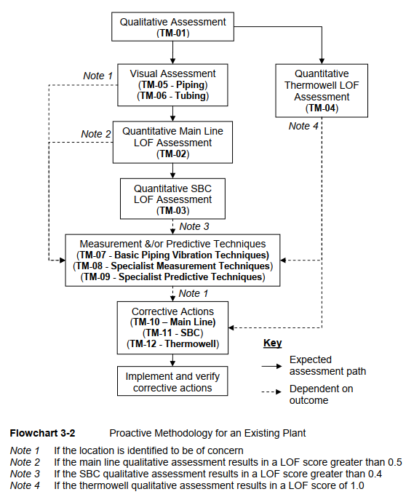
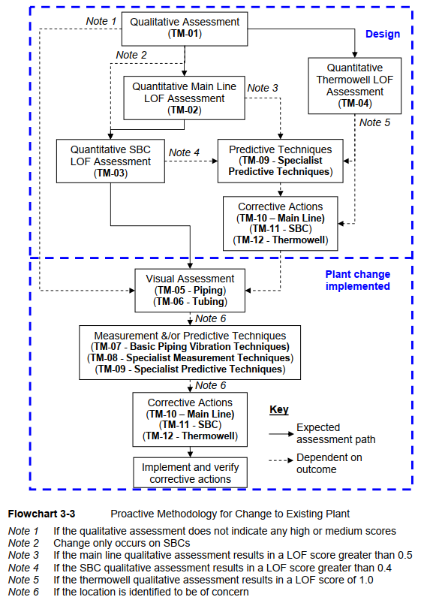

2. Assessment & Requirement Summary
EI Guide Step |  |  | Qualitative Assessment | Main Line |  |  |  |  | Small Bore Connection |  |  |  |  | Remark
 |  |  |  | Quantitative Main Line LOF Assessment | Specialist Predictive Techniques | Basic Piping Vibration & Specialist Measurement | Main Line Corrective Actions | Visual Assessment | Quantitative SBC LOF Assessment |  | SBC Corrective Actions | Basic Piping Vibration & Specialist Measurement | Visual Assessment
Manual No. |  |  | TM-01 | TM-02 | TM-09 | TM-07/08 | TM-10 | TM-05/06 | TM-03 |  | TM-11 | TM-07/08 | TM-05/06
Result |  |  | High or Medium | LOF ≥ 1.0 | Shall | Shall | Shall | Shall | Shall | LOF ≥ 0.7 | Shall | Shall | Shall
 |  |  |  |  |  |  |  |  |  | 0.7 > LOF ≥0.4 | May | Should | Should
 |  |  |  |  |  |  |  |  |  | LOF < 0.4 | N/A | N/A | Should
 |  |  |  | 1.0 > LOF ≥0.5 | Should | Should | Should | Shall | Shall | LOF ≥ 0.7 | Shall | Shall | Shall
 |  |  |  |  |  |  |  |  |  | 0.7 > LOF ≥0.4 | May | Should | Should
 |  |  |  |  |  |  |  |  |  | LOF < 0.4 | N/A | N/A | Should
 |  |  |  | 0.5 > LOF ≥0.3 | N/A | N/A | N/A | Should | Should | LOF ≥ 0.7 | Shall | Shall | Shall
 |  |  |  |  |  |  |  |  |  | 0.7 > LOF ≥0.4 | May | Should | Should
 |  |  |  |  |  |  |  |  |  | LOF < 0.4 | N/A | N/A | Should
 |  |  |  | LOF < 0.3 | N/A | N/A | N/A | Should | N/A |  | N/A | N/A | N/A
 |  |  | Low | X | N/A | N/A | N/A | Should | N/A |  | N/A | N/A | N/A

3. Vibration Type & Action Summary
Category | Vibration Cause | Vibration Motion | Qualitative Assessment | Main Line |  |  |  |  | Small Bore Connection |  |  |  |  | Vibration Case
 |  |  |  | Quantitative Main Line LOF Assessment | Specialist Predictive Techniques | Basic Piping Vibration & Specialist Measurement | Main Line Corrective Actions | Visual Assessment | Quantitative SBC LOF Assessment |  | SBC Corrective Actions | Basic Piping Vibration & Specialist Measurement | Visual Assessment
Flow Induced Turbulence (FIV) | high level of broadband kinetic energy local to the turbulent source | Low frequency (below 100Hz) | Factor - Flow - Equipment - Operation - Construction - etc. | Factor - Fluid velocity & density - Pipe OD & thickness - Support Span | Redesign, resupport Detail analysis (FEA) | Monitoring | Excitation - Increase OD - Flow Smoothing - Change valve type & trim Response - Stiffening pipe & support - Viscous Damper & Snubber - Increasing wall thickness | Visual survey | Factor - Fitting type & span - Branch length - Valve size & number - Parent pipe schedule - SBC minimum OD |  | Redesign, resupport Detail analysis Install brace & Clamp | Monitoring | Visual survey
Mechanical Excitation | Dynamic Force - reciprocating&positive displacement compressor and pump | Harmonic |  | Factor - Equipment type |  |  | Excitation - Isolation vibration source - Use bellows Response - Alter Structural natural frequency (mass, stiffness) - Change span length & diameter
Pulsation | Dynamic pressure fluctuation - Acoustic natural frequency (Wave frequency) | Resonant |  | Factor - Equipment type - Pipe ID - Fluid velocity & density |  |  | Excitation - Change line length - Use pulsation bottle or damper, orifice plate, acoustic absorber Response - Minimize bend & abrupt change
High Frequency Acoustic Excitation (AIV) | High level of high frequency acoustic energy - pressure reducing device (relief valve, control valve, orifice plate) | High frequency (500~2000Hz) |  | Factor - Fluid, Pressure - Pipe OD & thickness - Distance from source to welded discontinuity (SBC, welded tee, welded support) |  |  | Excitation - Reduce mass flow rate - Change valve trim - Line length change - Acoustic silencer Response - Increasing wall thickness - Full wrap reinforcement - Use forged or extruded tee - Circumferential stiffing ring
Surge/Momentum Changes Due to Valve Operation | Pressure wave caused by kinetic energy stop and change - Surge (water hammer) | - |  | Factor - Fast acting valve - Fluid density - Pipe ID & Thickness - Length - Support Type |  |  | Excitation - Use surge pressure relief valve - Use surge tank or arrestor Response - Minimize bend & use long radius bend - Use viscous damper
Cavitation | Dynamic process of formation of bubble and collapse - Centrifugal pump, valve, orifice plate | - |  | Factor - Valve type |  |  | Excitation - Change valve type & trim - Staging pressure drop - Use swept tee - Minimize bend & use long radius bend Response - Support bracing
Flashing | Fluid change from liquid into vapor state - Centrifugal pump, valve, orifice plate or two fluid type mix | - |  | Factor - Valve type |  |  | Excitation - Change valve type & trim - Staging pressure drop - Use swept tee - Minimize bend & use long radius bend Response - Support bracing

