好结果
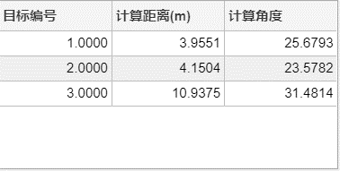
编号 | 参数 | 编号 | 参数 | 编号 | 参数 | 编号 | 参数
20210604212333Capture | fmcw_startfreq = 77.00 | 20210604214348Capture | fmcw_startfreq = 77.00 | 20210604220009Capture | fmcw_startfreq = 77.00 | 20210604220531Capture | fmcw_startfreq = 77.00
 | fmcw_bandwidth = 3000.000 |  | fmcw_bandwidth = 3000.000 |  | fmcw_bandwidth = 3000.000 |  | fmcw_bandwidth = 3000.000
3.906m大角反+20° | fmcw_chirp_rampup = 25.00 | 3.072m小角反-15° | fmcw_chirp_rampup = 25.00 | 可以当第一张图 | fmcw_chirp_rampup = 25.00 |  | fmcw_chirp_rampup = 25.00
 | fmcw_chirp_down = 3.00 | 3.906m大角反+20° | fmcw_chirp_down = 3.00 |  | fmcw_chirp_down = 3.00 |  | fmcw_chirp_down = 3.00
 | fmcw_chirp_period = 28.00 |  | fmcw_chirp_period = 28.00 | 2.587m小角反-15° | fmcw_chirp_period = 28.00 | 2.587m小角反-15° | fmcw_chirp_period = 28.00
 | nchirp = 256 |  | nchirp = 256 | 3.906m大角反+20° | nchirp = 256 |  | nchirp = 256
 | adc_freq = 20 |  | adc_freq = 20 | 3.951m平板18° | adc_freq = 20 | 3.951m平板18° | adc_freq = 20
 | dec_factor = 1 |  | dec_factor = 1 |  | dec_factor = 1 |  | dec_factor = 1
 | adc_sample_start = 2.00 |  | adc_sample_start = 2.00 |  | adc_sample_start = 2.00 |  | adc_sample_start = 2.00
 | adc_sample_end = 22.00 |  | adc_sample_end = 22.00 |  | adc_sample_end = 22.00 |  | adc_sample_end = 22.00
 | tx_groups = [0, 1, 0, 0] |  | tx_groups = [0, 1, 0, 0] |  | tx_groups = [0, 1, 0, 0] |  | tx_groups = [0, 1, 0, 0]
 | rng_win_params = [80.00, 0.00, 0.00] |  | rng_win_params = [80.00, 0.00, 0.00] |  | rng_win_params = [80.00, 0.00, 0.00] |  | rng_win_params = [80.00, 0.00, 0.00]
 | vel_win_params = [80.00, 0.00, 0.00] |  | vel_win_params = [80.00, 0.00, 0.00] |  | vel_win_params = [80.00, 0.00, 0.00] |  | vel_win_params = [80.00, 0.00, 0.00]
 | rng_nfft = 512 |  | rng_nfft = 512 |  | rng_nfft = 512 |  | rng_nfft = 512
 | vel_nfft = 256 |  | vel_nfft = 256 |  | vel_nfft = 256 |  | vel_nfft = 256
 | rng_fft_scalar = 0xFF |  | rng_fft_scalar = 0xFF |  | rng_fft_scalar = 0xFF |  | rng_fft_scalar = 0xFF
 | vel_fft_scalar = 0x3F |  | vel_fft_scalar = 0x3F |  | vel_fft_scalar = 0x3F |  | vel_fft_scalar = 0x3F
 | fft_nve_bypass = 0 |  | fft_nve_bypass = 0 |  | fft_nve_bypass = 0 |  | fft_nve_bypass = 0
 | fft_nve_shift = 0 |  | fft_nve_shift = 0 |  | fft_nve_shift = 0 |  | fft_nve_shift = 0
 | fft_nve_ch_mask = 0xFFFF |  | fft_nve_ch_mask = 0xFFFF |  | fft_nve_ch_mask = 0xFFFF |  | fft_nve_ch_mask = 0xFFFF
 | fft_nve_default_value = 0.00 |  | fft_nve_default_value = 0.00 |  | fft_nve_default_value = 0.00 |  | fft_nve_default_value = 0.00
 | cfar_pk_en = 255 |  | cfar_pk_en = 255 |  | cfar_pk_en = 255 |  | cfar_pk_en = 255
 | cfar_pk_win_size1 = [3, 3, 3, 3, 3, 3, 3, 3] |  | cfar_pk_win_size1 = [3, 3, 3, 3, 3, 3, 3, 3] |  | cfar_pk_win_size1 = [3, 3, 3, 3, 3, 3, 3, 3] |  | cfar_pk_win_size1 = [3, 3, 3, 3, 3, 3, 3, 3]
 | cfar_pk_win_size2 = [3, 3, 3, 3, 3, 3, 3, 3] |  | cfar_pk_win_size2 = [3, 3, 3, 3, 3, 3, 3, 3] |  | cfar_pk_win_size2 = [3, 3, 3, 3, 3, 3, 3, 3] |  | cfar_pk_win_size2 = [3, 3, 3, 3, 3, 3, 3, 3]
 | cfar_pk_threshold = [31, 31, 31, 31, 31, 31, 31, 31] |  | cfar_pk_threshold = [31, 31, 31, 31, 31, 31, 31, 31] |  | cfar_pk_threshold = [31, 31, 31, 31, 31, 31, 31, 31] |  | cfar_pk_threshold = [31, 31, 31, 31, 31, 31, 31, 31]
 | cfar_recwin_decimate = 0 |  | cfar_recwin_decimate = 0 |  | cfar_recwin_decimate = 0 |  | cfar_recwin_decimate = 0
 | real_range = [1.258,2.659,3.554 6.228] |  | real_range = [1.258,2.659,3.554 6.228] |  | real_range = [1.258,2.659,3.554 6.228] |  | real_range = [1.258,2.659,3.554 6.228]
 | real_angle = [11.58,9.58,8.36,13.84,] |  | real_angle = [11.58,9.58,8.36,13.84,] |  | real_angle = [11.58,9.58,8.36,13.84,] |  | real_angle = [11.58,9.58,8.36,13.84,]
 | FFT CFAR [2 16 16 5] |  | FFT CFAR [2 16 16 5] |  | FFT CFAR [2 16 16 5] |  | FFT CFAR [2 16 16 5]
 | ZERO CFAR [2 16 16 4] |  | ZERO CFAR [2 16 16 4] |  | ZERO CFAR [2 16 16 4] |  | ZERO CFAR [2 16 16 4]
 | CZT CFAR [2 16 16 ?] |  | CZT CFAR [2 16 16 ?] |  | CZT CFAR [2 16 16 ?] |  | CZT CFAR [2 16 16 ?]

无目标
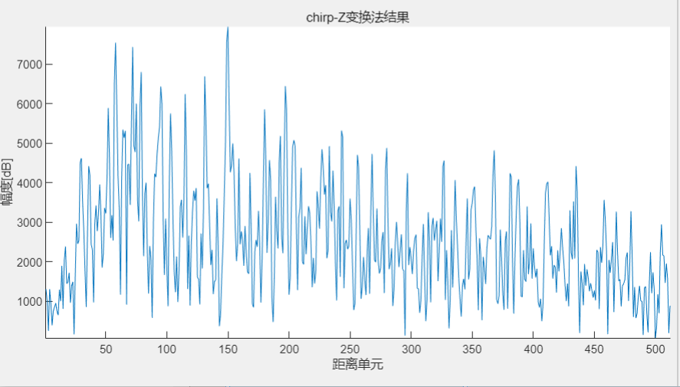
 | 大角反 | 3.861米 | 15°
回波
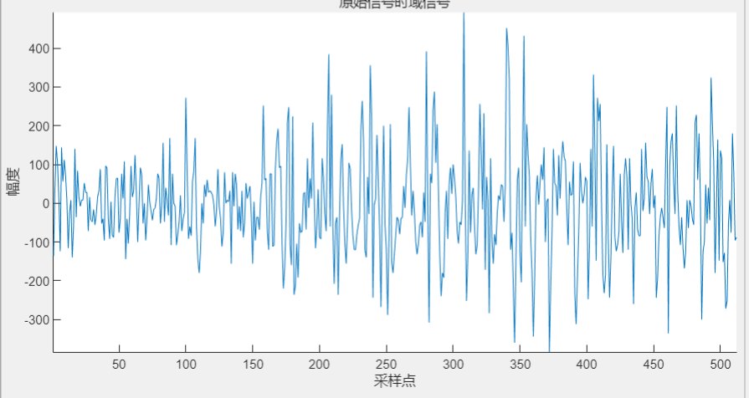

FFT结果
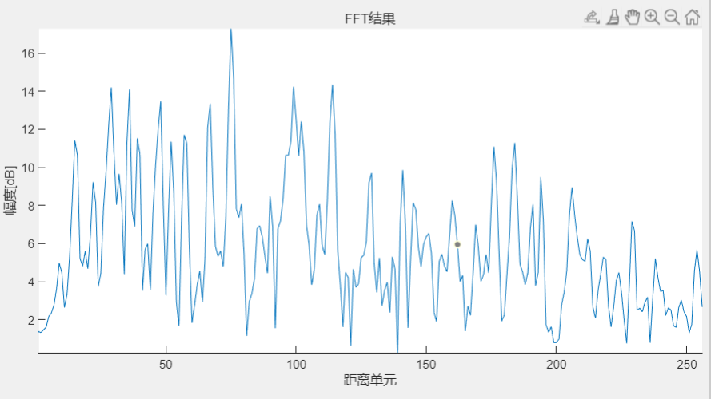

CZT

