Achtergrond
In dit spreadsheet worden een aantal karacteristieken van de celldyn extracties beschreven.
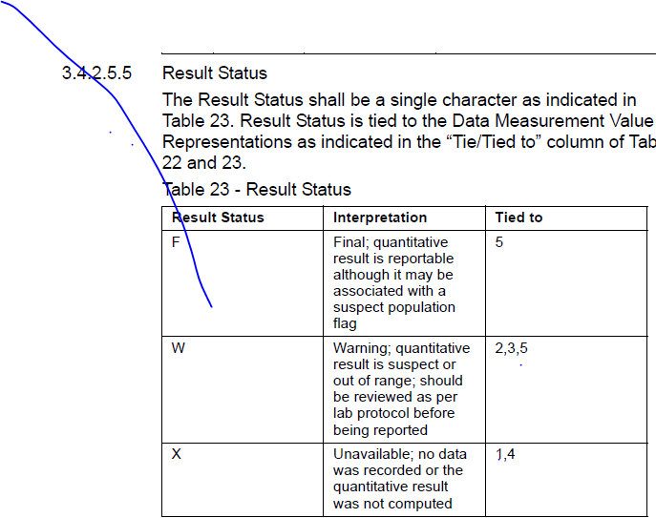
Er zijn verschillende software versies van de Abbott Sapphire in gebruik geweest over de tijd.

 | van | tot | aantal | split files | opmerking
R2-3
R2-4
R2-5
R2-5B
R9-3A
R9-3C |  |  |  |  | met en zonder namn block
R9-4A
XR2-4
XR2-5
XR9-3
XR9-4
v3
v4
v5

R2-4 ,"R2-5 ","R2-5B","R9-3A","R9-3C","R9-4A","XR2-3","XR2-4","XR2-5","XR9-3","XR9-4","v3","v4","v5"

CD 4000 mode enumeration legend:
0-CBC mode
1-CBC, WBC extended mode
2-CBC, Resistant RBC mode
4-CBC+RETC mode
5-CBC+RETC, Resistant RBC mode
6-CBC+CD61, WBC extended count mode
7-CD3/4/8, WBC extended count mode

ALL: Axial Light Loss (0°)
PSS: Polarised Side Scatter (90°)
DSS: Depolarised Side Scatter (90°)
IAS: Intermediate Angle Scatter (7°)
NAMN Neutrophil ALL Mean (gemiddelde van neutro-populatie op 0°)
NIMN Neutrophil IAS Mean (gemiddeld van neutro-populatie op 7°)
NPMN Neutrophil PSS Mean (gemiddelde van neutro-populatie op 90° gepolariseerd)
NDMN Neutrophil DSS Mean (gemiddelde van neutro-populatie op 90° gedepolariseerd)
NFMN Neutrophil FL3 Mean (gemiddelde van neutro-populatie op FL3 signaal)
NACV Neutrophil ALL CV% (CV% van neutro-populatie op 0°)
NICV Neutrophil IAS CV% (CV% van neutro-populatie op 7°)
NPCV Neutrophil PSS CV% (CV% van neutro-populatie op 90° gepolariseerd)
NDCV Neutrophil DSS CV% (CV% van neutro-populatie op 90° gedepolariseerd)
NFCV Neutrophil FL3 CV% (CV% van neutro-populatie op FL3 signaal)
LAMN Lymphocyte ALL Mean (gemiddelde van lymfo-populatie op 0°)
LIMN Lymphocyte IAS Mean (gemiddelde van lymfo-populatie op 7°)
LACV Lymphocyte ALL CV% (gemiddelde CV% van lymfo-populatie op 0°)
LICV Lymphocyte ALL CV% (gemiddelde CV% van lymfo-populatie op 7°)
PIMN Platelet IAS Mean (gemiddelde van trombo-populatie op 7°)
PPMN Platelet PSS Mean (gemiddelde van trombo-populatie op 90°)
PICV Platelet IAS CV% (gemiddelde CV% van trombo-populatie op 7°)
PPCV Platelet PSS Mean (gemiddelde CV% van trombo-populatie op 90°)

