trip3
Attention: Christoph Moch Capital Regional District Water Department 479 Island Hwy Victoria, BC Canada V9B 1H7 |  |  |  |  |  |  |  |  |  |  |  |  |  |  |  |  |  |  |  | Report Date: 2018/12/04 Report #: R2659849 Version: 1 - Final
MAXXAM JOB #: B8A4665 Received: 2018/11/29, 10:10 Sample Matrix: DRINKING WATER # Samples Received: 6 |  |  |  |  |  |  |  |  | CERTIFICATE OF ANALYSIS
Analyses |  |  |  |  |  |  | Date Quantity Extracted |  |  |  |  |  |  |  |  |  |  |  |  | Date Analyzed |  |  |  | Laboratory Method |  |  |  |  |  |  | Analytical Method

Hardness Total (calculated as CaCO3) (1) Hardness Total (calculated as CaCO3) (1) |  |  |  |  |  |  |  |  |  |  |  |  | 2 N/A 4 N/A |  |  |  |  |  | 2018/12/03 BBY WI-00033 2018/12/04 BBY WI-00033 |  |  |  |  |  |  |  |  |  | Auto Calc Auto Calc
Mercury (Total) by CVAF |  |  |  |  |  |  |  |  | 6 2018/12/04 2018/12/04 BBY7SOP-00015 |  |  |  |  |  |  |  |  |  |  |  |  |  |  |  |  |  |  |  |  | BCMOE BCLM Oct2013 m
Na, K, Ca, Mg, S by CRC ICPMS (total) Na, K, Ca, Mg, S by CRC ICPMS (total) Elements by CRC ICPMS (total) |  |  |  |  |  |  |  |  |  |  |  | 2 N/A 4 N/A 2 N/A |  |  |  |  |  |  | 2018/12/03 BBY WI-00033 2018/12/04 BBY WI-00033 2018/12/01 BBY7SOP-00003, |  |  |  |  |  |  |  |  |  |  | Auto Calc Auto Calc EPA 6020b R2 m
Elements by CRC ICPMS (total) |  |  |  |  |  |  |  |  |  |  | 4 2018/12/03 2018/12/03 BBY7SOP-00003 BBY7SOP-00002 |  |  |  |  |  |  |  |  |  |  |  |  |  |  |  |  |  |  | EPA 6020b R2 m

Remarks: Maxxam Analytics' laboratories are accredited to ISO/IEC 17025:2005 for specific parameters on scopes of accreditation. Unless otherwise noted, procedures used by Maxxam are based upon recognized Provincial, Federal or US method compendia such as CCME, MDDELCC, EPA, APHA.
All work recorded herein has been done in accordance with procedures and practices ordinarily exercised by professionals in Maxxam’s profession using accepted testing methodologies, quality assurance and quality control procedures (except where otherwise agreed by the client and Maxxam in writing). All data is in statistical control and has met quality control and method performance criteria unless otherwise noted. All method blanks are reported; unless indicated otherwise, associated sample data are not blank corrected. Where applicable, unless otherwise noted, Measurement Uncertainty has not been accounted for when stating conformity to the referenced standard.
Maxxam Analytics' liability is limited to the actual cost of the requested analyses, unless otherwise agreed in writing. There is no other warranty expressed or implied. Maxxam has been retained to provide analysis of samples provided by the Client using the testing methodology referenced in this report. Interpretation and use of test results are the sole responsibility of the Client and are not within the scope of services provided by Maxxam, unless otherwise agreed in writing. Maxxam is not responsible for the accuracy or any data impacts, that result from the information provided by the customer or their agent.
Solid sample results, except biota, are based on dry weight unless otherwise indicated. Organic analyses are not recovery corrected except for isotope dilution methods. Results relate to samples tested. When sampling is not conducted by Maxxam, results relate to the supplied samples tested. This Certificate shall not be reproduced except in full, without the written approval of the laboratory. Reference Method suffix “m” indicates test methods incorporate validated modifications from specific reference methods to improve performance. * RPDs calculated using raw data. The rounding of final results may result in the apparent difference. (1) "Total Hardness" was calculated from Total Ca and Mg concentrations and may be biased high (Hardness, or Dissolved Hardness, calculated from Dissolved Ca and Mg, should be used for compliance if available).
Attention: Christoph Moch Capital Regional District Water Department 479 Island Hwy Victoria, BC Canada V9B 1H7 |  |  |  |  |  |  |  |  |  |  |  |  |  |  |  |  |  |  |  | Report Date: 2018/12/04 Report #: R2659849 Version: 1 - Final
MAXXAM JOB #: B8A4665 Received: 2018/11/29, 10:10 Encryption Key |  |  |  |  |  |  |  | CERTIFICATE OF ANALYSIS Maxxam 04 Dec 2018 14:28:04

Please direct all questions regarding this Certificate of Analysis to your Project Manager. Debbie Nordbruget, Project Manager Email: DNordbruget@maxxam.ca Phone# (250)385-6112 ==================================================================== This report has been generated and distributed using a secure automated process. Maxxam has procedures in place to guard against improper use of the electronic signature and have the required "signatories", as per section 5.10.2 of ISO/IEC 17025:2005(E), signing the reports. For Service Group specific validation please refer to the Validation Signature Page.
Total Cover Pages : 2
ELEMENTS BY ATOMIC SPECTROSCOPY (DRINKING WATER)
Maxxam ID |  |  |  |  |  |  |  |  |  |  |  | UW2299 |  |  |  |  |  |  | UW2300 |  |  |  | UW2301 |  |  |  | UW2302
Sampling Date |  |  |  |  |  |  |  |  |  |  |  | 2018/11/23 12:30 |  |  |  |  |  |  | 2018/11/23 09:26 |  |  |  | 2018/11/23 13:45 |  |  |  | 2018/11/23 10:00
COC Number |  |  |  |  |  |  |  |  |  |  |  | 08460055 |  |  |  |  |  |  | 08460055 |  |  |  | 08460055 |  |  |  | 08460055
 |  |  |  |  | UNITS | MAC |  | AO |  | OG |  | W.LEECH |  | RDL |  |  | QC Batch |  | WEEKS OUT |  |  |  | TUNNEL |  |  |  | LEECH HEAD |  |  |  | RDL |  |  | QC Batch
Total Metals by ICPMS
Total Aluminum (Al) |  |  |  |  | ug/L | - |  | - |  | 100 |  | 166 |  | 3.0 |  |  | 9250459 |  | 468 |  |  |  | 122 |  |  |  | 179 |  |  |  | 3.0 |  |  | 9250459
Total Antimony (Sb) |  |  |  |  | ug/L | 6 |  | - |  | - |  | <0.50 |  | 0.50 |  |  | 9250459 |  | <0.50 |  |  |  | <0.50 |  |  |  | <0.50 |  |  |  | 0.50 |  |  | 9250459
Total Arsenic (As) |  |  |  |  | ug/L | 10 |  | - |  | - |  | 0.10 |  | 0.10 |  |  | 9250459 |  | 0.17 |  |  |  | <0.10 |  |  |  | <0.10 |  |  |  | 0.10 |  |  | 9250459
Total Barium (Ba) |  |  |  |  | ug/L | 1000 |  | - |  | - |  | 3.5 |  | 1.0 |  |  | 9250459 |  | 5.2 |  |  |  | 2.9 |  |  |  | 3.7 |  |  |  | 1.0 |  |  | 9250459
Total Beryllium (Be) |  |  |  |  | ug/L | - |  | - |  | - |  | <0.10 |  | 0.10 |  |  | 9250459 |  | <0.10 |  |  |  | <0.10 |  |  |  | <0.10 |  |  |  | 0.10 |  |  | 9250459
Total Bismuth (Bi) |  |  |  |  | ug/L | - |  | - |  | - |  | <1.0 |  | 1.0 |  |  | 9250459 |  | <1.0 |  |  |  | <1.0 |  |  |  | <1.0 |  |  |  | 1.0 |  |  | 9250459
Total Boron (B) |  |  |  |  | ug/L | 5000 |  | - |  | - |  | <50 |  | 50 |  |  | 9250459 |  | <50 |  |  |  | <50 |  |  |  | <50 |  |  |  | 50 |  |  | 9250459
Total Cadmium (Cd) |  |  |  |  | ug/L | 5 |  | - |  | - |  | 0.080 |  | 0.010 |  |  | 9250459 |  | <0.010 |  |  |  | <0.010 |  |  |  | <0.010 |  |  |  | 0.010 |  |  | 9250459
Total Chromium (Cr) |  |  |  |  | ug/L | 50 |  | - |  | - |  | <1.0 |  | 1.0 |  |  | 9250459 |  | <1.0 |  |  |  | <1.0 |  |  |  | <1.0 |  |  |  | 1.0 |  |  | 9250459
Total Cobalt (Co) |  |  |  |  | ug/L | - |  | - |  | - |  | <0.20 |  | 0.20 |  |  | 9250459 |  | 0.29 |  |  |  | <0.20 |  |  |  | <0.20 |  |  |  | 0.20 |  |  | 9250459
Total Copper (Cu) |  |  |  |  | ug/L | - |  | 1000 |  | - |  | 1.08 |  | 0.50 |  |  | 9250459 |  | 1.43 |  |  |  | 0.81 |  |  |  | 1.04 |  |  |  | 0.50 |  |  | 9250459
Total Iron (Fe) |  |  |  |  | ug/L | - |  | 300 |  | - |  | 80 |  | 10 |  |  | 9250459 |  | 395 |  |  |  | 57 |  |  |  | 129 |  |  |  | 10 |  |  | 9250459
Total Lead (Pb) |  |  |  |  | ug/L | 10 |  | - |  | - |  | <0.20 |  | 0.20 |  |  | 9250459 |  | <0.20 |  |  |  | <0.20 |  |  |  | <0.20 |  |  |  | 0.20 |  |  | 9250459
Total Lithium (Li) |  |  |  |  | ug/L | - |  | - |  | - |  | <2.0 |  | 2.0 |  |  | 9250459 |  | <2.0 |  |  |  | <2.0 |  |  |  | <2.0 |  |  |  | 2.0 |  |  | 9250459
Total Manganese (Mn) |  |  |  |  | ug/L | - |  | 50 |  | - |  | 1.5 |  | 1.0 |  |  | 9250459 |  | 13.1 |  |  |  | 1.4 |  |  |  | 5.0 |  |  |  | 1.0 |  |  | 9250459
Total Mercury (Hg) |  |  |  |  | ug/L | 1 |  | - |  | - |  | <0.050 |  | 0.050 |  |  | 9250459
Total Molybdenum (Mo) |  |  |  |  | ug/L | - |  | - |  | - |  | <1.0 |  | 1.0 |  |  | 9250459 |  | <1.0 |  |  |  | <1.0 |  |  |  | <1.0 |  |  |  | 1.0 |  |  | 9250459
Total Nickel (Ni) |  |  |  |  | ug/L | - |  | - |  | - |  | <1.0 |  | 1.0 |  |  | 9250459 |  | 1.0 |  |  |  | <1.0 |  |  |  | <1.0 |  |  |  | 1.0 |  |  | 9250459
Total Selenium (Se) |  |  |  |  | ug/L | 50 |  | - |  | - |  | <0.10 |  | 0.10 |  |  | 9250459 |  | <0.10 |  |  |  | <0.10 |  |  |  | <0.10 |  |  |  | 0.10 |  |  | 9250459
Total Silicon (Si) |  |  |  |  | ug/L | - |  | - |  | - |  | 2220 |  | 100 |  |  | 9250459 |  | 2450 |  |  |  | 2220 |  |  |  | 2300 |  |  |  | 100 |  |  | 9250459
Total Silver (Ag) |  |  |  |  | ug/L | - |  | - |  | - |  | <0.020 |  | 0.020 |  |  | 9250459 |  | <0.020 |  |  |  | <0.020 |  |  |  | 0.023 |  |  |  | 0.020 |  |  | 9250459
Total Strontium (Sr) |  |  |  |  | ug/L | - |  | - |  | - |  | 10.6 |  | 1.0 |  |  | 9250459 |  | 15.6 |  |  |  | 13.4 |  |  |  | 14.3 |  |  |  | 1.0 |  |  | 9250459
Total Thallium (Tl) |  |  |  |  | ug/L | - |  | - |  | - |  | <0.010 |  | 0.010 |  |  | 9250459 |  | <0.010 |  |  |  | <0.010 |  |  |  | <0.010 |  |  |  | 0.010 |  |  | 9250459
Total Tin (Sn) |  |  |  |  | ug/L | - |  | - |  | - |  | <5.0 |  | 5.0 |  |  | 9250459 |  | <5.0 |  |  |  | <5.0 |  |  |  | <5.0 |  |  |  | 5.0 |  |  | 9250459
Total Titanium (Ti) |  |  |  |  | ug/L | - |  | - |  | - |  | <5.0 |  | 5.0 |  |  | 9250459 |  | 11.6 |  |  |  | <5.0 |  |  |  | <5.0 |  |  |  | 5.0 |  |  | 9250459
Total Uranium (U) |  |  |  |  | ug/L | 20 |  | - |  | - |  | <0.10 |  | 0.10 |  |  | 9250459 |  | <0.10 |  |  |  | <0.10 |  |  |  | <0.10 |  |  |  | 0.10 |  |  | 9250459
Total Vanadium (V) |  |  |  |  | ug/L | - |  | - |  | - |  | <5.0 |  | 5.0 |  |  | 9250459 |  | <5.0 |  |  |  | <5.0 |  |  |  | <5.0 |  |  |  | 5.0 |  |  | 9250459
Total Zinc (Zn) |  |  |  |  | ug/L | - |  | 5000 |  | - |  | <5.0 |  | 5.0 |  |  | 9250459 |  | <5.0 |  |  |  | <5.0 |  |  |  | <5.0 |  |  |  | 5.0 |  |  | 9250459
Total Zirconium (Zr) |  |  |  |  | ug/L | - |  | - |  | - |  | <0.10 |  | 0.10 |  |  | 9250459 |  | <0.10 |  |  |  | <0.10 |  |  |  | <0.10 |  |  |  | 0.10 |  |  | 9250459
No Fill |  |  |  | No Exceedance Exceeds 1 criteria policy/level Exceeds both criteria/levels
Grey
Black
RDL = Reportable Detection Limit
Maxxam ID |  |  |  |  |  |  |  |  |  |  |  | UW2299 |  |  |  |  |  | UW2300 |  |  |  | UW2301 |  |  |  | UW2302
Sampling Date |  |  |  |  |  |  |  |  |  |  |  | 2018/11/23 12:30 |  |  |  |  |  | 2018/11/23 09:26 |  |  |  | 2018/11/23 13:45 |  |  |  | 2018/11/23 10:00
COC Number |  |  |  |  |  |  |  |  |  |  |  | 08460055 |  |  |  |  |  | 08460055 |  |  |  | 08460055 |  |  |  | 08460055
 |  |  |  |  | UNITS | MAC |  | AO |  | OG |  | W.LEECH |  |  | QC Batch |  |  | WEEKS OUT |  |  |  | TUNNEL |  |  |  | LEECH HEAD |  |  | RDL |  |  | QC Batch
Calculated Parameters
Total Hardness (CaCO3) |  |  |  |  | mg/L | - |  | - |  | - |  | 5.10 |  |  | 9246395 |  |  | 7.88 |  |  |  | 7.33 |  |  |  | 8.14 |  |  | 0.50 |  |  | 9246395
Elements
Total Mercury (Hg) |  |  |  |  | ug/L | 1 |  | - |  | - |  | <0.0020 |  |  | 9251585 |  |  | <0.0020 |  |  |  | <0.0020 |  |  |  | <0.0020 |  |  | 0.0020 |  |  | 9251592
Total Metals by ICPMS
Total Calcium (Ca) |  |  |  |  | mg/L | - |  | - |  | - |  | 1.42 |  |  | 9247267 |  |  | 2.12 |  |  |  | 2.13 |  |  |  | 2.26 |  |  | 0.050 |  |  | 9247267
Total Magnesium (Mg) |  |  |  |  | mg/L | - |  | - |  | - |  | 0.380 |  |  | 9247267 |  |  | 0.630 |  |  |  | 0.487 |  |  |  | 0.610 |  |  | 0.050 |  |  | 9247267
Total Potassium (K) |  |  |  |  | mg/L | - |  | - |  | - |  | 0.153 |  |  | 9247267 |  |  | 0.112 |  |  |  | 0.124 |  |  |  | 0.092 |  |  | 0.050 |  |  | 9247267
Total Sodium (Na) |  |  |  |  | mg/L | - |  | 200 |  | - |  | 1.68 |  |  | 9247267 |  |  | 1.68 |  |  |  | 1.62 |  |  |  | 1.63 |  |  | 0.050 |  |  | 9247267
Total Sulphur (S) |  |  |  |  | mg/L | - |  | - |  | - |  | <3.0 |  |  | 9247267 |  |  | <3.0 |  |  |  | <3.0 |  |  |  | <3.0 |  |  | 3.0 |  |  | 9247267
No Fill |  |  |  | No Exceedance Exceeds 1 criteria policy/level Exceeds both criteria/levels
Grey
Black
RDL = Reportable Detection Limit
Maxxam ID |  |  |  |  |  |  |  |  |  |  |  | UW2303 |  |  |  | UW2304
Sampling Date |  |  |  |  |  |  |  |  |  |  |  | 2018/11/23 11:20 |  |  |  | 2018/11/23 09:07
COC Number |  |  |  |  |  |  |  |  |  |  |  | 08460055 |  |  |  | 08460055
 |  |  |  |  | UNITS | MAC |  | AO |  | OG |  | CRAGG CREEK |  |  |  | CHRIS CREEK |  |  | RDL |  | QC Batch
Calculated Parameters
Total Hardness (CaCO3) |  |  |  |  | mg/L | - |  | - |  | - |  | 8.47 |  |  |  | 8.25 |  |  | 0.50 |  | 9246395
Elements
Total Mercury (Hg) |  |  |  |  | ug/L | 1 |  | - |  | - |  | <0.0020 |  |  |  | <0.0020 |  |  | 0.0020 |  | 9251585
Total Metals by ICPMS
Total Aluminum (Al) |  |  |  |  | ug/L | - |  | - |  | 100 |  | 100 |  |  |  | 74.4 |  |  | 3.0 |  | 9249141
Total Antimony (Sb) |  |  |  |  | ug/L | 6 |  | - |  | - |  | <0.50 |  |  |  | <0.50 |  |  | 0.50 |  | 9249141
Total Arsenic (As) |  |  |  |  | ug/L | 10 |  | - |  | - |  | <0.10 |  |  |  | <0.10 |  |  | 0.10 |  | 9249141
Total Barium (Ba) |  |  |  |  | ug/L | 1000 |  | - |  | - |  | 2.3 |  |  |  | 2.5 |  |  | 1.0 |  | 9249141
Total Beryllium (Be) |  |  |  |  | ug/L | - |  | - |  | - |  | <0.10 |  |  |  | <0.10 |  |  | 0.10 |  | 9249141
Total Bismuth (Bi) |  |  |  |  | ug/L | - |  | - |  | - |  | <1.0 |  |  |  | <1.0 |  |  | 1.0 |  | 9249141
Total Boron (B) |  |  |  |  | ug/L | 5000 |  | - |  | - |  | <50 |  |  |  | <50 |  |  | 50 |  | 9249141
Total Cadmium (Cd) |  |  |  |  | ug/L | 5 |  | - |  | - |  | <0.010 |  |  |  | <0.010 |  |  | 0.010 |  | 9249141
Total Chromium (Cr) |  |  |  |  | ug/L | 50 |  | - |  | - |  | <1.0 |  |  |  | <1.0 |  |  | 1.0 |  | 9249141
Total Cobalt (Co) |  |  |  |  | ug/L | - |  | - |  | - |  | <0.20 |  |  |  | <0.20 |  |  | 0.20 |  | 9249141
Total Copper (Cu) |  |  |  |  | ug/L | - |  | 1000 |  | - |  | 0.60 |  |  |  | 1.28 |  |  | 0.20 |  | 9249141
Total Iron (Fe) |  |  |  |  | ug/L | - |  | 300 |  | - |  | 30.6 |  |  |  | 28.8 |  |  | 5.0 |  | 9249141
Total Lead (Pb) |  |  |  |  | ug/L | 10 |  | - |  | - |  | <0.20 |  |  |  | <0.20 |  |  | 0.20 |  | 9249141
Total Manganese (Mn) |  |  |  |  | ug/L | - |  | 50 |  | - |  | <1.0 |  |  |  | 1.2 |  |  | 1.0 |  | 9249141
Total Molybdenum (Mo) |  |  |  |  | ug/L | - |  | - |  | - |  | <1.0 |  |  |  | <1.0 |  |  | 1.0 |  | 9249141
Total Nickel (Ni) |  |  |  |  | ug/L | - |  | - |  | - |  | <1.0 |  |  |  | <1.0 |  |  | 1.0 |  | 9249141
Total Selenium (Se) |  |  |  |  | ug/L | 50 |  | - |  | - |  | <0.10 |  |  |  | <0.10 |  |  | 0.10 |  | 9249141
Total Silicon (Si) |  |  |  |  | ug/L | - |  | - |  | - |  | 2140 |  |  |  | 2300 |  |  | 100 |  | 9249141
Total Silver (Ag) |  |  |  |  | ug/L | - |  | - |  | - |  | <0.020 |  |  |  | <0.020 |  |  | 0.020 |  | 9249141
Total Strontium (Sr) |  |  |  |  | ug/L | - |  | - |  | - |  | 11.2 |  |  |  | 10.0 |  |  | 1.0 |  | 9249141
Total Thallium (Tl) |  |  |  |  | ug/L | - |  | - |  | - |  | <0.010 |  |  |  | <0.010 |  |  | 0.010 |  | 9249141
Total Tin (Sn) |  |  |  |  | ug/L | - |  | - |  | - |  | <5.0 |  |  |  | <5.0 |  |  | 5.0 |  | 9249141
Total Titanium (Ti) |  |  |  |  | ug/L | - |  | - |  | - |  | <5.0 |  |  |  | <5.0 |  |  | 5.0 |  | 9249141
Total Uranium (U) |  |  |  |  | ug/L | 20 |  | - |  | - |  | <0.10 |  |  |  | <0.10 |  |  | 0.10 |  | 9249141
Total Vanadium (V) |  |  |  |  | ug/L | - |  | - |  | - |  | <5.0 |  |  |  | <5.0 |  |  | 5.0 |  | 9249141
Total Zinc (Zn) |  |  |  |  | ug/L | - |  | 5000 |  | - |  | <5.0 |  |  |  | <5.0 |  |  | 5.0 |  | 9249141
Total Zirconium (Zr) |  |  |  |  | ug/L | - |  | - |  | - |  | <0.10 |  |  |  | <0.10 |  |  | 0.10 |  | 9249141
Total Calcium (Ca) |  |  |  |  | mg/L | - |  | - |  | - |  | 2.36 |  |  |  | 2.22 |  |  | 0.050 |  | 9247267
Total Magnesium (Mg) |  |  |  |  | mg/L | - |  | - |  | - |  | 0.627 |  |  |  | 0.655 |  |  | 0.050 |  | 9247267
No Fill |  | No Exceedance Exceeds 1 criteria policy/level Exceeds both criteria/levels
Grey
Black
RDL = Reportable Detection Limit
Maxxam ID |  |  |  |  |  |  |  |  |  |  |  | UW2303 |  |  |  | UW2304
Sampling Date |  |  |  |  |  |  |  |  |  |  |  | 2018/11/23 11:20 |  |  |  | 2018/11/23 09:07
COC Number |  |  |  |  |  |  |  |  |  |  |  | 08460055 |  |  |  | 08460055
 |  |  |  |  | UNITS | MAC |  | AO |  | OG |  | CRAGG CREEK |  |  |  | CHRIS CREEK |  |  | RDL |  | QC Batch
Total Potassium (K) |  |  |  |  | mg/L | - |  | - |  | - |  | 0.057 |  |  |  | 0.064 |  |  | 0.050 |  | 9247267
Total Sodium (Na) |  |  |  |  | mg/L | - |  | 200 |  | - |  | 1.44 |  |  |  | 1.45 |  |  | 0.050 |  | 9247267
Total Sulphur (S) |  |  |  |  | mg/L | - |  | - |  | - |  | <3.0 |  |  |  | <3.0 |  |  | 3.0 |  | 9247267
No Fill |  | No Exceedance Exceeds 1 criteria policy/level Exceeds both criteria/levels
Grey
Black
RDL = Reportable Detection Limit
GENERAL COMMENTS
Each temperature is the average of up to three cooler temperatures taken at receipt MAC,AO,OG: The guidelines that have been included in this report have been taken from the Canadian Drinking Water Quality Summary Table, February 2017. Criteria A = Maximum Acceptable Concentration (MAC) / Criteria B = Aesthetic Objectives (AO) / Criteria C = Operational Guidance Values (OG) It is recommended to consult these guidelines when interpreting your data since there are non-numerical guidelines that are not included on this report. Turbidity Guidelines: 1. Chemically assisted filtration: less than or equal to 0.3 NTU in 95% of the measurements or 95% of the time each month. Shall not exceed 1.0 NTU at any time. 2. Slow sand / diatomaceous earth filtration: less than or equal to 1.0 NTU in 95% of the measurements or 95% of the time each month. Shall not exceed 3.0 NTU at any time. 3. Membrane filtration: less than or equal to 0.1 NTU in 99% of the measurements made or at least 99% of the time each calendar month. Shall not exceed 0.3 NTU at any time. 4. To ensure effectiveness of disinfection and for good operation of the distribution system, it is recommended that water entering the distribution system have turbidity levels of 1.0 NTU or less. Measurement of Uncertainty has not been accounted for when stating conformity to the selected criteria, where applicable. Results relate only to the items tested.
Package 1 |  |  | 6.3°C
Page 7 of 12 Maxxam Analytics International Corporation o/a Maxxam Analytics Burnaby: 4606 Canada Way V5G 1K5 Telephone(604) 734-7276 Fax(604) 731-2386
 |  |  |  |  |  |  |  |  |  |  |  |  |  |  |  |  |  |  |  | Matrix Spike |  |  |  |  |  |  |  | Spiked Blank |  |  |  |  |  |  | Method Blank |  | RPD
QC Batch | Parameter |  |  |  |  |  |  |  |  |  |  |  |  |  |  | Date |  |  |  | % Recovery |  |  |  |  | QC Limits |  |  | % Recovery |  |  |  |  | QC Limits |  | Value | UNITS | Value (%) | QC Limits
9249141 | Total Aluminum (Al) |  |  |  |  |  |  |  |  |  |  |  |  |  |  | 2018-12-01 |  |  |  | 95 |  |  |  |  | 80 - 120 |  |  | 106 |  |  |  |  | 80 - 120 |  | <3.0 | ug/L | 3.2 | 20
9249141 | Total Antimony (Sb) |  |  |  |  |  |  |  |  |  |  |  |  |  |  | 2018-12-01 |  |  |  | 95 |  |  |  |  | 80 - 120 |  |  | 106 |  |  |  |  | 80 - 120 |  | <0.50 | ug/L | NC | 20
9249141 | Total Arsenic (As) |  |  |  |  |  |  |  |  |  |  |  |  |  |  | 2018-12-01 |  |  |  | 97 |  |  |  |  | 80 - 120 |  |  | 107 |  |  |  |  | 80 - 120 |  | <0.10 | ug/L | NC | 20
9249141 | Total Barium (Ba) |  |  |  |  |  |  |  |  |  |  |  |  |  |  | 2018-12-01 |  |  |  | 95 |  |  |  |  | 80 - 120 |  |  | 106 |  |  |  |  | 80 - 120 |  | <1.0 | ug/L | 0.10 | 20
9249141 | Total Beryllium (Be) |  |  |  |  |  |  |  |  |  |  |  |  |  |  | 2018-12-01 |  |  |  | 92 |  |  |  |  | 80 - 120 |  |  | 101 |  |  |  |  | 80 - 120 |  | <0.10 | ug/L | NC | 20
9249141 | Total Bismuth (Bi) |  |  |  |  |  |  |  |  |  |  |  |  |  |  | 2018-12-01 |  |  |  | 93 |  |  |  |  | 80 - 120 |  |  | 102 |  |  |  |  | 80 - 120 |  | <1.0 | ug/L | NC | 20
9249141 | Total Boron (B) |  |  |  |  |  |  |  |  |  |  |  |  |  |  | 2018-12-01 |  |  |  | 91 |  |  |  |  | 80 - 120 |  |  | 101 |  |  |  |  | 80 - 120 |  | <50 | ug/L | NC | 20
9249141 | Total Cadmium (Cd) |  |  |  |  |  |  |  |  |  |  |  |  |  |  | 2018-12-01 |  |  |  | 96 |  |  |  |  | 80 - 120 |  |  | 106 |  |  |  |  | 80 - 120 |  | <0.010 | ug/L | NC | 20
9249141 | Total Chromium (Cr) |  |  |  |  |  |  |  |  |  |  |  |  |  |  | 2018-12-01 |  |  |  | 93 |  |  |  |  | 80 - 120 |  |  | 105 |  |  |  |  | 80 - 120 |  | <1.0 | ug/L | NC | 20
9249141 | Total Cobalt (Co) |  |  |  |  |  |  |  |  |  |  |  |  |  |  | 2018-12-01 |  |  |  | 93 |  |  |  |  | 80 - 120 |  |  | 104 |  |  |  |  | 80 - 120 |  | <0.20 | ug/L | NC | 20
9249141 | Total Copper (Cu) |  |  |  |  |  |  |  |  |  |  |  |  |  |  | 2018-12-01 |  |  |  | 91 |  |  |  |  | 80 - 120 |  |  | 102 |  |  |  |  | 80 - 120 |  | <0.20 | ug/L | 0.61 | 20
9249141 | Total Iron (Fe) |  |  |  |  |  |  |  |  |  |  |  |  |  |  | 2018-12-01 |  |  |  | 95 |  |  |  |  | 80 - 120 |  |  | 105 |  |  |  |  | 80 - 120 |  | <5.0 | ug/L | 0.85 | 20
9249141 | Total Lead (Pb) |  |  |  |  |  |  |  |  |  |  |  |  |  |  | 2018-12-01 |  |  |  | 94 |  |  |  |  | 80 - 120 |  |  | 103 |  |  |  |  | 80 - 120 |  | <0.20 | ug/L | NC | 20
9249141 | Total Manganese (Mn) |  |  |  |  |  |  |  |  |  |  |  |  |  |  | 2018-12-01 |  |  |  | 93 |  |  |  |  | 80 - 120 |  |  | 105 |  |  |  |  | 80 - 120 |  | <1.0 | ug/L | 5.2 | 20
9249141 | Total Molybdenum (Mo) |  |  |  |  |  |  |  |  |  |  |  |  |  |  | 2018-12-01 |  |  |  | 99 |  |  |  |  | 80 - 120 |  |  | 109 |  |  |  |  | 80 - 120 |  | <1.0 | ug/L | NC | 20
9249141 | Total Nickel (Ni) |  |  |  |  |  |  |  |  |  |  |  |  |  |  | 2018-12-01 |  |  |  | 93 |  |  |  |  | 80 - 120 |  |  | 104 |  |  |  |  | 80 - 120 |  | <1.0 | ug/L | NC | 20
9249141 | Total Selenium (Se) |  |  |  |  |  |  |  |  |  |  |  |  |  |  | 2018-12-01 |  |  |  | 95 |  |  |  |  | 80 - 120 |  |  | 104 |  |  |  |  | 80 - 120 |  | <0.10 | ug/L | NC | 20
9249141 | Total Silicon (Si) |  |  |  |  |  |  |  |  |  |  |  |  |  |  | 2018-12-01 |  |  |  | 97 |  |  |  |  | 80 - 120 |  |  | 104 |  |  |  |  | 80 - 120 |  | <100 | ug/L | 0.29 | 20
9249141 | Total Silver (Ag) |  |  |  |  |  |  |  |  |  |  |  |  |  |  | 2018-12-01 |  |  |  | 94 |  |  |  |  | 80 - 120 |  |  | 105 |  |  |  |  | 80 - 120 |  | <0.020 | ug/L | NC | 20
9249141 | Total Strontium (Sr) |  |  |  |  |  |  |  |  |  |  |  |  |  |  | 2018-12-01 |  |  |  | 97 |  |  |  |  | 80 - 120 |  |  | 107 |  |  |  |  | 80 - 120 |  | <1.0 | ug/L | 1.0 | 20
9249141 | Total Thallium (Tl) |  |  |  |  |  |  |  |  |  |  |  |  |  |  | 2018-12-01 |  |  |  | 94 |  |  |  |  | 80 - 120 |  |  | 102 |  |  |  |  | 80 - 120 |  | <0.010 | ug/L | NC | 20
9249141 | Total Tin (Sn) |  |  |  |  |  |  |  |  |  |  |  |  |  |  | 2018-12-01 |  |  |  | 96 |  |  |  |  | 80 - 120 |  |  | 107 |  |  |  |  | 80 - 120 |  | <5.0 | ug/L | NC | 20
9249141 | Total Titanium (Ti) |  |  |  |  |  |  |  |  |  |  |  |  |  |  | 2018-12-01 |  |  |  | 97 |  |  |  |  | 80 - 120 |  |  | 104 |  |  |  |  | 80 - 120 |  | <5.0 | ug/L | NC | 20
9249141 | Total Uranium (U) |  |  |  |  |  |  |  |  |  |  |  |  |  |  | 2018-12-01 |  |  |  | 97 |  |  |  |  | 80 - 120 |  |  | 106 |  |  |  |  | 80 - 120 |  | <0.10 | ug/L | NC | 20
9249141 | Total Vanadium (V) |  |  |  |  |  |  |  |  |  |  |  |  |  |  | 2018-12-01 |  |  |  | 94 |  |  |  |  | 80 - 120 |  |  | 105 |  |  |  |  | 80 - 120 |  | <5.0 | ug/L | NC | 20
9249141 | Total Zinc (Zn) |  |  |  |  |  |  |  |  |  |  |  |  |  |  | 2018-12-01 |  |  |  | 95 |  |  |  |  | 80 - 120 |  |  | 107 |  |  |  |  | 80 - 120 |  | <5.0 | ug/L | NC | 20
9249141 | Total Zirconium (Zr) |  |  |  |  |  |  |  |  |  |  |  |  |  |  | 2018-12-01 |  |  |  | 96 |  |  |  |  | 80 - 120 |  |  | 105 |  |  |  |  | 80 - 120 |  | <0.10 | ug/L | NC | 20
9250459 | Total Aluminum (Al) |  |  |  |  |  |  |  |  |  |  |  |  |  |  | 2018-12-03 |  |  |  | 104 |  |  |  |  | 80 - 120 |  |  | 105 |  |  |  |  | 80 - 120 |  | <3.0 | ug/L
9250459 | Total Antimony (Sb) |  |  |  |  |  |  |  |  |  |  |  |  |  |  | 2018-12-03 |  |  |  | 104 |  |  |  |  | 80 - 120 |  |  | 106 |  |  |  |  | 80 - 120 |  | <0.50 | ug/L
9250459 | Total Arsenic (As) |  |  |  |  |  |  |  |  |  |  |  |  |  |  | 2018-12-03 |  |  |  | 104 |  |  |  |  | 80 - 120 |  |  | 103 |  |  |  |  | 80 - 120 |  | <0.10 | ug/L
9250459 | Total Barium (Ba) |  |  |  |  |  |  |  |  |  |  |  |  |  |  | 2018-12-03 |  |  |  | 103 |  |  |  |  | 80 - 120 |  |  | 104 |  |  |  |  | 80 - 120 |  | <1.0 | ug/L
9250459 | Total Beryllium (Be) |  |  |  |  |  |  |  |  |  |  |  |  |  |  | 2018-12-03 |  |  |  | 99 |  |  |  |  | 80 - 120 |  |  | 100 |  |  |  |  | 80 - 120 |  | <0.10 | ug/L
 |  |  |  |  |  |  |  |  |  |  |  |  |  |  |  |  |  |  |  | Matrix Spike |  |  |  |  |  |  |  | Spiked Blank |  |  |  |  |  |  | Method Blank |  | RPD
QC Batch | Parameter |  |  |  |  |  |  |  |  |  |  |  |  |  |  | Date |  |  |  | % Recovery |  |  |  |  | QC Limits |  |  | % Recovery |  |  |  |  | QC Limits |  | Value | UNITS | Value (%) | QC Limits
9250459 | Total Bismuth (Bi) |  |  |  |  |  |  |  |  |  |  |  |  |  |  | 2018-12-03 |  |  |  | 99 |  |  |  |  | 80 - 120 |  |  | 104 |  |  |  |  | 80 - 120 |  | <1.0 | ug/L
9250459 | Total Boron (B) |  |  |  |  |  |  |  |  |  |  |  |  |  |  | 2018-12-03 |  |  |  | 98 |  |  |  |  | 80 - 120 |  |  | 98 |  |  |  |  | 80 - 120 |  | <50 | ug/L
9250459 | Total Cadmium (Cd) |  |  |  |  |  |  |  |  |  |  |  |  |  |  | 2018-12-03 |  |  |  | 101 |  |  |  |  | 80 - 120 |  |  | 103 |  |  |  |  | 80 - 120 |  | <0.010 | ug/L
9250459 | Total Chromium (Cr) |  |  |  |  |  |  |  |  |  |  |  |  |  |  | 2018-12-03 |  |  |  | 101 |  |  |  |  | 80 - 120 |  |  | 102 |  |  |  |  | 80 - 120 |  | <1.0 | ug/L
9250459 | Total Cobalt (Co) |  |  |  |  |  |  |  |  |  |  |  |  |  |  | 2018-12-03 |  |  |  | 99 |  |  |  |  | 80 - 120 |  |  | 100 |  |  |  |  | 80 - 120 |  | <0.20 | ug/L
9250459 | Total Copper (Cu) |  |  |  |  |  |  |  |  |  |  |  |  |  |  | 2018-12-03 |  |  |  | 98 |  |  |  |  | 80 - 120 |  |  | 100 |  |  |  |  | 80 - 120 |  | <0.50 | ug/L
9250459 | Total Iron (Fe) |  |  |  |  |  |  |  |  |  |  |  |  |  |  | 2018-12-03 |  |  |  | 104 |  |  |  |  | 80 - 120 |  |  | 104 |  |  |  |  | 80 - 120 |  | <10 | ug/L | 4.7 | 20
9250459 | Total Lead (Pb) |  |  |  |  |  |  |  |  |  |  |  |  |  |  | 2018-12-03 |  |  |  | 101 |  |  |  |  | 80 - 120 |  |  | 105 |  |  |  |  | 80 - 120 |  | <0.20 | ug/L
9250459 | Total Lithium (Li) |  |  |  |  |  |  |  |  |  |  |  |  |  |  | 2018-12-03 |  |  |  | 96 |  |  |  |  | 80 - 120 |  |  | 96 |  |  |  |  | 80 - 120 |  | <2.0 | ug/L
9250459 | Total Manganese (Mn) |  |  |  |  |  |  |  |  |  |  |  |  |  |  | 2018-12-03 |  |  |  | 102 |  |  |  |  | 80 - 120 |  |  | 103 |  |  |  |  | 80 - 120 |  | <1.0 | ug/L
9250459 | Total Mercury (Hg) |  |  |  |  |  |  |  |  |  |  |  |  |  |  | 2018-12-03 |  |  |  | 103 |  |  |  |  | 80 - 120 |  |  | 104 |  |  |  |  | 80 - 120 |  | <0.050 | ug/L
9250459 | Total Molybdenum (Mo) |  |  |  |  |  |  |  |  |  |  |  |  |  |  | 2018-12-03 |  |  |  | 105 |  |  |  |  | 80 - 120 |  |  | 105 |  |  |  |  | 80 - 120 |  | <1.0 | ug/L
9250459 | Total Nickel (Ni) |  |  |  |  |  |  |  |  |  |  |  |  |  |  | 2018-12-03 |  |  |  | 100 |  |  |  |  | 80 - 120 |  |  | 102 |  |  |  |  | 80 - 120 |  | <1.0 | ug/L
9250459 | Total Selenium (Se) |  |  |  |  |  |  |  |  |  |  |  |  |  |  | 2018-12-03 |  |  |  | 103 |  |  |  |  | 80 - 120 |  |  | 103 |  |  |  |  | 80 - 120 |  | <0.10 | ug/L
9250459 | Total Silicon (Si) |  |  |  |  |  |  |  |  |  |  |  |  |  |  | 2018-12-03 |  |  |  | NC |  |  |  |  | 80 - 120 |  |  | 103 |  |  |  |  | 80 - 120 |  | <100 | ug/L
9250459 | Total Silver (Ag) |  |  |  |  |  |  |  |  |  |  |  |  |  |  | 2018-12-03 |  |  |  | 102 |  |  |  |  | 80 - 120 |  |  | 104 |  |  |  |  | 80 - 120 |  | <0.020 | ug/L
9250459 | Total Strontium (Sr) |  |  |  |  |  |  |  |  |  |  |  |  |  |  | 2018-12-03 |  |  |  | 104 |  |  |  |  | 80 - 120 |  |  | 103 |  |  |  |  | 80 - 120 |  | <1.0 | ug/L
9250459 | Total Thallium (Tl) |  |  |  |  |  |  |  |  |  |  |  |  |  |  | 2018-12-03 |  |  |  | 100 |  |  |  |  | 80 - 120 |  |  | 103 |  |  |  |  | 80 - 120 |  | <0.010 | ug/L
9250459 | Total Tin (Sn) |  |  |  |  |  |  |  |  |  |  |  |  |  |  | 2018-12-03 |  |  |  | 103 |  |  |  |  | 80 - 120 |  |  | 104 |  |  |  |  | 80 - 120 |  | <5.0 | ug/L
9250459 | Total Titanium (Ti) |  |  |  |  |  |  |  |  |  |  |  |  |  |  | 2018-12-03 |  |  |  | 105 |  |  |  |  | 80 - 120 |  |  | 103 |  |  |  |  | 80 - 120 |  | <5.0 | ug/L
9250459 | Total Uranium (U) |  |  |  |  |  |  |  |  |  |  |  |  |  |  | 2018-12-03 |  |  |  | 102 |  |  |  |  | 80 - 120 |  |  | 103 |  |  |  |  | 80 - 120 |  | <0.10 | ug/L
9250459 | Total Vanadium (V) |  |  |  |  |  |  |  |  |  |  |  |  |  |  | 2018-12-03 |  |  |  | 102 |  |  |  |  | 80 - 120 |  |  | 101 |  |  |  |  | 80 - 120 |  | <5.0 | ug/L
9250459 | Total Zinc (Zn) |  |  |  |  |  |  |  |  |  |  |  |  |  |  | 2018-12-03 |  |  |  | 102 |  |  |  |  | 80 - 120 |  |  | 104 |  |  |  |  | 80 - 120 |  | <5.0 | ug/L
9250459 | Total Zirconium (Zr) |  |  |  |  |  |  |  |  |  |  |  |  |  |  | 2018-12-03 |  |  |  | 104 |  |  |  |  | 80 - 120 |  |  | 100 |  |  |  |  | 80 - 120 |  | <0.10 | ug/L
9251585 | Total Mercury (Hg) |  |  |  |  |  |  |  |  |  |  |  |  |  |  | 2018-12-04 |  |  |  | 92 |  |  |  |  | 80 - 120 |  |  | 91 |  |  |  |  | 80 - 120 |  | <0.0020 | ug/L | NC | 20
 |  |  |  |  |  |  |  |  |  |  |  |  |  |  |  |  |  |  |  | Matrix Spike |  |  |  |  |  |  |  | Spiked Blank |  |  |  |  |  |  | Method Blank |  | RPD
QC Batch | Parameter |  |  |  |  |  |  |  |  |  |  |  |  |  |  | Date |  |  |  | % Recovery |  |  |  |  | QC Limits |  |  | % Recovery |  |  |  |  | QC Limits |  | Value | UNITS | Value (%) | QC Limits
9251592 | Total Mercury (Hg) |  |  |  |  |  |  |  |  |  |  |  |  |  |  | 2018-12-04 |  |  |  | 97 |  |  |  |  | 80 - 120 |  |  | 96 |  |  |  |  | 80 - 120 |  | <0.0020 | ug/L | NC | 20
Duplicate: Paired analysis of a separate portion of the same sample. Used to evaluate the variance in the measurement. Matrix Spike: A sample to which a known amount of the analyte of interest has been added. Used to evaluate sample matrix interference. Spiked Blank: A blank matrix sample to which a known amount of the analyte, usually from a second source, has been added. Used to evaluate method accuracy. Method Blank: A blank matrix containing all reagents used in the analytical procedure. Used to identify laboratory contamination. NC (Matrix Spike): The recovery in the matrix spike was not calculated. The relative difference between the concentration in the parent sample and the spike amount was too small to permit a reliable recovery calculation (matrix spike concentration was less than the native sample concentration) NC (Duplicate RPD): The duplicate RPD was not calculated. The concentration in the sample and/or duplicate was too low to permit a reliable RPD calculation (absolute difference <= 2x RDL).

Maxxam Job #: B8A4665 Report Date: 2018/12/04 |  |  |  |  |  |  |  | Capital Regional District Client Project #: LEECH VALIDATION SIGNATURE PAGE
The analytical data and all QC contained in this report were reviewed and validated by the following individual(s).

Andy Lu, Ph.D., P.Chem., Scientific Specialist

Maxxam has procedures in place to guard against improper use of the electronic signature and have the required "signatories", as per section 5.10.2 of ISO/IEC 17025:2005(E), signing the reports. For Service Group specific validation please refer to the Validation Signature Page.
Page 11 of 12 Maxxam Analytics International Corporation o/a Maxxam Analytics Burnaby: 4606 Canada Way V5G 1K5 Telephone(604) 734-7276 Fax(604) 731-2386
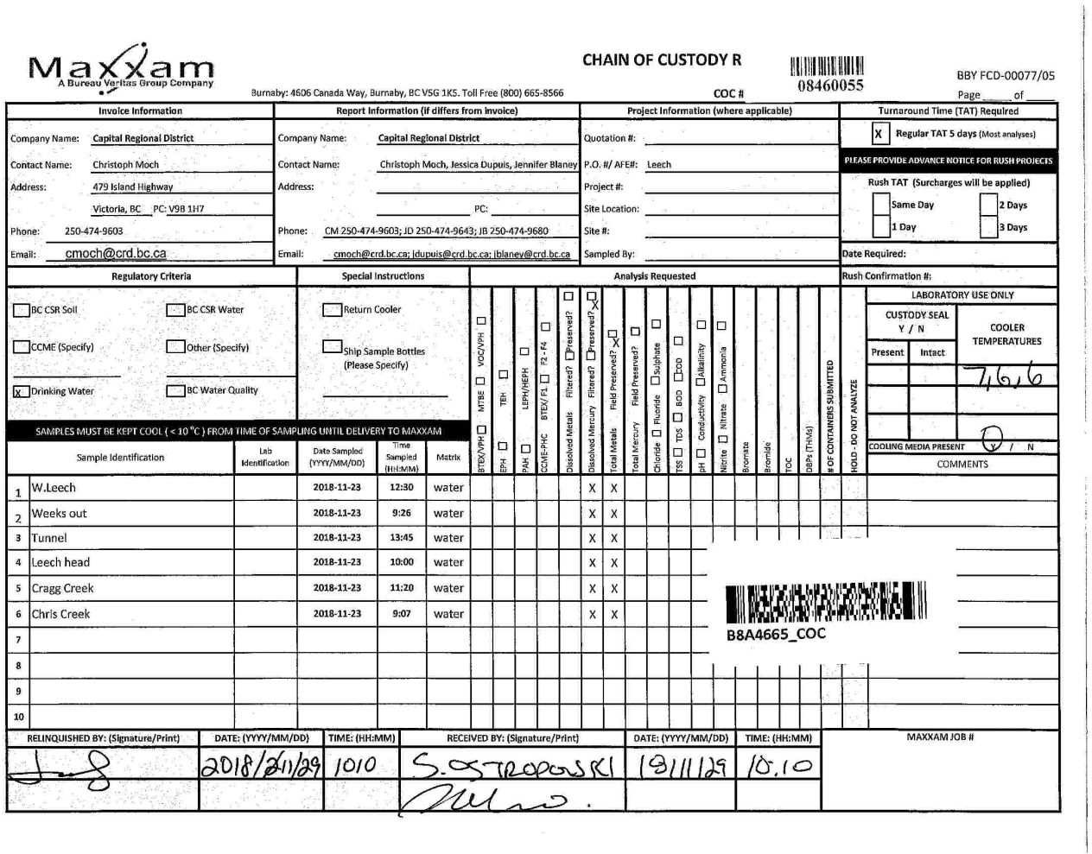

Page 12 of 12

trip4
Attention: Christoph Moch Capital Regional District Water Department 479 Island Hwy Victoria, BC Canada V9B 1H7 |  |  |  |  |  |  |  |  |  |  |  |  |  |  |  |  |  |  | Report Date: 2018/12/20 Report #: R2666868 Version: 1 - Final
MAXXAM JOB #: B8A9288 Received: 2018/12/14, 11:23 Sample Matrix: DRINKING WATER # Samples Received: 6 |  |  |  |  |  |  |  |  |  | CERTIFICATE OF ANALYSIS
Date Analyses Quantity Extracted |  |  |  |  |  |  |  |  |  |  |  |  |  |  |  |  |  |  | Date Analyzed Laboratory Method Analytical Method

Hardness Total (calculated as CaCO3) (1) 5 N/A 2018/12/17 BBY WI-00033 Auto Calc Hardness Total (calculated as CaCO3) (1) 1 N/A 2018/12/19 BBY WI-00033 Auto Calc Mercury (Total) by CVAF 6 2018/12/18 2018/12/18 BBY7SOP-00015 BCMOE BCLM Oct2013 m Na, K, Ca, Mg, S by CRC ICPMS (total) 5 N/A 2018/12/17 BBY WI-00033 Auto Calc Na, K, Ca, Mg, S by CRC ICPMS (total) 1 N/A 2018/12/19 BBY WI-00033 Auto Calc Elements by CRC ICPMS (total) 5 N/A 2018/12/17 BBY7SOP-00003, EPA 6020b R2 m
Elements by CRC ICPMS (total) 1 2018/12/18 2018/12/19 BBY7SOP-00003 BBY7SOP-00002 |  |  |  |  |  |  |  |  |  |  |  |  |  |  |  |  |  |  |  |  |  |  |  |  | EPA 6020b R2 m

Remarks: Maxxam Analytics' laboratories are accredited to ISO/IEC 17025:2005 for specific parameters on scopes of accreditation. Unless otherwise noted, procedures used by Maxxam are based upon recognized Provincial, Federal or US method compendia such as CCME, MDDELCC, EPA, APHA.
All work recorded herein has been done in accordance with procedures and practices ordinarily exercised by professionals in Maxxam’s profession using accepted testing methodologies, quality assurance and quality control procedures (except where otherwise agreed by the client and Maxxam in writing). All data is in statistical control and has met quality control and method performance criteria unless otherwise noted. All method blanks are reported; unless indicated otherwise, associated sample data are not blank corrected. Where applicable, unless otherwise noted, Measurement Uncertainty has not been accounted for when stating conformity to the referenced standard.
Maxxam Analytics' liability is limited to the actual cost of the requested analyses, unless otherwise agreed in writing. There is no other warranty expressed or implied. Maxxam has been retained to provide analysis of samples provided by the Client using the testing methodology referenced in this report. Interpretation and use of test results are the sole responsibility of the Client and are not within the scope of services provided by Maxxam, unless otherwise agreed in writing. Maxxam is not responsible for the accuracy or any data impacts, that result from the information provided by the customer or their agent.
Solid sample results, except biota, are based on dry weight unless otherwise indicated. Organic analyses are not recovery corrected except for isotope dilution methods. Results relate to samples tested. When sampling is not conducted by Maxxam, results relate to the supplied samples tested. This Certificate shall not be reproduced except in full, without the written approval of the laboratory. Reference Method suffix “m” indicates test methods incorporate validated modifications from specific reference methods to improve performance. * RPDs calculated using raw data. The rounding of final results may result in the apparent difference. (1) "Total Hardness" was calculated from Total Ca and Mg concentrations and may be biased high (Hardness, or Dissolved Hardness, calculated from Dissolved Ca and Mg, should be used for compliance if available).

Maxxam 20 Dec 2018 14:45:48
Attention: Christoph Moch Capital Regional District Water Department 479 Island Hwy Victoria, BC Canada V9B 1H7 |  |  |  |  |  |  |  |  |  |  |  |  |  |  |  |  |  |  | Report Date: 2018/12/20 Report #: R2666868 Version: 1 - Final
MAXXAM JOB #: B8A9288 Received: 2018/12/14, 11:23 |  |  |  |  |  |  |  |  | CERTIFICATE OF ANALYSIS
Encryption Key
Please direct all questions regarding this Certificate of Analysis to your Project Manager. Debbie Nordbruget, Project Manager Email: DNordbruget@maxxam.ca Phone# (250)385-6112 ==================================================================== This report has been generated and distributed using a secure automated process. Maxxam has procedures in place to guard against improper use of the electronic signature and have the required "signatories", as per section 5.10.2 of ISO/IEC 17025:2005(E), signing the reports. For Service Group specific validation please refer to the Validation Signature Page.
Total Cover Pages : 2
ELEMENTS BY ATOMIC SPECTROSCOPY (DRINKING WATER)
Maxxam ID |  |  |  |  |  |  |  |  |  |  |  | UY6537
Sampling Date |  |  |  |  |  |  |  |  |  |  |  | 2018/12/07 12:20
COC Number |  |  |  |  |  |  |  |  |  |  |  | 08459687
 |  |  |  |  |  | UNITS | MAC | AO |  |  | OG | WEEKS OUT | RDL |  |  | QC Batch
Total Metals by ICPMS
Total Aluminum (Al) |  |  |  |  |  | ug/L | - | - |  |  | 100 | 242 | 3.0 |  |  | 9269427
Total Antimony (Sb) |  |  |  |  |  | ug/L | 6 | - |  |  | - | <0.50 | 0.50 |  |  | 9269427
Total Arsenic (As) |  |  |  |  |  | ug/L | 10 | - |  |  | - | 0.12 | 0.10 |  |  | 9269427
Total Barium (Ba) |  |  |  |  |  | ug/L | 1000 | - |  |  | - | 4.0 | 1.0 |  |  | 9269427
Total Beryllium (Be) |  |  |  |  |  | ug/L | - | - |  |  | - | <0.10 | 0.10 |  |  | 9269427
Total Bismuth (Bi) |  |  |  |  |  | ug/L | - | - |  |  | - | <1.0 | 1.0 |  |  | 9269427
Total Boron (B) |  |  |  |  |  | ug/L | 5000 | - |  |  | - | <50 | 50 |  |  | 9269427
Total Cadmium (Cd) |  |  |  |  |  | ug/L | 5 | - |  |  | - | <0.010 | 0.010 |  |  | 9269427
Total Chromium (Cr) |  |  |  |  |  | ug/L | 50 | - |  |  | - | <1.0 | 1.0 |  |  | 9269427
Total Cobalt (Co) |  |  |  |  |  | ug/L | - | - |  |  | - | <0.20 | 0.20 |  |  | 9269427
Total Copper (Cu) |  |  |  |  |  | ug/L | - | 1000 |  |  | - | 1.08 | 0.50 |  |  | 9269427
Total Iron (Fe) |  |  |  |  |  | ug/L | - | 300 |  |  | - | 185 | 10 |  |  | 9269427
Total Lead (Pb) |  |  |  |  |  | ug/L | 10 | - |  |  | - | <0.20 | 0.20 |  |  | 9269427
Total Lithium (Li) |  |  |  |  |  | ug/L | - | - |  |  | - | <2.0 | 2.0 |  |  | 9269427
Total Manganese (Mn) |  |  |  |  |  | ug/L | - | 50 |  |  | - | 6.4 | 1.0 |  |  | 9269427
Total Molybdenum (Mo) |  |  |  |  |  | ug/L | - | - |  |  | - | <1.0 | 1.0 |  |  | 9269427
Total Nickel (Ni) |  |  |  |  |  | ug/L | - | - |  |  | - | <1.0 | 1.0 |  |  | 9269427
Total Selenium (Se) |  |  |  |  |  | ug/L | 50 | - |  |  | - | <0.10 | 0.10 |  |  | 9269427
Total Silicon (Si) |  |  |  |  |  | ug/L | - | - |  |  | - | 2150 | 100 |  |  | 9269427
Total Silver (Ag) |  |  |  |  |  | ug/L | - | - |  |  | - | <0.020 | 0.020 |  |  | 9269427
Total Strontium (Sr) |  |  |  |  |  | ug/L | - | - |  |  | - | 12.9 | 1.0 |  |  | 9269427
Total Thallium (Tl) |  |  |  |  |  | ug/L | - | - |  |  | - | <0.010 | 0.010 |  |  | 9269427
Total Tin (Sn) |  |  |  |  |  | ug/L | - | - |  |  | - | <5.0 | 5.0 |  |  | 9269427
Total Titanium (Ti) |  |  |  |  |  | ug/L | - | - |  |  | - | <5.0 | 5.0 |  |  | 9269427
Total Uranium (U) |  |  |  |  |  | ug/L | 20 | - |  |  | - | <0.10 | 0.10 |  |  | 9269427
Total Vanadium (V) |  |  |  |  |  | ug/L | - | - |  |  | - | <5.0 | 5.0 |  |  | 9269427
Total Zinc (Zn) |  |  |  |  |  | ug/L | - | 5000 |  |  | - | <5.0 | 5.0 |  |  | 9269427
Total Zirconium (Zr) |  |  |  |  |  | ug/L | - | - |  |  | - | <0.10 | 0.10 |  |  | 9269427
No Fill | No Exceedance Exceeds 1 criteria policy/level Exceeds both criteria/levels
Grey
Black
RDL = Reportable Detection Limit
Maxxam ID |  |  |  |  |  |  |  |  |  |  |  | UY6536 |  |  |  |  |  |  | UY6537
Sampling Date |  |  |  |  |  |  |  |  |  |  |  | 2018/12/07 13:00 |  |  |  |  |  |  | 2018/12/07 12:20
COC Number |  |  |  |  |  |  |  |  |  |  |  | 08459687 |  |  |  |  |  |  | 08459687
 |  |  |  |  |  | UNITS | MAC | AO |  |  | OG | W.LEECH |  | RDL |  |  | QC Batch |  | WEEKS OUT |  | RDL |  | QC Batch
Calculated Parameters
Total Hardness (CaCO3) |  |  |  |  |  | mg/L | - | - |  |  | - | 6.95 |  | 0.50 |  |  | 9266236 |  | 6.99 |  | 0.50 |  | 9266236
Elements
Total Mercury (Hg) |  |  |  |  |  | ug/L | 1 | - |  |  | - | <0.0020 |  | 0.0020 |  |  | 9269449 |  | 0.0037 |  | 0.0020 |  | 9269467
Total Metals by ICPMS
Total Aluminum (Al) |  |  |  |  |  | ug/L | - | - |  |  | 100 | 71.4 |  | 3.0 |  |  | 9268598
Total Antimony (Sb) |  |  |  |  |  | ug/L | 6 | - |  |  | - | <0.50 |  | 0.50 |  |  | 9268598
Total Arsenic (As) |  |  |  |  |  | ug/L | 10 | - |  |  | - | 0.13 |  | 0.10 |  |  | 9268598
Total Barium (Ba) |  |  |  |  |  | ug/L | 1000 | - |  |  | - | 3.4 |  | 1.0 |  |  | 9268598
Total Beryllium (Be) |  |  |  |  |  | ug/L | - | - |  |  | - | <0.10 |  | 0.10 |  |  | 9268598
Total Bismuth (Bi) |  |  |  |  |  | ug/L | - | - |  |  | - | <1.0 |  | 1.0 |  |  | 9268598
Total Boron (B) |  |  |  |  |  | ug/L | 5000 | - |  |  | - | <50 |  | 50 |  |  | 9268598
Total Cadmium (Cd) |  |  |  |  |  | ug/L | 5 | - |  |  | - | <0.010 |  | 0.010 |  |  | 9268598
Total Chromium (Cr) |  |  |  |  |  | ug/L | 50 | - |  |  | - | <1.0 |  | 1.0 |  |  | 9268598
Total Cobalt (Co) |  |  |  |  |  | ug/L | - | - |  |  | - | <0.20 |  | 0.20 |  |  | 9268598
Total Copper (Cu) |  |  |  |  |  | ug/L | - | 1000 |  |  | - | 0.72 |  | 0.20 |  |  | 9268598
Total Iron (Fe) |  |  |  |  |  | ug/L | - | 300 |  |  | - | 26.8 |  | 5.0 |  |  | 9268598
Total Lead (Pb) |  |  |  |  |  | ug/L | 10 | - |  |  | - | <0.20 |  | 0.20 |  |  | 9268598
Total Manganese (Mn) |  |  |  |  |  | ug/L | - | 50 |  |  | - | <1.0 |  | 1.0 |  |  | 9268598
Total Molybdenum (Mo) |  |  |  |  |  | ug/L | - | - |  |  | - | <1.0 |  | 1.0 |  |  | 9268598
Total Nickel (Ni) |  |  |  |  |  | ug/L | - | - |  |  | - | <1.0 |  | 1.0 |  |  | 9268598
Total Selenium (Se) |  |  |  |  |  | ug/L | 50 | - |  |  | - | <0.10 |  | 0.10 |  |  | 9268598
Total Silicon (Si) |  |  |  |  |  | ug/L | - | - |  |  | - | 2740 |  | 100 |  |  | 9268598
Total Silver (Ag) |  |  |  |  |  | ug/L | - | - |  |  | - | <0.020 |  | 0.020 |  |  | 9268598
Total Strontium (Sr) |  |  |  |  |  | ug/L | - | - |  |  | - | 14.4 |  | 1.0 |  |  | 9268598
Total Thallium (Tl) |  |  |  |  |  | ug/L | - | - |  |  | - | <0.010 |  | 0.010 |  |  | 9268598
Total Tin (Sn) |  |  |  |  |  | ug/L | - | - |  |  | - | <5.0 |  | 5.0 |  |  | 9268598
Total Titanium (Ti) |  |  |  |  |  | ug/L | - | - |  |  | - | <5.0 |  | 5.0 |  |  | 9268598
Total Uranium (U) |  |  |  |  |  | ug/L | 20 | - |  |  | - | <0.10 |  | 0.10 |  |  | 9268598
Total Vanadium (V) |  |  |  |  |  | ug/L | - | - |  |  | - | <5.0 |  | 5.0 |  |  | 9268598
Total Zinc (Zn) |  |  |  |  |  | ug/L | - | 5000 |  |  | - | <5.0 |  | 5.0 |  |  | 9268598
Total Zirconium (Zr) |  |  |  |  |  | ug/L | - | - |  |  | - | <0.10 |  | 0.10 |  |  | 9268598
Total Calcium (Ca) |  |  |  |  |  | mg/L | - | - |  |  | - | 2.05 |  | 0.050 |  |  | 9266279 |  | 1.92 |  | 0.050 |  | 9266279
Total Magnesium (Mg) |  |  |  |  |  | mg/L | - | - |  |  | - | 0.443 |  | 0.050 |  |  | 9266279 |  | 0.534 |  | 0.050 |  | 9266279
No Fill |  |  | No Exceedance Exceeds 1 criteria policy/level Exceeds both criteria/levels
Grey
Black
RDL = Reportable Detection Limit
Maxxam ID |  |  |  |  |  |  |  |  |  |  |  | UY6536 |  |  |  |  |  |  | UY6537
Sampling Date |  |  |  |  |  |  |  |  |  |  |  | 2018/12/07 13:00 |  |  |  |  |  |  | 2018/12/07 12:20
COC Number |  |  |  |  |  |  |  |  |  |  |  | 08459687 |  |  |  |  |  |  | 08459687
 |  |  |  |  |  | UNITS | MAC | AO |  |  | OG | W.LEECH |  | RDL |  |  | QC Batch |  | WEEKS OUT |  | RDL |  | QC Batch
Total Potassium (K) |  |  |  |  |  | mg/L | - | - |  |  | - | 0.225 |  | 0.050 |  |  | 9266279 |  | 0.115 |  | 0.050 |  | 9266279
Total Sodium (Na) |  |  |  |  |  | mg/L | - | 200 |  |  | - | 2.14 |  | 0.050 |  |  | 9266279 |  | 1.55 |  | 0.050 |  | 9266279
Total Sulphur (S) |  |  |  |  |  | mg/L | - | - |  |  | - | <3.0 |  | 3.0 |  |  | 9266279 |  | <3.0 |  | 3.0 |  | 9266279
No Fill |  |  | No Exceedance Exceeds 1 criteria policy/level Exceeds both criteria/levels
Grey
Black
RDL = Reportable Detection Limit
Maxxam ID |  |  |  |  |  |  |  |  |  |  |  | UY6538 |  |  |  |  |  | UY6539 |  | UY6540 |  |  | UY6541
Sampling Date |  |  |  |  |  |  |  |  |  |  |  | 2018/12/07 11:15 |  |  |  |  |  | 2018/12/07 10:40 |  | 2018/12/07 09:15 |  |  | 2018/12/07 13:30
COC Number |  |  |  |  |  |  |  |  |  |  |  | 08459687 |  |  |  |  |  | 08459687 |  | 08459687 |  |  | 08459687
 |  |  |  |  |  | UNITS | MAC | AO |  |  | OG | TUNNEL |  | QC Batch |  |  |  | LEECH HEAD |  | CRAGG CREEK |  |  | CHRIS CREEK |  | RDL | QC Batch
Calculated Parameters
Total Hardness (CaCO3) |  |  |  |  |  | mg/L | - | - |  |  | - | 8.66 |  | 9266236 |  |  |  | 7.36 |  | 8.04 |  |  | 7.26 |  | 0.50 | 9266236
Elements
Total Mercury (Hg) |  |  |  |  |  | ug/L | 1 | - |  |  | - | <0.0020 |  | 9269449 |  |  |  | <0.0020 |  | <0.0020 |  |  | <0.0020 |  | 0.0020 | 9269467
Total Metals by ICPMS
Total Aluminum (Al) |  |  |  |  |  | ug/L | - | - |  |  | 100 | 75.7 |  | 9268598 |  |  |  | 139 |  | 69.8 |  |  | 50.6 |  | 3.0 | 9268598
Total Antimony (Sb) |  |  |  |  |  | ug/L | 6 | - |  |  | - | <0.50 |  | 9268598 |  |  |  | <0.50 |  | <0.50 |  |  | <0.50 |  | 0.50 | 9268598
Total Arsenic (As) |  |  |  |  |  | ug/L | 10 | - |  |  | - | 0.11 |  | 9268598 |  |  |  | <0.10 |  | <0.10 |  |  | <0.10 |  | 0.10 | 9268598
Total Barium (Ba) |  |  |  |  |  | ug/L | 1000 | - |  |  | - | 2.7 |  | 9268598 |  |  |  | 3.1 |  | 1.9 |  |  | 1.9 |  | 1.0 | 9268598
Total Beryllium (Be) |  |  |  |  |  | ug/L | - | - |  |  | - | <0.10 |  | 9268598 |  |  |  | <0.10 |  | <0.10 |  |  | <0.10 |  | 0.10 | 9268598
Total Bismuth (Bi) |  |  |  |  |  | ug/L | - | - |  |  | - | <1.0 |  | 9268598 |  |  |  | <1.0 |  | <1.0 |  |  | <1.0 |  | 1.0 | 9268598
Total Boron (B) |  |  |  |  |  | ug/L | 5000 | - |  |  | - | <50 |  | 9268598 |  |  |  | <50 |  | <50 |  |  | <50 |  | 50 | 9268598
Total Cadmium (Cd) |  |  |  |  |  | ug/L | 5 | - |  |  | - | <0.010 |  | 9268598 |  |  |  | <0.010 |  | <0.010 |  |  | <0.010 |  | 0.010 | 9268598
Total Chromium (Cr) |  |  |  |  |  | ug/L | 50 | - |  |  | - | <1.0 |  | 9268598 |  |  |  | <1.0 |  | <1.0 |  |  | <1.0 |  | 1.0 | 9268598
Total Cobalt (Co) |  |  |  |  |  | ug/L | - | - |  |  | - | <0.20 |  | 9268598 |  |  |  | <0.20 |  | <0.20 |  |  | <0.20 |  | 0.20 | 9268598
Total Copper (Cu) |  |  |  |  |  | ug/L | - | 1000 |  |  | - | 0.54 |  | 9268598 |  |  |  | 1.82 |  | 0.68 |  |  | 0.41 |  | 0.20 | 9268598
Total Iron (Fe) |  |  |  |  |  | ug/L | - | 300 |  |  | - | 28.9 |  | 9268598 |  |  |  | 92.6 |  | 18.6 |  |  | 16.0 |  | 5.0 | 9268598
Total Lead (Pb) |  |  |  |  |  | ug/L | 10 | - |  |  | - | <0.20 |  | 9268598 |  |  |  | <0.20 |  | <0.20 |  |  | <0.20 |  | 0.20 | 9268598
Total Manganese (Mn) |  |  |  |  |  | ug/L | - | 50 |  |  | - | <1.0 |  | 9268598 |  |  |  | 2.3 |  | <1.0 |  |  | <1.0 |  | 1.0 | 9268598
Total Molybdenum (Mo) |  |  |  |  |  | ug/L | - | - |  |  | - | <1.0 |  | 9268598 |  |  |  | <1.0 |  | <1.0 |  |  | <1.0 |  | 1.0 | 9268598
Total Nickel (Ni) |  |  |  |  |  | ug/L | - | - |  |  | - | <1.0 |  | 9268598 |  |  |  | <1.0 |  | <1.0 |  |  | <1.0 |  | 1.0 | 9268598
Total Selenium (Se) |  |  |  |  |  | ug/L | 50 | - |  |  | - | <0.10 |  | 9268598 |  |  |  | <0.10 |  | <0.10 |  |  | <0.10 |  | 0.10 | 9268598
Total Silicon (Si) |  |  |  |  |  | ug/L | - | - |  |  | - | 2410 |  | 9268598 |  |  |  | 2200 |  | 2000 |  |  | 2240 |  | 100 | 9268598
Total Silver (Ag) |  |  |  |  |  | ug/L | - | - |  |  | - | <0.020 |  | 9268598 |  |  |  | 0.026 |  | <0.020 |  |  | <0.020 |  | 0.020 | 9268598
Total Strontium (Sr) |  |  |  |  |  | ug/L | - | - |  |  | - | 16.0 |  | 9268598 |  |  |  | 12.8 |  | 11.0 |  |  | 8.5 |  | 1.0 | 9268598
Total Thallium (Tl) |  |  |  |  |  | ug/L | - | - |  |  | - | <0.010 |  | 9268598 |  |  |  | <0.010 |  | <0.010 |  |  | <0.010 |  | 0.010 | 9268598
Total Tin (Sn) |  |  |  |  |  | ug/L | - | - |  |  | - | <5.0 |  | 9268598 |  |  |  | <5.0 |  | <5.0 |  |  | <5.0 |  | 5.0 | 9268598
Total Titanium (Ti) |  |  |  |  |  | ug/L | - | - |  |  | - | <5.0 |  | 9268598 |  |  |  | <5.0 |  | <5.0 |  |  | <5.0 |  | 5.0 | 9268598
Total Uranium (U) |  |  |  |  |  | ug/L | 20 | - |  |  | - | <0.10 |  | 9268598 |  |  |  | <0.10 |  | <0.10 |  |  | <0.10 |  | 0.10 | 9268598
Total Vanadium (V) |  |  |  |  |  | ug/L | - | - |  |  | - | <5.0 |  | 9268598 |  |  |  | <5.0 |  | <5.0 |  |  | <5.0 |  | 5.0 | 9268598
Total Zinc (Zn) |  |  |  |  |  | ug/L | - | 5000 |  |  | - | <5.0 |  | 9268598 |  |  |  | 9.2 |  | 6.5 |  |  | <5.0 |  | 5.0 | 9268598
Total Zirconium (Zr) |  |  |  |  |  | ug/L | - | - |  |  | - | <0.10 |  | 9268598 |  |  |  | <0.10 |  | <0.10 |  |  | <0.10 |  | 0.10 | 9268598
Total Calcium (Ca) |  |  |  |  |  | mg/L | - | - |  |  | - | 2.57 |  | 9266279 |  |  |  | 2.05 |  | 2.28 |  |  | 1.93 |  | 0.050 | 9266279
Total Magnesium (Mg) |  |  |  |  |  | mg/L | - | - |  |  | - | 0.543 |  | 9266279 |  |  |  | 0.542 |  | 0.571 |  |  | 0.596 |  | 0.050 | 9266279
No Fill |  |  |  |  | No Exceedance Exceeds 1 criteria policy/level Exceeds both criteria/levels
Grey
Black
RDL = Reportable Detection Limit
Maxxam ID |  |  |  |  |  |  |  |  |  |  |  | UY6538 |  |  |  |  |  | UY6539 |  | UY6540 |  |  | UY6541
Sampling Date |  |  |  |  |  |  |  |  |  |  |  | 2018/12/07 11:15 |  |  |  |  |  | 2018/12/07 10:40 |  | 2018/12/07 09:15 |  |  | 2018/12/07 13:30
COC Number |  |  |  |  |  |  |  |  |  |  |  | 08459687 |  |  |  |  |  | 08459687 |  | 08459687 |  |  | 08459687
 |  |  |  |  |  | UNITS | MAC | AO |  |  | OG | TUNNEL |  | QC Batch |  |  |  | LEECH HEAD |  | CRAGG CREEK |  |  | CHRIS CREEK |  | RDL | QC Batch
Total Potassium (K) |  |  |  |  |  | mg/L | - | - |  |  | - | 0.131 |  | 9266279 |  |  |  | 0.107 |  | <0.050 |  |  | <0.050 |  | 0.050 | 9266279
Total Sodium (Na) |  |  |  |  |  | mg/L | - | 200 |  |  | - | 1.77 |  | 9266279 |  |  |  | 1.52 |  | 1.36 |  |  | 1.38 |  | 0.050 | 9266279
Total Sulphur (S) |  |  |  |  |  | mg/L | - | - |  |  | - | <3.0 |  | 9266279 |  |  |  | <3.0 |  | <3.0 |  |  | <3.0 |  | 3.0 | 9266279
No Fill |  |  |  |  | No Exceedance Exceeds 1 criteria policy/level Exceeds both criteria/levels
Grey
Black
RDL = Reportable Detection Limit
GENERAL COMMENTS
Each temperature is the average of up to three cooler temperatures taken at receipt MAC,AO,OG: The guidelines that have been included in this report have been taken from the Canadian Drinking Water Quality Summary Table, February 2017. Criteria A = Maximum Acceptable Concentration (MAC) / Criteria B = Aesthetic Objectives (AO) / Criteria C = Operational Guidance Values (OG) It is recommended to consult these guidelines when interpreting your data since there are non-numerical guidelines that are not included on this report. Turbidity Guidelines: 1. Chemically assisted filtration: less than or equal to 0.3 NTU in 95% of the measurements or 95% of the time each month. Shall not exceed 1.0 NTU at any time. 2. Slow sand / diatomaceous earth filtration: less than or equal to 1.0 NTU in 95% of the measurements or 95% of the time each month. Shall not exceed 3.0 NTU at any time. 3. Membrane filtration: less than or equal to 0.1 NTU in 99% of the measurements made or at least 99% of the time each calendar month. Shall not exceed 0.3 NTU at any time. 4. To ensure effectiveness of disinfection and for good operation of the distribution system, it is recommended that water entering the distribution system have turbidity levels of 1.0 NTU or less. Measurement of Uncertainty has not been accounted for when stating conformity to the selected criteria, where applicable. Results relate only to the items tested.
Package 1 |  |  |  | 7.0°C
Page 8 of 12 Maxxam Analytics International Corporation o/a Maxxam Analytics Burnaby: 4606 Canada Way V5G 1K5 Telephone(604) 734-7276 Fax(604) 731-2386
 |  |  |  |  |  |  |  |  |  |  |  |  |  |  |  |  |  |  | Matrix Spike |  |  |  |  | Spiked Blank |  |  | Method Blank |  | RPD
QC Batch |  | Parameter |  |  |  |  |  |  |  |  |  |  |  |  | Date |  |  |  | % Recovery |  |  | QC Limits |  | % Recovery |  | QC Limits | Value | UNITS | Value (%) | QC Limits
9268598 |  | Total Aluminum (Al) |  |  |  |  |  |  |  |  |  |  |  |  | 2018-12-17 |  |  |  | 101 |  |  | 80 - 120 |  | 103 |  | 80 - 120 | <3.0 | ug/L | NC | 20
9268598 |  | Total Antimony (Sb) |  |  |  |  |  |  |  |  |  |  |  |  | 2018-12-17 |  |  |  | 102 |  |  | 80 - 120 |  | 103 |  | 80 - 120 | <0.50 | ug/L | NC | 20
9268598 |  | Total Arsenic (As) |  |  |  |  |  |  |  |  |  |  |  |  | 2018-12-17 |  |  |  | 102 |  |  | 80 - 120 |  | 105 |  | 80 - 120 | <0.10 | ug/L | NC | 20
9268598 |  | Total Barium (Ba) |  |  |  |  |  |  |  |  |  |  |  |  | 2018-12-17 |  |  |  | 97 |  |  | 80 - 120 |  | 98 |  | 80 - 120 | <1.0 | ug/L | 2.1 | 20
9268598 |  | Total Beryllium (Be) |  |  |  |  |  |  |  |  |  |  |  |  | 2018-12-17 |  |  |  | 99 |  |  | 80 - 120 |  | 98 |  | 80 - 120 | <0.10 | ug/L | NC | 20
9268598 |  | Total Bismuth (Bi) |  |  |  |  |  |  |  |  |  |  |  |  | 2018-12-17 |  |  |  | 98 |  |  | 80 - 120 |  | 99 |  | 80 - 120 | <1.0 | ug/L | NC | 20
9268598 |  | Total Boron (B) |  |  |  |  |  |  |  |  |  |  |  |  | 2018-12-17 |  |  |  | 98 |  |  | 80 - 120 |  | 98 |  | 80 - 120 | <50 | ug/L | NC | 20
9268598 |  | Total Cadmium (Cd) |  |  |  |  |  |  |  |  |  |  |  |  | 2018-12-17 |  |  |  | 104 |  |  | 80 - 120 |  | 105 |  | 80 - 120 | <0.010 | ug/L | NC | 20
9268598 |  | Total Chromium (Cr) |  |  |  |  |  |  |  |  |  |  |  |  | 2018-12-17 |  |  |  | 102 |  |  | 80 - 120 |  | 104 |  | 80 - 120 | <1.0 | ug/L | NC | 20
9268598 |  | Total Cobalt (Co) |  |  |  |  |  |  |  |  |  |  |  |  | 2018-12-17 |  |  |  | 102 |  |  | 80 - 120 |  | 104 |  | 80 - 120 | <0.20 | ug/L | NC | 20
9268598 |  | Total Copper (Cu) |  |  |  |  |  |  |  |  |  |  |  |  | 2018-12-17 |  |  |  | NC |  |  | 80 - 120 |  | 102 |  | 80 - 120 | <0.20 | ug/L | 2.1 | 20
9268598 |  | Total Iron (Fe) |  |  |  |  |  |  |  |  |  |  |  |  | 2018-12-17 |  |  |  | 105 |  |  | 80 - 120 |  | 107 |  | 80 - 120 | <5.0 | ug/L | 7.0 | 20
9268598 |  | Total Lead (Pb) |  |  |  |  |  |  |  |  |  |  |  |  | 2018-12-17 |  |  |  | 101 |  |  | 80 - 120 |  | 101 |  | 80 - 120 | <0.20 | ug/L | 0.71 | 20
9268598 |  | Total Manganese (Mn) |  |  |  |  |  |  |  |  |  |  |  |  | 2018-12-17 |  |  |  | 103 |  |  | 80 - 120 |  | 105 |  | 80 - 120 | <1.0 | ug/L | 1.1 | 20
9268598 |  | Total Molybdenum (Mo) |  |  |  |  |  |  |  |  |  |  |  |  | 2018-12-17 |  |  |  | 102 |  |  | 80 - 120 |  | 104 |  | 80 - 120 | <1.0 | ug/L | NC | 20
9268598 |  | Total Nickel (Ni) |  |  |  |  |  |  |  |  |  |  |  |  | 2018-12-17 |  |  |  | 104 |  |  | 80 - 120 |  | 104 |  | 80 - 120 | <1.0 | ug/L | NC | 20
9268598 |  | Total Selenium (Se) |  |  |  |  |  |  |  |  |  |  |  |  | 2018-12-17 |  |  |  | 103 |  |  | 80 - 120 |  | 104 |  | 80 - 120 | <0.10 | ug/L | NC | 20
9268598 |  | Total Silicon (Si) |  |  |  |  |  |  |  |  |  |  |  |  | 2018-12-17 |  |  |  | 98 |  |  | 80 - 120 |  | 101 |  | 80 - 120 | <100 | ug/L | 1.9 | 20
9268598 |  | Total Silver (Ag) |  |  |  |  |  |  |  |  |  |  |  |  | 2018-12-17 |  |  |  | 102 |  |  | 80 - 120 |  | 105 |  | 80 - 120 | <0.020 | ug/L | NC | 20
9268598 |  | Total Strontium (Sr) |  |  |  |  |  |  |  |  |  |  |  |  | 2018-12-17 |  |  |  | 99 |  |  | 80 - 120 |  | 101 |  | 80 - 120 | <1.0 | ug/L | 0.90 | 20
9268598 |  | Total Thallium (Tl) |  |  |  |  |  |  |  |  |  |  |  |  | 2018-12-17 |  |  |  | 100 |  |  | 80 - 120 |  | 102 |  | 80 - 120 | <0.010 | ug/L | NC | 20
9268598 |  | Total Tin (Sn) |  |  |  |  |  |  |  |  |  |  |  |  | 2018-12-17 |  |  |  | 101 |  |  | 80 - 120 |  | 103 |  | 80 - 120 | <5.0 | ug/L | NC | 20
9268598 |  | Total Titanium (Ti) |  |  |  |  |  |  |  |  |  |  |  |  | 2018-12-17 |  |  |  | 101 |  |  | 80 - 120 |  | 104 |  | 80 - 120 | <5.0 | ug/L | NC | 20
9268598 |  | Total Uranium (U) |  |  |  |  |  |  |  |  |  |  |  |  | 2018-12-17 |  |  |  | 103 |  |  | 80 - 120 |  | 104 |  | 80 - 120 | <0.10 | ug/L | NC | 20
9268598 |  | Total Vanadium (V) |  |  |  |  |  |  |  |  |  |  |  |  | 2018-12-17 |  |  |  | 104 |  |  | 80 - 120 |  | 104 |  | 80 - 120 | <5.0 | ug/L | NC | 20
9268598 |  | Total Zinc (Zn) |  |  |  |  |  |  |  |  |  |  |  |  | 2018-12-17 |  |  |  | 108 |  |  | 80 - 120 |  | 110 |  | 80 - 120 | <5.0 | ug/L | 4.7 | 20
9268598 |  | Total Zirconium (Zr) |  |  |  |  |  |  |  |  |  |  |  |  | 2018-12-17 |  |  |  | 101 |  |  | 80 - 120 |  | 104 |  | 80 - 120 | <0.10 | ug/L | NC | 20
9269427 |  | Total Aluminum (Al) |  |  |  |  |  |  |  |  |  |  |  |  | 2018-12-19 |  |  |  | 106 |  |  | 80 - 120 |  | 105 |  | 80 - 120 | <3.0 | ug/L | 13 | 20
9269427 |  | Total Antimony (Sb) |  |  |  |  |  |  |  |  |  |  |  |  | 2018-12-19 |  |  |  | 104 |  |  | 80 - 120 |  | 103 |  | 80 - 120 | <0.50 | ug/L | NC | 20
9269427 |  | Total Arsenic (As) |  |  |  |  |  |  |  |  |  |  |  |  | 2018-12-19 |  |  |  | 106 |  |  | 80 - 120 |  | 104 |  | 80 - 120 | <0.10 | ug/L | 0.48 | 20
9269427 |  | Total Barium (Ba) |  |  |  |  |  |  |  |  |  |  |  |  | 2018-12-19 |  |  |  | 106 |  |  | 80 - 120 |  | 106 |  | 80 - 120 | <1.0 | ug/L | 0.23 | 20
9269427 |  | Total Beryllium (Be) |  |  |  |  |  |  |  |  |  |  |  |  | 2018-12-19 |  |  |  | 103 |  |  | 80 - 120 |  | 103 |  | 80 - 120 | <0.10 | ug/L | NC | 20
9269427 |  | Total Bismuth (Bi) |  |  |  |  |  |  |  |  |  |  |  |  | 2018-12-19 |  |  |  | 100 |  |  | 80 - 120 |  | 101 |  | 80 - 120 | <1.0 | ug/L | NC | 20
 |  |  |  |  |  |  |  |  |  |  |  |  |  |  |  |  |  |  | Matrix Spike |  |  |  |  | Spiked Blank |  |  | Method Blank |  | RPD
QC Batch |  | Parameter |  |  |  |  |  |  |  |  |  |  |  |  | Date |  |  |  | % Recovery |  |  | QC Limits |  | % Recovery |  | QC Limits | Value | UNITS | Value (%) | QC Limits
9269427 |  | Total Boron (B) |  |  |  |  |  |  |  |  |  |  |  |  | 2018-12-19 |  |  |  | 101 |  |  | 80 - 120 |  | 101 |  | 80 - 120 | <50 | ug/L | NC | 20
9269427 |  | Total Cadmium (Cd) |  |  |  |  |  |  |  |  |  |  |  |  | 2018-12-19 |  |  |  | 105 |  |  | 80 - 120 |  | 104 |  | 80 - 120 | <0.010 | ug/L | NC | 20
9269427 |  | Total Chromium (Cr) |  |  |  |  |  |  |  |  |  |  |  |  | 2018-12-19 |  |  |  | 101 |  |  | 80 - 120 |  | 103 |  | 80 - 120 | <1.0 | ug/L | NC | 20
9269427 |  | Total Cobalt (Co) |  |  |  |  |  |  |  |  |  |  |  |  | 2018-12-19 |  |  |  | 100 |  |  | 80 - 120 |  | 101 |  | 80 - 120 | <0.20 | ug/L | 4.7 | 20
9269427 |  | Total Copper (Cu) |  |  |  |  |  |  |  |  |  |  |  |  | 2018-12-19 |  |  |  | 96 |  |  | 80 - 120 |  | 98 |  | 80 - 120 | <0.50 | ug/L | NC | 20
9269427 |  | Total Iron (Fe) |  |  |  |  |  |  |  |  |  |  |  |  | 2018-12-19 |  |  |  | 102 |  |  | 80 - 120 |  | 106 |  | 80 - 120 | <10 | ug/L | 1.1 | 20
9269427 |  | Total Lead (Pb) |  |  |  |  |  |  |  |  |  |  |  |  | 2018-12-19 |  |  |  | 101 |  |  | 80 - 120 |  | 101 |  | 80 - 120 | <0.20 | ug/L | NC | 20
9269427 |  | Total Lithium (Li) |  |  |  |  |  |  |  |  |  |  |  |  | 2018-12-19 |  |  |  | 100 |  |  | 80 - 120 |  | 100 |  | 80 - 120 | <2.0 | ug/L | 1.3 | 20
9269427 |  | Total Manganese (Mn) |  |  |  |  |  |  |  |  |  |  |  |  | 2018-12-19 |  |  |  | NC |  |  | 80 - 120 |  | 104 |  | 80 - 120 | <1.0 | ug/L | 1.3 | 20
9269427 |  | Total Molybdenum (Mo) |  |  |  |  |  |  |  |  |  |  |  |  | 2018-12-19 |  |  |  | 105 |  |  | 80 - 120 |  | 105 |  | 80 - 120 | <1.0 | ug/L | 0.57 | 20
9269427 |  | Total Nickel (Ni) |  |  |  |  |  |  |  |  |  |  |  |  | 2018-12-19 |  |  |  | 101 |  |  | 80 - 120 |  | 103 |  | 80 - 120 | <1.0 | ug/L | NC | 20
9269427 |  | Total Selenium (Se) |  |  |  |  |  |  |  |  |  |  |  |  | 2018-12-19 |  |  |  | 105 |  |  | 80 - 120 |  | 104 |  | 80 - 120 | <0.10 | ug/L | NC | 20
9269427 |  | Total Silicon (Si) |  |  |  |  |  |  |  |  |  |  |  |  | 2018-12-19 |  |  |  | NC |  |  | 80 - 120 |  | 104 |  | 80 - 120 | <100 | ug/L | 1.6 | 20
9269427 |  | Total Silver (Ag) |  |  |  |  |  |  |  |  |  |  |  |  | 2018-12-19 |  |  |  | 103 |  |  | 80 - 120 |  | 103 |  | 80 - 120 | <0.020 | ug/L | NC | 20
9269427 |  | Total Strontium (Sr) |  |  |  |  |  |  |  |  |  |  |  |  | 2018-12-19 |  |  |  | 105 |  |  | 80 - 120 |  | 103 |  | 80 - 120 | <1.0 | ug/L | 0.18 | 20
9269427 |  | Total Thallium (Tl) |  |  |  |  |  |  |  |  |  |  |  |  | 2018-12-19 |  |  |  | 103 |  |  | 80 - 120 |  | 100 |  | 80 - 120 | <0.010 | ug/L | NC | 20
9269427 |  | Total Tin (Sn) |  |  |  |  |  |  |  |  |  |  |  |  | 2018-12-19 |  |  |  | 101 |  |  | 80 - 120 |  | 103 |  | 80 - 120 | <5.0 | ug/L | NC | 20
9269427 |  | Total Titanium (Ti) |  |  |  |  |  |  |  |  |  |  |  |  | 2018-12-19 |  |  |  | 106 |  |  | 80 - 120 |  | 105 |  | 80 - 120 | <5.0 | ug/L | NC | 20
9269427 |  | Total Uranium (U) |  |  |  |  |  |  |  |  |  |  |  |  | 2018-12-19 |  |  |  | 102 |  |  | 80 - 120 |  | 102 |  | 80 - 120 | <0.10 | ug/L | 0.80 | 20
9269427 |  | Total Vanadium (V) |  |  |  |  |  |  |  |  |  |  |  |  | 2018-12-19 |  |  |  | 103 |  |  | 80 - 120 |  | 103 |  | 80 - 120 | <5.0 | ug/L | NC | 20
9269427 |  | Total Zinc (Zn) |  |  |  |  |  |  |  |  |  |  |  |  | 2018-12-19 |  |  |  | 105 |  |  | 80 - 120 |  | 105 |  | 80 - 120 | <5.0 | ug/L | NC | 20
9269427 |  | Total Zirconium (Zr) |  |  |  |  |  |  |  |  |  |  |  |  | 2018-12-19 |  |  |  | 94 |  |  | 80 - 120 |  | 102 |  | 80 - 120 | <0.10 | ug/L | NC | 20
9269449 |  | Total Mercury (Hg) |  |  |  |  |  |  |  |  |  |  |  |  | 2018-12-18 |  |  |  | 95 |  |  | 80 - 120 |  | 97 |  | 80 - 120 | <0.0020 | ug/L | NC | 20
9269467 |  | Total Mercury (Hg) |  |  |  |  |  |  |  |  |  |  |  |  | 2018-12-18 |  |  |  | 97 |  |  | 80 - 120 |  | 96 |  | 80 - 120 | <0.0020 | ug/L | NC | 20
Duplicate: Paired analysis of a separate portion of the same sample. Used to evaluate the variance in the measurement. Matrix Spike: A sample to which a known amount of the analyte of interest has been added. Used to evaluate sample matrix interference. Spiked Blank: A blank matrix sample to which a known amount of the analyte, usually from a second source, has been added. Used to evaluate method accuracy. Method Blank: A blank matrix containing all reagents used in the analytical procedure. Used to identify laboratory contamination. NC (Matrix Spike): The recovery in the matrix spike was not calculated. The relative difference between the concentration in the parent sample and the spike amount was too small to permit a reliable recovery calculation (matrix spike concentration was less than the native sample concentration) NC (Duplicate RPD): The duplicate RPD was not calculated. The concentration in the sample and/or duplicate was too low to permit a reliable RPD calculation (absolute difference <= 2x RDL).

Maxxam Job #: B8A9288 Report Date: 2018/12/20 |  |  |  |  |  |  |  | Capital Regional District Client Project #: LEECH VALIDATION SIGNATURE PAGE
The analytical data and all QC contained in this report were reviewed and validated by the following individual(s).

Andy Lu, Ph.D., P.Chem., Scientific Specialist

Maxxam has procedures in place to guard against improper use of the electronic signature and have the required "signatories", as per section 5.10.2 of ISO/IEC 17025:2005(E), signing the reports. For Service Group specific validation please refer to the Validation Signature Page.
Page 11 of 12 Maxxam Analytics International Corporation o/a Maxxam Analytics Burnaby: 4606 Canada Way V5G 1K5 Telephone(604) 734-7276 Fax(604) 731-2386
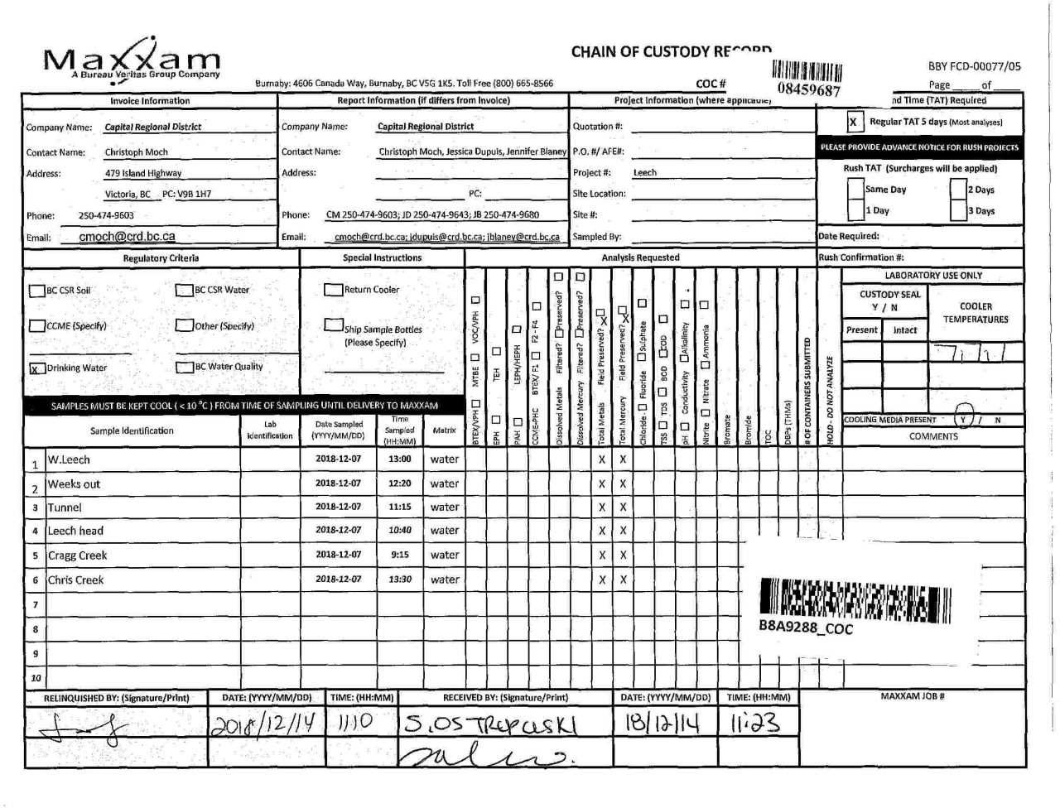

Page 12 of 12

trip5
Attention: Christoph Moch Capital Regional District Water Department 479 Island Hwy Victoria, BC Canada V9B 1H7 |  |  |  |  |  |  |  |  |  |  |  |  |  |  |  |  |  |  | Report Date: 2019/01/15 Report #: R2674247 Version: 1 - Final
MAXXAM JOB #: B902278 Received: 2019/01/10, 12:48 Sample Matrix: DRINKING WATER # Samples Received: 6 |  |  |  |  |  |  |  |  | CERTIFICATE OF ANALYSIS
Analyses |  |  |  |  |  |  | Date Quantity Extracted |  |  |  |  |  |  |  |  |  |  |  | Date Analyzed |  | Laboratory Method |  |  |  |  |  |  |  | Analytical Method

Hardness Total (calculated as CaCO3) (1) |  |  |  |  |  |  |  |  |  |  |  |  | 6 N/A |  |  |  |  | 2019/01/15 BBY WI-00033 |  |  |  |  |  |  |  |  | Auto Calc
Mercury (Total) by CVAF |  |  |  |  |  |  |  |  | 6 2019/01/12 2019/01/12 BBY7SOP-00015 |  |  |  |  |  |  |  |  |  |  |  |  |  |  |  |  |  |  | BCMOE BCLM Oct2013 m
Na, K, Ca, Mg, S by CRC ICPMS (total) Elements by CRC ICPMS (total) |  |  |  |  |  |  |  |  |  |  |  | 6 N/A 2 N/A |  |  |  |  |  | 2019/01/15 BBY WI-00033 2019/01/14 BBY7SOP-00003, |  |  |  |  |  |  |  |  |  | Auto Calc EPA 6020b R2 m
Elements by CRC ICPMS (total) |  |  |  |  |  |  |  |  |  |  | 4 2019/01/11 2019/01/14 BBY7SOP-00003 BBY7SOP-00002 |  |  |  |  |  |  |  |  |  |  |  |  |  |  |  |  | EPA 6020b R2 m

Remarks: Maxxam Analytics' laboratories are accredited to ISO/IEC 17025:2005 for specific parameters on scopes of accreditation. Unless otherwise noted, procedures used by Maxxam are based upon recognized Provincial, Federal or US method compendia such as CCME, MDDELCC, EPA, APHA.
All work recorded herein has been done in accordance with procedures and practices ordinarily exercised by professionals in Maxxam’s profession using accepted testing methodologies, quality assurance and quality control procedures (except where otherwise agreed by the client and Maxxam in writing). All data is in statistical control and has met quality control and method performance criteria unless otherwise noted. All method blanks are reported; unless indicated otherwise, associated sample data are not blank corrected. Where applicable, unless otherwise noted, Measurement Uncertainty has not been accounted for when stating conformity to the referenced standard.
Maxxam Analytics' liability is limited to the actual cost of the requested analyses, unless otherwise agreed in writing. There is no other warranty expressed or implied. Maxxam has been retained to provide analysis of samples provided by the Client using the testing methodology referenced in this report. Interpretation and use of test results are the sole responsibility of the Client and are not within the scope of services provided by Maxxam, unless otherwise agreed in writing. Maxxam is not responsible for the accuracy or any data impacts, that result from the information provided by the customer or their agent.
Solid sample results, except biota, are based on dry weight unless otherwise indicated. Organic analyses are not recovery corrected except for isotope dilution methods. Results relate to samples tested. When sampling is not conducted by Maxxam, results relate to the supplied samples tested. This Certificate shall not be reproduced except in full, without the written approval of the laboratory. Reference Method suffix “m” indicates test methods incorporate validated modifications from specific reference methods to improve performance. * RPDs calculated using raw data. The rounding of final results may result in the apparent difference. (1) "Total Hardness" was calculated from Total Ca and Mg concentrations and may be biased high (Hardness, or Dissolved Hardness, calculated from Dissolved Ca and Mg, should be used for compliance if available).
Attention: Christoph Moch Capital Regional District Water Department 479 Island Hwy Victoria, BC Canada V9B 1H7 |  |  |  |  |  |  |  |  |  |  |  |  |  |  |  |  |  |  | Report Date: 2019/01/15 Report #: R2674247 Version: 1 - Final
MAXXAM JOB #: B902278 Received: 2019/01/10, 12:48 Encryption Key |  |  |  |  |  |  |  | CERTIFICATE OF ANALYSIS Maxxam 15 Jan 2019 13:34:17

Please direct all questions regarding this Certificate of Analysis to your Project Manager. Debbie Nordbruget, Project Manager Email: DNordbruget@maxxam.ca Phone# (250)385-6112 ==================================================================== This report has been generated and distributed using a secure automated process. Maxxam has procedures in place to guard against improper use of the electronic signature and have the required "signatories", as per section 5.10.2 of ISO/IEC 17025:2005(E), signing the reports. For Service Group specific validation please refer to the Validation Signature Page.
Total Cover Pages : 2
ELEMENTS BY ATOMIC SPECTROSCOPY (DRINKING WATER)
Maxxam ID |  |  |  |  |  |  |  |  |  |  |  | VB5193 |  | VB5194 |  |  | VB5196 |  |  | VB5197
Sampling Date |  |  |  |  |  |  |  |  |  |  |  | 2019/01/07 14:15 |  | 2019/01/07 14:50 |  |  | 2019/01/07 12:30 |  |  | 2019/01/07 09:00
COC Number |  |  |  |  |  |  |  |  |  |  |  | 08459791 |  | 08459791 |  |  | 08459791 |  |  | 08459791
 |  |  |  |  | UNITS | MAC |  | AO |  | OG |  | LEECH HEAD |  | WEEKS OUT |  |  | TUNNEL |  |  | CRAGG |  |  | RDL |  | QC Batch
Total Metals by ICPMS
Total Aluminum (Al) |  |  |  |  | ug/L | - |  | - |  | 100 |  | 109 |  | 159 |  |  | 86.7 |  |  | 70.9 |  |  | 3.0 |  | 9289592
Total Antimony (Sb) |  |  |  |  | ug/L | 6 |  | - |  | - |  | <0.50 |  | <0.50 |  |  | <0.50 |  |  | <0.50 |  |  | 0.50 |  | 9289592
Total Arsenic (As) |  |  |  |  | ug/L | 10 |  | - |  | - |  | <0.10 |  | <0.10 |  |  | <0.10 |  |  | <0.10 |  |  | 0.10 |  | 9289592
Total Barium (Ba) |  |  |  |  | ug/L | 1000 |  | - |  | - |  | 2.6 |  | 3.1 |  |  | 2.4 |  |  | 1.7 |  |  | 1.0 |  | 9289592
Total Beryllium (Be) |  |  |  |  | ug/L | - |  | - |  | - |  | <0.10 |  | <0.10 |  |  | <0.10 |  |  | <0.10 |  |  | 0.10 |  | 9289592
Total Bismuth (Bi) |  |  |  |  | ug/L | - |  | - |  | - |  | <1.0 |  | <1.0 |  |  | <1.0 |  |  | <1.0 |  |  | 1.0 |  | 9289592
Total Boron (B) |  |  |  |  | ug/L | 5000 |  | - |  | - |  | <50 |  | <50 |  |  | <50 |  |  | <50 |  |  | 50 |  | 9289592
Total Cadmium (Cd) |  |  |  |  | ug/L | 5 |  | - |  | - |  | <0.010 |  | <0.010 |  |  | <0.010 |  |  | <0.010 |  |  | 0.010 |  | 9289592
Total Chromium (Cr) |  |  |  |  | ug/L | 50 |  | - |  | - |  | <1.0 |  | <1.0 |  |  | <1.0 |  |  | <1.0 |  |  | 1.0 |  | 9289592
Total Cobalt (Co) |  |  |  |  | ug/L | - |  | - |  | - |  | <0.20 |  | <0.20 |  |  | <0.20 |  |  | <0.20 |  |  | 0.20 |  | 9289592
Total Copper (Cu) |  |  |  |  | ug/L | - |  | 1000 |  | - |  | <0.50 |  | 0.59 |  |  | 0.84 |  |  | <0.50 |  |  | 0.50 |  | 9289592
Total Iron (Fe) |  |  |  |  | ug/L | - |  | 300 |  | - |  | 54 |  | 102 |  |  | 32 |  |  | 18 |  |  | 10 |  | 9289592
Total Lead (Pb) |  |  |  |  | ug/L | 10 |  | - |  | - |  | <0.20 |  | <0.20 |  |  | <0.20 |  |  | <0.20 |  |  | 0.20 |  | 9289592
Total Lithium (Li) |  |  |  |  | ug/L | - |  | - |  | - |  | <2.0 |  | <2.0 |  |  | <2.0 |  |  | <2.0 |  |  | 2.0 |  | 9289592
Total Manganese (Mn) |  |  |  |  | ug/L | - |  | 50 |  | - |  | 2.2 |  | 3.6 |  |  | <1.0 |  |  | <1.0 |  |  | 1.0 |  | 9289592
Total Molybdenum (Mo) |  |  |  |  | ug/L | - |  | - |  | - |  | <1.0 |  | <1.0 |  |  | <1.0 |  |  | <1.0 |  |  | 1.0 |  | 9289592
Total Nickel (Ni) |  |  |  |  | ug/L | - |  | - |  | - |  | 1.5 |  | <1.0 |  |  | <1.0 |  |  | <1.0 |  |  | 1.0 |  | 9289592
Total Selenium (Se) |  |  |  |  | ug/L | 50 |  | - |  | - |  | <0.10 |  | <0.10 |  |  | <0.10 |  |  | <0.10 |  |  | 0.10 |  | 9289592
Total Silicon (Si) |  |  |  |  | ug/L | - |  | - |  | - |  | 1810 |  | 1910 |  |  | 2220 |  |  | 1890 |  |  | 100 |  | 9289592
Total Silver (Ag) |  |  |  |  | ug/L | - |  | - |  | - |  | <0.020 |  | <0.020 |  |  | 0.074 |  |  | <0.020 |  |  | 0.020 |  | 9289592
Total Strontium (Sr) |  |  |  |  | ug/L | - |  | - |  | - |  | 8.6 |  | 9.2 |  |  | 10.6 |  |  | 7.1 |  |  | 1.0 |  | 9289592
Total Thallium (Tl) |  |  |  |  | ug/L | - |  | - |  | - |  | <0.010 |  | <0.010 |  |  | <0.010 |  |  | <0.010 |  |  | 0.010 |  | 9289592
Total Tin (Sn) |  |  |  |  | ug/L | - |  | - |  | - |  | <5.0 |  | <5.0 |  |  | <5.0 |  |  | <5.0 |  |  | 5.0 |  | 9289592
Total Titanium (Ti) |  |  |  |  | ug/L | - |  | - |  | - |  | <5.0 |  | <5.0 |  |  | <5.0 |  |  | <5.0 |  |  | 5.0 |  | 9289592
Total Uranium (U) |  |  |  |  | ug/L | 20 |  | - |  | - |  | <0.10 |  | <0.10 |  |  | <0.10 |  |  | <0.10 |  |  | 0.10 |  | 9289592
Total Vanadium (V) |  |  |  |  | ug/L | - |  | - |  | - |  | <5.0 |  | <5.0 |  |  | <5.0 |  |  | <5.0 |  |  | 5.0 |  | 9289592
Total Zinc (Zn) |  |  |  |  | ug/L | - |  | 5000 |  | - |  | <5.0 |  | <5.0 |  |  | <5.0 |  |  | <5.0 |  |  | 5.0 |  | 9289592
Total Zirconium (Zr) |  |  |  |  | ug/L | - |  | - |  | - |  | <0.10 |  | <0.10 |  |  | <0.10 |  |  | <0.10 |  |  | 0.10 |  | 9289592
No Fill |  | No Exceedance Exceeds 1 criteria policy/level Exceeds both criteria/levels
Grey
Black
RDL = Reportable Detection Limit
Maxxam ID |  |  |  |  |  |  |  |  |  |  |  | VB5192 |  |  |  |  |  |  | VB5193 |  |  |  |  | VB5194
Sampling Date |  |  |  |  |  |  |  |  |  |  |  | 2019/01/07 15:20 |  |  |  |  |  |  | 2019/01/07 14:15 |  |  |  |  | 2019/01/07 14:50
COC Number |  |  |  |  |  |  |  |  |  |  |  | 08459791 |  |  |  |  |  |  | 08459791 |  |  |  |  | 08459791
 |  |  |  |  | UNITS | MAC |  | AO |  | OG |  | CHRIS CREEK |  | RDL |  | QC Batch |  |  | LEECH HEAD |  | QC Batch |  |  | WEEKS OUT |  |  |  |  | RDL |  | QC Batch
Calculated Parameters
Total Hardness (CaCO3) |  |  |  |  | mg/L | - |  | - |  | - |  | 5.34 |  | 0.50 |  | 9287393 |  |  | 5.09 |  | 9287393 |  |  | 5.33 |  |  |  |  | 0.50 |  | 9287393
Elements
Total Mercury (Hg) |  |  |  |  | ug/L | 1 |  | - |  | - |  | <0.0020 |  | 0.0020 |  | 9290104 |  |  | 0.0020 |  | 9290092 |  |  | 0.0027 |  |  |  |  | 0.0020 |  | 9290104
Total Metals by ICPMS
Total Aluminum (Al) |  |  |  |  | ug/L | - |  | - |  | 100 |  | 51.1 |  | 3.0 |  | 9291080
Total Antimony (Sb) |  |  |  |  | ug/L | 6 |  | - |  | - |  | <0.50 |  | 0.50 |  | 9291080
Total Arsenic (As) |  |  |  |  | ug/L | 10 |  | - |  | - |  | <0.10 |  | 0.10 |  | 9291080
Total Barium (Ba) |  |  |  |  | ug/L | 1000 |  | - |  | - |  | 1.9 |  | 1.0 |  | 9291080
Total Beryllium (Be) |  |  |  |  | ug/L | - |  | - |  | - |  | <0.10 |  | 0.10 |  | 9291080
Total Bismuth (Bi) |  |  |  |  | ug/L | - |  | - |  | - |  | <1.0 |  | 1.0 |  | 9291080
Total Boron (B) |  |  |  |  | ug/L | 5000 |  | - |  | - |  | <50 |  | 50 |  | 9291080
Total Cadmium (Cd) |  |  |  |  | ug/L | 5 |  | - |  | - |  | <0.010 |  | 0.010 |  | 9291080
Total Chromium (Cr) |  |  |  |  | ug/L | 50 |  | - |  | - |  | <1.0 |  | 1.0 |  | 9291080
Total Cobalt (Co) |  |  |  |  | ug/L | - |  | - |  | - |  | <0.20 |  | 0.20 |  | 9291080
Total Copper (Cu) |  |  |  |  | ug/L | - |  | 1000 |  | - |  | 0.28 |  | 0.20 |  | 9291080
Total Iron (Fe) |  |  |  |  | ug/L | - |  | 300 |  | - |  | 14.2 |  | 5.0 |  | 9291080
Total Lead (Pb) |  |  |  |  | ug/L | 10 |  | - |  | - |  | <0.20 |  | 0.20 |  | 9291080
Total Manganese (Mn) |  |  |  |  | ug/L | - |  | 50 |  | - |  | <1.0 |  | 1.0 |  | 9291080
Total Molybdenum (Mo) |  |  |  |  | ug/L | - |  | - |  | - |  | <1.0 |  | 1.0 |  | 9291080
Total Nickel (Ni) |  |  |  |  | ug/L | - |  | - |  | - |  | <1.0 |  | 1.0 |  | 9291080
Total Selenium (Se) |  |  |  |  | ug/L | 50 |  | - |  | - |  | <0.10 |  | 0.10 |  | 9291080
Total Silicon (Si) |  |  |  |  | ug/L | - |  | - |  | - |  | 1780 |  | 100 |  | 9291080
Total Silver (Ag) |  |  |  |  | ug/L | - |  | - |  | - |  | <0.020 |  | 0.020 |  | 9291080
Total Strontium (Sr) |  |  |  |  | ug/L | - |  | - |  | - |  | 6.5 |  | 1.0 |  | 9291080
Total Thallium (Tl) |  |  |  |  | ug/L | - |  | - |  | - |  | <0.010 |  | 0.010 |  | 9291080
Total Tin (Sn) |  |  |  |  | ug/L | - |  | - |  | - |  | <5.0 |  | 5.0 |  | 9291080
Total Titanium (Ti) |  |  |  |  | ug/L | - |  | - |  | - |  | <5.0 |  | 5.0 |  | 9291080
Total Uranium (U) |  |  |  |  | ug/L | 20 |  | - |  | - |  | <0.10 |  | 0.10 |  | 9291080
Total Vanadium (V) |  |  |  |  | ug/L | - |  | - |  | - |  | <5.0 |  | 5.0 |  | 9291080
Total Zinc (Zn) |  |  |  |  | ug/L | - |  | 5000 |  | - |  | <5.0 |  | 5.0 |  | 9291080
Total Zirconium (Zr) |  |  |  |  | ug/L | - |  | - |  | - |  | <0.10 |  | 0.10 |  | 9291080
Total Calcium (Ca) |  |  |  |  | mg/L | - |  | - |  | - |  | 1.36 |  | 0.050 |  | 9287821 |  |  | 1.38 |  | 9287821 |  |  | 1.48 |  |  |  |  | 0.050 |  | 9287821
Total Magnesium (Mg) |  |  |  |  | mg/L | - |  | - |  | - |  | 0.473 |  | 0.050 |  | 9287821 |  |  | 0.400 |  | 9287821 |  |  | 0.395 |  |  |  |  | 0.050 |  | 9287821
No Fill |  |  |  | No Exceedance Exceeds 1 criteria policy/level Exceeds both criteria/levels
Grey
Black
RDL = Reportable Detection Limit
Maxxam ID |  |  |  |  |  |  |  |  |  |  |  | VB5192 |  |  |  |  |  |  | VB5193 |  |  |  |  | VB5194
Sampling Date |  |  |  |  |  |  |  |  |  |  |  | 2019/01/07 15:20 |  |  |  |  |  |  | 2019/01/07 14:15 |  |  |  |  | 2019/01/07 14:50
COC Number |  |  |  |  |  |  |  |  |  |  |  | 08459791 |  |  |  |  |  |  | 08459791 |  |  |  |  | 08459791
 |  |  |  |  | UNITS | MAC |  | AO |  | OG |  | CHRIS CREEK |  | RDL |  | QC Batch |  |  | LEECH HEAD |  | QC Batch |  |  | WEEKS OUT |  |  |  |  | RDL |  | QC Batch
Total Potassium (K) |  |  |  |  | mg/L | - |  | - |  | - |  | 0.058 |  | 0.050 |  | 9287821 |  |  | 0.086 |  | 9287821 |  |  | 0.101 |  |  |  |  | 0.050 |  | 9287821
Total Sodium (Na) |  |  |  |  | mg/L | - |  | 200 |  | - |  | 1.19 |  | 0.050 |  | 9287821 |  |  | 1.24 |  | 9287821 |  |  | 1.29 |  |  |  |  | 0.050 |  | 9287821
Total Sulphur (S) |  |  |  |  | mg/L | - |  | - |  | - |  | <3.0 |  | 3.0 |  | 9287821 |  |  | <3.0 |  | 9287821 |  |  | <3.0 |  |  |  |  | 3.0 |  | 9287821
No Fill |  |  |  | No Exceedance Exceeds 1 criteria policy/level Exceeds both criteria/levels
Grey
Black
RDL = Reportable Detection Limit
Maxxam ID |  |  |  |  |  |  |  |  |  |  |  | VB5195 |  |  |  |  |  |  | VB5196 |  | VB5197
Sampling Date |  |  |  |  |  |  |  |  |  |  |  | 2019/01/07 10:15 |  |  |  |  |  |  | 2019/01/07 12:30 |  | 2019/01/07 09:00
COC Number |  |  |  |  |  |  |  |  |  |  |  | 08459791 |  |  |  |  |  |  | 08459791 |  | 08459791
 |  |  |  |  | UNITS | MAC |  | AO |  | OG |  | W. LEECH |  | RDL |  | QC Batch |  |  | TUNNEL |  | CRAGG |  |  |  |  | RDL |  | QC Batch
Calculated Parameters
Total Hardness (CaCO3) |  |  |  |  | mg/L | - |  | - |  | - |  | 5.01 |  | 0.50 |  | 9287393 |  |  | 6.55 |  | 6.01 |  |  |  |  | 0.50 |  | 9287393
Elements
Total Mercury (Hg) |  |  |  |  | ug/L | 1 |  | - |  | - |  | <0.0020 |  | 0.0020 |  | 9290104 |  |  | <0.0020 |  | <0.0020 |  |  |  |  | 0.0020 |  | 9290104
Total Metals by ICPMS
Total Aluminum (Al) |  |  |  |  | ug/L | - |  | - |  | 100 |  | 70.5 |  | 3.0 |  | 9291080
Total Antimony (Sb) |  |  |  |  | ug/L | 6 |  | - |  | - |  | <0.50 |  | 0.50 |  | 9291080
Total Arsenic (As) |  |  |  |  | ug/L | 10 |  | - |  | - |  | <0.10 |  | 0.10 |  | 9291080
Total Barium (Ba) |  |  |  |  | ug/L | 1000 |  | - |  | - |  | 3.0 |  | 1.0 |  | 9291080
Total Beryllium (Be) |  |  |  |  | ug/L | - |  | - |  | - |  | <0.10 |  | 0.10 |  | 9291080
Total Bismuth (Bi) |  |  |  |  | ug/L | - |  | - |  | - |  | <1.0 (1) |  | 1.0 |  | 9291080
Total Boron (B) |  |  |  |  | ug/L | 5000 |  | - |  | - |  | <50 |  | 50 |  | 9291080
Total Cadmium (Cd) |  |  |  |  | ug/L | 5 |  | - |  | - |  | <0.010 |  | 0.010 |  | 9291080
Total Chromium (Cr) |  |  |  |  | ug/L | 50 |  | - |  | - |  | <1.0 |  | 1.0 |  | 9291080
Total Cobalt (Co) |  |  |  |  | ug/L | - |  | - |  | - |  | <0.20 |  | 0.20 |  | 9291080
Total Copper (Cu) |  |  |  |  | ug/L | - |  | 1000 |  | - |  | 0.36 |  | 0.20 |  | 9291080
Total Iron (Fe) |  |  |  |  | ug/L | - |  | 300 |  | - |  | 23.1 |  | 5.0 |  | 9291080
Total Lead (Pb) |  |  |  |  | ug/L | 10 |  | - |  | - |  | <0.20 |  | 0.20 |  | 9291080
Total Manganese (Mn) |  |  |  |  | ug/L | - |  | 50 |  | - |  | <1.0 |  | 1.0 |  | 9291080
Total Molybdenum (Mo) |  |  |  |  | ug/L | - |  | - |  | - |  | <1.0 |  | 1.0 |  | 9291080
Total Nickel (Ni) |  |  |  |  | ug/L | - |  | - |  | - |  | <1.0 |  | 1.0 |  | 9291080
Total Selenium (Se) |  |  |  |  | ug/L | 50 |  | - |  | - |  | <0.10 |  | 0.10 |  | 9291080
Total Silicon (Si) |  |  |  |  | ug/L | - |  | - |  | - |  | 2150 |  | 100 |  | 9291080
Total Silver (Ag) |  |  |  |  | ug/L | - |  | - |  | - |  | <0.020 |  | 0.020 |  | 9291080
Total Strontium (Sr) |  |  |  |  | ug/L | - |  | - |  | - |  | 10.3 |  | 1.0 |  | 9291080
Total Thallium (Tl) |  |  |  |  | ug/L | - |  | - |  | - |  | <0.010 |  | 0.010 |  | 9291080
Total Tin (Sn) |  |  |  |  | ug/L | - |  | - |  | - |  | <5.0 |  | 5.0 |  | 9291080
Total Titanium (Ti) |  |  |  |  | ug/L | - |  | - |  | - |  | <5.0 |  | 5.0 |  | 9291080
Total Uranium (U) |  |  |  |  | ug/L | 20 |  | - |  | - |  | <0.10 |  | 0.10 |  | 9291080
Total Vanadium (V) |  |  |  |  | ug/L | - |  | - |  | - |  | <5.0 |  | 5.0 |  | 9291080
Total Zinc (Zn) |  |  |  |  | ug/L | - |  | 5000 |  | - |  | <5.0 |  | 5.0 |  | 9291080
Total Zirconium (Zr) |  |  |  |  | ug/L | - |  | - |  | - |  | <0.10 |  | 0.10 |  | 9291080
Total Calcium (Ca) |  |  |  |  | mg/L | - |  | - |  | - |  | 1.42 |  | 0.050 |  | 9287821 |  |  | 1.92 |  | 1.66 |  |  |  |  | 0.050 |  | 9287821
No Fill |  |  | No Exceedance Exceeds 1 criteria policy/level Exceeds both criteria/levels
Grey
Black
RDL = Reportable Detection Limit (1) Matrix Spike outside acceptance criteria (10% of analytes failure allowed).
Maxxam ID |  |  |  |  |  |  |  |  |  |  |  | VB5195 |  |  |  |  |  |  | VB5196 |  | VB5197
Sampling Date |  |  |  |  |  |  |  |  |  |  |  | 2019/01/07 10:15 |  |  |  |  |  |  | 2019/01/07 12:30 |  | 2019/01/07 09:00
COC Number |  |  |  |  |  |  |  |  |  |  |  | 08459791 |  |  |  |  |  |  | 08459791 |  | 08459791
 |  |  |  |  | UNITS | MAC |  | AO |  | OG |  | W. LEECH |  | RDL |  | QC Batch |  |  | TUNNEL |  | CRAGG |  |  |  |  | RDL |  | QC Batch
Total Magnesium (Mg) |  |  |  |  | mg/L | - |  | - |  | - |  | 0.357 |  | 0.050 |  | 9287821 |  |  | 0.424 |  | 0.454 |  |  |  |  | 0.050 |  | 9287821
Total Potassium (K) |  |  |  |  | mg/L | - |  | - |  | - |  | 0.194 |  | 0.050 |  | 9287821 |  |  | 0.134 |  | 0.056 |  |  |  |  | 0.050 |  | 9287821
Total Sodium (Na) |  |  |  |  | mg/L | - |  | 200 |  | - |  | 1.61 |  | 0.050 |  | 9287821 |  |  | 1.37 |  | 1.11 |  |  |  |  | 0.050 |  | 9287821
Total Sulphur (S) |  |  |  |  | mg/L | - |  | - |  | - |  | <3.0 |  | 3.0 |  | 9287821 |  |  | <3.0 |  | <3.0 |  |  |  |  | 3.0 |  | 9287821
No Fill |  |  | No Exceedance Exceeds 1 criteria policy/level Exceeds both criteria/levels
Grey
Black
RDL = Reportable Detection Limit
GENERAL COMMENTS
Each temperature is the average of up to three cooler temperatures taken at receipt MAC,AO,OG: The guidelines that have been included in this report have been taken from the Canadian Drinking Water Quality Summary Table, February 2017. Criteria A = Maximum Acceptable Concentration (MAC) / Criteria B = Aesthetic Objectives (AO) / Criteria C = Operational Guidance Values (OG) It is recommended to consult these guidelines when interpreting your data since there are non-numerical guidelines that are not included on this report. Turbidity Guidelines: 1. Chemically assisted filtration: less than or equal to 0.3 NTU in 95% of the measurements or 95% of the time each month. Shall not exceed 1.0 NTU at any time. 2. Slow sand / diatomaceous earth filtration: less than or equal to 1.0 NTU in 95% of the measurements or 95% of the time each month. Shall not exceed 3.0 NTU at any time. 3. Membrane filtration: less than or equal to 0.1 NTU in 99% of the measurements made or at least 99% of the time each calendar month. Shall not exceed 0.3 NTU at any time. 4. To ensure effectiveness of disinfection and for good operation of the distribution system, it is recommended that water entering the distribution system have turbidity levels of 1.0 NTU or less. Measurement of Uncertainty has not been accounted for when stating conformity to the selected criteria, where applicable. Results relate only to the items tested.
Package 1 |  | 5.0°C
Page 8 of 13 Maxxam Analytics International Corporation o/a Maxxam Analytics Burnaby: 4606 Canada Way V5G 1K5 Telephone(604) 734-7276 Fax(604) 731-2386
 |  |  |  |  |  |  |  |  |  |  |  |  |  |  |  |  |  |  | Matrix Spike |  |  |  |  |  |  | Spiked Blank |  |  |  |  |  | Method Blank |  | RPD
QC Batch | Parameter |  |  |  |  |  |  |  |  |  |  |  |  |  | Date |  |  |  | % Recovery |  |  | QC Limits |  |  |  | % Recovery |  |  |  | QC Limits |  | Value | UNITS | Value (%) | QC Limits
9289592 | Total Aluminum (Al) |  |  |  |  |  |  |  |  |  |  |  |  |  | 2019-01-14 |  |  |  | 102 |  |  | 80 - 120 |  |  |  | 103 |  |  |  | 80 - 120 |  | <3.0 | ug/L | 20 | 20
9289592 | Total Antimony (Sb) |  |  |  |  |  |  |  |  |  |  |  |  |  | 2019-01-14 |  |  |  | 102 |  |  | 80 - 120 |  |  |  | 100 |  |  |  | 80 - 120 |  | <0.50 | ug/L | NC | 20
9289592 | Total Arsenic (As) |  |  |  |  |  |  |  |  |  |  |  |  |  | 2019-01-14 |  |  |  | 110 |  |  | 80 - 120 |  |  |  | 105 |  |  |  | 80 - 120 |  | <0.10 | ug/L | 20 | 20
9289592 | Total Barium (Ba) |  |  |  |  |  |  |  |  |  |  |  |  |  | 2019-01-14 |  |  |  | NC |  |  | 80 - 120 |  |  |  | 101 |  |  |  | 80 - 120 |  | <1.0 | ug/L | 1.1 | 20
9289592 | Total Beryllium (Be) |  |  |  |  |  |  |  |  |  |  |  |  |  | 2019-01-14 |  |  |  | 99 |  |  | 80 - 120 |  |  |  | 101 |  |  |  | 80 - 120 |  | <0.10 | ug/L | NC | 20
9289592 | Total Bismuth (Bi) |  |  |  |  |  |  |  |  |  |  |  |  |  | 2019-01-14 |  |  |  | 96 |  |  | 80 - 120 |  |  |  | 105 |  |  |  | 80 - 120 |  | <1.0 | ug/L | NC | 20
9289592 | Total Boron (B) |  |  |  |  |  |  |  |  |  |  |  |  |  | 2019-01-14 |  |  |  | 93 |  |  | 80 - 120 |  |  |  | 98 |  |  |  | 80 - 120 |  | <50 | ug/L | 3.1 | 20
9289592 | Total Cadmium (Cd) |  |  |  |  |  |  |  |  |  |  |  |  |  | 2019-01-14 |  |  |  | 96 |  |  | 80 - 120 |  |  |  | 99 |  |  |  | 80 - 120 |  | <0.010 | ug/L | 0 | 20
9289592 | Total Chromium (Cr) |  |  |  |  |  |  |  |  |  |  |  |  |  | 2019-01-14 |  |  |  | 93 |  |  | 80 - 120 |  |  |  | 96 |  |  |  | 80 - 120 |  | <1.0 | ug/L | NC | 20
9289592 | Total Cobalt (Co) |  |  |  |  |  |  |  |  |  |  |  |  |  | 2019-01-14 |  |  |  | 90 |  |  | 80 - 120 |  |  |  | 93 |  |  |  | 80 - 120 |  | <0.20 | ug/L | 2.5 | 20
9289592 | Total Copper (Cu) |  |  |  |  |  |  |  |  |  |  |  |  |  | 2019-01-14 |  |  |  | 86 |  |  | 80 - 120 |  |  |  | 93 |  |  |  | 80 - 120 |  | <0.50 | ug/L | 0.65 | 20
9289592 | Total Iron (Fe) |  |  |  |  |  |  |  |  |  |  |  |  |  | 2019-01-14 |  |  |  | 108 |  |  | 80 - 120 |  |  |  | 109 |  |  |  | 80 - 120 |  | <10 | ug/L | 13 | 20
9289592 | Total Lead (Pb) |  |  |  |  |  |  |  |  |  |  |  |  |  | 2019-01-14 |  |  |  | 101 |  |  | 80 - 120 |  |  |  | 105 |  |  |  | 80 - 120 |  | <0.20 | ug/L | NC | 20
9289592 | Total Lithium (Li) |  |  |  |  |  |  |  |  |  |  |  |  |  | 2019-01-14 |  |  |  | 101 |  |  | 80 - 120 |  |  |  | 101 |  |  |  | 80 - 120 |  | <2.0 | ug/L | 1.1 | 20
9289592 | Total Manganese (Mn) |  |  |  |  |  |  |  |  |  |  |  |  |  | 2019-01-14 |  |  |  | 96 |  |  | 80 - 120 |  |  |  | 98 |  |  |  | 80 - 120 |  | <1.0 | ug/L | 1.3 | 20
9289592 | Total Molybdenum (Mo) |  |  |  |  |  |  |  |  |  |  |  |  |  | 2019-01-14 |  |  |  | NC |  |  | 80 - 120 |  |  |  | 101 |  |  |  | 80 - 120 |  | <1.0 | ug/L | 3.3 | 20
9289592 | Total Nickel (Ni) |  |  |  |  |  |  |  |  |  |  |  |  |  | 2019-01-14 |  |  |  | 87 |  |  | 80 - 120 |  |  |  | 93 |  |  |  | 80 - 120 |  | <1.0 | ug/L | 2.3 | 20
9289592 | Total Selenium (Se) |  |  |  |  |  |  |  |  |  |  |  |  |  | 2019-01-14 |  |  |  | 99 |  |  | 80 - 120 |  |  |  | 97 |  |  |  | 80 - 120 |  | <0.10 | ug/L | 6.0 | 20
9289592 | Total Silicon (Si) |  |  |  |  |  |  |  |  |  |  |  |  |  | 2019-01-14 |  |  |  | 119 |  |  | 80 - 120 |  |  |  | 118 |  |  |  | 80 - 120 |  | <100 | ug/L | 1.5 | 20
9289592 | Total Silver (Ag) |  |  |  |  |  |  |  |  |  |  |  |  |  | 2019-01-14 |  |  |  | 96 |  |  | 80 - 120 |  |  |  | 102 |  |  |  | 80 - 120 |  | <0.020 | ug/L | NC | 20
9289592 | Total Strontium (Sr) |  |  |  |  |  |  |  |  |  |  |  |  |  | 2019-01-14 |  |  |  | NC |  |  | 80 - 120 |  |  |  | 101 |  |  |  | 80 - 120 |  | <1.0 | ug/L | 1.6 | 20
9289592 | Total Thallium (Tl) |  |  |  |  |  |  |  |  |  |  |  |  |  | 2019-01-14 |  |  |  | 102 |  |  | 80 - 120 |  |  |  | 105 |  |  |  | 80 - 120 |  | <0.010 | ug/L | 15 | 20
9289592 | Total Tin (Sn) |  |  |  |  |  |  |  |  |  |  |  |  |  | 2019-01-14 |  |  |  | 101 |  |  | 80 - 120 |  |  |  | 98 |  |  |  | 80 - 120 |  | <5.0 | ug/L | NC | 20
9289592 | Total Titanium (Ti) |  |  |  |  |  |  |  |  |  |  |  |  |  | 2019-01-14 |  |  |  | 99 |  |  | 80 - 120 |  |  |  | 100 |  |  |  | 80 - 120 |  | <5.0 | ug/L | NC | 20
9289592 | Total Uranium (U) |  |  |  |  |  |  |  |  |  |  |  |  |  | 2019-01-14 |  |  |  | 104 |  |  | 80 - 120 |  |  |  | 103 |  |  |  | 80 - 120 |  | <0.10 | ug/L | 1.1 | 20
9289592 | Total Vanadium (V) |  |  |  |  |  |  |  |  |  |  |  |  |  | 2019-01-14 |  |  |  | 96 |  |  | 80 - 120 |  |  |  | 96 |  |  |  | 80 - 120 |  | <5.0 | ug/L | NC | 20
9289592 | Total Zinc (Zn) |  |  |  |  |  |  |  |  |  |  |  |  |  | 2019-01-14 |  |  |  | 88 |  |  | 80 - 120 |  |  |  | 96 |  |  |  | 80 - 120 |  | <5.0 | ug/L | 1.0 | 20
9289592 | Total Zirconium (Zr) |  |  |  |  |  |  |  |  |  |  |  |  |  | 2019-01-14 |  |  |  | 103 |  |  | 80 - 120 |  |  |  | 99 |  |  |  | 80 - 120 |  | <0.10 | ug/L | NC | 20
...
Please direct all questions regarding this Certificate of Analysis to your Project Manager. Debbie Nordbruget, Project Manager Email: DNordbruget@maxxam.ca Phone# (250)385-6112 ==================================================================== This report has been generated and distributed using a secure automated process. Maxxam has procedures in place to guard against improper use of the electronic signature and have the required "signatories", as per section 5.10.2 of ISO/IEC 17025:2005(E), signing the reports. For Service Group specific validation please refer to the Validation Signature Page.
Duplicate: Paired analysis of a separate portion of the same sample. Used to evaluate the variance in the measurement. Matrix Spike: A sample to which a known amount of the analyte of interest has been added. Used to evaluate sample matrix interference. Spiked Blank: A blank matrix sample to which a known amount of the analyte, usually from a second source, has been added. Used to evaluate method accuracy. Method Blank: A blank matrix containing all reagents used in the analytical procedure. Used to identify laboratory contamination. NC (Matrix Spike): The recovery in the matrix spike was not calculated. The relative difference between the concentration in the parent sample and the spike amount was too small to permit a reliable recovery calculation (matrix spike concentration was less than the native sample concentration) NC (Duplicate RPD): The duplicate RPD was not calculated. The concentration in the sample and/or duplicate was too low to permit a reliable RPD calculation (absolute difference <= 2x RDL). (1) Recovery or RPD for this parameter is outside control limits. The overall quality control for this analysis meets acceptability criteria.

Maxxam Job #: B902278 Report Date: 2019/01/15
The analytical data and all QC contained in this report were reviewed and validated by the following individual(s).

Andy Lu, Ph.D., P.Chem., Scientific Specialist

Maxxam has procedures in place to guard against improper use of the electronic signature and have the required "signatories", as per section 5.10.2 of ISO/IEC 17025:2005(E), signing the reports. For Service Group specific validation please refer to the Validation Signature Page.
Page 12 of 13 Maxxam Analytics International Corporation o/a Maxxam Analytics Burnaby: 4606 Canada Way V5G 1K5 Telephone(604) 734-7276 Fax(604) 731-2386
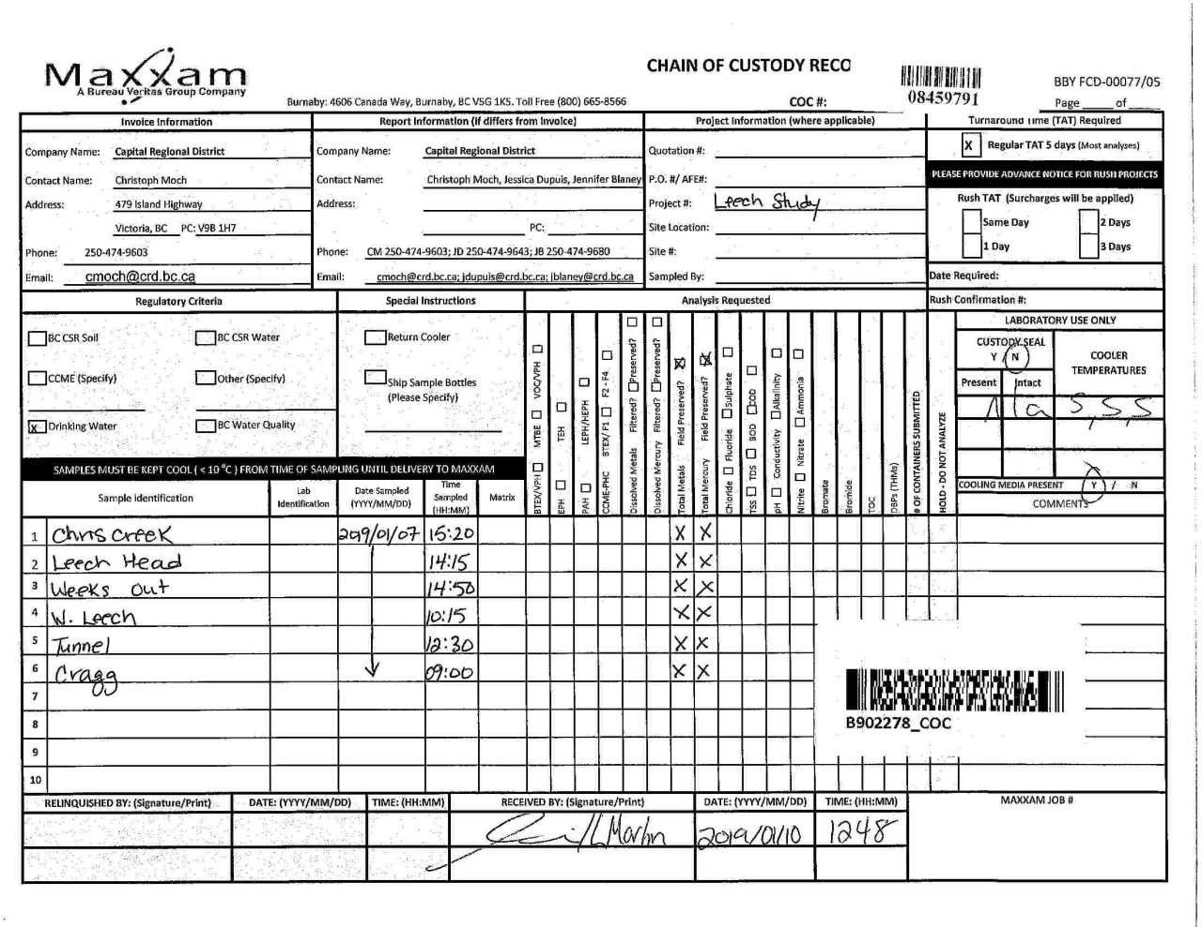

Page 13 of 13

trip6
...
Please direct all questions regarding this Certificate of Analysis to your Project Manager. Debbie Nordbruget, Project Manager Email: DNordbruget@maxxam.ca Phone# (250)385-6112 ==================================================================== This report has been generated and distributed using a secure automated process. Maxxam has procedures in place to guard against improper use of the electronic signature and have the required "signatories", as per section 5.10.2 of ISO/IEC 17025:2005(E), signing the reports. For Service Group specific validation please refer to the Validation Signature Page.
Duplicate: Paired analysis of a separate portion of the same sample. Used to evaluate the variance in the measurement. Matrix Spike: A sample to which a known amount of the analyte of interest has been added. Used to evaluate sample matrix interference. Spiked Blank: A blank matrix sample to which a known amount of the analyte, usually from a second source, has been added. Used to evaluate method accuracy. Method Blank: A blank matrix containing all reagents used in the analytical procedure. Used to identify laboratory contamination. NC (Matrix Spike): The recovery in the matrix spike was not calculated. The relative difference between the concentration in the parent sample and the spike amount was too small to permit a reliable recovery calculation (matrix spike concentration was less than the native sample concentration) NC (Duplicate RPD): The duplicate RPD was not calculated. The concentration in the sample and/or duplicate was too low to permit a reliable RPD calculation (absolute difference <= 2x RDL).

Maxxam Job #: B909536 Report Date: 2019/02/13 | Capital Regional District Client Project #: LEECH-METALS VALIDATION SIGNATURE PAGE
The analytical data and all QC contained in this report were reviewed and validated by the following individual(s).

Rob Reinert, B.Sc., Scientific Specialist

Maxxam has procedures in place to guard against improper use of the electronic signature and have the required "signatories", as per section 5.10.2 of ISO/IEC 17025:2005(E), signing the reports. For Service Group specific validation please refer to the Validation Signature Page.
Page 11 of 12 Maxxam Analytics International Corporation o/a Maxxam Analytics Burnaby: 4606 Canada Way V5G 1K5 Telephone(604) 734-7276 Fax(604) 731-2386
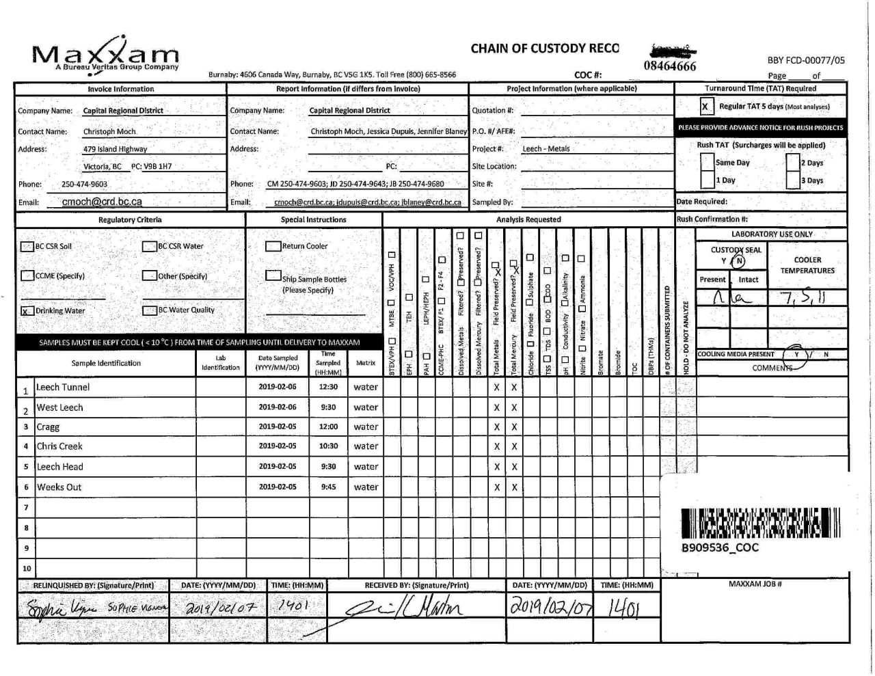

Page 12 of 12

trip7
...
Please direct all questions regarding this Certificate of Analysis to your Project Manager. Debbie Nordbruget, Key Account Specialist Email: DNordbruget@maxxam.ca Phone# (250)385-6112 ==================================================================== This report has been generated and distributed using a secure automated process. Maxxam has procedures in place to guard against improper use of the electronic signature and have the required "signatories", as per section 5.10.2 of ISO/IEC 17025:2005(E), signing the reports. For Service Group specific validation please refer to the Validation Signature Page.
Duplicate: Paired analysis of a separate portion of the same sample. Used to evaluate the variance in the measurement. Matrix Spike: A sample to which a known amount of the analyte of interest has been added. Used to evaluate sample matrix interference. Spiked Blank: A blank matrix sample to which a known amount of the analyte, usually from a second source, has been added. Used to evaluate method accuracy. Method Blank: A blank matrix containing all reagents used in the analytical procedure. Used to identify laboratory contamination. NC (Duplicate RPD): The duplicate RPD was not calculated. The concentration in the sample and/or duplicate was too low to permit a reliable RPD calculation (absolute difference <= 2x RDL).

Maxxam Job #: B927514 Report Date: 2019/04/22
The analytical data and all QC contained in this report were reviewed and validated by the following individual(s).

Andy Lu, Ph.D., P.Chem., Scientific Specialist

Maxxam has procedures in place to guard against improper use of the electronic signature and have the required "signatories", as per section 5.10.2 of ISO/IEC 17025:2005(E), signing the reports. For Service Group specific validation please refer to the Validation Signature Page.
Page 10 of 11 Maxxam Analytics International Corporation o/a Maxxam Analytics Burnaby: 4606 Canada Way V5G 1K5 Telephone(604) 734-7276 Fax(604) 731-2386
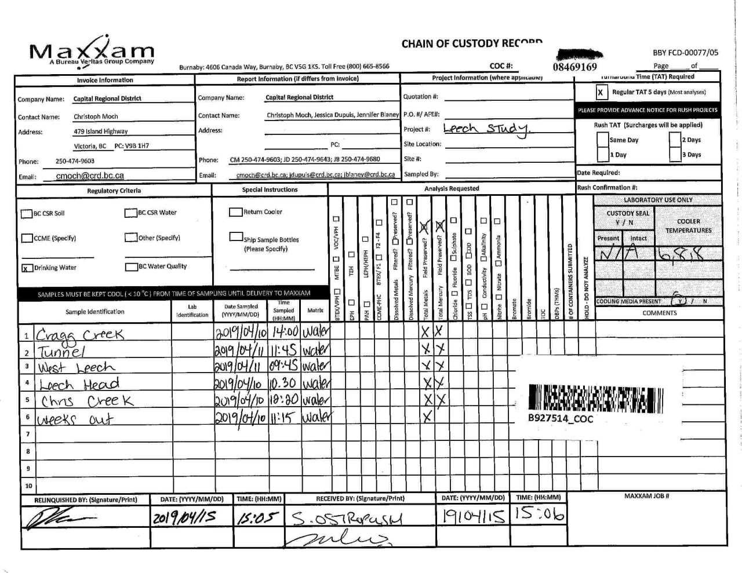

Page 11 of 11

trip8
...
Please direct all questions regarding this Certificate of Analysis to your Project Manager. Debbie Nordbruget, Key Account Specialist Email: DNordbruget@maxxam.ca Phone# (250)385-6112 ==================================================================== This report has been generated and distributed using a secure automated process. Maxxam has procedures in place to guard against improper use of the electronic signature and have the required "signatories", as per section 5.10.2 of ISO/IEC 17025:2005(E), signing the reports. For Service Group specific validation please refer to the Validation Signature Page.
9428677 | Total Mercury (Hg)
Duplicate: Paired analysis of a separate portion of the same sample. Used to evaluate the variance in the measurement. Matrix Spike: A sample to which a known amount of the analyte of interest has been added. Used to evaluate sample matrix interference. Spiked Blank: A blank matrix sample to which a known amount of the analyte, usually from a second source, has been added. Used to evaluate method accuracy. Method Blank: A blank matrix containing all reagents used in the analytical procedure. Used to identify laboratory contamination. NC (Matrix Spike): The recovery in the matrix spike was not calculated. The relative difference between the concentration in the parent sample and the spike amount was too small to permit a reliable recovery calculation (matrix spike concentration was less than the native sample concentration) NC (Duplicate RPD): The duplicate RPD was not calculated. The concentration in the sample and/or duplicate was too low to permit a reliable RPD calculation (absolute difference <= 2x RDL).

Maxxam Job #: B937713 Report Date: 2019/05/23
The analytical data and all QC contained in this report were reviewed and validated by the following individual(s).

Andy Lu, Ph.D., P.Chem., Scientific Specialist

Maxxam has procedures in place to guard against improper use of the electronic signature and have the required "signatories", as per section 5.10.2 of ISO/IEC 17025:2005(E), signing the reports. For Service Group specific validation please refer to the Validation Signature Page.
Page 12 of 13 Maxxam Analytics International Corporation o/a Maxxam Analytics Burnaby: 4606 Canada Way V5G 1K5 Telephone(604) 734-7276 Fax(604) 731-2386
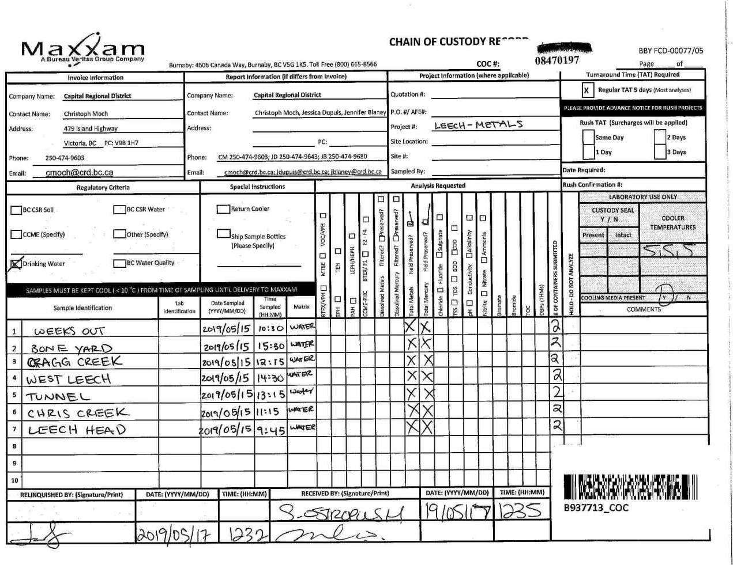

Page 13 of 13

trip10
...
**The contents of this report are subject to change. For up to date information, please refer to the Customer Portal.**
 | Total Zirconium (Zr)
 | Total Hardness (CaCO3)
 | Total Mercury (Hg)
 | Total Calcium (Ca)
 | Total Magnesium (Mg)
 | Total Potassium (K)
 | Total Sodium (Na)
 | Total Sulphur (S)
*RDLs are subject to change based on interferences present at the time of analysis.
BV Labs PM: Debbie Nordbruget (DNordbruget@bvlabs.com or 250-385-6112)
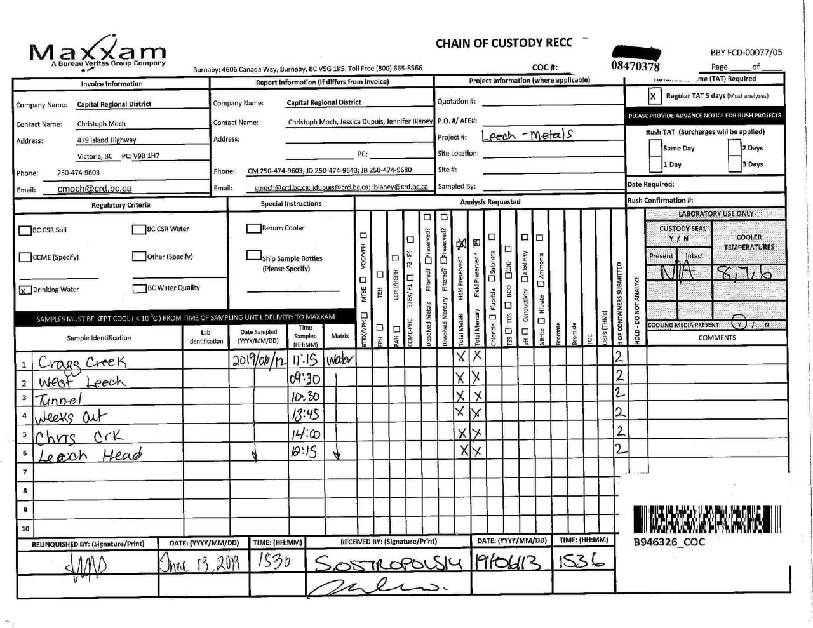

Page 3 of 3

