Table 1
Attention: Christoph Moch Capital Regional District Water Department 479 Island Hwy Victoria, BC Canada V9B 1H7 |  |  |  |  |  |  |  |  |  |  |  |  | Report Date: 2019/06/20 Report #: R2740391 Version: 1 - Final
BV LABS JOB #: B946326 Received: 2019/06/13, 15:36 Sample Matrix: Drinking Water # Samples Received: 6 |  |  |  |  |  | CERTIFICATE OF ANALYSIS
Date Analyses Quantity Extracted |  |  |  |  |  |  |  |  |  |  |  |  |  | Date Analyzed Laboratory Method Analytical Method

Hardness Total (calculated as CaCO3) (1) 5 N/A 2019/06/19 BBY WI-00033 Auto Calc Hardness Total (calculated as CaCO3) (1) 1 N/A 2019/06/20 BBY WI-00033 Auto Calc Mercury (Total) by CV 4 2019/06/17 2019/06/17 BBY7SOP-00015 BCMOE BCLM Oct2013 m Mercury (Total) by CV 2 2019/06/18 2019/06/18 BBY7SOP-00015 BCMOE BCLM Oct2013 m Na, K, Ca, Mg, S by CRC ICPMS (total) 5 N/A 2019/06/19 BBY WI-00033 Auto Calc Na, K, Ca, Mg, S by CRC ICPMS (total) 1 N/A 2019/06/20 BBY WI-00033 Auto Calc Elements by CRC ICPMS (total) 5 N/A 2019/06/18 BBY7SOP-00003, EPA 6020b R2 m Elements by CRC ICPMS (total) 1 2019/06/18 2019/06/19 BBY7SOP-00003/02 EPA 6020b R2 m

Remarks: Bureau Veritas Laboratories are accredited to ISO/IEC 17025 for specific parameters on scopes of accreditation. Unless otherwise noted, procedures used by BV Labs are based upon recognized Provincial, Federal or US method compendia such as CCME, MDDELCC, EPA, APHA.
All work recorded herein has been done in accordance with procedures and practices ordinarily exercised by professionals in BV Labs profession using accepted testing methodologies, quality assurance and quality control procedures (except where otherwise agreed by the client and BV Labs in writing). All data is in statistical control and has met quality control and method performance criteria unless otherwise noted. All method blanks are reported; unless indicated otherwise, associated sample data are not blank corrected. Where applicable, unless otherwise noted, Measurement Uncertainty has not been accounted for when stating conformity to the referenced standard.
BV Labs liability is limited to the actual cost of the requested analyses, unless otherwise agreed in writing. There is no other warranty expressed or implied. BV Labs has been retained to provide analysis of samples provided by the Client using the testing methodology referenced in this report. Interpretation and use of test results are the sole responsibility of the Client and are not within the scope of services provided by BV Labs, unless otherwise agreed in writing. BV Labs is not responsible for the accuracy or any data impacts, that result from the information provided by the customer or their agent.
Solid sample results, except biota, are based on dry weight unless otherwise indicated. Organic analyses are not recovery corrected except for isotope dilution methods. Results relate to samples tested. When sampling is not conducted by BV Labs, results relate to the supplied samples tested. This Certificate shall not be reproduced except in full, without the written approval of the laboratory. Reference Method suffix “m” indicates test methods incorporate validated modifications from specific reference methods to improve performance. * RPDs calculated using raw data. The rounding of final results may result in the apparent difference. (1) "Total Hardness" was calculated from Total Ca and Mg concentrations and may be biased high (Hardness, or Dissolved Hardness, calculated from Dissolved Ca and Mg, should be used for compliance if available).
Attention: Christoph Moch Capital Regional District Water Department 479 Island Hwy Victoria, BC Canada V9B 1H7 |  |  |  |  |  |  |  |  |  |  |  |  | Report Date: 2019/06/20 Report #: R2740391 Version: 1 - Final
BV LABS JOB #: B946326 Received: 2019/06/13, 15:36 Encryption Key |  |  |  |  | CERTIFICATE OF ANALYSIS Bureau Veritas Laboratories 20 Jun 2019 10:30:13

Please direct all questions regarding this Certificate of Analysis to your Project Manager. Debbie Nordbruget, Key Account Specialist Email: DNordbruget@bvlabs.com Phone# (250)385-6112 ==================================================================== This report has been generated and distributed using a secure automated process. BV Labs has procedures in place to guard against improper use of the electronic signature and have the required "signatories", as per section 5.10.2 of ISO/IEC 17025:2005(E), signing the reports. For Service Group specific validation please refer to the Validation Signature Page.
Total Cover Pages : 2
ELEMENTS BY ATOMIC SPECTROSCOPY (DRINKING WATER)
BV Labs ID |  |  |  |  |  |  |  | VW6559
Sampling Date |  |  |  |  |  |  |  | 2019/06/12 13:45
COC Number |  |  |  |  |  |  |  | 08470378
 |  |  | UNITS | MAC | AO |  | OG | WEEKS OUT | RDL |  | QC Batch
Total Metals by ICPMS
Total Aluminum (Al) |  |  | ug/L | - | - |  | 100 | 125 | 3.0 |  | 9472839
Total Antimony (Sb) |  |  | ug/L | 6 | - |  | - | <0.50 | 0.50 |  | 9472839
Total Arsenic (As) |  |  | ug/L | 10 | - |  | - | 0.22 | 0.10 |  | 9472839
Total Barium (Ba) |  |  | ug/L | 1000 | - |  | - | 4.2 | 1.0 |  | 9472839
Total Beryllium (Be) |  |  | ug/L | - | - |  | - | <0.10 | 0.10 |  | 9472839
Total Bismuth (Bi) |  |  | ug/L | - | - |  | - | <1.0 | 1.0 |  | 9472839
Total Boron (B) |  |  | ug/L | 5000 | - |  | - | <50 | 50 |  | 9472839
Total Cadmium (Cd) |  |  | ug/L | 5 | - |  | - | <0.010 | 0.010 |  | 9472839
Total Chromium (Cr) |  |  | ug/L | 50 | - |  | - | <1.0 | 1.0 |  | 9472839
Total Cobalt (Co) |  |  | ug/L | - | - |  | - | 0.39 | 0.20 |  | 9472839
Total Copper (Cu) |  |  | ug/L | - | 1000 |  | - | 0.76 | 0.50 |  | 9472839
Total Iron (Fe) |  |  | ug/L | - | 300 |  | - | 377 | 10 |  | 9472839
Total Lead (Pb) |  |  | ug/L | 5 | - |  | - | <0.20 | 0.20 |  | 9472839
Total Lithium (Li) |  |  | ug/L | - | - |  | - | <2.0 | 2.0 |  | 9472839
Total Manganese (Mn) |  |  | ug/L | 120 | 20 |  | - | 53.8 | 1.0 |  | 9472839
Total Molybdenum (Mo) |  |  | ug/L | - | - |  | - | <1.0 | 1.0 |  | 9472839
Total Nickel (Ni) |  |  | ug/L | - | - |  | - | <1.0 | 1.0 |  | 9472839
Total Selenium (Se) |  |  | ug/L | 50 | - |  | - | <0.10 | 0.10 |  | 9472839
Total Silicon (Si) |  |  | ug/L | - | - |  | - | 1200 | 100 |  | 9472839
Total Silver (Ag) |  |  | ug/L | - | - |  | - | <0.020 | 0.020 |  | 9472839
Total Strontium (Sr) |  |  | ug/L | - | - |  | - | 19.5 | 1.0 |  | 9472839
Total Thallium (Tl) |  |  | ug/L | - | - |  | - | <0.010 | 0.010 |  | 9472839
Total Tin (Sn) |  |  | ug/L | - | - |  | - | <5.0 | 5.0 |  | 9472839
Total Titanium (Ti) |  |  | ug/L | - | - |  | - | <5.0 | 5.0 |  | 9472839
Total Uranium (U) |  |  | ug/L | 20 | - |  | - | <0.10 | 0.10 |  | 9472839
Total Vanadium (V) |  |  | ug/L | - | - |  | - | <5.0 | 5.0 |  | 9472839
Total Zinc (Zn) |  |  | ug/L | - | 5000 |  | - | <5.0 | 5.0 |  | 9472839
Total Zirconium (Zr) |  |  | ug/L | - | - |  | - | <0.10 | 0.10 |  | 9472839
No Fill | No Exceedance Exceeds 1 criteria policy/level Exceeds both criteria/levels
Grey
Black
RDL = Reportable Detection Limit
BV Labs ID |  |  |  |  |  |  |  | VW6556 |  | VW6557 |  | VW6558 |  |  |  |  | VW6559
Sampling Date |  |  |  |  |  |  |  | 2019/06/12 11:15 |  | 2019/06/12 09:30 |  | 2019/06/12 10:30 |  |  |  |  | 2019/06/12 13:45
COC Number |  |  |  |  |  |  |  | 08470378 |  | 08470378 |  | 08470378 |  |  |  |  | 08470378
 |  |  | UNITS | MAC | AO |  | OG | CRAGG CREEK |  | WEST LEECH |  | TUNNEL |  |  | RDL | QC Batch | WEEKS OUT | RDL | QC Batch
Calculated Parameters
Total Hardness (CaCO3) |  |  | mg/L | - | - |  | - | 13.1 |  | 16.9 |  | 19.3 |  |  | 0.50 | 9464401 | 9.19 | 0.50 | 9464401
Elements
Total Mercury (Hg) |  |  | ug/L | 1 | - |  | - | <0.0020 |  | <0.0020 |  | <0.0020 |  |  | 0.0020 | 9470984 | 0.0021 | 0.0020 | 9472167
Total Metals by ICPMS
Total Aluminum (Al) |  |  | ug/L | - | - |  | 100 | 30.4 |  | 33.9 |  | 17.2 |  |  | 3.0 | 9472502
Total Antimony (Sb) |  |  | ug/L | 6 | - |  | - | <0.50 |  | <0.50 |  | <0.50 |  |  | 0.50 | 9472502
Total Arsenic (As) |  |  | ug/L | 10 | - |  | - | <0.10 |  | 0.22 |  | 0.23 |  |  | 0.10 | 9472502
Total Barium (Ba) |  |  | ug/L | 1000 | - |  | - | 4.0 |  | 7.1 |  | 6.7 |  |  | 1.0 | 9472502
Total Beryllium (Be) |  |  | ug/L | - | - |  | - | <0.10 |  | <0.10 |  | <0.10 |  |  | 0.10 | 9472502
Total Bismuth (Bi) |  |  | ug/L | - | - |  | - | <1.0 |  | <1.0 |  | <1.0 |  |  | 1.0 | 9472502
Total Boron (B) |  |  | ug/L | 5000 | - |  | - | <50 |  | <50 |  | <50 |  |  | 50 | 9472502
Total Cadmium (Cd) |  |  | ug/L | 5 | - |  | - | <0.010 |  | <0.010 |  | <0.010 |  |  | 0.010 | 9472502
Total Chromium (Cr) |  |  | ug/L | 50 | - |  | - | <1.0 |  | <1.0 |  | <1.0 |  |  | 1.0 | 9472502
Total Cobalt (Co) |  |  | ug/L | - | - |  | - | <0.20 |  | <0.20 |  | <0.20 |  |  | 0.20 | 9472502
Total Copper (Cu) |  |  | ug/L | - | 1000 |  | - | 0.20 |  | 0.36 |  | 0.34 |  |  | 0.20 | 9472502
Total Iron (Fe) |  |  | ug/L | - | 300 |  | - | 6.0 |  | <5.0 |  | 5.0 |  |  | 5.0 | 9472502
Total Lead (Pb) |  |  | ug/L | 5 | - |  | - | <0.20 |  | <0.20 |  | <0.20 |  |  | 0.20 | 9472502
Total Manganese (Mn) |  |  | ug/L | 120 | 20 |  | - | 1.2 |  | <1.0 |  | <1.0 |  |  | 1.0 | 9472502
Total Molybdenum (Mo) |  |  | ug/L | - | - |  | - | <1.0 |  | <1.0 |  | <1.0 |  |  | 1.0 | 9472502
Total Nickel (Ni) |  |  | ug/L | - | - |  | - | <1.0 |  | <1.0 |  | <1.0 |  |  | 1.0 | 9472502
Total Selenium (Se) |  |  | ug/L | 50 | - |  | - | <0.10 |  | <0.10 |  | <0.10 |  |  | 0.10 | 9472502
Total Silicon (Si) |  |  | ug/L | - | - |  | - | 2330 |  | 3820 |  | 2990 |  |  | 100 | 9472502
Total Silver (Ag) |  |  | ug/L | - | - |  | - | <0.020 |  | <0.020 |  | <0.020 |  |  | 0.020 | 9472502
Total Strontium (Sr) |  |  | ug/L | - | - |  | - | 23.3 |  | 39.6 |  | 46.0 |  |  | 1.0 | 9472502
Total Thallium (Tl) |  |  | ug/L | - | - |  | - | <0.010 |  | <0.010 |  | <0.010 |  |  | 0.010 | 9472502
Total Tin (Sn) |  |  | ug/L | - | - |  | - | <5.0 |  | <5.0 |  | <5.0 |  |  | 5.0 | 9472502
Total Titanium (Ti) |  |  | ug/L | - | - |  | - | <5.0 |  | <5.0 |  | <5.0 |  |  | 5.0 | 9472502
Total Uranium (U) |  |  | ug/L | 20 | - |  | - | <0.10 |  | <0.10 |  | <0.10 |  |  | 0.10 | 9472502
...
Please direct all questions regarding this Certificate of Analysis to your Project Manager. Debbie Nordbruget, Key Account Specialist Email: DNordbruget@bvlabs.com Phone# (250)385-6112 ==================================================================== This report has been generated and distributed using a secure automated process. BV Labs has procedures in place to guard against improper use of the electronic signature and have the required "signatories", as per section 5.10.2 of ISO/IEC 17025:2005(E), signing the reports. For Service Group specific validation please refer to the Validation Signature Page.
9472839 |  | Total Zirconium (Zr)
Duplicate: Paired analysis of a separate portion of the same sample. Used to evaluate the variance in the measurement. Matrix Spike: A sample to which a known amount of the analyte of interest has been added. Used to evaluate sample matrix interference. Spiked Blank: A blank matrix sample to which a known amount of the analyte, usually from a second source, has been added. Used to evaluate method accuracy. Method Blank: A blank matrix containing all reagents used in the analytical procedure. Used to identify laboratory contamination. NC (Matrix Spike): The recovery in the matrix spike was not calculated. The relative difference between the concentration in the parent sample and the spike amount was too small to permit a reliable recovery calculation (matrix spike concentration was less than the native sample concentration) NC (Duplicate RPD): The duplicate RPD was not calculated. The concentration in the sample and/or duplicate was too low to permit a reliable RPD calculation (absolute difference <= 2x RDL). (1) Recovery or RPD for this parameter is outside control limits. The overall quality control for this analysis meets acceptability criteria.

BV Labs Job #: B946326 Report Date: 2019/06/20
The analytical data and all QC contained in this report were reviewed and validated by the following individual(s).

Andy Lu, Ph.D., P.Chem., Scientific Specialist

BV Labs has procedures in place to guard against improper use of the electronic signature and have the required "signatories", as per section 5.10.2 of ISO/IEC 17025:2005(E), signing the reports. For Service Group specific validation please refer to the Validation Signature Page.
Page 11 of 12 Bureau Veritas Laboratories Burnaby: 4606 Canada Way V5G 1K5 Telephone(604) 734-7276 Fax(604) 731-2386
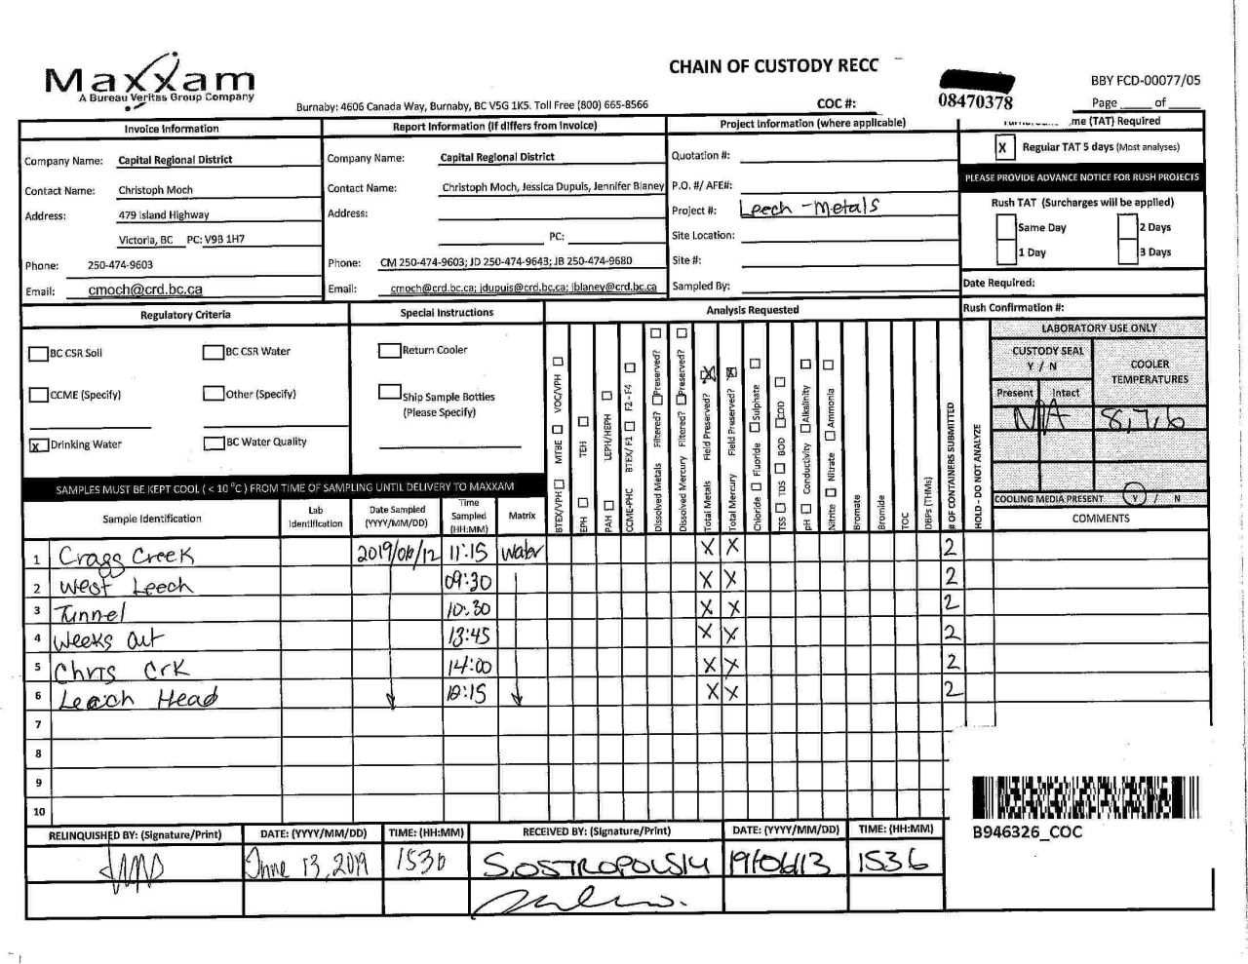

Page 12 of 12

