Table 1
Invoice Information Attn: Christoph Moch Capital Regional District 479 Island Hwy Victoria, BC, V9B 1H7 Email to: cmoch@crd.bc.ca Analytical Summary |  |  | Report Information Attn: Christoph Moch Capital Regional District 479 Island Hwy Victoria, BC, V9B 1H7 Email to: cmoch@crd.bc.ca jnoddings@crd.bc.ca jblaney@crd.bc.ca jdupuis@crd.bc.ca aconner@crd.bc.ca |  |  |  | Project Information Quote #: B70407 PO/AFE#: Project #: LEECH-METALS Site Location: Sampled By:
A: Due On 2019/06/21 18:00 |  |  |  |  |  | Tot. Metals w/ CV Hg for Drinking Water ⁽¹⁾
Lab ID | Client Sample ID |  |  | Sampling Date/Time | Matrix
COC# 08470378
VW6556 | CRAGG CREEK |  |  | 2019/06/12 11:15 | DrinkWat | A
VW6557 | WEST LEECH |  |  | 2019/06/12 09:30 | DrinkWat | A
VW6558 | TUNNEL |  |  | 2019/06/12 10:30 | DrinkWat | A
VW6559 | WEEKS OUT |  |  | 2019/06/12 13:45 | DrinkWat | A
VW6560 | CHRIS CRK |  |  | 2019/06/12 14:00 | DrinkWat | A
VW6561 | LEECH HEAD |  |  | 2019/06/12 12:15 | DrinkWat | A

Include Criteria on CofA: Yes Criteria : 2017 Canadian DW Quality
⁽¹⁾ Test Location: BV Labs Vancouver (Tot. Metals w/ CV Hg for Drinking Water)
Sample Inspection Observations & Comments # of Samples Received: 6

Details: |  | Sample(s) received in good condition.
Average Temperature: Package 1: 7.0 °C Additional Notes • Unless special storage arrangements are made, all samples will be disposed 60 days after receipt. Additional fees may be applied for extended storage. • Additional fees may be applied for the disposal of hazardous samples.

**The contents of this report are subject to change. For up to date information, please refer to the Customer Portal.**
BV Labs PM: Debbie Nordbruget (DNordbruget@bvlabs.com or 250-385-6112) |  |  |  |  |  |  |  |  |  |  | Page 1 of 3
Parameter Summary
Package/Test |  |  | Parameter |  |  |  |  | RDL * | Unit |  |  | Samples
Tot. Metals w/ CV Hg for Drinking Water |  |  | Total Aluminum (Al) |  |  |  |  | 3 | ug/L |  |  | All
 |  |  | Total Antimony (Sb) |  |  |  |  | 0.5 | ug/L |  |  | All
 |  |  | Total Arsenic (As) |  |  |  |  | 0.1 | ug/L |  |  | All
 |  |  | Total Barium (Ba) |  |  |  |  | 1 | ug/L |  |  | All
 |  |  | Total Beryllium (Be) |  |  |  |  | 0.1 | ug/L |  |  | All
 |  |  | Total Bismuth (Bi) |  |  |  |  | 1 | ug/L |  |  | All
 |  |  | Total Boron (B) |  |  |  |  | 50 | ug/L |  |  | All
 |  |  | Total Cadmium (Cd) |  |  |  |  | 0.01 | ug/L |  |  | All
 |  |  | Total Chromium (Cr) |  |  |  |  | 1 | ug/L |  |  | All
 |  |  | Total Cobalt (Co) |  |  |  |  | 0.2 | ug/L |  |  | All
 |  |  | Total Copper (Cu) |  |  |  |  | 0.2 | ug/L |  |  | All
 |  |  | Total Iron (Fe) |  |  |  |  | 5 | ug/L |  |  | All
 |  |  | Total Lead (Pb) |  |  |  |  | 0.2 | ug/L |  |  | All
 |  |  | Total Manganese (Mn) |  |  |  |  | 1 | ug/L |  |  | All
 |  |  | Total Molybdenum (Mo) |  |  |  |  | 1 | ug/L |  |  | All
 |  |  | Total Nickel (Ni) |  |  |  |  | 1 | ug/L |  |  | All
 |  |  | Total Selenium (Se) |  |  |  |  | 0.1 | ug/L |  |  | All
 |  |  | Total Silicon (Si) |  |  |  |  | 100 | ug/L |  |  | All
 |  |  | Total Silver (Ag) |  |  |  |  | 0.02 | ug/L |  |  | All
 |  |  | Total Strontium (Sr) |  |  |  |  | 1 | ug/L |  |  | All
 |  |  | Total Thallium (Tl) |  |  |  |  | 0.01 | ug/L |  |  | All
 |  |  | Total Tin (Sn) |  |  |  |  | 5 | ug/L |  |  | All
 |  |  | Total Titanium (Ti) |  |  |  |  | 5 | ug/L |  |  | All
 |  |  | Total Uranium (U) |  |  |  |  | 0.1 | ug/L |  |  | All
 |  |  | Total Vanadium (V) |  |  |  |  | 5 | ug/L |  |  | All
 |  |  | Total Zinc (Zn) |  |  |  |  | 5 | ug/L |  |  | All
 |  |  | Total Zirconium (Zr) |  |  |  |  | 0.1 | ug/L |  |  | All
 |  |  | Total Hardness (CaCO3) |  |  |  |  | 0.5 | mg/L |  |  | All
 |  |  | Total Mercury (Hg) |  |  |  |  | 0.002 | ug/L |  |  | All
 |  |  | Total Calcium (Ca) |  |  |  |  | 0.05 | mg/L |  |  | All
 |  |  | Total Magnesium (Mg) |  |  |  |  | 0.05 | mg/L |  |  | All
 |  |  | Total Potassium (K) |  |  |  |  | 0.05 | mg/L |  |  | All
 |  |  | Total Sodium (Na) |  |  |  |  | 0.05 | mg/L |  |  | All
 |  |  | Total Sulphur (S) |  |  |  |  | 3 | mg/L |  |  | All
*RDLs are subject to change based on interferences present at the time of analysis.
BV Labs PM: Debbie Nordbruget (DNordbruget@bvlabs.com or 250-385-6112) |  |  |  |  |  |  |  |  |  | Page 2 of 3
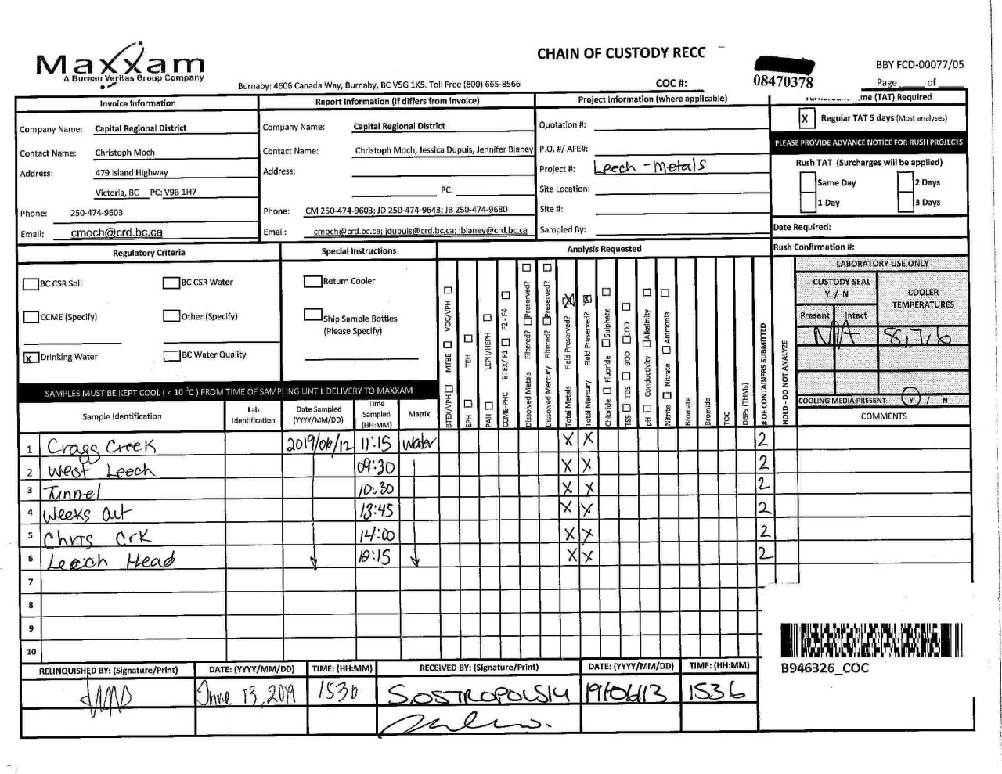

Page 3 of 3

