Table 1
Attention: Christoph Moch Capital Regional District Water Department 479 Island Hwy Victoria, BC Canada V9B 1H7 |  |  |  |  |  |  |  |  |  |  |  |  |  |  | Report Date: 2019/01/15 Report #: R2674247 Version: 1 - Final
MAXXAM JOB #: B902278 Received: 2019/01/10, 12:48 Sample Matrix: DRINKING WATER # Samples Received: 6 |  |  |  |  |  | CERTIFICATE OF ANALYSIS
Analyses |  |  |  | Date Quantity Extracted |  |  |  |  |  |  |  |  |  |  | Date Analyzed |  | Laboratory Method |  |  |  |  |  | Analytical Method

Hardness Total (calculated as CaCO3) (1) |  |  |  |  |  |  |  |  |  | 6 N/A |  |  |  | 2019/01/15 BBY WI-00033 |  |  |  |  |  |  | Auto Calc
Mercury (Total) by CVAF |  |  |  |  |  | 6 2019/01/12 2019/01/12 BBY7SOP-00015 |  |  |  |  |  |  |  |  |  |  |  |  |  |  |  | BCMOE BCLM Oct2013 m
Na, K, Ca, Mg, S by CRC ICPMS (total) Elements by CRC ICPMS (total) |  |  |  |  |  |  |  |  | 6 N/A 2 N/A |  |  |  |  | 2019/01/15 BBY WI-00033 2019/01/14 BBY7SOP-00003, |  |  |  |  |  |  |  | Auto Calc EPA 6020b R2 m
Elements by CRC ICPMS (total) |  |  |  |  |  |  |  | 4 2019/01/11 2019/01/14 BBY7SOP-00003 BBY7SOP-00002 |  |  |  |  |  |  |  |  |  |  |  |  |  | EPA 6020b R2 m

Remarks: Maxxam Analytics' laboratories are accredited to ISO/IEC 17025:2005 for specific parameters on scopes of accreditation. Unless otherwise noted, procedures used by Maxxam are based upon recognized Provincial, Federal or US method compendia such as CCME, MDDELCC, EPA, APHA.
All work recorded herein has been done in accordance with procedures and practices ordinarily exercised by professionals in Maxxam’s profession using accepted testing methodologies, quality assurance and quality control procedures (except where otherwise agreed by the client and Maxxam in writing). All data is in statistical control and has met quality control and method performance criteria unless otherwise noted. All method blanks are reported; unless indicated otherwise, associated sample data are not blank corrected. Where applicable, unless otherwise noted, Measurement Uncertainty has not been accounted for when stating conformity to the referenced standard.
Maxxam Analytics' liability is limited to the actual cost of the requested analyses, unless otherwise agreed in writing. There is no other warranty expressed or implied. Maxxam has been retained to provide analysis of samples provided by the Client using the testing methodology referenced in this report. Interpretation and use of test results are the sole responsibility of the Client and are not within the scope of services provided by Maxxam, unless otherwise agreed in writing. Maxxam is not responsible for the accuracy or any data impacts, that result from the information provided by the customer or their agent.
Solid sample results, except biota, are based on dry weight unless otherwise indicated. Organic analyses are not recovery corrected except for isotope dilution methods. Results relate to samples tested. When sampling is not conducted by Maxxam, results relate to the supplied samples tested. This Certificate shall not be reproduced except in full, without the written approval of the laboratory. Reference Method suffix “m” indicates test methods incorporate validated modifications from specific reference methods to improve performance. * RPDs calculated using raw data. The rounding of final results may result in the apparent difference. (1) "Total Hardness" was calculated from Total Ca and Mg concentrations and may be biased high (Hardness, or Dissolved Hardness, calculated from Dissolved Ca and Mg, should be used for compliance if available).
Attention: Christoph Moch Capital Regional District Water Department 479 Island Hwy Victoria, BC Canada V9B 1H7 |  |  |  |  |  |  |  |  |  |  |  |  |  |  | Report Date: 2019/01/15 Report #: R2674247 Version: 1 - Final
MAXXAM JOB #: B902278 Received: 2019/01/10, 12:48 Encryption Key |  |  |  |  | CERTIFICATE OF ANALYSIS Maxxam 15 Jan 2019 13:34:17

Please direct all questions regarding this Certificate of Analysis to your Project Manager. Debbie Nordbruget, Project Manager Email: DNordbruget@maxxam.ca Phone# (250)385-6112 ==================================================================== This report has been generated and distributed using a secure automated process. Maxxam has procedures in place to guard against improper use of the electronic signature and have the required "signatories", as per section 5.10.2 of ISO/IEC 17025:2005(E), signing the reports. For Service Group specific validation please refer to the Validation Signature Page.
Total Cover Pages : 2
ELEMENTS BY ATOMIC SPECTROSCOPY (DRINKING WATER)
Maxxam ID |  |  |  |  |  |  |  |  | VB5193 |  | VB5194 |  | VB5196 |  |  | VB5197
Sampling Date |  |  |  |  |  |  |  |  | 2019/01/07 14:15 |  | 2019/01/07 14:50 |  | 2019/01/07 12:30 |  |  | 2019/01/07 09:00
COC Number |  |  |  |  |  |  |  |  | 08459791 |  | 08459791 |  | 08459791 |  |  | 08459791
 |  | UNITS | MAC |  | AO |  | OG |  | LEECH HEAD |  | WEEKS OUT |  | TUNNEL |  |  | CRAGG |  | RDL |  | QC Batch
Total Metals by ICPMS
Total Aluminum (Al) |  | ug/L | - |  | - |  | 100 |  | 109 |  | 159 |  | 86.7 |  |  | 70.9 |  | 3.0 |  | 9289592
Total Antimony (Sb) |  | ug/L | 6 |  | - |  | - |  | <0.50 |  | <0.50 |  | <0.50 |  |  | <0.50 |  | 0.50 |  | 9289592
Total Arsenic (As) |  | ug/L | 10 |  | - |  | - |  | <0.10 |  | <0.10 |  | <0.10 |  |  | <0.10 |  | 0.10 |  | 9289592
Total Barium (Ba) |  | ug/L | 1000 |  | - |  | - |  | 2.6 |  | 3.1 |  | 2.4 |  |  | 1.7 |  | 1.0 |  | 9289592
Total Beryllium (Be) |  | ug/L | - |  | - |  | - |  | <0.10 |  | <0.10 |  | <0.10 |  |  | <0.10 |  | 0.10 |  | 9289592
Total Bismuth (Bi) |  | ug/L | - |  | - |  | - |  | <1.0 |  | <1.0 |  | <1.0 |  |  | <1.0 |  | 1.0 |  | 9289592
Total Boron (B) |  | ug/L | 5000 |  | - |  | - |  | <50 |  | <50 |  | <50 |  |  | <50 |  | 50 |  | 9289592
Total Cadmium (Cd) |  | ug/L | 5 |  | - |  | - |  | <0.010 |  | <0.010 |  | <0.010 |  |  | <0.010 |  | 0.010 |  | 9289592
Total Chromium (Cr) |  | ug/L | 50 |  | - |  | - |  | <1.0 |  | <1.0 |  | <1.0 |  |  | <1.0 |  | 1.0 |  | 9289592
Total Cobalt (Co) |  | ug/L | - |  | - |  | - |  | <0.20 |  | <0.20 |  | <0.20 |  |  | <0.20 |  | 0.20 |  | 9289592
Total Copper (Cu) |  | ug/L | - |  | 1000 |  | - |  | <0.50 |  | 0.59 |  | 0.84 |  |  | <0.50 |  | 0.50 |  | 9289592
Total Iron (Fe) |  | ug/L | - |  | 300 |  | - |  | 54 |  | 102 |  | 32 |  |  | 18 |  | 10 |  | 9289592
Total Lead (Pb) |  | ug/L | 10 |  | - |  | - |  | <0.20 |  | <0.20 |  | <0.20 |  |  | <0.20 |  | 0.20 |  | 9289592
Total Lithium (Li) |  | ug/L | - |  | - |  | - |  | <2.0 |  | <2.0 |  | <2.0 |  |  | <2.0 |  | 2.0 |  | 9289592
Total Manganese (Mn) |  | ug/L | - |  | 50 |  | - |  | 2.2 |  | 3.6 |  | <1.0 |  |  | <1.0 |  | 1.0 |  | 9289592
Total Molybdenum (Mo) |  | ug/L | - |  | - |  | - |  | <1.0 |  | <1.0 |  | <1.0 |  |  | <1.0 |  | 1.0 |  | 9289592
Total Nickel (Ni) |  | ug/L | - |  | - |  | - |  | 1.5 |  | <1.0 |  | <1.0 |  |  | <1.0 |  | 1.0 |  | 9289592
Total Selenium (Se) |  | ug/L | 50 |  | - |  | - |  | <0.10 |  | <0.10 |  | <0.10 |  |  | <0.10 |  | 0.10 |  | 9289592
Total Silicon (Si) |  | ug/L | - |  | - |  | - |  | 1810 |  | 1910 |  | 2220 |  |  | 1890 |  | 100 |  | 9289592
Total Silver (Ag) |  | ug/L | - |  | - |  | - |  | <0.020 |  | <0.020 |  | 0.074 |  |  | <0.020 |  | 0.020 |  | 9289592
Total Strontium (Sr) |  | ug/L | - |  | - |  | - |  | 8.6 |  | 9.2 |  | 10.6 |  |  | 7.1 |  | 1.0 |  | 9289592
Total Thallium (Tl) |  | ug/L | - |  | - |  | - |  | <0.010 |  | <0.010 |  | <0.010 |  |  | <0.010 |  | 0.010 |  | 9289592
Total Tin (Sn) |  | ug/L | - |  | - |  | - |  | <5.0 |  | <5.0 |  | <5.0 |  |  | <5.0 |  | 5.0 |  | 9289592
Total Titanium (Ti) |  | ug/L | - |  | - |  | - |  | <5.0 |  | <5.0 |  | <5.0 |  |  | <5.0 |  | 5.0 |  | 9289592
Total Uranium (U) |  | ug/L | 20 |  | - |  | - |  | <0.10 |  | <0.10 |  | <0.10 |  |  | <0.10 |  | 0.10 |  | 9289592
Total Vanadium (V) |  | ug/L | - |  | - |  | - |  | <5.0 |  | <5.0 |  | <5.0 |  |  | <5.0 |  | 5.0 |  | 9289592
Total Zinc (Zn) |  | ug/L | - |  | 5000 |  | - |  | <5.0 |  | <5.0 |  | <5.0 |  |  | <5.0 |  | 5.0 |  | 9289592
Total Zirconium (Zr) |  | ug/L | - |  | - |  | - |  | <0.10 |  | <0.10 |  | <0.10 |  |  | <0.10 |  | 0.10 |  | 9289592
No Fill | No Exceedance Exceeds 1 criteria policy/level Exceeds both criteria/levels
Grey
Black
RDL = Reportable Detection Limit
Maxxam ID |  |  |  |  |  |  |  |  | VB5192 |  |  |  |  |  | VB5193 |  |  |  | VB5194
Sampling Date |  |  |  |  |  |  |  |  | 2019/01/07 15:20 |  |  |  |  |  | 2019/01/07 14:15 |  |  |  | 2019/01/07 14:50
COC Number |  |  |  |  |  |  |  |  | 08459791 |  |  |  |  |  | 08459791 |  |  |  | 08459791
 |  | UNITS | MAC |  | AO |  | OG |  | CHRIS CREEK |  | RDL | QC Batch |  |  | LEECH HEAD |  | QC Batch |  | WEEKS OUT |  |  |  | RDL | QC Batch
Calculated Parameters
Total Hardness (CaCO3) |  | mg/L | - |  | - |  | - |  | 5.34 |  | 0.50 | 9287393 |  |  | 5.09 |  | 9287393 |  | 5.33 |  |  |  | 0.50 | 9287393
Elements
Total Mercury (Hg) |  | ug/L | 1 |  | - |  | - |  | <0.0020 |  | 0.0020 | 9290104 |  |  | 0.0020 |  | 9290092 |  | 0.0027 |  |  |  | 0.0020 | 9290104
Total Metals by ICPMS
Total Aluminum (Al) |  | ug/L | - |  | - |  | 100 |  | 51.1 |  | 3.0 | 9291080
Total Antimony (Sb) |  | ug/L | 6 |  | - |  | - |  | <0.50 |  | 0.50 | 9291080
Total Arsenic (As) |  | ug/L | 10 |  | - |  | - |  | <0.10 |  | 0.10 | 9291080
Total Barium (Ba) |  | ug/L | 1000 |  | - |  | - |  | 1.9 |  | 1.0 | 9291080
Total Beryllium (Be) |  | ug/L | - |  | - |  | - |  | <0.10 |  | 0.10 | 9291080
Total Bismuth (Bi) |  | ug/L | - |  | - |  | - |  | <1.0 |  | 1.0 | 9291080
Total Boron (B) |  | ug/L | 5000 |  | - |  | - |  | <50 |  | 50 | 9291080
Total Cadmium (Cd) |  | ug/L | 5 |  | - |  | - |  | <0.010 |  | 0.010 | 9291080
Total Chromium (Cr) |  | ug/L | 50 |  | - |  | - |  | <1.0 |  | 1.0 | 9291080
Total Cobalt (Co) |  | ug/L | - |  | - |  | - |  | <0.20 |  | 0.20 | 9291080
Total Copper (Cu) |  | ug/L | - |  | 1000 |  | - |  | 0.28 |  | 0.20 | 9291080
Total Iron (Fe) |  | ug/L | - |  | 300 |  | - |  | 14.2 |  | 5.0 | 9291080
Total Lead (Pb) |  | ug/L | 10 |  | - |  | - |  | <0.20 |  | 0.20 | 9291080
Total Manganese (Mn) |  | ug/L | - |  | 50 |  | - |  | <1.0 |  | 1.0 | 9291080
Total Molybdenum (Mo) |  | ug/L | - |  | - |  | - |  | <1.0 |  | 1.0 | 9291080
Total Nickel (Ni) |  | ug/L | - |  | - |  | - |  | <1.0 |  | 1.0 | 9291080
Total Selenium (Se) |  | ug/L | 50 |  | - |  | - |  | <0.10 |  | 0.10 | 9291080
Total Silicon (Si) |  | ug/L | - |  | - |  | - |  | 1780 |  | 100 | 9291080
Total Silver (Ag) |  | ug/L | - |  | - |  | - |  | <0.020 |  | 0.020 | 9291080
Total Strontium (Sr) |  | ug/L | - |  | - |  | - |  | 6.5 |  | 1.0 | 9291080
Total Thallium (Tl) |  | ug/L | - |  | - |  | - |  | <0.010 |  | 0.010 | 9291080
...
Please direct all questions regarding this Certificate of Analysis to your Project Manager. Debbie Nordbruget, Project Manager Email: DNordbruget@maxxam.ca Phone# (250)385-6112 ==================================================================== This report has been generated and distributed using a secure automated process. Maxxam has procedures in place to guard against improper use of the electronic signature and have the required "signatories", as per section 5.10.2 of ISO/IEC 17025:2005(E), signing the reports. For Service Group specific validation please refer to the Validation Signature Page.
Duplicate: Paired analysis of a separate portion of the same sample. Used to evaluate the variance in the measurement. Matrix Spike: A sample to which a known amount of the analyte of interest has been added. Used to evaluate sample matrix interference. Spiked Blank: A blank matrix sample to which a known amount of the analyte, usually from a second source, has been added. Used to evaluate method accuracy. Method Blank: A blank matrix containing all reagents used in the analytical procedure. Used to identify laboratory contamination. NC (Matrix Spike): The recovery in the matrix spike was not calculated. The relative difference between the concentration in the parent sample and the spike amount was too small to permit a reliable recovery calculation (matrix spike concentration was less than the native sample concentration) NC (Duplicate RPD): The duplicate RPD was not calculated. The concentration in the sample and/or duplicate was too low to permit a reliable RPD calculation (absolute difference <= 2x RDL). (1) Recovery or RPD for this parameter is outside control limits. The overall quality control for this analysis meets acceptability criteria.

Maxxam Job #: B902278 Report Date: 2019/01/15
The analytical data and all QC contained in this report were reviewed and validated by the following individual(s).

Andy Lu, Ph.D., P.Chem., Scientific Specialist

Maxxam has procedures in place to guard against improper use of the electronic signature and have the required "signatories", as per section 5.10.2 of ISO/IEC 17025:2005(E), signing the reports. For Service Group specific validation please refer to the Validation Signature Page.
Page 12 of 13 Maxxam Analytics International Corporation o/a Maxxam Analytics Burnaby: 4606 Canada Way V5G 1K5 Telephone(604) 734-7276 Fax(604) 731-2386
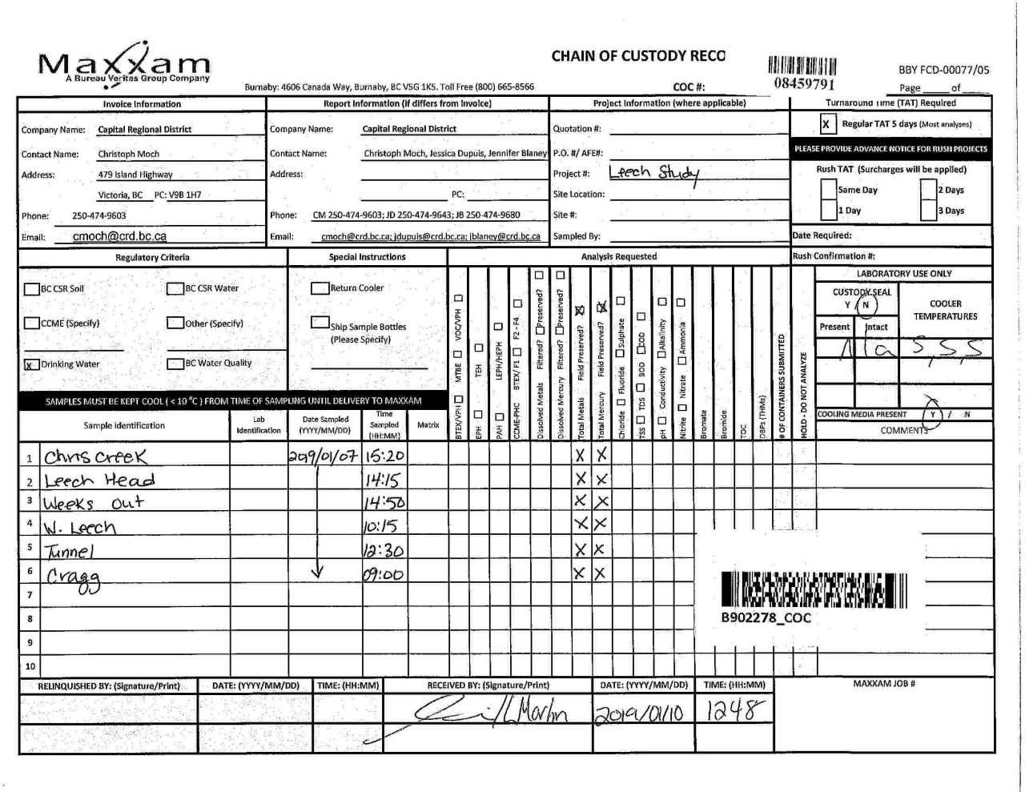

Page 13 of 13

