Table 1
Attention: Christoph Moch Capital Regional District Water Department 479 Island Hwy Victoria, BC Canada V9B 1H7 |  |  |  |  |  |  |  |  |  |  |  | Report Date: 2019/05/23 Report #: R2726551 Version: 1 - Final
MAXXAM JOB #: B937713 Received: 2019/05/17, 12:35 Sample Matrix: Drinking Water # Samples Received: 7 |  |  |  |  | CERTIFICATE OF ANALYSIS
Date Analyses Quantity Extracted |  |  |  |  |  |  |  |  |  |  |  | Date Analyzed Laboratory Method Analytical Method

Hardness Total (calculated as CaCO3) (1) 7 N/A 2019/05/23 BBY WI-00033 Auto Calc Mercury (Total) by CV 7 2019/05/23 2019/05/23 BBY7SOP-00015 BCMOE BCLM Oct2013 m Na, K, Ca, Mg, S by CRC ICPMS (total) 7 N/A 2019/05/23 BBY WI-00033 Auto Calc Elements by CRC ICPMS (total) 1 N/A 2019/05/22 BBY7SOP-00003, EPA 6020b R2 m Elements by CRC ICPMS (total) 4 N/A 2019/05/23 BBY7SOP-00003, EPA 6020b R2 m Elements by CRC ICPMS (total) 2 2019/05/22 2019/05/22 BBY7SOP-00003/02 EPA 6020b R2 m

Remarks: Maxxam Analytics' laboratories are accredited to ISO/IEC 17025 for specific parameters on scopes of accreditation. Unless otherwise noted, procedures used by Maxxam are based upon recognized Provincial, Federal or US method compendia such as CCME, MDDELCC, EPA, APHA.
All work recorded herein has been done in accordance with procedures and practices ordinarily exercised by professionals in Maxxam’s profession using accepted testing methodologies, quality assurance and quality control procedures (except where otherwise agreed by the client and Maxxam in writing). All data is in statistical control and has met quality control and method performance criteria unless otherwise noted. All method blanks are reported; unless indicated otherwise, associated sample data are not blank corrected. Where applicable, unless otherwise noted, Measurement Uncertainty has not been accounted for when stating conformity to the referenced standard.
Maxxam Analytics' liability is limited to the actual cost of the requested analyses, unless otherwise agreed in writing. There is no other warranty expressed or implied. Maxxam has been retained to provide analysis of samples provided by the Client using the testing methodology referenced in this report. Interpretation and use of test results are the sole responsibility of the Client and are not within the scope of services provided by Maxxam, unless otherwise agreed in writing. Maxxam is not responsible for the accuracy or any data impacts, that result from the information provided by the customer or their agent.
Solid sample results, except biota, are based on dry weight unless otherwise indicated. Organic analyses are not recovery corrected except for isotope dilution methods. Results relate to samples tested. When sampling is not conducted by Maxxam, results relate to the supplied samples tested. This Certificate shall not be reproduced except in full, without the written approval of the laboratory. Reference Method suffix “m” indicates test methods incorporate validated modifications from specific reference methods to improve performance. * RPDs calculated using raw data. The rounding of final results may result in the apparent difference. (1) "Total Hardness" was calculated from Total Ca and Mg concentrations and may be biased high (Hardness, or Dissolved Hardness, calculated from Dissolved Ca and Mg, should be used for compliance if available).
Attention: Christoph Moch Capital Regional District Water Department 479 Island Hwy Victoria, BC Canada V9B 1H7 |  |  |  |  |  |  |  |  |  |  |  | Report Date: 2019/05/23 Report #: R2726551 Version: 1 - Final
MAXXAM JOB #: B937713 Received: 2019/05/17, 12:35 Encryption Key |  |  |  | CERTIFICATE OF ANALYSIS Maxxam 23 May 2019 17:26:45

Please direct all questions regarding this Certificate of Analysis to your Project Manager. Debbie Nordbruget, Key Account Specialist Email: DNordbruget@maxxam.ca Phone# (250)385-6112 ==================================================================== This report has been generated and distributed using a secure automated process. Maxxam has procedures in place to guard against improper use of the electronic signature and have the required "signatories", as per section 5.10.2 of ISO/IEC 17025:2005(E), signing the reports. For Service Group specific validation please refer to the Validation Signature Page.
Total Cover Pages : 2
ELEMENTS BY ATOMIC SPECTROSCOPY (DRINKING WATER)
Maxxam ID |  |  |  |  |  |  | VR9981 | VR9987
Sampling Date |  |  |  |  |  |  | 2019/05/15 10:30 | 2019/05/15 09:45
COC Number |  |  |  |  |  |  | 08470197 | 08470197
 |  | UNITS | MAC | AO |  | OG | WEEKS OUT | LEECH HEAD |  |  | RDL | QC Batch
Total Metals by ICPMS
Total Aluminum (Al) |  | ug/L | - | - |  | 100 | 172 | 132 |  |  | 3.0 | 9427365
Total Antimony (Sb) |  | ug/L | 6 | - |  | - | <0.50 | <0.50 |  |  | 0.50 | 9427365
Total Arsenic (As) |  | ug/L | 10 | - |  | - | 0.21 | 0.14 |  |  | 0.10 | 9427365
Total Barium (Ba) |  | ug/L | 1000 | - |  | - | 4.2 | 4.1 |  |  | 1.0 | 9427365
Total Beryllium (Be) |  | ug/L | - | - |  | - | <0.10 | <0.10 |  |  | 0.10 | 9427365
Total Bismuth (Bi) |  | ug/L | - | - |  | - | <1.0 | <1.0 |  |  | 1.0 | 9427365
Total Boron (B) |  | ug/L | 5000 | - |  | - | <50 | <50 |  |  | 50 | 9427365
Total Cadmium (Cd) |  | ug/L | 5 | - |  | - | <0.010 | 0.012 |  |  | 0.010 | 9427365
Total Chromium (Cr) |  | ug/L | 50 | - |  | - | <1.0 | <1.0 |  |  | 1.0 | 9427365
Total Cobalt (Co) |  | ug/L | - | - |  | - | <0.20 | <0.20 |  |  | 0.20 | 9427365
Total Copper (Cu) |  | ug/L | - | 1000 |  | - | 0.88 | 0.72 |  |  | 0.50 | 9427365
Total Iron (Fe) |  | ug/L | - | 300 |  | - | 261 | 150 |  |  | 10 | 9427365
Total Lead (Pb) |  | ug/L | 5 | - |  | - | <0.20 | <0.20 |  |  | 0.20 | 9427365
Total Lithium (Li) |  | ug/L | - | - |  | - | <2.0 | <2.0 |  |  | 2.0 | 9427365
Total Manganese (Mn) |  | ug/L | 120 | 20 |  | - | 17.4 | 12.0 |  |  | 1.0 | 9427365
Total Molybdenum (Mo) |  | ug/L | - | - |  | - | <1.0 | <1.0 |  |  | 1.0 | 9427365
Total Nickel (Ni) |  | ug/L | - | - |  | - | <1.0 | <1.0 |  |  | 1.0 | 9427365
Total Selenium (Se) |  | ug/L | 50 | - |  | - | <0.10 | <0.10 |  |  | 0.10 | 9427365
Total Silicon (Si) |  | ug/L | - | - |  | - | 1310 | 2210 |  |  | 100 | 9427365
Total Silver (Ag) |  | ug/L | - | - |  | - | <0.020 | 0.050 |  |  | 0.020 | 9427365
Total Strontium (Sr) |  | ug/L | - | - |  | - | 15.5 | 18.3 |  |  | 1.0 | 9427365
Total Thallium (Tl) |  | ug/L | - | - |  | - | <0.010 | <0.010 |  |  | 0.010 | 9427365
Total Tin (Sn) |  | ug/L | - | - |  | - | <5.0 | <5.0 |  |  | 5.0 | 9427365
Total Titanium (Ti) |  | ug/L | - | - |  | - | <5.0 | <5.0 |  |  | 5.0 | 9427365
Total Uranium (U) |  | ug/L | 20 | - |  | - | <0.10 | <0.10 |  |  | 0.10 | 9427365
Total Vanadium (V) |  | ug/L | - | - |  | - | <5.0 | <5.0 |  |  | 5.0 | 9427365
Total Zinc (Zn) |  | ug/L | - | 5000 |  | - | <5.0 | <5.0 |  |  | 5.0 | 9427365
Total Zirconium (Zr) |  | ug/L | - | - |  | - | <0.10 | <0.10 |  |  | 0.10 | 9427365
No Fill | No Exceedance Exceeds 1 criteria policy/level Exceeds both criteria/levels
Grey
Black
RDL = Reportable Detection Limit
Maxxam ID |  |  |  |  |  |  | VR9981 |  |  |  |  | VR9982 | VR9983 | VR9984
Sampling Date |  |  |  |  |  |  | 2019/05/15 10:30 |  |  |  |  | 2019/05/15 15:30 | 2019/05/15 12:15 | 2019/05/15 14:30
COC Number |  |  |  |  |  |  | 08470197 |  |  |  |  | 08470197 | 08470197 | 08470197
 |  | UNITS | MAC | AO |  | OG | WEEKS OUT |  | RDL | QC Batch |  | BONE YARD | CRAGG CREEK | WEST LEECH | RDL | QC Batch
Calculated Parameters
Total Hardness (CaCO3) |  | mg/L | - | - |  | - | 7.75 |  | 0.50 | 9422249 |  | 14.5 | 11.2 | 9.68 | 0.50 | 9422249
Elements
Total Mercury (Hg) |  | ug/L | 1 | - |  | - | <0.0020 |  | 0.0020 | 9428677 |  | <0.0020 | <0.0020 | <0.0020 | 0.0020 | 9428677
Total Metals by ICPMS
Total Aluminum (Al) |  | ug/L | - | - |  | 100 |  |  |  |  |  | 28.6 | 35.8 | 38.8 | 3.0 | 9428243
Total Antimony (Sb) |  | ug/L | 6 | - |  | - |  |  |  |  |  | <0.50 | <0.50 | <0.50 | 0.50 | 9428243
Total Arsenic (As) |  | ug/L | 10 | - |  | - |  |  |  |  |  | 0.22 | <0.10 | 0.19 | 0.10 | 9428243
Total Barium (Ba) |  | ug/L | 1000 | - |  | - |  |  |  |  |  | 4.4 | 3.0 | 4.1 | 1.0 | 9428243
Total Beryllium (Be) |  | ug/L | - | - |  | - |  |  |  |  |  | <0.10 | <0.10 | <0.10 | 0.10 | 9428243
Total Bismuth (Bi) |  | ug/L | - | - |  | - |  |  |  |  |  | <1.0 | <1.0 | <1.0 | 1.0 | 9428243
Total Boron (B) |  | ug/L | 5000 | - |  | - |  |  |  |  |  | <50 | <50 | <50 | 50 | 9428243
Total Cadmium (Cd) |  | ug/L | 5 | - |  | - |  |  |  |  |  | <0.010 | <0.010 | <0.010 | 0.010 | 9428243
Total Chromium (Cr) |  | ug/L | 50 | - |  | - |  |  |  |  |  | <1.0 | <1.0 | <1.0 | 1.0 | 9428243
Total Cobalt (Co) |  | ug/L | - | - |  | - |  |  |  |  |  | <0.20 | <0.20 | <0.20 | 0.20 | 9428243
Total Copper (Cu) |  | ug/L | - | 1000 |  | - |  |  |  |  |  | 0.58 | 0.49 | 0.51 | 0.20 | 9428243
Total Iron (Fe) |  | ug/L | - | 300 |  | - |  |  |  |  |  | 86.0 | 6.3 | 12.1 | 5.0 | 9428243
Total Lead (Pb) |  | ug/L | 5 | - |  | - |  |  |  |  |  | <0.20 | <0.20 | <0.20 | 0.20 | 9428243
Total Manganese (Mn) |  | ug/L | 120 | 20 |  | - |  |  |  |  |  | <1.0 | <1.0 | <1.0 | 1.0 | 9428243
Total Molybdenum (Mo) |  | ug/L | - | - |  | - |  |  |  |  |  | <1.0 | <1.0 | <1.0 | 1.0 | 9428243
Total Nickel (Ni) |  | ug/L | - | - |  | - |  |  |  |  |  | <1.0 | <1.0 | <1.0 | 1.0 | 9428243
Total Selenium (Se) |  | ug/L | 50 | - |  | - |  |  |  |  |  | <0.10 | <0.10 | <0.10 | 0.10 | 9428243
Total Silicon (Si) |  | ug/L | - | - |  | - |  |  |  |  |  | 3020 | 2330 | 3060 | 100 | 9428243
Total Silver (Ag) |  | ug/L | - | - |  | - |  |  |  |  |  | <0.020 | <0.020 | <0.020 | 0.020 | 9428243
Total Strontium (Sr) |  | ug/L | - | - |  | - |  |  |  |  |  | 29.5 | 16.2 | 21.0 | 1.0 | 9428243
Total Thallium (Tl) |  | ug/L | - | - |  | - |  |  |  |  |  | <0.010 | <0.010 | <0.010 | 0.010 | 9428243
Total Tin (Sn) |  | ug/L | - | - |  | - |  |  |  |  |  | <5.0 | <5.0 | <5.0 | 5.0 | 9428243
Total Titanium (Ti) |  | ug/L | - | - |  | - |  |  |  |  |  | <5.0 | <5.0 | <5.0 | 5.0 | 9428243
...
Please direct all questions regarding this Certificate of Analysis to your Project Manager. Debbie Nordbruget, Key Account Specialist Email: DNordbruget@maxxam.ca Phone# (250)385-6112 ==================================================================== This report has been generated and distributed using a secure automated process. Maxxam has procedures in place to guard against improper use of the electronic signature and have the required "signatories", as per section 5.10.2 of ISO/IEC 17025:2005(E), signing the reports. For Service Group specific validation please refer to the Validation Signature Page.
9428677 | Total Mercury (Hg)
Duplicate: Paired analysis of a separate portion of the same sample. Used to evaluate the variance in the measurement. Matrix Spike: A sample to which a known amount of the analyte of interest has been added. Used to evaluate sample matrix interference. Spiked Blank: A blank matrix sample to which a known amount of the analyte, usually from a second source, has been added. Used to evaluate method accuracy. Method Blank: A blank matrix containing all reagents used in the analytical procedure. Used to identify laboratory contamination. NC (Matrix Spike): The recovery in the matrix spike was not calculated. The relative difference between the concentration in the parent sample and the spike amount was too small to permit a reliable recovery calculation (matrix spike concentration was less than the native sample concentration) NC (Duplicate RPD): The duplicate RPD was not calculated. The concentration in the sample and/or duplicate was too low to permit a reliable RPD calculation (absolute difference <= 2x RDL).

Maxxam Job #: B937713 Report Date: 2019/05/23
The analytical data and all QC contained in this report were reviewed and validated by the following individual(s).

Andy Lu, Ph.D., P.Chem., Scientific Specialist

Maxxam has procedures in place to guard against improper use of the electronic signature and have the required "signatories", as per section 5.10.2 of ISO/IEC 17025:2005(E), signing the reports. For Service Group specific validation please refer to the Validation Signature Page.
Page 12 of 13 Maxxam Analytics International Corporation o/a Maxxam Analytics Burnaby: 4606 Canada Way V5G 1K5 Telephone(604) 734-7276 Fax(604) 731-2386
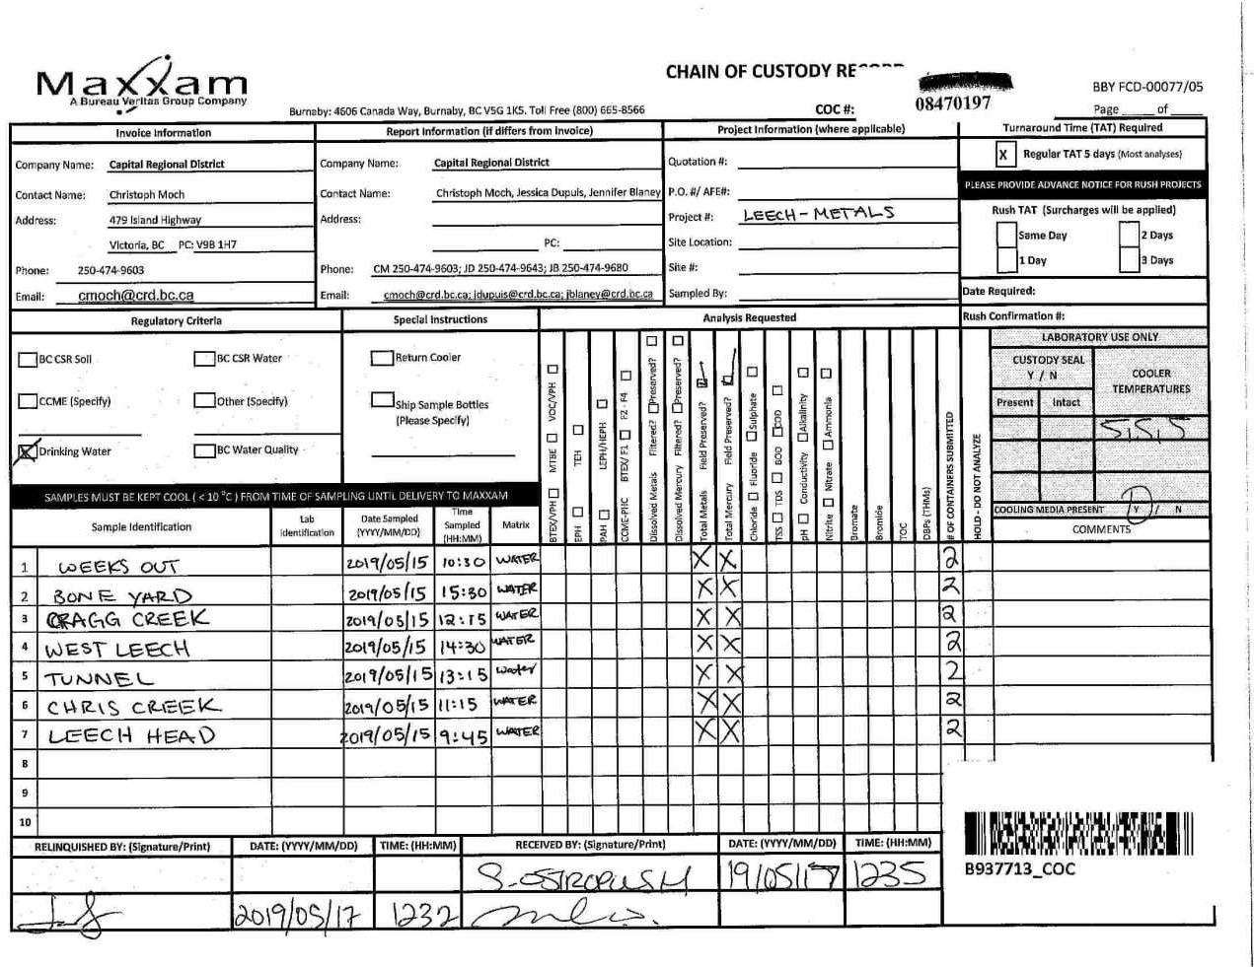

Page 13 of 13

