GSF-ASG
Gooise Scholenfederatie | Brin | realm 'som.gsf' | Onderwijsaanbieder | Onderwijslocatie
Scholengemeenschap Huizermaat | 14SM | 5871A917-8BFC-4C84-8208-F08D4D32E2DC | 100A743 | 101X512
College De Brink | 14SM | F2C3E0F7-B1B6-428C-B5B8-A701A757721B | 100A745 | 101X515
A. Roland Holst College | 14SM | EB8AE607-323D-414C-B87A-624A74F7D0B5 | 100A744 | 101X513
De Fontein | 14SM | 6A9CA04D-0407-4E32-A532-2812265C20A4 | 100A472 | 101X510
Goois Lyceum | 14SM | FCFB5568-7F8B-49A6-9068-04128A65CBBB | 100A737 | 101X486
A. Roland Holst College | Locatie Schuttersweg | 14SM | 3DC66E24-69F3-4217-966F-25F85756748B | 100A744 | 101X514
Gooise Praktijkschool | Locatie Laapersboog | 11AI | 4AEC3BEC-C400-4279-97F3-4E4E84999B3D | 100A748 | 101X602
Casparus College | 24TG | 127D05B5-9733-4CC5-BA43-1719AC4B1880 | 100A747 | 101X597
Vechtstede College | 24TG | 0443FF7D-F13B-4F4A-931B-4DB43293E905 | 100A746 | 101X595

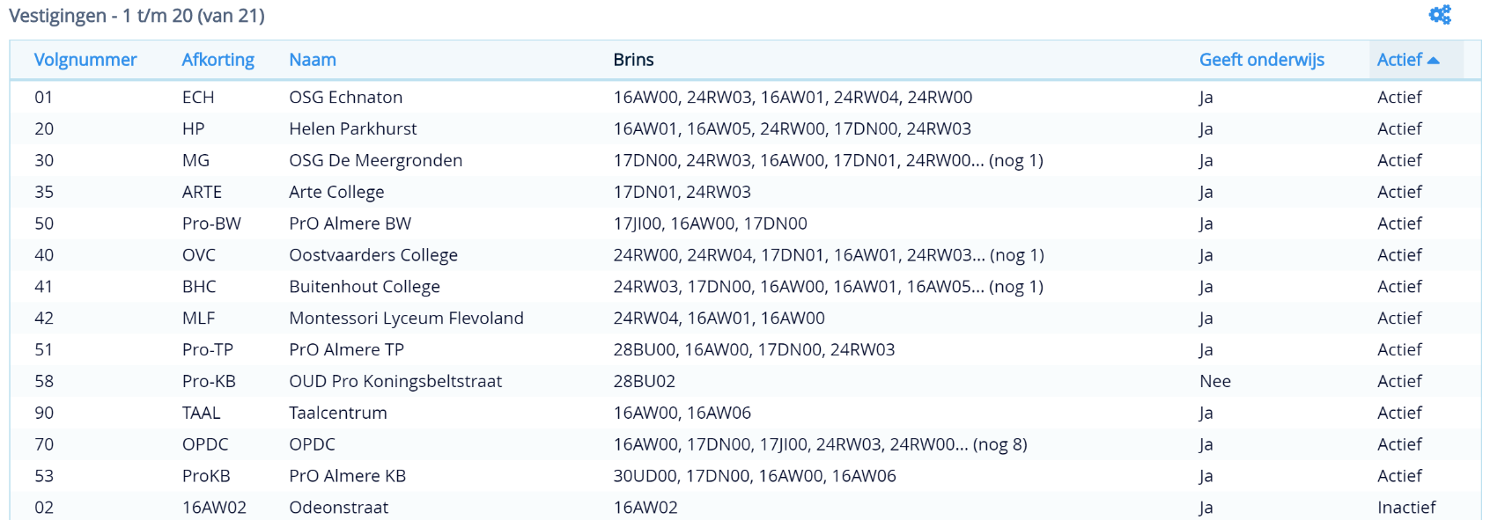
Almeerse Scholengroep | Brin | realm 'som.asg' | Onderwijsaanbieder | Onderwijslocatie
Helen Parkhurst OSG | 16AW | 7A1008EF-539B-4823-84A4-6B0EC4CEE3EC | 100A464 | 101X058
OSG Echnaton | 16AW | 4AE4191C-4AC8-46FC-B811-72488C40B47F | 100A463 | 101X059
Buitenhout College | 24RW | D3A85555-0DC2-45E0-BD05-0EFFCC13F35D | 100A465 | 101X060
Montessori Lyceum Flevoland | 24RW | 417C6E8E-1FA0-40C2-B74D-C2355B3DEC83 | 100A466 | 101X061
Oostvaarders College | 24RW | 76C8735D-269B-494F-A6BC-BBBDD0B4CAF8 | 100A367 | 101X062
OSG de Meergronden | 17DN | 83CD5640-411C-4F77-A1C0-76EAFC567695 | 100A366 | 101X054 (en 2 van de 60 opleidingen op 101X059)
Arte College | 17DN | C42AAED9-55A6-4E28-895E-B3E28B4C5F33 | 100A462 | 101X057
PRO Almere | 17JI | 26BEAD5B-9E5F-41A6-8774-257C04CB5084 | 100A467 | 101X065
OPDC-Almere | 30ZF | 09860BC4-87D9-4B9E-9BCC-935B4AF8D37D | ? | ?

