General
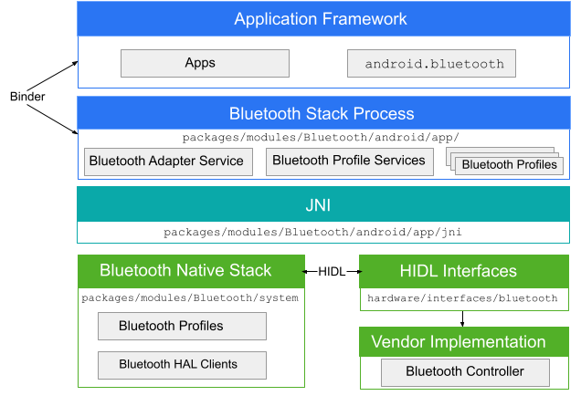
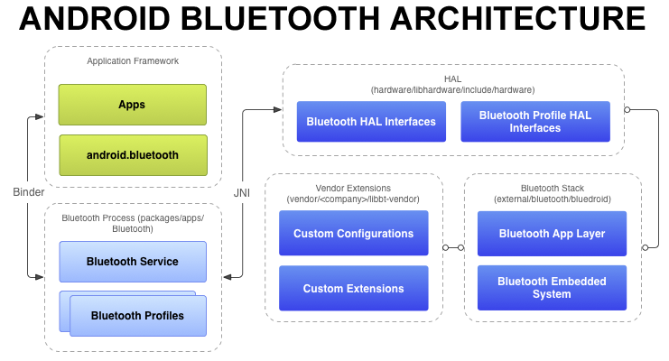
Bluetooth

Application framework:
Applications use android.bluetooth APIs to interact with Bluetooth hardware through the Binder IPC mechanism.

Bluetooth system service:
Packaged as an Android app located in packages/apps/Bluetooth, it provides Bluetooth services and profiles at the framework level.
It communicates with the HAL layer via JNI.

JNI (Java Native Interface):
Serves as the link between the Android Bluetooth API and the HAL.
The JNI code is found in packages/apps/Bluetooth/jni, enabling calls to the HAL and receiving callbacks for Bluetooth events.

HAL (Hardware Abstraction Layer):
Defines the standard interface that Android Bluetooth APIs and processes call to interact with hardware.
Header files for HAL are located in hardware/libhardware/include/hardware/bluetooth.h and hardware/libhardware/include/hardware/bt_*.h files.

Bluetooth stack (BlueDroid): The default Bluetooth stack is found in external/bluetooth/bluedroid. It implements the generic Bluetooth HAL and allows for customization with extensions and configuration changes.

Vendor extensions: Allows for adding custom extensions and an HCI layer for tracing through the libbt-vendor module.

 | android.bluetooth

Common
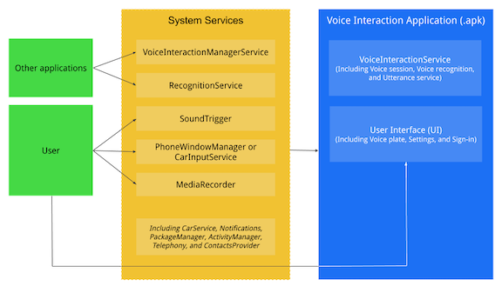
The Voice Interaction Service

Core Assistant Experience for TV
An TV Voice Interaction Application (VIA) performs the following actions:
[MUST] Respond to system-handled voice interaction triggers (such as remote control button presses, voice commands).
[MUST] Display a visual representation of their progress (for example, listening, processing, and fulfilling).
[MUST] Use voice or sounds to indicate understanding and completion of user requests.
[MUST] Serve as a speech recognizer for other apps (see the SpeechRecognizer API).
[SHOULD] Respond to a hotword trigger. (e.g., "Hey Google" to activate voice commands).
[MAY] Display a settings activity where users can configure this VIA (for example, permissions, hotword configuration, and sign-in).
[MAY] Handle assist data (Intent#ACTION_ASSIST)
[MAY] Support voice interaction from Keyguard (lock screen).

Integration flows

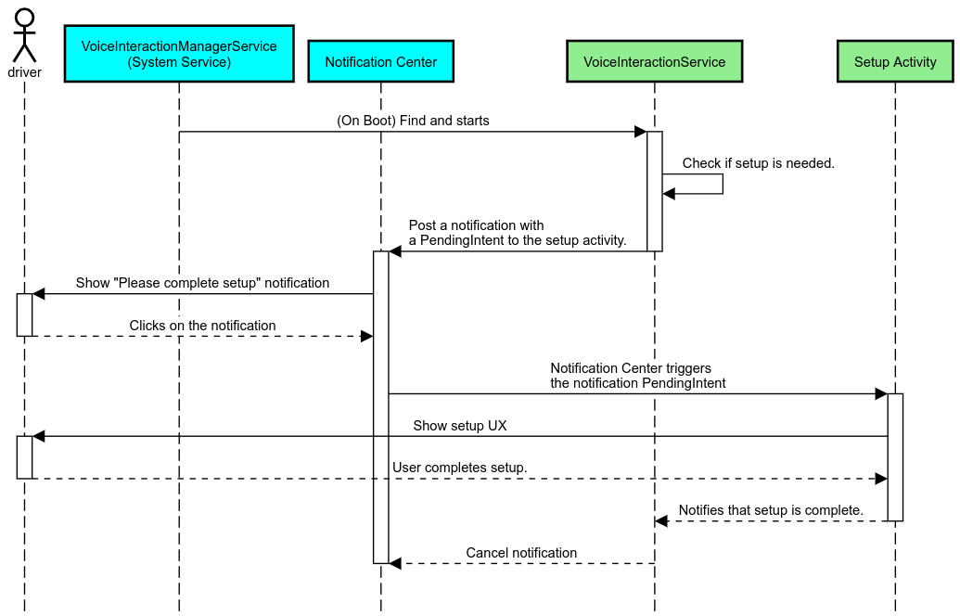
Hotword triggering

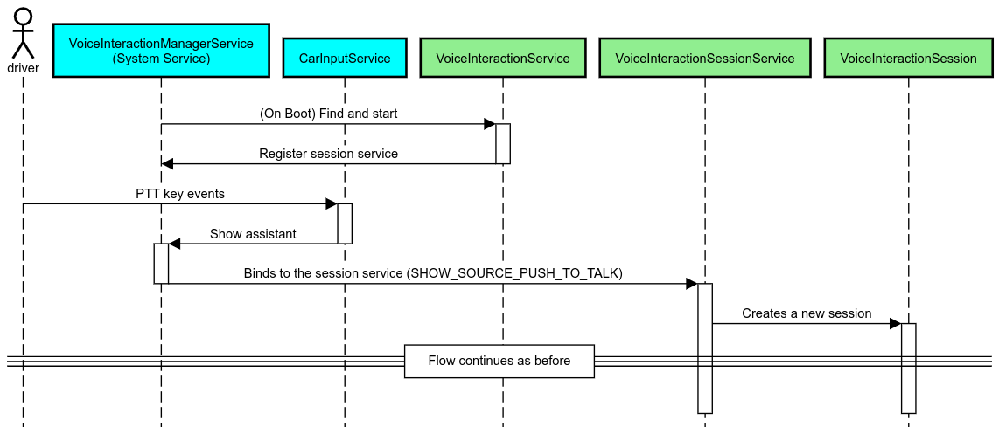
PTT triggering
Physical voice control button, usually located in the remote control
https://source.android.com/docs/automotive/voice/voice_interaction_guide/integration_flows#ptt-triggering

Example when I send KeyEvent.KEYCODE_VOICE_ASSIST (231). It triggers google assistant
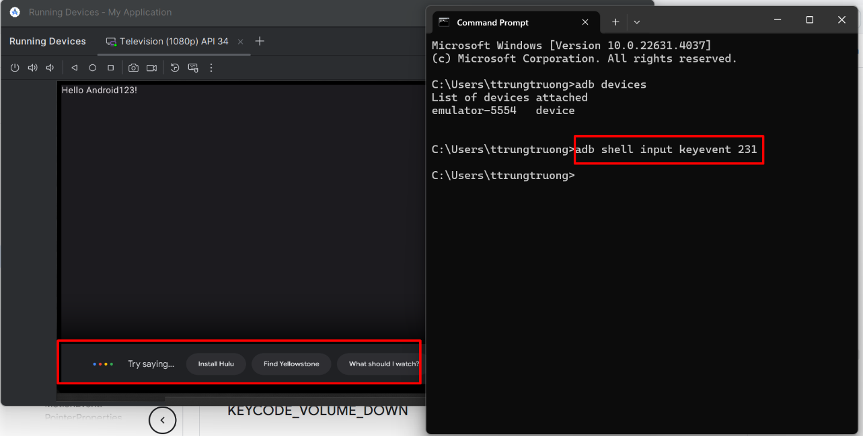
ð Need to mapping voice button in remote with KeyEvent

ð Need to mapping voice button in remote with KeyEvent

Code
The source code of the IR kernel module

Device tree
 |  | /root/chientn/BuildAndroidKernel13/common/arch/arm/boot/dts/overlays |  | As the device tree, GPIO18 (Pin 12) is used to read the IR sensor
 |  | /root/chientn/BuildAndroidKernel13/common/arch/arm64/boot/dts/overlays |  | GPIO 18 is used by PCM to provide a clock signal to an external audio device such as a DAC chip.

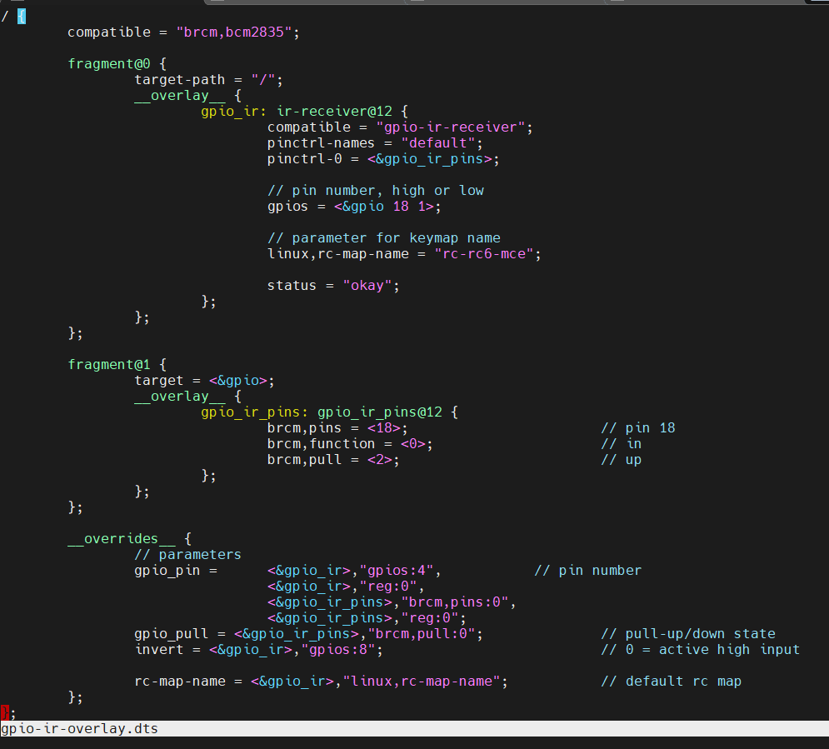
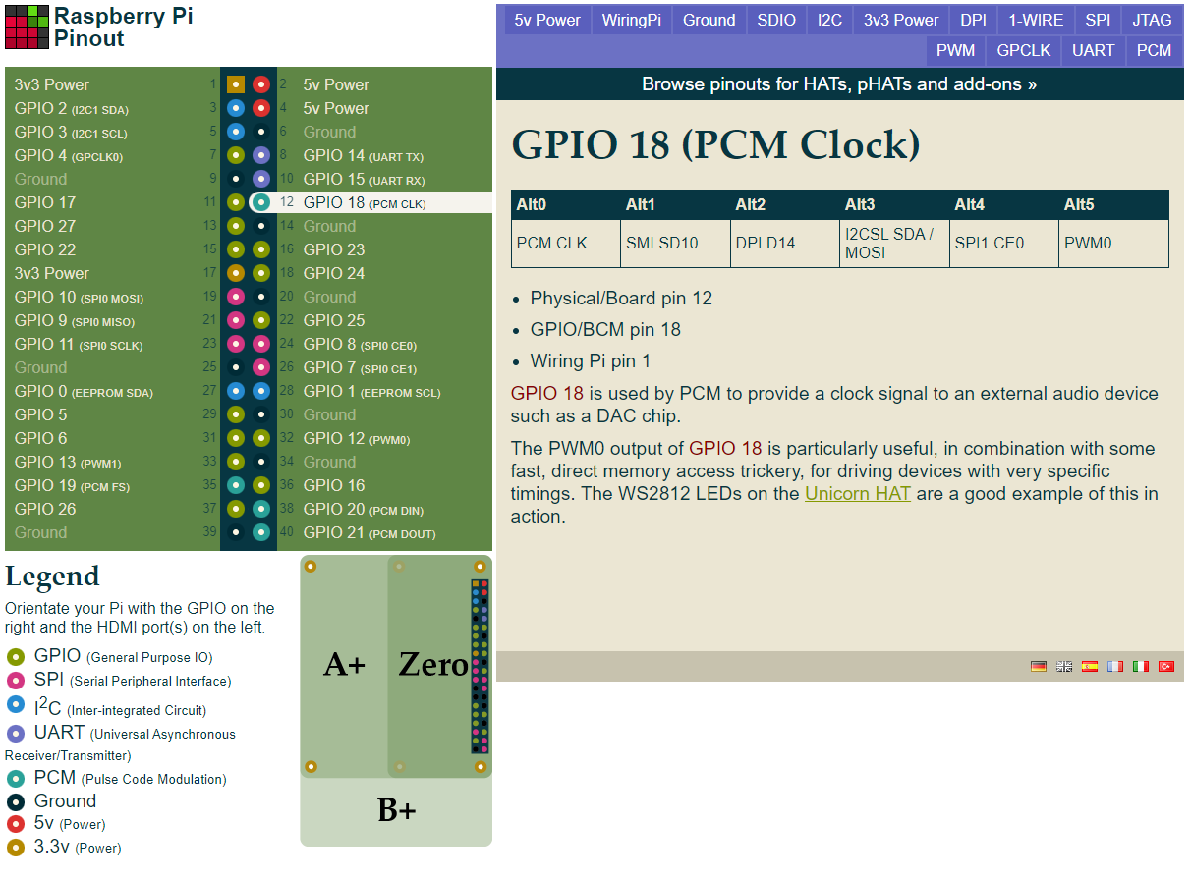

Kernel source code
Register GPIO
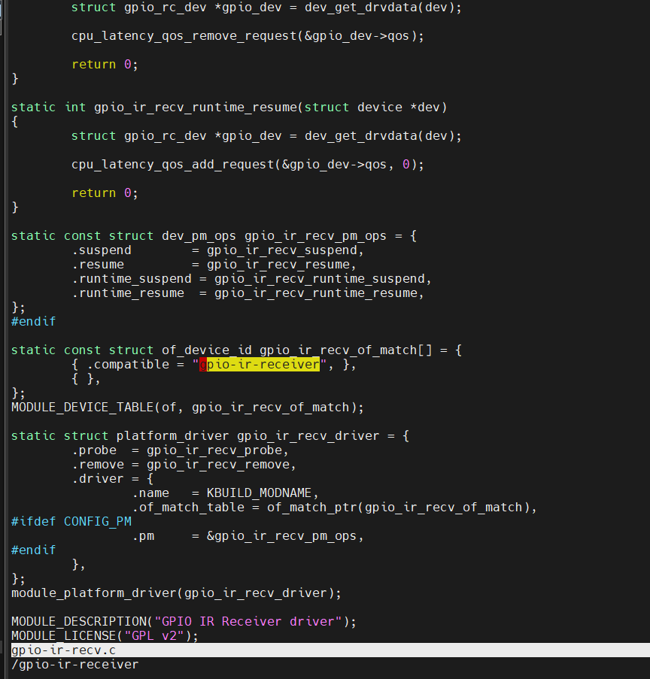
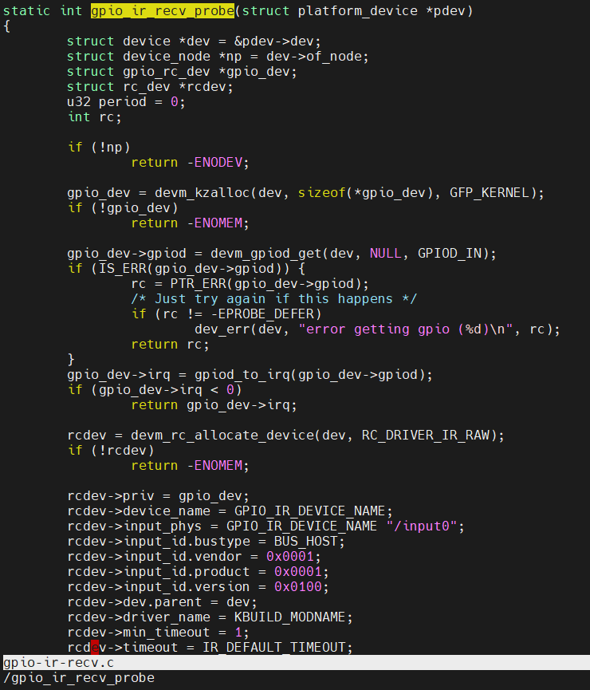
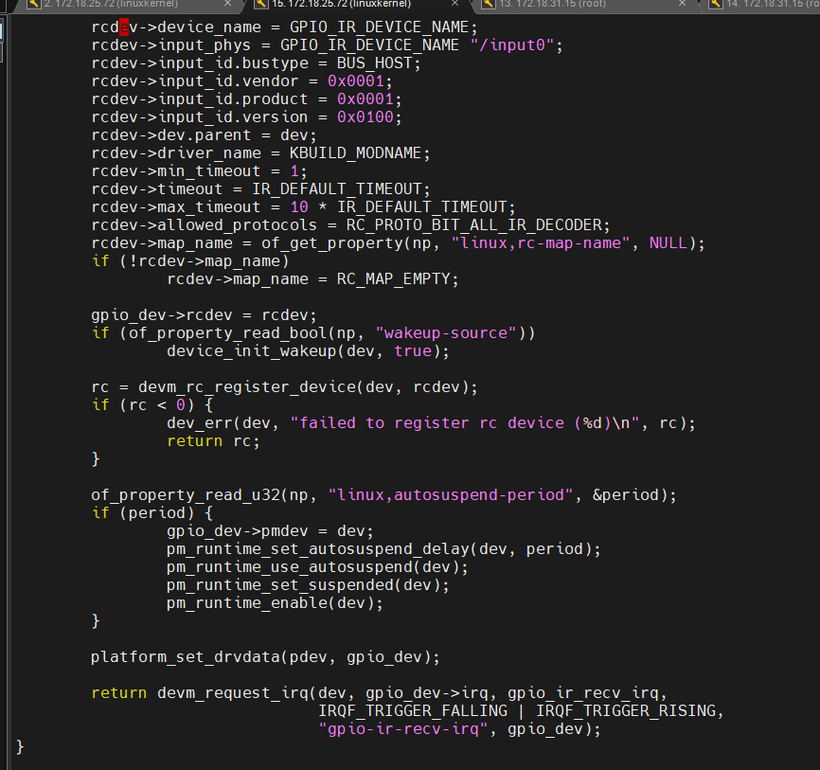

 |  |  |  |  | Interupt
 |  |  |  |  | Interupt function: gpio_ir_recv_irq

 |  |  | Interupt function.
 |  |  | TEST: Get the frame data from the IR sensor
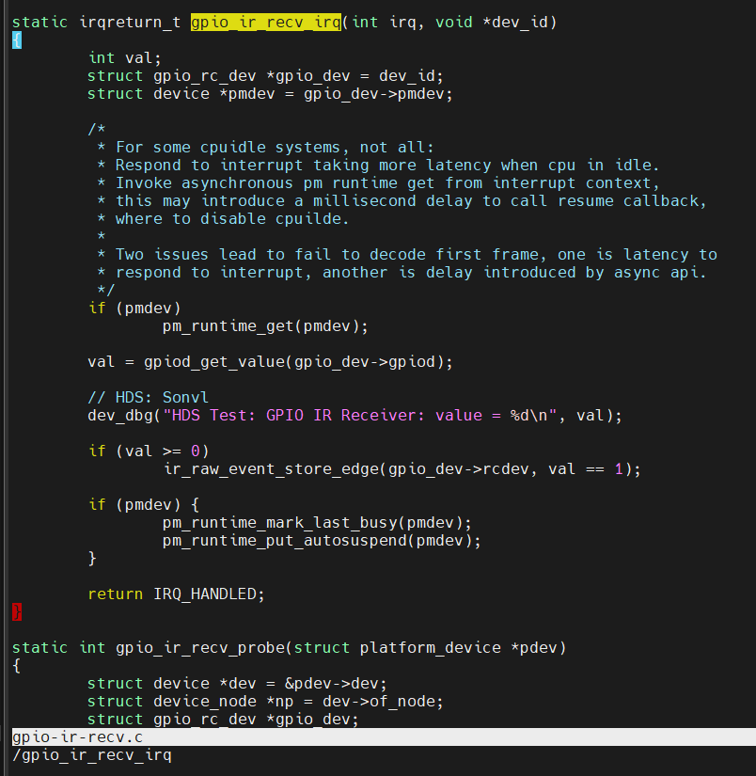

 | Decode the raw data

 | 1. Store the raw data to the queue
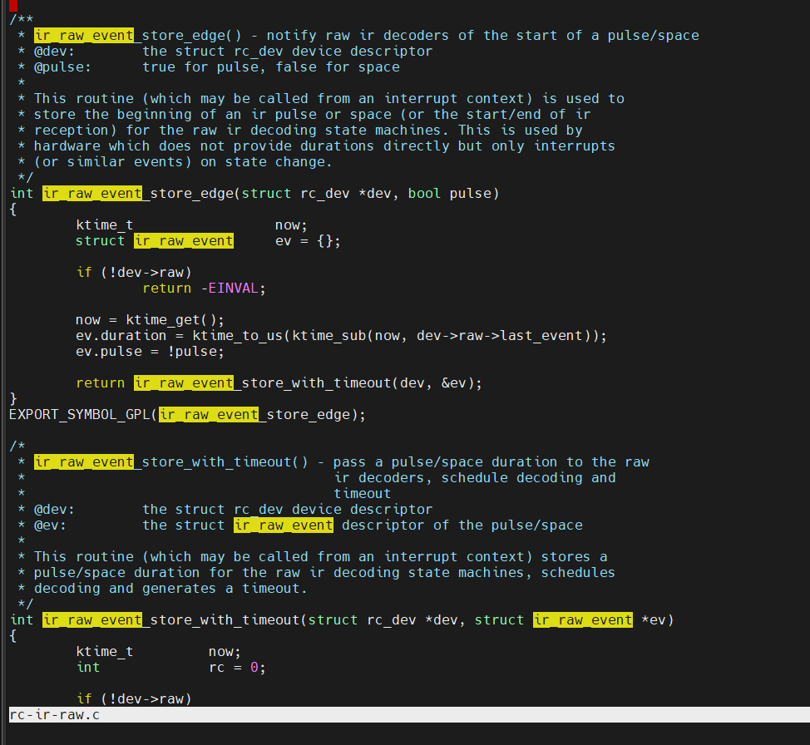
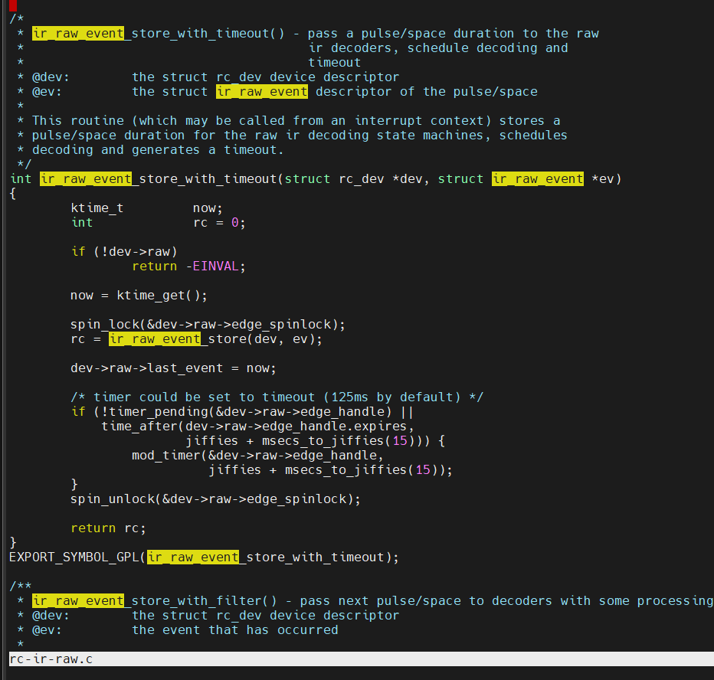

 | NEC Protocol: | SB-Projects - IR - NEC Protocol (sbprojects.net)

 | Some protocols:
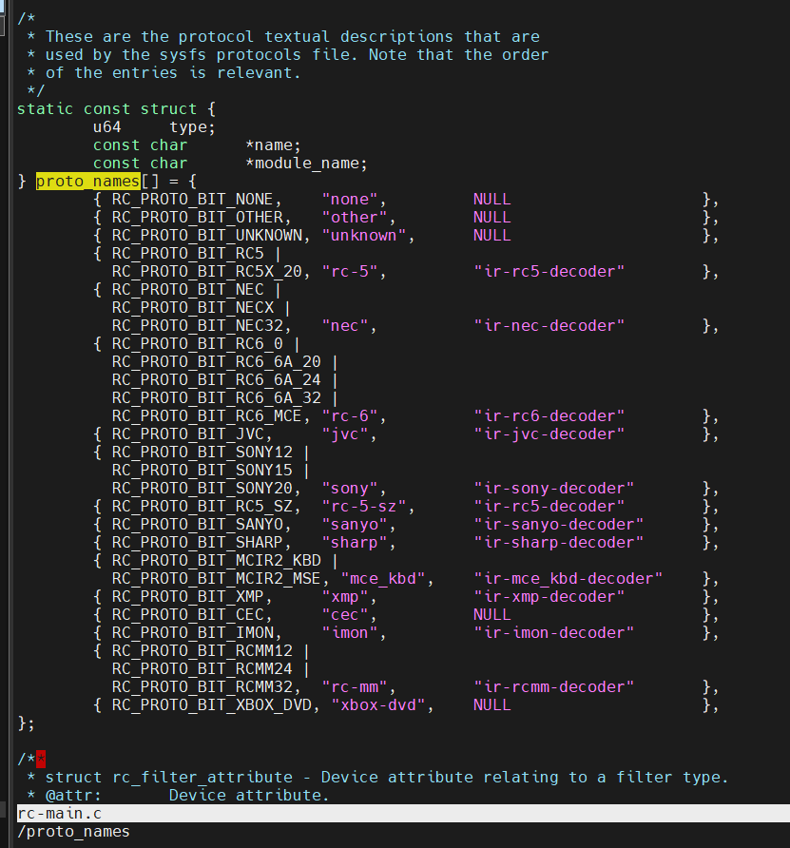
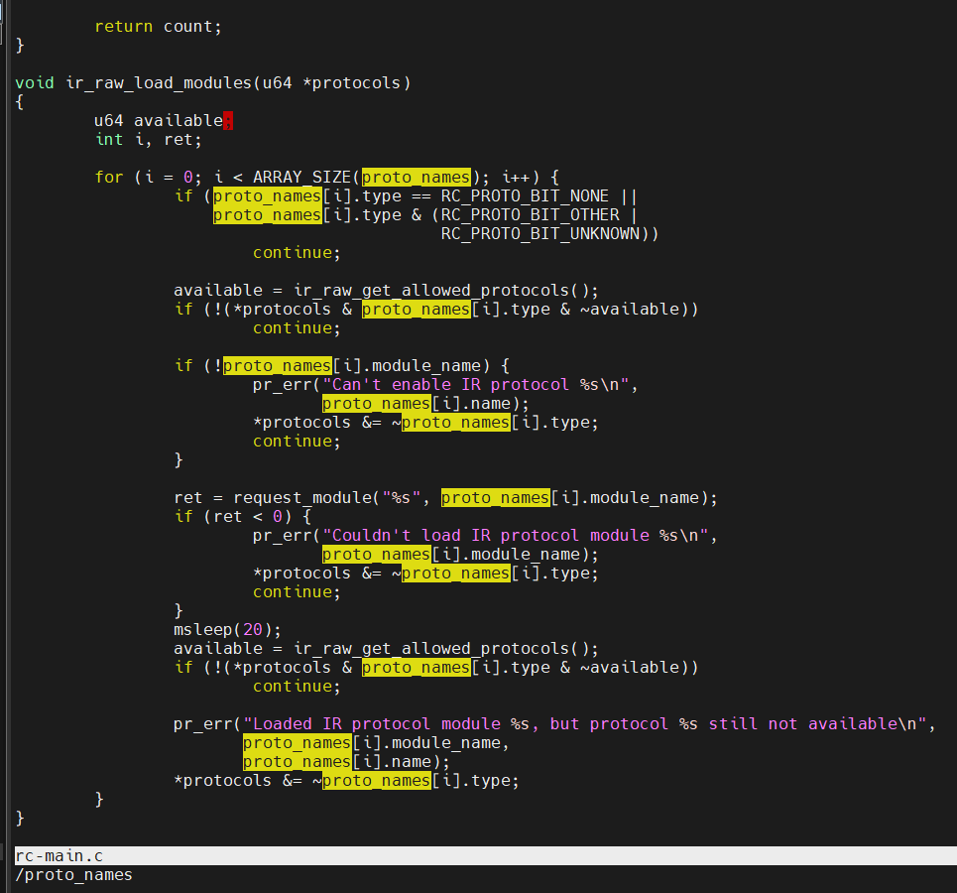

 | RC6 protocol
 | SB-Projects - IR - Philips RC-6 Protocol (sbprojects.net)

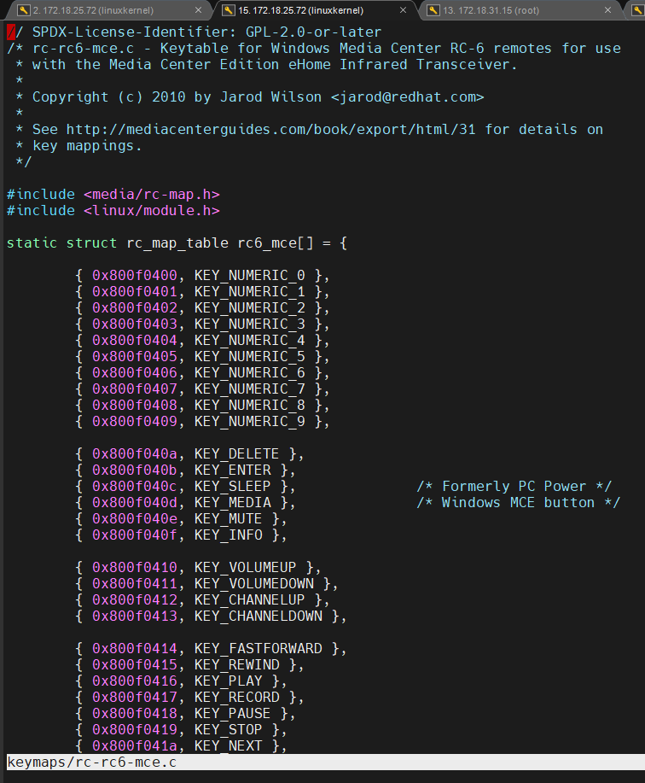

 | Sony: SIRC protocol
 | SB-Projects - IR - Sony SIRC Protocol (sbprojects.net)
 | img-ir/img-ir-sony.c
 | ir-sony-decoder.c

 | Register protocol map
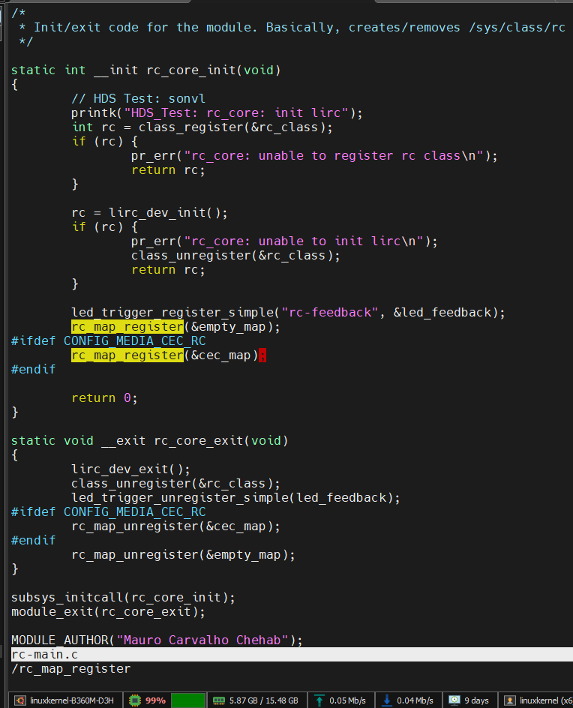

 | Send keycode to userspace

Kconfig
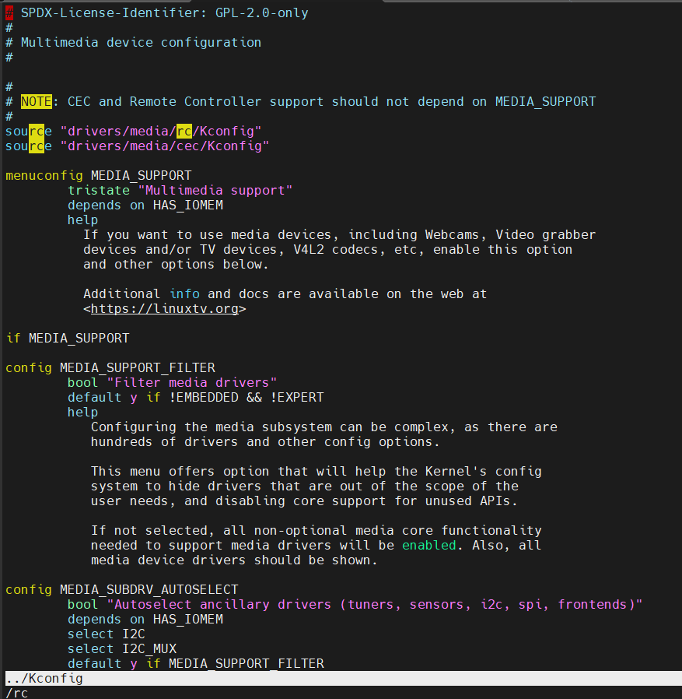
Kconfig document
Kconfig Language — The Linux Kernel documentation

