1. Title Page
Instacart Grocery Basket Analysis

Project Name: Achievement 4
Date:
Analyst Name: Matt Goldman

Contents:
Population Flow
Consistency checks
Wrangling steps
Column derivations
Visualizations
Recommendations

Data Source*
The Instacart Online Grocery Shopping Dataset 2017”, Accessed from https://www.instacart.com/datasets/grocery-shopping-2017 on [date]
*The customer data explored in Exercises 4.9 and 4.10, as well as the “prices” column in the products data set, were both fabricated for the purpose of this course

2. Population Flow
Title page

Population flow

Exclusion flag
Condition: max_order <
Obervations to be removed:
Final total count of order_products_all:

Orders_products_combined
Orders_products_merged
Orders_products_all

Total: 32404859
Total: 32434489
Total: 32641279

1.) The grey boxes in the first row of the population flow represent the original data sets as they were when you downloaded them. In the Total fields you need to add the count of the rows when you imported the data set into Jupyter.
2.) The second row of boxes (coloured) represents the data sets after you manipulated them, e.g., removed missing values and duplicates. In the Total fields you need to add the count of the rows after conducting these operations. This offers a visual oveview of how the data flows throughout the data consistency checks.
3.) The third row, where also the arrows are coloured, represents the merges you performed between the datasets. In the Total fields you need to add the count of the rows in the merged datasets, so that you end up with the final dataset (in the red box). Keep in mind the final dataset should be without exclusions (based on the exclusion flag).

3. Consistency checks
 |  |  |  | Title page
Consistency checks

Dataset | Missing values | Missing values treatment | Duplicates
orders | 206209 | none | 0
products | 16 | removed items with missing product name | 5
orders_products_prior | 0 | none | 0
customers | 11259 | none | 0

4. Wrangling steps
 |  |  |  |  | Title page
Wrangling steps

Dataset | Columns dropped | Columns renamed | Columns' type changed | Comment/Reason
orders | eval_set |  |  | irrelevent data
orders |  | order_dow |  | changed to order_day_of _week
orders |  |  | order_id | changed from int64 to str
orders |  |  | user_id | changed from int64 to str
products |  |  | product_id | changed from int64 to str
order_products__prior |  |  | order_id | changed from int64 to str
order_products__prior |  |  | product_id | changed from int64 to str
customers |  |  | user_id | changed from int64 to str
customers |  |  | First Name | changed from mixed to str
customers |  |  | joined_date | changed from str to str to datetime64[ns]

5. Column derivations
 |  |  |  | Title page

Column derivations and aggregations

In this tab you should add tables below that the frequences of flags/label variables that you produced after deriving them. NB: don't do this for continuous variables, only for flags.
Dataset | New column | Column/s it was derived from | Conditions
orders_products_merged | price_range_loc | prices | low-, mid-, or high-range product based on its price
orders_products_merged | busiest_days | order_day_of_week | two busiest/slowest days of the week
orders_products_merged | busiest_period_of_day | order_hour_of_day | most orders, average orders, fewest orders
 | max_order | user_id & order_number
 | loyalty_flag | max_order | Loyal Customer, Regular Customer, and New Customer
 | average_price | prices
 | spending_flag | average_price | low spender, high spender
 | median_days | days_since_prior_order
 | order_frequency_flag | median_days | non-frequent, regular, frequent customers
 | region | state | south, west, midwest, notheast
 | activity_level | max_order | high activity, low activity
 | age_groups | age | under 40, 40-60, over 60
 | income_range | income | under 100k, 100-300k, over 300k
 | parents | n_dependants | parents, not parents
 | age_dep_profile | age & n_dependants | young, mid age, older; parent, not parent

price_range_loc |  | region
mid range product 21860868 |  | South 10870719
NaN 10136829 |  | West 8353182
high range product 417678 |  | Midwest 7652535
low range product 225904 |  | Northeast 5764832
 |  | NaN 11
busiest_days
regular day 13010477
busiest day 11949665 |  | activity_level
least busy day 7681137 |  | High-Activity 31929979
 |  | Low-Activity 711289
busiest_period_of_day |  | NaN 11
most orders 23374658
average orders 8886145 |  | age_groups
fewest orders 380465 |  | under 40 11245254
NaN 11 |  | 40-60 10735942
 |  | over 60 10660072
loyalty_flag |  | No Age Group Assigned 11
Regular Customer 15876776
Loyal Customer 10284093 |  | income_range
New Customer 6243990 |  | under 100k 17726265
 |  | 100-300k 14812947
spending_flag |  | over 300k 102056
low spender 32001233 |  | No Income Range Assigned 11
high spender 640035
NaN 11 |  | parents
 |  | Parent 24484321
order_frequency_flag |  | Not Parent 8156947
Frequent customer 21639188 |  | No Dependants Assigned 11
Regular customer 7287469
Non-frequent customer 3714611 |  | age_dep_profile
NaN 11 |  | Young Parent 8443073
 |  | Mid Age Parent 8055229
 |  | Older Parent 7986019
 |  | Young Non Parent 2802181
 |  | Mid Age Non Parent 2680713
 |  | Older Non Parent 2674053

6. Visualizations
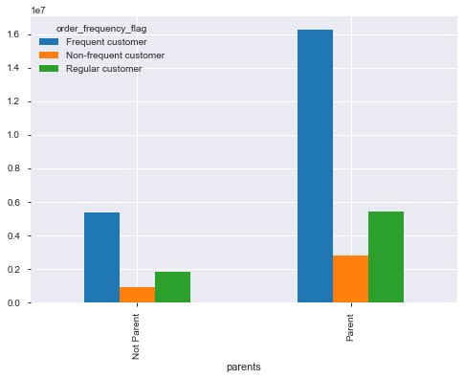
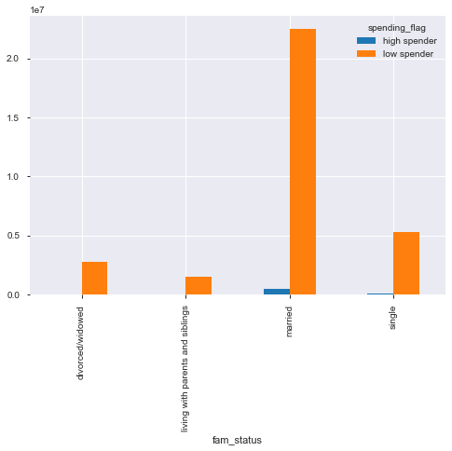
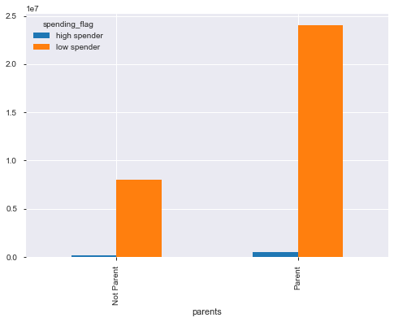
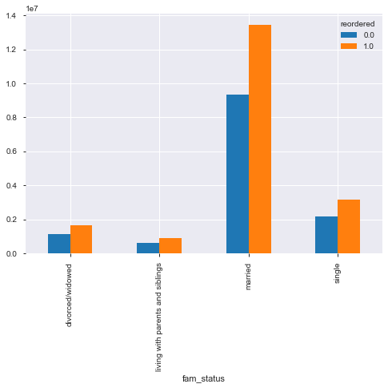
 |  |  |  | Title page

Visualisations

In this tab you should include all the visualtions from Exercises 4.9 and 4.10, alongside the questions from the project brief that they answer. Include any commentary on the relationship between different variables.

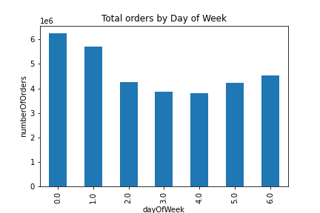
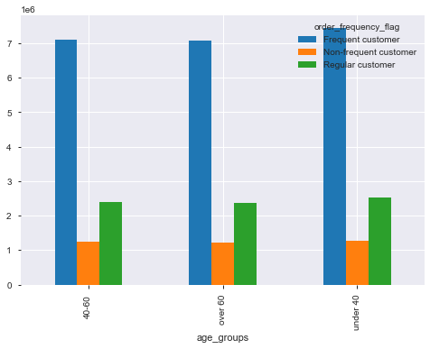
According to analysis, the busiest days of the week are Saturday and Sunday
 |  |  |  |  | No difference in order frquency based on age groups

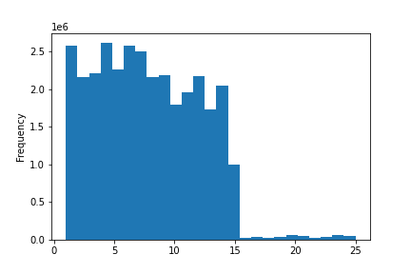

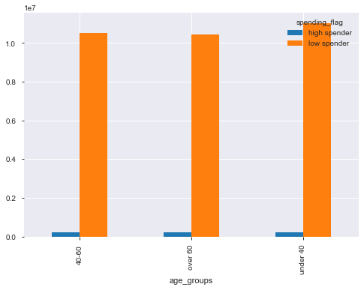
 | Most Items purchased are less than or equal to $15 |  |  |  |  | No Difference in spending based on age



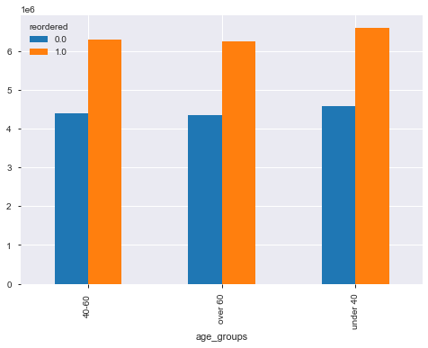
 | Busiest hours of the day are between 10:00AM and 3:00 PM

 |  |  |  |  |  | No difference in reorders based on age

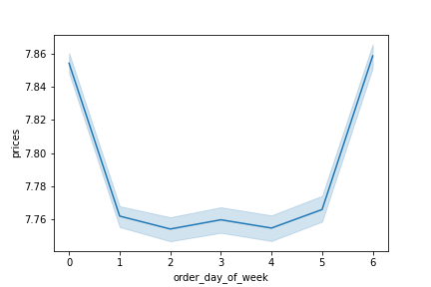

 | Most money is spent on Friday and Saturday
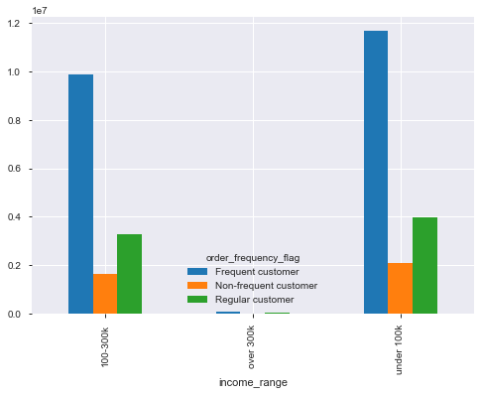

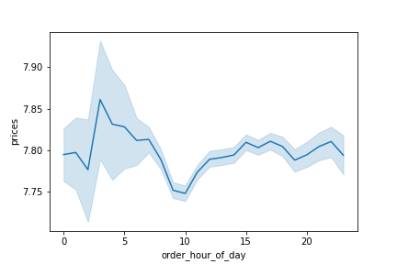

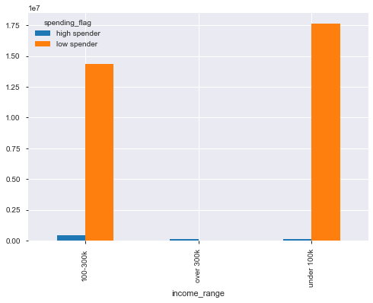
 | Higher priced items are typically purchased early in the morining

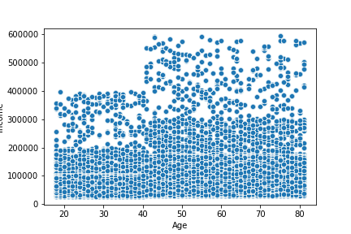

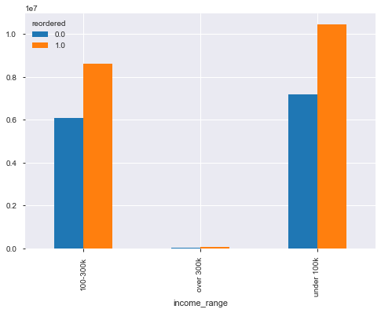
 | Income tends to increase after the age of 40

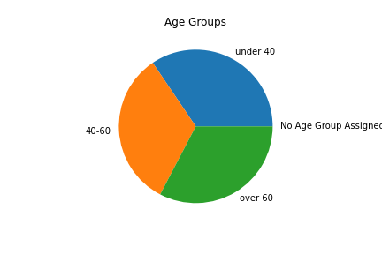

 |  | Age of users is equally distributed among age groups
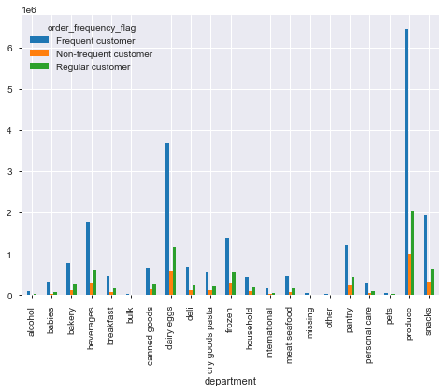

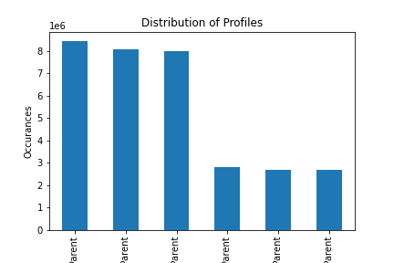

 |  | Parents tend to make more purchases than non parents

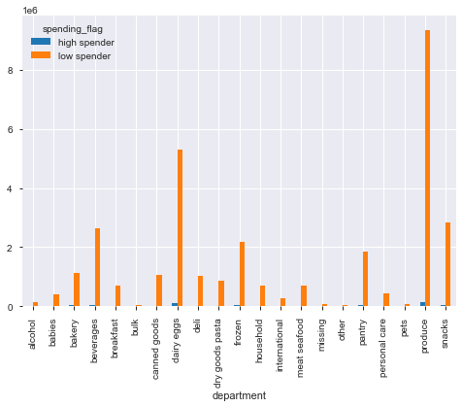

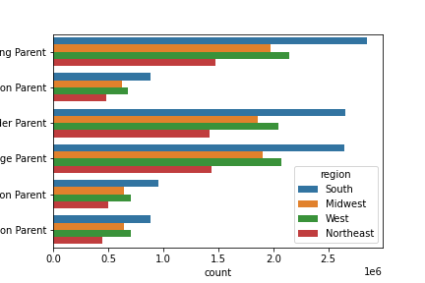

 | regardless of age or dependants, the South shows the most utilization of the app

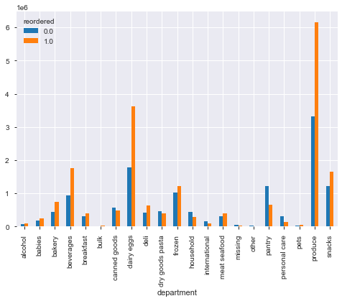

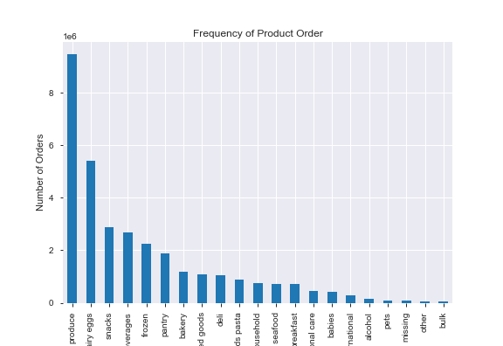

 |  |  | Produce has the largest number of orders

7. Recommendations
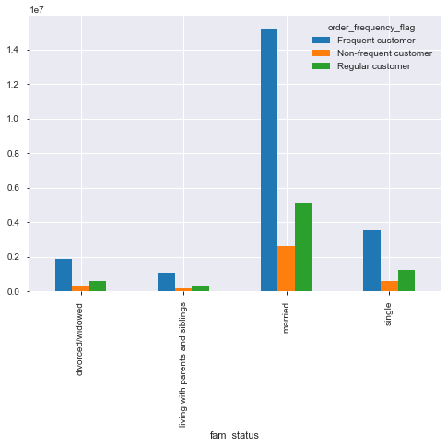
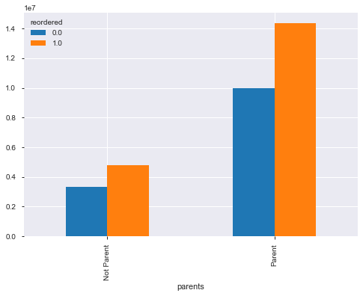
 |  |  | Title page

Recommendations

In this tab you should include any recommendations you would made to Instcart in terms of their marketing strategy based on the questions posed in the brief. Every key question has been covered in the Tasks of the Exercises - here you need to add an item - a visualisation or table/crosstable that is showing the answer in the data, acompanied by a comment from you. Please, list the questions below and add the answer underneath.

 | Question
1 | The sales team needs to know what the busiest days of the week and hours of the day are
 | (i.e., the days and times with the most orders) in order to schedule ads at times when there are fewer orders.
 | The busiest days of the week are Saturday and Sunday

2 | The sales team needs to know whether there are particular times of the day when people spend the most money,
 | as this might inform the type of products they advertise at these times.
 | The most money is spent between 10:00 AM and 3:00 PM

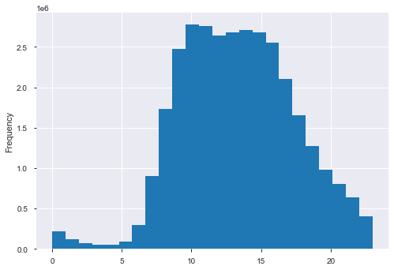

3 | Are there certain types of products that are more popular than others?
 | The marketing and sales teams want to know which departments have the highest frequency of product orders.
 | Produce, and Dairy/Eggs have the largest number of orders

4 | The marketing and sales teams are particularly interested in the different types of customers in their system and how their ordering behaviors differ.
 | Consider the price of orders, the frequency of orders, the products customers are ordering, and anything else you can think of.
4a |  | What’s the distribution among users in regards to their brand loyalty (i.e., how often do they return to Instacart)?
 |  | frequent customers make up the largest population of users

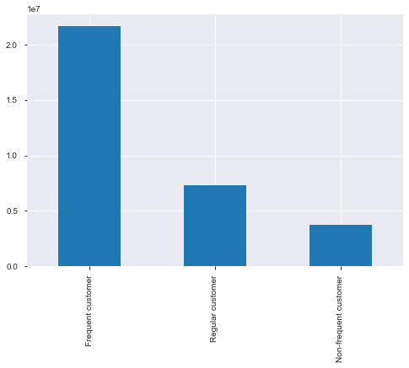

4b |  | Are there differences in ordering habits based on a customer’s loyalty status?
 |  | Regular customers make up the largest population of users

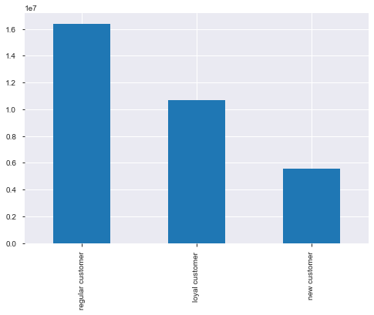

4c |  | Are there differences in ordering habits based on a customer’s region?
 |  | South region has the most orders

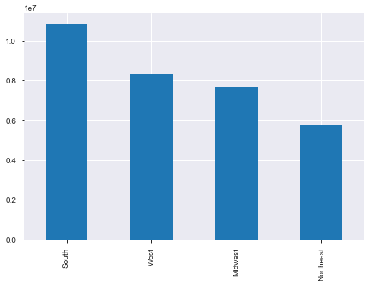

4d |  | Is there a connection between age and family status in terms of ordering habits?
 |  | Parents tend to order much more frequently than non parents

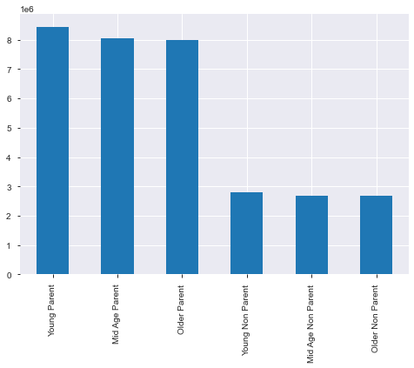

4e |  | What different classifications does the demographic information suggest? Age? Income? Certain types of goods? Family status?
 |  | Age has little to no affect on oerdering habits

 |  | The largest population of frquent customers has an income of under $100,000. Very few customers make above $300,000

 |  | Produce appears to be the biggest seller regarless of variable

 |  | The largest number of orders are placed by married people

