Planilha1
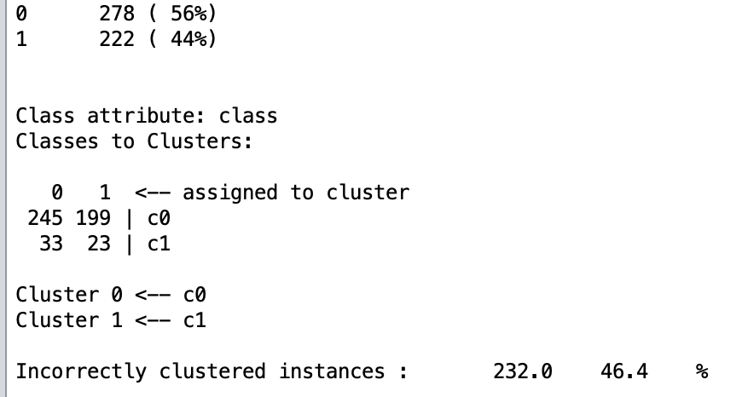
C0 | C1
444 | 56
KNN | Gendata-v1
 | Correctly Classified Instances 425 85 %
 | Incorrectly Classified Instances 75 15 %

KNN | Gendata-v2
 | Correctly Classified Instances 444 88.8 %
 | Incorrectly Classified Instances 56 11.2 %

 | Gendata-v2 Normalized
 | Correctly Classified Instances 463 92.6 %
 | Incorrectly Classified Instances 37 7.4 %

 | Gendata-v1

