Ha from N V
Goal
Use a measurement or limit on the Si III line flux from G140M or E140M spectra to measure/limit the Ha EW using the eimpirical relationship of Melbourned et al. 2022 below.
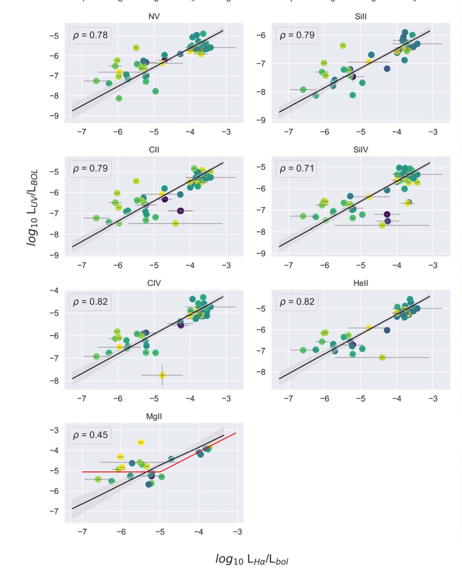

Process
measure Si III flux from G140M or E140M spectra

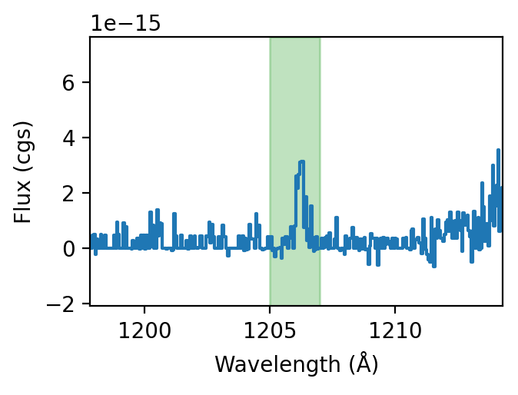

Use distance to get Si III luminosity
Use Teff to get Lbol from Mamajek table (see other sheet)
Compute L(Si III)/L(bol)

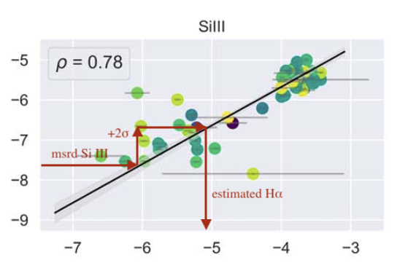
Add 2σ scatter from Melbourne relationship to L(Si III)/L(bol) to be conservative (1.06 dex)
Get L(Ha)/L(bol) from melbourne relationship

L(Si III)/Lbol
(dex)

 | L(Ha)/Lbol (dex)

Use Lbol to get L(Ha)
Get continuum near Ha from lookup table (see other sheet)
Compute Ha EW from L(Ha)/Lbol divided by continuum

