TestCases
Manual TestSet of GetInteriorVehicleData RPC
Test Cases in the demo are not individual atomic tests, they should be performed as End To End flow

Step # | Action | Expected Result | Comment
Preconditions
1 | Build SDL with default configuration | SDL is built successfully
2 | Setup SyncProxyTester (SPT) | SyncProxyTester is set up
3 | Turn off Internet connection in order to disable interactions with cloud | Internet connection is turned off
4 | Start SDL and HMI | SDL is started
4 | Start HMI (check "plugin" RC radiobutton) and when 'OK' | HMI is started
5 | Connect mobile device via any transport | Mobile device is connected
6 | Open Climate" module tab. | For Temperature Unit "C" is choosen
7 | Press on "Driver" button | "Drivers Device Selection Window" is opened
8 | Go to "Drivers device" drop-down filter and choose connected mobile device. | Connected device is present in the drop-down filter and selected.
9 | Press "Set as Driver's" button. | "Current driver's device is <connected device>"
Test case: | Registration of application
1 | Register mobile application with the following parameters and values (mostly default ones): - 'AppName': 'SyncProxyTester' - 'Media': 'Checked' - ‘App synonim1’: 'Synonim1' - ‘App synonim2’: 'Synonim2' - ‘TTS Text’: 'Sync Proxy Tester' - ‘TTS Text Type': 'TEXT' - ‘Language’: ‘EN-US’ - ‘HMI language’: ‘EN-US’ - ‘Transport Type’: <Check_selected_transport_radio_button> - ‘IP address’: 10.0.2.2 (if applicable) - ‘Port’: 12345 (if applicable) - 'App ID': '584421907' - 'More options': - ‘NGN Short App Name: 'SPT' - ‘Override Policies URL': 'Unchecked' - ‘Set app icon after registration': 'FIESTA' - ‘Enter Hash Id': 'Checked': 'Checked' - ‘Simulate Media Streaming App': unchecked - ‘Select Previous HashID': 'Checked' - ' Keep Bluetooth Port Open': 'Checked' - 'Enabe BT Multiplexing': 'Checked' - 'MTU Size': 'Unchecked' - 'Enabe Siphon Server': 'Unchecked' - 'Enabe App Resuming': 'Checked' - 'Policy data logs to SD-card': 'Checked' - 'Enabe Heartbeat': 'Unchecked' - 'Enabe Protocol Message Logging': 'Unchecked' - 'Enabe Auto Send RPC': 'Checked' - ' Include Media Library': 'Unchecked' - ' Include Security Library': 'Checked' - ' Enabe Secure RPC Service': 'Unchecked' - 'External Certificate': 'Unchecked' - 'Select App HMI Type': ‘REMOTE_CONTROL’ - ‘Auto HMI Script': 'Unchecked' | Mobile application is registered successfully: App→SDL: RegisterAppInterface() SDL→HMI: BC.OnAppRegistered() SDL→App: SUCCESS: RegisterAppInterface() SDL→App: OnHMIStatus(NONE) SDL→App: OnPermissionsChange() SDL→App: OnHashChange() |  | 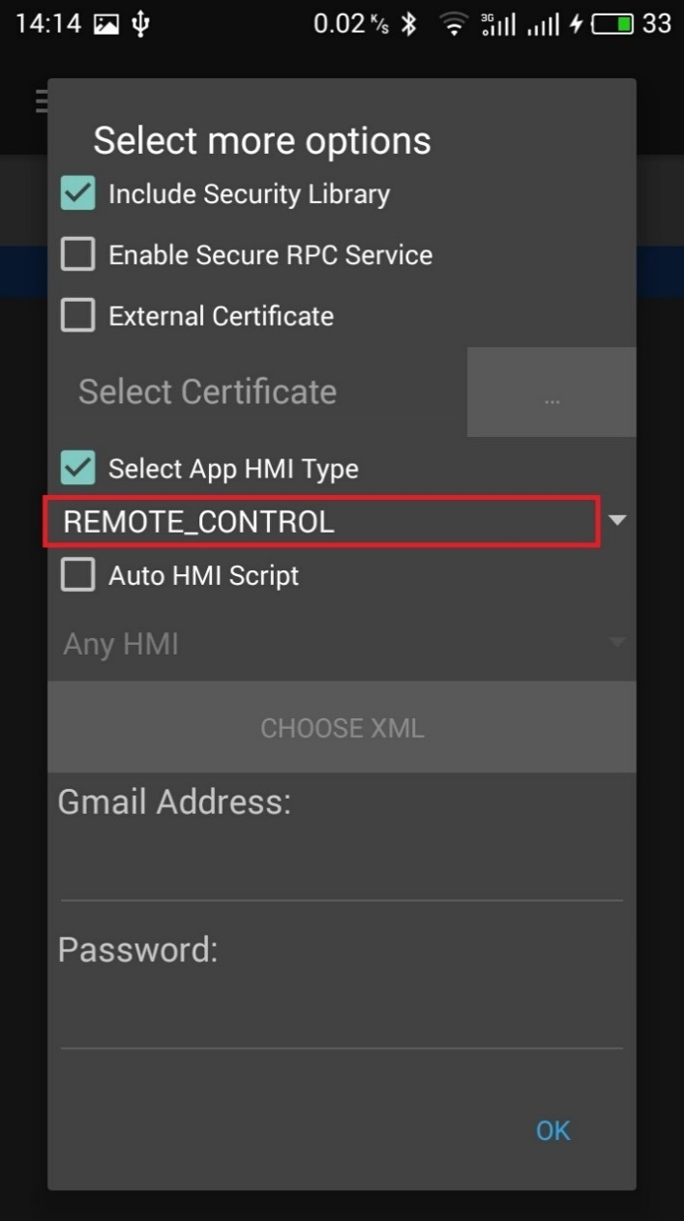
3 | On HMI activate SPT application | Application is activated: SDL→App: OnHMIStatus(FULL)
Test case: | GetInteriorVehicleData for CLIMATE module (subsrcibe to notifications)
1 | On mobile device send - 'GetInteriorVehicleData’ RPC with moduleType= ‘CLIMATE’ Subscribe: 'checked', 'ON' | GetInteriorVehicleData finished with SUCCESS: App→SDL: GetInteriorVehicle(CLIMATE, 'subsribe': 'true') SDL→HMI: RC.GetInteriorVehicleData(CLIMATE, 'subsribe': 'true') HMI→SDL: SUCCESS: RC.GetInteriorVehicleData (CLIMATE, 'issubsribed': 'true') SDL→ App: SUCCESS: RC.GetInteriorVehicleData (CLIMATE, 'isSubscribed":true) |  | 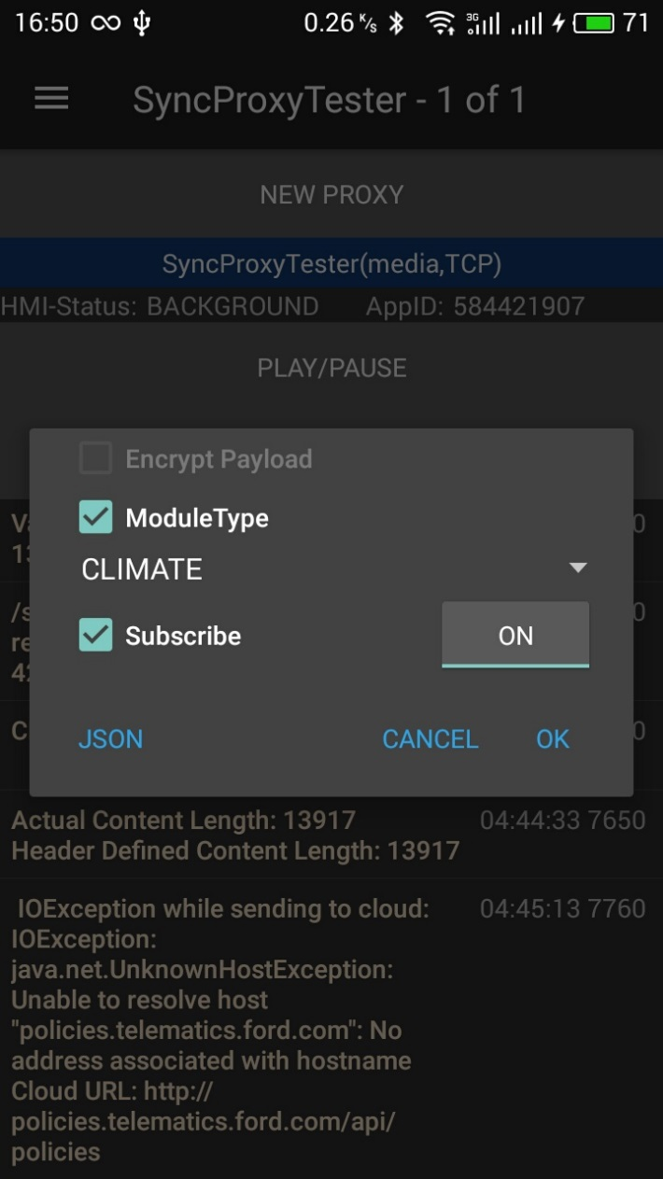 | 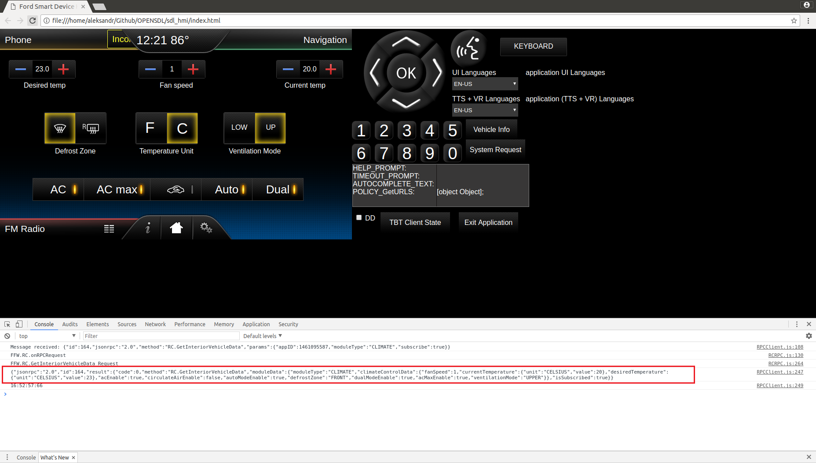
Test case: | Make sure that app is not subscribed on RC module status change notification
1 | On mobile device send - 'GetInteriorVehicleData’ RPC with moduleType= ‘CLIMATE’ Subscribe: 'checked', 'OFF' | GetInteriorVehicleData finished with SUCCESS: App→SDL: GetInteriorVehicle(CLIMATE, 'subsribe': 'false') SDL→HMI: RC.GetInteriorVehicleData(CLIMATE, 'subsribe': 'false') HMI→SDL: SUCCESS: RC.GetInteriorVehicleData (CLIMATE, 'issubsribed': 'false') SDL→ App: SUCCESS: GetInteriorVehicleData (CLIMATE, 'isSubsribed': 'false') |  | 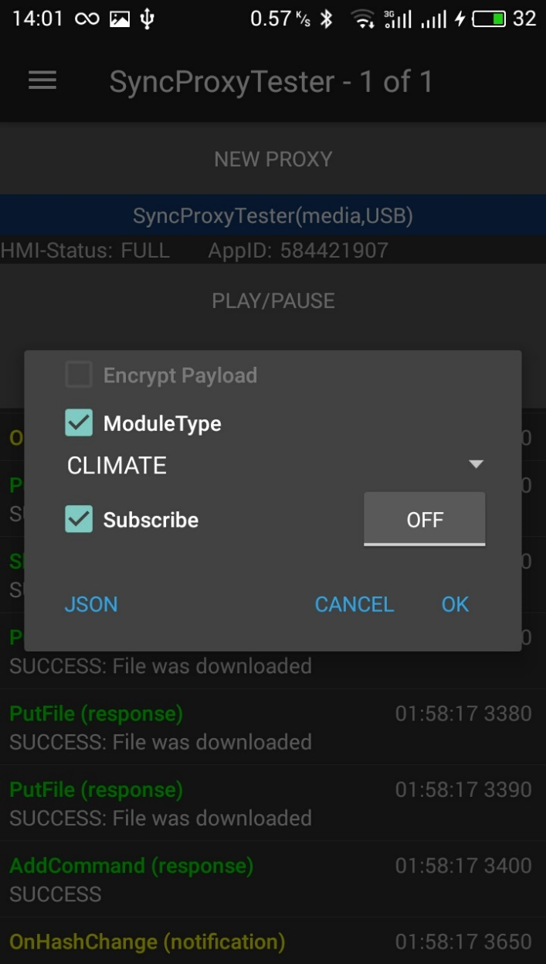 | 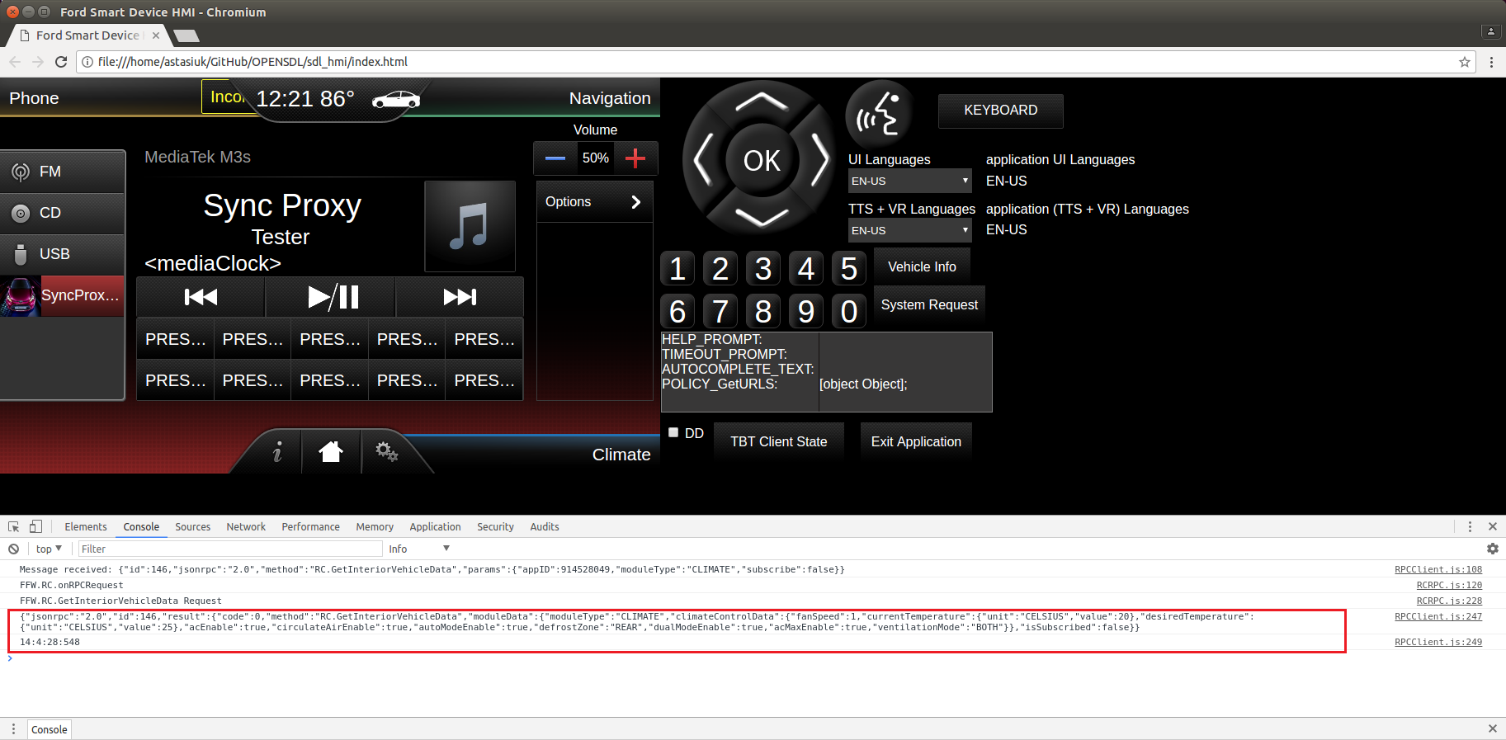
2 | Check "F" button - means temperature in "Fahrenheit" | On HMI button "F" is checked. Notification is not sent to Mobile app. | 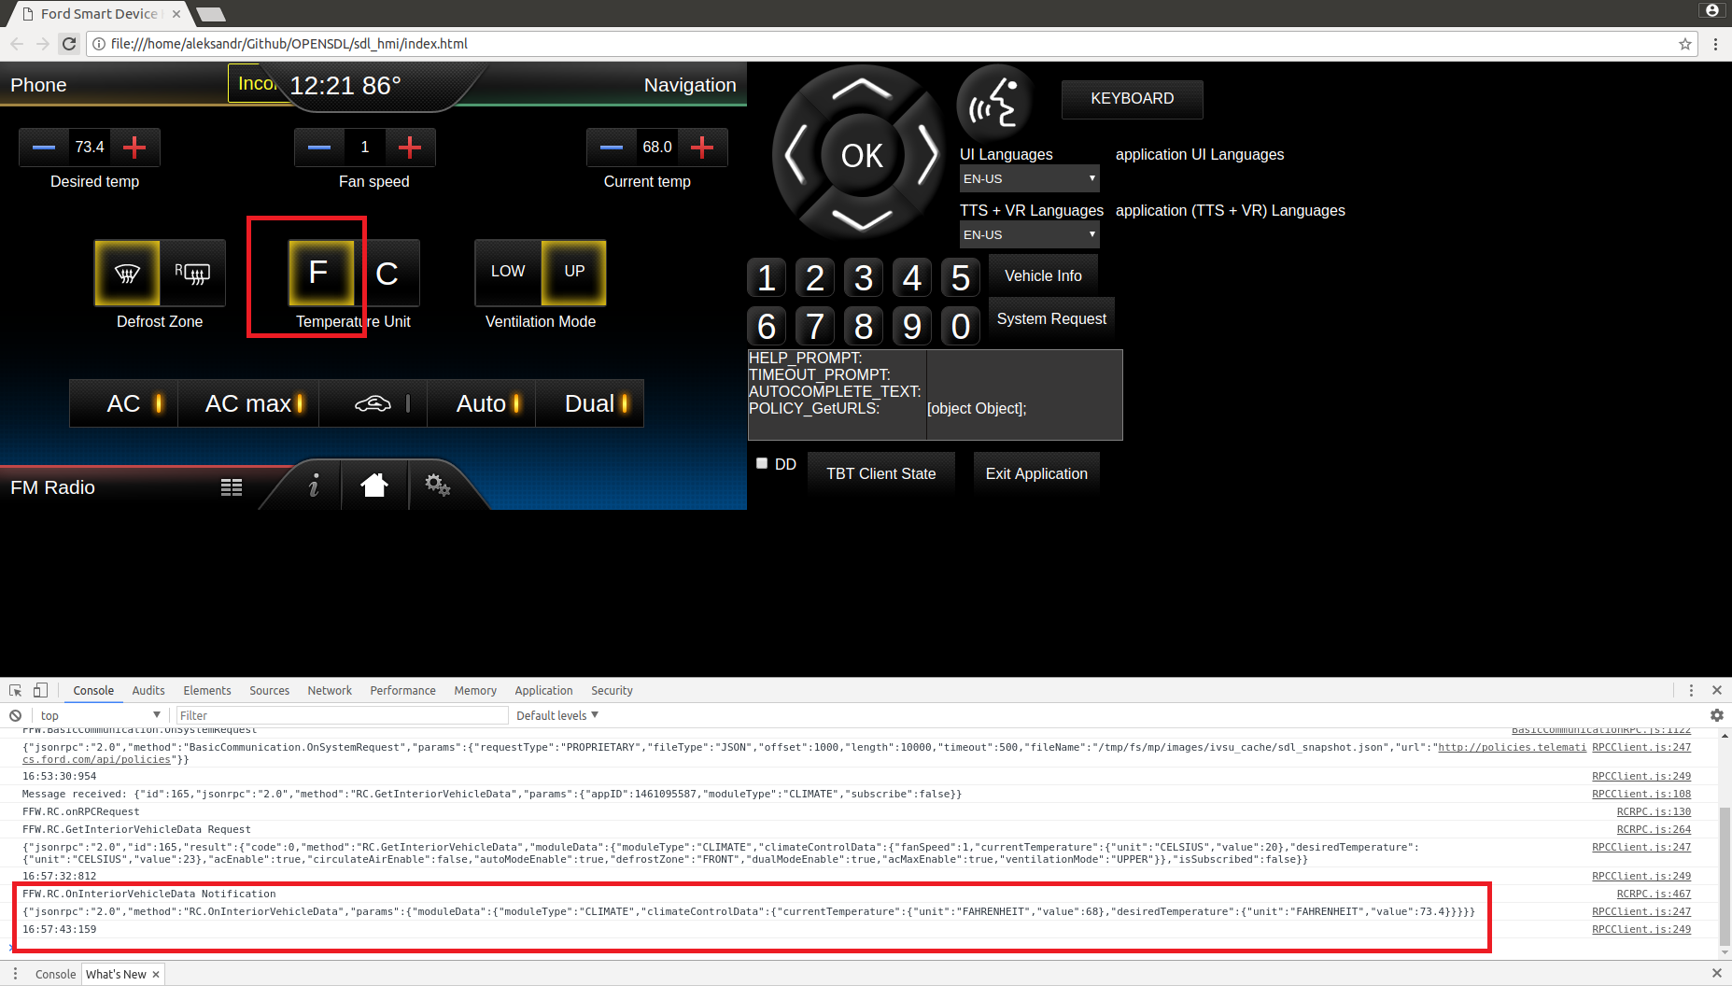 |  |  | 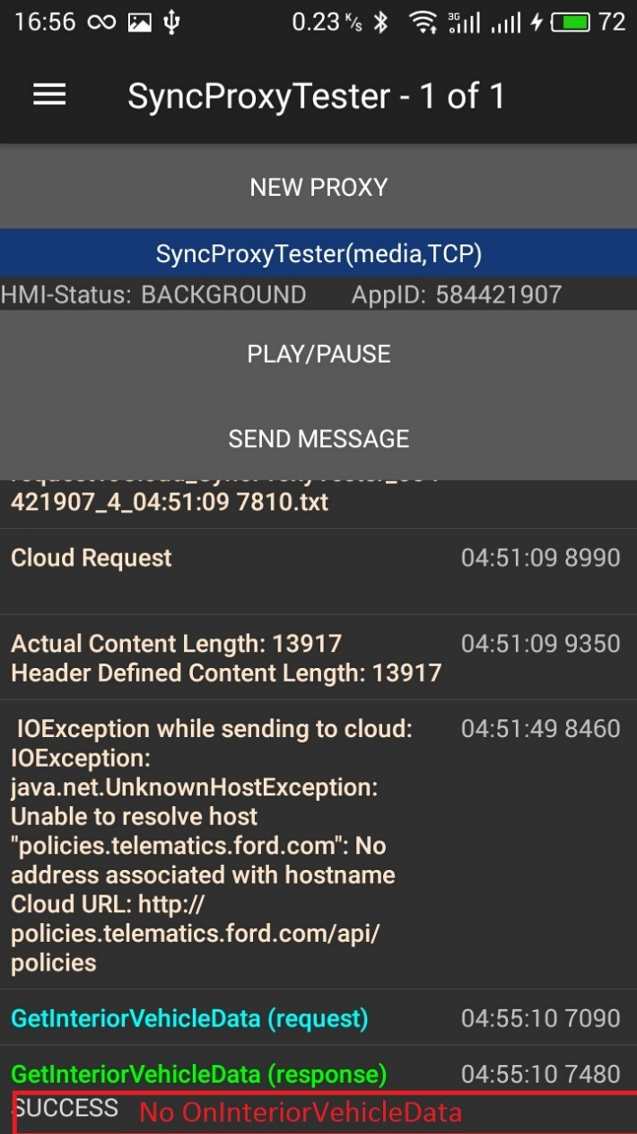
3 | On mobile device send - 'GetInteriorVehicleData’ RPC with moduleType= ‘CLIMATE’ Subscribe: 'checked', 'OFF' | GetInteriorVehicleData finished with SUCCESS: App→SDL: GetInteriorVehicle(CLIMATE, 'subsribe': 'false') SDL→HMI: RC.GetInteriorVehicleData(CLIMATE, FAHRENHEIT, 'subsribe': 'false') HMI→SDL: SUCCESS: RC.GetInteriorVehicleData (CLIMATE, FAHRENHEIT, 'issubsribed': 'false') SDL→ App: SUCCESS: GetInteriorVehicleData (CLIMATE, FAHRENHEIT, 'isSubsribed': 'false')
Test case: | GetInteriorVehicleData for RADIO module (subscribe to notifications)
1 | On mobile device send - 'GetInteriorVehicleData’ RPC with moduleType= RADIO Subscribe: 'checked', 'ON' | GetInteriorVehicleData finished with SUCCESS: App→SDL: GetInteriorVehicle(RADIO, 'subsribe': 'true') SDL→HMI: RC.GetInteriorVehicleData(RADIO, 'subsribe': 'true') HMI→SDL: SUCCESS: RC.GetInteriorVehicleData (RADIO, 'issubsribed': 'true') SDL→ App: SUCCESS: GetInteriorVehicleData (RADIO, 'isSubsribed': 'true') | 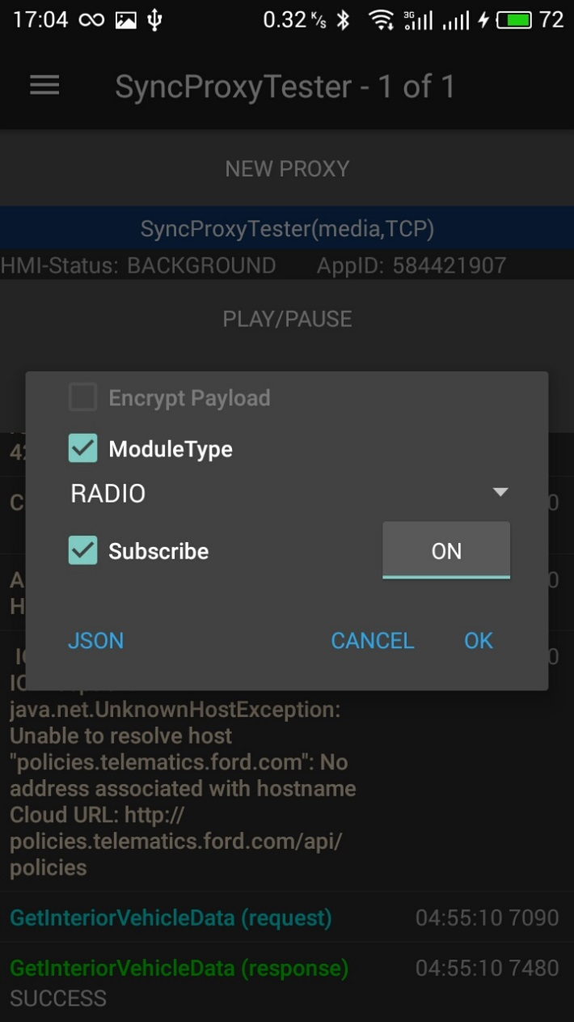 |  | 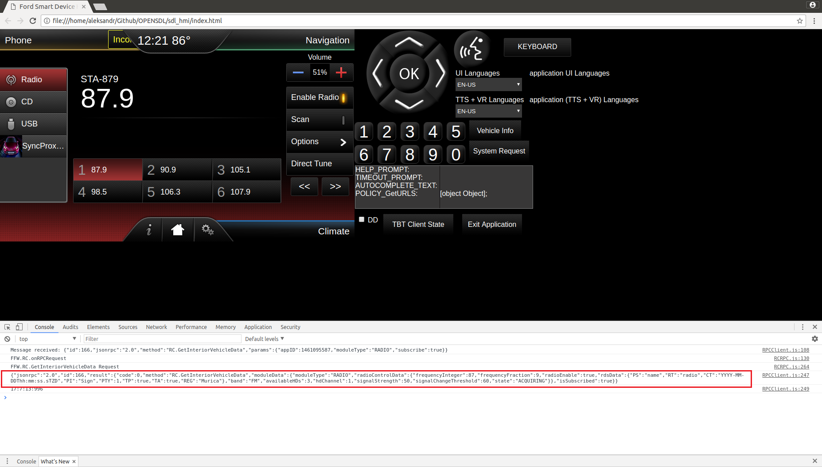
Test case: | GetInteriorVehicleData for RADIO module (unsubscribe from notifications)
1 | On mobile device send - 'GetInteriorVehicleData’ RPC with moduleType= RADIO Subscribe: 'checked', 'OFF' | GetInteriorVehicleData finished with SUCCESS: App→SDL: GetInteriorVehicle(RADIO, 'subsribe': 'false') SDL→HMI: RC.GetInteriorVehicleData(RADIO, 'subsribe': 'false') HMI→SDL: SUCCESS: RC.GetInteriorVehicleData (RADIO, 'issubsribed': 'false') SDL→ App: SUCCESS:GetInteriorVehicleData (RADIO, 'isSubsribed': 'false')
2 | Press "Scan" button (means "Start scanning") | On HMI scanning of stations is started. Notifications are not sent to Mobile app. |  | 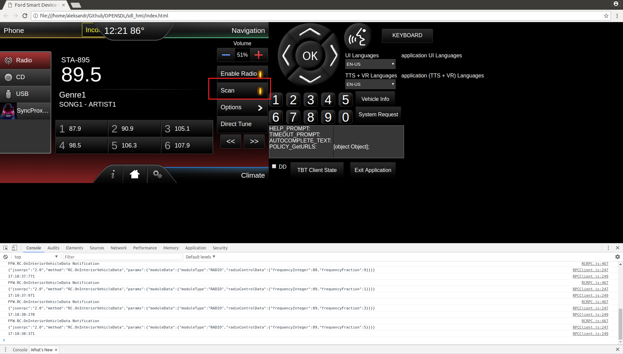
3 | Press "Scan" button again (means "Stop scanning") | On HMI scanning of stations is stopped. Notifications are not sent to Mobile app.
Test case: | Shutdown (Ignition OFF)
1 | On HMI press "Exit Application" button, select IGNITION_OFF from drop-down menu | HMI→SDL: BC.OnExitAllApplications(IGNITION_OFF) SDL→HMI: BC.OnSDLClose() SDL→App: OnAppInterfaceUnregistered() SDL stops working |  | 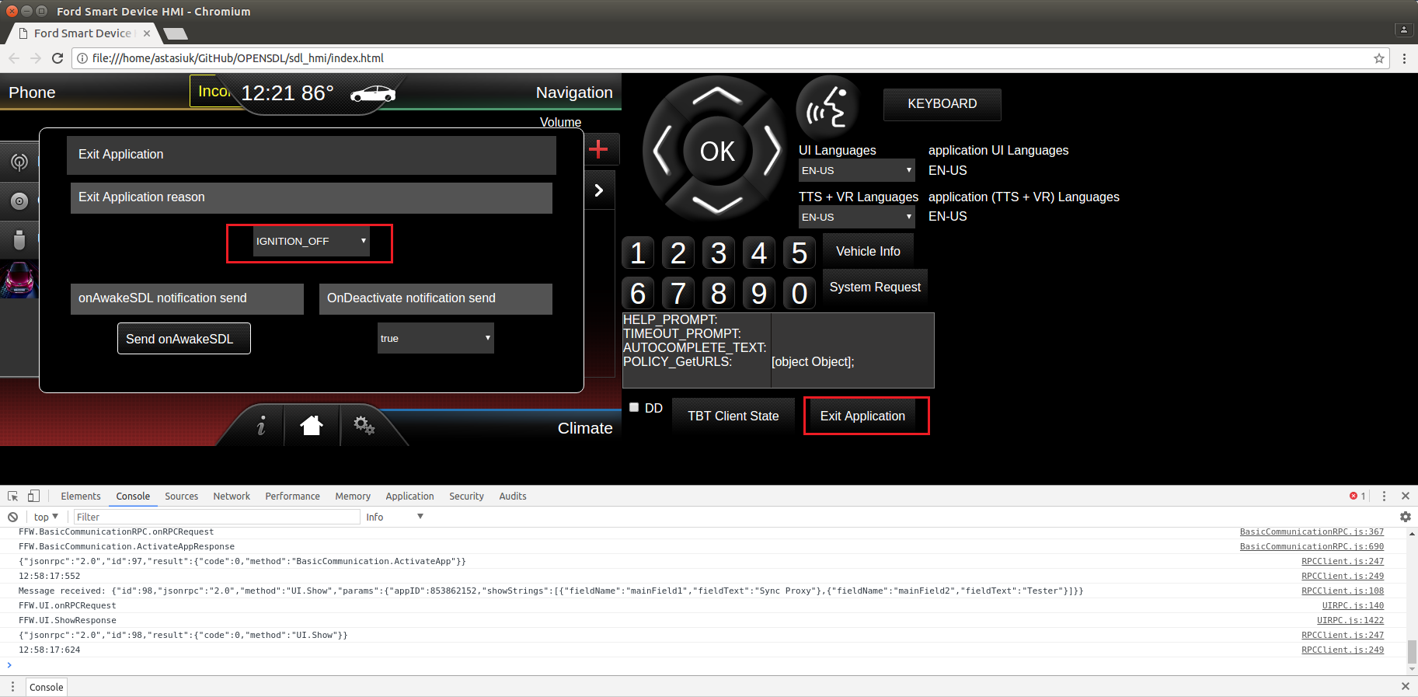
Test case: | Resumption (Ignition ON)
1 | Start SDL binary In case if USB transport is used, reconnect usb cable | SDL starts working App is registered: App→SDL: RegisterAppInterface() SDL→App: SUCCESS: RegisterAppInterface(). Resume succeeded. HMI level is restored: SDL→App: OnHMIStatus(FULL)
Test case: | Shutdown (Master Reset)
1 | On HMI press "Exit Application" button, make sure, that from drop-down filter MASTER_RESET reason is selected | HMI→SDL: BC.OnExitAllApplications(MASTER_RESET) SDL→HMI: BC.OnSDLClose() SDL→App: OnAppInterfaceUnregistered() SDL clears all Apps folder, app_info.dat file and shut down |  | 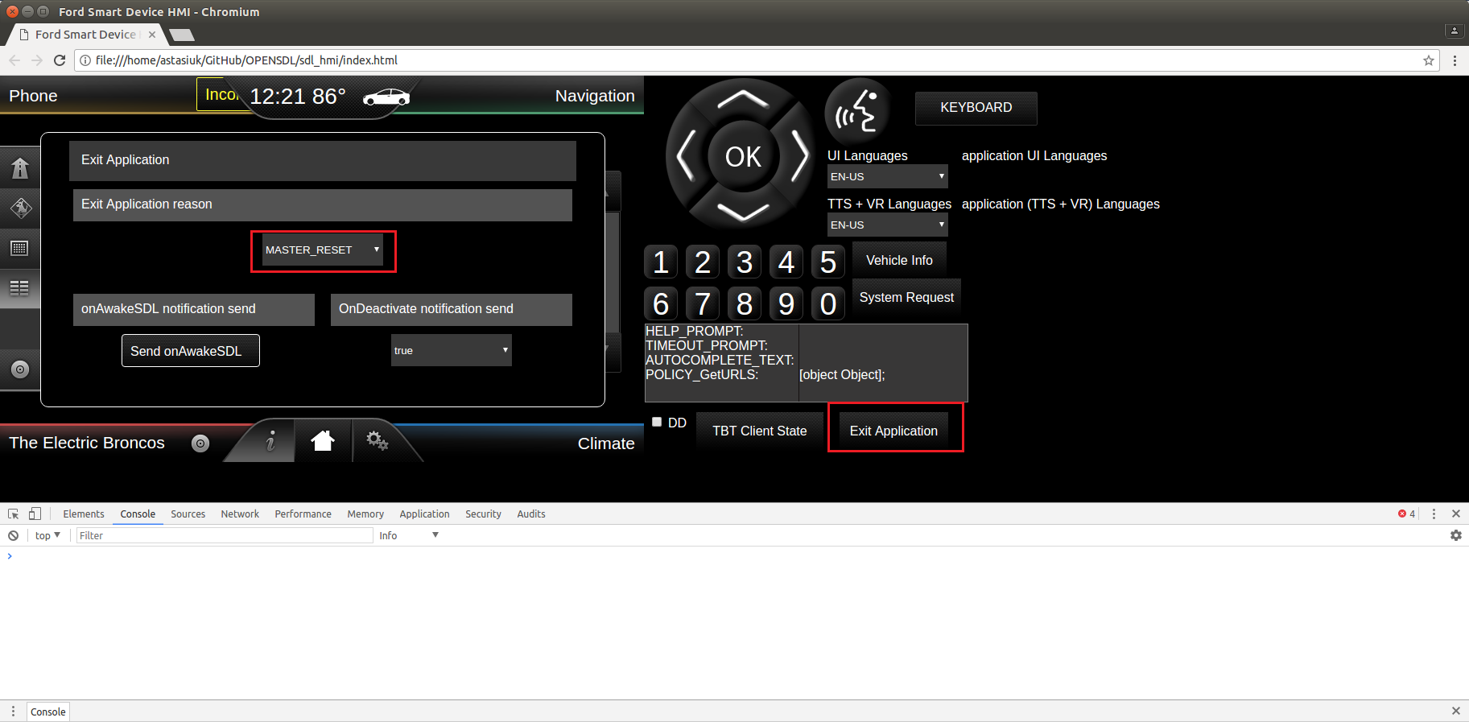
2 | Start SDL binary In case if USB transport is used, reconnect usb cable | SDL starts working No application registered Policy DB is clean and correspond to sdl_preloaded_pt.json

