TestCases
Manual TestSet of OnRemoteControlSettings RPC
Test Cases in the demo are not individual atomic tests, they should be performed as End To End flow

Step # | Action | Expected Result | Comment
Preconditions
1 | Build SDL with default configuration | SDL is built successfully
2 | Setup SyncProxyTester (SPT) | SyncProxyTester is set up
3 | Turn off Internet connection in order to disable interactions with cloud | Internet connection is turned off
4 | Start SDL and HMI | SDL is started
4 | Start HMI (check "plugin" RC radiobutton) and when 'OK' | HMI is started
5 | Connect mobile device via any transport | Mobile device is connected
6 | Open Climate" module tab. | For Temperature Unit "C" is choosen
7 | Press on "Driver" button | "Drivers Device Selection Window" is opened
8 | Go to "Drivers device" drop-down filter and choose connected mobile device. | Connected device is present in the drop-down filter and selected.
9 | Press "Set as Driver's" button. | "Current driver's device is <connected device>"
Test case: | Registration of application
1 | Register mobile application with the following parameters and values (mostly default ones): - 'AppName': 'SyncProxyTester1' - 'Media': 'Checked' - ‘App synonim1’: 'Synonim1' - ‘App synonim2’: 'Synonim2' - ‘TTS Text’: 'Sync Proxy Tester' - ‘TTS Text Type': 'TEXT' - ‘Language’: ‘EN-US’ - ‘HMI language’: ‘EN-US’ - ‘Transport Type’: <Check_selected_transport_radio_button> - ‘IP address’: 10.0.2.2 (if applicable) - ‘Port’: 12345 (if applicable) - 'App ID': '584421907' - 'More options': - ‘NGN Short App Name: 'SPT' - ‘Override Policies URL': 'Unchecked' - ‘Set app icon after registration': 'FIESTA' - ‘Enter Hash Id': 'Checked': 'Checked' - ‘Simulate Media Streaming App': unchecked - ‘Select Previous HashID': 'Checked' - ' Keep Bluetooth Port Open': 'Checked' - 'Enabe BT Multiplexing': 'Checked' - 'MTU Size': 'Unchecked' - 'Enabe Siphon Server': 'Unchecked' - 'Enabe App Resuming': 'Checked' - 'Policy data logs to SD-card': 'Checked' - 'Enabe Heartbeat': 'Unchecked' - 'Enabe Protocol Message Logging': 'Unchecked' - 'Enabe Auto Send RPC': 'Checked' - ' Include Media Library': 'Unchecked' - ' Include Security Library': 'Checked' - ' Enabe Secure RPC Service': 'Unchecked' - 'External Certificate': 'Unchecked' - 'Select App HMI Type': ‘REMOTE_CONTROL’ - ‘Auto HMI Script': 'Unchecked' | Mobile application is registered successfully: App→SDL: RegisterAppInterface() SDL→HMI: BC.OnAppRegistered() SDL→App: SUCCESS: RegisterAppInterface() SDL→App: OnHMIStatus(NONE) SDL→App: OnPermissionsChange() SDL→App: OnHashChange() |  | 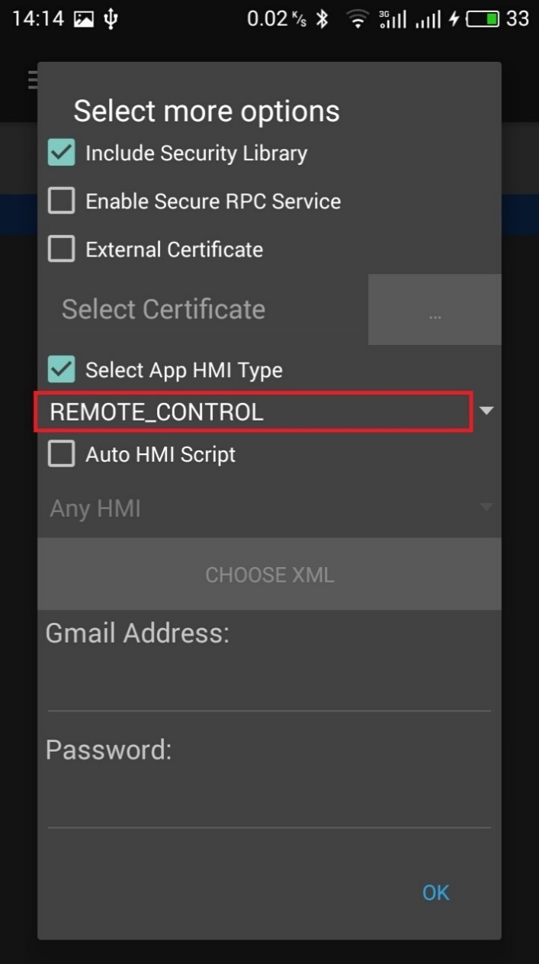
3 | On HMI activate SPT application | Application is activated: SDL→App1: OnHMIStatus(FULL)
Test case: | Request control settings for 2-nd app. "accessMode" = "AUTO_ALLOW" or without "accessMode". 1-st app - either LIMITED or BACKGROUND, 2-nd app - FULL |  | Req_1
1 | Register 2-nd mobile application with the following parameters and values (mostly default ones): - 'AppName': 'SyncProxyTester2' - 'Media': 'Checked' - ‘App synonim1’: 'Synonim1' - ‘App synonim2’: 'Synonim2' - ‘TTS Text’: 'Sync Proxy Tester' - ‘TTS Text Type': 'TEXT' - ‘Language’: ‘EN-US’ - ‘HMI language’: ‘EN-US’ - ‘Transport Type’: <Check_selected_transport_radio_button> - ‘IP address’: 10.0.2.2 (if applicable) - ‘Port’: 12345 (if applicable) - 'App ID': '773692255' - 'More options': - ‘NGN Short App Name: 'SPT' - ‘Override Policies URL': 'Unchecked' - ‘Set app icon after registration': 'FIESTA' - ‘Enter Hash Id': 'Checked': 'Checked' - ‘Simulate Media Streaming App': unchecked - ‘Select Previous HashID': 'Checked' - ' Keep Bluetooth Port Open': 'Checked' - 'Enabe BT Multiplexing': 'Checked' - 'MTU Size': 'Unchecked' - 'Enabe Siphon Server': 'Unchecked' - 'Enabe App Resuming': 'Checked' - 'Policy data logs to SD-card': 'Checked' - 'Enabe Heartbeat': 'Unchecked' - 'Enabe Protocol Message Logging': 'Unchecked' - 'Enabe Auto Send RPC': 'Checked' - ' Include Media Library': 'Unchecked' - ' Include Security Library': 'Checked' - ' Enabe Secure RPC Service': 'Unchecked' - 'External Certificate': 'Unchecked' - 'Select App HMI Type': ‘REMOTE_CONTROL’ - ‘Auto HMI Script': 'Unchecked' | Mobile application is registered successfully: App2→SDL: RegisterAppInterface() SDL→HMI: BC.OnAppRegistered() SDL→App2: SUCCESS: RegisterAppInterface() SDL→App2: OnHMIStatus(NONE) SDL→App2: OnPermissionsChange() SDL→App2: OnHashChange() |  | 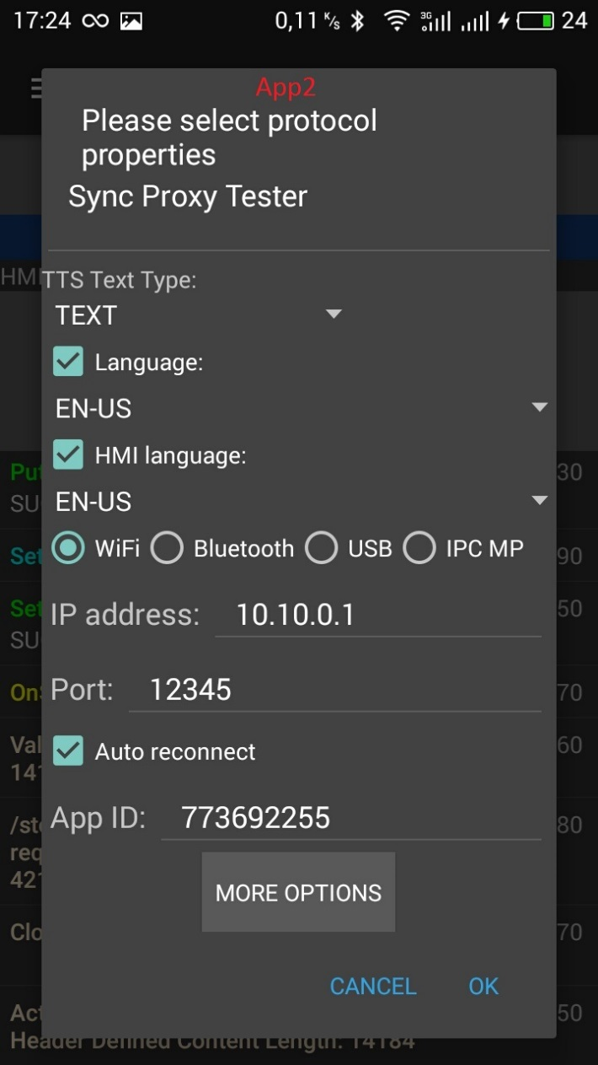 | 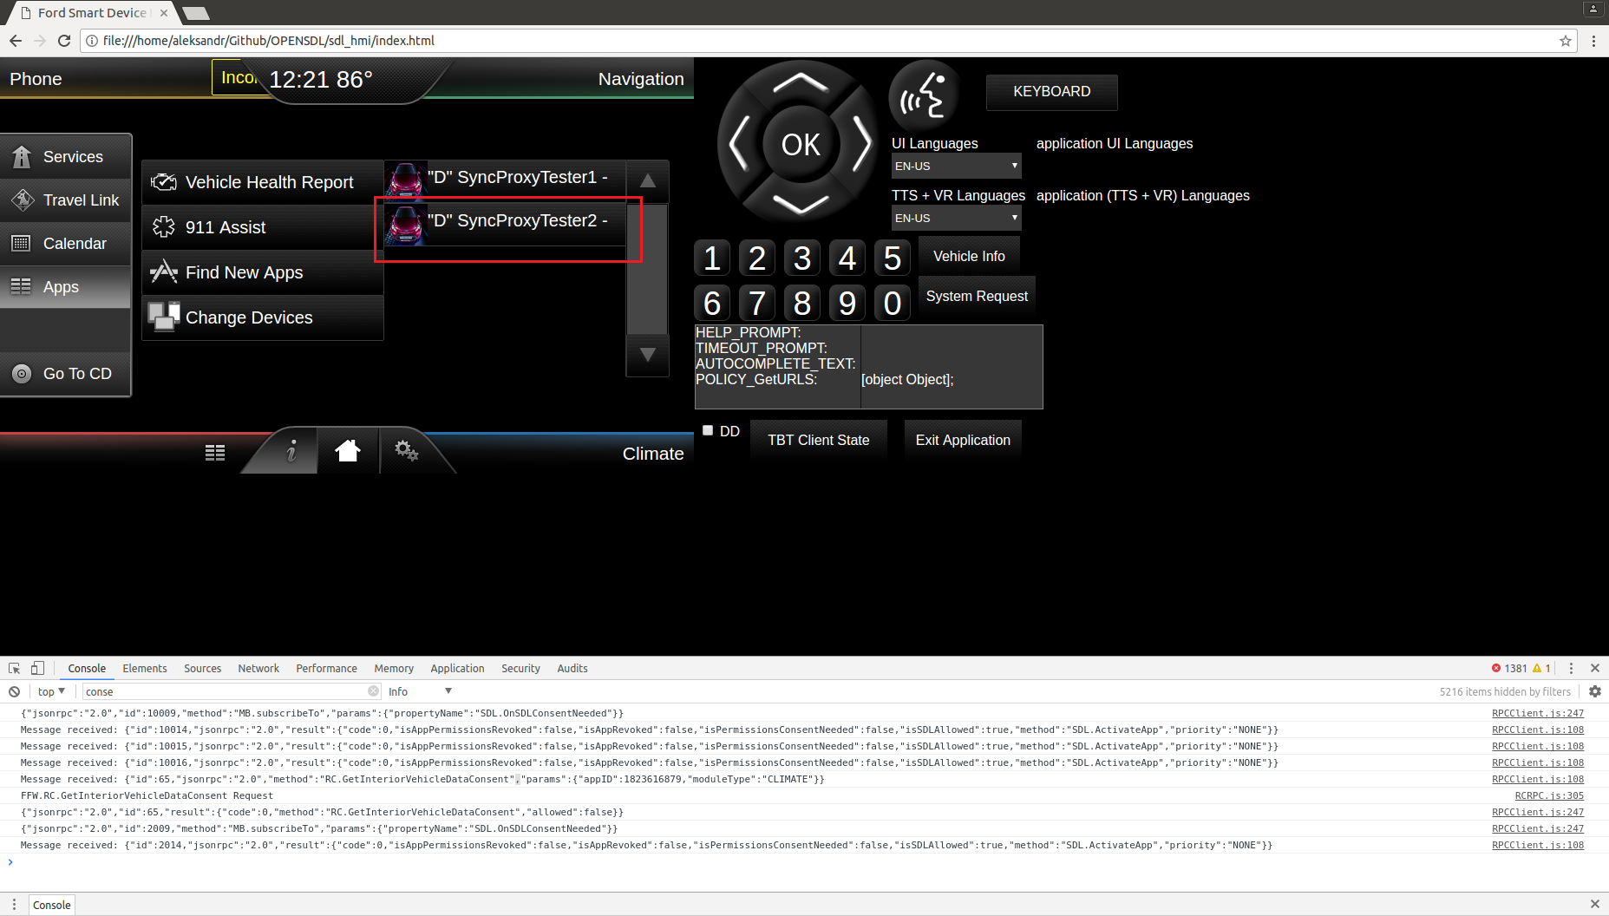
2 | On HMI activate 'SyncProxyTester1' application | App2 is activated: SDL→App1: OnHMIStatus(BACKGROUND) SDL→App2: OnHMIStatus(FULL)
3 | On HMI set up to "accessMode" = "AUTO_ALLOW" | HMI is sent notification to SDL: HMI→SDL: RC.OnRemoteControlSettings(AUTO_ALLOW) |  | 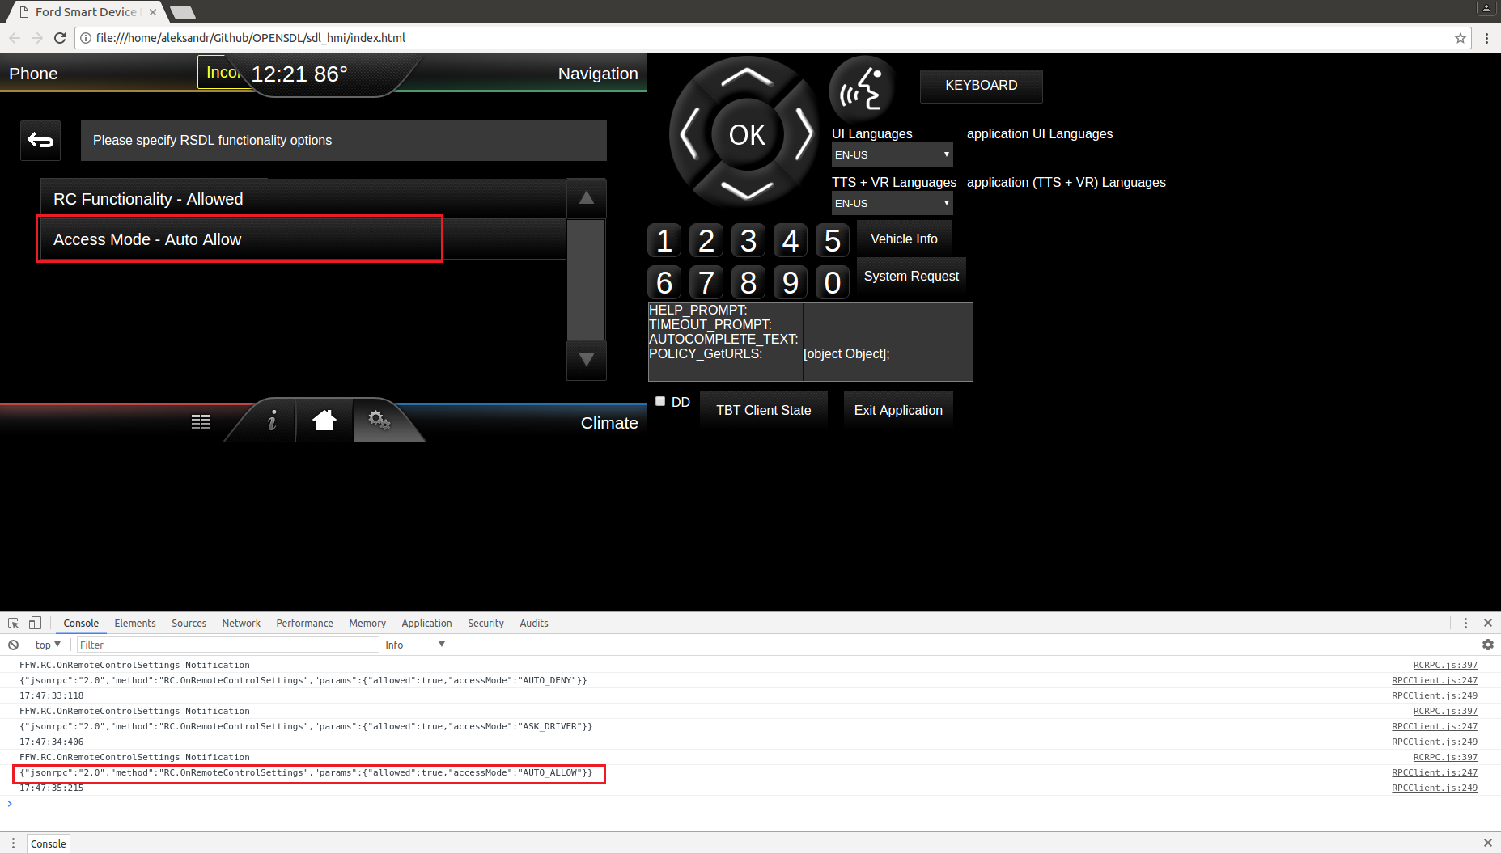
4 | From app2 (FULL) )send - 'SetInteriorVehicleData’ RPC with On mobile device send - 'GetInteriorVehicleData’ RPC with moduleType= ‘CLIMATE’ Subscribe: 'checked', 'OFF' RadioControlData: 'unchecked' ClimateConrolData: 'checked' Change "FanSpeed" : 'checked', 99 | SetInteriorVehicleData from app2 finished with SUCCESS: App2→SDL: SetInteriorVehicleData("moduleType":"CLIMATE", climateControlData":{"fanSpeed":99) SDL→HMI:RC.SetInteriorVehicleData("moduleType":"CLIMATE", climateControlData":{"fanSpeed":99}) HMI→SDL: SUCCESS:RC.SetInteriorVehicleData("moduleType":"CLIMATE", climateControlData":{"fanSpeed":99}) SDL→App2: SUCCESS:SetInteriorVehicleData("moduleType":"CLIMATE", climateControlData":{"fanSpeed":99}) On HMI were changed "Fan speed" to 99 |  | 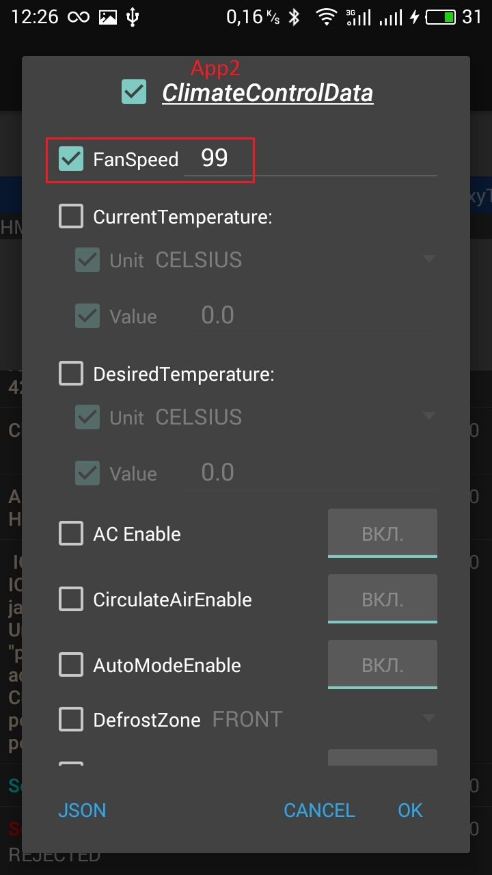 | 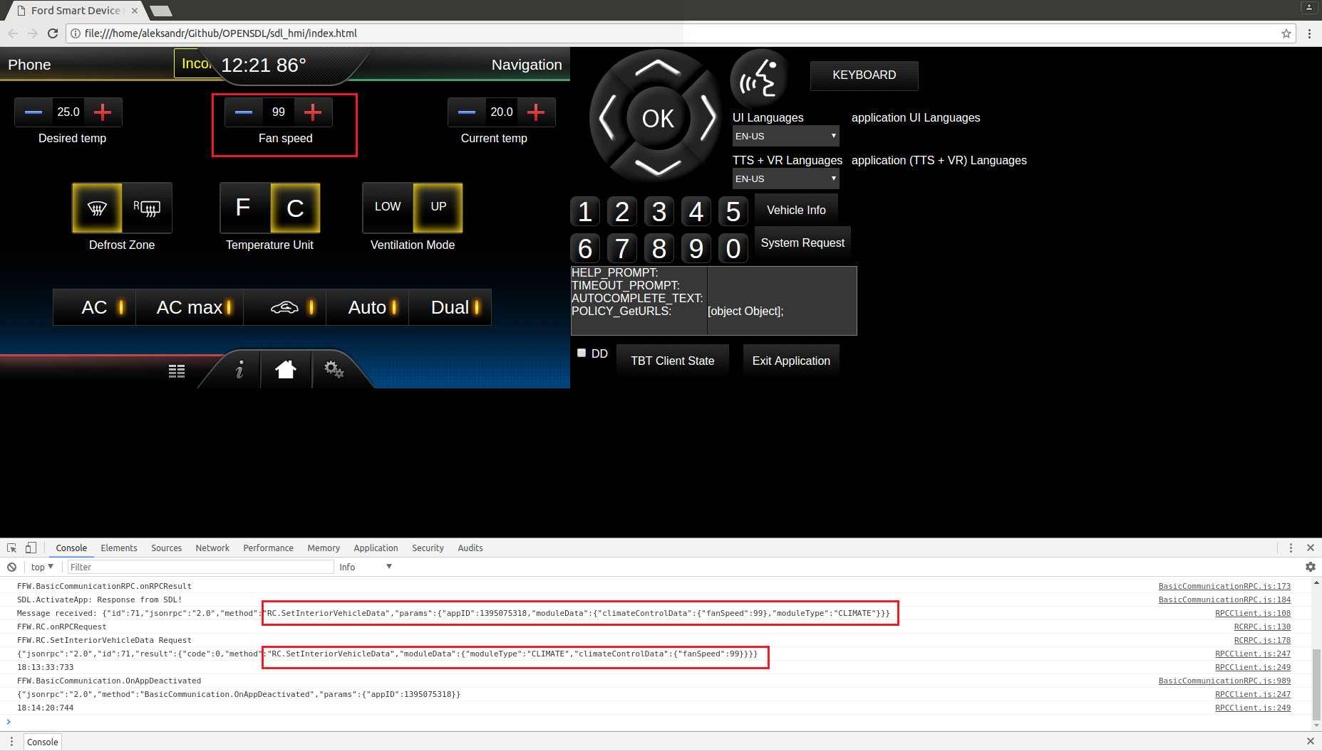
Test case: | Request control settings for 1-nd app. "accessMode" = "AUTO_ALLOW" or without "accessMode". 1-st app - either LIMITED or BACKGROUND 2-nd app - FULL |  | Req_2
1 | From app1 (BACKGROUND) send - 'SetInteriorVehicleData’ RPC with On mobile device send - 'GetInteriorVehicleData’ RPC with moduleType= ‘CLIMATE’ Subscribe: 'checked', 'OFF' RadioControlData: 'unchecked' ClimateConrolData: 'checked' Change "FanSpeed" : 'checked', 50 | SetInteriorVehicleData from app2 finished with REJECTED: App1→SDL: SetInteriorVehicleData("moduleType":"CLIMATE", climateControlData":{"fanSpeed":50) SDL→App1: REJECTED:SetInteriorVehicleData("moduleType":"CLIMATE", climateControlData":{"fanSpeed":50}) App1 has no access to RC_modules On HMI there is no changes. |  | 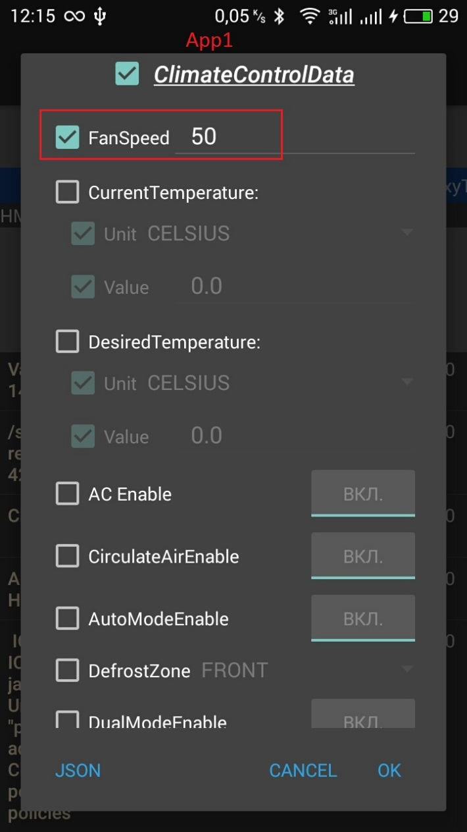 | 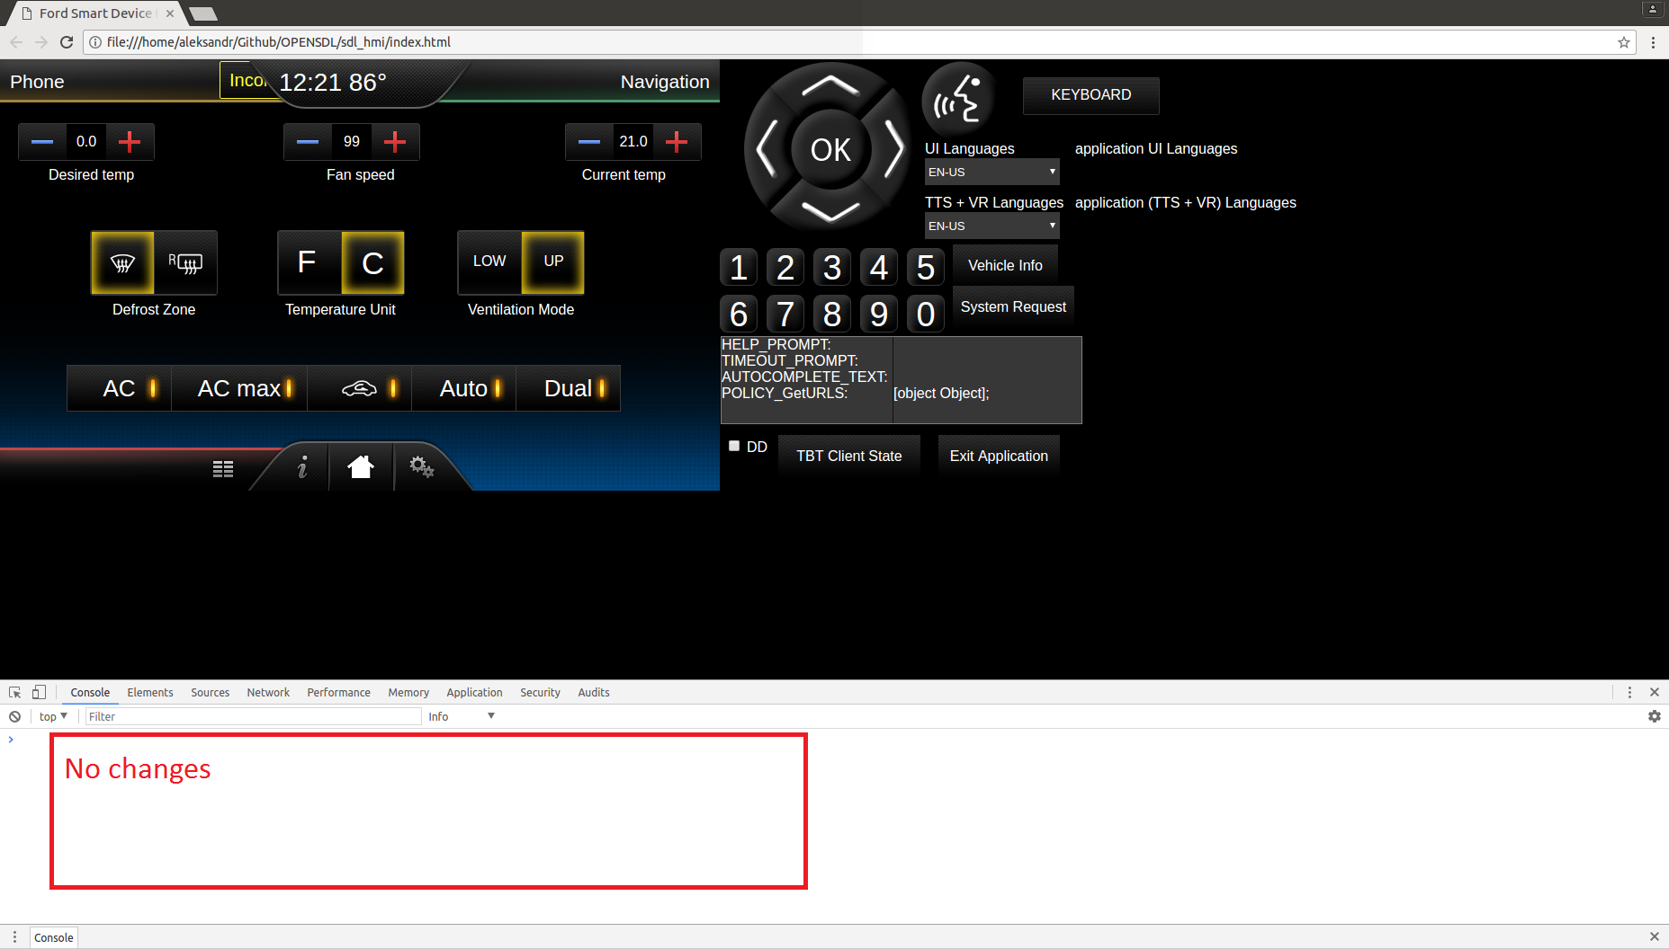
 | From app2 (FULL) send - 'SetInteriorVehicleData’ RPC with On mobile device send - 'GetInteriorVehicleData’ RPC with moduleType= ‘RADIO’ Subscribe: 'checked', 'OFF' RadioControlData: 'checked' ClimateConrolData: 'unchecked' Change "band" : 'checked', 'FM'; "FrequencyInterger": 'checked', '105; | SetInteriorVehicleData from app1 finished with SUCCESS: App1→SDL: SetInteriorVehicleData(moduleData":{"moduleType":"RADIO","radioControlData":{"band":"FM","frequencyInteger":105}}}} SDL→HMI:RC.SetInteriorVehicleData(moduleData":{"moduleType":"RADIO","radioControlData":{"band":"FM","frequencyInteger":105}}}} HMI→SDL: SUCCESS:RC.SetInteriorVehicleData(moduleData":{"moduleType":"RADIO","radioControlData":{"band":"FM","frequencyInteger":105}}}} SDL→App2: SUCCESS:SetInteriorVehicleData(moduleData":{"moduleType":"RADIO","radioControlData":{"band":"FM","frequencyInteger":105}}}} App1 still control RC_modules |  | 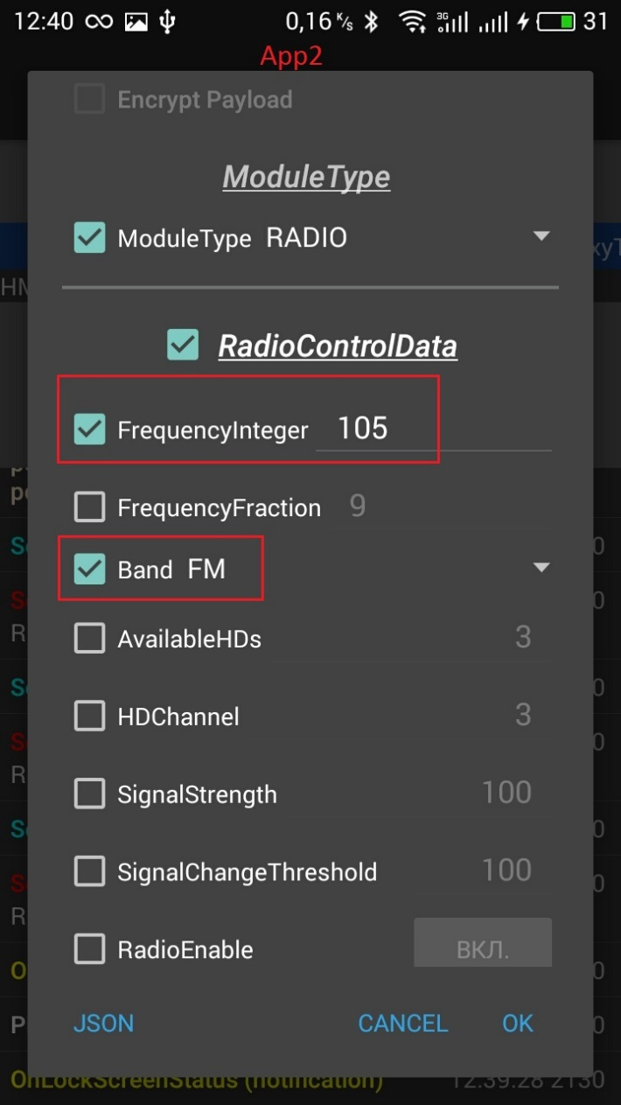 | 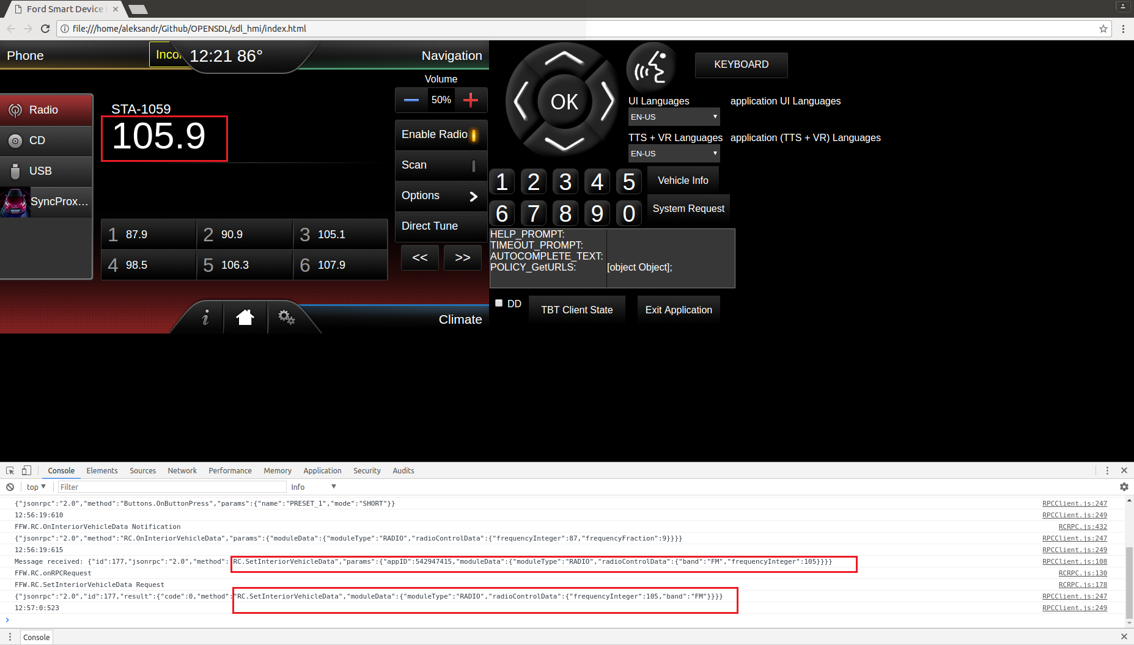
Test case: | Request control settings for 2-nd app. "accessMode" = "AUTO_DENY". 1-st app - app - FULL, 2-nd app -either LIMITED or BACKGROUND |  | Req_4
1 | On HMI set up to "accessMode" = "AUTO_DENY" | HMI is sent notification to SDL: HMI→SDL: RC.OnRemoteControlSettings(AUTO_DENY) |  | 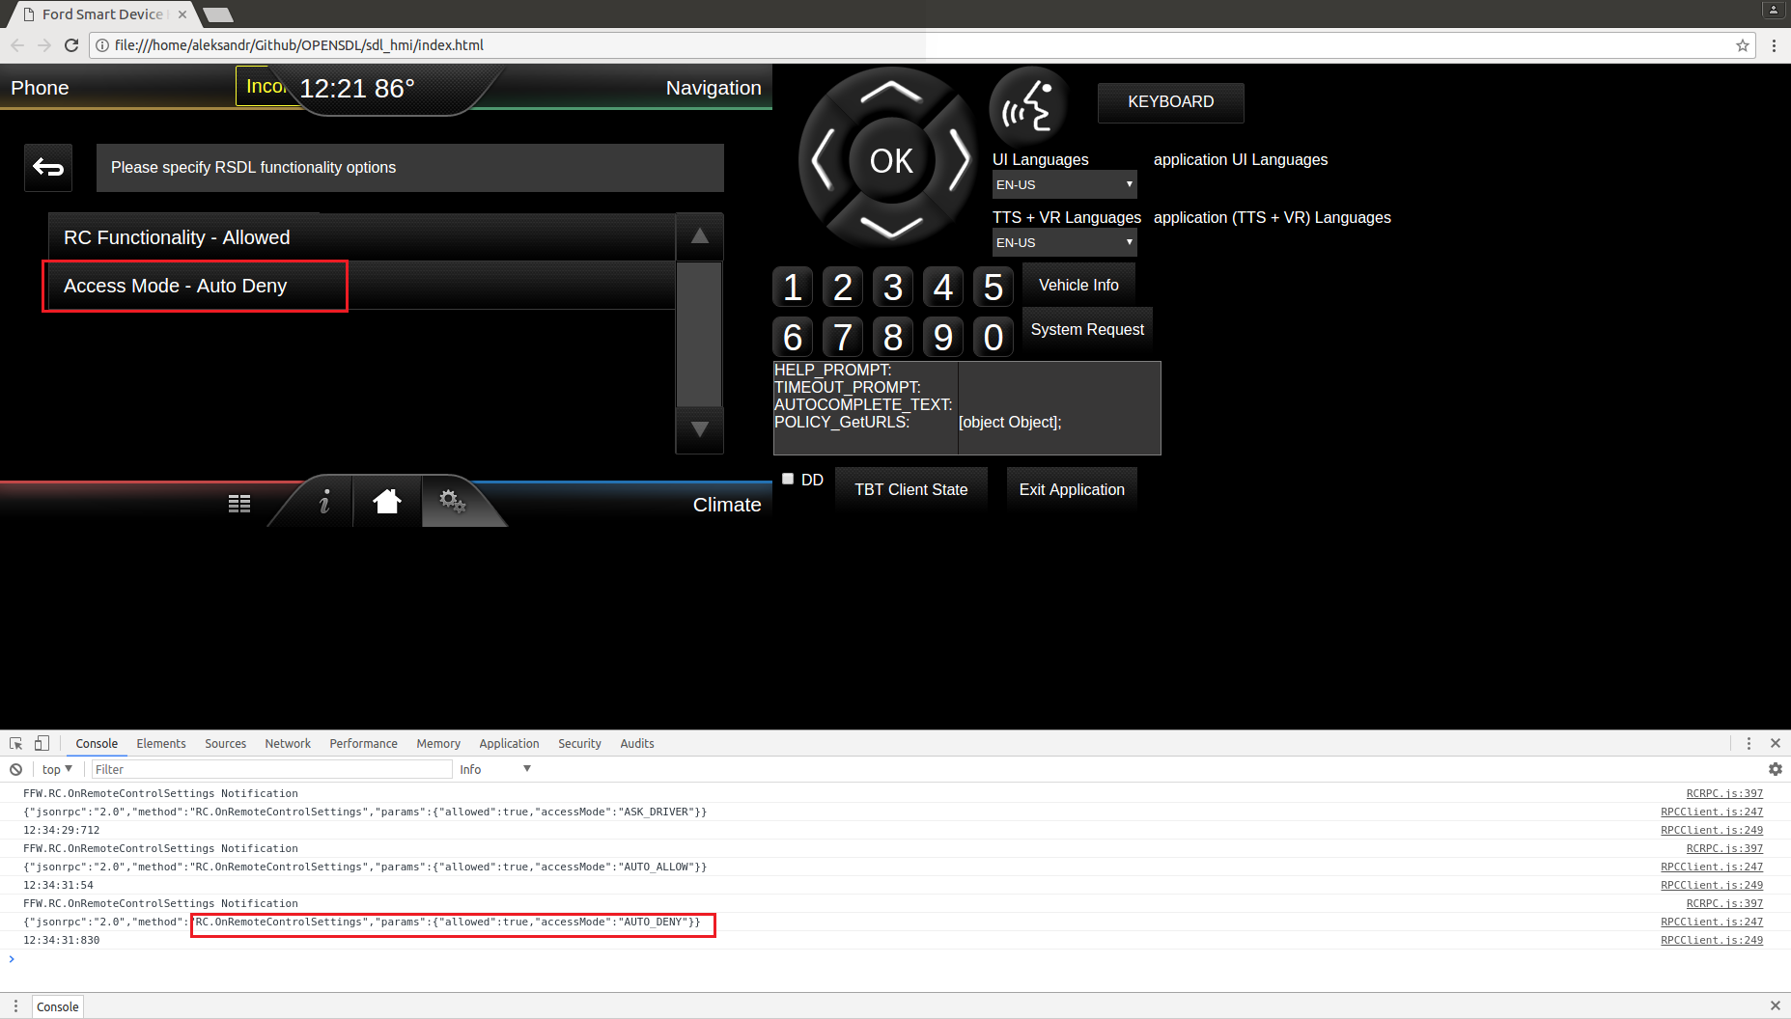
2 | Activate app1 on HMI | App1 is activated: SDL→App1: OnHMIStatus(FULL) SDL→App2: OnHMIStatus(BACKGROUND)
3 | From app1 (FULL) send 'SetInteriorVehicleData’ RPC with On mobile device send - 'GetInteriorVehicleData’ RPC with moduleType= ‘RADIO’ Subscribe: 'checked', 'OFF' RadioControlData: 'checked' ClimateConrolData: 'unchecked' Change "FrequencyInterger": 'checked', '99; | SetInteriorVehicleData from app1 finished with IN_USE: App1→SDL: SetInteriorVehicleData(moduleData":{"moduleType":"RADIO","radioControlData":{""frequencyInteger":99}} SDL→App2: IN_USE. SetInteriorVehicleData(moduleData":{"moduleType":"RADIO","radioControlData":{""frequencyInteger":99}} For app1 access denied to RC_modules On HMI there is no changes. |  | 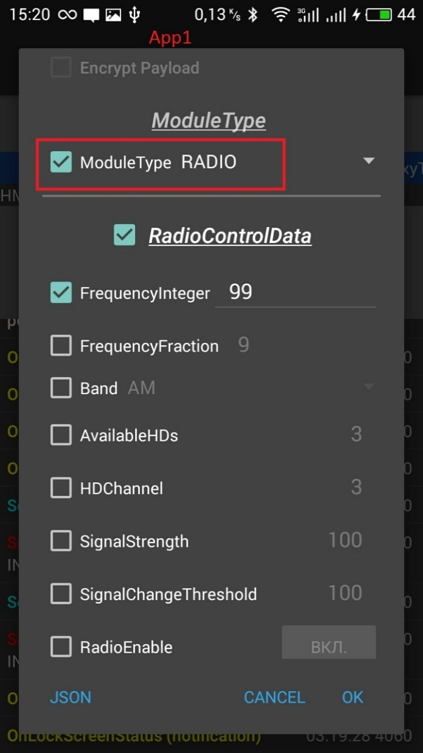 | 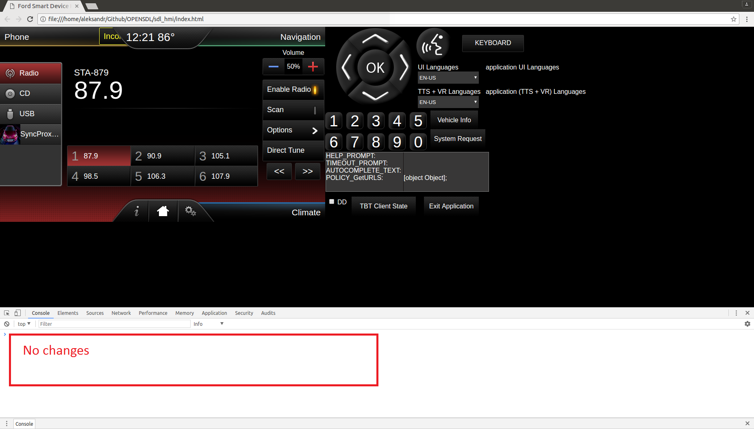
Test case: | Request control settings for 2-nd app. "accessMode" = "ASK_DRIVER". 1-st app - FULL, 2-nd app - either LIMITED or BACKGROUND |  | Req_5
1 | On HMI set up to "accessMode" = "ASK_DRIVER" | HMI is sent notification to SDL: HMI→SDL: RC.OnRemoteControlSettings(ASK_DRIVER) |  | 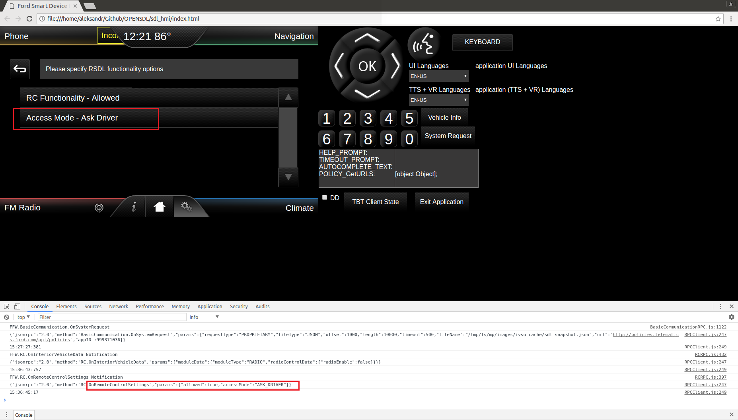
2 | From app1 (FULL) send 'SetInteriorVehicleData’ RPC with On mobile device send - 'GetInteriorVehicleData’ RPC with moduleType= ‘RADIO’ Subscribe: 'checked', 'OFF' RadioControlData: 'checked' ClimateConrolData: 'unchecked' Change "FrequencyInterger": 'checked', '99; | App1→SDL: SetInteriorVehicleData(RADIO,"frequencyInteger":99) SDL→HMI RC.GetInteriorVehicleDataConsent(RADIO) On HMI POP-UP is shown: Would you like to grant access for SyncProxyTester application for module Radio?" See attached screenshot. |  |  | 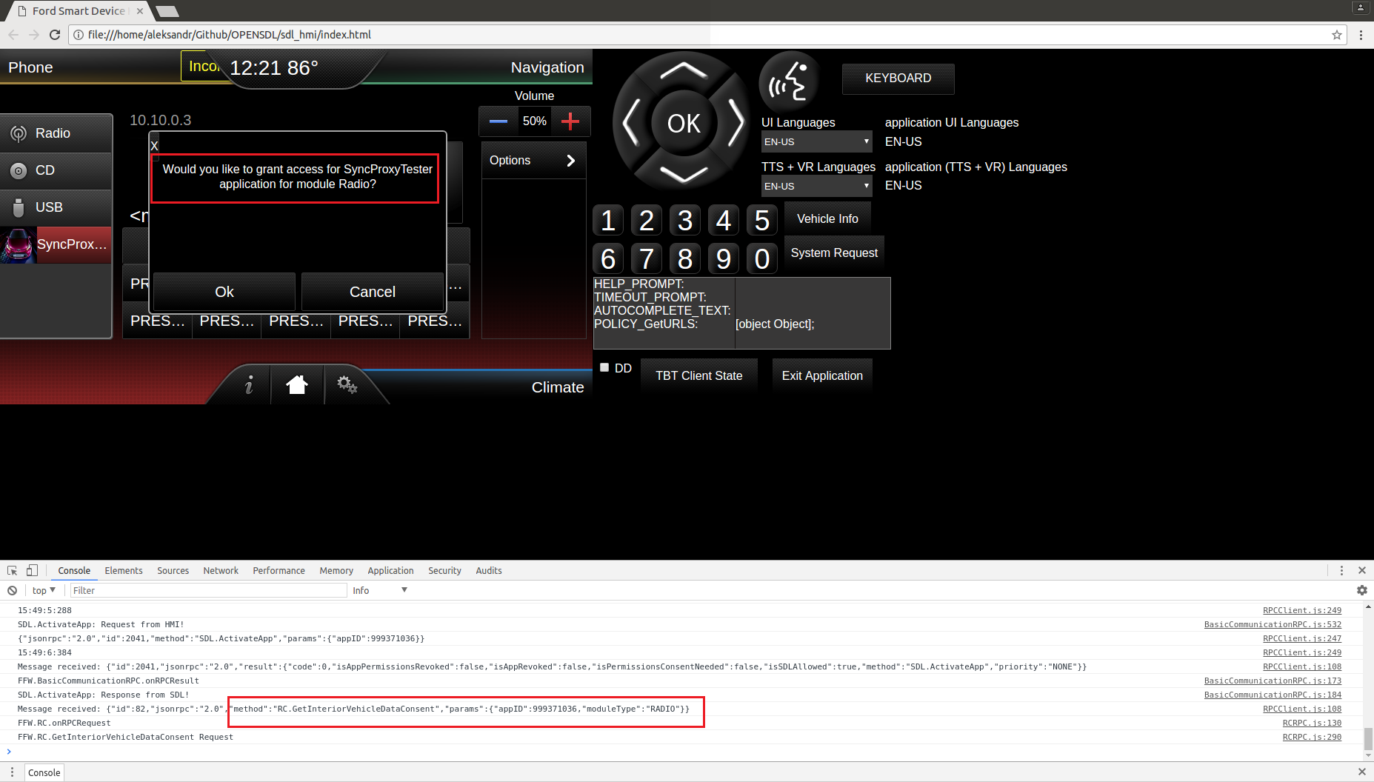
 | During 10 seconds press "OK" button in the appeared POP-UP | HMI→SDL RC.GetInteriorVehicleDataConsent (allowed:true) SDL→HMI:RC.SetInteriorVehicleData(RADIO,"frequencyInteger":99) HMI→SDL: SUCCESS:RC.SetInteriorVehicleData(RADIO,"frequencyInteger":99) SDL→App1: SUCCESS:SetInteriorVehicleData(RADIO,"frequencyInteger":99) On HMI: frequencyInteger is changed to 99 from App1. |  | 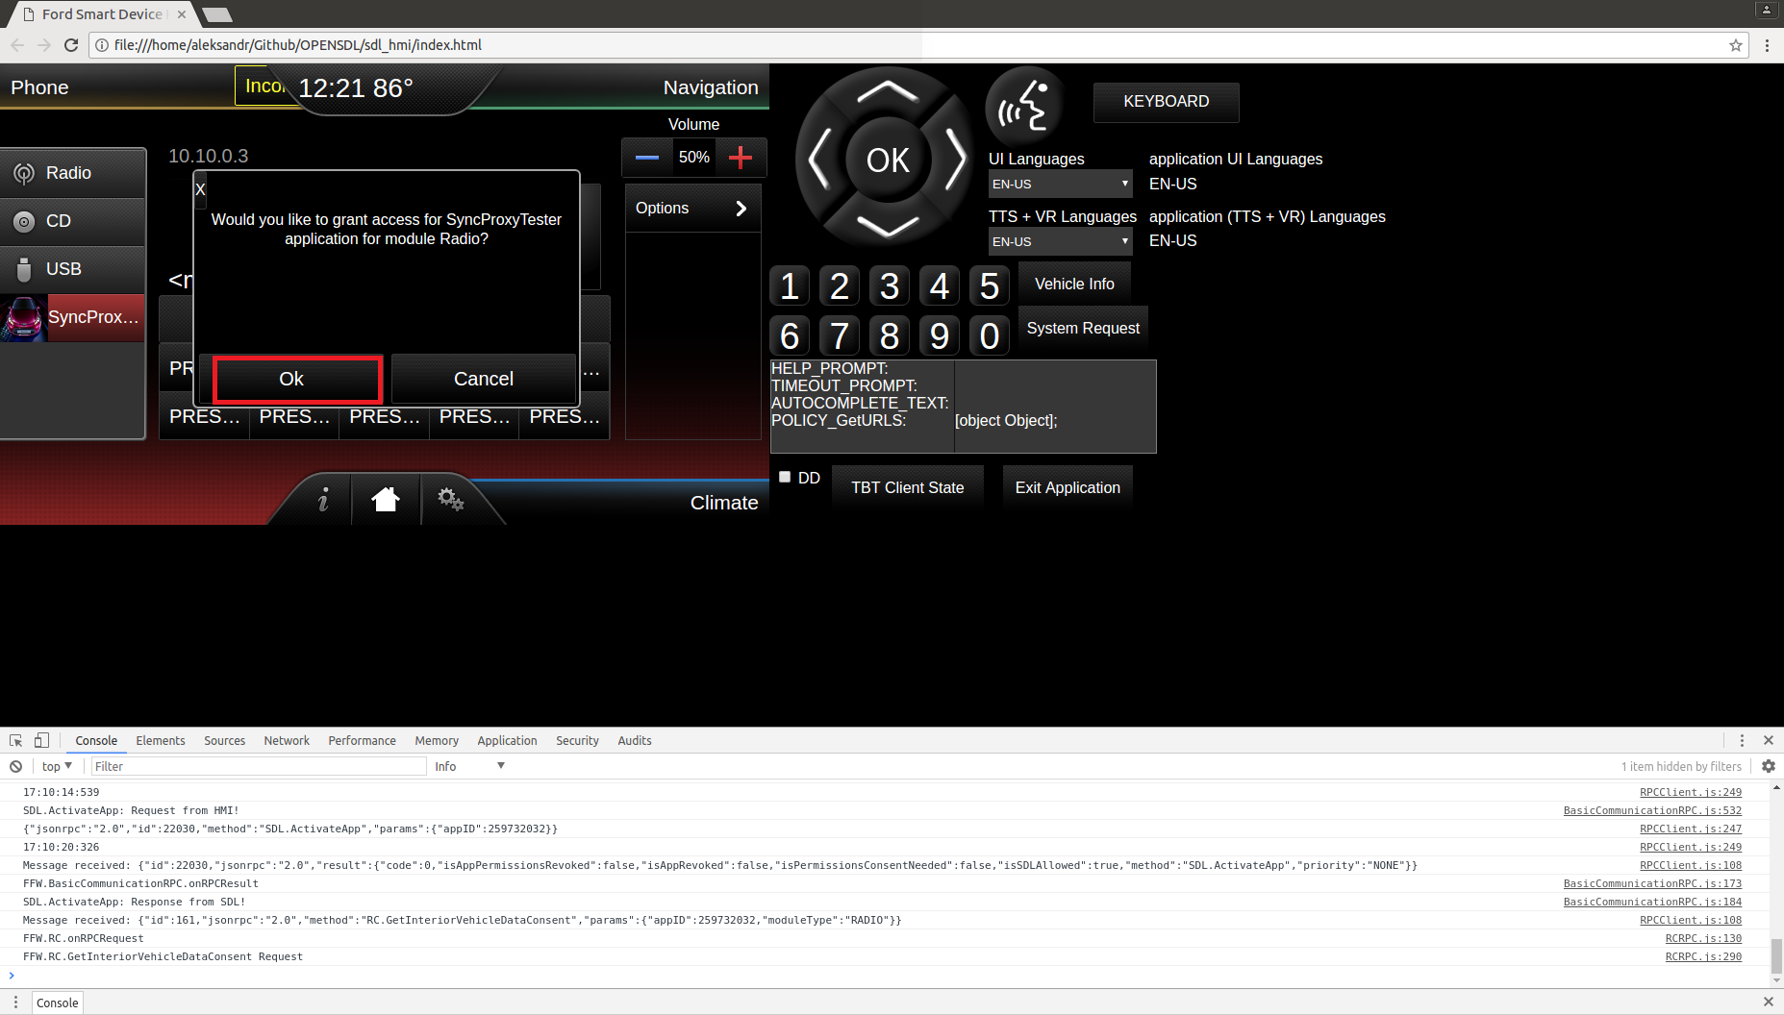
Test case: | OnRemoteControlSettings (allowed:true) in case RC_functionality is disabled on HMI |  | Req_6
1 | On HMI set up to "RC Functionality" = "Disallowed" | HMI→SDL RC.OnRemoteControlSettings(allowed:false) SDL→App1 BC.ActivateApp(level:NONE,priority:NONE) SDL→App2 BC.ActivateApp(level:NONE,priority:NONE) Apps are still registered, but in level=NONE |  | 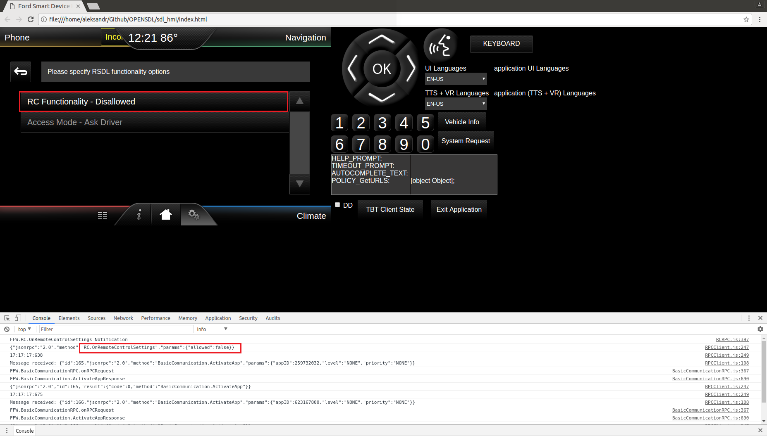
2 | On HMI in module "Climate" change Desired Temp to 24 C. | HMI→SDL RC.OnInteriorVehicleData(CLIMATE, CELSIUS,24) SDL doesn't send notification to App1.
Test case: | Enable RC_functionality after disabling
1 | On HMI set up to "RC Functionality" = "Allowed" | HMI is sent notification to SDL: HMI→SDL RC.OnRemoteControlSettings(allowed:true, AUTO_ALLOW) HMI→SDL: RC.OnRemoteControlSettings(AUTO_ALLOW) |  | 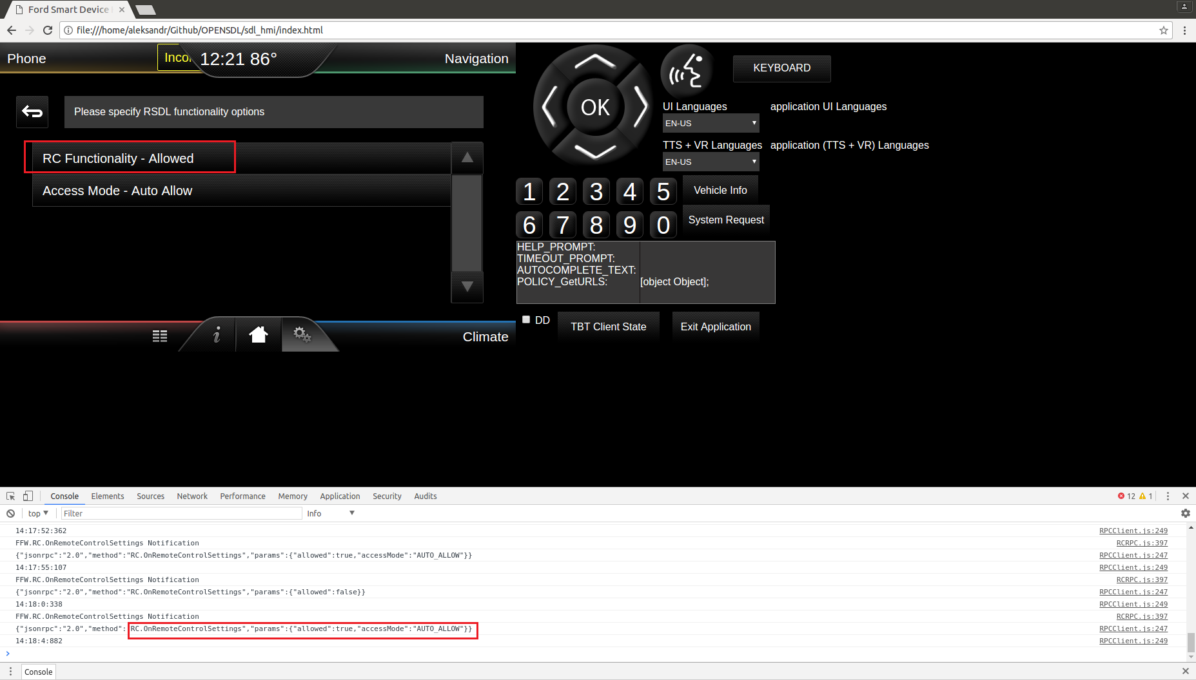
2 | Activate app1 on HMI | HMI→SDL BC.OnFindApplications() HMI→SDL ActivateApp(appID) SDL→App1 OnHMIStatus(FULL, AUDIBLE) User is able to activate app1
3 | From app1 (FULL) )send - 'SetInteriorVehicleData’ RPC with On mobile device send - 'GetInteriorVehicleData’ RPC with moduleType= ‘CLIMATE’ Subscribe: 'checked', 'OFF' RadioControlData: 'unchecked' ClimateConrolData: 'checked' Change "FanSpeed" : 'checked', 100 | SetInteriorVehicleData from app1 finished with SUCCESS: App1→SDL: SetInteriorVehicleData("moduleType":"CLIMATE", climateControlData":{"fanSpeed":100) SDL→HMI:RC.SetInteriorVehicleData("moduleType":"CLIMATE", climateControlData":{"fanSpeed":100}) HMI→SDL: SUCCESS:RC.SetInteriorVehicleData("moduleType":"CLIMATE", climateControlData":{"fanSpeed":100}) SDL→App1: SUCCESS:SetInteriorVehicleData("moduleType":"CLIMATE", climateControlData":{"fanSpeed":100}) User is able to set RC related parameters after disabling/enabling RC functionality. On HMI were changed "Fan speed" to 100
Test case: | Shutdown (Ignition OFF)
1 | On HMI press "Exit Application" button, make sure, that from drop-down filter IGNITION_OFF reason is selected | HMI→SDL: BC.OnExitAllApplications(IGNITION_OFF) SDL→HMI: BC.OnSDLClose() SDL→App: OnAppInterfaceUnregistered() SDL stops working |  | 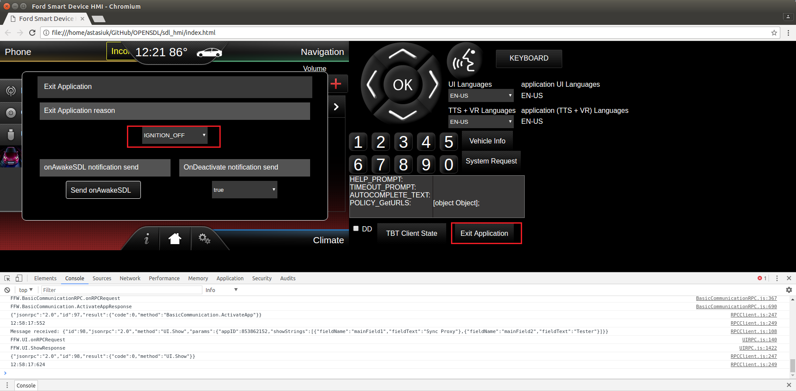
Test case: | Resumption (Ignition ON)
1 | Start SDL binary In case if USB transport is used, reconnect usb cable | SDL starts working App is registered: App→SDL: RegisterAppInterface() SDL→App: SUCCESS: RegisterAppInterface(). Resume succeeded. HMI level is restored: SDL→App: OnHMIStatus(FULL)
Test case: | Shutdown (Master Reset)
1 | On HMI press "Exit Application" button, make sure, that from drop-down filter MASTER_RESET reason is selected | HMI→SDL: BC.OnExitAllApplications(MASTER_RESET) SDL→HMI: BC.OnSDLClose() SDL→App: OnAppInterfaceUnregistered() SDL clears all Apps folder, app_info.dat file and shut down |  | 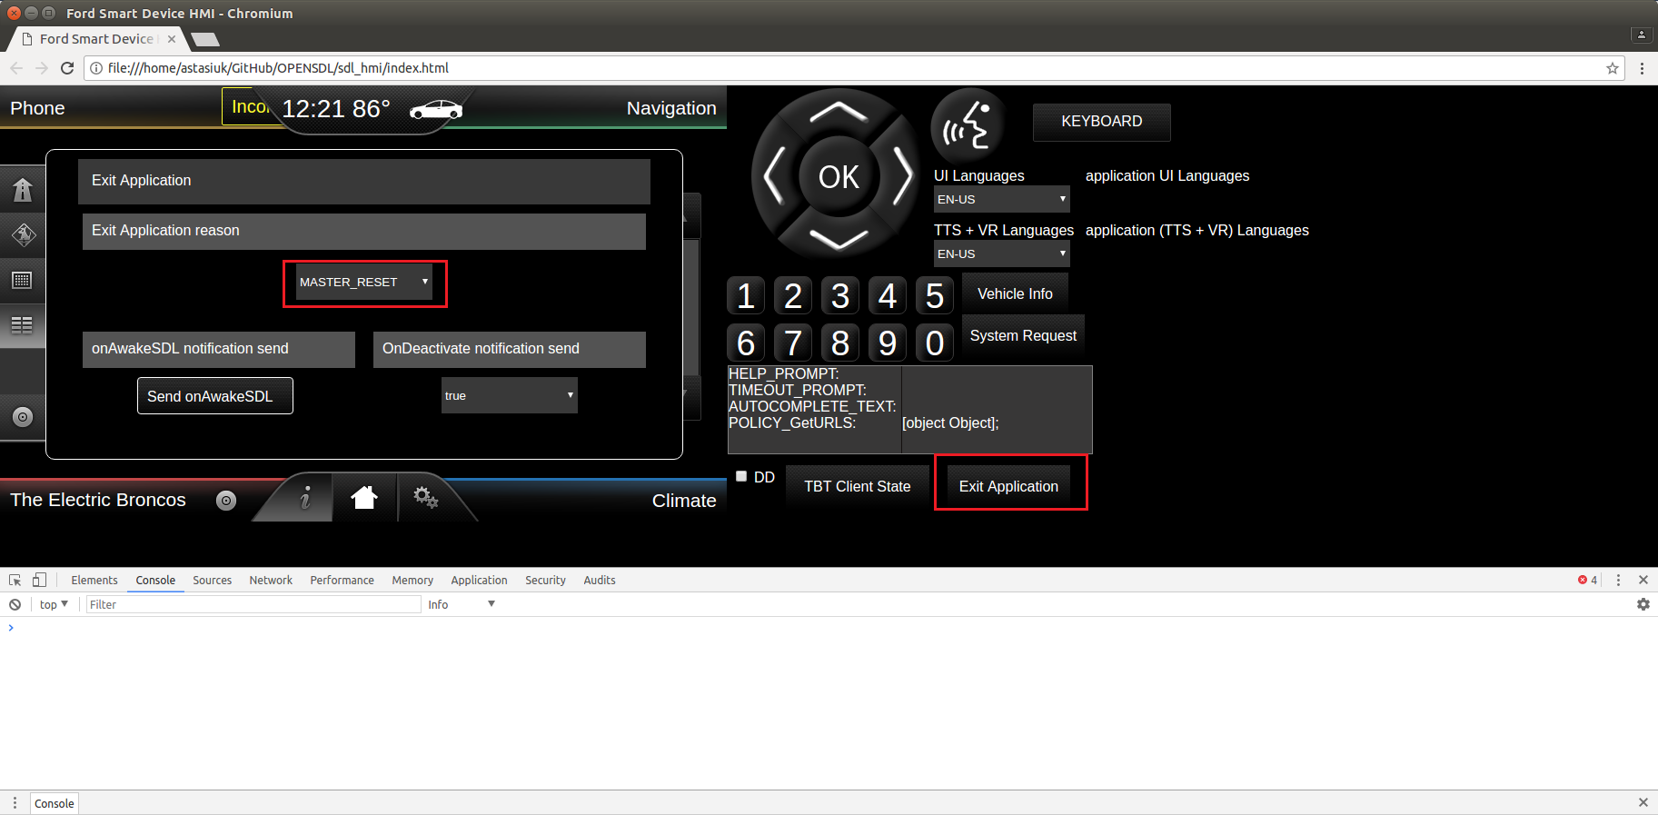
2 | Start SDL binary In case if USB transport is used, reconnect usb cable | SDL starts working No application registered Policy DB is clean and correspond to sdl_preloaded_pt.json

