TestCases
Manual TestSet of SetInteriorVehicleData RPC
Test Cases in the demo are not individual atomic tests, they should be performed as End To End flow

Step # | Action | Expected Result | Comment
Preconditions | Preconditions
1 | Build SDL with default configuration | SDL is built successfully
2 | Setup SyncProxyTester (SPT) | SyncProxyTester is set up
3 | Turn off Internet connection in order to disable interactions with cloud | Internet connection is turned off
4 | Start SDL and HMI | SDL is started
4 | Start HMI (check "plugin" RC radiobutton) and when 'OK' | HMI is started
5 | Connect mobile device via any transport | Mobile device is connected
6 | Open Climate" module tab. | For Temperature Unit "C" is choosen
7 | Press on "Driver" button | "Drivers Device Selection Window" is opened
8 | Go to "Drivers device" drop-down filter and choose connected mobile device. | Connected device is present in the drop-down filter and selected.
9 | Press "Set as Driver's" button. | "Current driver's device is <connected device>"
Test case: | Registration of application
1 | Register mobile application with the following parameters and values (mostly default ones): - 'AppName': 'SyncProxyTester' - 'Media': 'Checked' - ‘App synonim1’: 'Synonim1' - ‘App synonim2’: 'Synonim2' - ‘TTS Text’: 'Sync Proxy Tester' - ‘TTS Text Type': 'TEXT' - ‘Language’: ‘EN-US’ - ‘HMI language’: ‘EN-US’ - ‘Transport Type’: <Check_selected_transport_radio_button> - ‘IP address’: 10.0.2.2 (if applicable) - ‘Port’: 12345 (if applicable) - 'App ID': '584421907' - 'More options': - ‘NGN Short App Name: 'SPT' - ‘Override Policies URL': 'Unchecked' - ‘Set app icon after registration': 'FIESTA' - ‘Enter Hash Id': 'Checked': 'Checked' - ‘Simulate Media Streaming App': unchecked - ‘Select Previous HashID': 'Checked' - ' Keep Bluetooth Port Open': 'Checked' - 'Enabe BT Multiplexing': 'Checked' - 'MTU Size': 'Unchecked' - 'Enabe Siphon Server': 'Unchecked' - 'Enabe App Resuming': 'Checked' - 'Policy data logs to SD-card': 'Checked' - 'Enabe Heartbeat': 'Unchecked' - 'Enabe Protocol Message Logging': 'Unchecked' - 'Enabe Auto Send RPC': 'Checked' - ' Include Media Library': 'Unchecked' - ' Include Security Library': 'Checked' - ' Enabe Secure RPC Service': 'Unchecked' - 'External Certificate': 'Unchecked' - 'Select App HMI Type': ‘REMOTE_CONTROL’ - ‘Auto HMI Script': 'Unchecked' | Mobile application is registered successfully: App→SDL: RegisterAppInterface() SDL→HMI: BC.OnAppRegistered() SDL→App: SUCCESS: RegisterAppInterface() SDL→App: OnHMIStatus(NONE) SDL→App: OnPermissionsChange() SDL→App: OnHashChange() |  | 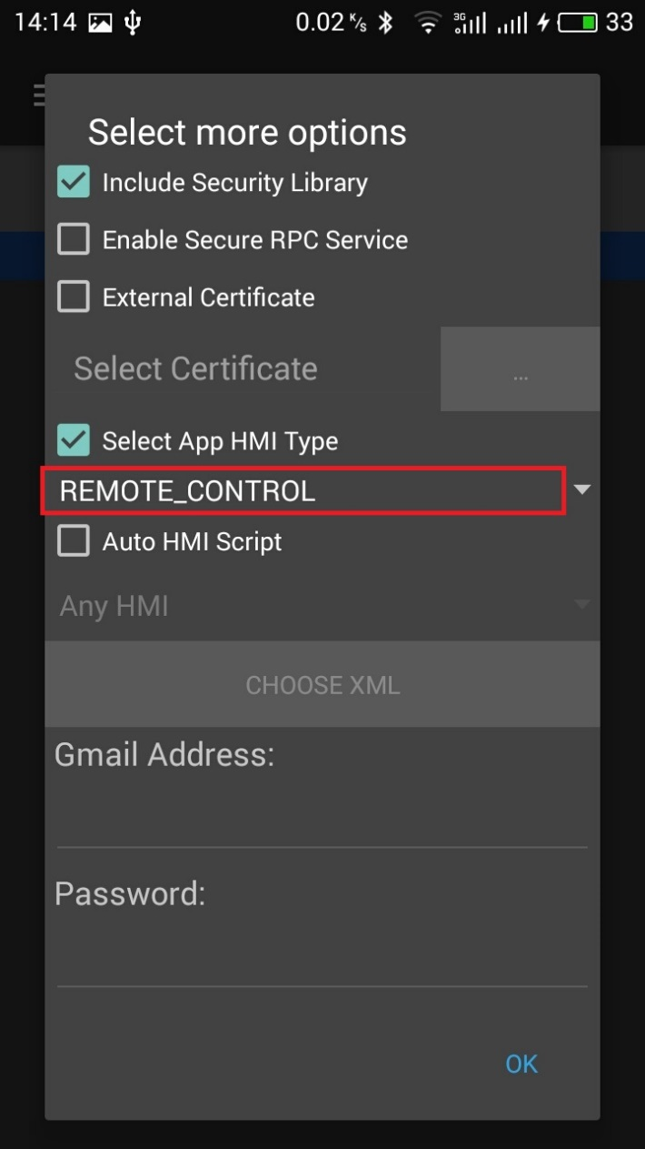
3 | On HMI activate SPT application | Application is activated: SDL→App: OnHMIStatus(FULL)
Test case: | SetInteriorVehicleData for CLIMATE module
1 | On mobile device send - 'GetInteriorVehicleData’ RPC with moduleType= ‘CLIMATE’ Subscribe: 'checked', 'OFF' | GetInteriorVehicleData finished with SUCCESS: App→SDL: GetInteriorVehicle(CLIMATE, 'subsribe': 'false') SDL→HMI: RC.GetInteriorVehicleData(CLIMATE, 'subsribe': 'false') HMI→SDL: SUCCESS: RC.GetInteriorVehicleData (CLIMATE, 'issubsribed': 'false') SDL→ App: SUCCESS: GetInteriorVehicleData (CLIMATE, 'isSubsribed': 'false') | 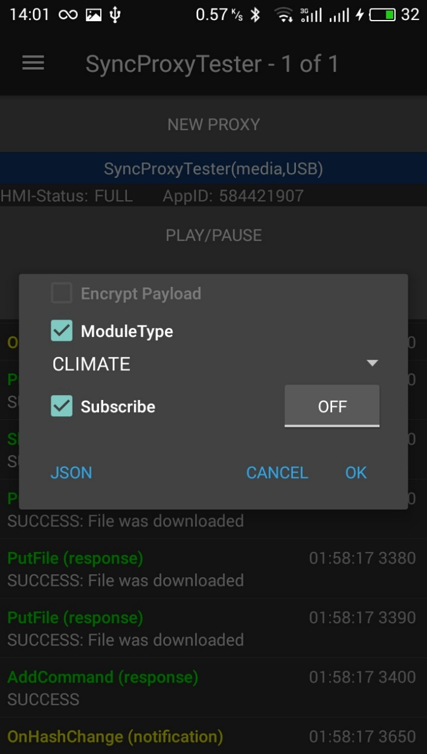 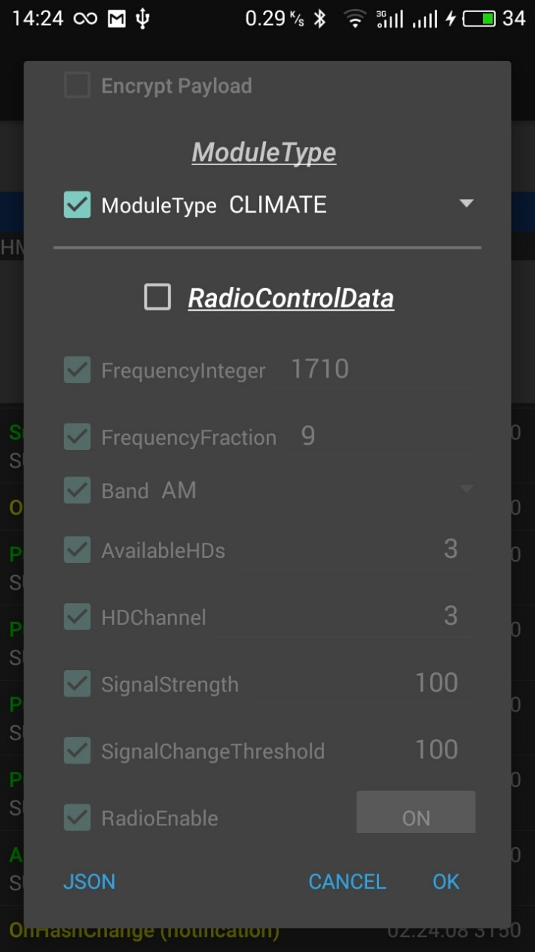 Req_1 |  | 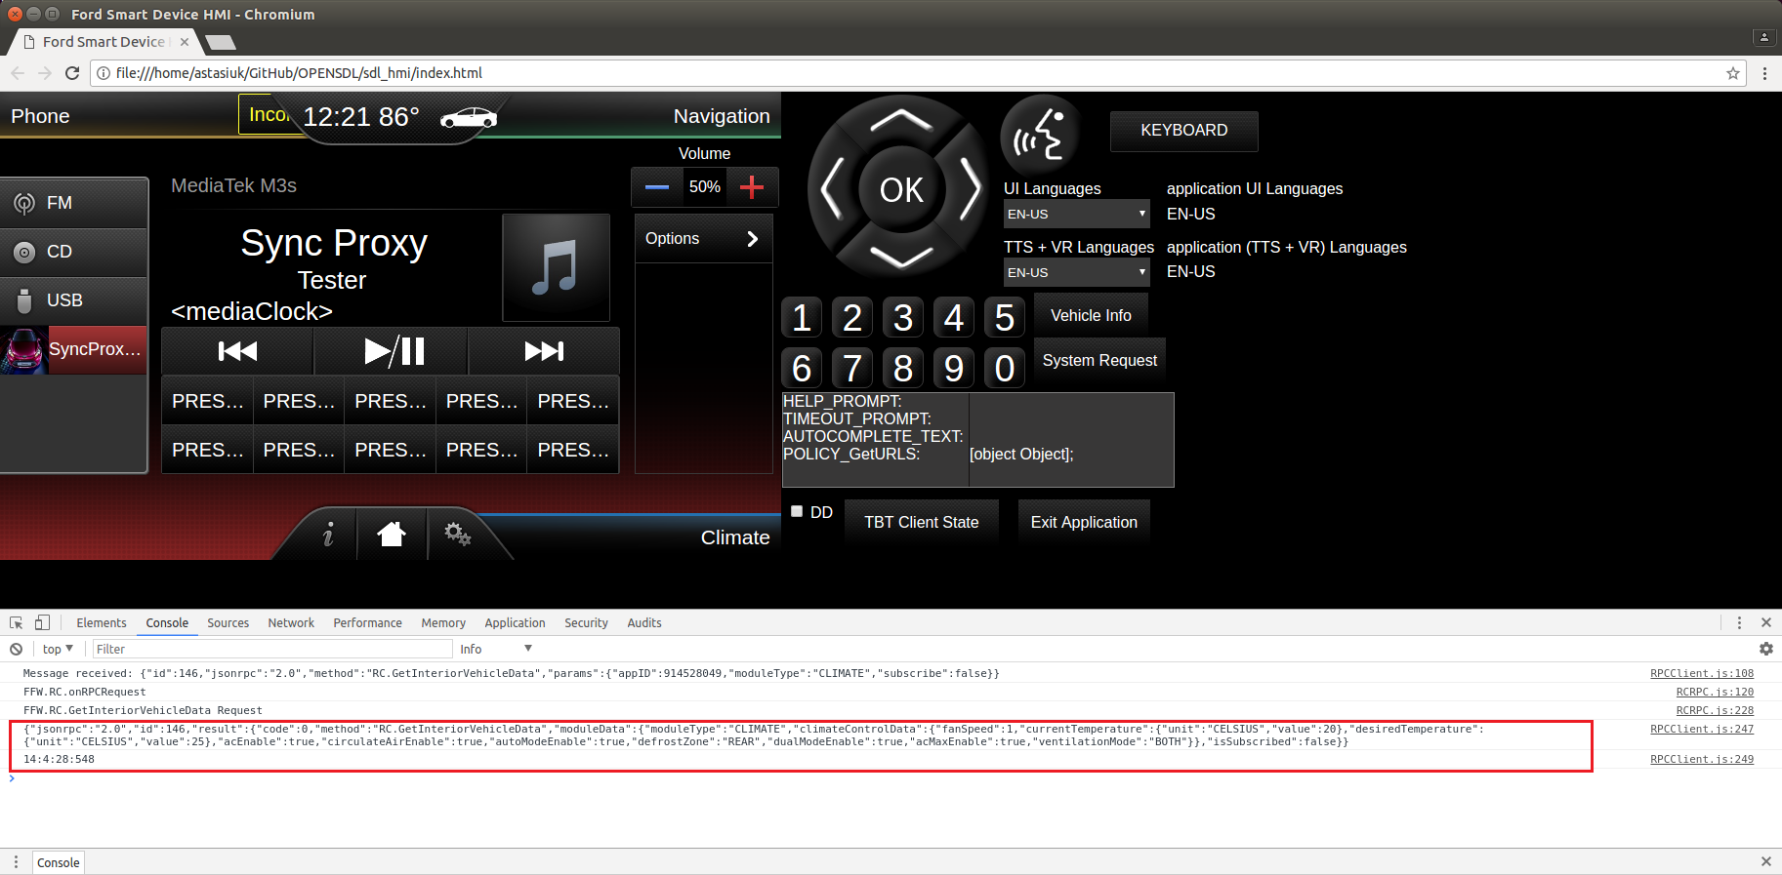

1 | On mobile device send - 'SetInteriorVehicleData’ RPC with On mobile device send - 'GetInteriorVehicleData’ RPC with moduleType= ‘CLIMATE’ Subscribe: 'checked', 'OFF' RadioControlData: 'unchecked' ClimateConrolData: 'checked' Change "FanSpeed" : 'checked', 99 | SetInteriorVehicleData finished with SUCCESS: App→SDL: SetInteriorVehicleData("moduleType":"CLIMATE", climateControlData":{"fanSpeed":99}) SDL→HMI:RC.SetInteriorVehicleData("moduleType":"CLIMATE", climateControlData":{"fanSpeed":99}) HMI→SDL: SUCCESS:RC.SetInteriorVehicleData("moduleType":"CLIMATE", climateControlData":{"fanSpeed":99}) SDL→App: SUCCESS:SetInteriorVehicleData("moduleType":"CLIMATE", climateControlData":{"fanSpeed":99}) On HMI were changed "Fan speed" to 99 |  |  | 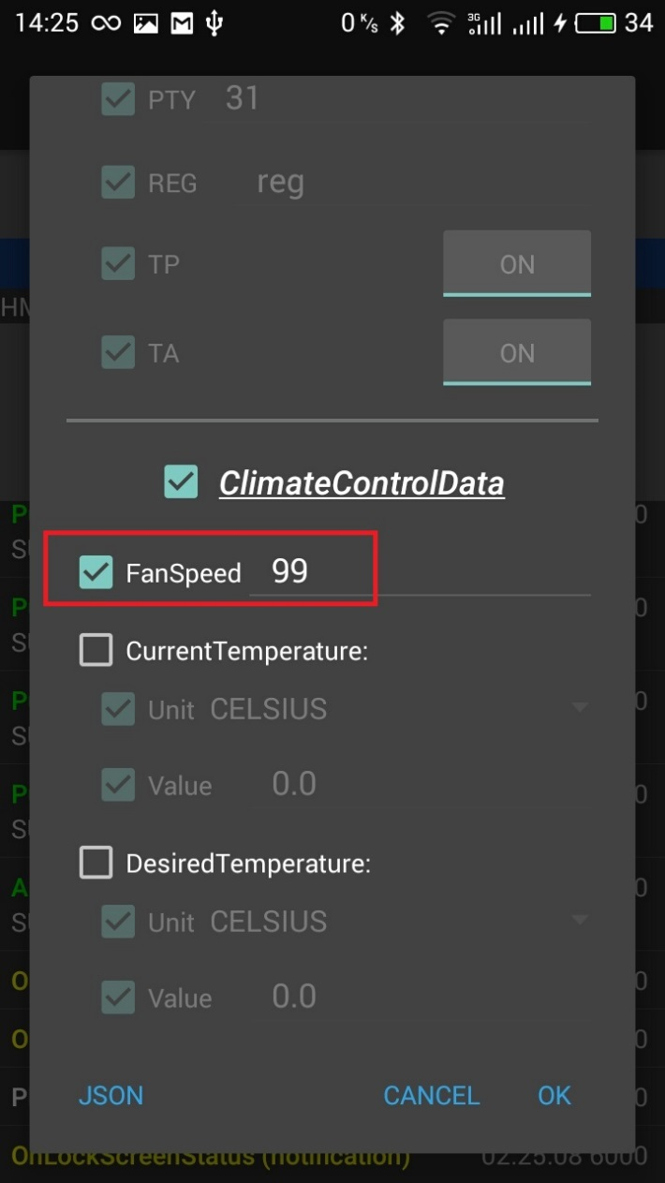 | 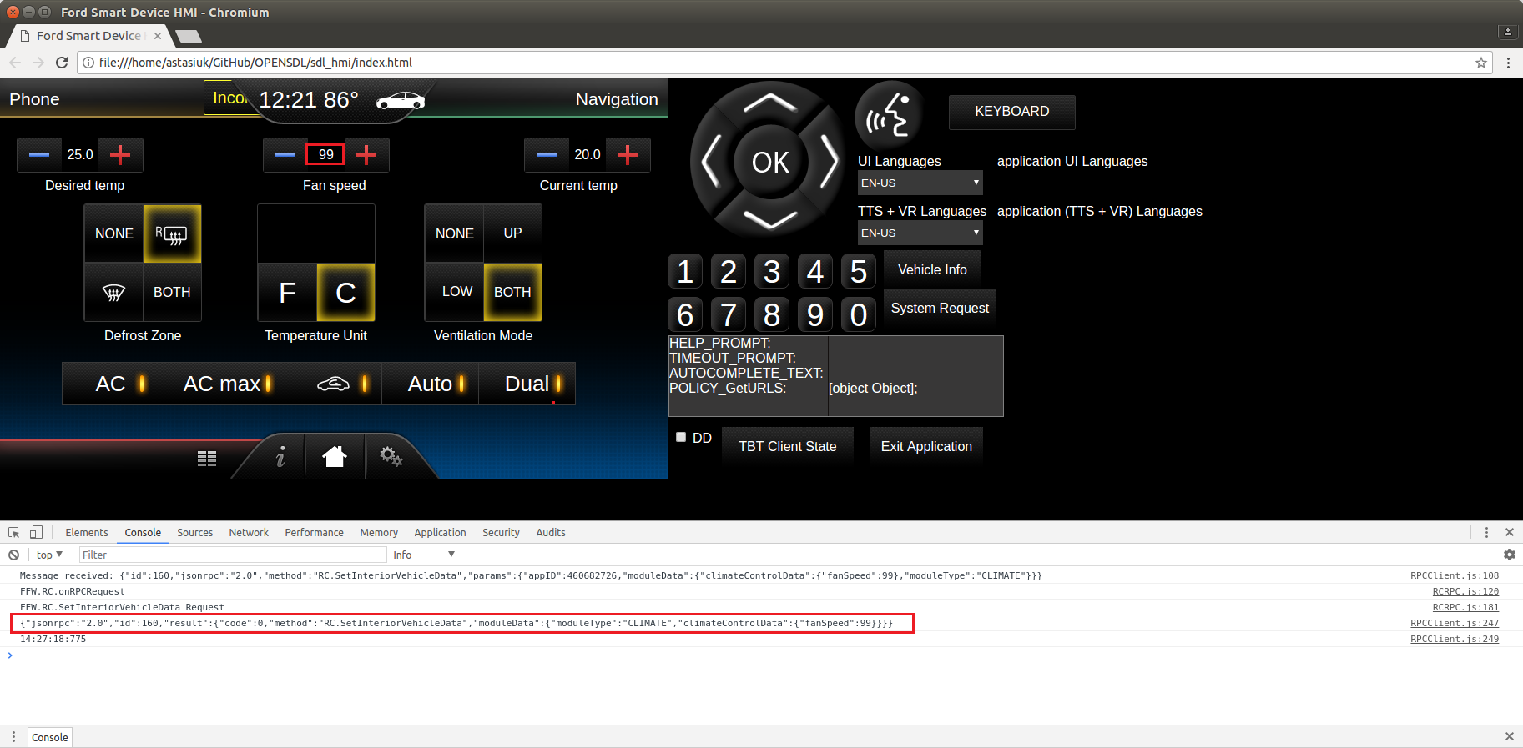
Test case: | SetInteriorVehicleData with "climateControlData"for RADIO module
1 | On mobile device send - 'SetInteriorVehicleData’ RPC with moduleType= ‘RADIO’ Subscribe: 'checked', 'OFF' RadioControlData: 'unchecked' ClimateConrolData: 'checked' Change "Defrost Zone" : "REAR" | SetInteriorVehicleData finished with INVALID_DATA, success:false. App→SDL: SetInteriorVehicleData("moduleType":"RADIO", climateControlData":{"defrostZone":"REAR"}) SDL→App: INVALID_DATA:SetInteriorVehicleData("moduleType":"RADIO", climateControlData":{"defrostZone":"REAR"}) On HMI there is no changes. | Req_2.2 | 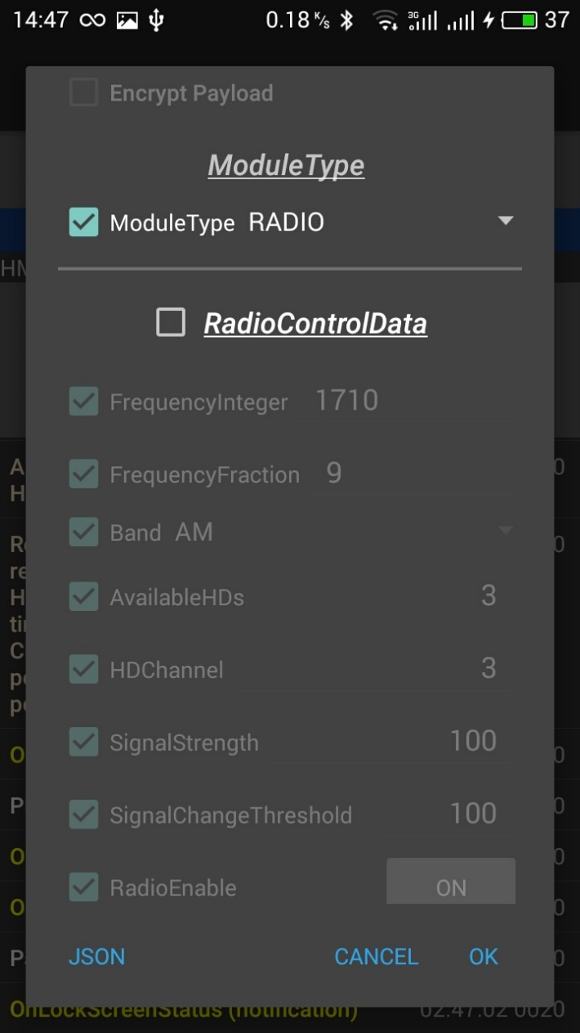 | 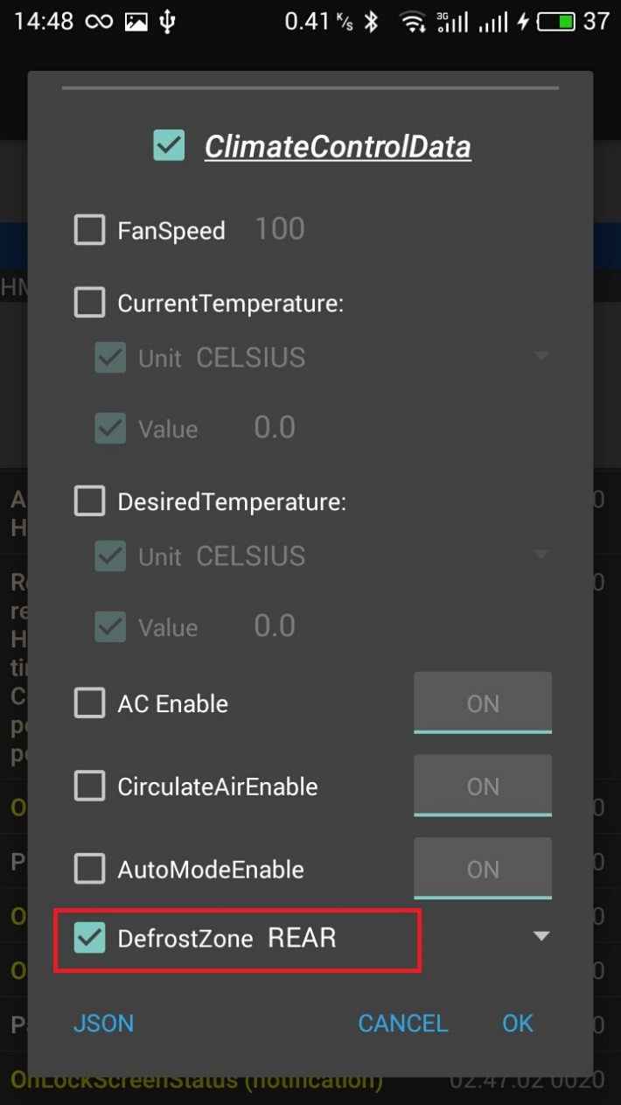 | 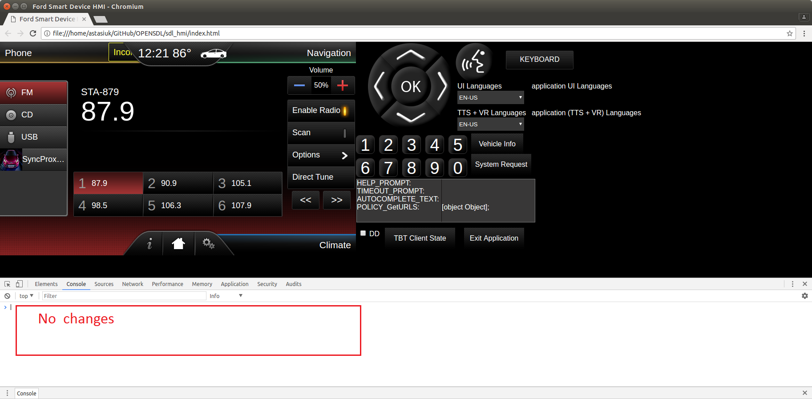
Test case: | SetInteriorVehicleData with "radioControlData" and CLIMATE module
1 | On mobile device send - 'SetInteriorVehicleData’ RPC with moduleType= ‘CLIMATE’ Subscribe: 'checked', 'OFF' RadioConrolData: 'checked' ClimateConrolData: 'unchecked' Change "Band" : FM | SetInteriorVehicleData finished with INVALID_DATA, success:false. App→SDL: SetInteriorVehicleData("moduleType":"CLIMATE", radioControlData":{"band":"FM"}) SDL→App: INVALID_DATA:SetInteriorVehicleData("moduleType":"CLIMATE", radioControlData":{"band":"FM"}) On HMI there is no changes. | Req_2.2 | 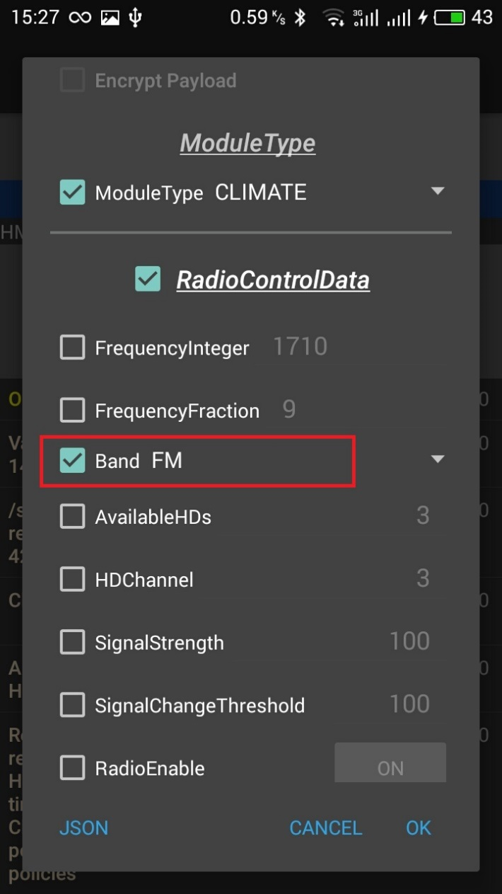 | 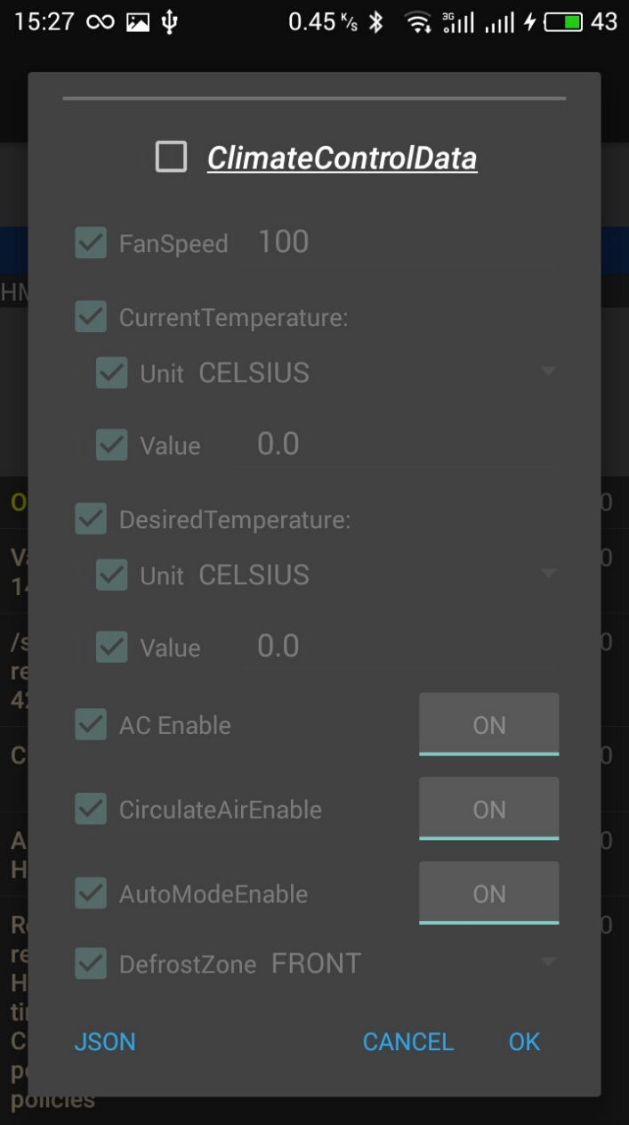 |  | 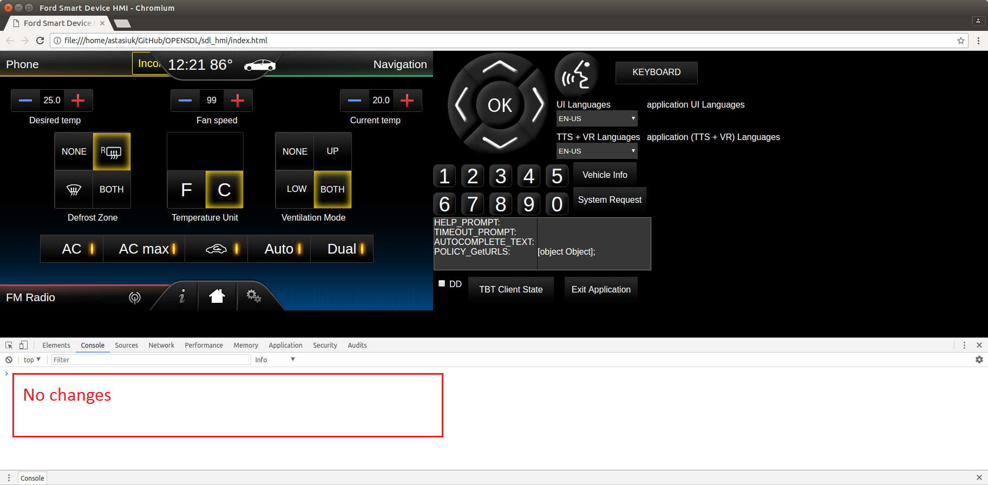
Test case: | SetInteriorVehicleData with just read-only parameters in "radioControlData" and RADIO module
1 | On mobile device send - 'SetInteriorVehicleData’ RPC with moduleType= ‘RADIO’ Subscribe: 'checked', 'OFF' RadioControlData: 'checked' ClimateConrolData: 'unchecked' Change "signalStrength" : 90 | SetInteriorVehicleData finished with READ_ONLY, success:false. App→SDL: SetInteriorVehicleData("moduleType":"RADIO", radioControlData":{"signalStrength" : 90}) SDL→App: READ_ONLY:SetInteriorVehicleData("moduleType":"RADIO", radioControlData":{"signalStrength" : 90}) On HMI there is no changes. | Req_4 | 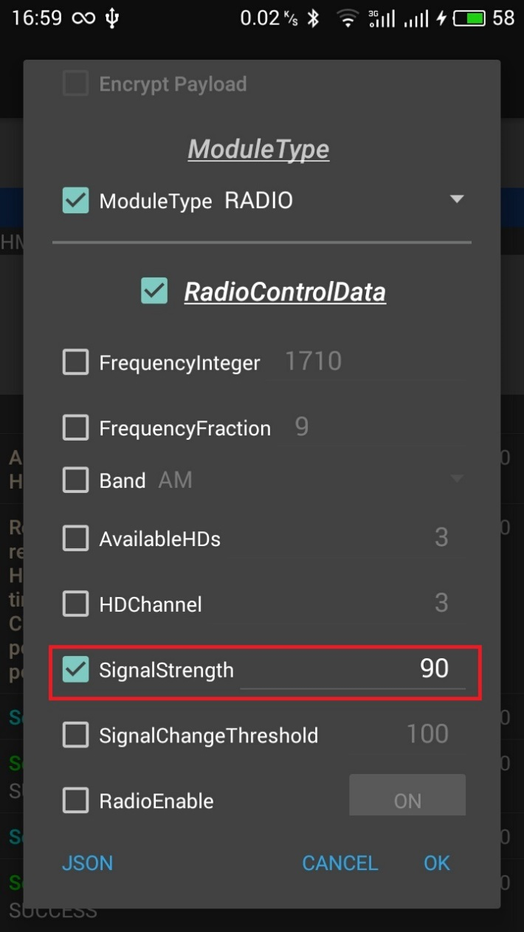
Test case: | SetInteriorVehicleData with just read-only parameters in "climateControlData" and CLIMATE module
1 | On mobile device send - 'SetInteriorVehicleData’ RPC with moduleType= ‘CLIMATE’ Subscribe: 'checked', 'OFF' RadioControlData: 'unchecked' ClimateConrolData: 'checked' Change "currentTemperature" : 35 Change to: CELSIUS | SetInteriorVehicleData finished with READ_ONLY, success:false. App→SDL: SetInteriorVehicleData("moduleType":"‘CLIMATE", radioControlData":{"currentTemperature" : {"unit": CELSIUS, "value": 35}}) SDL→App: READ_ONLY: SetInteriorVehicleData("moduleType":"‘CLIMATE", radioControlData":{"currentTemperature" : {"unit": CELSIUS, "value": 35}}) On HMI there is no changes. | Req_4 | 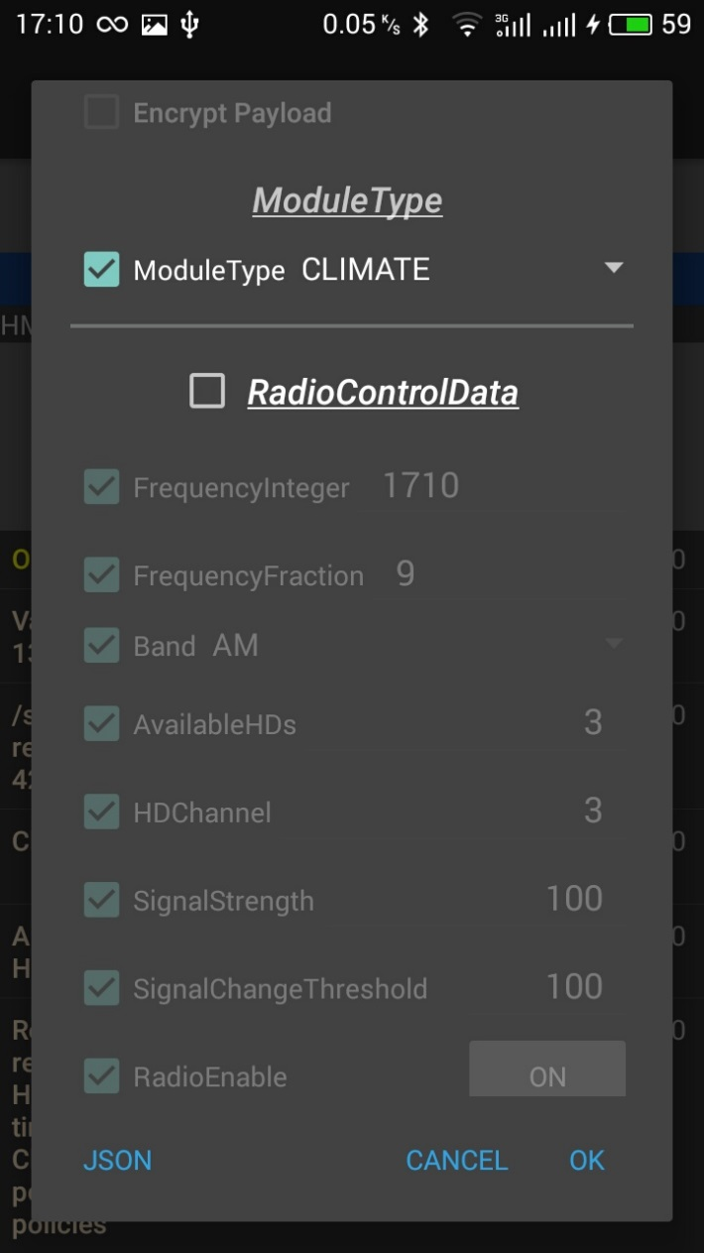 | 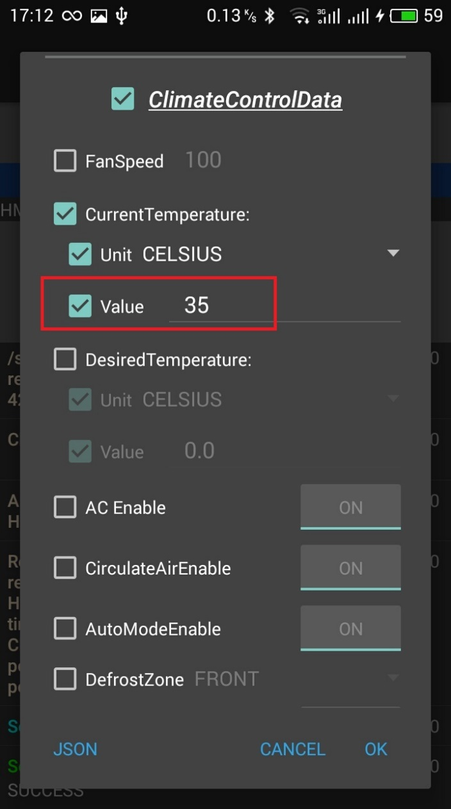
Test case: | SetInteriorVehicleData with read-only parameters and one settable parameters in "radioControlData" and RADIO module
1 | On mobile device send - 'SetInteriorVehicleData’ RPC with moduleType= ‘RADIO’ Subscribe: 'checked', 'OFF' RadioControlData: 'checked' ClimateConrolData: 'unchecked' Change "signalStrength" : 90 "Frequency" :102 | SetInteriorVehicleData finished with SUCCESS: App→SDL: SetInteriorVehicleData("moduleType":"RADIO", radioControlData":{"signalStrength" : 90, "frequencyInteger":102}) SDL→HMI:RC.SetInteriorVehicleData("moduleType":"RADIO","radioControlData":{"frequencyInteger":102}) HMI→SDL: SUCCESS: RC.SetInteriorVehicleData("moduleType":"RADIO","radioControlData":{"frequencyInteger":102}) SDL→App: SUCCESS:SetInteriorVehicleData("moduleType":"RADIO","radioControlData":{"frequencyInteger":102}) On HMI were changed frequency to 102, read-only param - "signalStrength" : 90 is cut-off by SDL. | Req_5 | 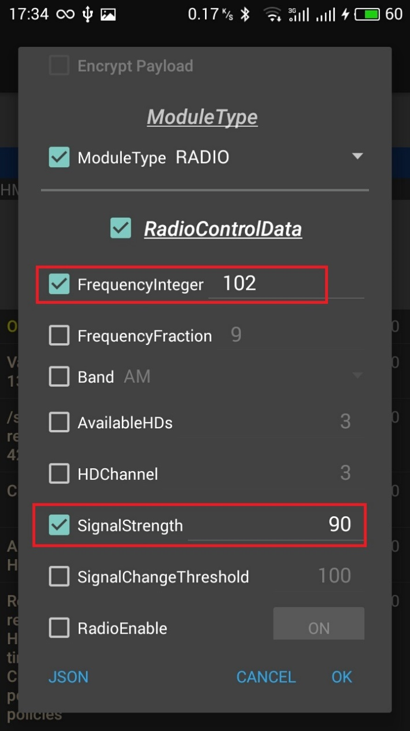 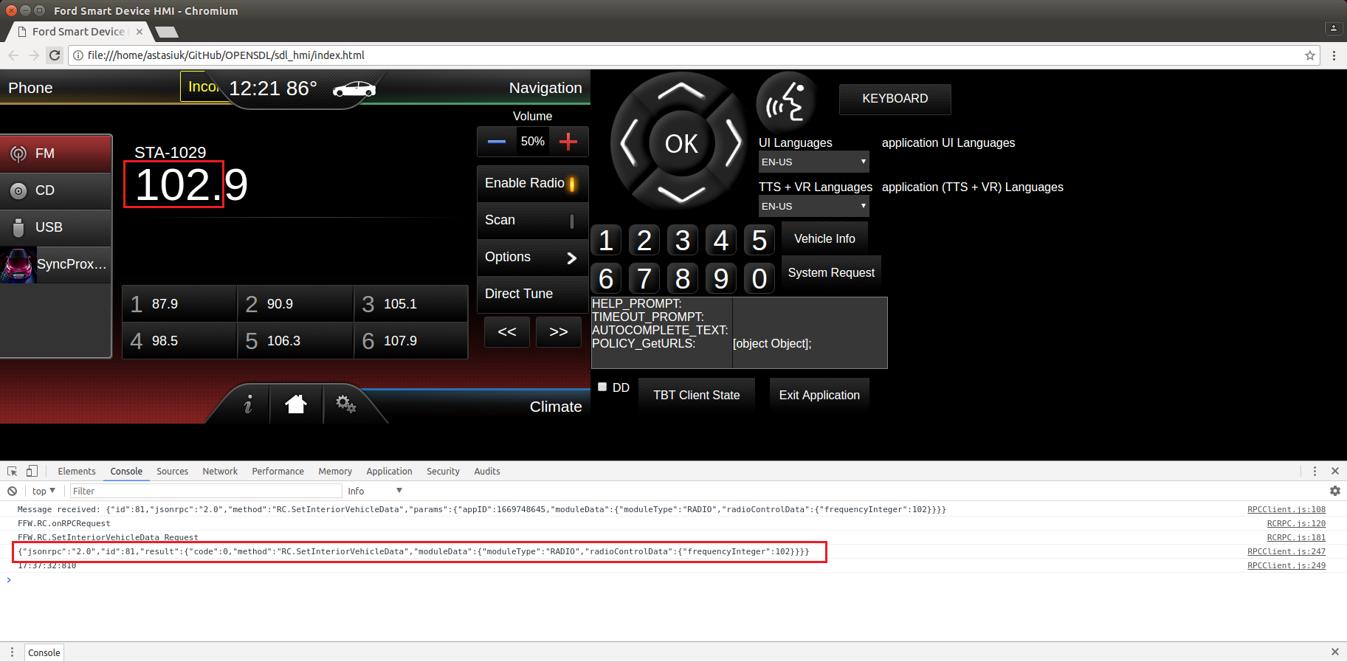
Test case: | SetInteriorVehicleData with read-only parameters and one settable parameters in "climateControlData" and CLIMATE module
1 | On mobile device send - 'SetInteriorVehicleData’ RPC with moduleType= ‘CLIMATE’ Subscribe: 'checked', 'OFF' RadioControlData: 'unchecked' ClimateConrolData: 'checked' Change "currentTemperature" : 35 "desiredTemperature" : 20 | SetInteriorVehicleData finished with SUCCESS App→SDL:SetInteriorVehicleData("moduleType":"‘CLIMATE", radioControlData":{"currentTemperature" : {"unit": CELSIUS, "value": 35}, "desiredTemperature":{"unit":"CELSIUS","value":20}) SDL→HMI:RC.SetInteriorVehicleData("moduleType":"‘CLIMATE", radioControlData": {"desiredTemperature":{"unit":"CELSIUS","value":20}) HMI→SDL: SUCCESS: RC.SetInteriorVehicleData("moduleType":"‘CLIMATE", radioControlData": {"desiredTemperature":{"unit":"CELSIUS","value":20}) SDL→App: SUCCESS:SetInteriorVehicleData("moduleType":"‘CLIMATE", radioControlData": {"desiredTemperature":{"unit":"CELSIUS","value":20}) On HMI were changed Desired Temperute to 20, read-only params - "currentTemperature" : 35 is cut-off by SDL. | Req_5 | 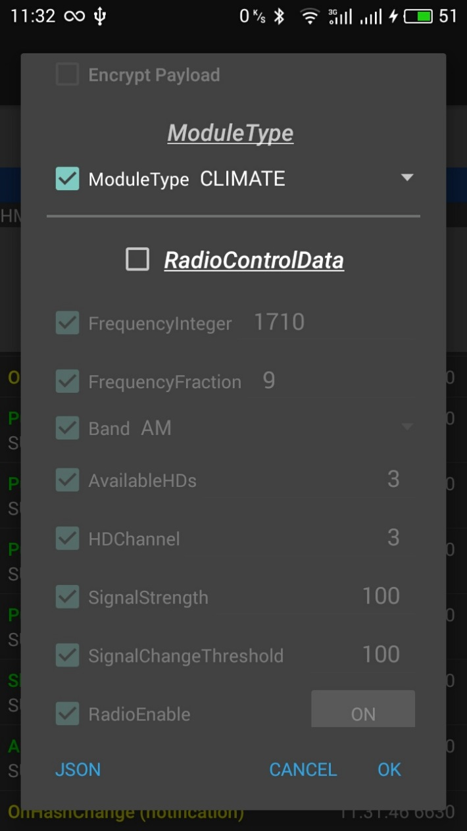 | 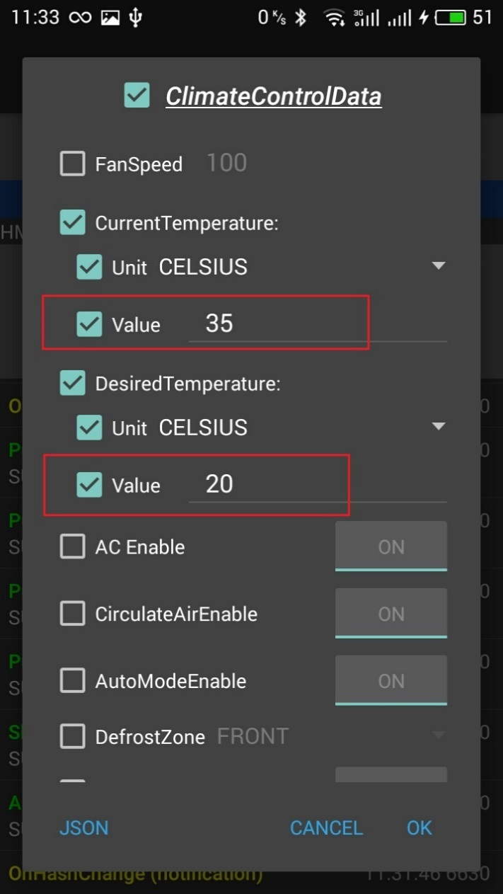 |  | 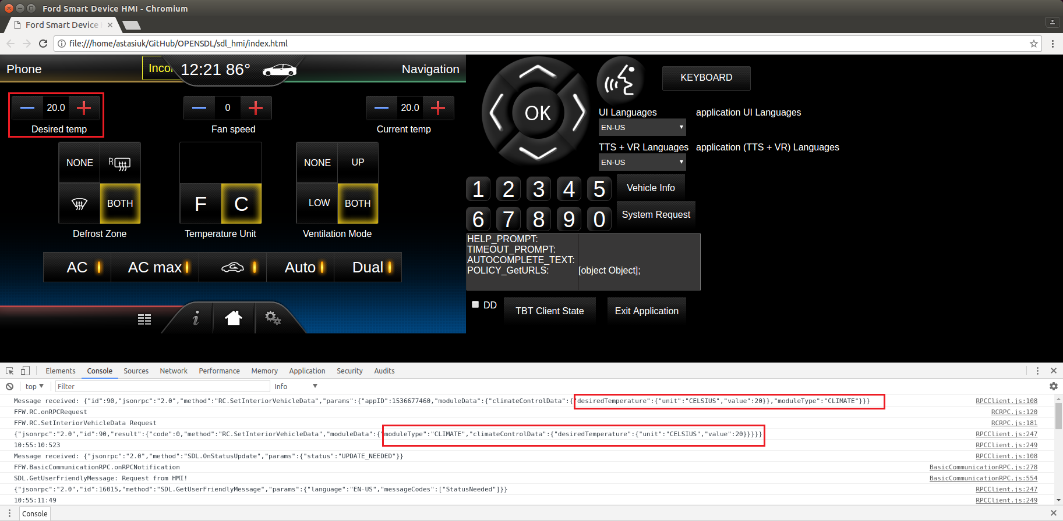
Test case: | SetInteriorVehicleData with "climateControlData" and "radioControlData" for CLIMATE module
1 | On mobile device send - 'SetInteriorVehicleData’ RPC with moduleType= ‘CLIMATE’ Subscribe: 'checked', 'OFF' RadioConrolData: 'checked' ClimateConrolData: 'checked' Leave all parameters for both RadioConrolData ClimateConrolData enabled | SetInteriorVehicleData finished with INVALID_DATA, success:false. App→SDL: SetInteriorVehicleData("moduleType":"CLIMATE", "radioControlData":{}, "ClimateConrolData":{}) SDL→App: INVALID_DATA: SetInteriorVehicleData("moduleType":"CLIMATE", "radioControlData":{}, "ClimateConrolData":{}) On HMI there is no changes. | Req_7 | 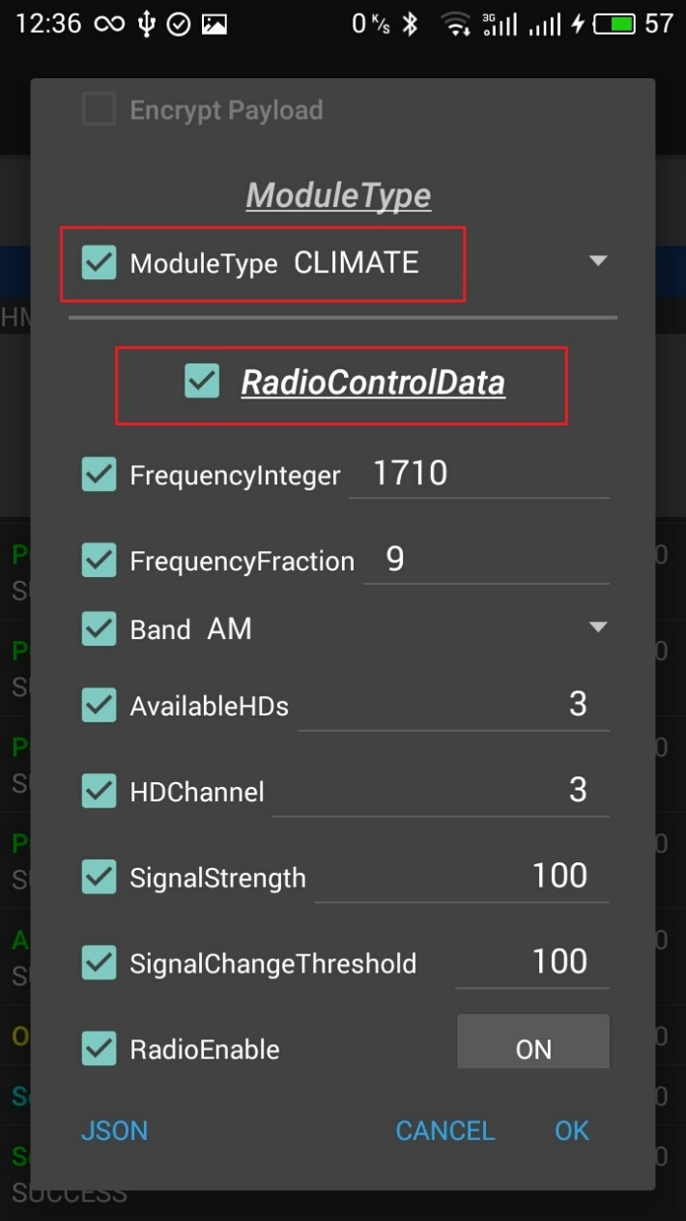 | 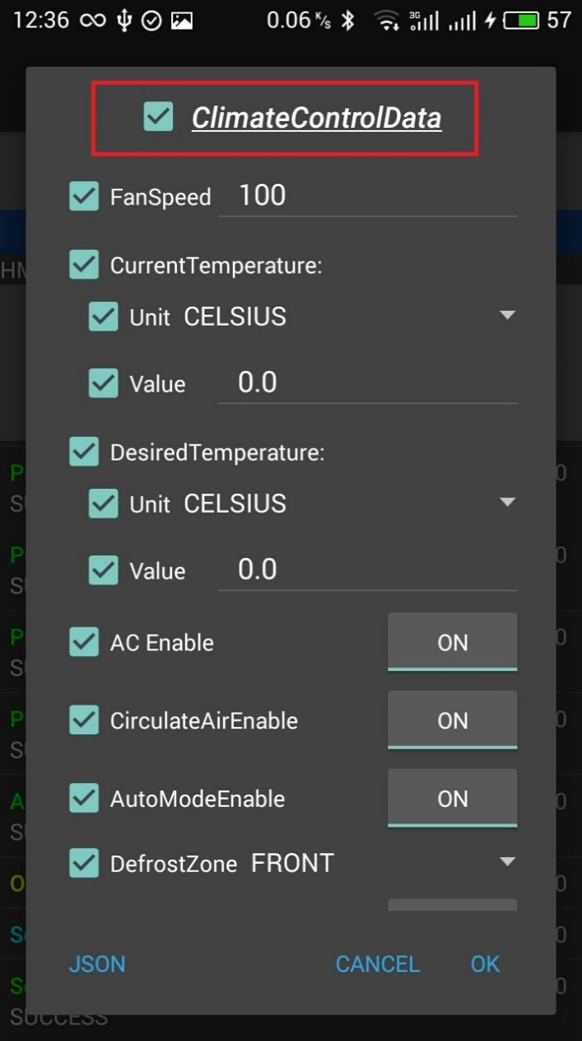
Test case: | Shutdown (Ignition OFF)
1 | On HMI press "Exit Application" button, make sure, that from drop-down filter IGNITION_OFF reason is selected | HMI→SDL: BC.OnExitAllApplications(IGNITION_OFF) SDL→HMI: BC.OnSDLClose() SDL→App: OnAppInterfaceUnregistered() SDL stops working |  | 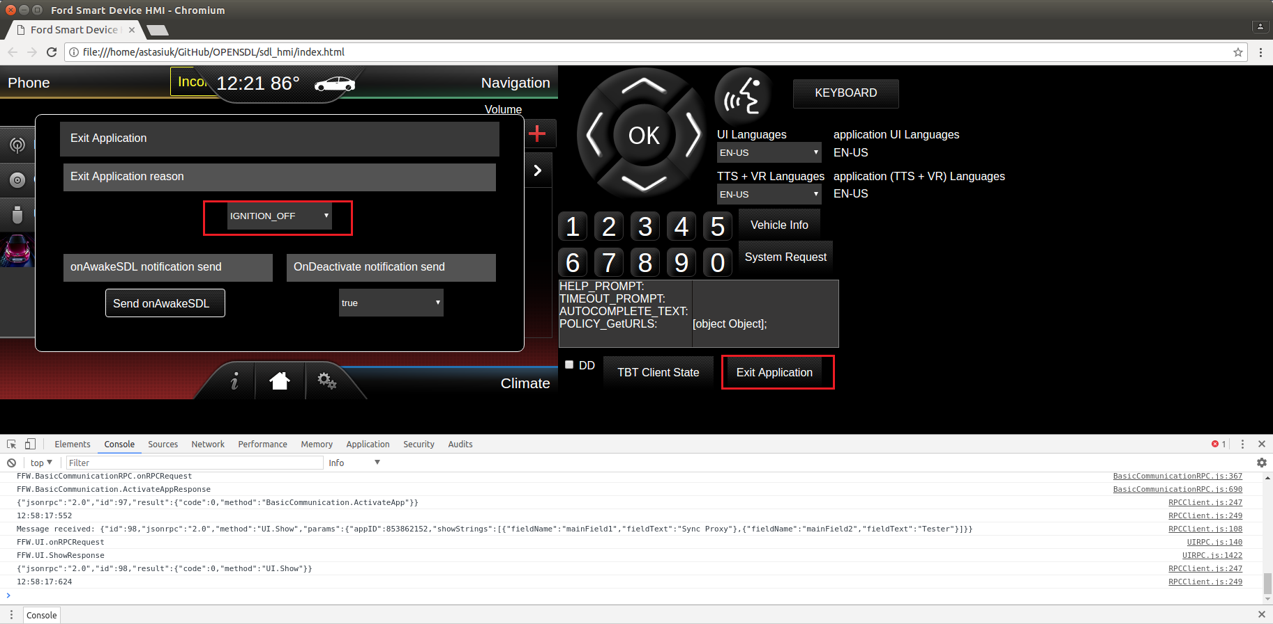
Test case: | Resumption (Ignition ON)
1 | Start SDL binary In case if USB transport is used, reconnect usb cable | SDL starts working App is registered: App→SDL: RegisterAppInterface() SDL→App: SUCCESS: RegisterAppInterface(). Resume succeeded. HMI level is restored: SDL→App: OnHMIStatus(FULL)
Test case: | Shutdown (Master Reset)
1 | On HMI press "Exit Application" button, make sure, that from drop-down filter MASTER_RESET reason is selected | HMI→SDL: BC.OnExitAllApplications(MASTER_RESET) SDL→HMI: BC.OnSDLClose() SDL→App: OnAppInterfaceUnregistered() SDL clears all Apps folder, app_info.dat file and shut down |  | 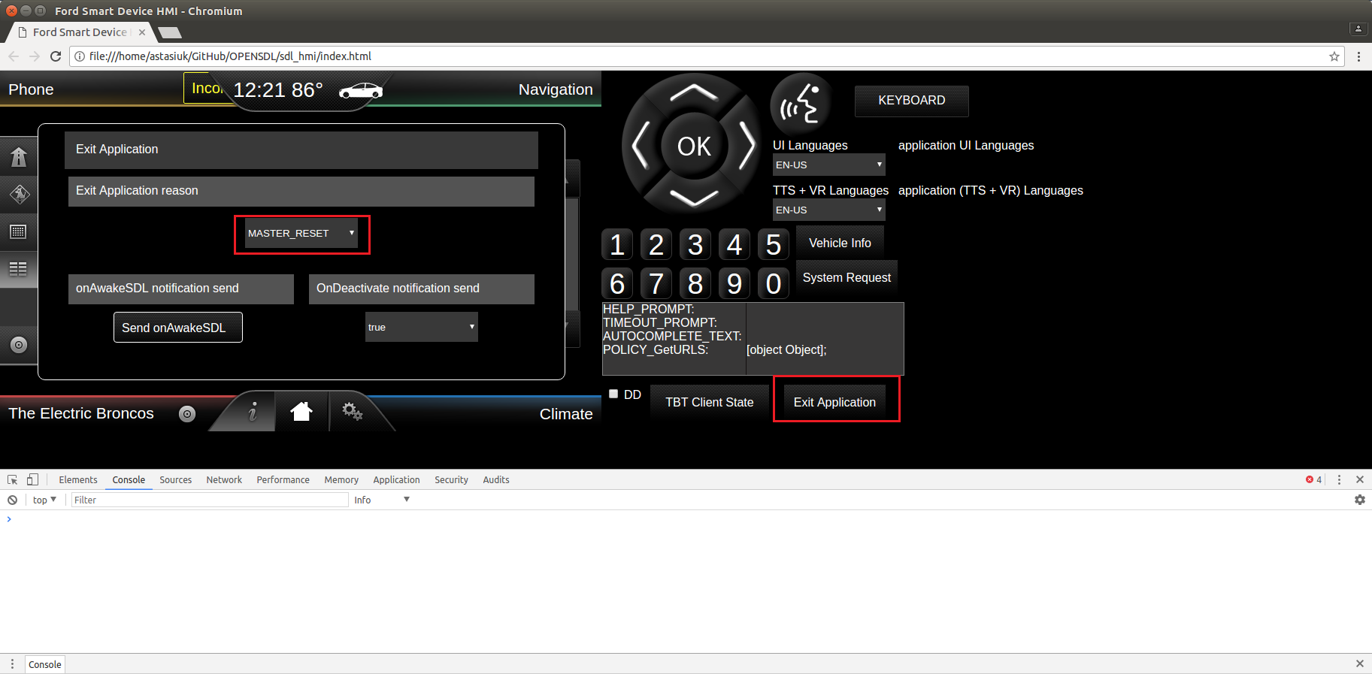
2 | Start SDL binary In case if USB transport is used, reconnect usb cable | SDL starts working No application registered Policy DB is clean and correspond to sdl_preloaded_pt.json

